Dashboard
 | 🪐 PLANET DATA VISUALIZATION DASHBOARD
 | Exoplanet Mass & Radius Analytics • 5,986 Confirmed Planets • Source: Cleaned & Feature-Engineered Dataset
AVERAGE MASS
1.4925
 |  |  |  | HIGHEST MASS |  | LOWEST MASS |  | AVG. MASS

 | Confirmed exoplanets in dataset |  |  | Most massive confirmed planet |  | Least massive confirmed planet |  | Mean across all measured planets

 | AVG. RADIUS |  | AVERAGE MASS |  | MASS–RADIUS CORR. |  | MASS DATA COVERAGE | RADIUS DATA COVERAGE

 | Mean radius, Jupiter units |  | Robust central tendency |  | Pearson correlation coefficient |  | Planets with measured mass | Planets with measured radius
 | EXOPLANET EXPLORER

Planet Mass Classification
 | Distribution & Composition
Number of Planets by Planet Status
 | Number of Planets

 | Top Planets by Size
Top 10 Planets by Mass
 | Mass (Mj)
Top 10 Planets by Radius
 | Radius (Rj)

 | Relationships & Data Quality
Relationship Between Planet Mass and Radius
 | Planets
Outlier Rate by Field (1.5×IQR Method)
 | Outlier %

 | Key Findings & Data Notes

 | Notes: Mass and radius are expressed in Jupiter units (Mj, Rj). Classification thresholds are approximate size bands for exploratory grouping, not formal planetary-science definitions. Outliers identified via the 1.5×IQR fence method. All KPI, chart, and classification values are live formulas linked to the 'Cleaned Data' sheet and recalculate automatically.
 | Data Visualization & Dashboard | Cleaned Dataset Analysis

 | HIGHEST MASS PLANET HATS-70 b Mass: 12.9000 | LOWEST MASS PLANET LHS 1678 b Mass: 0.00019 |  | AVERAGE MASS 0.9240 Jupiter masses | AVERAGE RADIUS 0.7116 Jupiter radii | VALID PLANETS 1,588 Mass + radius records

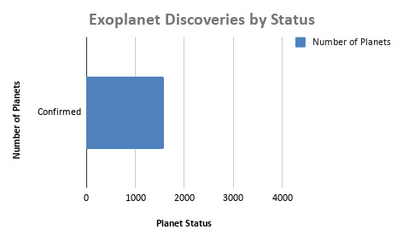
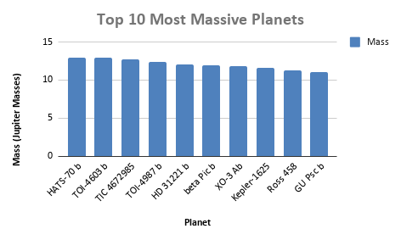

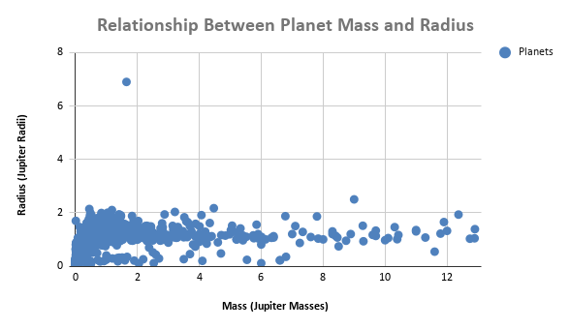

 |  |  |  |  |  |  |  |  | KEY FINDINGS
 |  |  |  |  |  |  |  |  | • Highest mass: HATS-70 b (12.9000)

