Info
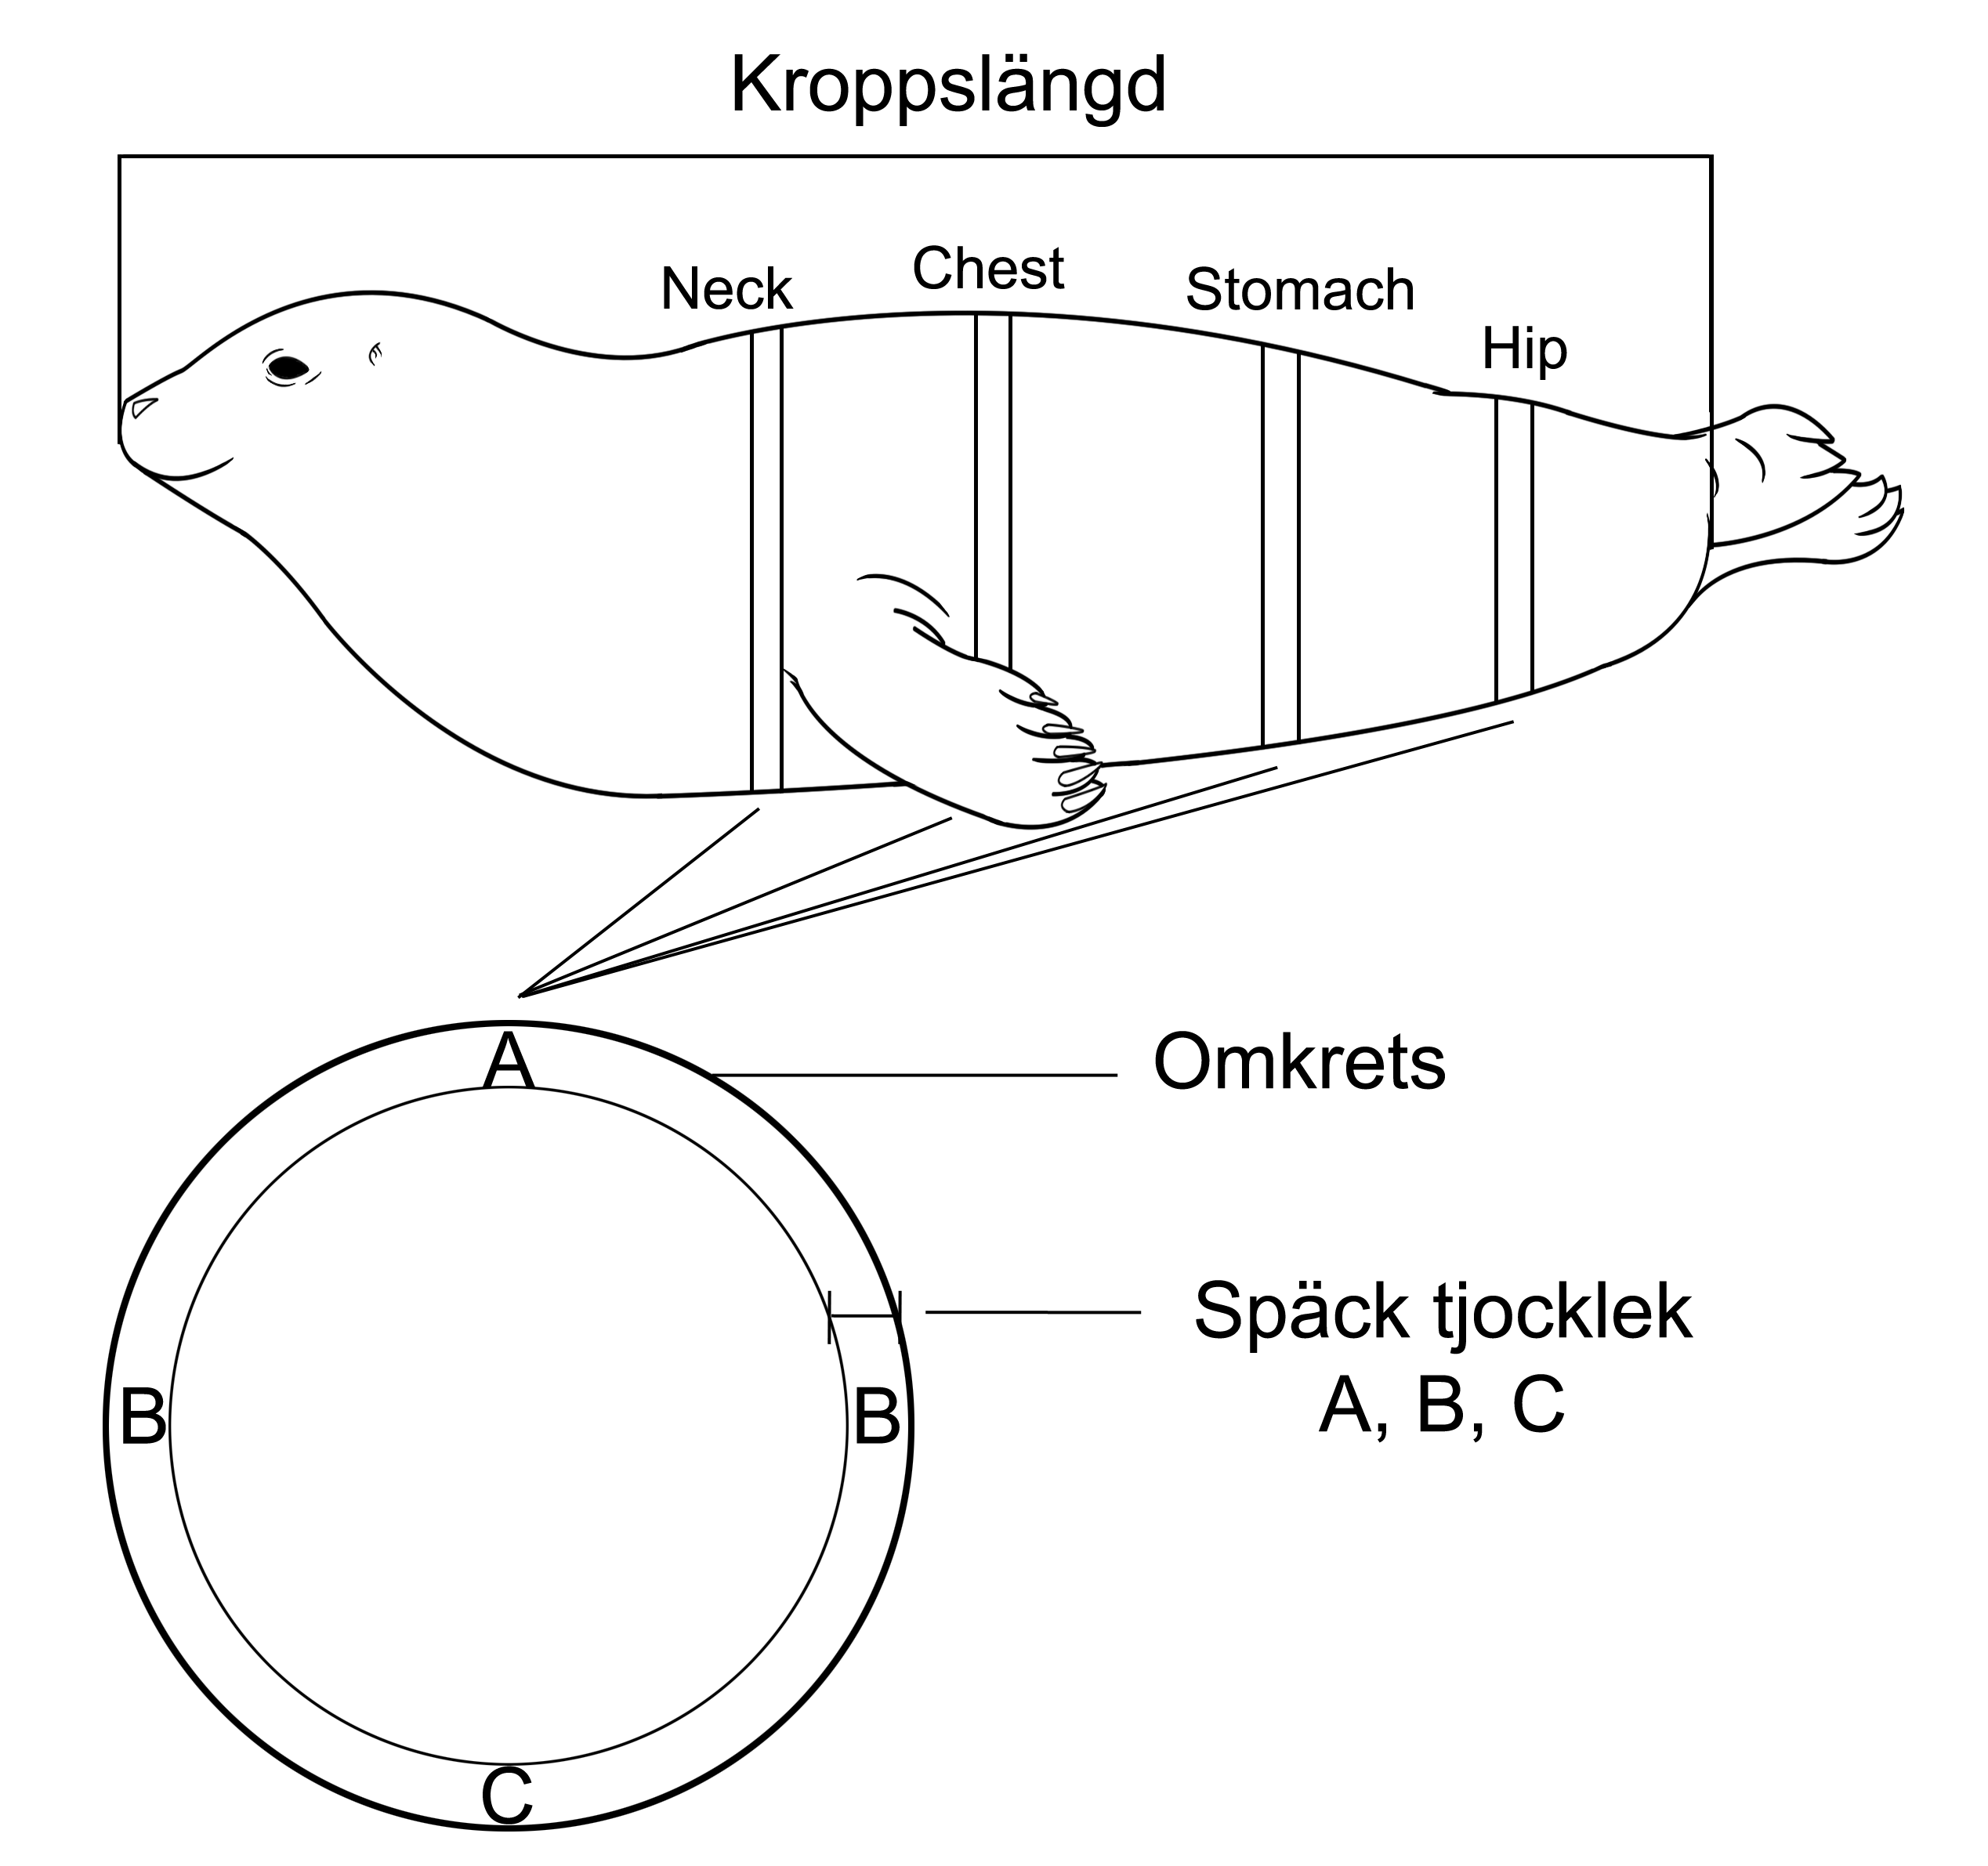
empty | data missing
Yellow | blubber thickness used

A = ventral späcktjocklek
B= Side
C= dorsal

