Basic
 |  | PN:
 |  | Software version: ; Firmware version:

Item# | YT Record | Summary | Description | Test Requirements, results | Result | Test Duration | Priority | Oven Software Version | Firmware Version | Last Test Date | Test Platform | Tester Notes | Logs Available?
Pre 1 | Startup / Stop | Startup with Oven software | [Setup wizard page#1] 1) Enable "Launch the following program". 2) Enter "C:\Heller Industries\AISIN Line Comm\Bin\AISIN_WFA.exe" to File Path.
1-1 | Startup / Stop | Verify line communication run when oven software startup. | 1) Executing oven software. 2) Verify line communication software startup when oven software startup. |  | PASS | 10 | Critical | v1.1.4 | v1.1.4
1-2 | Startup / Stop | Duplicate run | 1) Continues check from before item. 2) Executing line communication software. 3) Verify show message "Line Communication Software Already running". 4) Verify not allow duplicate executing . | 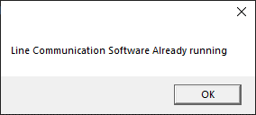 | PASS | 10 | Critical | v1.1.4 | v1.1.4
1-3 | Startup / Stop | Manual run. | 1) Terminate Line communication software. 2) Keep run oven software. 3) Double click the "AISIN PLC" icon. 4) Verify line communcation software running. |  | PASS | 10 | Critical | v1.1.4 | v1.1.4
1-4 | Startup / Stop | Terminate software | 1) Click "Quit" button. 2) Verify line communication software normal terminate. |  | PASS | 10 | Critical | v1.1.4 | v1.1.4
1-5 | Startup / Stop | Startup when oven software not running | 1) Terminate oven software. 2) Double click "AISIN PLC" icon. 3) Check message show "Not able to connect with HC2, Please start after oven software execute." 4) Line communication software execute with all state value is empty state. | 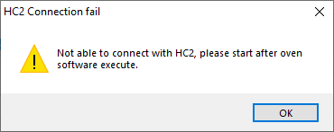 | PASS | 10 | Critical | v1.1.4 | v1.1.4
Pre 2 | PLC Connection [Mitsubishi] | Startup with Oven software | [PLC_Simulation] 1) Install MX Component. 2) Install GX Works2 3) Run simulation. Refer to PLC_Simulation
2-1 | PLC Setting [Mitsubishi] | Parameter lock / Unlock | 1) Click "PLC Setting". 2) Verify popup shown "PlcSetupWindow" with all item disabled condition. 3) Click "Modify" button. 4) Verify value chagnes to modifiable state. 5) Click "lock" button. 6) Verify all values state to disabled. |  | PASS | 10 | Critical | v1.1.4 | v1.1.4
2-2 | PLC Setting [Mitsubishi] | PLC Connection | 1) Continues check from before item. 2) Enter "2" to Upstream Station number. 3) Enter "3" to Downstream station number. 4) Enter "SM400" to "PLC alive check address". 5) Click Save. 6) Terminate line communication software. 7) Execte line communcation software. 8) Verify PLC connection state is normal. |  | PASS | 10 | Critical | v1.1.4 | v1.1.4
Pre 3 | Map barcode | Barcode recipe mapping table setup | 1) Prepare "Test1" and "Test2" cold recipes. [Note] Line communication software not allow "Rail Width(mm)" and "Belt Speed(mm/min)". | * Test1 and Test2 recipe are different for "Dual lane" and TCO.
3-1 | Map barcode | Barcode recipe mapping table setup | 1) Enter "8461**********0*" to first row on the Barcode Pattern. 2) Enter "Test1" to first row on the Recipe. 3) Enter "8461**********1*" to second row on the Barcode Pattern. 4) Enter "Test2" to second row on the Recipe. 5) Click Save button. 6) Verify barcode and recipe are saved. |  | PASS | 10 | Critical | v1.1.4 | v1.1.4

1PC_DualLane
 |  | PN:
 |  | Software version: ; Firmware version:

Item# | YT Record | Summary | Description | Test Requirements, results | Result | Test Duration | Priority | Oven Software Version | Firmware Version | Last Test Date | Test Platform | Tester Notes | Logs Available?
Pre 1 | Recipe change | Prepare recipe. Prepare PLC setup. | 1) Recipe "Test1" - Cold recipe. - Lane#1 Rail set to 140mm - Lane#2 Rail set to 150mm 2) Recipe "Test2" - Cold recipe. - Lane#1 Rail set to 160mm - Lane#2 Rail set to 170mm 3) Enable both lanes on the "Upstream lane enable Setup". 4) Select Rail number for each lane. 5) Select "DualLane" on the "Lane Type". | 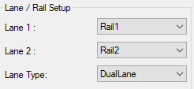 * The rail width setting value does not have to be same as test case. Only need to set the value to not duplidate.
10-1 | Recipe change | Execute "AISIN_WFA_TEST" | 1) Loading "Wakeup Recipe". 2) Excute "AISIN_WFA_TESTER". 3) Enter "2" to ustream. 4) Enter "3" to downstream. 5) Select "SM400" on the PLC Alive Check. 6) Click "Start" button. 7) Check connect with simulation. | 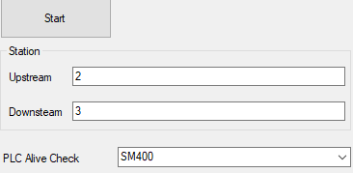 | PASS | 10 | Critical | v1.1.4 | v1.1.4
10-2 | Recipe change | Recipe change lane#1 | 1) Enter "846101245678900" to D0 on the Barcode[AISIN_WFA_TESTER]. 2) Enter "846101245678900" to D100 on the Barcode[AISIN_WFA_TESTER]. 3) Click "On" button on the board available D21[AISIN_WFA_TESTER]. 4) Verify "846101245678900" displayed on the Barcode Lane1[AISIN Line communication]. 5) Verify "1" displayed on the BA Signal Lane1[AISIN Line communication]. 6) Verify change recipe from wakeup to "Test1" recipe. 7) Click "Off" button on the board available D21[AISIN_WFA_TESTER]. 8) Verify "0" displayed on the BA Signal Lane1[AISIN Line communication]. 9) Wait until green condiiton. 10) Verify Lane#1 SMEMA Ready when green condition. 11) Verify Lane#1 SMEMA not ready when tigger entrance sensor. | 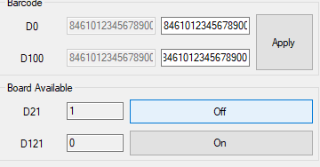 | PASS | 10 | Critical | v1.1.4 | v1.1.4
10-2 | Recipe change | Recipe change lane#2 | 1) Loading Wakeup recipe. 2) Enter "846101245678900" to D100 on the Barcode[AISIN_WFA_TESTER]. 3) Click "On" button on the board available D121[AISIN_WFA_TESTER]. 4) Verify "846101245678900" displayed on the Barcode Lane2[AISIN Line communication]. 5) Verify "1" displayed on the BA Signal Lane2[AISIN Line communication]. 6) Verify change recipe from wakeup to "Test1" recipe. 7) Click "Off" button on the board available D121[AISIN_WFA_TESTER]. 8) Verify "0" displayed on the BA Signal Lane2[AISIN Line communication]. 9) Wait until green condiiton. 10) Verify Lane#2 SMEMA Ready when green condition. 11) Verify Lane#2 SMEMA not ready when tigger entrance sensor. |  | PASS | 10 | Critical | v1.1.4 | v1.1.4
11-1 | Rail width | Rail wdith case#1 | 1) Loading Wakeup recipe. 2) Enter "846101245678900" to D0 on the Barcode[AISIN_WFA_TESTER]. 3) Enter "846101245678900" to D100 on the Barcode[AISIN_WFA_TESTER]. 4) Click "On" button on the board available D21[AISIN_WFA_TESTER]. 5) Verify change recipe from wakeup to "Test1" recipe. 6) Click "Off" button on the board available D21[AISIN_WFA_TESTER]. 7) Veify Rail#1 value on the D270[AISIN_WFA_TESTER]. 8) Veify Rail#2 value on the D370[AISIN_WFA_TESTER]. * Should be same as Rail width of oven overview screen. |  | PASS | 10 | Critical | v1.1.4 | v1.1.4
11-2 | Rail width | Rail wdith case#2 | 1) Continues check from before item. 2) Click "On" button on the board available D121[AISIN_WFA_TESTER]. 3) Verify change recipe from wakeup to "Test2" recipe. 4) Click "Off" button on the board available D121[AISIN_WFA_TESTER]. 5) Veify Rail#1 value on the D270[AISIN_WFA_TESTER]. 6) Veify Rail#2 value on the D370[AISIN_WFA_TESTER]. * Should be same as Rail width of oven overview screen. |  | PASS | 10 | Critical | v1.1.4 | v1.1.4

PLC_Simulation
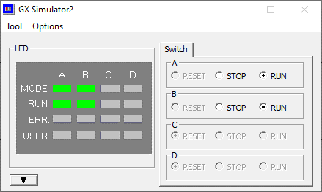
Communication setup for upstream simulation | Communication setup for downstream simulation

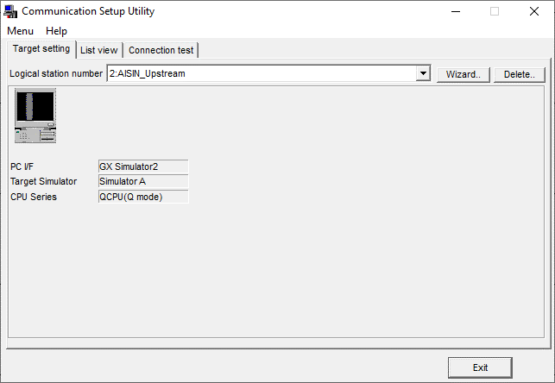
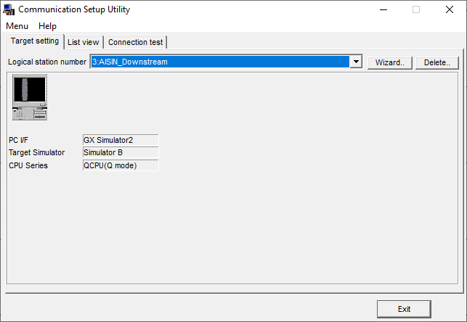

1. Run AISIN_Upstream PLC code | 2. Click simulation Icon.

3.Check run state

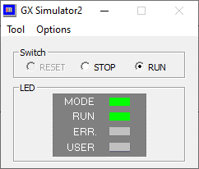

4. Run AISIN_Downstream PLC code | 5. Click simulation Icon.

6. Check run stat of Simulation A and B

