Sheet1
IMG

BC-02-003 | 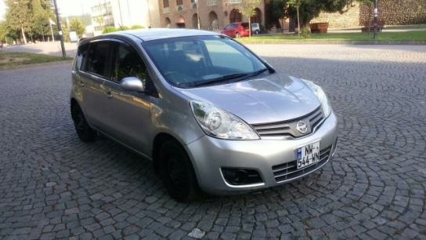 | Width: 1280 px | Height: 719px
1007 | 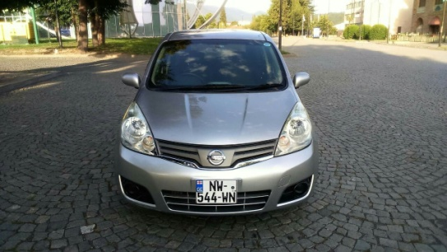 | Width: 1280 px | Height: 720px
10005 | 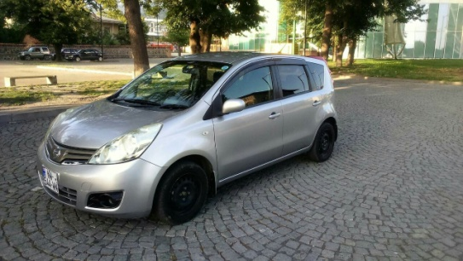 | Width: 1280 px | Height: 720px
BC-05-005 | 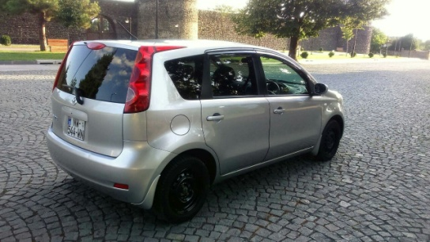 | Width: 1280 px | Height: 719px
RA-01-001 | 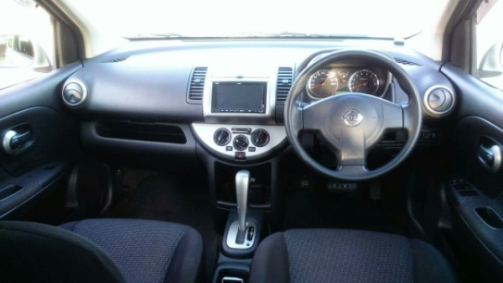 | Width: 1280 px | Height: 720px
RG-03-007 | 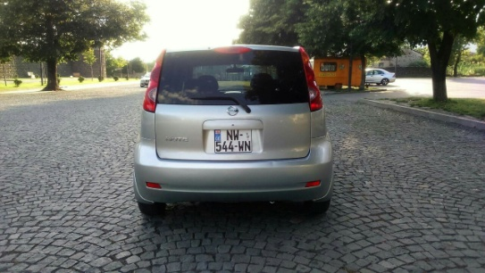 | Width: 1280 px | Height: 720px
RA-02-001 | 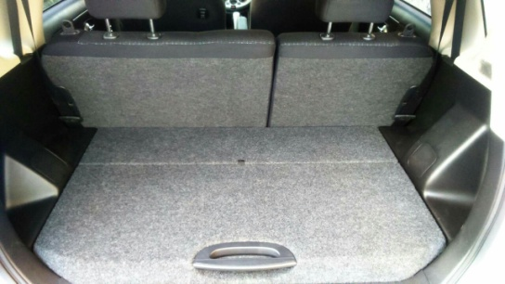 | Width: 1280 px | Height: 719px
RA-02-001 |  | Width: 1280 px | Height: 719px

