DOCU - Pricing Logic
 | Document Automation — Pricing Logic (counts methodology)
 | Access model applies to every product — Managed / Licence / Full transfer (internal). See Access Models · Access & Licence Pricing · IP & Licensing Policy.
Q | great, but that all has to be calculated before giving Client price
A | Yes, exactly. These “count” fields must be estimated before giving the final client price.
 | But not too early.

 | Correct order

 | 1. After Phase 1 — Discovery

 | You can give only a rough price direction:
 | Based on current understanding, this looks like a Basic+ / Pro project, likely in the range of CHF X–Y setup and CHF X–Y/month.
 | At this point, counts are still approximate.

 | 2. After Phase 2 — Scope / MVP Design

 | Now you can calculate more seriously.
 | Because Phase 2 defines:
 | included channels
 | excluded channels
 | AI draft workflows
 | CRM/database needs
 | approval workflows
 | reporting
 | access model
 | support model
 | This is where you fill the Quote Calculator.

 | 3. After Phase 3 — Solution Blueprint

 | Now you can give the confirmed offer.
 | Because by then you know:
 | exact workflow
 | exact tools
 | routing logic
 | risk level
 | error handling
 | access/security needs
 | build effort

 | Practical rule

 | Use the calculator like this:

 | Project moment | Price type
 | Before discovery | no real price, only starting-from package
 | After Phase 1 | rough estimate
 | After Phase 2 | proposed quote
 | After Phase 3 | confirmed final offer
 | After changes | change request / extra cost

 | For client communication

 | I would say:
 | After the discovery call, I can give you an indicative range. The final fixed price is confirmed after we define the MVP scope and automation boundaries.
 | This protects you from underpricing.

 | Internally

 | The calculator is mainly used after Phase 2.

 | Phase 1 gives you raw answers.
 | Phase 2 converts them into counts.
 | Then the Quote Calculator gives the price.

 | So yes: before giving the client a serious price, you must first define the counts and package/access model.

 | Direct Email Intake Branch — Pricing Logic / Change Request
 | Purpose | Price logic | Setup add | Monthly add | When to use
 | Simple direct-email branch | Add one direct inbox trigger and send messages into the existing classifier after basic normalization. | CHF 500–900 | CHF 100–200 | Client has one inbox and wants same classification logic as website form.
 | Direct email + filters/logging | Add inbox trigger, normalization, sender/message metadata, duplicate prevention, routing labels/folders, error path and logging. | CHF 900–1’500 | CHF 150–300 | Most realistic business version; recommended default for client quote.
 | Direct email + draft / approval logic | Add email-specific draft replies, approval handling, status tracking and safer exception handling. | CHF 1’500–2’500 | CHF 300–500 | Client expects AI-assisted replies or approval workflow, not only classification.
 | Pricing rule | If defined before project start, include it in the package scope and count it as an additional intake channel/source. If requested later, price it as a change request. | Usually +CHF 900–1’500 | Usually +CHF 150–300/month | Use this rule when scope expands from webhook-only to inbox + webhook.
 | Commercial note | This is not only “add Gmail trigger”. It adds a second source, normalization, deduplication, routing reliability, testing and support responsibility. |  |  | This explains why the add-on has both setup and monthly impact.

Q | how this modification enable us to define properly for price calculation each wished or considered, or offered automation?
A | Good question — this is the core workflow gap. The calculator fields give you the inputs, but you still need a clear rule for how to read any automation and translate it into those fields. Here's the complete mapping logic:

 | Step 1 — Pick the package (C5) by overall complexity

 | Automation complexity | Package
 | Single channel, classify/route only, no AI | Basic Intake
 | Single channel, classify + 1 AI draft type | Basic+ AI Triage
 | Multiple channels or sources, classify + AI | Pro Multi-Channel
 | Full ops: multi-channel, AI, CRM, monitoring | Managed Operations
 | Autonomous agents, self-healing flows | Agentic Automation

 | Step 2 — Fill the count fields by scanning the Make.com scenario

 | Go through the scenario module by module and ask one question per field:

 | Extra channels (C16): how many separate inbound sources exist beyond the one included in the package? Count each distinct webhook endpoint or app trigger.
 | AI draft workflows (C17): how many distinct HTTP→OpenAI/Claude calls exist? Count per draft type, not per email processed.
 | CRM integrations (C18): how many different external database systems are written to or read from? Count per system, not per module.
 | Approval workflows (C19): how many places does the scenario pause and wait for a human before acting?
 | Reporting layer (C20): is there a structured output to a dashboard or analytics view?

 | Step 3 — Set the multipliers (C21–C22) by project context

 | These aren't about the automation itself — they're about the client and delivery situation. Sensitive data and urgency are commercial decisions, not technical ones.

 | Step 4 — Choose access and support models (C6, C7) by the commercial arrangement

 | C6 answers who owns the automation after delivery
 | C7 answers what ongoing support level is agreed

 | Step 5 — Add operational costs to C26

 | After filling all count fields, estimate and add Make.com operations + API token budget as a monthly pass-through in C26.

 | Applied to your three options, the inputs would be:

 | Field | Option A (classify only) | Option B (classify + AI draft) | Option C (email service + classify) | MG Red Shift
 | C5 Package | Basic Intake | Basic+ AI Triage | Basic Intake | Basic Intake
 | C16 Extra channels | 0 | 0 | 1 | 0
 | C17 AI draft | 0 | 1 | 0 | 1
 | C18 CRM | 0 | 0 | 0 | 1
 | C19 Approval | 0 | 1 | 0 | 1
 | C20 Reporting | 0 | 0 | 0 | 0
 | C26 ops/month | CHF 15–20 | CHF 25–45 | CHF 20–30 | CHF 30–60

 | The calculator can then price each of these as a distinct configuration just by changing those six inputs — which is exactly what the modified D and F columns now guide you through, step by step, for any new automation you design or propose.
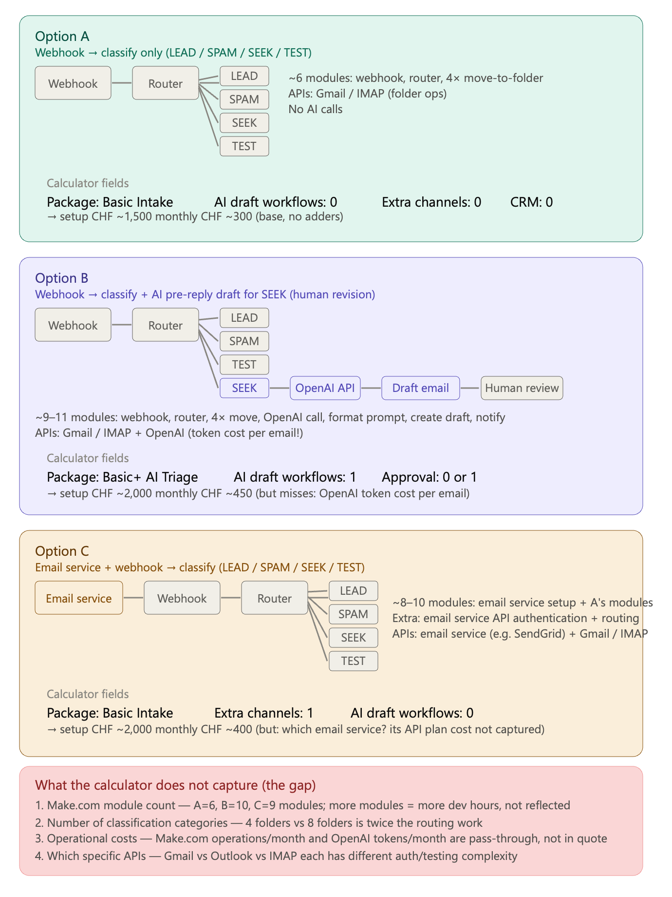
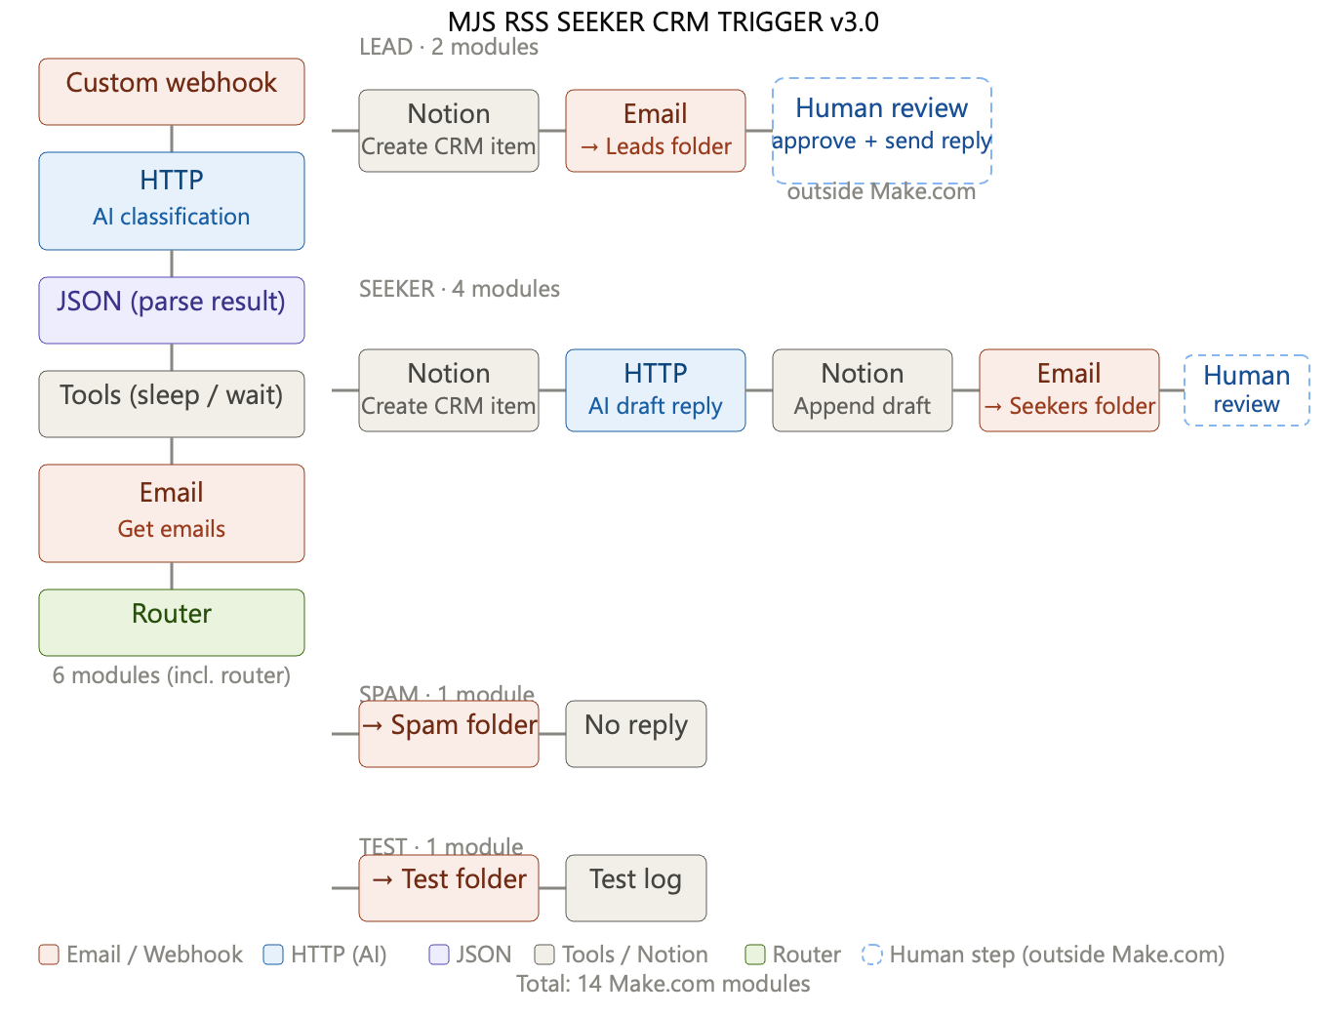

Q | quickly back to price calculations: how would you explain pricing? There will be some customers who think price is too expansive. What would you say then?
A | Good question — and an honest one, because some prospects genuinely can't afford it, and some just haven't yet understood what they're paying for. Those are two very different situations and need different responses.

 | First: understand which objection it actually is

 | "Too expensive" usually means one of four things:

 | "I don't see why it costs that much" — a value communication problem
 | "I can't afford it right now" — a cash flow or budget problem
 | "I can get something similar cheaper" — a comparison problem
 | "I don't trust it will work" — a risk problem

 | Don't respond to all four the same way.

 | For "I don't see the value"

 | This is the most common and the most fixable. The answer is a ROI calculation, done in front of them.
 | "Let's work out the numbers together. How many hours per week does your team currently spend on the tasks we'd automate? What does an hour of that person's time cost you fully loaded — salary, social contributions, overhead?"
 | A Swiss SME employee with a CHF 70,000 salary costs around CHF 90–100/hour fully loaded. If you're saving 10 hours per week, that's CHF 900–1,000/week, or CHF 4,000/month. The managed service fee suddenly looks very different.
 | The conversation shifts from "what does this cost?" to "what does NOT doing this cost you every month?"

 | For "I can't afford it right now"

 | Be honest about whether this is the right moment for them. But also explore:
 | Start smaller. The Basic package exists for a reason. A simpler scope, lower setup, lower monthly. Prove value, then expand.
 | The setup fee vs monthly split. Some clients struggle with upfront costs but can handle ongoing. There may be flexibility in phasing the setup payment.
 | The timing question. If they can't afford the automation but also can't afford to keep doing it manually, that's actually the strongest case — not the weakest.

 | For "I can get it cheaper elsewhere"

 | Ask what exactly they're comparing to. Usually it's one of three things:
 | A freelancer on Upwork/Fiverr. They'll build something once, it'll break when Make.com updates an API, there's no monitoring, no error handling, and no one picks up the phone. That's not a managed service, that's a prototype.
 | A no-code tool they'd run themselves (Zapier, Make free tier). Fine for simple triggers. Not fine for anything requiring AI classification, document extraction, multi-step approval flows, or ongoing maintenance. Also — who maintains it? Who fixes it at 2am when it fails before a client meeting?
 | Another agency. Fair comparison. Then the question is: what's the scope, what's included in the monthly, and what happens when something breaks?

 | For "I don't trust it will work"

 | This is actually the easiest one, because VortexDeep's phase-gated model is the answer:
 | "You don't pay for a finished product. You approve every phase before we move to the next. After Phase 2 — Scope and MVP Design — you'll have a locked spec and a firm price. If that spec doesn't justify the investment, we stop there. You've paid for clarity, not a leap of faith."

 | What you should never do

 | Don't immediately offer a discount. It signals that the price wasn't real in the first place, and it attracts clients who will keep pushing. If you discount early, you'll discount forever.
 | Don't get defensive. "Our pricing is competitive for the market" sounds like a non-answer. Be concrete.
 | Don't try to convince someone who genuinely can't afford it. The right client is one where the ROI is obvious and the budget exists. Chasing the wrong clients costs you time that should go to finding the right ones.

 | One line you can use

 | If you need a single sentence for the first pushback:
 | "Walk me through what you're currently spending — in time or in errors — on the process we'd replace. In my experience, clients who say this is expensive haven't yet run that number."
 | Then be quiet and let them think. Most will do the maths themselves.

Q | that is why we have within Helper_Pricing a tab: ROI App which can help estimate quickly spending and errors. many thanks for your feedback
A | That's a great point — and exactly the right tool for that moment. Instead of doing the maths verbally (which can feel like pressure), you just open the ROI tab together with the client and let them enter their own numbers. When they calculate it themselves, the conclusion is theirs, not yours. Much more convincing.

 | Two small practical suggestions for how to use it:
 | Use it in the discovery meeting, not after. Don't send it as a follow-up PDF. Walk through it live — screen share or sit next to them. The conversation that happens while filling it in is often more valuable than the output.
 | Let them drive the inputs. Ask the questions, let them type the numbers. When someone enters their own estimate of "12 hours per week on email triage," they've already committed to that figure. You just show them what 12 hours costs over 12 months and what the automation costs over the same period.
 | If you ever want to strengthen the ROI tab further — for example adding a "months to break even" line, or a side-by-side of manual cost vs automation cost over 1 and 2 years — that would be a quick addition worth considering.

 | Good luck building the client base. The framework is solid, the pricing logic is sound, and the meeting prep is ready. Now it's just about getting in the room with the right people.

Q | however our ROI App is not quite exact. It calculate benefit based on Installation an not include Monthl managed Costs or similar? It seems PAyback is also not calculated exactly when One time investment + Monthly Managed Costs are included? Do you have access to : Helper_Pricing a tab: ROI App and can you analyse and revise?
A | Yes — I have the refactored file in outputs. Let me read the ROI App tab fully first before touching anything.Now I have the full picture. Let me diagnose both issues precisely before touching anything.Clear diagnosis:

 | Payback — correct (C29 already nets out monthly costs)
 | First-Year ROI — wrong denominator. Uses only setup (CHF 3,500) instead of total year-1 spend (CHF 22,700). Inflates the real client ROI from an honest 104% to a misleading 675%

 | Fix plan: insert one new "Total Year 1 Investment" row for transparency, fix the ROI denominator, add a "Year 2+ Annual ROI" row (no setup amortisation), update the tip text. Implementing now:Values are correct — 473% and 104% confirmed. The C34 None is likely the formula not stored properly. Let me verify and fix:C34 is a merged cell — a stale merge from the tip row. Let me inspect and fix:Values are raw ratios — the 0% number format displays them correctly in Excel. Let me confirm with proper percentage formatting:All values correct. Copying to outputs:Fixed. Here's what changed in the ROI App tab:
 | Root cause confirmed: The payback period formula was always correct — dividing setup cost by net monthly benefit is right because the monthly managed cost is already deducted in that net figure. The bug was exclusively in First-Year ROI.
 | What was wrong: The First-Year ROI denominator only included the setup fee (CHF 3,500), ignoring the 12 months of managed service payments (12 × CHF 1,600 = CHF 19,200). This inflated the ROI from an honest 104% to a misleading 675% for a typical small project.

 | Three changes made:
 | New row — "Total Year 1 Investment": Shows the full amount the client actually spends in year one (setup + 12× monthly). For the realistic example: CHF 3,500 + CHF 19,200 = CHF 22,700. This makes the ROI calculation transparent — the client can see exactly what goes into the denominator.
 | Fixed row — "First-Year Net ROI": Now divides by Total Year 1 Investment instead of just setup. Result goes from 675% → 104% for the realistic example. Still a strong number, but honest — and far more credible in a client conversation than 675%.
 | New row — "Year 2+ Annual ROI": Shows the recurring ROI once setup is fully amortised — net annual return divided by annual managed fee. For the realistic example: 141%. This is the number that matters for the ongoing relationship argument — every year after year one, the client earns 141% on what they pay you.

Q | this can show room for Client potential request for lowering monthly managed service costs. this also can get back discussion to one of the reasons potential customers can raise: i do not see value, I cant afford it right now, I can get it cheaper elsewhere, I have high onthly costs,... etc. what would you advise?
A | Good observation — the ROI App, if shown openly, becomes a negotiating surface. That's a risk, but also an opportunity if you know how to use it.

 | The new objection you're identifying

 | "My monthly costs seem high" is actually a different animal from the four I listed earlier. It's not about whether the automation delivers value — the ROI App proves it does. It's about recurring commitment vs. one-time spend. Most SME owners are conditioned to pay once and own something. Monthly feels like renting.
 | So the real objection underneath is often: "Why am I paying forever for something that should eventually be done?"
 | That needs a direct answer.

 | What to say

 | On the recurring model:
 | "The monthly fee isn't for the automation itself — it's for the guarantee that it keeps working. Make.com updates APIs, AI providers change models, business processes change, something breaks at 2am. Without ongoing management, what you have is a prototype that degrades. The monthly fee is the difference between a tool and a service."
 | Then the comparison: a part-time person in Switzerland doing 10 hours/week at CHF 60/hour costs CHF 2,400/month — without sick days, notice periods, or mistakes. You're cheaper than a human doing the same job worse.

 | On the ROI App as the antidote to all five objections:

 | The ROI App is actually most powerful when you hand it to the client and let them fill it in themselves. Use it diagnostically:

 | Their numbers show... | Real objection | Right response
 | ROI clearly positive, but they still object | Trust / risk | Phase-gated model. They don't pay for results until they see them.
 | ROI marginal | Wrong scope | Reduce scope, not price. Find the one thing worth automating.
 | ROI negative | Genuinely wrong fit | Tell them. Builds more trust than a sale.
 | ROI strong but monthly feels high | Commitment aversion | Show the value ceiling calculation (below).
 | ROI strong but can't pay upfront | Cash flow | Annual prepay at a discount, or defer setup fee.

 | The value ceiling — the most powerful number you're not showing yet

 | Right now the ROI App shows what the client gets. It doesn't show what they could pay and still be ahead. That's the missing row.

 | Value Ceiling = maximum monthly fee where Year 1 still breaks even:
 | = (Monthly Gross Benefit × 12 − Setup Fee) ÷ 12
 | For the realistic G example: = (3,860 × 12 − 3,500) ÷ 12 = CHF 3,568/month
 | You're charging CHF 1,600. Their value ceiling is CHF 3,568. You're leaving CHF 1,968/month of value with them. Say that explicitly.
 | When a client says "CHF 1,600 seems high," you can respond:
 | "Based on your own numbers, the most you could pay and still break even in year one is CHF 3,568. We're charging CHF 1,600. You're keeping more than half the value."
 | That reframes the entire conversation.

 | What I'd add to the ROI App

 | Three new rows would make it a proper negotiation tool:

 | Value Ceiling (monthly) — = (C27*12 - C19) / 12 — maximum monthly fee to break even in Y1
 | Your headroom — = C_ValueCeiling - C20 — how much under the ceiling you are
 | Internal staffing alternative — a yellow input cell: "What would it cost to hire someone part-time to do this manually? (CHF/month)" — then a comparison row
 | The third one is especially good in a live conversation. You ask the client to enter their own estimate of what a person doing this job would cost. They do the maths. You don't.

 | Want me to add those three rows to the ROI App now?

Q | please add those rows to ROI App. I'd like to mention, not related perhaps or loosely related an example: every human in CH pays for Krankenkasse. Argument which you provided that someone says: I pay for it forever for something that should eventually be done - in relation to monthly fee ABO. for Krankenkasse sounds similarly, but nobody complain at least officially about Krankenkasse ABOs, and the price for these varies depending on Franchise 0-2500 and can be from lowest ca. 300 to highest undefined, depending on model and additional services. And it might be that person paying for this would not visitd Doctor for the whole year. Would then this person argue that this is payment for nothing?
A | That's a brilliant analogy — let me address it properly, then implement the rows.

 | The Krankenkasse argument — use it

 | The parallel is exact and you should use it explicitly. Here's the framing:
 | Every Swiss resident pays Krankenkasse monthly. With a CHF 2,500 Franchise, you could go the entire year without visiting a doctor and have paid CHF 3,600+ for "nothing consumed." Nobody calls it money wasted, because everyone understands instinctively what they're actually buying: not treatment, but the guarantee of treatment when it's needed.
 | The monthly managed service fee is identical in logic. A month where the automation runs perfectly, nothing breaks, no API fails, no edge case slips through — that's not a month you paid for nothing. That's the best possible outcome. You paid for operational continuity and got it.
 | What makes it even stronger: Krankenkasse has no ROI calculation. You genuinely might never need it. With VortexDeep, the ROI App shows the client they're already ahead even if they use the service every single month and nothing ever breaks.
 | You can also use the franchise analogy for your pricing structure directly: higher upfront setup (higher franchise) means lower ongoing complexity and often lower monthly. The client who invests more at the start is buying a simpler, more stable system — just like a high-franchise policy has lower premiums because the insured accepts more early-stage risk.

 | One line you can use in a meeting:
 | "Think about it like Krankenkasse. You pay every month, and the best months are the ones where you never needed to call us. That's not money wasted — that's the system working."

 | Now adding the three rows:Emoji encoded as surrogates — quick fix:G36 Value Ceiling = CHF 3,568 and G37 Headroom = CHF 1,968 — exactly matching the expected numbers. Zero errors, 84 formulas.Done. The ROI App now has a full Section 3 — Negotiation View with five new rows:
 | Value Ceiling (monthly) — the maximum fee you could charge and the client still breaks even in year one. For the realistic small project example it calculates CHF 3,568/month. You're charging CHF 1,600. That gap is the argument.
 | Headroom — the difference between your price and the ceiling: CHF 1,968/month of value you're leaving with the client. When someone says the monthly fee feels high, you point at this number and say: "At our current price, you keep nearly two thousand francs of benefit every month above what you pay us."
 | Staffing alternative (yellow input) — the client enters what they think it would cost to have a person do this manually. Pre-filled with zero and a prompt. The rule-of-thumb note is in the D column: CHF 70k salary ≈ CHF 8,300/month fully loaded, one day a week already costs CHF 2,000+.
 | Automation saving vs. staffing — once they enter a number, this row shows the monthly saving. Negative means staffing is actually cheaper — in which case you have the wrong scope, not the wrong price.
 | Krankenkasse talking point — a light yellow note row with the exact script: "Think of it like Krankenkasse. The best months are the ones where you never needed to call us. That's not money wasted — that's the system working. You pay for the guarantee of continuity, not for the number of incidents. And unlike Krankenkasse, here you can calculate the return."

 | That last line is the twist that makes the analogy work even better than the original. Krankenkasse offers no ROI calculation — you just pay and hope. VortexDeep gives you the number up front. It's a stronger position, not a weaker one.

Q | what means TRIAGE in for rxample: data triage, ai automation?
A | In AI automation, triage means rapidly assessing, classifying, prioritizing, and routing incoming information so that the right action happens next.

 | The term comes from medicine, where patients are prioritized based on urgency. In automation, the same principle applies to emails, documents, tickets, leads, invoices, support requests, and similar inputs.

 | Data triage

 | Data triage is the process of:
 | identifying what the data is
 | extracting important information
 | determining its priority
 | deciding where it should go
 | deciding what should happen next

 | Example:

 | Incoming document
 | ↓
 | AI identifies it as an invoice
 | ↓
 | Extracts supplier, amount, due date
 | ↓
 | Priority = High (due in 3 days)
 | ↓
 | Routes to Finance
 | ↓
 | Creates approval task

 | Email triage

 | This is exactly what you've been building for MG Red Shift.
 | Example:
 | New email
 | ↓
 | AI classifies:
 | Lead
 | Existing Customer
 | Technical Question
 | Seeker (outside CH/LI)
 | Spam

 | ↓
 | Depending on category:
 | create CRM record
 | draft reply
 | notify sales
 | archive
 | ignore

 | This is AI-powered email triage.

 | AI triage

 | AI triage means using an AI model to make the initial decision instead of a person.
 | Example prompt:
 | "Read this email and classify it into one of these categories. Return urgency, sentiment, language, recommended department, and next action."
 | Output:
 | {
 | "category": "Lead",
 | "urgency": "Medium",
 | "language": "German",
 | "sentiment": "Positive",
 | "next_action": "Draft quotation"
 | }
 | Then your automation continues from there.

 | Support ticket triage

 | Customer writes:
 | "Our production line stopped."
 | AI determines:
 | Category: Technical Support
 | Severity: Critical
 | Customer: Enterprise
 | Response SLA: 30 minutes
 | Notify engineer immediately
 | No human has to perform the initial sorting.

 | Lead triage

 | Website form arrives.
 | AI evaluates:
 | Budget
 | Country
 | Company size
 | Industry
 | Buying intent
 | Result:
 | Hot Lead
 | Warm Lead
 | Cold Lead
 | Not Qualified
 | Sales only receives the qualified leads.

 | Document triage

 | A folder receives PDFs.
 | AI identifies:
 | Contract
 | Invoice
 | Purchase Order
 | Delivery Note
 | Passport
 | CV
 | Then routes each document into the appropriate workflow.

 | Where triage fits in an AI automation

 | A common pattern is:

 | Input
 | │
 | ▼
 | AI TRIAGE
 | (Classify • Prioritize • Extract)
 | │
 | ▼
 | Decision
 | │
 | ├── CRM
 | ├── Email reply
 | ├── Human approval
 | ├── Calendar
 | ├── Database
 | └── Archive

 | Triage is often the first AI step after data enters a workflow.

 | For VortexDeep

 | "Triage" could become one of your core service concepts because nearly every business receives unstructured information that must be organized before work can begin.
 | For example:
 | Email Triage – classify, prioritize, and route incoming emails.
 | Document Triage – identify, extract, and organize information from documents.
 | Lead Triage – qualify and prioritize sales inquiries.
 | Support Triage – assess urgency and assign tickets.
 | Workflow Triage – determine the next action in a business process based on incoming data.

 | In other words, triage is the intelligent decision layer that sits between incoming information and automated business actions. It's a concise term that accurately describes a key capability in many AI automation systems.

Q | clear, thank you. 1. so when we would add a small router or a pre-loop watching, besides webhook, also emails (and with next steps also some social media), with the same logic, from some email service provider, then we could classify such automation higher? 2. we foreseen also monthly maintenance, which is for us as business and for customer essential, but we understand that it means that until Clinent wants it is kept or how can we evolve it or explain to Client? 3. we also have simple ROI calculators (see examples). How would you explain our MGREDSHIFT automation with ROI calculation? can it be explained clearly for such automation?
A | Yes, that’s a good direction.

 | 1. Would adding email/social intake classify it higher?

 | Yes, depending on complexity.
 | Right now MG Red Shift is best classified as:

 | Basic+ AI Triage / AI Intake Triage Basic+

 | Because it does:
 | website form → AI classification → JSON parse → folder routing → Notion logging → manual review
 | Your v4.0 flow confirms this structure: OpenAI classification runs before the router, and the router acts only on LEAD / SEEKER / SPAM / TEST.

 | If you add:

 | Added scope | Package level
 | Website form + one inbox, same logic | Basic+ AI Triage
 | Multiple inboxes / email provider + website form | Basic+ or low Pro
 | Email + Instagram / WhatsApp / LinkedIn | Pro Multi-Channel
 | Draft replies + approval workflow | Pro Multi-Channel
 | Monthly reporting, monitoring, improvements | Managed Operations
 | CRM/calendar actions with approvals | Agentic Automation

 | So yes: with email + social media + same classification logic, it can move toward Pro Multi-Channel.

 | 2. Monthly maintenance — how to explain it

 | I would not call it “maintenance” only. Better:

 | Managed AI Operations

 | Because it includes:
 | monitoring failed runs
 | checking classification quality
 | updating prompts/categories
 | adapting when client business rules change
 | fixing API/provider changes
 | reviewing edge cases
 | usage/cost monitoring
 | monthly improvement notes
 | small workflow adjustments

 | Client-facing explanation:
 | The automation is not a static file. It handles live messages, changing wording, changing customer behaviour, provider updates and business rules. The monthly service keeps the workflow monitored, adjusted and reliable.

 | Commercially:

 | Support model | Meaning
 | No support | build-and-transfer, client owns risk
 | Light support | occasional checks/fixes
 | Normal managed support | default for business workflow
 | High-responsibility support | stronger monitoring, faster response
 | Critical support | for operationally sensitive workflows

 | For MG Red Shift, I would use Normal managed support.

 | 3. ROI explanation for MG Red Shift automation

 | Yes, ROI can be explained clearly, but use conservative numbers.
 | The ROI is not only “time saved”. It is also:
 | fewer wrong manual classifications
 | faster separation of real CH/LI leads from foreign SEEKERS
 | less risk of replying wrongly about export/distribution
 | better CRM/Notion recordkeeping
 | less inbox clutter
 | consistent manual review process

 | Simple ROI formula:
 | Monthly benefit =
 | time saved
 | + avoided mistakes
 | + retained lead/opportunity value

 | Example conservative MG Red Shift case:

 | ROI factor | Example
 | Time saved: 2 h/week × CHF 80 × 4 | CHF 640/month
 | Avoided mistakes: 2/month × CHF 150 | CHF 300/month
 | Preserved commercial opportunity value | CHF 250/month
 | Total estimated monthly benefit | CHF 1’190/month

 | If setup is CHF 3’500:
 | Payback = 3500 / 1190 = approx. 3 months

 | So for MG Red Shift I would write:
 | This automation reduces manual inbox triage, separates local customer leads from out-of-scope foreign requests, logs relevant cases, and protects the company from inconsistent replies. A conservative ROI comes from saved handling time, fewer classification mistakes, and better retention of relevant commercial opportunities.

 | For your pricing sheet, I’d place MG Red Shift as:

 | Package: Basic+ AI Triage
 | Setup: CHF 2’500 – 4’500
 | Monthly: CHF 500 – 900
 | Support model: Normal managed support

 | If you add email + social media + draft approvals, then I’d move it to:

 | Package: Pro Multi-Channel
 | Setup: CHF 3’500 – 7’500+
 | Monthly: CHF 750 – 1’500+

Q | we discussed earlier that we do not want to transfer full automations, for any price-based-options, because we need to protect our existence, and how we are doing it is our knowledge, hence we introduced license option because of that but not only because of that - check this as it should be documented. also: i actually cannot comprehend how license would differ from full transfer in such understanding?
A | Let me check what your own docs actually say about this, because you're right that we should work from what's documented, not from what I assumed.Your own "How We Work" doc already states the founding principle — "IP-protected: your data and our methodology stay separate" — so the instinct is documented at the top level. But the detailed licence-vs-transfer logic and the "we don't transfer, ever" policy are not written down anywhere, and worse, your calculator's "Access Models" sheet still lists Build-and-transfer as an available option ("premium only, high risk, when client insists"). So there's an undocumented contradiction between your stated policy and your own tool. Good catch — let me untangle the concept first, because that's the real question.

 | Why licence ≠ transfer, even when it feels identical

 | Your confusion is completely reasonable, because the thing the client ends up with can look the same in both cases. The difference isn't what they hold — it's what they're legally allowed to do with it, and who owns it. Think in layers:

 | The outputs (sorted inbox, drafts, dashboards) — the client always gets these.
 | The right to use the automation for their business.
 | The build artifact (the actual Make scenario, prompts, routing rules).
 | The methodology — your discovery process, your pattern library, the judgment about what to build and how. This is the "our knowledge" you're protecting.

 | A transfer hands over layer 3 as owned property. The client can modify it, hand it to another vendor, or in principle pass it to a competitor. The asset leaves you. That's the thing you've decided not to do — correctly, because once the artifact is owned, you can't control what happens to it.

 | A licence grants layers 1 and 2 — a right to use — while you keep ownership of layer 3 and never part with layer 4. The client uses it, but under terms: no resale, no sublicensing, no handing it to a third party, no reverse-engineering it into a competing service. You can revoke on breach. It stays yours; they hold permission.

 | Two analogies make it click:

 | Renting vs. selling a flat. In both, someone else lives there. But a tenant follows a lease, can't sell your flat, and you're still the owner. A buyer owns it outright and can do anything — including sell it to your rival. Licence = lease; transfer = sale.
 | Microsoft licences you Windows. It runs on your laptop, but you don't own Windows — you can't resell it or build a competing OS from it. If they transferred it, you'd own the source code. Same software in your hands; completely different rights.

 | The part you're really worried about

 | Your deeper worry, I think, is: "if a licensed client can open the Make scenario and see the boxes, haven't they got my 'how'?" Two answers:

 | First — seeing one built scenario is not having the methodology. One flowchart is the output of your process, not the process. A competitor who sees it can copy that one flow but can't replicate your discovery→scope→build system, your pattern catalogue, or the judgment behind the next hundred builds. (This is exactly your talking-points line: "the prompts are copyable; the delivery process and the reusable IP library are not.")

 | Second — if protecting the "how" is paramount, the licence doesn't have to expose the internals at all. Your Access Models sheet already has the gradations for this, and they're the real answer to your question:

 | Run it black-boxed on your side — the client gets outputs + a right to use, and never sees the build. Maximum protection.
 | Licence a logic summary (a Mermaid chart, status rules) — they understand what it does without the editable implementation.
 | Runs in their workspace, but licensed — for compliance/data reasons the automation lives in their environment, yet the terms forbid copying or transferring it, and the reusable patterns remain yours.

 | So the licence isn't one thing — it's a dial on how much the client sees, none of which is ownership, and none of which includes the methodology.

 | The policy fix

 | Given your firm position — no full transfer, at any price — the honest model is two tiers, not three:

 | Managed (default): you run and improve it. Recurring, you keep everything.
 | Licence: a bounded right-to-use for clients who want more autonomy or data-in-their-workspace — you keep ownership, the IP, and the methodology, and the terms prevent resale/reverse-engineering. Still recurring (annual licence).

 | And drop "Build-and-transfer" — or keep it only as an explicit "we don't sell the asset — here's why" line, which is itself a trust signal ("we're not for sale because our clients need us to keep existing"). The buy-out row I added earlier now contradicts your policy, so it should go.

 | You said the licence exists to protect your existence "but not only" — and that's worth documenting, because the other reasons are genuinely good ones: it keeps revenue recurring (on-thesis), it gives clients an ownership feel and data control without you losing the asset, and it actually protects the client too — a licensed, supported automation with someone keeping it alive beats a raw hand-over that strands them the day a model changes or something breaks.

 | So, two concrete things I'd do — tell me to go:

 | Fix the v12 calculator → remove/neutralise the Build-and-transfer row so the tool matches your policy: Managed + Licence only, with the licence variants (black-box / logic-summary / client-workspace) as the dial. The buy-out columns come out.
 | Write a short documented "IP & Licensing Policy" note (one page, for your VD_docu repo) that states plainly: we never transfer ownership; a licence is a bounded right-to-use; the methodology is never included in any tier; and why — the protect-our-existence reason plus the client-continuity and recurring-revenue reasons. This is the missing document you sensed.

 | Want both? And one decision that shapes them: should "full transfer" be removed entirely from the calculator, or kept visible as an explicit "not offered" line (which some clients respect more than silence)?

