START HERE
AI Automation Managed Services — Master Overview / Index (v3)
One navigation and control file for the full PM lifecycle. Covers the 6-phase project cycle plus pre-engagement (Fit Check, Kickoff) and post-engagement (Retrospective) lifecycle tools, cross-phase tools (Decision Log, Risk Register), helpers (Pricing, Workflows Library), and client deliverable templates. v3 updated 2026-06-28.
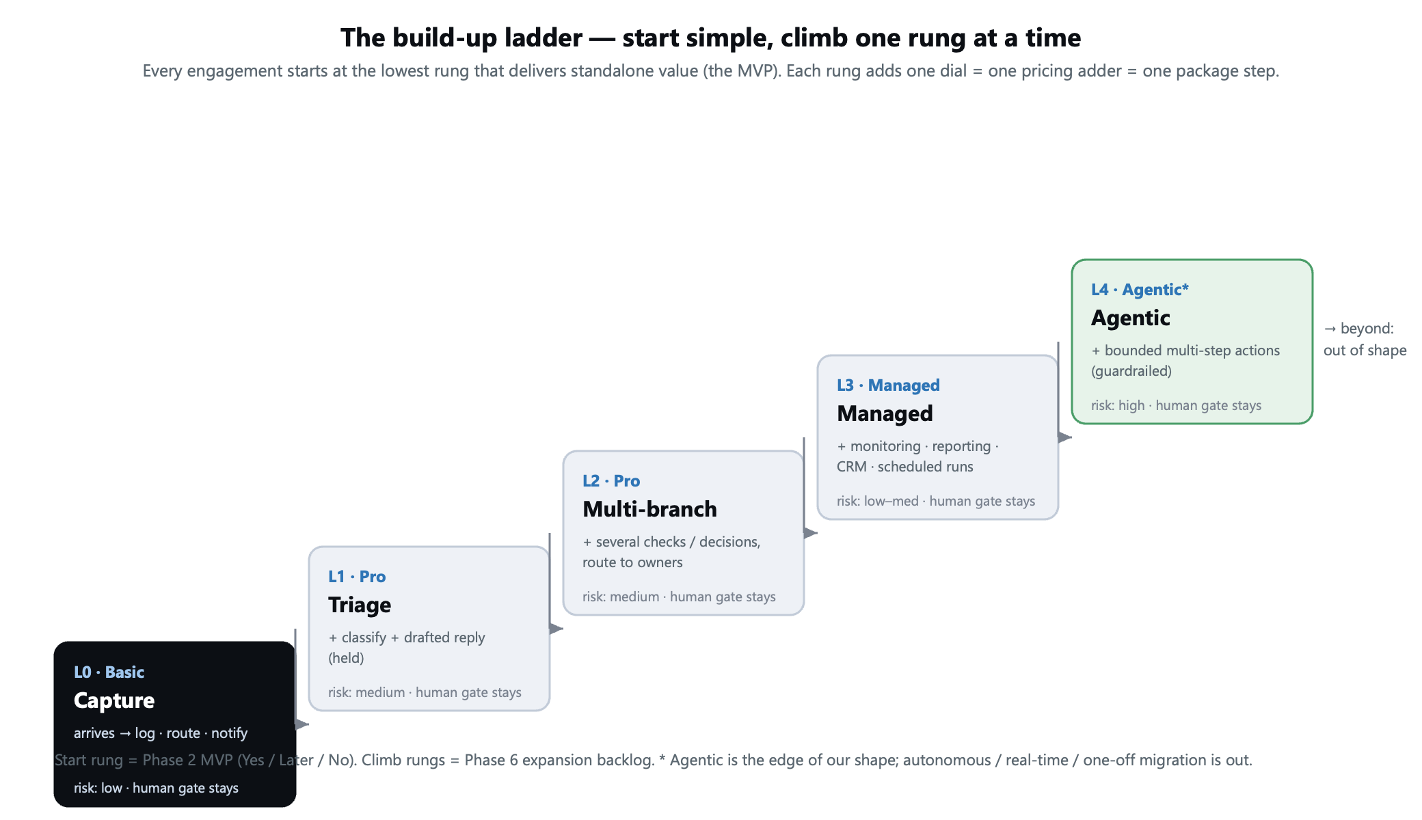
Step | What to do | Use which file | Output
0a | Triage every prospect BEFORE committing time. Run the Fit Check to filter bad-fit projects. | PhaseX_Project_Client_Fit_Check | Verdict: GOOD FIT / PROCEED WITH CAUTION / DECLINE
0b | For approved prospects, capture kickoff info and pre-populate the framework. | PhaseX_Project_Kickoff_Wizard | Project Card + Pre-Population Map across files
1 | Collect client needs, risks, channels, sensitive areas. Use English or German tab. | Phase1_Discovery_MASTER (v5 EN-DE) | Discovery findings + internal package indication
2 | Move selected findings into Phase 2. Decide what's in MVP, Later, or Excluded. | Phase2_Scope_MVP_Design | Approved MVP scope
3 | Design exact workflow, tools, data fields, routing, approvals, security. | Phase3_Solution_Blueprint | Build-ready blueprint
4 | Build the MVP modules. Configure prompts, credentials, logs, error handling. | Phase4_MVP_Build | Working MVP
5 | Test normal, edge, sensitive, wrong-classification, and tool-failure cases. | Phase5_Testing_Validation | Go / No-Go decision
6 | Launch, monitor, support, report monthly. Improve as managed service. | Phase6_GoLive_Managed_Service | Live managed automation service
7 | Manage client-facing deliverables, approval gates, and external IP boundaries. | Phase7_Client_Communication_Deliverables | Approval gates passed + IP guarded
∞a | Log every key decision and risk as they happen — not at end of phase. | PhaseX_Decision_Log_Risk_Register | Documented decisions/risks; cross-phase traceability
∞b | Reference for workflow examples, decision-tree templates, Mermaid diagrams. | Helper_Example_Workflows_Library | Reusable workflow patterns
∞c | Compute setup + monthly quotes; ROI calculator; sanity checks. | Helper_Pricing_Calculator (v6) | Validated quote ready for client
∞d | Generate client deliverable Word documents from phase data via AI. | 5 Word templates + AI_Fill_Prompt_Guide.docx | Polished client-facing documents (PDF or DOCX)
∞e | Identify the correct automation category for the client's primary process. Validate package direction and align discovery and pricing inputs. | Helper_Automation_Category_Reference | Automation category confirmed; package direction and complexity adders aligned
7+ | Run within 1-2 weeks of go-live. Capture lessons. Feed into next project. | PhaseX_Project_Retrospective | Lessons learned + framework improvement ideas

Color legend (this index)
 | Green | Project-phase steps (Phase 1-7) — sequential workflow
 | Purple | Pre / Post-engagement lifecycle tools — bookend the project
 | Yellow | Throughout — cross-phase tools used continuously
 | Grey | Reference / fixed guidance

