Mermaid - MGRS
Mermaid Example: MG Red Shift Workflow
Copy this Mermaid code into a Mermaid-compatible editor to create a client-facing workflow chart.

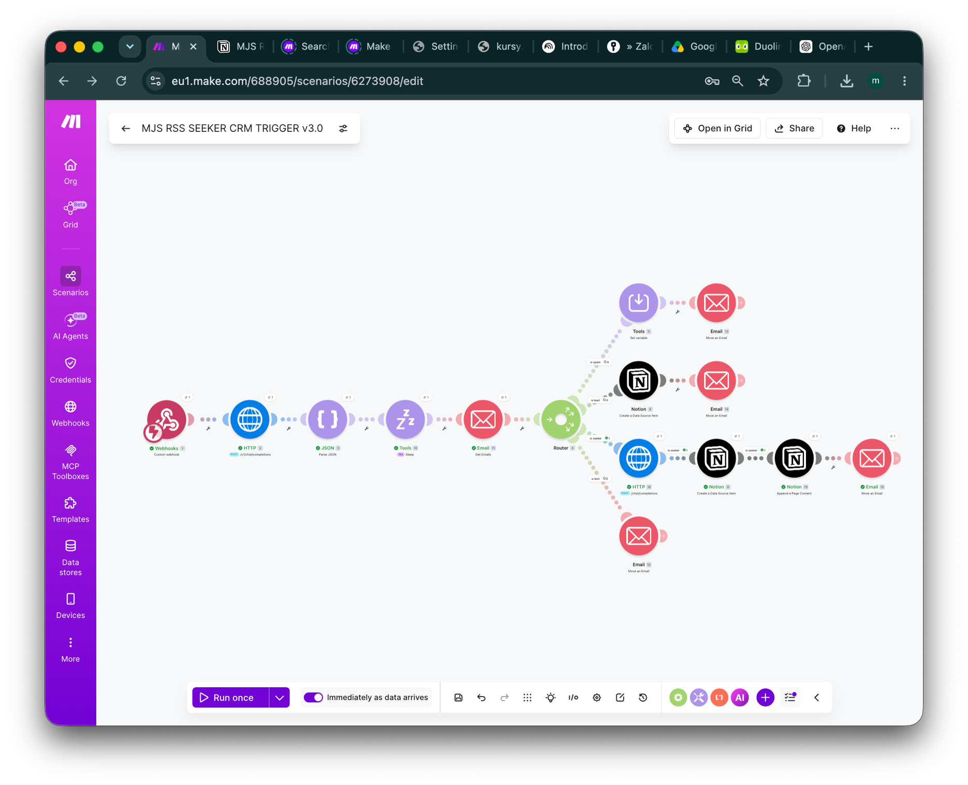
Mermaid code
flowchart LR A[Website or email inquiry received] --> B[AI classification] B --> C{Category} C -->|LEAD| D[Create Notion CRM item] D --> E[Move email to Leads folder] C -->|SEEKER| F[Create Notion CRM item] F --> G[Prepare draft technical answer] G --> H[Move email to Seekers folder] C -->|SPAM| I[Move email to Spam Review folder] C -->|TEST| J[Move email to Test folder] E --> K[Human review] H --> K I --> L[No automatic reply] J --> M[Test log] K --> N[Manual approval / reply] | 