Internal Package Logic
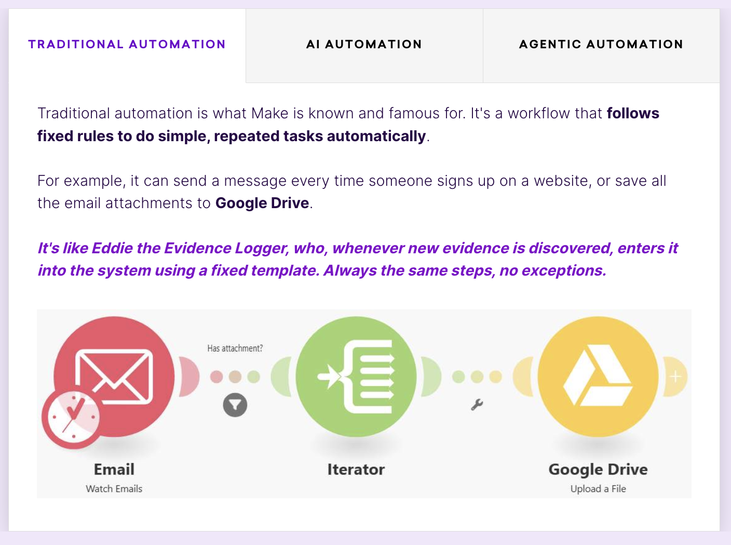
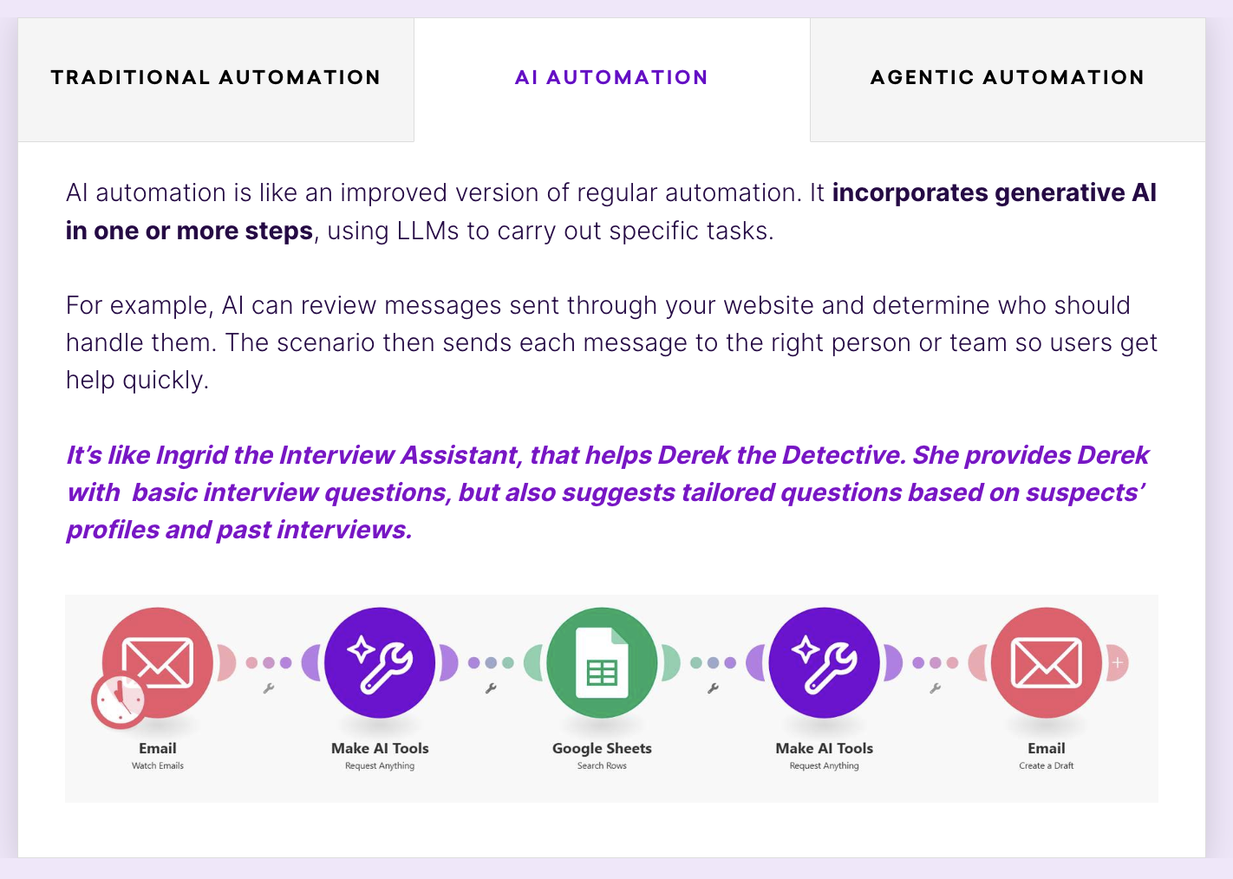
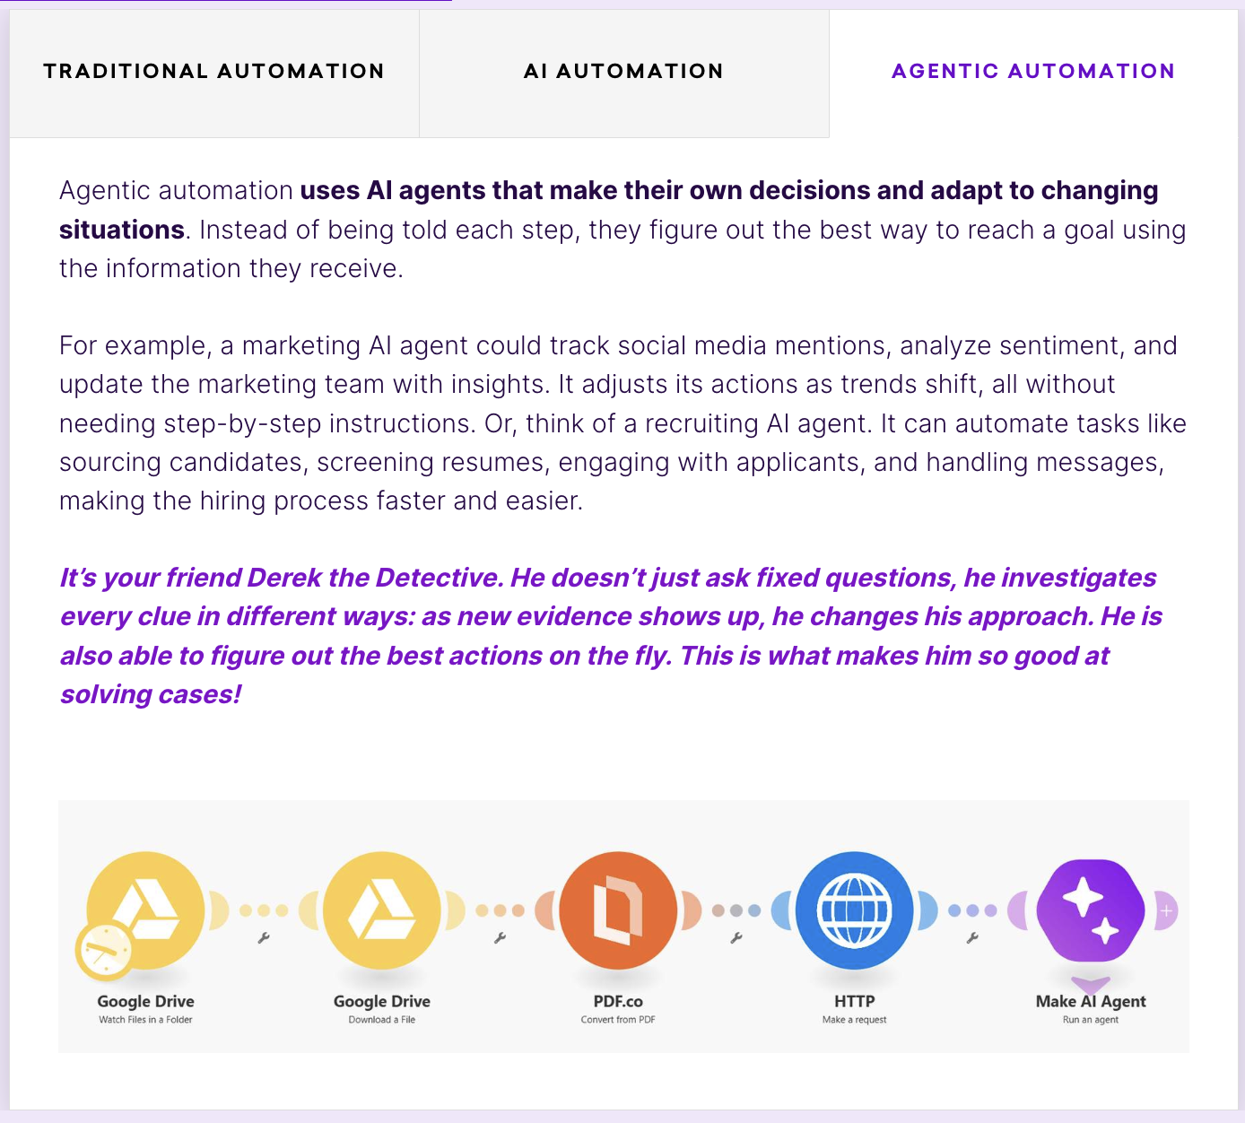
INTERNAL ONLY — Flexible Package / Solution Direction

Package Direction | Internal Meaning | Typical Discovery Triggers | Typical Automation Methods | Good MVP Candidate When | Human Control Level | Typical Exclusions / Boundaries | Example Product Flags
Basic | Simple intake automation; mostly rule-based workflows. | One or two channels; low message volume; repeated admin questions; client wants quick time saving. | Email/form intake, labels/folders, booking link, CRM/Notion log, simple notifications. | Main problem is missed or delayed admin handling; sensitive risk is low to medium. | Human handles final replies unless predefined reply is very safe. | No autonomous advice, no complex social media, no advanced CRM/reporting. | package=basic; channels=email,forms; booking_enabled=true; auto_reply=limited
Pro | AI-assisted intake with classification, summaries, and reply drafts. | Multiple channels; many repeated questions; social media messages; client wants AI support but still wants approval. | AI classification, AI summary, AI draft reply, FAQ matching, urgency flag, human approval queue. | Client receives many similar messages and wants faster review without losing control. | Human approval required before external sending by default. | No fully autonomous sensitive replies; no uncontrolled calendar/CRM changes. | package=pro; ai_classification=true; reply_drafts=true; human_approval_required=true
Managed | Operational service with monitoring, CRM, reporting, and continuous improvement. | Client wants ongoing support, follow-up control, reporting, no missed leads, monthly optimization. | CRM pipeline, status tracking, audit log, daily/weekly summaries, failed-run monitoring, improvement backlog. | Client needs reliability and visibility, not only one-time setup. | Human approval depends on category; operations monitored by service provider. | No agentic actions unless separately approved; no hidden data processing. | package=managed; crm_required=true; monitoring=true; reporting=true
Agentic | Advanced automation where AI can perform bounded multi-step actions. | Client asks AI to check calendars, update CRM, propose times, execute follow-ups, or adapt workflow dynamically. | Calendar lookup, slot proposal, CRM update, follow-up sequence, multi-step agent with guardrails. | Only after stable categories, clear rules, and strict approval/fallback logic exist. | Strict approval and audit by default; limited autonomy only in safe categories. | No medical/legal/financial advice; no unsupervised sensitive decisions; no destructive actions. | package=agentic; agentic_actions=calendar_only; approval_required=true; audit_log=true

