Sheet1
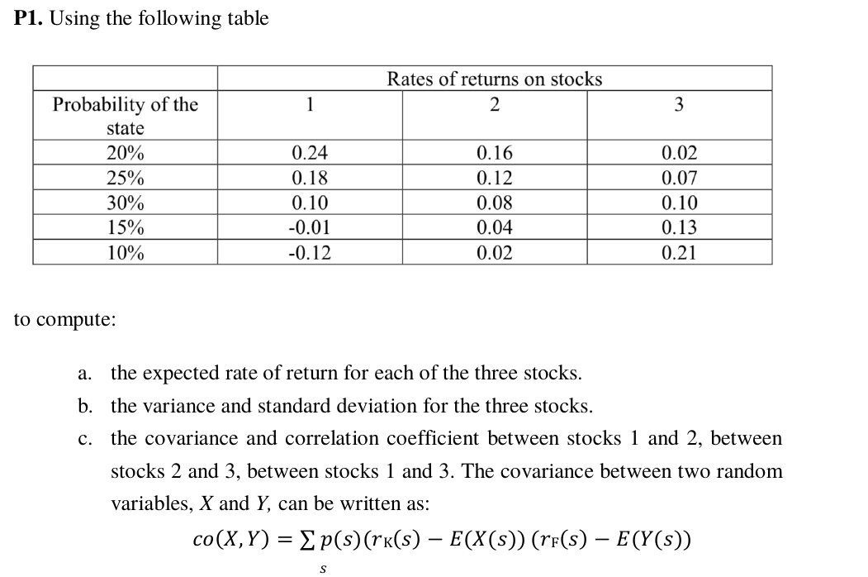
 | Year | GM | S&P 500
 | 1 | -0.006 | 0.02
 | 2 | 0.452 | 0.124
 | 3 | 0.083 | 0.273
 | 4 | -0.127 | -0.066
 | 5 | -0.123 | 0.263
 | 6 | 0.159 | 0.066

Q5 | Arith mean | 7.30% | 11.33%
 | Geo mean | 5.60% | 10.65%

 | Sample var | 4.72% | 1.82%
 | Sample sd | 21.72% | 13.50%

Q6 | sample cov | 0.31%

 | correlation | 10.56%

Q7

