Contents


GIM Activity: Mar 01, 2026 to Mar 31, 2026

Table of Contents

Disclaimer and References | Disclaimer on the use of this report, and references to associated ERCOT Binding Documents ***Please read***
Acronyms | A list of the various acronyms used throughout the report
Summary | Tables that provide project aggregate counts and megawatt capacities by GIM phase and fuel type
Project Details - Large Gen | A table that list project details for Large Generators as defined in ERCOT Planning Guide Section 5.2.1(3); only include projects for which a Full Interconnection Study has been requested
Project Details - Small Gen | A table that list project details for Small Generators as defined in ERCOT Planning Guide 5.2.1(3); only include projects for which the Resource Registration form has been approved by ERCOT
GIM Trends | Charts and tables that show historical and projected interconnection study trends
Commissioning Update | A table listing project commissioning approval milestones met for the month: energization, synchronization, and commercial operations approval
Inactive Projects | A table listing Inactive projects
Cancellation Update | A table listing the projects cancelled for the month

Time of Report Run: Apr 1, 2026 8:00:40 AM

GIM Trends
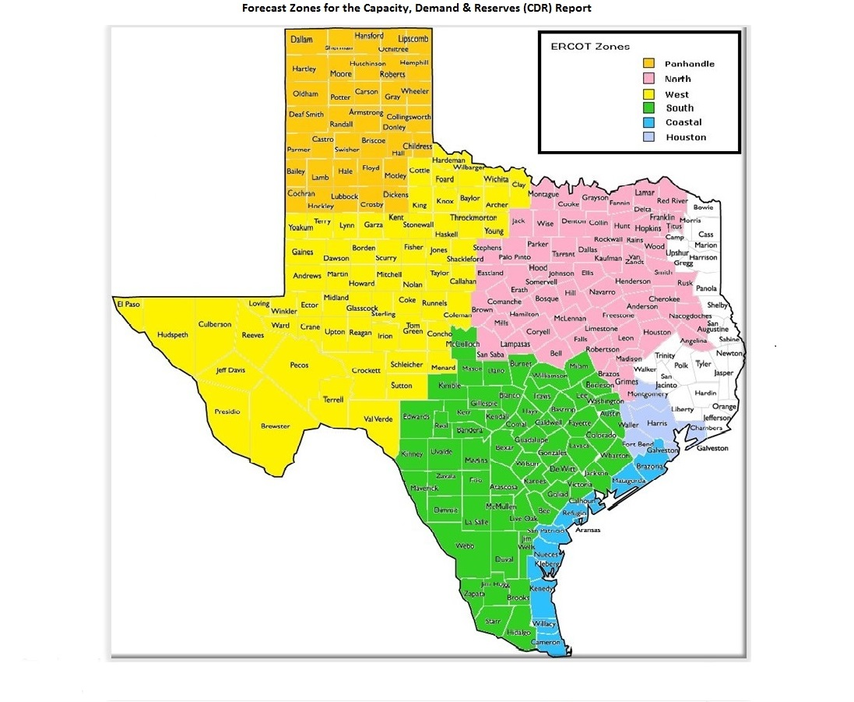
GIM Trends

Reflects all Large Generator projects for which a Security Screening Study has been requested. The third table reflects all Small Generator projects whose GIM applications have been approved.
Excludes projects that have a status of Inactive (status = INA).
Nameplate capacity will change across time due to additional projects, cancelations, expirations, adjustments from study results, and projects being placed into service.

Large Generator Monthly Capacity by GIM Milestone plus Project Count, 13-Month Rolling Basis
 | # Signed Interconnect Agreement | # Completed Full Study | # in Full Study | # Screening Study Complete | # Initial Screening study | GW Capacity
Mar-25 | 491 | 112 | 1207 | 113 | 19 | 404.45702
Apr-25 | 507 | 105 | 1212 | 102 | 29 | 410.87361
May-25 | 511 | 106 | 1223 | 89 | 21 | 408.90807
Jun-25 | 510 | 114 | 1237 | 88 | 27 | 419.64777
Jul-25 | 517 | 119 | 1242 | 86 | 27 | 432.10036
Aug-25 | 535 | 111 | 1201 | 82 | 33 | 427.44154
Sep-25 | 532 | 117 | 1196 | 94 | 20 | 431.16473
Oct-25 | 530 | 116 | 1164 | 94 | 11 | 431.20394
Nov-25 | 528 | 122 | 1159 | 91 | 9 | 434.41457
Dec-25 | 539 | 121 | 1150 | 90 | 5 | 440.29873
Jan-26 | 574 | 121 | 1136 | 79 | 17 | 449.55409
Feb-26 | 576 | 122 | 1134 | 78 | 25 | 452.88911
Mar-26 | 583 | 128 | 1135 | 77 | 19 | 457.50335
 | Year | Month | Total Projects |  |  | Project Count |  |  |  |  |  | Project Capacity (MW)
 |  |  |  |  |  | GIM milestones |  |  |  |  |  | Fuel Type
 |  |  |  | Small Generator Not Model Ready | Small Generator Model Ready | Initial Screening Study | Screening Study Complete | In Full Study | Completed Full Study | Signed Interconnection Agreement | Cancelled | Wind | Solar | Gas | Nuclear | Coal | Biomass | Battery | Other
 | 2023 | Mar | 1,373 | 14 | 17 | 39 | 100 | 810 | 73 | 320 | 22 | 25,742 | 127,765 | 12,544 | 0 | 0 | 53 | 96,356 | 2,235
 | 2023 | Apr | 1,385 | 15 | 18 | 33 | 89 | 825 | 80 | 325 | 20 | 23,703 | 129,237 | 12,985 | 0 | 0 | 53 | 96,078 | 2,235
 | 2023 | May | 1,424 | 18 | 20 | 36 | 86 | 843 | 86 | 335 | 19 | 22,472 | 129,507 | 13,026 | 0 | 0 | 53 | 102,825 | 2,235
 | 2023 | Jun | 1,479 | 28 | 22 | 51 | 83 | 872 | 82 | 341 | 16 | 27,152 | 130,857 | 12,476 | 0 | 0 | 53 | 109,380 | 2,235
 | 2023 | Jul | 1,500 | 25 | 28 | 50 | 76 | 903 | 83 | 335 | 16 | 28,615 | 133,979 | 12,368 | 0 | 0 | 53 | 110,408 | 2,386
 | 2023 | Aug | 1,537 | 31 | 30 | 45 | 82 | 927 | 85 | 337 | 7 | 32,034 | 136,165 | 11,842 | 0 | 0 | 53 | 111,579 | 2,235
 | 2023 | Sep | 1,580 | 40 | 32 | 43 | 102 | 924 | 93 | 346 | 15 | 31,640 | 141,315 | 11,384 | 0 | 0 | 53 | 114,563 | 2,235
 | 2023 | Oct | 1,628 | 41 | 32 | 49 | 102 | 952 | 99 | 353 | 16 | 31,916 | 143,221 | 13,638 | 0 | 0 | 53 | 120,534 | 2,235
 | 2023 | Nov | 1,656 | 44 | 30 | 55 | 99 | 961 | 92 | 375 | 10 | 32,510 | 142,606 | 15,457 | 0 | 0 | 53 | 124,941 | 2,385
 | 2023 | Dec | 1,671 | 41 | 28 | 39 | 116 | 974 | 92 | 381 | 12 | 34,591 | 145,654 | 15,483 | 0 | 0 | 53 | 127,068 | 2,367
 | 2024 | Jan | 1,731 | 42 | 29 | 35 | 133 | 1,011 | 95 | 386 | 12 | 36,261 | 148,135 | 15,546 | 0 | 0 | 53 | 133,592 | 2,247
 | 2024 | Feb | 1,783 | 43 | 27 | 65 | 132 | 1,023 | 102 | 391 | 13 | 37,215 | 152,098 | 16,022 | 0 | 0 | 0 | 140,219 | 2,967
 | 2024 | Mar | 1,775 | 39 | 29 | 80 | 100 | 1,035 | 101 | 391 | 64 | 35,120 | 155,273 | 15,429 | 0 | 0 | 0 | 141,484 | 2,332
 | 2024 | Apr | 1,780 | 42 | 33 | 58 | 115 | 1,025 | 112 | 395 | 15 | 32,956 | 152,917 | 15,573 | 0 | 0 | 0 | 145,000 | 2,332
 | 2024 | May | 1,813 | 39 | 41 | 48 | 129 | 1,023 | 125 | 408 | 9 | 33,887 | 154,225 | 15,938 | 0 | 0 | 0 | 149,002 | 2,332
 | 2024 | Jun | 1,812 | 34 | 44 | 20 | 137 | 1,023 | 140 | 414 | 27 | 31,452 | 152,433 | 17,089 | 0 | 0 | 0 | 147,743 | 2,332
 | 2024 | Jul | 1,858 | 31 | 46 | 27 | 136 | 1,033 | 158 | 427 | 5 | 33,731 | 154,407 | 22,160 | 0 | 0 | 0 | 151,811 | 2,562
 | 2024 | Aug | 1,886 | 27 | 49 | 24 | 140 | 1,057 | 152 | 437 | 8 | 33,853 | 154,770 | 25,328 | 0 | 0 | 0 | 154,799 | 2,562
 | 2024 | Sep | 1,881 | 29 | 48 | 21 | 140 | 1,050 | 158 | 435 | 19 | 34,839 | 153,658 | 25,967 | 0 | 0 | 0 | 154,264 | 2,961
 | 2024 | Oct | 1,872 | 35 | 44 | 28 | 127 | 1,039 | 159 | 440 | 29 | 33,467 | 154,860 | 25,954 | 0 | 0 | 0 | 152,580 | 3,713
 | 2024 | Nov | 1,903 | 33 | 48 | 21 | 126 | 1,070 | 156 | 449 | 11 | 35,307 | 155,676 | 27,160 | 0 | 0 | 0 | 156,530 | 3,113
 | 2024 | Dec | 1,917 | 32 | 46 | 22 | 120 | 1,103 | 147 | 447 | 14 | 34,450 | 154,487 | 27,578 | 0 | 0 | 0 | 160,043 | 2,913
Monthly Capacity by Fuel Type plus Project Count, 13-Month Rolling Basis
 | Natural Gas | Nuclear | Coal | Wind | Solar | Biomass | Battery | Other | Total Project Count | Cancelled Project Count
Mar-25 | 33.57849 | 0.6 | 0 | 39.79514 | 156.68543 | 0 | 171.59201 | 2.91285 | 2018 | 18
Apr-25 | 33.58305 | 0.6 | 0 | 42.48335 | 159.42581 | 0 | 172.48562 | 3.06285 | 2037 | 38
May-25 | 32.48982 | 0.6 | 0 | 40.88547 | 158.49036 | 0 | 173.99686 | 3.2084 | 2031 | 26
Jun-25 | 35.26007 | 0.6 | 0 | 41.41407 | 161.67674 | 0 | 177.9286 | 3.50135 | 2054 | 17
Jul-25 | 39.55768 | 0.6 | 0 | 45.04833 | 162.70267 | 0 | 181.39377 | 3.50135 | 2066 | 21
Aug-25 | 39.40277 | 0.6 | 0 | 44.64855 | 160.192 | 0 | 179.83835 | 3.50135 | 2041 | 30
Sep-25 | 43.69524 | 0.6 | 0 | 46.09345 | 159.93182 | 0 | 178.05276 | 3.56245 | 2042 | 25
Oct-25 | 47.84845 | 0.6 | 0 | 46.42228 | 158.15064 | 0 | 175.5791 | 3.38445 | 1999 | 51
Nov-25 | 52.65595 | 0.6 | 0 | 44.78568 | 159.53696 | 0 | 174.36901 | 3.25794 | 1994 | 13
Dec-25 | 53.71605 | 0.6 | 0 | 46.19094 | 161.80724 | 0 | 175.45901 | 3.25794 | 1984 | 17
Jan-26 | 57.40335 | 0.6 | 0 | 47.96085 | 162.06676 | 0 | 178.70275 | 3.5725 | 2008 | 20
Feb-26 | 60.71487 | 0.6 | 0 | 47.79298 | 162.92673 | 0 | 177.64192 | 3.88535 | 2008 | 21
Mar-26 | 63.89987 | 0.6 | 0 | 48.08884 | 165.25135 | 0 | 176.74504 | 3.57128 | 2013 | 15
 | 2025 | Jan | 1,952 | 30 | 46 | 16 | 119 | 1,163 | 133 | 445 | 17 | 38,223 | 153,607 | 28,774 | 0 | 0 | 0 | 165,933 | 2,781
 | 2025 | Feb | 1,987 | 24 | 50 | 19 | 113 | 1,200 | 121 | 460 | 16 | 39,893 | 155,990 | 32,190 | 0 | 0 | 0 | 168,836 | 2,781
 | 2025 | Mar | 2,018 | 26 | 50 | 19 | 113 | 1,207 | 112 | 491 | 18 | 39,795 | 156,685 | 33,578 | 600 | 0 | 0 | 171,592 | 2,913
 | 2025 | Apr | 2,037 | 32 | 50 | 29 | 102 | 1,212 | 105 | 507 | 38 | 42,483 | 159,426 | 33,583 | 600 | 0 | 0 | 172,486 | 3,063
 | 2025 | May | 2,031 | 31 | 50 | 21 | 89 | 1,223 | 106 | 511 | 26 | 40,885 | 158,490 | 32,490 | 600 | 0 | 0 | 173,997 | 3,208
 | 2025 | Jun | 2,054 | 28 | 50 | 27 | 88 | 1,237 | 114 | 510 | 17 | 41,414 | 161,677 | 35,260 | 600 | 0 | 0 | 177,929 | 3,501
 | 2025 | Jul | 2,066 | 23 | 52 | 27 | 86 | 1,242 | 119 | 517 | 21 | 45,048 | 162,703 | 39,558 | 600 | 0 | 0 | 181,394 | 3,501
 | 2025 | Aug | 2,041 | 23 | 56 | 33 | 82 | 1,201 | 111 | 535 | 30 | 44,649 | 160,192 | 39,403 | 600 | 0 | 0 | 179,838 | 3,501
 | 2025 | Sep | 2,042 | 29 | 54 | 20 | 94 | 1,196 | 117 | 532 | 25 | 46,093 | 159,932 | 43,695 | 600 | 0 | 0 | 178,053 | 3,562
 | 2025 | Oct | 1,999 | 28 | 56 | 11 | 94 | 1,164 | 116 | 530 | 51 | 46,422 | 158,151 | 47,848 | 600 | 0 | 0 | 175,579 | 3,384
 | 2025 | Nov | 1,994 | 28 | 57 | 9 | 91 | 1,159 | 122 | 528 | 13 | 44,786 | 159,537 | 52,656 | 600 | 0 | 0 | 174,369 | 3,258
 | 2025 | Dec | 1,984 | 25 | 54 | 5 | 90 | 1,150 | 121 | 539 | 17 | 46,191 | 161,807 | 53,716 | 600 | 0 | 0 | 175,459 | 3,258
 | 2026 | Jan | 2,008 | 31 | 50 | 17 | 79 | 1,136 | 121 | 574 | 20 | 47,961 | 162,067 | 57,403 | 600 | 0 | 0 | 178,703 | 3,573
 | 2026 | Feb | 2,008 | 31 | 42 | 25 | 78 | 1,134 | 122 | 576 | 21 | 47,793 | 162,927 | 60,715 | 600 | 0 | 0 | 177,642 | 3,885
 | 2026 | Mar | 2,013 | 28 | 43 | 19 | 77 | 1,135 | 128 | 583 | 15 | 48,089 | 165,251 | 63,900 | 600 | 0 | 0 | 176,745 | 3,571

Small Generator Monthly Capacity by GIM Milestone plus Project Count, 13-Month Rolling Basis
 | # Not Model Ready | # Model Ready | MW Capacity
Mar-25 | 26 | 50 | 706.9
Apr-25 | 32 | 50 | 767.07
May-25 | 31 | 50 | 762.84
Jun-25 | 28 | 50 | 733.06
Jul-25 | 23 | 52 | 703.44
Aug-25 | 23 | 56 | 741.48
Sep-25 | 29 | 54 | 770.99
Oct-25 | 28 | 56 | 780.98
Nov-25 | 28 | 57 | 790.97
Dec-25 | 25 | 54 | 732.45
Jan-26 | 31 | 50 | 752.12
Feb-26 | 31 | 42 | 672.74
Mar-26 | 28 | 43 | 653.03

Capacity for Planned Projects by Projected In-service Year and CDR Forecast Zone
 | Gas | Wind | Solar | Battery | Other
2025 |  |  | 0.1002 | 0.30996
2026 |  | 0.5427 | 2.36855 | 2.89906
2027 | 1.8474 | 0.69933 | 4.15294 | 7.40776 | 0.41
2028 | 1.09151 | 0.1415 | 4.07976 | 5.94973 | 0.50356
2029 | 0.55611 | 0.7076 | 2.43048 | 2.02104
2030 | 0.311 | 2.87139 | 0.6036 | 0.25624
2031 | 0.6591 |  |  | 0.3036
2025 | 0.014 |  |  | 0.06 | 0.05
2026 | 0.6297 |  | 0.43875 | 2.96976
2027 | 0.7225 |  | 0.40848 | 6.78112
2028 | 1.06583 |  |  | 1.42904 | 0.05
2029 |  |  |  | 2.28414
2030 | 1.35 | 1.02939 |  | 0.20305
2023 |  | 0.0072
2024 |  | 0.0103
2025 |  | 0.44771 | 0.54705 | 0.41348
2026 | 0.05789 | 1.89515 | 4.3375 | 2.14157 | 0.03984
2027 | 2.01699 | 4.90897 | 12.98955 | 12.44334 | 0.312
2028 | 10.91205 | 5.96571 | 21.83841 | 18.42863 | 0.18
2029 | 2.372 | 3.6421 | 16.14581 | 9.01891 | 0.6
2030 | 3.83499 | 4.44697 | 5.16611 | 0.71532
2031 |  |  | 0.307
2025 |  | 0.016 | 1.00473 | 0.5562 | 0.1
2026 | 0.94236 | 1.21818 | 7.99136 | 3.96038
2027 | 2.13271 | 1.3301 | 11.5689 | 10.57164
2028 | 1.9095 | 0.84287 | 12.24567 | 20.43445 | 0.21
2029 | 5.6025 | 0.396 | 6.52359 | 11.57908
2030 | 2.3689 |  | 0.43072 | 0.62126 | 1.532
2031 | 1.263
2032 | 1.6604 |  |  | 0.05715
2025 |  |  | 0.38 | 0.00999
2026 |  |  | 0.58499 | 0
2027 | 2.21 | 1.2195 | 4.22429 | 2.76409
2028 |  | 2.7179 | 4.11554 | 3.91991
2029 | 1.5636 | 4.20638 | 2.3617 | 0.20696
2030 | 1.3 | 0.6
2031 |  |  | 1.0041 | 0.3717
2025 | 0.0161 | 0.4011 | 1.19653 | 0.33877
2026 | 1.0792 | 0.70964 | 5.52675 | 4.49871
2027 | 2.44936 | 1.4638 | 7.98182 | 11.67652
2028 | 4.42038 | 4.75035 | 10.70171 | 17.70397
2029 | 2.94872 | 0.901 | 10.5742 | 9.52331 | 0.18388
2030 | 4.14 |  | 0.73601 | 1.72408
2031 | 0.45207
2032 |  |  | 0.18455 | 0.19112

Note: Other contains all Fuel and Technology Types not in the Solar, Wind, Gas or Battery categories.

