Sheet1
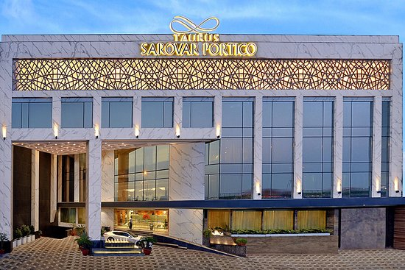
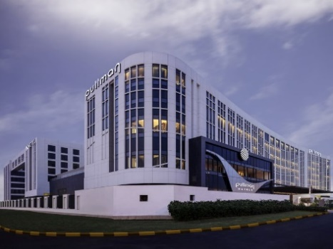
S.No. | Hotel Image | Hotel Name | Category | Distance from Venue (Mankeshaw Center,Delhi) | Single Room | Double Room | GST | Inclusions | Address | Website
1 |  | Pullman New Delhi Aerocity | 5 Star Deluxe | 9 kms | 11000 | 13000 | 28% | Internet, Breakfast, Newspapers, Mineral Water, Swimming pool, Fitness Centre, Tea/Coffee maker | 2 IGI Airport GMR Hospitality District Asset No 02, New Delhi, Delhi 110037 | http://www.pullmandelhiaerocity.com/
2 |  | Novotel New Delhi Aerocity | 5 Star Standard | 9 kms | 9000 | 11000 | 28% | Internet, Breakfast, Newspapers, Mineral Water, Swimming pool, Fitness Centre, Tea/Coffee maker | 2 IGI Airport GMR Hospitality District Asset No 02, New Delhi, Delhi 110037 | http://www.pullmandelhiaerocity.com/
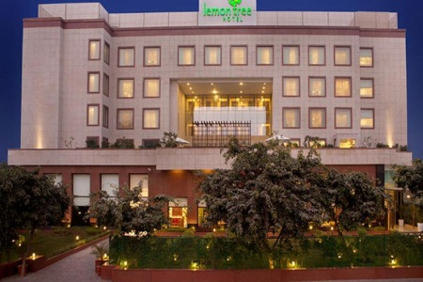
3 |  | Lemon Tree Premier | 4 Star | 8 kms | 6500 | 7500 | Taxes | Breakfast | Asset No. 6, Aerocity Hospitality District, New Delhi 110037 | www.lemontreehotels.com

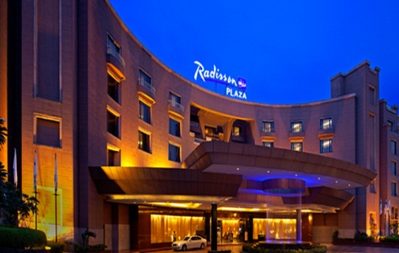 4 |  | Radisson Blu Plaza | 5 Star | 8 kms | 7500 | 8000 | 28% | Breakfast and Wi-fi | NH-8, near Mahipalpur Extension, Block R, Mahipalpur Village, Mahipalpur, New Delhi, Delhi 110037 | www.radissonblu.com

6 | 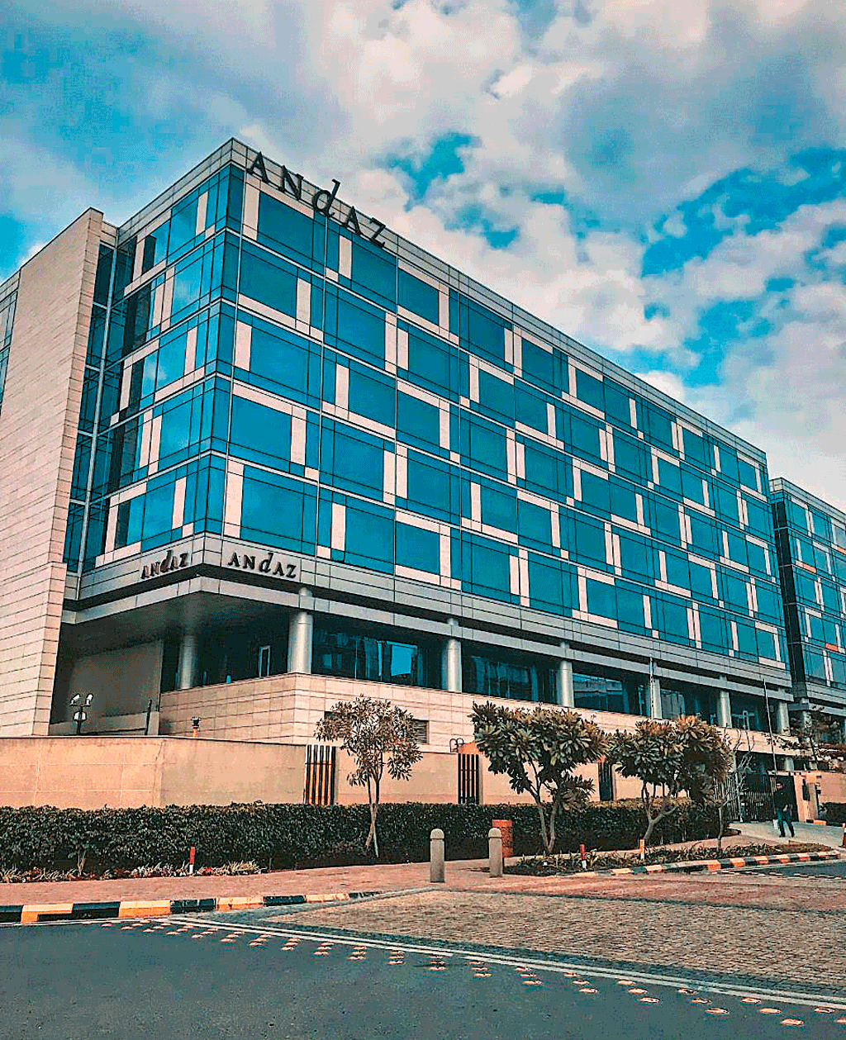 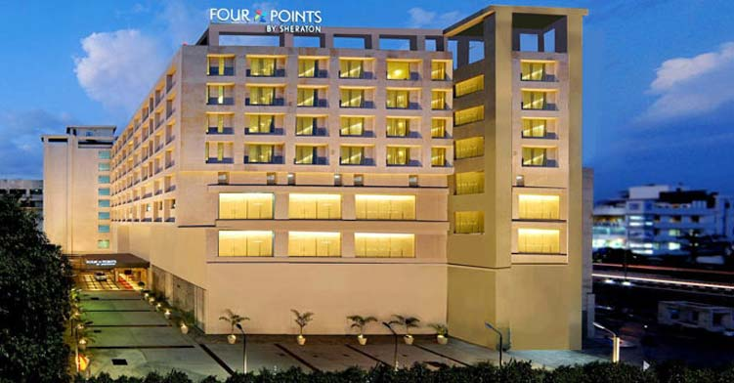 | Four Points by Sheraton | 4 Star | 12 kms | 6100 | 6600 | 12% | Breakfast | Plot no 9, National Highway - 8, D Block, Samalka, New Delhi, Delhi 110037 | https://www.marriott.com/hotels/travel/delfn-four-points-new-delhi-airport-highway/

7 | 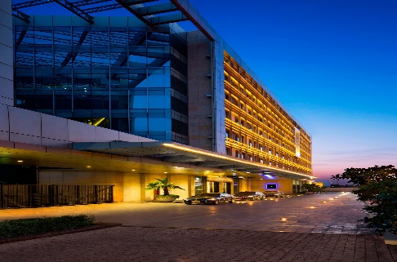 | JW Marriott Hotel | 5 Star (Standard Deluxe) | 8 kms | 13000 | 14000 | 28% | Breakfast, Healthclub and Swimming pool | Asset Area 4 - Hospitality District Delhi, Aerocity, New Delhi, Delhi 110037 | www.jwdelhi.com

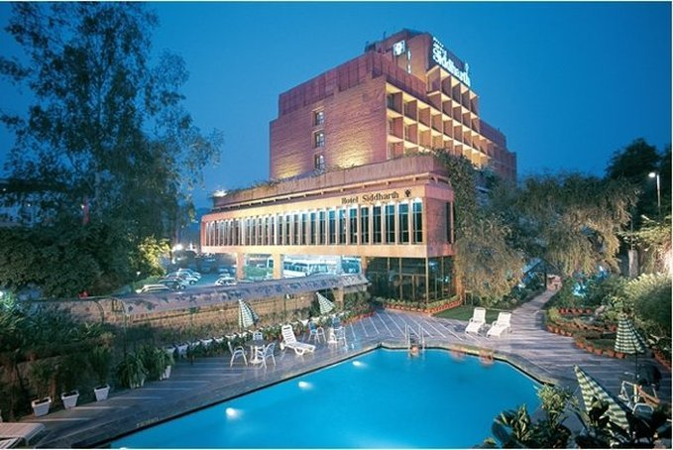
8 |  | Jaypee Siddharth | 4 Star | 9 kms | 8000 | 8000 | 28% | Breakfast and Wi-fi | 3, Rajendra Place, New Delhi, Delhi 110008 | https://www.jaypeehotels.com/

9 | 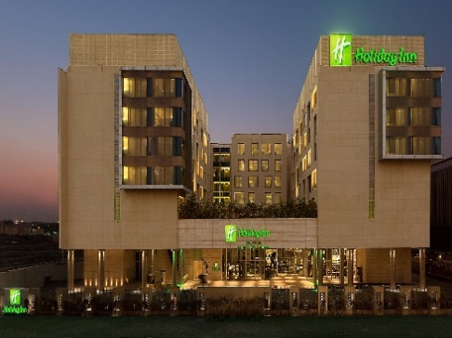 | Holiday Inn | 5 Star | 9 kms | 7750 | 8350 | 18% | Breakfast, Wi-fi, Healthclub and Swimming pool | Asset Area 12, Hospitality District, Aero City, Delhi International Airport, New Delhi – 110037 | http://holidayinn.com/newdelhi-arpt

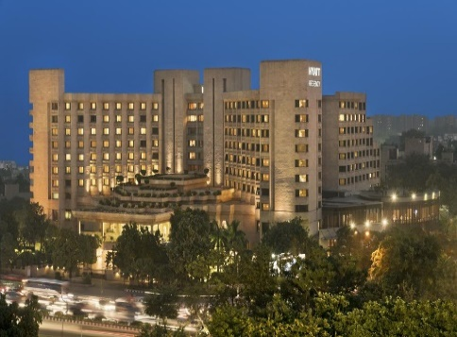
10 |  | Hyatt Regency Delhi | 5 Star | 7 kms | 9500 | 10500 | 18% + 3% Services fees | Breakfast and Wi-fi | Bhikaiji Cama Place, Ring Road, New Delhi - 110 066 | www.delhi.regency.hyatt.com

11 |  | Taurus Sarovar Portico Hotel | 3 Star | 7 kms | 4500 | 5000 | AI | Breakfast and Taxes | IGI Airport Road, N.H-08, Mahipalpur Extension, Mahipalpur, New Delhi, Delhi 110037 | http://www.sarovarhotels.com/

