11.10 Scale Description
Exhibit 11.10: Students Confident in Science
Students’ Reports

 |  | About the Scale
 |  | Students were scored according to their responses to eight statements on the Students Confident in Science scale. Cut scores divide the scale into three categories. Students Very Confident in Science had a score at or above the cut score corresponding to “agreeing a lot” with four of the eight statements and “agreeing a little” with the other four, on average. Students who were Not Confident in Science had a score at or below the cut score corresponding to “disagreeing a little” with four of the eight statements and “agreeing a little” with the other four, on average. All other students were Somewhat Confident in Science. At the eighth grade, a comparable approach was used for biology, chemistry, physics, and Earth science in countries where these were taught as separate subjects.
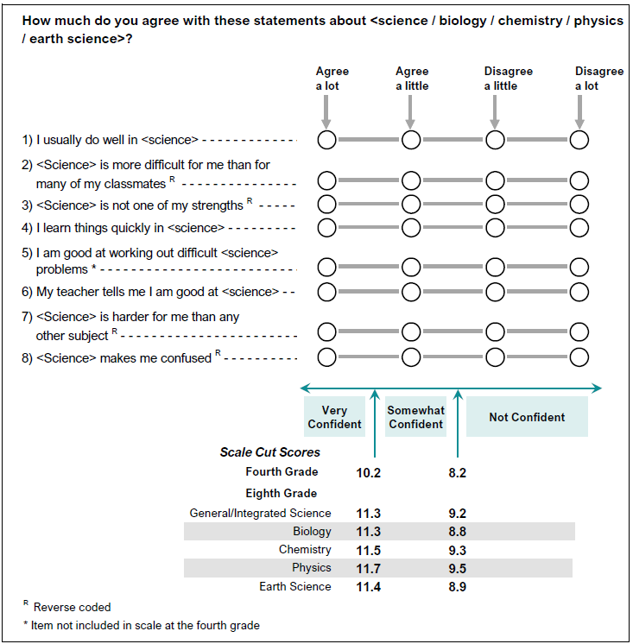

 | SOURCE: IEA's Trends in International Mathematics and Science Study - TIMSS 2019
 | Downloaded from http://timss2019.org/download

