11.4 Scale Description
Exhibit 11.4: Students Like Learning Science
Students’ Reports

 |  | About the Scale
 |  | Students were scored according to their responses to nine statements on the Students Like Learning Science scale. Cut scores divide the scale into three categories. Students who Very Much Like Learning Science had a score at or above the cut score corresponding to “agreeing a lot” with five of the nine statements and “agreeing a little” with the other four, on average. Students who Do Not Like Learning Science had a score at or below the cut score corresponding to “disagreeing a little” with five of the nine statements and “agreeing a little” with the other four, on average. All other students Somewhat Like Learning Science. At the eighth grade, a comparable approach was used for biology, chemistry, physics, and Earth science in countries where these were taught as separate subjects.

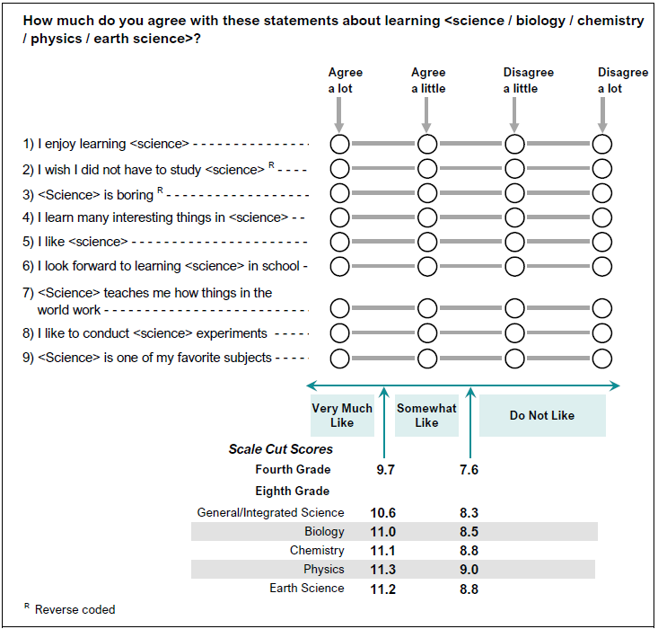

 | SOURCE: IEA's Trends in International Mathematics and Science Study - TIMSS 2019
 | Downloaded from http://timss2019.org/download

