Learning Results
Parallel Deep Reinforcement Learning Comparison - Establish Baseline Thread vs. Process for Reinforcement Learning

Purpose
The purpose of this experiment is to provide baseline for reinforcement learning performance of a single agent using a single thread and process. This will be used for future experiments with multiple agents using multiple threads and processes.
Evaluate the performance of deep reinforcement learning without multiple threads and without shared experience on the reward and loss function.

Assumptions
The following tests were executed to determine the impact of the various configurations, including the usage of multiple threads and shared memory in a dynamic environment.
The test measure how the agent navigates the environment, processes reward and punishment signals.
The items are chosen randomly, regenerated after processed or randomly replaced after 5 seconds, then replaced in random location and agent runs indefinitely.
The experiments were performed on a machine with 4 logical Intel ® Xeon® CPU @3.00GHz processors (8 logical processors), 16GB memory (L1 cache:256KB, L2 cache:1MB, L3 cache:8MB) and Windows 10 operating system.
The experiments were performed while also running other developer applications, including Visual Studio, Microsoft Outlook, Microsoft Word, Microsoft Excel, Microsoft Skype, Chrome Internet Browser.

Experiment Results Format | success | fail
test run # | 1 | 2 | …
approx elapsed time (minutes) | # | #
approx elapsed time (seconds) | # | #
age (cycles) | # | #
experience replay | # | #
exploration epsilon | # | #
average loss | # | #
average reward | # | #

Results
An observation was that test run with agent for 6000 cycles took ~60 seconds, so tests were run for 15-25 minutes elpased time.
The results indicated the learning algorithm reward function may or may not converge for a given setup of hyperparameters.
The results indicated the learning algorithm reward function convergance is determinate around 40k cycles. At that point if loss < 0.10 it does converge, when loss >= 0.10 it does not converge.
The results indicated that running as thread vs. process are similar based on learning metrics, although using threads allows simple communication between the driver and agent for sumarrized statistics without complicated inter-process communication.
The results indicated that reinforcement learning using agent as either separate thread or process was successful, obtaining high reward with low loss after training for ~15 minutes.
The results indicated that when the loss function did not converge, the agent did not learn properly and resulted in the agent constantly spinning when the exploration epsilon reached minimum and total learning steps were reached.
This issue was inherent in the original code and addressing this issue will be work for future research. https://github.com/dubezOniner/Deep-QLearning-Demo-csharp/issues/2

Comparison | learning may converge |  | learning may not converge
Metrics | 1-process | 1-thread | 1-process | 1-thread
approx elapsed time (minutes) | 22.29 | 17.37 | 22.18 | 17.47
approx elapsed time (seconds) | 1338 | 1042 | 1331 | 1048
age (cycles) | 133768 | 104233 | 133099 | 104821
experience replay | 30000 | 30000 | 30000 | 30000
exploration epsilon | 0.33620812183 | 0.4861319797 | 0.33960406091 | 0.48314720812
average loss | 0.056806148078 | 0.065634325544 | 0.13828630296 | 0.12294349094
average reward | 1.0462142589 | 0.99988509397 | 0.44294924335 | 1.0149
success criteria | success | success | fail | fail

comparison of agent thread running in same process as driver vs. agent running in separate process from driver for reinforcement learning baseline.

Details
 | Driver configured for 1 agent running as process without shared experience replay. |  |  |  |  |  |  | Driver configured for 1 agent running as thread without shared experience replay.
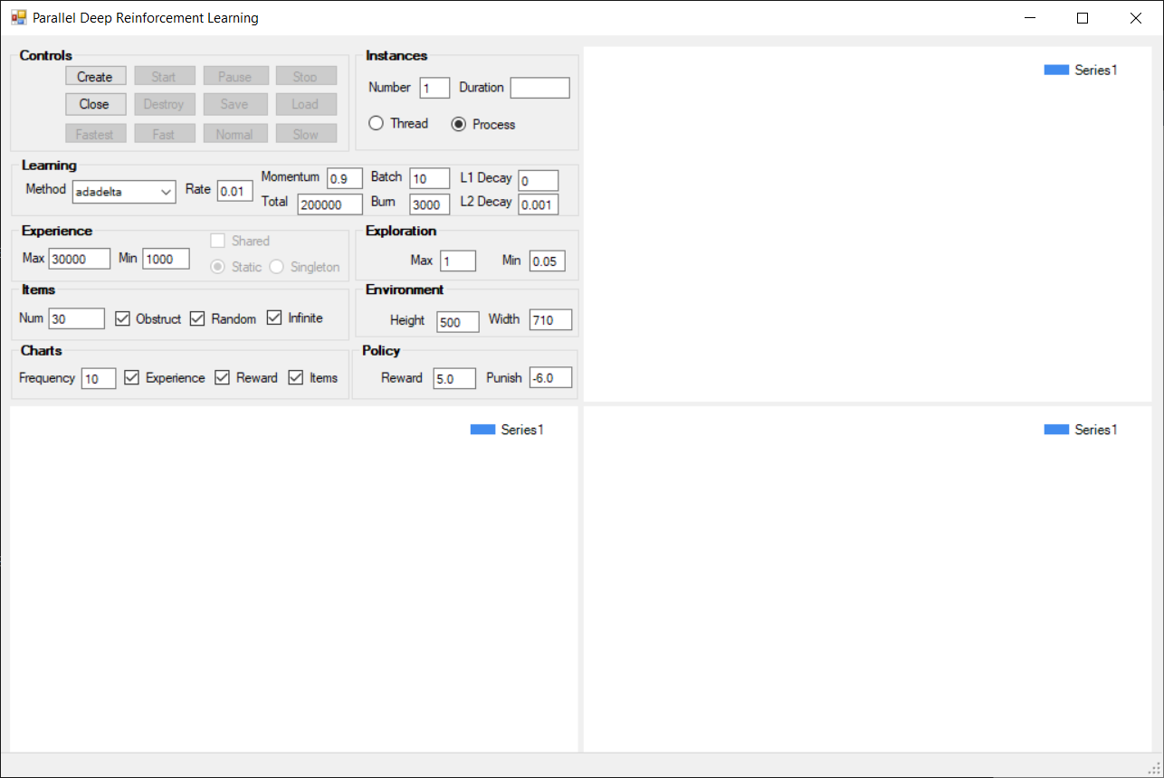
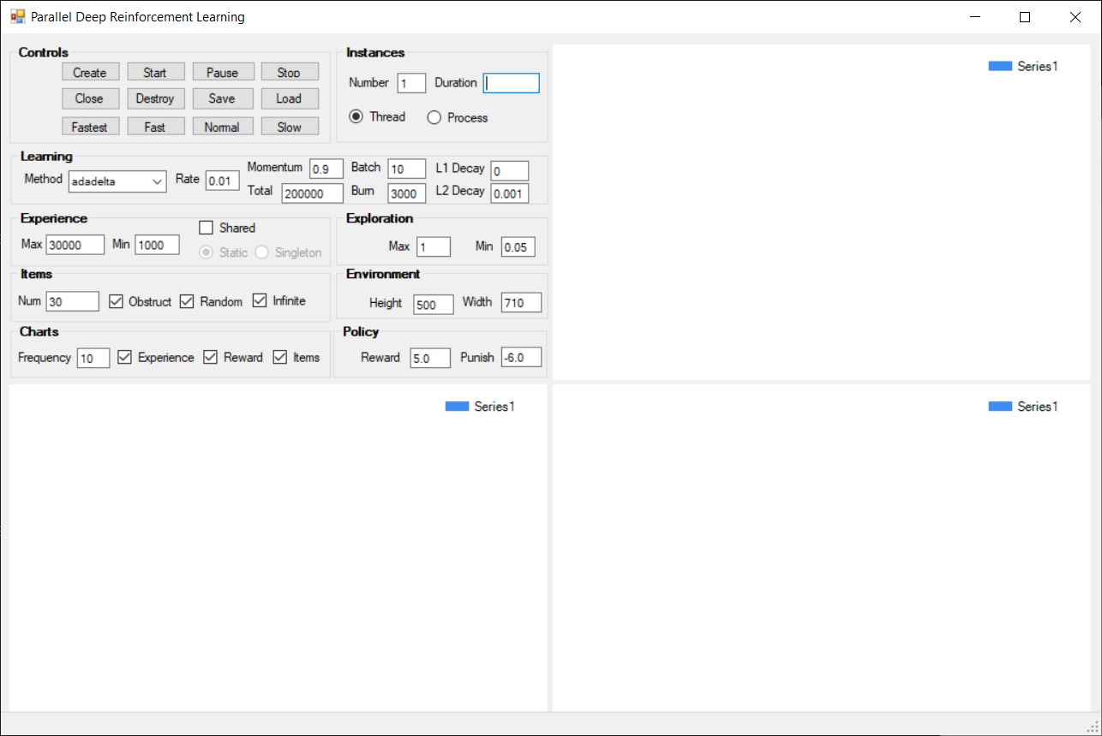

 |  |  |  |  | 1 | number instances | 1
 |  |  |  |  | process | instance type | thread
 |  |  |  |  | adadelta | learning method | adadelta
 |  |  |  |  | 0.01 | learning rate | 0.01
 |  |  |  |  | 0.9 | learning momentum | 0.9
 |  |  |  |  | 200000 | learning total | 200000
 |  |  |  |  | 10 | learning batch size | 10
 |  |  |  |  | 3000 | learning burnin | 3000
 |  |  |  |  | 0 | learning L1 decay rate | 0
 |  |  |  |  | 0.001 | learning L2 decay rate | 0.001
 |  |  |  |  | 1000 | experience minimum | 1000
 |  |  |  |  | 30000 | experience maximum | 30000
 |  |  |  |  | 1 | exploration maximum | 1
 |  |  |  |  | 0.05 | exploration minimum | 0.05
 |  |  |  |  | 500 x 700 | environment size | 500 x 700
 |  |  |  |  | 5 | policy reward | 5
 |  |  |  |  | -6 | policy punishment | -6

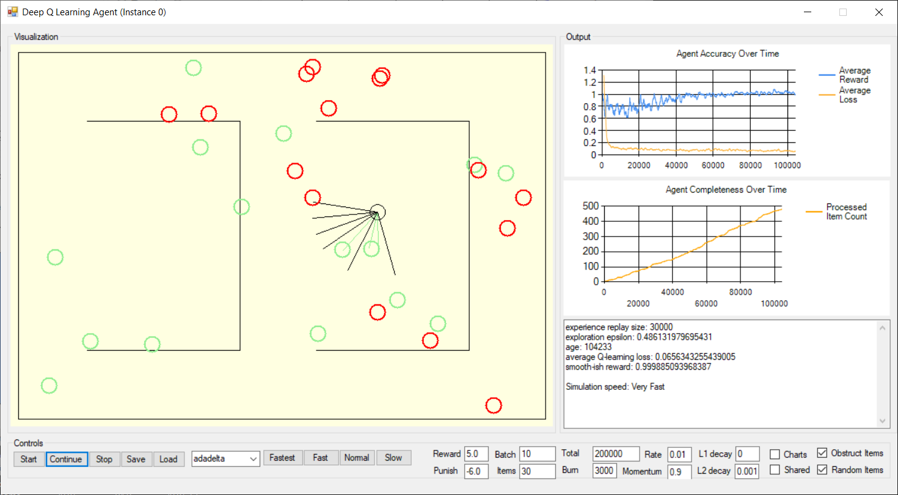
 | Agent running as process without shared experience may converge when running 20+ minutes. |  |  |  |  |  |  | Agent running as thread without shared experience may converge when running 15+ minutes.
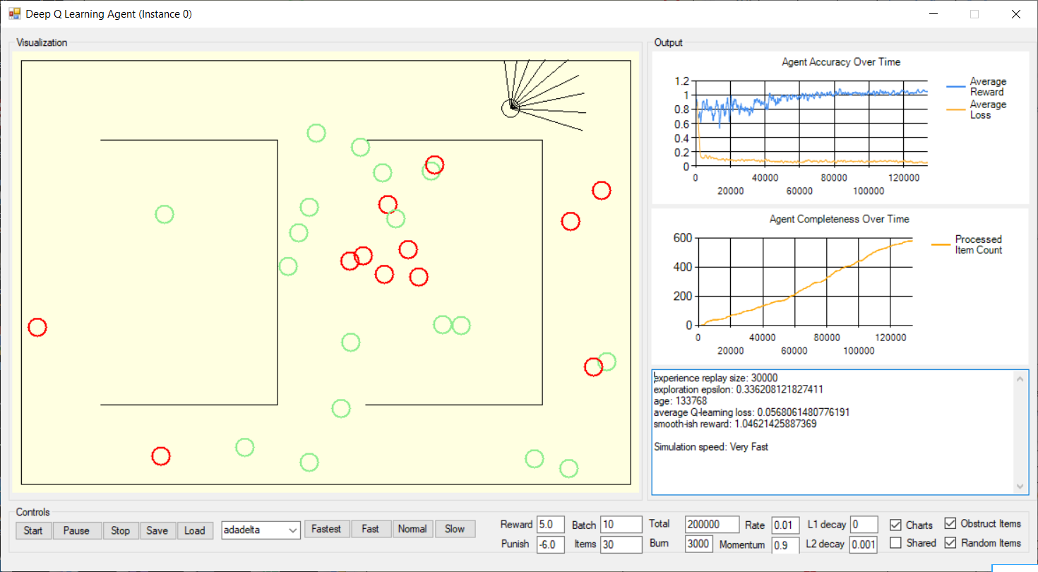

 |  |  |  |  | very fast | speed | very fast
 |  |  |  |  | 133768 | age (cycles) | 104233
 |  |  |  |  | 30000 | experience replay | 30000
 |  |  |  |  | 0.33620812183 | exploration epsilon | 0.4861319797
 |  |  |  |  | 0.056806148078 | average Q-learning loss | 0.065634325544
 |  |  |  |  | 1.0462142589 | smooth-ish reward | 0.99988509397

 | Agent running as process without shared experience may not converge when running 20+ minutes. |  |  |  |  |  |  | Agent running as thread without shared experience may not converge when running 15+ minutes.
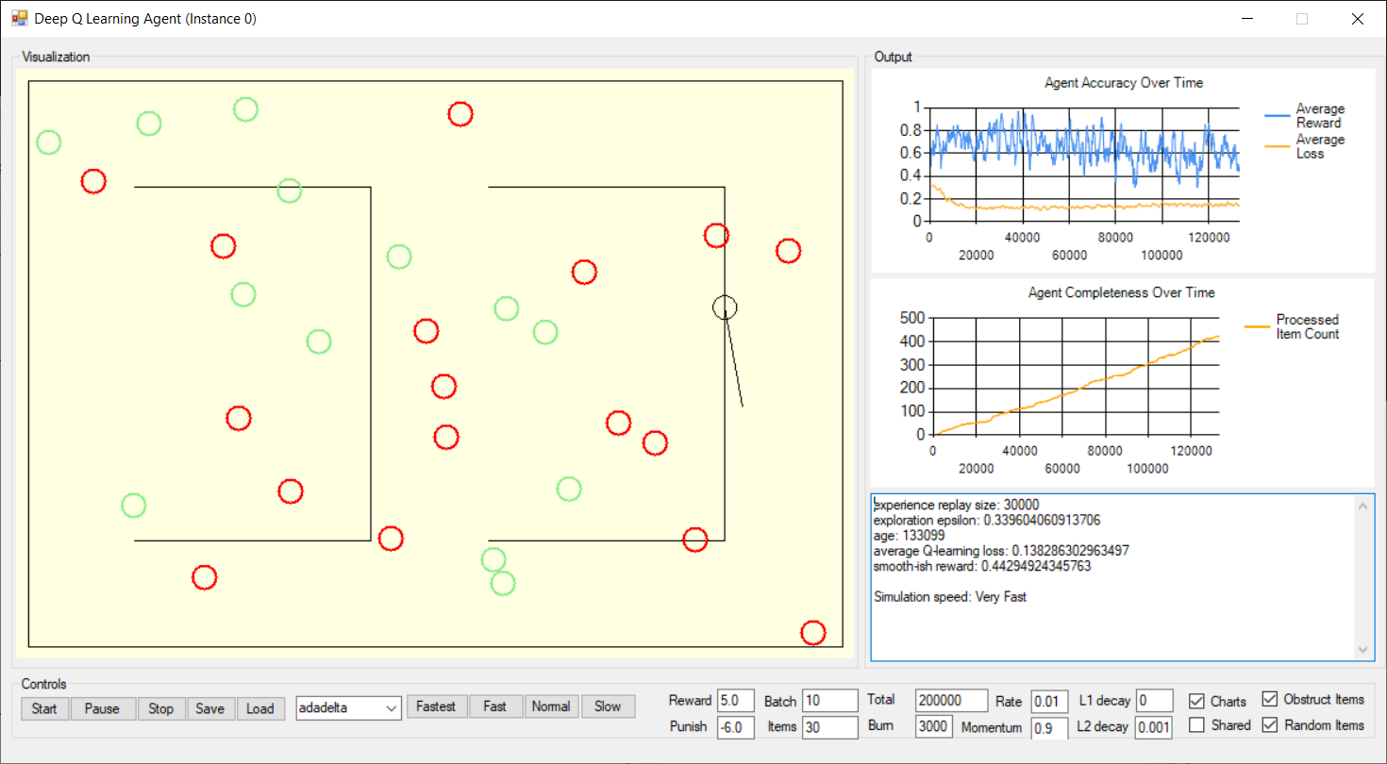
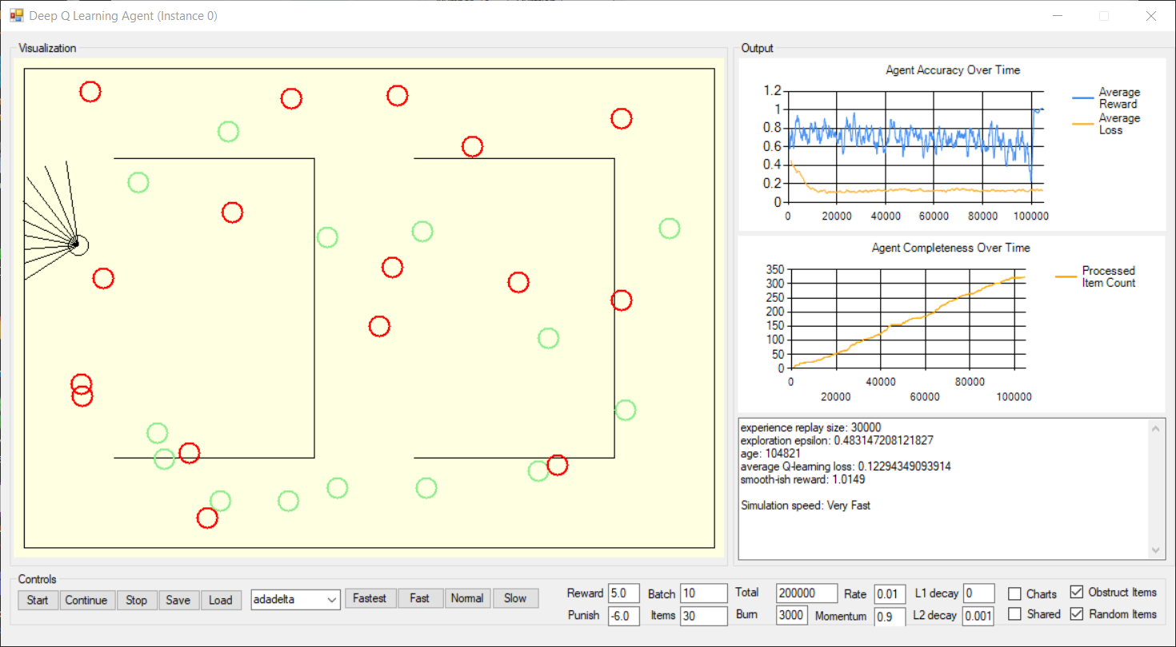

 |  |  |  |  | very fast | speed | very fast
 |  |  |  |  | 133099 | age (cycles) | 104821
 |  |  |  |  | 30000 | experience replay | 30000
 |  |  |  |  | 0.33960406091 | exploration epsilon | 0.48314720812
 |  |  |  |  | 0.13828630296 | average Q-learning loss | 0.12294349094
 |  |  |  |  | 0.44294924335 | smooth-ish reward | 1.0149

Continuous Dynamic Results
Parallel Deep Reinforcement Learning Comparison - Testing Continuous Item Generations in Dynamic Environment Locations

Purpose
The purpose of this experiment is to evaluate the impact of parallel deep reinforcement learning with multiple threads and shared experience on the reward and loss function.
This experiment would simulate the real-time testing performed as part of the software development process, when tests are run against a constantly changing code base.

Assumptions
The following tests were executed to determine the impact of the various configurations, including the usage of multiple threads and shared memory in a dynamic environment.
The test measure how the agent navigates the environment, processes reward and punishment signals.
The items are chosen randomly, regenerated after processed or randomly replaced after 5 seconds, then replaced in random location and agent runs until 40k cycles when convergence is determinate.
The experiments were performed on a machine with 4 logical Intel ® Xeon® CPU @3.00GHz processors (8 logical processors), 16GB memory (L1 cache:256KB, L2 cache:1MB, L3 cache:8MB) and Windows 10 operating system.
The experiments were performed while also running other developer applications, including Visual Studio, Microsoft Outlook, Microsoft Word, Microsoft Excel, Microsoft Skype, Chrome Internet Browser.

Experiment Results Format | success | fail
test run # | 1 | 2 | …
elapsed time (mins:secs.ms) | mm:ss.s | mm:ss.s
age (cycles) | # | #
experience replay | # | #
average reward | # | #
average loss | # | #
items processed | # | #
processing seconds per item | # | #
configuration ranking | 1 | #

Results
An observation was the learning algorithm reward continued to converge with multiple threads around 40k cycles, when loss < 0.10, does not converge when loss >= 0.10 and either result can occur during training.
The results indicated that running as thread vs. process are similar, although using threads simplifies communication between the driver and agents.
The results indicated 4 threads with shared experience implemented using the singleton pattern produced best result based on highest items processed, highest average reward and lowest average loss,
outperforming using less threads, no shared experience or shared experience implemented with a static concurrent dictionary.

Comparison | no shared experience |  |  | static shared experience |  | singleton shared experience
Metrics | 1-thread | 2-threads | 4-threads | 2-threads | 4-threads | 2-threads | 4-threads
elapsed time (mins:secs.ms) | 0:07:40 | 0:11:50 | 0:19:40 | 0:13:32 | 0:26:15 | 0:11:10 | 0:17:20
age (cycles) | 40000 | 40000 | 40000 | 40000 | 40000 | 40000 | 40000
experience replay | 30000 | 60000 | 120000 | 30000 | 30000 | 30000 | 30000
average reward | 0.89751268406 | 0.93581943835 | 0.87716161819 | 0.62055954826 | 0.63421869131 | 0.94816901681 | 0.88581270652
average loss | 0.065602817305 | 0.072000114272 | 0.086751506751 | 0.13920043631 | 0.11774551138 | 0.066828171299 | 0.064858120997
items processed | 203 | 297 | 549 | 263 | 529 | 308 | 528
processing seconds per item | 0:00:02 | 0:00:02 | 0:00:02 | 0:00:03 | 0:00:03 | 0:00:02 | 0:00:02
configuration ranking | 4 | 5 | 2 | 7 | 6 | 3 | 1

comparison of different thread configurations with and without shared experience implemented using different data structures on learning performance.

Details

 | Driver configured for 1 agent running as thread without shared experience replay is covergance determinate at 40k cycles.
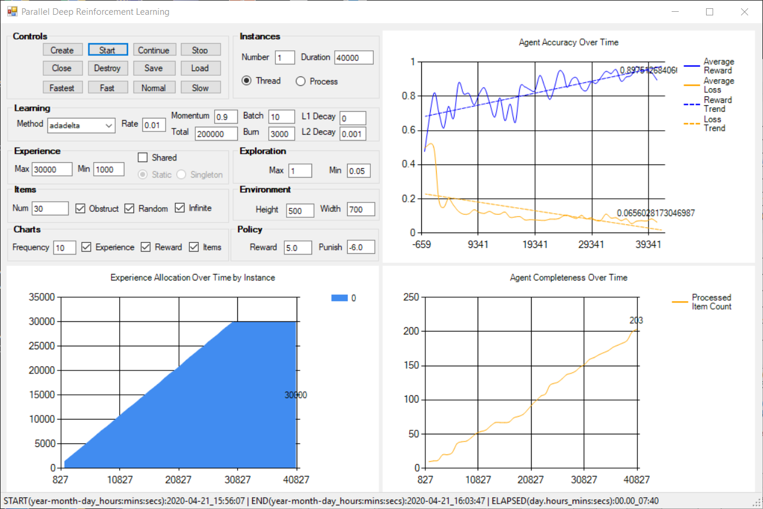
 |  |  |  |  |  |  |  | 1 | number instances
 |  |  |  |  |  |  |  | thread | instance type
 |  |  |  |  |  |  |  | 40000 | instance duration
 |  |  |  |  |  |  |  | adadelta | learning method
 |  |  |  |  |  |  |  | 0.01 | learning rate
 |  |  |  |  |  |  |  | 0.9 | learning momentum
 |  |  |  |  |  |  |  | 200000 | learning total
 |  |  |  |  |  |  |  | 10 | learning batch size
 |  |  |  |  |  |  |  | 3000 | learning burnin
 |  |  |  |  |  |  |  | 0 | learning L1 decay rate
 |  |  |  |  |  |  |  | 0.001 | learning L2 decay rate
 |  |  |  |  |  |  |  | 1000 | experience minimum
 |  |  |  |  |  |  |  | 30000 | experience maximum
 |  |  |  |  |  |  |  | 1 | exploration maximum
 |  |  |  |  |  |  |  | 0.05 | exploration minimum
 |  |  |  |  |  |  |  | 500 x 700 | environment size
 |  |  |  |  |  |  |  | 5 | policy reward
 |  |  |  |  |  |  |  | -6 | policy punishment

 |  |  |  |  |  |  |  | 7:40 | elapsed time (mins:secs.ms)
 |  |  |  |  |  |  |  | 30000 | age (cycles)
 |  |  |  |  |  |  |  | 40000 | experience replay
 |  |  |  |  |  |  |  | 0.89751268406 | average smooth-ish reward
 |  |  |  |  |  |  |  | 0.065602817305 | average Q-learn loss
 |  |  |  |  |  |  |  | 203 | items processed

 | Driver configured for 2 agents running as thread without shared experience replay. |  |  |  |  |  |  |  |  |  | Driver configured for 4 agents running as thread without shared experience replay.
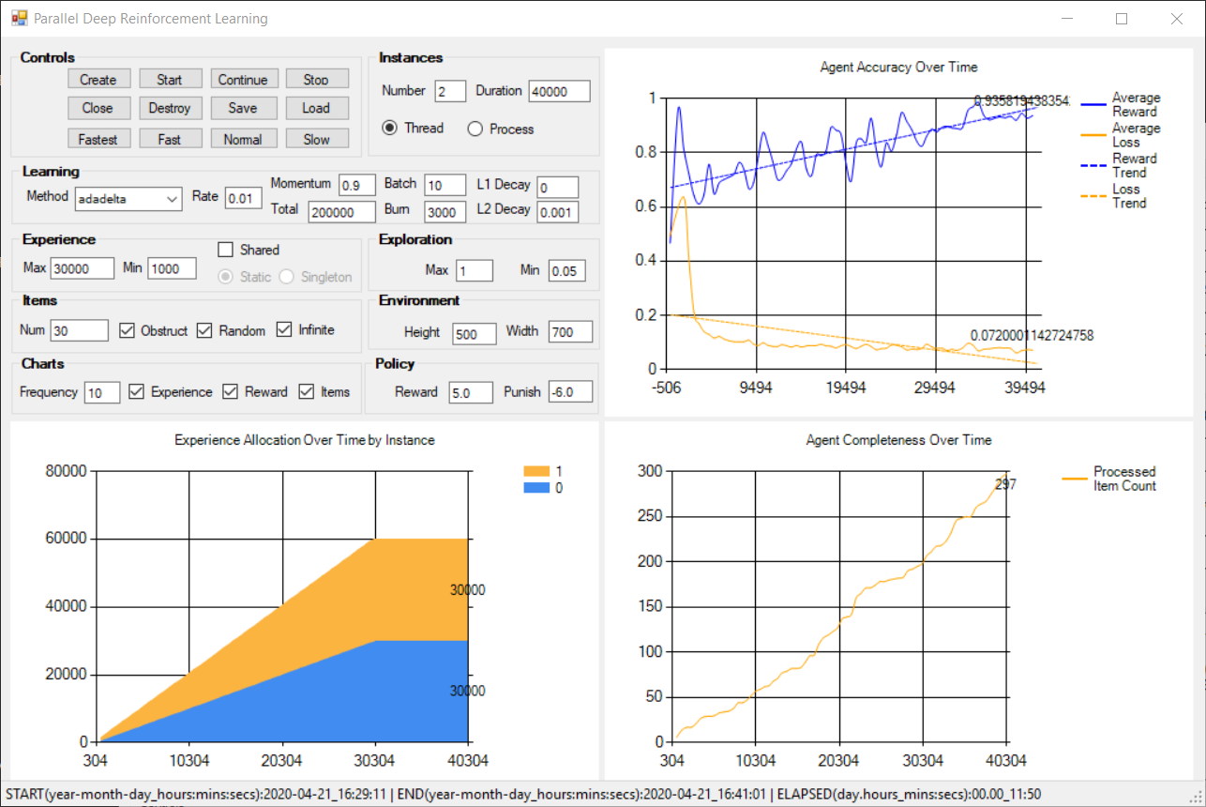
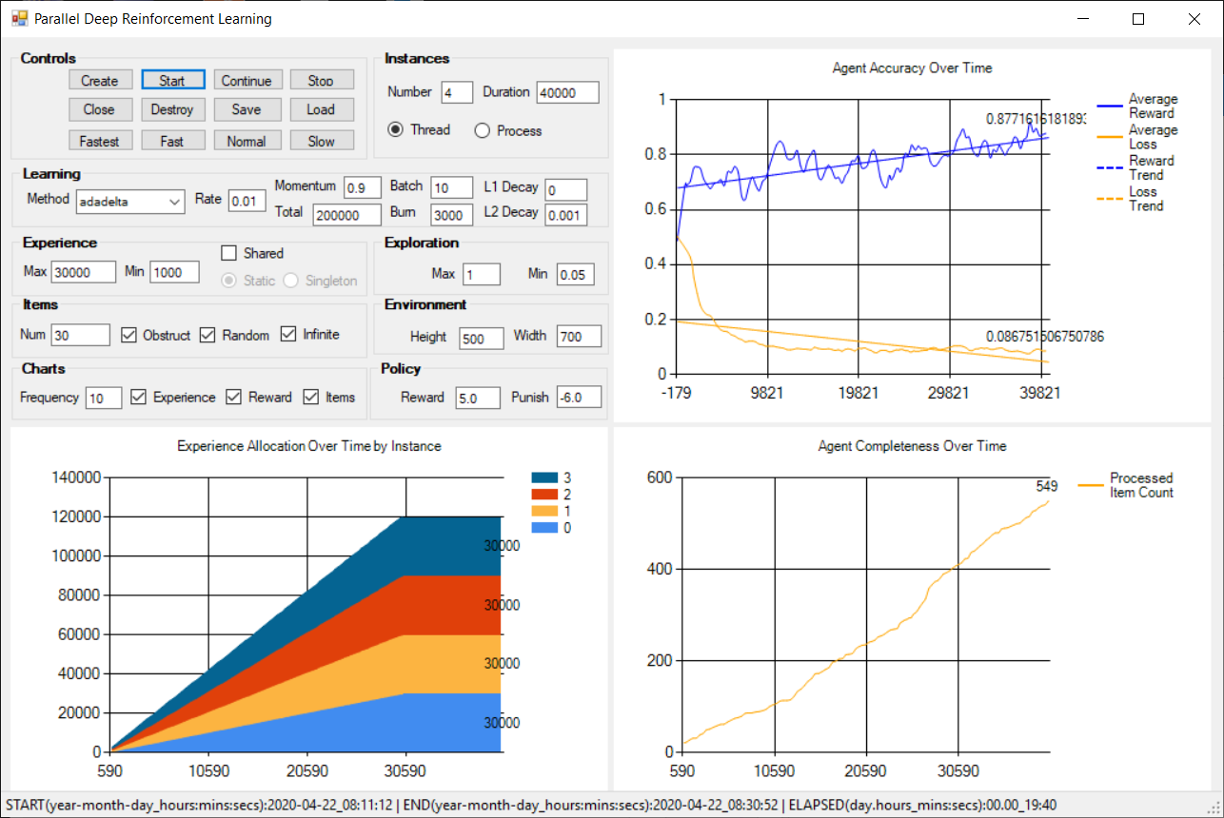
 |  |  |  |  |  |  |  | 2 | number instances | 4
 |  |  |  |  |  |  |  | thread | instance type | thread
 |  |  |  |  |  |  |  | 40000 | instance duration | 40000
 |  |  |  |  |  |  |  | adadelta | learning method | adadelta
 |  |  |  |  |  |  |  | 0.01 | learning rate | 0.01
 |  |  |  |  |  |  |  | 0.9 | learning momentum | 0.9
 |  |  |  |  |  |  |  | 200000 | learning total | 200000
 |  |  |  |  |  |  |  | 10 | learning batch size | 10
 |  |  |  |  |  |  |  | 3000 | learning burnin | 3000
 |  |  |  |  |  |  |  | 0 | learning L1 decay rate | 0
 |  |  |  |  |  |  |  | 0.001 | learning L2 decay rate | 0.001
 |  |  |  |  |  |  |  | 1000 | experience minimum | 1000
 |  |  |  |  |  |  |  | 30000 | experience maximum | 30000
 |  |  |  |  |  |  |  | 1 | exploration maximum | 1
 |  |  |  |  |  |  |  | 0.05 | exploration minimum | 0.05
 |  |  |  |  |  |  |  | 500 x 700 | environment size | 500 x 700
 |  |  |  |  |  |  |  | 5 | policy reward | 5
 |  |  |  |  |  |  |  | -6 | policy punishment | -6

 |  |  |  |  |  |  |  | 11:50 | elapsed time (mins:secs.ms) | 19:40
 |  |  |  |  |  |  |  | 60000 | age (cycles) | 120000
 |  |  |  |  |  |  |  | 40000 | experience replay | 40000
 |  |  |  |  |  |  |  | 0.93581943835 | average smooth-ish reward | 0.87716161819
 |  |  |  |  |  |  |  | 0.072000114272 | average Q-learn loss | 0.086751506751
 |  |  |  |  |  |  |  | 297 | items processed | 549

 | Driver configured for 2 agents running as thread with shared experience replay implemented using static dictionary |  |  |  |  |  |  |  |  |  | Driver configured for 4 agents running as thread with shared experience replay implemented using static dictionary.
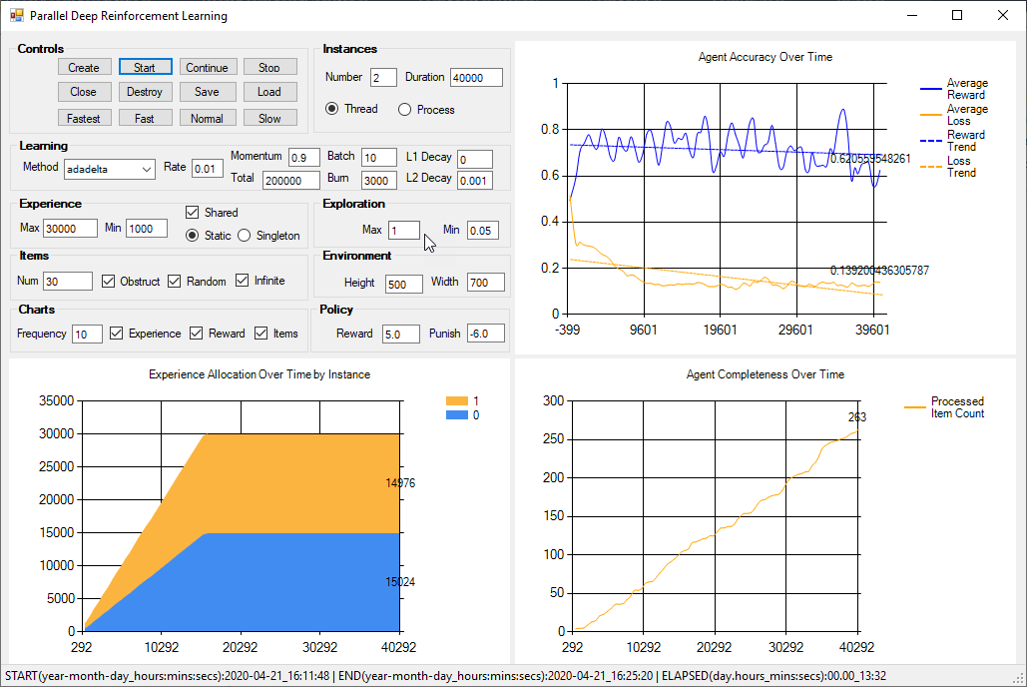
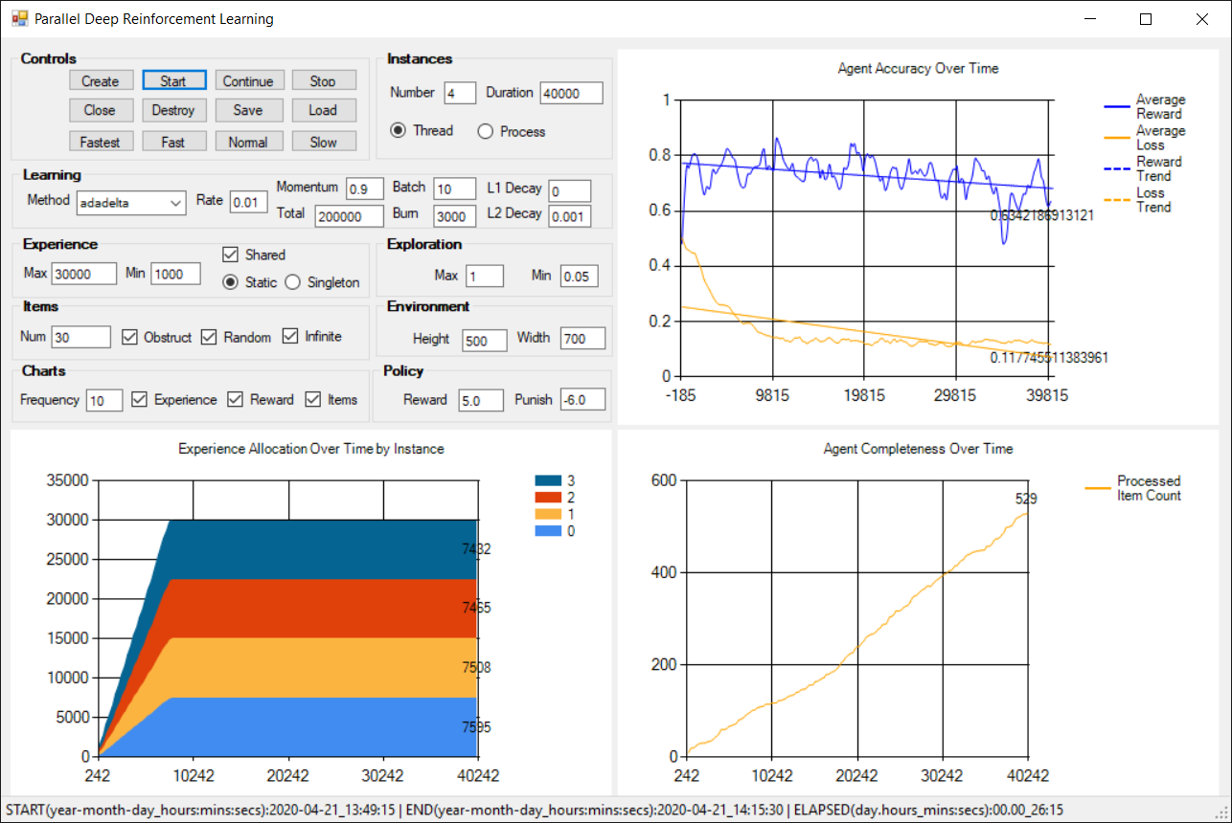
 |  |  |  |  |  |  |  | 2 | number instances | 4
 |  |  |  |  |  |  |  | thread | instance type | thread
 |  |  |  |  |  |  |  | 40000 | instance duration | 40000
 |  |  |  |  |  |  |  | adadelta | learning method | adadelta
 |  |  |  |  |  |  |  | 0.01 | learning rate | 0.01
 |  |  |  |  |  |  |  | 0.9 | learning momentum | 0.9
 |  |  |  |  |  |  |  | 200000 | learning total | 200000
 |  |  |  |  |  |  |  | 10 | learning batch size | 10
 |  |  |  |  |  |  |  | 3000 | learning burnin | 3000
 |  |  |  |  |  |  |  | 0 | learning L1 decay rate | 0
 |  |  |  |  |  |  |  | 0.001 | learning L2 decay rate | 0.001
 |  |  |  |  |  |  |  | 1000 | experience minimum | 1000
 |  |  |  |  |  |  |  | 30000 | experience maximum | 30000
 |  |  |  |  |  |  |  | 1 | exploration maximum | 1
 |  |  |  |  |  |  |  | 0.05 | exploration minimum | 0.05
 |  |  |  |  |  |  |  | 500 x 700 | environment size | 500 x 700
 |  |  |  |  |  |  |  | 5 | policy reward | 5
 |  |  |  |  |  |  |  | -6 | policy punishment | -6

 |  |  |  |  |  |  |  | 13:32 | elapsed time (mins:secs.ms) | 26:15
 |  |  |  |  |  |  |  | 30000 | age (cycles) | 30000
 |  |  |  |  |  |  |  | 40000 | experience replay | 40000
 |  |  |  |  |  |  |  | 0.62055954826 | average smooth-ish reward | 0.63421869131
 |  |  |  |  |  |  |  | 0.13920043631 | average Q-learn loss | 0.11774551138
 |  |  |  |  |  |  |  | 263 | items processed | 529

 | Driver configured for 2 agents running as thread with shared experience replay implemented using singleton pattern. |  |  |  |  |  |  |  |  |  | Driver configured for 4 agents running as thread with shared experience replay implemented using singleton pattern.
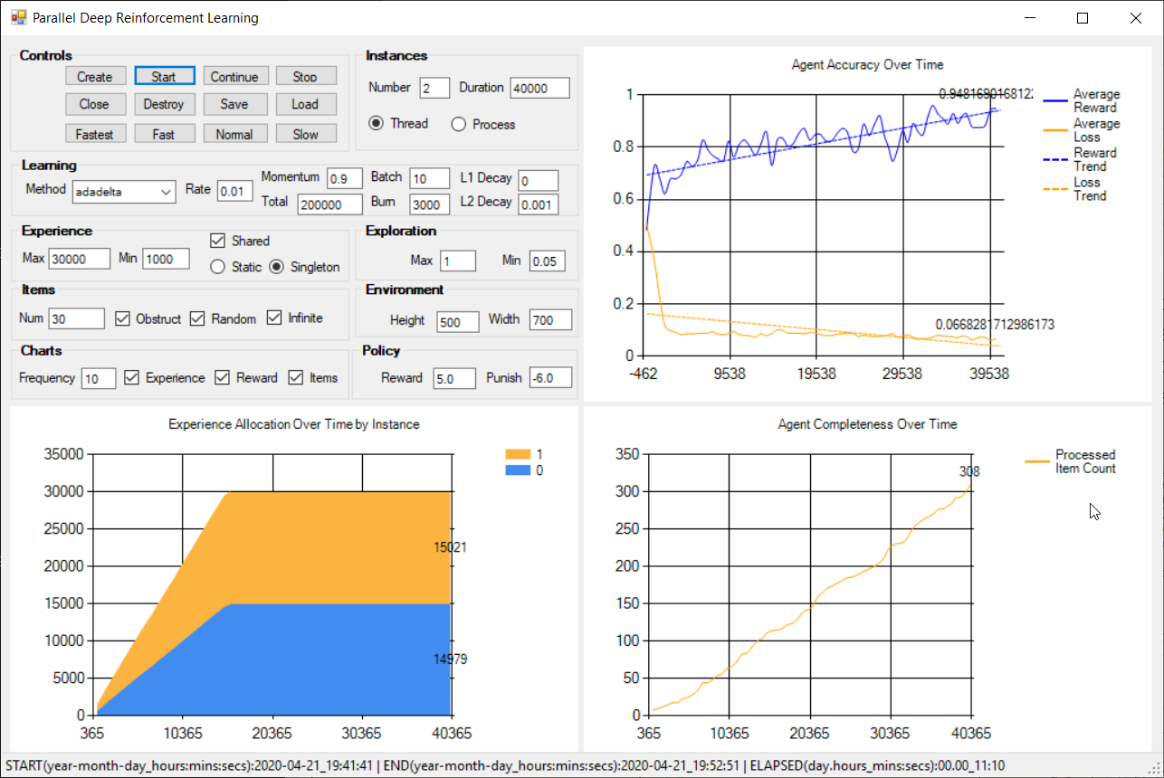
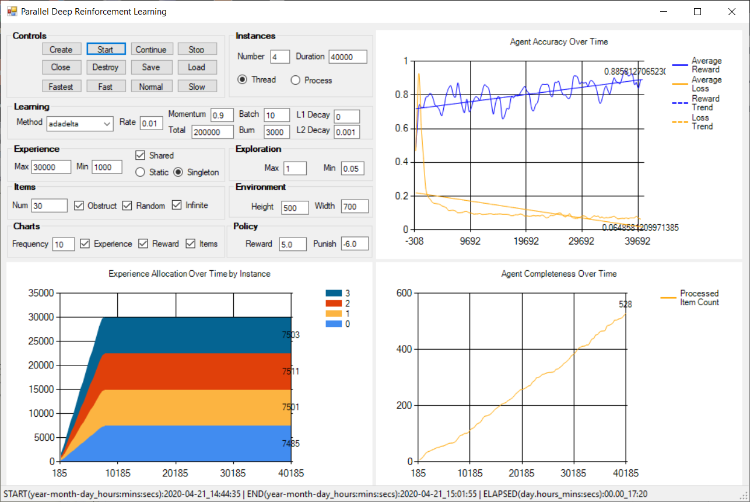
 |  |  |  |  |  |  |  | 2 | number instances | 4
 |  |  |  |  |  |  |  | thread | instance type | thread
 |  |  |  |  |  |  |  | 40000 | instance duration | 40000
 |  |  |  |  |  |  |  | adadelta | learning method | adadelta
 |  |  |  |  |  |  |  | 0.01 | learning rate | 0.01
 |  |  |  |  |  |  |  | 0.9 | learning momentum | 0.9
 |  |  |  |  |  |  |  | 200000 | learning total | 200000
 |  |  |  |  |  |  |  | 10 | learning batch size | 10
 |  |  |  |  |  |  |  | 3000 | learning burnin | 3000
 |  |  |  |  |  |  |  | 0 | learning L1 decay rate | 0
 |  |  |  |  |  |  |  | 0.001 | learning L2 decay rate | 0.001
 |  |  |  |  |  |  |  | 1000 | experience minimum | 1000
 |  |  |  |  |  |  |  | 30000 | experience maximum | 30000
 |  |  |  |  |  |  |  | 1 | exploration maximum | 1
 |  |  |  |  |  |  |  | 0.05 | exploration minimum | 0.05
 |  |  |  |  |  |  |  | 500 x 700 | environment size | 500 x 700
 |  |  |  |  |  |  |  | 5 | policy reward | 5
 |  |  |  |  |  |  |  | -6 | policy punishment | -6

 |  |  |  |  |  |  |  | 11:10 | elapsed time (mins:secs.ms) | 17:20
 |  |  |  |  |  |  |  | 30000 | age (cycles) | 30000
 |  |  |  |  |  |  |  | 40000 | experience replay | 40000
 |  |  |  |  |  |  |  | 0.94816901681 | average smooth-ish reward | 0.88581270652
 |  |  |  |  |  |  |  | 0.066828171299 | average Q-learn loss | 0.064858120997
 |  |  |  |  |  |  |  | 308 | items processed | 528

Limited Static Results
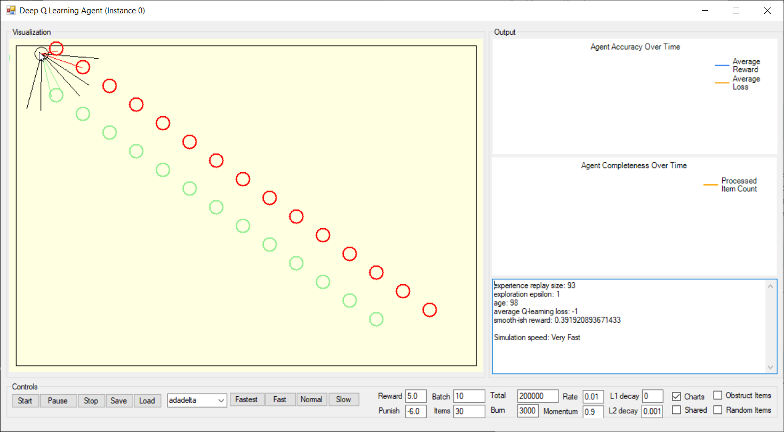
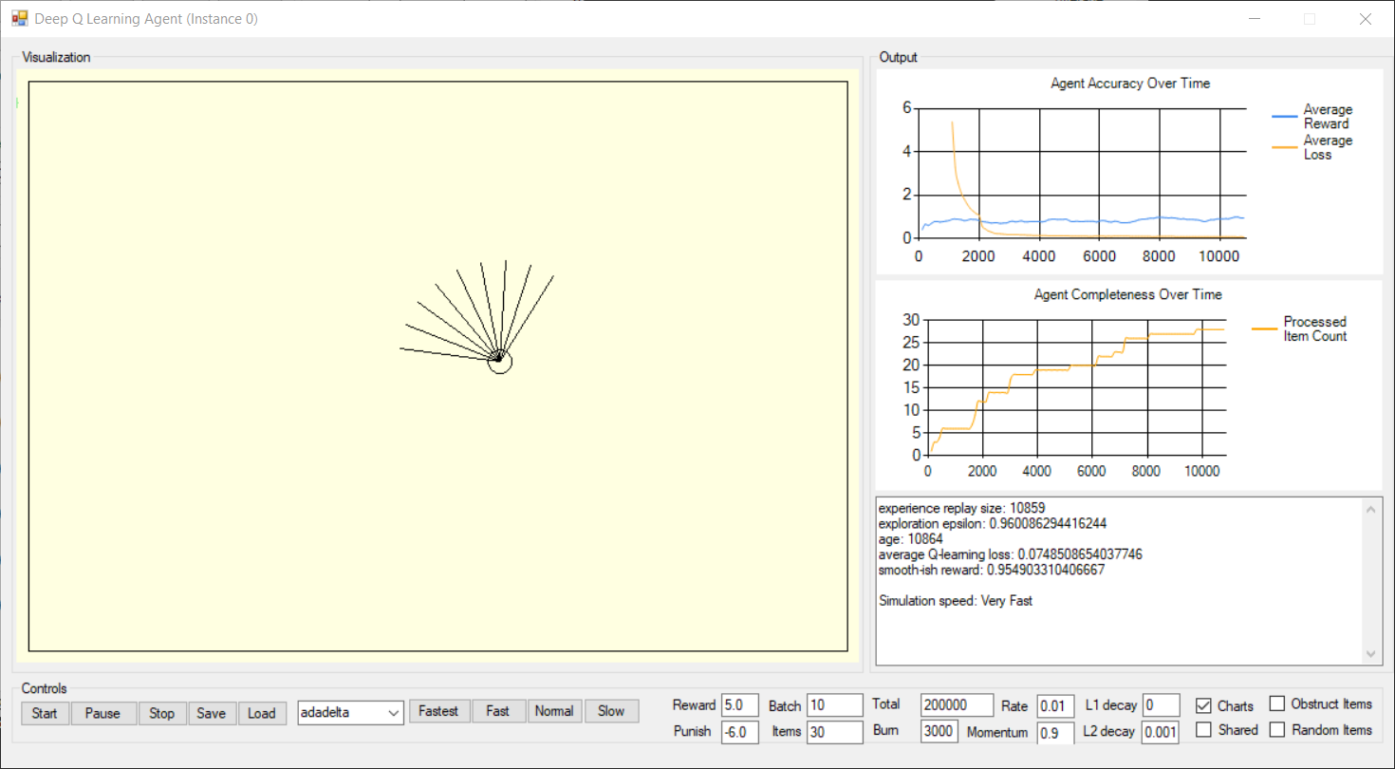
Parallel Deep Reinforcement Learning Comparison - Testing Limited Item Generations in Static Environment Locations

Purpose
The purpose of this experiment is to evaluate the impact of parallel deep reinforcement learning with multiple threads on exploration to identify items in the environment.
This experiment would simulate the testing performed as part of the software build and release pipeline process, when tests are run against a static code base.

Assumptions
The following tests were executed to determine the impact of the various configurations, including the usage of multiple threads and shared memory in a static environment.
The test measure how the agent navigates the environment, processes reward and punishment signals and halts as soon as all rewards have been found.
The items are not obstructed (i.e. interior walls were removed), the items are placed at fixed locations (i.e. not random) and items will not regenerate after evaluated by agent.
The experiments were performed on a machine with 4 logical Intel ® Xeon® CPU @3.00GHz processors (8 logical processors), 16GB memory (L1 cache:256KB, L2 cache:1MB, L3 cache:8MB) and Windows 10 operating system.
The experiments were performed while also running other developer applications, including Visual Studio, Microsoft Outlook, Microsoft Word, Microsoft Excel, Microsoft Skype, Chrome Internet Browser.

Experiment Results Format | success | fail
test run # | 1 | 2 | …
approx elapsed time (minutes) | mm:ss.s | mm:ss.s
approx elapsed time (seconds) | # | #
average age (cycles) | # | #
average experience replay | # | #
average exploration | # | #
average loss | # | #
average reward | # | #
items processed | # | #
approx processing seconds per item | # | #
configuration ranking | 1 | #

Results
An observation was that test run with 1-thread agent for 6000 cycles took ~60 seconds, so test runs average was for 1-5 minutes elapsed time.
An observation was that test run with 4-thread agents for 3000 cycles took ~ 60 seconds, so test runs average was 5-10 minutes elapsed time.
The results inidicated the age, elapsed time and seconds per item to visit all rewards in the environment was less for multiples threads (i.e. 6m:5s) vs. single thread (i.e. 8m:5s)
when evaluating a fixed number of items with each using their own copy of a similar environment with items in the same static location.

Comparison | no shared experience | singleton shared experience
Metrics | 1-thread | 4-threads
approx elapsed time (minutes) | 4.04 | 3.02
approx elapsed time (seconds) | 243 | 181
average age (cycles) | 24254.2 | 18149.4
average experience replay | 21145.2 | 30000
average exploration | 0.89211573604 | 0.92310444162
average loss | 0.065407010464 | 0.08013102521
average reward | 0.91066751462 | 0.84497232208
items processed | 30 | 30
approx processing seconds per item | 8 | 6
configuration ranking | 2 | 1

comparison of running 1 agent vs. running 4 agents in parallel on identical enviornments while sharing experience using 1-thread average on learning performance.

Details
 |  | Driver configured for 1 agent running as thread without shared experience replay.
 |  | Configuration
 |  | threads | 1
 |  | reward items | 15
 |  | punishment items | 15
 |  | experience minimum | 1000
 |  | experience size | 30000
 |  | shared experience | FALSE

 |  | Test Metrics | Test Average | Test Results
 |  | test runs - instance0 |  | 1 | 2 | 3 | 4 | 5 | 6 | 7 | 8 | 9 | 10
 |  | elapsed time (mins) | 4.04 | 1.8106666667 | 5.2493333333 | 6.3546666667 | 2.8035 | 1.9745 | 4.3291666667 | 2.8173333333 | 1.6413333333 | 8.5718333333 | 4.8713333333
 |  | age (cycles) | 24254 | 10864 | 31496 | 38128 | 16821 | 11847 | 25975 | 16904 | 9848 | 51431 | 29228
 |  | experience replay | 21145 | 10859 | 30000 | 30000 | 16816 | 11842 | 25970 | 16899 | 9843 | 30000 | 29223
 |  | exploration | 0.892115736040609 | 0.96008629 | 0.85535533 | 0.82169036 | 0.92984772 | 0.95509645 | 0.88338071 | 0.92942640 | 0.96524365 | 0.75416244 | 0.86686802
 |  | average Q-learn loss | 0.065407010464366 | 0.07485087 | 0.03918304 | 0.08475313 | 0.08663161 | 0.07244302 | 0.04486687 | 0.05838731 | 0.14346343 | 0.00862611 | 0.04086471
 |  | smooth-ish reward | 0.910667514615533 | 0.95490331 | 0.80149451 | 0.85261633 | 0.88066661 | 0.91129449 | 0.97138872 | 1.00389714 | 0.78131403 | 1.00031325 | 0.94878676

 |  | Driver configured for 4 agents running as threads with shared experience replay implemented using singleton pattern.
 |  | Configuration
 |  | threads | 4
 |  | reward items | 15
 |  | punishment items | 15
 |  | experience minimum | 1000
 |  | experience size | 30000
 |  | shared experience | TRUE

 |  | Test Metrics | Test Average | Test Results
 |  | test runs - instance0 |  | 1 | 2 | 3 | 4 | 5 | 6 | 7 | 8 | 9 | 10
 |  | elapsed time (mins) | 5.15 | 3.4163333333 | 5.29 | 8.9913333333 | 6.3543333333 | 5.3653333333 | 5.0876666667 | 3.272 | 3.0773333333 | 5.0693333333 | 5.5903333333
 |  | age (cycles) | 15454 | 10249 | 15870 | 26974 | 19063 | 16096 | 15263 | 9816 | 9232 | 15208 | 16771
 |  | experience replay | 30000 | 30000 | 30000 | 30000 | 30000 | 30000 | 30000 | 30000 | 30000 | 30000 | 30000
 |  | exploration | 0.936785786802031 | 0.96320812 | 0.93467513 | 0.87830964 | 0.91846701 | 0.93352792 | 0.93775635 | 0.96540609 | 0.96837056 | 0.93803553 | 0.93010152
 |  | average Q-learn loss | 0.086169546287193 | 0.08039025 | 0.06177419 | 0.06705006 | 0.07689900 | 0.05849205 | 0.06874840 | 0.14561447 | 0.13814922 | 0.07978279 | 0.08479504
 |  | smooth-ish reward | 0.840375942984105 | 0.74962214 | 0.76536101 | 0.82240458 | 0.72698203 | 0.94724770 | 0.83660253 | 1.02884607 | 1.01122456 | 0.79406435 | 0.72140446

 |  | test runs - instance1 |  | 1 | 2 | 3 | 4 | 5 | 6 | 7 | 8 | 9 | 10
 |  | elapsed time (mins) | 5.11 | 4.8803333333 | 7.5786666667 | 8.1523333333 | 2.6866666667 | 6.7316666667 | 7.8256666667 | 5.334 | 2.6523333333 | 3.2633333333 | 1.9493333333
 |  | age (cycles) | 15316 | 14641 | 22736 | 24457 | 8060 | 20195 | 23477 | 16002 | 7957 | 9790 | 5848
 |  | experience replay | 30000 | 30000 | 30000 | 30000 | 30000 | 30000 | 30000 | 30000 | 30000 | 30000 | 30000
 |  | exploration | 0.937485786802031 | 0.94091371 | 0.89982234 | 0.89108629 | 0.97431980 | 0.91272081 | 0.89606091 | 0.93400508 | 0.97484264 | 0.96553807 | 0.98554822
 |  | average Q-learn loss | 0.092483451036976 | 0.08406958 | 0.04954452 | 0.03575835 | 0.08680874 | 0.06530037 | 0.08429226 | 0.06119734 | 0.16744574 | 0.06512429 | 0.22529330
 |  | smooth-ish reward | 0.809703307592550 | 0.91525917 | 0.97894998 | 0.96724040 | 0.73418078 | 0.76578350 | 0.63309834 | 0.89681881 | 0.64003660 | 0.79063367 | 0.77503181

 |  | test runs - instance2 |  | 1 | 2 | 3 | 4 | 5 | 6 | 7 | 8 | 9 | 10
 |  | elapsed time (mins) | 5.64 | 3.7313333333 | 5.7933333333 | 4.1903333333 | 6.731 | 3.966 | 7.6453333333 | 9.7843333333 | 4.2593333333 | 4.9073333333 | 5.425
 |  | age (cycles) | 16930 | 11194 | 17380 | 12571 | 20193 | 11898 | 22936 | 29353 | 12778 | 14722 | 16275
 |  | experience replay | 30000 | 30000 | 30000 | 30000 | 30000 | 30000 | 30000 | 30000 | 30000 | 30000 | 30000
 |  | exploration | 0.929294416243655 | 0.95841117 | 0.92701015 | 0.95142132 | 0.91273096 | 0.95483756 | 0.89880711 | 0.86623350 | 0.95037056 | 0.94050254 | 0.93261929
 |  | average Q-learn loss | 0.075979017835397 | 0.10251171 | 0.07331525 | 0.05091815 | 0.06836797 | 0.08687925 | 0.07578990 | 0.05852448 | 0.08153364 | 0.06508744 | 0.09686239
 |  | smooth-ish reward | 0.865107975324636 | 0.92875729 | 0.86267727 | 0.85337171 | 0.91676564 | 0.76772627 | 0.86271648 | 0.90938568 | 0.93670054 | 0.82560768 | 0.78737119

 |  | test runs - instance3 |  | 1 | 2 | 3 | 4 | 5 | 6 | 7 | 8 | 9 | 10
 |  | elapsed time (mins) | 8.30 | 5.3746666667 | 4.544 | 13.282 | 8.957 | 3.8676666667 | 6.0343333333 | 11.569666667 | 6.013 | 10.217 | 13.131333333
 |  | age (cycles) | 24897 | 16124 | 13632 | 39846 | 26871 | 11603 | 18103 | 34709 | 18039 | 30651 | 39394
 |  | experience replay | 30000 | 30000 | 30000 | 30000 | 30000 | 30000 | 30000 | 30000 | 30000 | 30000 | 30000
 |  | exploration | 0.888851776649746 | 0.93338579 | 0.94603553 | 0.81296954 | 0.87883249 | 0.95633503 | 0.92334010 | 0.83904569 | 0.92366497 | 0.85964467 | 0.81526396
 |  | average Q-learn loss | 0.065892085679120 | 0.10257743 | 0.09265590 | 0.06999528 | 0.03603663 | 0.05987331 | 0.08347295 | 0.01165905 | 0.08263643 | 0.04124708 | 0.07876678
 |  | smooth-ish reward | 0.864702062416907 | 0.92456916 | 0.74580891 | 0.68698145 | 0.94700427 | 0.90171838 | 0.68860206 | 0.94387494 | 0.96388769 | 0.86758485 | 0.97698892

 |  |  | Test Summary
 |  | elapsed time (mins) | 6.0
 |  | age (cycles) | 18149
 |  | experience replay | 30000
 |  | exploration | 0.923104441624366
 |  | average Q-learn loss | 0.080131025209672
 |  | smooth-ish reward | 0.844972322079549

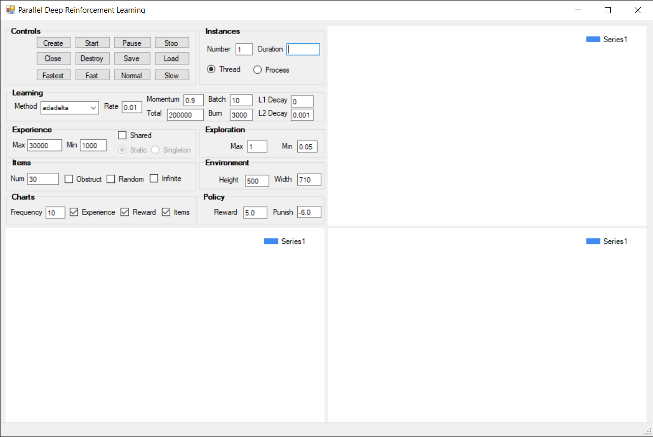
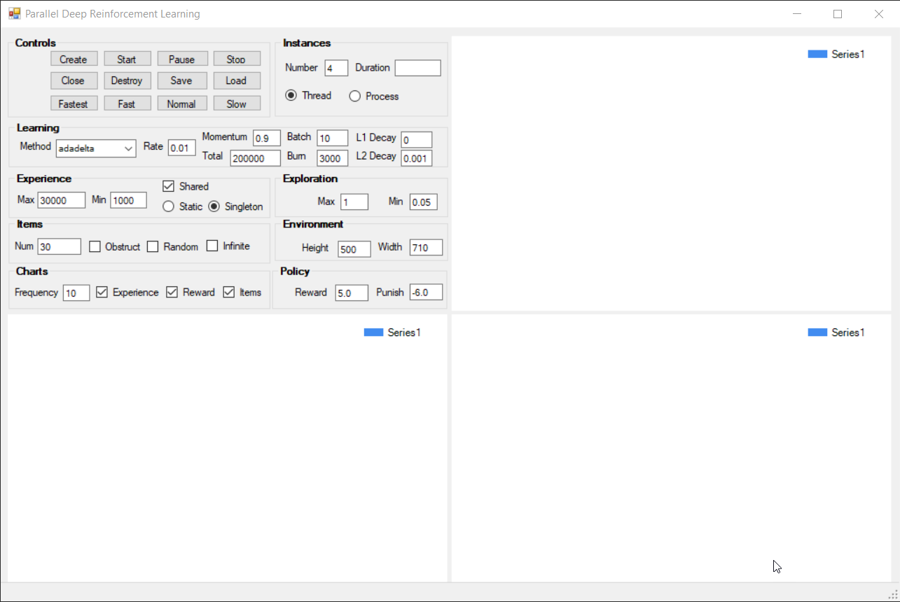
 |  |  |  |  | Driver configured for 1 agent running as thread without shared experience replay. |  |  |  |  |  |  |  |  |  |  |  | Driver configured for 4 agents running as threads with shared experience implemented using singleton pattern.
 |  |  |  |  |  |  |  |  |  |  |  |  |  | 1 | number instances | 4
 |  |  |  |  |  |  |  |  |  |  |  |  |  | thread | instance type | thread
 |  |  |  |  |  |  |  |  |  |  |  |  |  | adadelta | learning method | adadelta
 |  |  |  |  |  |  |  |  |  |  |  |  |  | 0.01 | learning rate | 0.01
 |  |  |  |  |  |  |  |  |  |  |  |  |  | 0.9 | learning momentum | 0.9
 |  |  |  |  |  |  |  |  |  |  |  |  |  | 200000 | learning total | 200000
 |  |  |  |  |  |  |  |  |  |  |  |  |  | 10 | learning batch size | 10
 |  |  |  |  |  |  |  |  |  |  |  |  |  | 3000 | learning burnin | 3000
 |  |  |  |  |  |  |  |  |  |  |  |  |  | 0 | learning L1 decay rate | 0
 |  |  |  |  |  |  |  |  |  |  |  |  |  | 0.001 | learning L2 decay rate | 0.001
 |  |  |  |  |  |  |  |  |  |  |  |  |  | 1000 | experience minimum | 1000
 |  |  |  |  |  |  |  |  |  |  |  |  |  | 30000 | experience maximum | 30000
 |  |  |  |  |  |  |  |  |  |  |  |  |  | 1 | exploration maximum | 1
 |  |  |  |  |  |  |  |  |  |  |  |  |  | 0.05 | exploration minimum | 0.05
 |  |  |  |  |  |  |  |  |  |  |  |  |  | 500 x 700 | environment size | 500 x 700
 |  |  |  |  |  |  |  |  |  |  |  |  |  | 5 | policy reward | 5
 |  |  |  |  |  |  |  |  |  |  |  |  |  | -6 | policy punishment | -6
 |  |  |  |  |  |  |  |  |  |  |  |  |  | FALSE | obstruct | FALSE
 |  |  |  |  |  |  |  |  |  |  |  |  |  | FALSE | random | FALSE
 |  |  |  |  |  |  |  |  |  |  |  |  |  | FALSE | infinite | FALSE

 |  |  |  |  | Environment and agent in starting state with items in fixed locations. |  |  |  |  |  |  |  |  |  |  |  | Environment and agent in finish state with all items processed from fixed locations.

Operating System Results
Parallel Deep Reinforcement Learning Comparison - Testing Multiple Thread vs. Process on Operating System Performance

Purpose
The purpose of this experiment is to evaluate the impact of parallel deep reinforcement learning with agents as multiple threads vs. multiple processes on the operating system performance.
This experiment would provide guidance on future development of the Visual Studio extension for mutation testing operator selection.

Assumptions
The following tests were executed to determine the impact of the various configurations, including the usage of multiple threads and multiple processes in a dynamic environment.
The test measure how the agent navigates the environment, processes reward and punishment signals.
The items are chosen randomly, regenerated after processed or randomly replaced after 5 seconds, then replaced in random location and agent runs until 40k cycles when convergence is determinate.
The experiments were performed on a machine with 4 logical Intel ® Xeon® CPU @3.00GHz processors (8 logical processors), 16GB memory (L1 cache:256KB, L2 cache:1MB, L3 cache:8MB) and Windows 10 operating system.
The experiments were performed while also running other developer applications, including Visual Studio, Microsoft Outlook, Microsoft Word, Microsoft Excel, Microsoft Skype, Chrome Internet Browser.

Experiment Results Format | success | fail
test run # | 1 | 2 | …
CPU total time (mins:secs.ms) | mm:ss.s | mm:ss.s + 1
CPU kernel time (min:secs.ms) | mm:ss.s | mm:ss.s
CPU user time (min:secs.ms) | mm:ss.s | mm:ss.s
CPU context switches | # | #
CPU cycles | # | #
configuration ranking | 1 | #

Results
The results indicated that running agent as process vs. thread had improved performance from a number of OS metrics, particularly the comparison between the driver with agent threads vs. driver with agent processes.
The threads driver maintained references to agent thread instances, required more than twice as many CPU cycles, more than 200x the context switches and almost 360x the total CPU time.
The processes driver did not communiate to the agent processes, the 2-processes required half the total CPU time and half the CPU cycles as compared to the 2-threads.
An observation was using processes allows each agent its own private memory, which may be useful if training requires sensitive information.

Comparison | 2-threads |  |  |  | 2-processes
Metrics | Driver | Agent0 | Agent1 | Total | Driver | Agent0 | Agent1 | Total
CPU total time (mins:secs.ms) | 0:05:58 | 0:04:57 | 0:05:09 | 0:16:04 | 0:00:02 | 0:03:58 | 0:04:04 | 0:08:04
CPU kernel time (min:secs.ms) | 0:03:37 | 0:00:15 | 0:00:19 | 0:04:11 | 0:00:01 | 0:02:24 | 0:02:28 | 0:04:53
CPU user time (min:secs.ms) | 0:02:21 | 0:04:42 | 0:04:50 | 0:11:53 | 0:00:00 | 0:01:34 | 0:01:37 | 0:03:11
CPU context switches | 2,916,342 | 1,156,941 | 1,169,382 | 5,242,665 | 11,789 | 3,327,971 | 3,444,207 | 6,783,967
CPU cycles | 1,081,848,286,757 | 791,339,977,071 | 824,839,414,086 | 2,698,027,677,914 | 4,680,237,188 | 657,707,747,826 | 681,569,586,081 | 1,343,957,571,095
configuration ranking | 2 |  |  |  | 1

comparison of agents as multiple threads vs. multiple processes on the operating system performance.

Details |  | Driver configured for 2 agents running as thread without shared experience replay. |  |  |  |  |  |  |  |  | Driver configured for 2 agents running as process without shared experience replay.
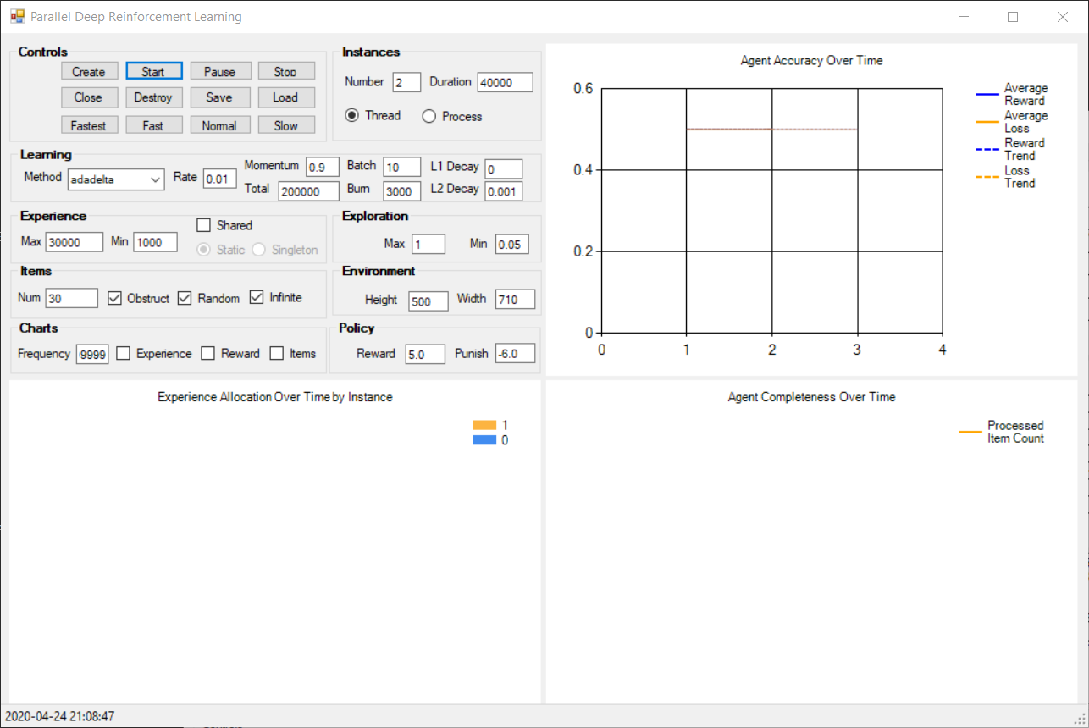
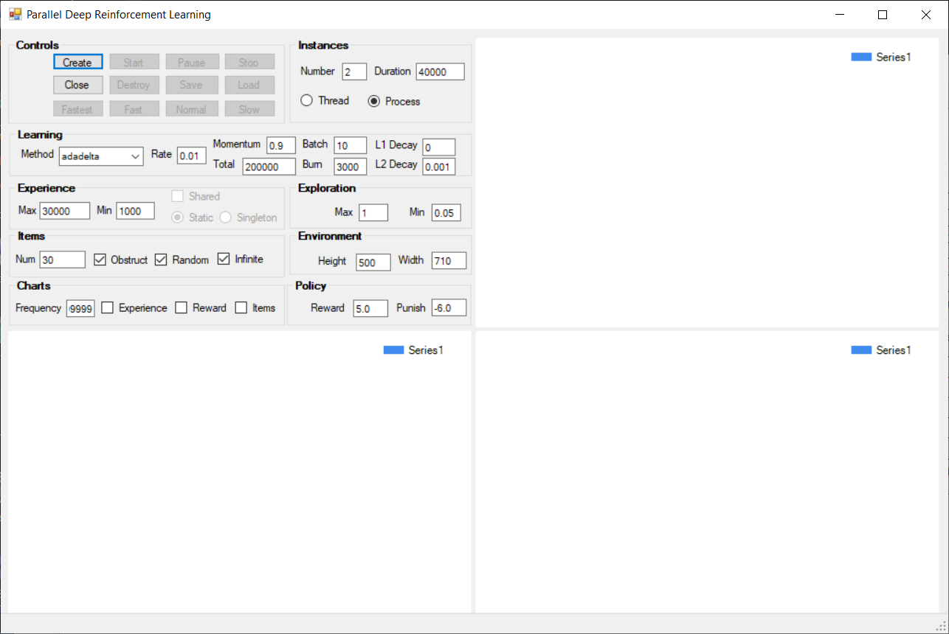

 |  |  |  |  |  |  |  | 2 | number instances | 2
 |  |  |  |  |  |  |  | thread | instance type | process
 |  |  |  |  |  |  |  | 40000 | instance duration | 40000
 |  |  |  |  |  |  |  | adadelta | learning method | adadelta
 |  |  |  |  |  |  |  | 0.01 | learning rate | 0.01
 |  |  |  |  |  |  |  | 0.9 | learning momentum | 0.9
 |  |  |  |  |  |  |  | 200000 | learning total | 200000
 |  |  |  |  |  |  |  | 10 | learning batch size | 10
 |  |  |  |  |  |  |  | 3000 | learning burnin | 3000
 |  |  |  |  |  |  |  | 0 | learning L1 decay rate | 0
 |  |  |  |  |  |  |  | 0.001 | learning L2 decay rate | 0.001
 |  |  |  |  |  |  |  | 1000 | experience minimum | 1000
 |  |  |  |  |  |  |  | 30000 | experience maximum | 30000
 |  |  |  |  |  |  |  | 1 | exploration maximum | 1
 |  |  |  |  |  |  |  | 0.05 | exploration minimum | 0.05
 |  |  |  |  |  |  |  | 500 x 700 | environment size | 500 x 700
 |  |  |  |  |  |  |  | 5 | policy reward | 5
 |  |  |  |  |  |  |  | -6 | policy punishment | -6
 |  |  |  |  |  |  |  | FALSE | charts | FALSE

 |  | Driver running as process without chart refresh. |  |  |  |  |  |  |  |  | Driver running as process without chart refresh.
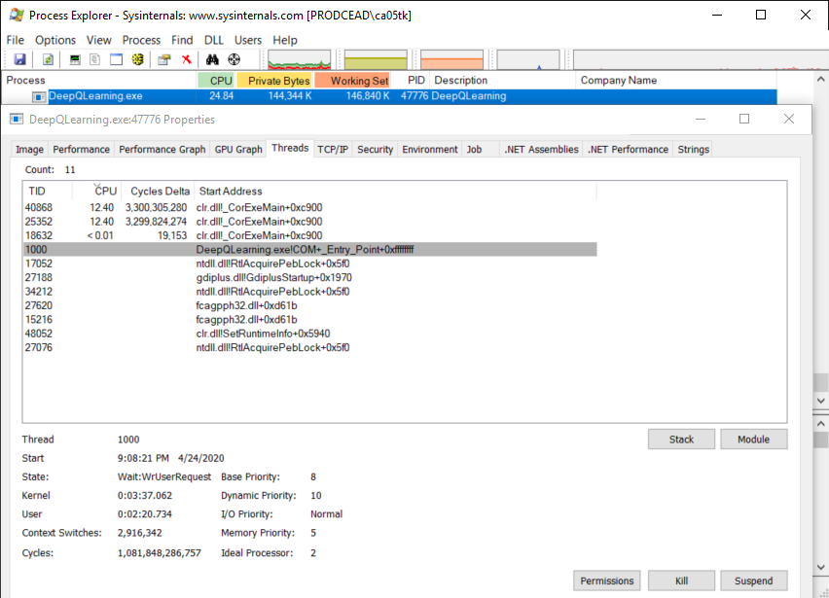
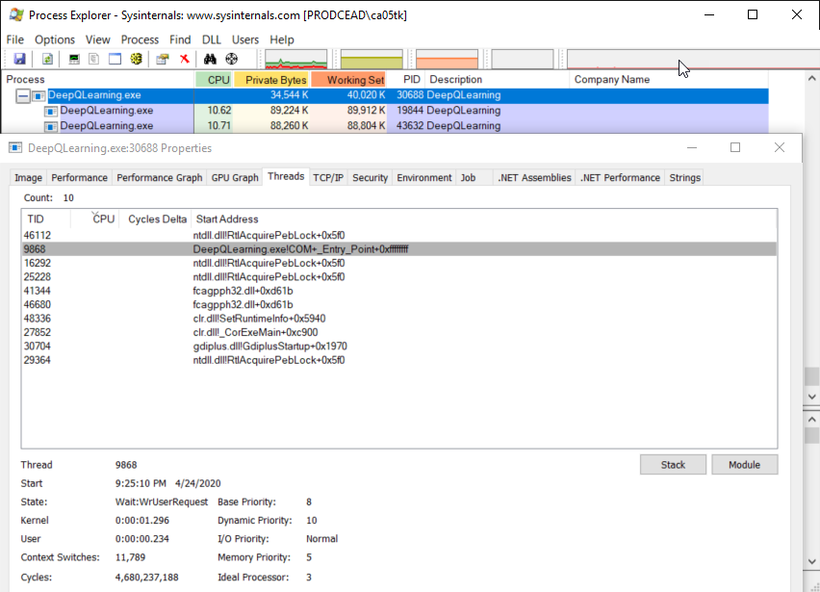

 |  |  |  |  |  |  |  | 0:03:37 | Kernel Time (mins:secs.ms) | 0:00:01
 |  |  |  |  |  |  |  | 0:02:21 | User Time (mins:secs.ms) | 0:00:00
 |  |  |  |  |  |  |  | 2,916,342 | Context Switches | 11,789
 |  |  |  |  |  |  |  | 1,081,848,286,757 | Cycles | 4,680,237,188
 |  |  |  |  |  |  |  | 10 | Dynamic Priority | 10
 |  |  |  |  |  |  |  | Processor #2 | Ideal Processor | Processor #3

 |  | Agent for instance0 running as thread without shared experience. |  |  |  |  |  |  |  |  | Agent for instance0 running as process without shared experience.
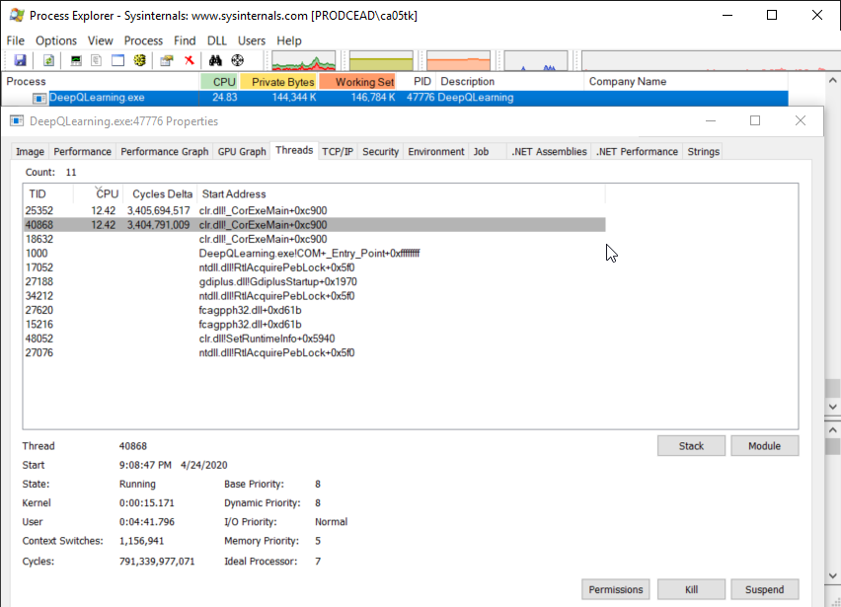
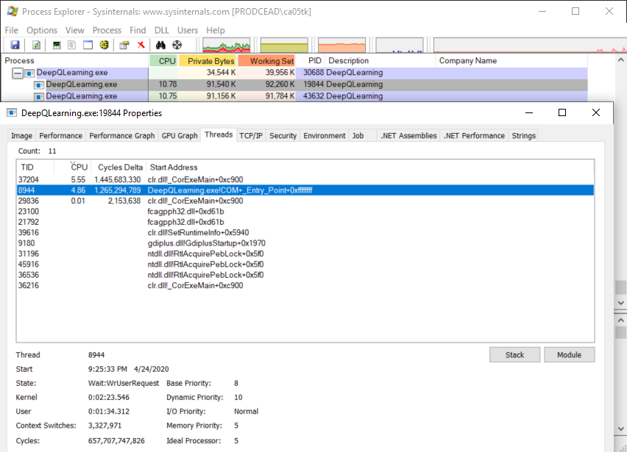

 |  |  |  |  |  |  |  | 0:00:15 | Kernel Time (mins:secs.ms) | 0:02:24
 |  |  |  |  |  |  |  | 0:04:42 | User Time (mins:secs.ms) | 0:01:34
 |  |  |  |  |  |  |  | 1,156,941 | Context Switches | 3,327,971
 |  |  |  |  |  |  |  | 791,339,977,071 | Cycles | 657,707,747,826
 |  |  |  |  |  |  |  | 8 | Dynamic Priority | 10
 |  |  |  |  |  |  |  | Processor #7 | Ideal Processor | Processor #5

 |  | Agent for instance1 running as thread without shared experience. |  |  |  |  |  |  |  |  | Agent for instance1 running as process without shared experience.
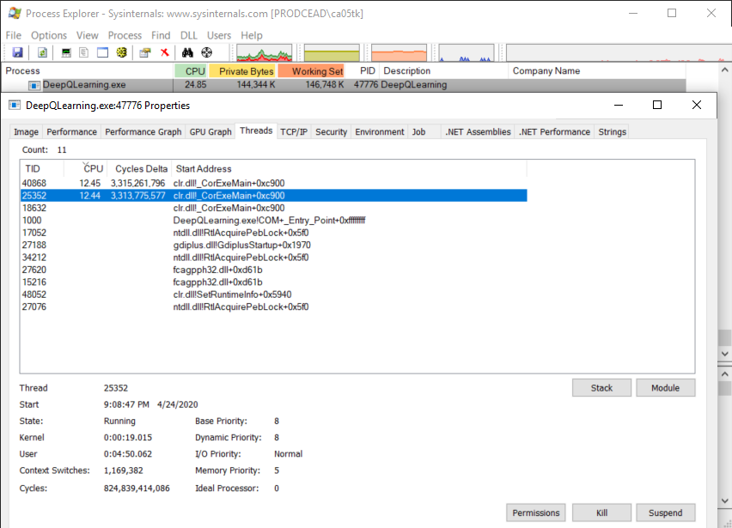
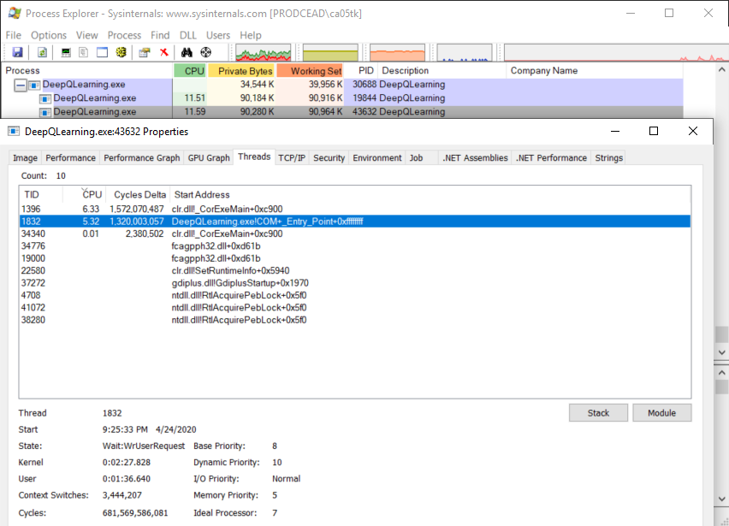

 |  |  |  |  |  |  |  | 0:00:19 | Kernel Time (mins:secs.ms) | 0:02:28
 |  |  |  |  |  |  |  | 0:04:50 | User Time (mins:secs.ms) | 0:01:37
 |  |  |  |  |  |  |  | 1,169,382 | Context Switches | 3,444,207
 |  |  |  |  |  |  |  | 824,839,414,086 | Cycles | 681,569,586,081
 |  |  |  |  |  |  |  | 8 | Dynamic Priority | 10
 |  |  |  |  |  |  |  | Processor #0 | Ideal Processor | Processor #7

