Sheet1
a)
 | Ap | Sort | Matrix | Tree | Queens | Tower | Bubble | Perm | Puzzle | Average
 | Mapat | 64.1 | 96.5 | 70.1 | 82.4 | 82.4 | 34.4 | 61.1 | 88.5 | 72.37
 | Complet Asociativ | 68.7 | 96.5 | 76.9 | 48.2 | 70.9 | 82.9 | 61.1 | 88.9 | 74.31

b)
 | Numar Linii BTB | Sort | Matrix | Tree | Queens | Tower | Bubble | Perm | Puzzle | Average
 | 8 | 42.0 | 92.6 | 54.4 | 34.4 | 12.2 | 76.8 | 20.9 | 83.1 | 52.10
 | 16 | 51.0 | 92.8 | 66.7 | 43.4 | 37.3 | 77.8 | 20.9 | 84.7 | 59.37
 | 32 | 59.7 | 93.3 | 69.7 | 63.6 | 46.1 | 77.8 | 54.4 | 87.9 | 69.10
 | 64 | 63.4 | 93.3 | 75.0 | 66.4 | 55.0 | 77.8 | 54.4 | 89.2 | 71.85
 | 128 | 63.4 | 93.3 | 75.0 | 66.4 | 70.9 | 77.8 | 54.4 | 89.5 | 73.89
 | 256 | 63.4 | 93.3 | 75.0 | 66.4 | 70.9 | 77.8 | 54.4 | 90.0 | 73.94

c)
 | Ap | Sort | Matrix | Tree | Queens | Tower | Bubble | Perm | Puzzle | Average
 | 1 bit | 63.4 | 93.3 | 75.0 | 66.3 | 70.9 | 77.8 | 54.4 | 89.7 | 73.89
 | 2 bit | 68.7 | 96.5 | 76.9 | 73.7 | 70.9 | 82.9 | 61.1 | 90.8 | 77.7

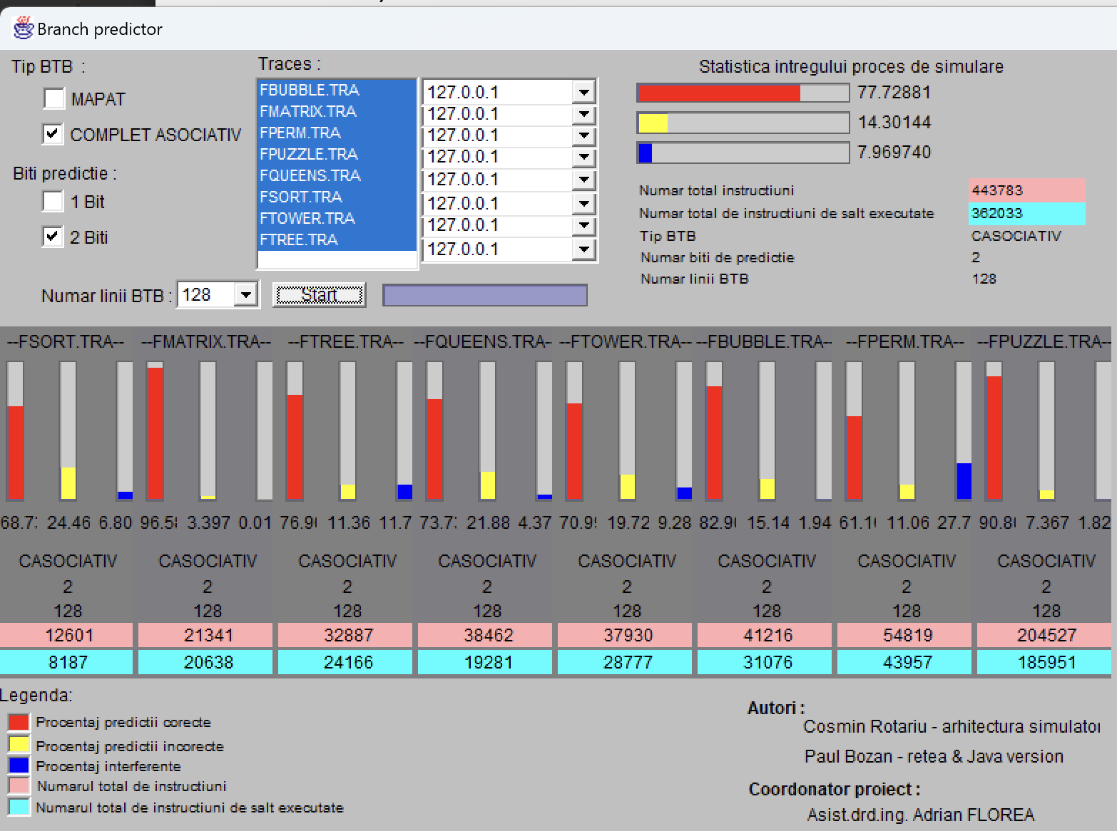
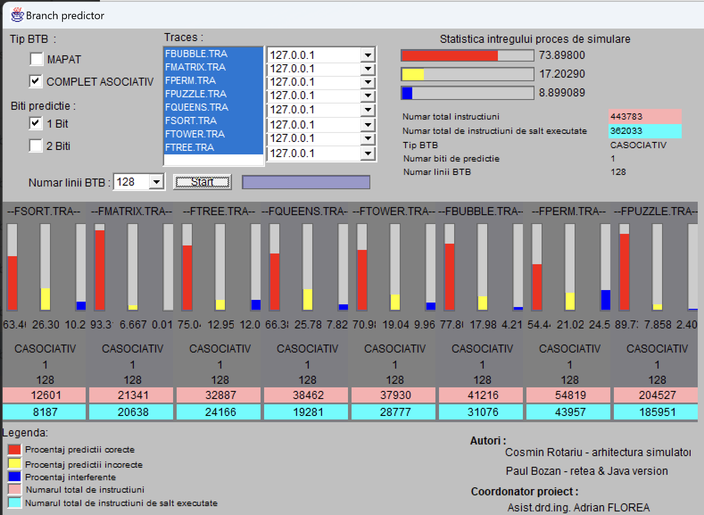

Pentru b)

