Sheet1
Interchs(DM_Size)
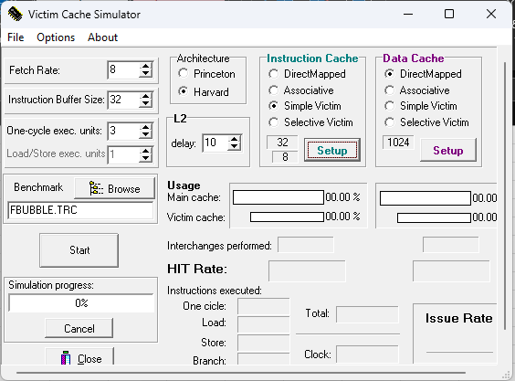
Interchs(DM_Size) |  | Cu Victim Cache simplu
 | 32 | 64 | 128
SORT | 6241.000 | 459.000 | 2.000
BUBBLE | 399.000 | 2.000 | 0.000
MATRIX | 5049.000 | 5.000 | 2.000
PERM | 46135.000 | 17321.000 | 0.000
PUZZLE | 12685.000 | 13197.000 | 12992.000
QUEENS | 17971.000 | 5746.000 | 56.000
TOWER | 4224.000 | 18483.000 | 16374.000
TREE | 8477.000 | 2992.000 | 1996.000

