Foaie1
IR(SIZE_DC)
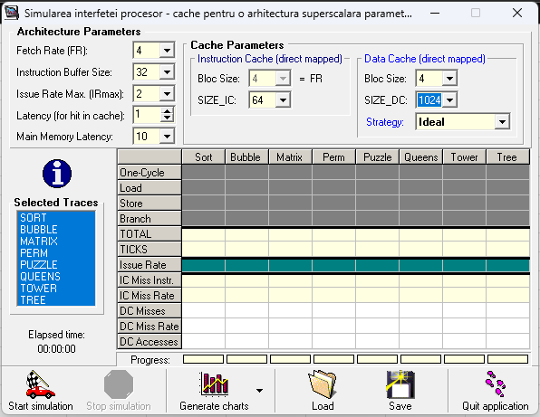
ISSUE RATE
 | 1024 | 2048 | 4096 | 8192
SORT | 1,058 | 1.257 | 1.288 | 1.297
BUBBLE | 1.648 | 1.649 | 1.649 | 1.649
MATRIX | 0.705 | 0.948 | 1.354 | 1.500
PERM | 1.483 | 1.483 | 1.483 | 1.483
PUZZLE | 0.505 | 0.529 | 0.576 | 0.649
QUEENS | 0.818 | 1.009 | 1.009 | 1.009
TOWER | 0.308 | 0.308 | 0.334 | 0.334
TREE | 0.651 | 0.770 | 0.888 | 1.027

DCmissR(SIZE_DC)
DC Misses
 | 1,024 | 2,048 | 4,096 | 8,192
SORT | 12,10 | 4.87 | 3.76 | 3.36
BUBBLE | 0.36 | 0.34 | 0.34 | 0.34
MATRIX | 28.84 | 16.27 | 5.32 | 2.83
PERM | 0.04 | 0.03 | 0.03 | 0.03
PUZZLE | 60.21 | 53.70 | 44.72 | 33.16
QUEENS | 14.75 | 0.22 | 0.22 | 0.22
TOWER | 7.93 | 7.55 | 0.11 | 0.11
TREE | 34.54 | 20.69 | 13.54 | 6.44

