multi-apps
2021-05-28 | https://www.tektutorialshub.com/angular/angular-multiple-apps-in-one-project/

 |  | ng new multi --createApplication=false
 |  | cd multi
 | multi % | ng g application no1
 | multi % | ng g application no2
 | multi % | ng g application no3
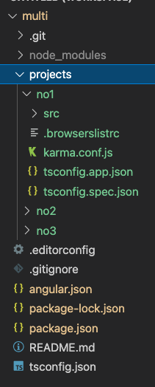

 |  |  | one node_modules

 |  |  | src/app within each project

 |  | ng build
 |  | ng build --project=”no3” |  | (--prod is deprecated, builder defaults to production)

 | https://octoperf.com/blog/2019/08/22/kraken-angular-workspace-multi-application-project/#how-to-serve-multiple-angular-applications-with-haproxy
 |  | Create a Shared Service

pvATCG
2021-03-31 | Angular - The Complete Guide 2020, Maximillian Schwarzmuller, Apr 2018 (31h 13m) £133.99
 |  | video cover states ‘Updated in December 2020’
 | https://academind.com/impressum/en/
 | Represented by
 |  | Maximilian Schwarzmuller, Managing Director Academind GmbH
 |  | Manual Lorenz, Managing Director Academind GmbH
 | E-Mail: business@academind.com

MacBook | webdev>github.com>mstudham>atcg>pv-atcg |  |  |  |  |  |  | downloaded code
Toshiba | webdev>github.com>mstudham>atcg>pv-atcg |  |  |  |  |  |  | downloaded code
vscode | webdev>github.com>mstudham>atcg>pv-atcg
 |  | pv-atcg.code-workspace

 | Components shouldn't fetch or save data directly and they certainly shouldn't knowingly present fake data.
 | They should focus on presenting data and delegate data access to a service.

pv-atcg s1 | Getting Started
pv-atcg s1v1 | Course Introduction
pv-atcg s1v2 | What is Angular?
 |  | Angular is a JavaScript framework which allows you to create reactive Single-Page-Applications
 |  | JavaScript changes the Document Object Model (DOM) within an existing html page
pv-atcg s1v3 | Understanding Angular Versioning
 |  | new version every 6 months
pv-atcg s1v4 | Setting up Project and First Application
 |  | uses and therefore requires node.js to be installed
 |  | npm is the node package manager which downloads dependencies
 |  | sudo npm install -g @angular/cli
 |  | cd <folder>
 |  | ng new <project-name>
 |  | cd <project-name>
 |  | ng serve

 | ? | npm install
 | ? | npm install --legacy-peer-deps
 | ? | ng serve

pv-atcg s1v5 | Editing the First Application
 | folder | e2e |  |  |  | angular End To End testing
 | browser | localhost:4200 |  |  |  | automatically watches project and reloads

 |  | app.component.ts
 |  |  | export class AppComponent {
 |  |  |  | title=’my-app’ |  |  |  | provides the dynamic content
 |  |  | } |  |  |  |  | (data binding)
 |  | app.component.html
 |  |  | <h1>Hi, this is {{ title }}</h1> |  |  |  |  | output in {{ }}

 | index.html | <!doctype html> |  |  |  |  | right click on browser page, view source
 |  | <html lang="en">
 |  | <head>
 |  |  | <meta charset="utf-8">
 |  |  | <title>App1</title>
 |  |  | <base href="/">
 |  |  | <meta name="viewport" content="width=device-width, initial-scale=1">
 |  |  | <link rel="icon" type="image/x-icon" href="favicon.ico">
 |  | <link rel="stylesheet" href="styles.css"></head>
 |  | <body>
 |  |  | <app-root></app-root>
 |  |  | <script src="runtime.js" defer></script>
 |  |  | <script src="polyfills.js" defer></script>
 |  |  | <script src="vendor.js" defer></script>
 |  |  | <script src="main.js" defer></script>
 |  | </body>
 |  | </html>
 |  |  |  | ^ <app-root> is an angular html tag like <h1> or <p>
 |  |  |  | ^ these script files are not in the base index.html
 |  |  |  | ^ they are dynamically injected by angular

MacBook |  | alt+cmd+u |  |  |  |  | display browser source code
 |  | alt+cmd+i |  |  |  |  | display developer tools
 |  | 'Chrome has the best developer tools’

 |  | app.module.ts
 |  |  | import { FormsModule } from '@angular/forms'; |  |  |  |  |  |  |  | required by TypeScript
 |  |  | imports: [ BrowserModule
 |  |  |  | BrowserModule,
 |  |  |  | FormsModule |  |  |  |  | angular statement needed for ngModel
 |  |  | ],
 |  | app.component.ts
 |  |  | export class AppComponent {
 |  |  |  | name=’some name’; |  |  |  |  | copying from LibreOffice
 |  |  | } |  |  |  |  |  | to vscode ‘ ‘ and “ “ are not valid
 |  | app.component.html |  |  |  |  |  |  | ' ‘ and “ “ must be retyped
 |  |  | <input type=”text” [(ngModel)]=”name”>
 |  |  | <p>{{ name }}</p>

pv-atcg s1v6 | Course Structure
 |  | can build our own directives
 |  | routing is the management of different urls on the single page
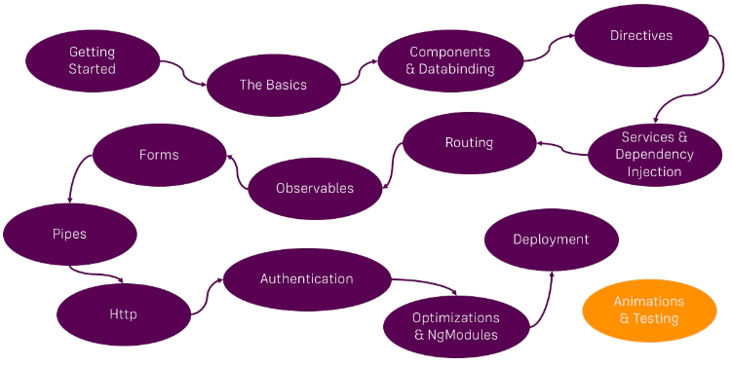

pv-atcg s1v7 | Getting the Most Out of the Course
 |  | possibly ask questions to Maximilian Schwarzmuller via

pv-atcg s1v8 | What is TypeScript?
pv-atcg s1v9 | Setting up a Basic Project Using Bootstrap for Styling
 | <project dir>$ | npm install --save bootstrap@3 |  |  |  |  |  |  |  |  |  |  |  |  |  |  |  |  |  |  | now version 5, version 3 used in video
 |  |  |  | ^ installs locally in project, not globally
 | vscode | reload
 |  | node_modules should now include a bootstrap folder (in alphabetical order)
 |  | angular.json
 |  |  | “styles”: [
 |  |  |  | “../node_modules/bootstrap/dist/css/bootstrap.min.css”, |  |  |  |  |  |  |  |  |  |  |  |  |  |  |  |  | check route and add
 |  |  |  | “src/styles.css” |  |  |  |  |  |  |  |  |  |  |  |  |  |  |  |  | < anything in this second file will overwrite ^
 |  |  | ],
 |  | ctrl+c |  |  | stop running server
 |  | ng serve |  |  | restart serve

 | browser | should now find Bootstrap v3.3.7
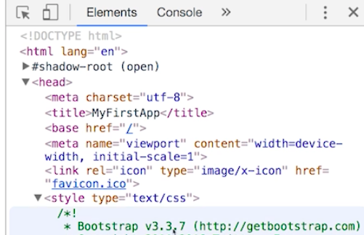

 |  |  |  | ^ failed at this attempt ! probably because used node_modules, not ../node_modules

pv-atcg s2 | The Basics
pv-atcg s2v1 | Module Introduction
pv-atcg s2v2 | Loading and Starting an Angular Application
 |  | index.html body includes <app-root></app-root>
 |  | app.component.ts has
 |  |  | @Component({
 |  |  |  | selector: ‘app-root’, |  |  |  |  | inserts in app-root above
 |  |  |  | templateUrl: ‘./app.component.html’, |  |  |  |  | links html file
 |  |  | })
 |  | ng serve adds these script files into index.html
 |  |  | <script src="runtime.js" defer></script>
 |  |  | <script src="polyfills.js" defer></script>
 |  |  | <script src="vendor.js" defer></script>
 |  |  | <script src="main.js" defer></script>
 |  | main.ts includes -
 |  |  | import { AppModule } from './app/app.module';
 |  |  | bootstraps AppModule
 |  | app.module.ts
 |  |  | bootstraps AppComponent
pv-atcg s2v3 | Important Components
pv-atcg s2v4 | Creating a New Component
pv-atcg s2v5 | Understanding the Role of AppModule and Component Declaration
 |  | app.module.ts has -
 |  |  | import { ServerComponent } from ‘./server/server.component’; |  |  |  |  |  |  |  |  | tell TypeScript component exists
 |  |  | @NgModule({
 |  |  |  | declarations: [
 |  |  |  |  | AppComponent,
 |  |  |  |  | ServerComponent |  |  |  |  | tell angular another ‘ServerComponent’ exists
 |  |  |  | ]
 |  |  |  | imports: [
 |  |  |  |  | BrowserModule |  |  |  |  | import any modules, including our own
pv-atcg s2v6 | Using Custom Components
 |  | one component can display another
 |  | app-component.html
 |  |  | <app-server></app-server>
pv-atcg s2v7 | Creating Components with the Command Line Input (CLI) and Nesting Components
 | <project dir>$ | ng g c servers
 |  | servers-component.html
 |  |  | <app-server></app-server>
 |  |  | <app-server></app-server>
pv-atcg s2v8 | Working with Component Templates
 |  | servers-component.ts must include a template or a link to a templateUrl file
 |  | templateUrl: ‘./servers-component.html’,
 |  | template: ‘<app-server></app-server><app-server></app-server>’,
 |  |  |  | ^all on one line with single quotes
 |  | template ` |  | <can use back ticks and split onto multiple lines
 |  |  | <app-server></app-server>
 |  |  | <app-server></app-server>`,
pv-atcg s2v9 | Working with Component Styles
 |  | app.component.css
 |  |  | p {
 |  |  | color: blue;
 |  |  | }
 |  | app.component.html
 |  |  | <div class=”container”> |  |  |  |  |  |  |  |  |  | uses bootstrap container/row/col
 |  |  | <div class=”row”>
 |  |  |  | <div class=”col-xs-12”>
 |  |  |  |  | <p>{{ name }}
 |  |  |  | </div>
 |  |  | </div>
 |  |  | </div>
 |  | app.component.ts
 |  |  | styleUrls: [‘./app.component.css’] |  |  |  |  | plural for possible array of css files
 |  |  | styles: [` |  |  |  |  | or styles array [‘ one line ` multiple lines
 |  |  | p {
 |  |  |  | color: blue;
 |  |  | }
 |  |  | ]
pv-atcg s2v10 | Understanding the Component Selector
 |  | app.component.ts includes
 |  |  | @Component({
 |  |  |  | selector: ‘app-servers’, |  |  |  | select by element works like css p finds <p>
 |  |  |  | selector: ‘[app-servers]’, |  |  |  | [ ] = select by attribute like css select by attribute
 |  |  |  | selector: ‘.app-servers’, |  |  |  | select by class
 |  | app.component.html
 |  |  | <app-servers></app-servers> |  |  |  |  | select by element
 |  |  | <div app-servers></div> |  |  |  |  | select by attribute
 |  |  | <div class=”app-servers”></div> |  |  |  |  | select by class
pv-atcg s2v11 | Assignment Solution
 | readme.md
 | $ | ng build |  |  |  | creates dist/ folder
 | $ | ng build --prod
 | $ | ng test
 | $ | ng e2e
 |  | ...component.ts file
 |  |  | styles: {` |  |  |  |  | (back ticks)
 |  |  | p {
 |  |  |  | padding: 20px;
 |  |  |  | background-color: mistyrose;
 |  |  |  | border: 1px solid red;
 |  |  | }`
 |  |  | }

pv-atcg s2v12 | What is Data Binding?
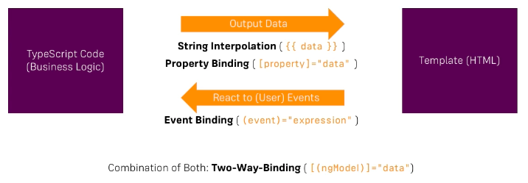

pv-atcg s2v13 | String Interpolation
 |  | server.component.ts
 |  |  | export class ServerComponent
 |  |  |  | serverId = 10; |  |  |  |  | no : number is inferred
 |  |  |  | serverStatus = ‘offline’; |  |  |  |  | no : string is inferred
 |  | or
 |  |  | export class ServerComponent
 |  |  |  | serverId: number = 10; |  |  |  |  | with : number is explicit
 |  |  |  | serverStatus: string = ‘offline’; |  |  |  |  | with : string is explicit

 |  |  |  | getServerStatus() {
 |  |  |  |  | return this.ServerStatus;
 |  |  |  | }
 |  | server.component.html
 |  |  | <p>{{ ‘Server’ }} with ID |  |  |  |  |  | text can be included within {{ }}
 |  |  | {{ serverId }} is |  |  |  |  |  | variable can be included within {{ }} including a number
 |  |  | {{ getServerStatus() }}</p> |  |  |  |  |  | method can be included within {{ }}

pv-atcg s2v14 | Property Binding
 |  | app.component.html
 |  |  | <button class=”btn btn-primary”>Add</button> |  |  |  |  |  |  |  |  |  |  |  |  |  | bootstrap button does not work
 |  |  | <button type="button">Click Me!</button> |  |  |  |  |  |  |  |  |  |  |  |  |  | plain html works

 |  |  | <style>
 |  |  |  | .button { |  |  |  |  |  |  |  |  |  |  |  |  | css works
 |  |  |  | border: none;
 |  |  |  | color: white;
 |  |  |  | padding: 15px 32px;
 |  |  |  | text-align: center;
 |  |  |  | text-decoration: none;
 |  |  |  | display: inline-block;
 |  |  |  | font-size: 16px;
 |  |  |  | margin: 4px 2px;
 |  |  |  | cursor: pointer;
 |  |  |  | }
 |  |  | .button1 {background-color: #4CAF50;} /* Green */
 |  |  | .button2 {background-color: #008CBA;} /* Blue */
 |  |  | </style>
 |  |  | <button class="button button1">Green</button>
 |  |  | <button class="button button2">Blue</button>
2021-05-22 | EXPERIMENTED WITH BOOTSTRAP
 | atcg % | rm -rf app2
 | atcg % | ng new app4
 | atcg % | cd app4
 | app4 % | ng serve
 | browser | localhost:4200 |  |  |  |  | works fine
 | https://ng-bootstrap.github.io/#/getting-started
 | t2 app4 % | ng add @ng-bootstrap/ng-bootstrap
 |  |  | npm ERR! Fix the upstream dependency conflict, or retry
 |  |  | npm ERR! this command with --force, or --legacy-peer-deps
 | t2 app4 % | npm install --legacy-peer-deps

 | atcg % | ng new app5
 | atcg % | cd app5
 | app5 % | ng serve --port 4201
 | browser | localhost:4201 |  |  |  |  | works fine
 | https://ng-bootstrap.github.io/#/getting-started
 | t2 app5 % | ng add @ng-bootstrap/ng-bootstrap
 |  |  | npm ERR! Fix the upstream dependency conflict, or retry
 |  |  | npm ERR! this command with --force, or --legacy-peer-deps
 | t2 app5 % | npm install --force
 | vscode app5 | app.component.html
 |  |  | <button class=”btn btn-primary”>Add</button> |  |  |  |  |  |  |  |  |  |  |  |  |  |  | WORKS!

 | can sometimes use either string interpolation or property binding

 | vscode app5 | app.component.html
 |  |  | <button class=”btn btn-primary” disabled>Add</button>

 |  |  | <button class=”btn btn-primary” [disabled]=”!allowNewServer”>Add</button>
 |  |  |  |  |  |  |  |  | ^ watch double negatives
 |  | app.component.ts
 |  |  | export class AppComponent {
 |  |  |  | allowNewServer = false;

 |  |  | constructor() {
 |  |  |  | setTimeout(() => {
 |  |  |  |  | this.AllowNewServer = true;
 |  |  |  | }, 2000); |  |  |  | 2000 milliseconds = 2 seconds
 |  |  | }

 |  | constructor is a method executed when angular creates a component
 |  |  | does not apply to app.component
 |  | '=> is ES6 method of handing a function() { }
 |  | ECMAScript 6 was the second major revision to JavaScript.
 |  | ECMAScript 6 is also known as ES6 and ECMAScript 2015.

pv-atcg s2v15 | Property Binding versus String Interpolation
 |  | app.component.html
 |  |  | <p>{{ allowNewServer }}</p> |  |  |  |  |  | reports true or false
 |  |  | <p [innerText]=”allowNewServer”></p> |  |  |  |  |  | reports true or false from inner text of ‘empty’ <p></p>

pv-atcg s2v16 | Event Binding
 |  | [ ] property binding
 |  | ( ) event binding
 |  | app.component.html
 |  |  | <button class=”btn btn-primary”
 |  |  |  | (click)=”onCreateServer()”>Add</button>
 |  | app.component.ts
 |  |  | serverCreationStatus = “no server created”;
 |  |  | onCreateServer() {
 |  |  |  | this.serverCreationStatus - “Server created”;
 |  |  | }

pv-atcg s2v17 | Passing and Using Data with Event Bindingr
 | t2 app5 % | ng g c servers
 |  | app.component.html
 |  |  | <servers></servers>
 |  | servers.component.html
 |  |  | <label>Server name</label>
 |  |  | <input
 |  |  |  | type="text"
 |  |  |  | class="form-control"
 |  |  |  | (input)="onUpdateServerName($event)"> |  |  |  |  |  | $event is a special name
 |  |  | {{serverName}}

 |  | servers.component.ts
 |  |  | serverName=’’;
 |  |  | onUpdateServerName(event: Event){
 |  |  |  | // console.log(event);
 |  |  |  | this.serverName = (<HTMLInputElement>event.target).value;
 |  |  | }

pv-atcg s2v18 | Two-Way-Databinding
 |  | simpler than above !
 |  | combine [ ] property binding with ( ) event binding using [(ngModel)]
 |  |  | which requires FormsModule in AppModule (default in an CLI project)
 |  | servers.component.html
 |  |  | <label>Server name</label>
 |  |  | <input
 |  |  |  | type="text"
 |  |  |  | class="form-control"
 |  |  |  | [(ngModel)]="serverName">
 |  |  | {{serverName}}

pv-atcg s2v19 | Combining All Forms of Data Binding
 |  | servers.component.ts
 |  |  | serverCreationStatus = “no server created”;
 |  |  | onCreateServer() {
 |  |  |  | this.serverCreationStatus - “Server created - name is ” + this.serverName;
 |  |  | }

pv-atcg s2v20 | Assignment Solution
 |  | servers.component.ts
 |  |  | username=’’;

 |  | servers.component.html
 |  |  | <hr>
 |  |  | <label>Username</label>
 |  |  | <input type=”text” class=”form-control”
 |  |  |  | [(ngModel)]=”username”>
 |  |  | <p>{{ username }}</p>
 |  |  | <button
 |  |  |  | class=”btn bth-primary”
 |  |  |  | [disabled]=”username === ‘’”
 |  |  |  | (click)=”username = ‘’”>Reset User</button>
 |  |  | </button> |  |  | ^ not using a function in .ts file

pv-atcg s2v21 | Understanding Directives
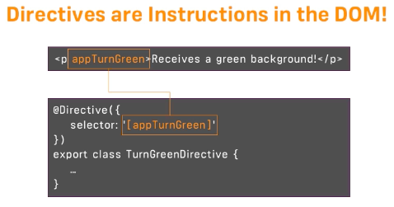

 |  |  | ^ can create our own, but there are also built-in directives
 |  |  | components are directives

pv-atcg s2v22 | Using the ngIf Directive to Display Data Conditionally
 |  | * before ngIf (or ngFor) is there because it is a structural directive
 |  |  | i.e. it changes the structure of the DOM
 |  |  | must return true of false
 |  | servers.component.ts
 |  |  | serverCreated = false;
 |  |  | onCreateServer() {
 |  |  |  | this.serverCreated = true;
 |  |  |  | this.serverCreationStatus - “Server created - name is ” + this.serverName;
 |  |  | }
 |  | servers.component.html
 |  |  | <p *ngIf=”serverCreated”>Server was created, name is {{ serverName }}</p>

 |  |  |  |  |  |  |  |  |  | Elements shows binding is here
 |  |  |  |  |  |  |  |  |  | but the <p></p> is not created

 |  |  |  |  |  |  |  |  |  | until button is clicked

pv-atcg s2v23 | Enhancing the ngIf Directive with an Else Condition
 |  | <p *ngIf=”serverCreated”>Server was created, name is {{ serverName }}</p>
 |  | <p *ngIf=”serverCreated”>Server was created, name is {{ serverName }}</p>
 |  |  | ^ reverse with ! for not or use ng-template
 |  | <p *ngIf=”serverCreated; else noServer”>Server was created, name is {{ serverName }}</p>
 |  | <ng-template #noServer> |  |  |  |  |  | # creates a local reference such as noServer
 |  |  | <p>No server was created</p> |  |  |  |  | content of ng-template shows unless serverCreated = true
 |  | <ng-template>
2021-05-23
pv-atcg s2v24 | Styling Elements Dynamically with the ngStyle Directive
 |  | structural directives add or remove elements
 |  | attribute directives change the element they are placed on
 |  | ngStyle is a directive name
 |  | [ngStyle] square brackets indicate that we want to bind a property to ngStyle
 |  | <p [ngStyle]=”{’background-color’ }” |  |  |  |  |  |  | with - in single quotes is valid JavaScript property name
 |  | <p [ngStyle]=“{backgroundColor: ‘red’}”> |  |  |  |  |  |  | camelCase
 |  | <p [ngStyle]=“{backgroundColor: getColor()}”> |  |  |  |  |  |  | call method getColor()

 |  | server.component.ts
 |  |  | export class ServerComponent {
 |  |  |  | serverId: number = 10;
 |  |  |  | serverStatus: string = ‘offline’;
 |  |  |  | constructor() {
 |  |  |  |  | this.serverStatus = Math.random() > 0.5 ? ‘online’ : ‘offline’;
 |  |  |  | }
 |  |  |  | getServerStatus() {
 |  |  |  |  | return this.serverStatus;
 |  |  |  | }
 |  |  |  | getColor() {
 |  |  |  |  | return this.serverStatus == ‘online’ ? ‘’green’ : ‘red’;
 |  |  |  | }
 |  |  | }

pv-atcg s2v25 | Applying CSS Classes Dynamically with the ngClass Directive
 |  | server.component.ts
 |  |  | @Component({
 |  |  |  | …
 |  |  |  | styles: [`
 |  |  |  |  | .online {
 |  |  |  |  | color: white;
 |  |  |  |  | }
 |  |  |  | `]
 |  |  | })
 |  | server.component.html
 |  |  | <p [ngStyle]={backgroundColor: getColor()}”
 |  |  | [ngClass]=”{online: serverStatus === ‘online’}”>
 |  |  | [ngClass]=”{‘on-line’: serverStatus === ‘online’}”>
 |  |  |  |  | ^ single quotes if not one word
 |  |  |  |  | ^ or could call as function

pv-atcg s2v25 | Displaying Lists Using the ngFor Directive
 |  | server.component.ts
 |  |  | …
 |  |  | servers = [‘Testserver’, ‘Tester2’];
 |  |  | …
 |  |  | onCreateServer() {
 |  |  |  | this.serverCreated = true;
 |  |  |  | this.servers.push(this.serverName); |  |  |  |  |  | PUSH adds to array
 |  |  |  | this.serverCreationStatus - “Server created - name is ” + this.serverName;
 |  |  | }
 |  | server.component.html
 |  |  | <app-server *ngFor=”let s of servers”></app-servers>

pv-atcg s2v26 | Assignment Solution
 |  | app.component.ts
 |  |  | export class AppComponent {
 |  |  |  | showSecret = false;
 |  |  |  | log = [ ];

 |  |  |  | onToggleDetails() {
 |  |  |  |  | this.showSecret = !this.showSecret; |  |  |  |  |  | toggle
 |  |  |  |  | this.log.push(this.log.length + 1);
 |  |  |  | } |  |  | ^ initially zero so creates count
 |  |  | }
 |  | app.component.css
 |  |  | .white-text { |  |  |  |  | any name
 |  |  |  | color: white;
 |  |  | }
 |  | app.component.html
 |  |  | <div
 |  |  |  | *ngFor=”let logItem of log”
 |  |  |  | [ngStyle]=”{backgroundColor: logItem >= 5 ? ‘blue’ : ‘transparent’}”
 |  |  |  | [ngClass]=”{‘white-text’: logItem >= 5}” |  |  |  |  |  |  | ^ = white
 |  |  | >{{ logItem }}</div>

pv-atcg s2v27 | Getting the Index When Using the ngFor Directive
 |  | app.component.ts
 |  |  | export class AppComponent {
 |  |  |  | showSecret = false;
 |  |  |  | log = [ ];

 |  |  |  | onToggleDetails() {
 |  |  |  |  | this.showSecret = !this.showSecret; |  |  |  |  |  | toggle
 |  |  |  |  | this.log.push(new Date());
 |  |  |  | } |  |  | ^ time stamp so not item number
 |  |  | }
 |  |  |  |  |  |  | but ngFor has an index property
 |  | app.component.html
 |  |  | <div
 |  |  |  | *ngFor=”let logItem of log”; let i = index |  |  |  |  |  | < count starts at 0, not 1
 |  |  |  | [ngStyle]=”{backgroundColor: i >= 4 ? ‘blue’ : ‘transparent’}”
 |  |  |  | [ngClass]=”{‘white-text’: i >= 4}”
 |  |  | >{{ logItem }}</div>

pv-atcg s3 | Course Project - The Basics
pv-atcg s3v1 | Project Introduction
pv-atcg s3v2 | Planning the Application
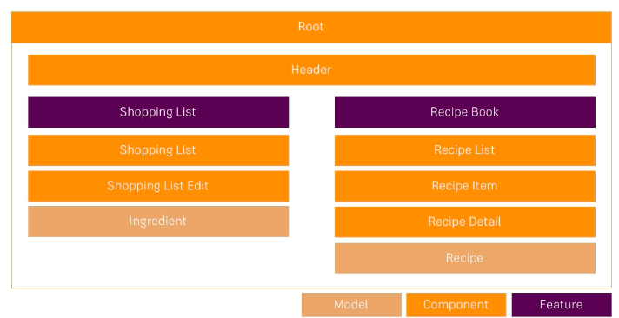

pv-atcg s3v3 | Setting up the Application
 |  | ng new cp1 |  |  |  |  | name for course project 1
 |  | clean up app.component.ts after export class
 |  | clean up app.component.html
 |  | cd cp1
 | cp1 $ | npm install --save bootstrap |  |  |  |  | --save 'because it will be a production dependency'
 |  | angular.json

 |  |  |  |  |  | ^ ../ wrong ./node_modules - up only one folder from index.html
 | cp1 $ | ng serve
 |  | app.component.html
 |  |  | .container then tab to autocomplete (no quotes)

pv-atcg s3v4 | Creating Components
 | cp1 $ | ng g c header |  |  |  |  | automatically updates app.module.ts
 |  | app.component.html
 |  |  | app-header then tab generates
 |  |  | <app-header></app-header>
 | cp1 $ | ng g c recipes --skip-tests |  |  |  |  | --spec false in video to prevent creation of testing file
 | cp1 $ | ng g c recipes/recipe-list --skip-tests
 | cp1 $ | ng g c recipes/recipe-detail --skip-tests
 | cp1 $ | ng g c recipes/recipe-list/recipe-item --skip-tests
 | cp1 $ | ng g c shopping-list --skip-tests
 | cp1 $ | ng g c shopping-list/shopping-edit --skip-tests

pv-atcg s3v5 | Using Components
 | app.component.html
 |  | <app-header></app-header>
 |  | <div class="container">
 |  |  | <div class="row">
 |  |  |  | <div class="col-md-12">
 |  |  |  |  | <app-recipes></app-recipes>
 |  |  |  |  | <app-shopping-list></app-shopping-list>
 |  |  |  | </div>
 |  |  | </div>
 |  | </div>
 | recipes.component.html
 |  | <div class="row">
 |  |  | <div class="col-md-5">
 |  |  |  | <app-recipe-list></app-recipe-list>
 |  |  | </div>
 |  |  | <div class="col-md-7">
 |  |  |  | <app-recipe-detail></app-recipe-detail>
 |  |  | </div>
 |  | </div>
 | recipe-list.component.html
 |  | <app-recipe-item></app-recipe-item>

 | shopping-list.component.html
 |  | <div class="row">
 |  |  | <div class="col-xs-10">
 |  |  |  | <app-shopping-edit></app-shopping-edit>
 |  |  |  | <hr>
 |  |  |  | <p>The list</p>
 |  |  | </div>
 |  | </div>

pv-atcg s3v6 | Adding a Navigation Bar
 | header.component.html
 |  | <nav class="navbar navbar-default">
 |  |  | <div class="container-fluid">
 |  |  |  | <div class="navbar-header">
 |  |  |  |  | <a href="#" class="navbar-brand">Recipe Book</a>
 |  |  |  | </div>
 |  |  |  | <div class="collapse navbar-collapse">
 |  |  |  |  | <ul class="nav navbar-nav">
 |  |  |  |  |  | <li><a href="#">Recipes</a></li>
 |  |  |  |  |  | <li><a href="#">Shopping list</a></li>
 |  |  |  |  | </ul>
 |  |  |  |  | <ul class="nav navbar-nav navbar-right">
 |  |  |  |  |  | <li class="dropdown">
 |  |  |  |  |  | <a href=”#” class=”dropdown-toggle” role-=”button”>Manage <span class=”caret”></span></a>
 |  |  |  |  |  |  | <ul class="dropdown-menu">
 |  |  |  |  |  |  |  | <li><a href="">Save data</a></li>
 |  |  |  |  |  |  |  | <li><a href="">Fetch data</a></li>
 |  |  |  |  |  |  | </ul>
 |  |  |  |  |  | </li>
 |  |  |  |  | </ul>
 |  |  |  | </div>
 |  |  | </div>
 |  | </nav>
 |  | ABOVE DOES NOT WORK - GOOD DETAIL AT -
 |  |  | https://getbootstrap.com/docs/4.0/components/navbar/
2021-05-24 |  | DOES SORT OF WORK IF THIS COLLAPSE DEACTIVATED
 |  |  | <div class="collapse navbar-collapse"></div>

pv-atcg s3v7 | Creating a "Recipe" Model
 | cp1 $ | ng generate class recipes/recipe --type=model --skip-tests
 |  | CREATE src/app/recipes/recipe.model.ts (25 bytes)


 |  | model seems to need constructor, not required in ionic?

pv-atcg s3v8 | Adding Content to the Recipes' Components
 |  | recipe-list.component.ts
 |  |  | export class RecipeListComponent implements OnInit {
 |  |  |  | recipes = [ ]; |  |  |  | add array (no colon)
 |  |  |  | recipes: Recipe = [ ]; |  |  |  | array type is of model : Recipe
 |  |  |  | recipes: Recipe [ ] = [ ]; |  |  |  | array type is array of model Recipe
 |  |  |  |  | ^ click in Recipe cmd+. - import Recipe
 |  |  | Google search ‘Recipes’, Images>Tools>Creative Commons licences
 |  |  |  | right click on an image > open in new tab > copy link
 |  |  |  | recipes: Recipe [ ] = [
 |  |  |  |  | new Recipe(‘n1’, ‘desc1’, ‘http….’),
 |  |  |  |  | new Recipe(‘n2’, ‘desc2’, ‘http….’),
 |  |  |  | ];
 |  | https://docs.emmet.io/cheat-sheet/ |  |  |  |  |  | VERY USEFUL
 |  | recipe-list.component.html
 |  |  | <div class="row"> |  |  |  |  |  |  | .row > tab
 |  |  |  | <div class="col-xs-12"> |  |  |  |  |  | .col-xs-12 > tab
 |  |  |  |  | <button class="btn btn-success"> |  |  |  |  | button.btn.btn-success
 |  |  |  |  | </button>
 |  |  |  | </div>
 |  |  | </div>
 |  |  | <div class="row">
 |  |  | <div class="col-xs-12">
 |  |  |  |  |  |  |  |  |  | a.list-group-item.clearfix
 |  |  |  | <a href="#" class="list-group-item clearfix">
 |  |  |  |  |  |  |  |  |  | h4.list-group-item-heading
 |  |  |  | <h4 class="list-group-item-heading">Recipe name</h4>
 |  |  |  |  |  |  |  |  |  | p.list-group-item-text
 |  |  |  | <p class="list-group-item-text">Descritption</p>
 |  |  |  |  |  |  |  |  |  | span.pull-right
 |  |  |  | <span class="pull-right">
 |  |  |  |  |  |  |  |  |  | img.img-responsive
 |  |  |  | <img src="" alt="" class="img-responsive" style="max-height: 50px;">
 |  |  |  | </span>
 |  |  |  | </a>
 |  |  | </div>
 |  |  | </div>

pv-atcg s3v9 | Displaying a List of Recipes Using the ngFor Directive
 |  | recipe-list.component.html
 |  |  | <div class="row">
 |  |  | <div class="col-xs-12">
 |  |  |  | <a href="#" class="list-group-item clearfix"
 |  |  |  |  | *ngFor=”let r of recipes”>
 |  |  |  | <h4 class="list-group-item-heading">{{ r.name }}</h4>
 |  |  |  | <p class="list-group-item-text">{{ r.descritption }}</p>
 |  |  |  | <span class="pull-right">
 |  |  |  |  | <img src={{r.imagePath}} alt={{r.name}} |  |  |  |  |  |  | string interpolation OR
 |  |  |  |  | <img [src]=”r.imagePath” alt={{r.name}} |  |  |  |  |  |  | property binding
 |  |  |  |  | class="img-responsive" style="max-height: 50px;">
 |  |  |  | </span>
 |  |  |  | </a>
 |  |  | </div> |  |  |  |  | [src]="r.imagePath" alt={{r.name}}
 |  |  | </div>

pv-atcg s3v10 | Displaying Recipe Details
 |  | recipe-detail.component.html |  |  |  |  |  | .row>.col-xs-12
 |  | <div class="row">
 |  |  | <div class="col-xs-12">
 |  |  |  | <img src="" alt="" class="img-responsive">
 |  |  | </div>
 |  | </div>
 |  | <div class="row">
 |  |  | <div class="col-xs-12">
 |  |  |  | <h1>Recipe Name</h1>
 |  |  | </div>
 |  | </div>
 |  | <div class="row">
 |  |  | <div class="col-xs-12">
 |  |  |  | <button type="button" class="btn btn-primary dropdown-toggle">
 |  |  |  |  | Manage Recipe <span class="caret"></span>
 |  |  |  | </button>
 |  |  |  | <ul class="dropdown-menu">
 |  |  |  |  | <li><a href="#"></a>To Shopping List</li>
 |  |  |  |  | <li><a href="#"></a>Edit Recipe</li>
 |  |  |  |  | <li><a href="#"></a>Delete Recipe</li>
 |  |  |  | </ul>
 |  |  | </div>
 |  | </div>
 |  | <div class="row">
 |  |  | <div class="col-xs-12"> Description </div>
 |  | </div>
 |  | <div class="row">
 |  |  | <div class="col-xs-12"> Ingredients </div>
 |  | </div>

pv-atcg s3v11 | Working on the Shopping List Component
 |  | shopping-list.component.html
 |  |  | <div class="row">
 |  |  |  | <div class="col-xs-10">
 |  |  |  |  | <app-shopping-edit></app-shopping-edit>
 |  |  |  |  | <hr>
 |  |  |  |  | <ul class="list-group">
 |  |  |  |  |  | <a class="list-group-item" style="cursor: pointer"></a>
 |  |  |  |  | </ul> | ^ href removed, replaced by cursor: pointer
 |  |  |  | </div>
 |  |  | </div>
 |  | shopping-list.component.ts
 |  |  | export class ShoppingListComponent implements OnInit {
 |  |  |  | ingredients = [ ];

pv-atcg s3v12 | Creating an "Ingredient" Model
 | app $ | mkdir shared
 | cp1 $ | ng generate class shared/ingredient --type=model --skip-tests
 |  | (ng g c would create a component)
 |  | ingredient.model.ts
 |  |  | export class Ingredient {
 |  |  |  | public name: string;
 |  |  |  | public amount: number;

 |  |  |  | constructor(name: string, amount:number) {
 |  |  |  |  | this.name = name;
 |  |  |  |  | this.amount = amount;
 |  |  |  | }
 |  |  | }
 |  |  | SHORTHAND USING SAME ‘NAMES’
 |  |  | constructor(public name: string, public amount:number) { }
2021-05-25
pv-atcg s3v13 | Creating and Displaying the Shopping List
 |  | shopping-list.component.ts
 |  |  | export class ShoppingListComponent implements OnInit {
 |  |  |  | ingredients: Ingredient[ ] = [
 |  |  |  | new Ingredient('Apples', 5),
 |  |  |  | new Ingredient('Tomatoes', 10)
 |  |  | ];
 |  | shopping-list.component.html
 |  |  | <div class="row">
 |  |  |  | <div class="col-xs-10">
 |  |  |  |  | <app-shopping-edit></app-shopping-edit>
 |  |  |  |  | <hr>
 |  |  |  |  | <ul class="list-group">
 |  |  |  |  |  | <a class="list-group-item" style="cursor: pointer"
 |  |  |  |  |  |  | *ngFor=”let i of ingredients”
 |  |  |  |  |  | >
 |  |  |  |  |  |  | {{ i.name }} ({{ i.amount }})
 |  |  |  |  |  | </a>
 |  |  |  |  | </ul>
 |  |  |  | </div> |  |  | COULD BE A COMPONENT
 |  |  | </div> |  |  |  | BUT THIS IS ‘SIMPLE!’

pv-atcg s3v14 | Adding a Shopping List Edit Section
 |  | shopping-edit.component.html
 |  |  | <div class="row">
 |  |  |  | <div class="col-xs-12">
 |  |  |  | <form>
 |  |  |  | <div class="row">
 |  |  |  |  | <div class="col-sm-5 form-group">
 |  |  |  |  |  | <label for="name">Name</label>
 |  |  |  |  |  | <input type="text" id="name" class="form-control">
 |  |  |  |  | </div>
 |  |  |  |  | <div class="col-sm-2 form-group">
 |  |  |  |  |  | <label for="amount">Amount</label>
 |  |  |  |  |  | <input type="number" id="amount" class="form-control">
 |  |  |  |  | </div>
 |  |  |  | </div>
 |  |  |  | <div class="row">
 |  |  |  |  | <div class="col-xs-12">
 |  |  |  |  |  | <button class="btn btn-success" type="submit">Add</button>
 |  |  |  |  |  | <button class="btn btn-danger" type="button">Delete</button>
 |  |  |  |  |  | <button class="btn btn-primary" type="button">Clear</button>
 |  |  |  |  | </div>
 |  |  |  | </div>
 |  |  |  | </form>
 |  |  |  | </div>
 |  |  | </div>

pv-atcg s3v14 | Wrapping up and Next Steps

pv-atcg s4 | Debugging
pv-atcg s4v1 | Understanding Angular Error Messages
 |  | look at developer tools > Console
 |  |  | line number will be the compiled line, not the program line.

pv-atcg s4v2 | Debugging Code in the Browser Using Source Maps
 |  | look at developer tools > Sources > main.js
 |  |  | try to find code in main.js > click line number
 |  |  | will ’map’ to TypeScript file
 |  |  | click TypeScript line number to create breakpoint
 |  |  | bottom left may then be action buttons (step etc.)
 |  |  | hover on variables may show value
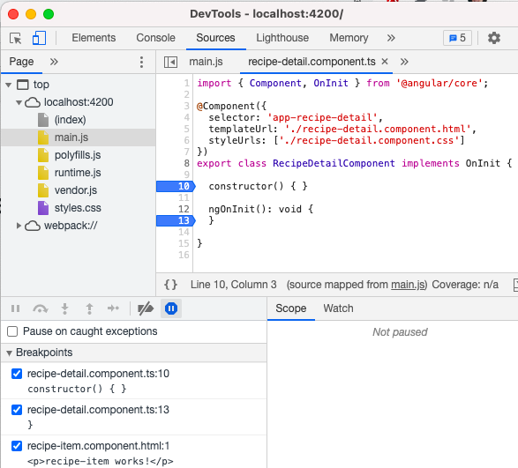

 |  | webpack is an easier way to get to TypeScript code
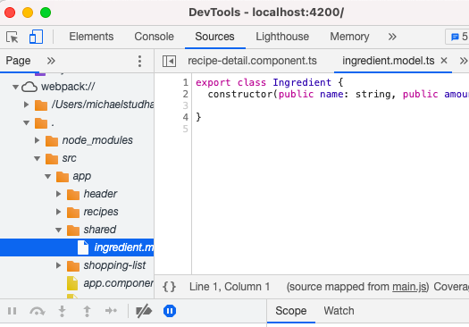

pv-atcg s4v3 | Using the Augury Plug-in for Diving into Angular Applications
 |  | augury is an extension for Chrome
 |  | https://augury.rangle.io/ |  |  |  |  | has guides
 |  |  | install on Chrome
 |  |  | may be showing as Angular

pv-atcg s5 | Components and Databinding Deep Dive
pv-atcg s5v1 | Module Introduction
pv-atcg s5v2 | Splitting Applications into Components
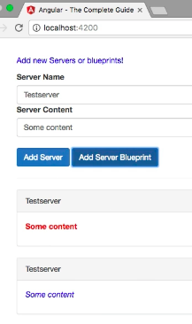
 |  |  |  |  | initial application all in app.component
 |  |  |  |  | split out as |  | <app-cockpit>
 |  |  |  |  |  |  | <app-server-element>
 |  |  |  |  | then app.component is -
 |  |  |  |  |  | <div class=”container”>
 |  |  |  |  |  |  | <app-cockpit></app-cockpit>
 |  |  |  |  |  |  | <hr>
 |  |  |  |  |  |  | <div class=”row”>
 |  |  |  |  |  |  |  | <div class=”col-xs-12”>
 |  |  |  |  |  |  |  |  | <app-server-element
 |  |  |  |  |  |  |  |  |  | *ngFor=”let se of serverElements”>
 |  |  |  |  |  |  |  |  | </app-server-element>
 |  |  |  |  |  |  |  | </div>
 |  |  |  |  |  |  | </div>
 |  |  |  |  |  | </div>

 |  | methods also move from app.component.ts to cockpit.component.ts
 |  |  | onAddServer() { }
 |  |  | onAddBlueprint() { }
 |  | and associated properties
 |  |  | newServerName = ‘ ‘;
 |  |  | newServerContent = ‘ ‘;

 |  | BUT HOW DOES PARENT app.component COMMUNICATE WITH CHILDREN?

pv-atcg s5v3 | Property and Event Binding Overview
 |  | can bind to - HTML Elements, Directives, and Components

pv-atcg s5v4 | Binding to Custom Properties
 |  | server-element.component.html
 |  |  | outputs {{ element.name }} {{ element.type }} {{ element.content }}
 |  |  | therefore
 |  | server-element.component.ts
 |  |  | export class serverElement implements OnInit {
 |  |  |  | element: {type: string, name: string, content: string};
 |  | app.component.html is -
 |  |  | <div class=”container”>
 |  |  |  | <app-cockpit></app-cockpit>
 |  |  |  | <hr>
 |  |  |  | <div class=”row”>
 |  |  |  |  | <div class=”col-xs-12”>
 |  |  |  |  |  | <app-server-element
 |  |  |  |  |  |  | *ngFor=”let se of serverElements”
 |  |  |  |  |  |  | [element]=”se”>
 |  |  |  |  |  | </app-server-element>
 |  |  |  |  | </div>
 |  |  |  | </div>
 |  |  | </div>
 |  | server-element.component.ts
 |  |  | import { Component, OnInit, Input } from ‘@angular/core’;
 |  |  | export class serverElement implements OnInit {
 |  |  |  | @Input() element: {type: string, name: string, content: string};

 |  |  | Input exposes this property for input from any parent component therefore
 |  |  | app.component.ts has access to [element] of serverElement

pv-atcg s5v5 | Assigning an Alias to Custom Properties
 |  | app.component.html is -
 |  |  | *ngFor=”let se of serverElements”
 |  |  | [element]=”se”> |  |  |  | [element] matches name in @Input
 |  |  | [srvElement]=”se”> |  |  |  | might want different name
 |  | server-element.component.ts
 |  |  | @Input(‘srvElement’) element: {type: string, name: string, content: string};
 |  |  |  | ^n link by adding alias

pv-atcg s5v6 | Binding to Custom Events
 |  | app.component.ts
 |  |  | export class AppComponent
 |  |  |  | serverElements = [{type: ‘server’, name: ‘Testserver’, content: ‘hvhvh’}];
 |  |  |  |  |  |  | ^key value pairs

 |  |  |  | onServerAdded(serverData: {serverName: string, serverContent: string }) {
 |  |  |  |  | this.serverElements.push({
 |  |  |  |  |  | type: ‘server’,
 |  |  |  |  |  | name: serverData.serverName,
 |  |  |  |  |  | content: serverData.serverContent,
 |  |  |  |  | });
 |  |  |  | }
 |  |  |  | onBlueprintAdded(blueprintData: {serverName: string, serverContent: string }) {
 |  |  |  |  | this.serverElements.push({
 |  |  |  |  |  | type: ‘server’,
 |  |  |  |  |  | name: blueprintData.serverName,
 |  |  |  |  |  | content: blueprintData.serverContent,
 |  |  |  |  | });
 |  |  |  | }
 |  | app.component.html
 |  |  | <app-cockpit
 |  |  |  | (serverCreated)=”onServerAdded($event)”
 |  |  |  | (blueprintCreated)=”onBlueprintAdded($event)”
 |  |  | ></app-cockpit>
 |  | cockpit.component.ts
 |  |  | import { Component, OnInit, EventEmitter, Output } from ‘@angular/core’;
 |  |  | export class CockpitComponent implements OnInit {
 |  |  |  | @Output() serverCreated = new EventEmitter<{serverName: string, serverContent: string}>();
 |  |  |  | @Output() blueprintCreated = new EventEmitter<{serverName: string, serverContent: string}>();

 |  |  |  | onAddServer() {
 |  |  |  |  | this.serverCreated.emit({
 |  |  |  |  |  | serverName: this.newServerName,
 |  |  |  |  |  | serverContent: this.newServerContent,
 |  |  |  |  | });
 |  |  |  | }
 |  |  |  | onAddBlueprint() {
 |  |  |  |  | this.blueprintCreated.emit({
 |  |  |  |  |  | serverName: this.newServerName,
 |  |  |  |  |  | serverContent: this.newServerContent,
 |  |  |  |  | });
 |  |  |  | }

pv-atcg s5v7 | Assigning an Alias to Custom Events
 |  | cockpit.component.ts
 |  |  | @Output() blueprintCreated = new EventEmitter<{serverName: string, serverContent: string}>();
 |  |  | @Output(‘bpCreated’) blueprintCreated = new EventEmitter<{serverName: string, serverContent: string}>();
 |  | app.component.html
 |  |  | <app-cockpit
 |  |  |  | (serverCreated)=”onServerAdded($event)”
 |  |  |  | (bpCreated)=”onBlueprintAdded($event)”
 |  |  | ></app-cockpit>

pv-atcg s5v8 | Custom Property and Event Binding Summary
 |  | sibling to sibling?
 |  |  | services is an alternative, discussed later, shorter in this case

pv-atcg s5v9 | Understanding View Encapsulation
 |  | angular breaks the standard css cascading rule
 |  | app.component.css only applies to app.component.html
 |  |  | not to cockpit.component.html etc.

pv-atcg s5v10 | More on View Encapsulation
 |  | server-element.component.ts
 |  |  | import { Component, OnInit, input, viewEncapsulation } from ‘@angular/core’;
 |  |  | @Component({
 |  |  |  | …
 |  |  |  | styleUrls: [‘./server-element.component.css’]’
 |  |  |  | encapsulation: ViewEncapsulation.None
 |  |  |  |  |  |  |  |  | .Native |  |  | uses shadow DOM, some browsers only
 |  |  |  |  |  |  |  |  | .None |  |  | makes css global
 |  |  |  |  |  |  |  |  | .Emulated |  |  | default used above

pv-atcg s5v11 | Using Local References in Templates
 |  | cockpit.component.html
 |  |  | <input type=”text” class=”form-control” [(ngModel)]=”newServerName”> |  |  |  |  |  |  |  |  |  | (two way data binding method)
 |  |  | <button class=”btn btn-primary”
 |  |  |  | (click)=”onAddServer()>Add Server</button>

 |  |  | <input type=”text” class=”form-control” #serverNameInput> |  |  |  |  |  |  |  |  |  | creates variable only available
 |  |  |  |  |  |  |  |  |  |  |  |  |  | in cockpit.component.html
 |  |  | <button class=”btn btn-primary”
 |  |  |  | (click)=”onAddServer(serverNameInput)>Add Server</button> |  |  |  |  |  |  |  |  | can pass here

 |  |  | a local reference #… can be placed on any html element
 |  |  |  | and reports all the element details
 |  | cockpit.component.ts
 |  |  | onAddServer() {
 |  |  |  | this.serverCreated.emit({
 |  |  |  |  | serverName: this.newServerName,
 |  |  |  |  | serverContent: this.newServerContent,
 |  |  |  | });
 |  |  | }
 |  |  | onAddServer() { |  |  |  |  |  |  | now can receive …
 |  |  | onAddServer(nameInput) { |  |  |  |  |  |  | any name - whole value
 |  |  |  | console.log(nameInput.value) |  |  |  |  |  | value property only
 |  |  | onAddServer(nameInput: HTMLInputElement) {
 |  |  |  | this.serverCreated.emit({
 |  |  |  |  | serverName: nameInput.value,
 |  |  |  |  | serverContent: this.newServerContent,
 |  |  |  | });
 |  |  | }

pv-atcg s5v12 | Getting Access to the Template and Document Object Model (DOM) with the @ViewChild Component
 |  | server.component.html
 |  |  | <input type=”text” class=”form-control” [(ngModel)]=”newServerContent”> |  |  |  |  |  |  |  |  |  | (two way data binding method)
 |  |  | <input type=”text” class=”form-control”
 |  |  |  | #serverContentInput> |  |  |  |  |  |  |  |  | local variable

 |  | cockpit.component.ts
 |  |  | import { Component, OnInit, EventEmitter, Output, ViewChild, ElementRef } from ‘@angular/core’;
 |  |  | export class CockpitComponent implements OnInit {
 |  |  |  | …
 |  |  |  | @ViewChild(‘serverContentInput’) serverContentInput: ElementRef;

 |  |  |  | onAddServer() {
 |  |  |  |  | this.serverCreated.emit({
 |  |  |  |  |  | serverName: nameInput.Value,
 |  |  |  |  |  | serverContent: this.serverContentInput.nativeElement.value
 |  |  |  |  | });
 |  |  |  | }
 |  |  |  | onAddBlueprint() {
 |  |  |  |  | this.blueprintCreated.emit({
 |  |  |  |  |  | serverName: this.newServerName,
 |  |  |  |  |  | serverContent: this.serverContentInput.nativeElement.value
 |  |  |  |  | });
 |  |  |  | }

pv-atcg s5v13 | Projecting Content into Components with ng-content
 |  | server-element.component.html
 |  |  | <div class=”panel panel-default”>
 |  |  | <div class=”panel-heading”>{{ element.name }}</div>
 |  |  | <div class=”panel-body”>
 |  |  |  | <p>
 |  |  |  | <strong *ngIf=”element.type === ‘server’” style=”...”>{{ element.content }}</strong>
 |  |  |  | <em *ngIf=”element.type === ‘blueprint’”>{{ element.content }}</em>
 |  |  |  | </p>
 |  |  |  | <ng-content></ng-content> |  |  |  |  |  | COPY CONTENT HERE FROM BELOW
 |  |  | </div>
 |  |  | </div>
 |  | app.component.html is -
 |  |  | <div class=”container”>
 |  |  |  | <app-cockpit
 |  |  |  |  | (serverCreated)=”onServerAdded($event)”
 |  |  |  |  | (bpCreated)=”onBlueprintAdded($event)”
 |  |  |  | ></app-cockpit>
 |  |  |  | <hr>
 |  |  |  | <div class=”row”>
 |  |  |  |  | <div class=”col-xs-12”>
 |  |  |  |  |  | <app-server-element
 |  |  |  |  |  |  | *ngFor=”let se of serverElements”
 |  |  |  |  |  |  | [srvElement]=”se”>
 |  |  |  |  |  |  | <p> |  |  | CONTENT WITHIN <app-server-element>
 |  |  |  |  |  |  | <strong *ngIf=”se.type === ‘server’” style=”...”>{{ se.content }}</strong>
 |  |  |  |  |  |  | <em *ngIf=”se.type === ‘blueprint’”>{{ se.content }}</em>
 |  |  |  |  |  |  | </p>
 |  |  |  |  |  | </app-server-element>
 |  |  |  |  | </div>
 |  |  |  | </div>
 |  |  | </div>
 |  |  |  |  |  |  | ^ can be used for reusable widgets

pv-atcg s5v14 | Understanding the Component Lifecycle
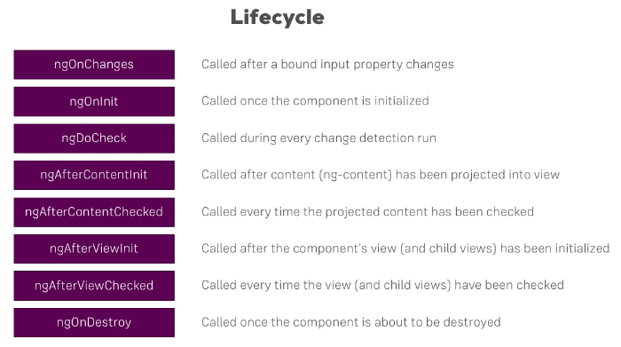

pv-atcg s5v15 | Seeing Lifecycle Hooks in Action
pv-atcg s5v16 | Lifecycle Hooks and Template Access
pv-atcg s5v17 | Getting Access to ng-content with the @ContentChild Parameter Decorator
pv-atcg s5v18 | Wrapping up
pv-atcg s5v19 | Assignment Solution

pv-atcg s6 | Course Project - Components and Data Binding
pv-atcg s6v1 | Introduction
pv-atcg s6v2 | Adding Navigation with Event Binding and the ngIf Directive
 |  | a method that uses *ngIf
pv-atcg s6v3 | Passing Recipe Data with Property Binding

pv-atcg s6v4 | Passing Data with Event and Property Binding (Combined)

pv-atcg s6v5 | Allowing the User to Add Ingredients to the Shopping List
 |  | uses local references to add an item
 |  |  | probably better to use forms

pv-atcg s7 | Directives Deep Dive
pv-atcg s7v1 | Module Introduction
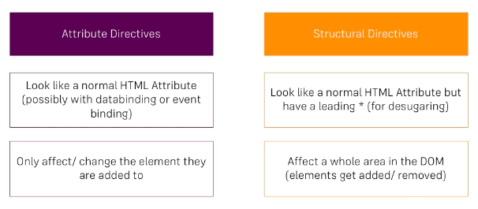

pv-atcg s7v2 | ngFor and ngIf Directives Recap
 |  | cannot have more than one structural directive on the same element
 |  |  | *ngFor / *ngIf

pv-atcg s7v3 | ngClass and ngStyle Recap

pv-atcg s7v4 | Creating a Basic Attribute Directive
 |  | basic-highlight.directive.ts
 |  |  | import { Directive, ElementRef, OnInit } frpm ‘@angular/core’;
 |  |  | @Directive({
 |  |  |  | selector: ‘[appBasicHighlight]’ |  |  |  |  |  |  | must have selector
 |  |  | }) |  |  |  |  |  |  |  | [ ] helps apply it
 |  |  | export class BasicHighlightDirective implements OnInit {
 |  |  |  | constructor(private elementRef: ElementRef) { }
 |  |  |  | ngOnInit() {
 |  |  |  |  | this.elementRef.nativeElement.style.backgroundColor = ‘green’;
 |  |  |  | }
 |  |  | }
 |  | app.module.ts
 |  |  | import { BasicHighlightDirective } from ‘./basic-highlight/basic-highight.directive’;
 |  |  | @NgModule({
 |  |  |  | declarations: [
 |  |  |  |  | AppComponent,
 |  |  |  |  | BasicHighLightDirective
 |  |  |  | ],
 |  |  | …
 |  | app.component.html
 |  |  | <p appBasicHighlight>Style me with basic directive</p>

pv-atcg s7v5 | Using the Renderer to Build a Better Attribute Directive
 |  | angular can render a template without using a DOM, then the above would not be available
 |  | ng g d better-highlight --skip-tests
 |  |  | maybe put in a shared or directives folder
 |  | ng g d will update app.module.ts
 |  | better-highlight.directive.ts
 |  |  | import { Directive, OnInit, ElementRef, Renderer2 } frpm ‘@angular/core’;
 |  |  | @Directive({
 |  |  |  | selector: ‘[appBetterHighlight]’
 |  |  | })
 |  |  | export class BetterHighlightDirective implements OnInit {
 |  |  |  | constructor(private elRef: ElementRef, private renderer: Renderer2) { }
 |  |  |  | ngOnInit() {
 |  |  |  |  | this.renderer. |  |  |  | (hover over dot to see option list)
 |  |  |  |  | this.renderer.setStyle(this.elRef.nativeElement, ‘background-color’, ‘blue’);
 |  |  |  | }
 |  |  | }
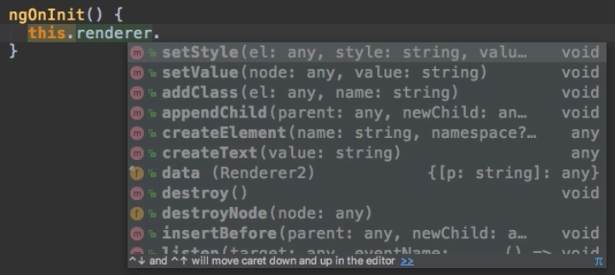

 |  | app.component.html
 |  |  | <p appBetterHighlight>Style me with better directive</p>
2021-05-26
pv-atcg s7v6 | Using the @HostListener() Decorator to Listen to Host Events
 |  | only apply BetterHighlight if mouse hovers over line
 |  | react to events that the element sits on
 |  | better-highlight.directive.ts
 |  |  | import { Directive, OnInit, ElementRef, Renderer2, HostListener } frpm ‘@angular/core’;
 |  |  | @Directive({
 |  |  |  | selector: ‘[appBetterHighlight]’
 |  |  | })
 |  |  | export class BetterHighlightDirective implements OnInit {
 |  |  |  | constructor(private elRef: ElementRef, private renderer: Renderer2) { }
 |  |  |  | ngOnInit() {
 |  |  |  | // | this.renderer.setStyle(this.elRef.nativeElement, ‘background-color’, ‘blue’);
 |  |  |  | }
 |  |  |  | @HostListener(‘mouseenter’) mouseover(eventdata: Event is optional, not needed here) {
 |  |  |  |  | this.renderer.setStyle(this.elRef.nativeElement, ‘background-color’, ‘blue’, false, false);
 |  |  |  | }
 |  |  |  | @HostListener(‘mouseenter’) mouseover(eventdata: Event is optional, not needed here) {
 |  |  |  |  | this.renderer.setStyle(this.elRef.nativeElement, ‘background-color’, ‘transparent’, false, false);
 |  |  |  | }
 |  |  | }

pv-atcg s7v7 | Using the @HostBinding() Decorator to Bind to Host Properties
 |  | HostListener + Renderer2 is fine, but possibly HostBinding is simpler
 |  | better-highlight.directive.ts
 |  |  | import { Directive, OnInit, ElementRef, Renderer2, HostListener, Hostbinding } from ‘@angular/core’;
 |  |  | @Directive({
 |  |  |  | selector: ‘[appBetterHighlight]’
 |  |  | })
 |  |  | export class BetterHighlightDirective implements OnInit {
 |  |  |  | @HostBinding(‘style.backgroundColor’) backgroundColor: string = ‘transparent’;
 |  |  |  | constructor(private elRef: ElementRef, private renderer: Renderer2) { }
 |  |  |  | ngOnInit() {
 |  |  |  | // | this.renderer.setStyle(this.elRef.nativeElement, ‘background-color’, ‘blue’);
 |  |  |  | }
 |  |  |  | @HostListener(‘mouseenter’) mouseover(eventdata: Event is optional, not needed here) {
 |  |  |  | // | this.renderer.setStyle(this.elRef.nativeElement, ‘background-color’, ‘blue’, false, false);
 |  |  |  |  | this.backgroundColor = ‘blue’;
 |  |  |  | }
 |  |  |  | @HostListener(‘mouseenter’) mouseover(eventdata: Event is optional, not needed here) {
 |  |  |  | // | this.renderer.setStyle(this.elRef.nativeElement, ‘background-color’, ‘transparent’, false, false);
 |  |  |  |  | this.backgroundColor = ‘transparent’;
 |  |  |  | }
 |  |  | }

pv-atcg s7v8 | Binding to Directive Properties
 |  | better-highlight.directive.ts
 |  |  | import { Directive, OnInit, ElementRef, Renderer2, HostListener, Hostbinding, Input } from ‘@angular/core’;
 |  |  | @Directive({
 |  |  |  | selector: ‘[appBetterHighlight]’
 |  |  | })
 |  |  | export class BetterHighlightDirective implements OnInit {
 |  |  |  | @Input() defaultColor: string = ‘transparent’;
 |  |  |  | @Input() highlightColor: string = ‘blue’;
 |  |  |  | @HostBinding(‘style.backgroundColor’) backgroundColor: string = this.defaultColor; |  |  |  |  |  |  |  |  |  |  |  | too early
 |  |  |  | @HostBinding(‘style.backgroundColor’) backgroundColor: string;
 |  |  |  | constructor(private elRef: ElementRef, private renderer: Renderer2) { }
 |  |  |  | ngOnInit() {
 |  |  |  |  | this.backgroundColor = this.defaultColor;
 |  |  |  | }
 |  |  |  | @HostListener(‘mouseenter’) mouseover(eventdata: Event is optional, not needed here) {
 |  |  |  |  | this.backgroundColor = this.highlightColor;
 |  |  |  | }
 |  |  |  | @HostListener(‘mouseenter’) mouseover(eventdata: Event is optional, not needed here) {
 |  |  |  |  | this.backgroundColor = this.defaultColor;
 |  |  |  | }
 |  |  | }
 |  | app.component.html
 |  |  | <p appBetterHighlight [defaultColor]=”’yellow’” |  |  |  |  |  |  |  | (double and single quotes)
 |  |  |  | [highlightColor]=”’red’”>Style me with better directive</p>
 |  | SLIGHT ALTERNATIVE - SET ALIAS AND BIND DIRECTIVE
 |  |  |  | @Input() defaultColor: string = ‘transparent’;
 |  |  |  | @Input(‘appBetterHighlight’) highlightColor: string = ‘blue’;
 |  |  | <p [appBetterHighlight] [defaultColor]=”’yellow’”
 |  |  |  | >Style me with better directive</p>
 |  | THERE IS A PROPERTY BINDING ALTERNATIVE -
 |  |  | [defaultColor]=”’yellow’” |  |  |  |  |  | obvious, brackets and single quote
 |  |  | defaultColor=”yellow” |  |  |  |  |  | no brackets, no single quotes, also works

pv-atcg s7v9 | What Happens Behind the Scenes on Structural Directives?
 |  | <div *ngIf=”!onlyOdd”> |  |  |  |  |  |  | with *
 |  |  | …
 |  | </div>
 |  | <ng-template [ngIf]=”!onlyOdd”> |  |  |  |  |  |  | equivalent without *
 |  |  | <div>
 |  |  |  | …
 |  |  | </div>
 |  | </ng-template>

pv-atcg s7v10 | Building a Structural Directive
 | cp1 $ | ng g d unless |  |  |  |  |  | attach if false
 |  |  |  |  |  |  |  | ngIf attaches if true
 |  | unless.drective.ts
 |  |  | import { Directive, Input, TemplateRef, ViewContainerRef } from ‘@angular/core’;
 |  |  | @Directive({
 |  |  |  | selector: ‘[appUnless]’
 |  |  | })
 |  |  | export class UnlessDirective
 |  |  |  | @Input() unless |  |  |  | bind to a property ‘unless’
 |  |  |  | @Input() set unless() { |  |  |  | set creates a method of the property
 |  |  |  |  |  |  |  | method is executed whenever the property changes
 |  |  |  | @Input() set appUnless(condition: boolean) {
 |  |  |  |  | if(!condition) {
 |  |  |  |  |  | this.vcRef.createEmbeddedView(this.templateRef);
 |  |  |  |  | } else {
 |  |  |  |  |  | this.vcRef.clear();
 |  |  |  |  | }
 |  |  |  | constructor(private templateRef: TemplateRef<any>,
 |  |  |  |  |  |  | ^any name ^type
 |  |  |  |  | private vcRef: ViewContainerRef) { }
 |  |  | }
 |  | app.component.html
 |  |  | <div *ngIf=”!onlyOdd”>
 |  |  | <div *appUnless=”onlyOdd”> |  |  |  |  | uses Directive Selector and must match
 |  |  |  | … |  |  |  |  | @Input() set appUnless(.…
 |  |  | </div>

pv-atcg s7v11 | Understanding the ngSwitch Directive
 |  | app.component.html
 |  |  | <div [ngSwitch]=”value”> |  |  |  |  | value from app.component.ts
 |  |  |  | <p *ngSwitchCase=”5”>Value is 5</p>
 |  |  |  | <p *ngSwitchCase=”10”>Value is 10</p>
 |  |  |  | <p *ngSwitchCase=”100”>Value is 100</p>
 |  |  |  | <p *ngSwitchDefault>Value is Default</p>
 |  |  | </div>

pv-atcg s8 | Course Project - Directives
pv-atcg s8v1 | Building and Using a Dropdown Directive
 |  | bootstrap child script code can open dropdowns, but using own directive -
 |  | attribute selector, therefore enclose selector name in [ ]
 | cp1 $ | ng g d shared/dropdown
 |  | dropdown.directive.ts
 |  |  | import { Directive, HostListener, HostBinding } from ‘@angular/core’;
 |  |  | @Directive({
 |  |  |  | selector: ‘[appDropdown]’
 |  |  | })
 |  |  | export class DropdownDirective {
 |  |  |  | @HostBinding(‘class.open’) isOpen = false;

 |  |  |  | @HostListener(‘click’) toggleOpen() {
 |  |  |  |  | this.isOpen = !this.isOpen;
 |  |  |  | }
 |  |  | }
 |  | header.component.html
 |  |  | <ul class="nav navbar-nav navbar-right">
 |  |  |  | <li class="dropdown" appDropdown>
 |  |  |  | <a href=”#” class=”dropdown-toggle” role-=”button”>Manage <span class=”caret”></span></a>
 |  |  |  |  | <ul class="dropdown-menu">
 |  |  |  |  |  | <li><a href="">Save data</a></li>
 |  |  |  |  |  | <li><a href="">Fetch data</a></li>
 |  |  |  |  | </ul>
 |  |  |  | </li>
 |  |  | </ul>
 |  | recipe-detail.component.html
 |  |  | <div class="row">
 |  |  | <div class="col-xs-12">
 |  |  | <div class=”btn-group” appDropdown>
 |  |  |  | <button type="button" class="btn btn-primary dropdown-toggle">
 |  |  |  |  | Manage Recipe <span class="caret"></span>
 |  |  |  | </button>
 |  |  |  | <ul class="dropdown-menu">
 |  |  |  |  | <li><a href="#"></a>To Shopping List</li>
 |  |  |  |  | <li><a href="#"></a>Edit Recipe</li>
 |  |  |  |  | <li><a href="#"></a>Delete Recipe</li>
 |  |  |  | </ul>
 |  |  | </div>
 |  |  | </div>
 |  |  | </div>

pv-atcg s9 | Using Services and Dependency Injection
pv-atcg s9v1 | Module Introduction
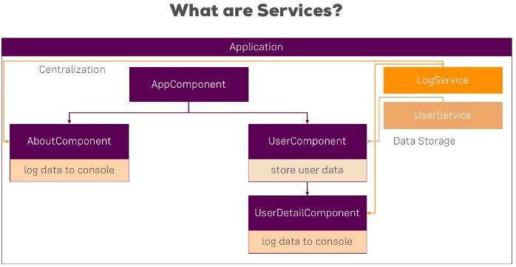

 |  | just a sub module that can be ‘imported’, possibly more than once

pv-atcg s9v2 | Why Would you Need Services?
 |  | services can be really helpful to communicate between components
 |  | app.component.html
 |  |  | <div class="container"> <div class="row"> <div class="col-xs-12 col-md-8 col-md-offset-2"> <app-new-account></app-new-account> <hr> <app-account *ngFor="let acc of accounts; let i = index" [account]="acc" [id]="i"></app-account> </div> </div></div>
 |  |  | <div class="row">
 |  |  | <div class="col-xs-12 col-md-8 col-md-offset-2">
 |  |  |  | <app-new-account></app-new-account>
 |  |  |  | <hr>
 |  |  |  | <app-account
 |  |  |  |  | *ngFor="let acc of accounts; let i = index"
 |  |  |  |  | [account]="acc"
 |  |  |  |  | [id]="i"></app-account>
 |  |  | </div>
 |  |  | </div>
 |  |  | </div>
 |  | app/new-account
 |  | app/account
 |  | services-start has the application working without services
 |  |  | ready to be reorganised

pv-atcg s9v3 | Creating a Logging Service
 | atcg % | ng new cp9
 | atcg % | cd cp9
 | cp9 % | ng g s app/logging --skip-tests |  |  |  |  | could have used shared/logging
 |  | CREATE src/app/app/logging.service.ts (136 bytes)
 |  | logging.service.ts
 |  |  | import { Injectable } from '@angular/core';
 |  |  | @Injectable({
 |  |  |  | providedIn: 'root'
 |  |  | })
 |  |  | export class LoggingService {
 |  |  |  | constructor() { }
 |  |  | }
 | manually -
 | new | logging.service.ts
 |  |  | export class LoggingService {
 |  |  |  | logStatusChange(status: string) {
 |  |  |  |  | console.log('A server status changed, new status: ' + status);
 |  |  |  | }
 |  |  | }
 |  |  | ^ can be considered as a complete ‘service’, no need for @decorator
 |  |  | ^ could just import and use in new-account.component.ts
 |  |  | ^ but that is wrong because angular offers the dependency injector

 | was | new-account.component.ts
 |  |  | console.log('A server status changed, new status: ' + accountStatus);

pv-atcg s9v4 | Injecting the Logging Service into Components
 |  | new-account.component.ts
 |  |  | import { LoggingService } from '../logging.service';
 |  |  | @Component({
 |  |  |  | …,
 |  |  |  | providers: [LoggingService]
 |  |  | })
 |  |  | export class NewAccountComponent {
 |  |  |  | constructor(private loggingService: LoggingService) {

 |  |  |  | onCreateAccount(accountName: string, accountStatus: string) {
 |  |  |  |  | this.accountAdded.emit({
 |  |  |  |  |  | name: accountName,
 |  |  |  |  |  | status: accountStatus
 |  |  |  |  | });
 |  |  |  |  | this.loggingService.logStatusChange(accountStatus);
 |  |  |  | }
 |  |  | }
 |  | account.component.ts
 |  |  | same changes!

pv-atcg s9v5 | Creating a Data Service
 | cp9 % | ng g s app/accounts --skip-tests
 |  | accounts.service.ts
 |  |  | export class AccountsService {
 |  |  |  | accounts = [
 |  |  |  |  | { name: 'Master Account', status: 'active' },
 |  |  |  |  | { name: 'Testaccount', status: 'inactive' },
 |  |  |  |  | { name: 'Hidden Account', status: 'unknown' }
 |  |  |  | ];
 |  |  |  | addAccount(name: string, status: string) {
 |  |  |  |  | this.accounts.push({name: name, status: status});
 |  |  |  | }
 |  |  |  | updateStatus(id: number, status: string) {
 |  |  |  |  | this.accounts[id].status = status;
 |  |  |  | }
 |  |  | }
 | was in | app.component.ts
 |  |  | export class AppComponent {
 |  |  |  | accounts = [
 |  |  |  |  | { name: 'Master Account', status: 'active' },
 |  |  |  |  | { name: 'Testaccount', status: 'inactive' },
 |  |  |  |  | { name: 'Hidden Account', status: 'unknown' }
 |  |  |  | ];
 |  |  |  | onAccountAdded(newAccount: {name: string, status: string}) {
 |  |  |  |  | this.accounts.push(newAccount);
 |  |  |  | }
 |  |  |  | onStatusChanged(updateInfo: {id: number, newStatus: string}) {
 |  |  |  |  | this.accounts[updateInfo.id].status = updateInfo.newStatus;
 |  |  |  | }
 |  |  | }
 | becomes | app.component.ts
 |  |  | import { AccountsService } from './accounts.service';
 |  |  | @Component({
 |  |  |  | …
 |  |  |  | providers: [AccountsService] |  |  |  |  |  | (may be temporary)
 |  |  | })
 |  |  | export class AppComponent implements OnInit {
 |  |  |  | accounts: {name: string, status: string}[ ] = [ ];
 |  |  |  | constructor(private accountsService: AccountsService) {}
 |  |  |  | ngOnInit() {
 |  |  |  |  | this.accounts = this.accountsService.accounts;
 |  |  |  | }
 |  |  | }
 |  | new-account.component.ts
 |  |  | import { AccountsService } from './accounts.service';
 |  |  | @Component({
 |  |  |  | …
 |  |  |  | providers: [AccountsService] |  |  |  |  |  | (may be temporary)
 |  |  | })
 |  |  | export class NewAccountComponent {
 |  |  |  | constructor(private loggingService: LoggingService, private accountsService:
 |  |  |  |  | private accountsService: AccountsService) { }

 |  |  |  | onCreateAccount(accountName: string, accountStatus: string) {
 |  |  |  |  | this.accountsService.addAccount(accountName, accountStatus);

 |  | account.component.ts
 |  |  | import { AccountsService } from './accounts.service';
 |  |  | @Component({
 |  |  |  | …
 |  |  |  | providers: [AccountsService] |  |  |  |  |  | (may be temporary)
 |  |  | })
 |  |  | export class AccountComponent {
 |  |  |  | constructor(private loggingService: LoggingService,
 |  |  |  |  | private accountsService: AccountsService) {}
 |  |  |  | onSetTo(status: string) { this.accountsService.updateStatus(this.id, status);
 |  |  |  |  | this.accountsService.updateStatus(this.id, status);
 |  |  |  | }
 |  |  | }
pv-atcg s9v6 | Understanding the Hierarchical Injector
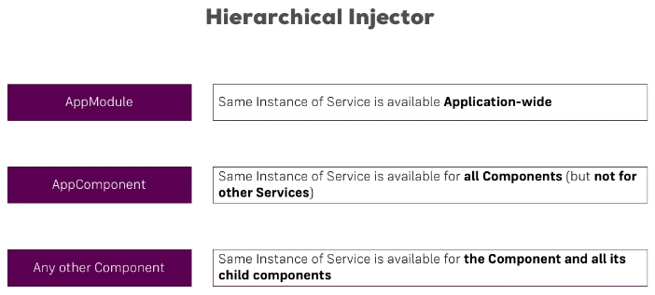

 |  | ANY LOWER SERVICE OVERRIDES A HIGHER SERVICE

pv-atcg s9v7 | How Many Instances of Service are Required?
 |  | app.component.ts
 |  |  | import { AccountsService } from './accounts.service';
 |  |  | @Component({
 |  |  |  | …
 |  |  |  | providers: [AccountsService]
 |  |  | })
 |  | new-account.component.ts
 |  | account.component.ts
 |  |  | ^also both have providers which create their own separate instances
 |  |  | therefore they do not communicate
 |  | new-account.component.ts
 |  | account.component.ts
 |  |  | ^both do need to import AccountsService and use it in the constructor
 |  |  | BUT NOT as a provider, so they will share the app.component provider

pv-atcg s9v8 | Injecting Services into Other Services
 |  | a service in app.module.ts is available throughout the application
 |  |  | unless it is overridden be a lower instance
 |  | app.module.ts
 |  |  | import { AccountsService } from './accounts.service';
 |  |  | import { LoggingService } from './logging.service';
 |  |  | @NgModule({
 |  |  |  | …
 |  |  |  | providers: [AccountsService, LoggingService],
 |  |  |  | …
 |  | accounts service IN THE APP.MODULE can include the logging service
 |  | accounts.service.ts
 |  |  | import { Injectable } from '@angular/core';
 |  |  | import { LoggingService } from './logging.service';
 |  |  | @Injectable()
 |  |  | constructor(private loggingService: LoggingService) {}
 |  |  | addAccount(name: string, status: string) {
 |  |  |  | this.accounts.push({name: name, status: status});
 |  |  |  | this.loggingService.logStatusChange(status);
 |  |  | }
 |  |  | updateStatus(id: number, status: string) {
 |  |  |  | this.accounts[id].status = status;
 |  |  |  | this.loggingService.logStatusChange(status);
 |  |  | }

pv-atcg s9v9 | Using Services for Cross-component Communication
 |  | accounts.service.ts
 |  |  | import { EventEmitter, Injectable } from '@angular/core';
 |  |  | statusUpdated = new EventEmitter<string>();
 |  |  | constructor…
 |  |  |  | can trigger in one component and listen to in another component
 |  | account.component.ts
 |  |  |  | onSetTo(status: string) { this.accountsService.updateStatus(this.id, status);
 |  |  |  |  | this.accountsService.updateStatus(this.id, status);
 |  |  |  |  | this.accountsService.statusUpdated.emit(status); |  |  |  |  |  |  |  | trigger
 |  |  |  | }
 |  | new-account.component.ts
 |  |  | export class NewAccountComponent {
 |  |  |  | constructor(private loggingService: LoggingService, private accountsService:
 |  |  |  |  | private accountsService: AccountsService) {
 |  |  |  |  | this.accountsService.statusUpdated.subscribe( (status: string) => alert('New Status: ' + status) );
 |  |  |  |  | } |  |  | ^listen

pv-atcg s9v10 | Assignment Solution

pv-atcg s10 | Course Project - Services and Dependency Injection
pv-atcg s10v1 | Introduction
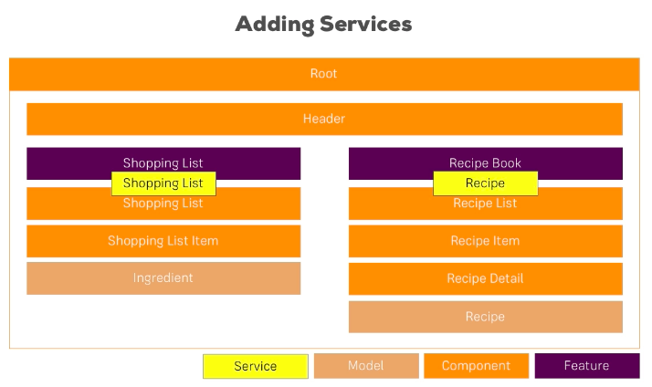

pv-atcg s10v2 | Setting up the Services
 |  | recipes>recipe.service.ts
 |  | shopping-list>shopping-list.service.ts
 |  |  | services normally go in the folder to which the services relate

pv-atcg s10v3 | Managing Recipes in a Recipe Service
 |  | recipe.service.ts
 |  |  | import { Recipe } from './recipe.model';
 |  |  | export class RecipeService { recipeSelected = new EventEmitter<Recipe>();
 |  |  | private recipes: Recipe[ ] = [
 |  |  |  | new Recipe(
 |  |  |  |  | 'Tasty Schnitzel',
 |  |  |  |  | 'A super-tasty Schnitzel - just awesome!',
 |  |  |  |  | 'https://upload.wikimedia.org/wikipedia/commons/7/72/Schnitzel.JPG'),
 |  |  |  | new Recipe(
 |  |  |  |  | 'Big Fat Burger',
 |  |  |  |  | 'What else you need to say?', 'https://upload.wikimedia.org/wikipedia/commons/b/be/Burger_King_Angus_Bacon_%26_Cheese_Steak_Burger.jpg')
 |  |  |  | ];
 |  |  | getRecipes() {
 |  |  |  | return this.recipes; |  |  |  | reference type - will change the original
 |  |  |  | return this.recipes.slice(); |  |  |  | returns a new array as a copy
 |  |  | }
 |  | recipes.component.ts
 |  |  | import { Recipe } from './recipe.model';
 |  |  | import { RecipeService } from './recipe.service';
 |  |  | @Component({
 |  |  |  | …
 |  |  |  | providers: [RecipeService]
 |  |  | }) |  |  | ^first logical place to put provider,
 |  |  |  |  |  | unless found to be required above this
 |  | recipe-list.component.ts
 |  |  | import { Recipe } from '../recipe.model';
 |  |  | import { RecipeService } from '../recipe.service';
 |  |  | (provider not required - coming from recipes.component.ts
 |  |  | export class RecipeListComponent implements OnInit {
 |  |  |  | recipes: Recipe[ ];
 |  |  |  | constructor(private recipeService: RecipeService) { }
 |  |  |  | ngOnInit() {
 |  |  |  |  | this.recipes = this.recipeService.getRecipes();
 |  |  |  | }
 |  |  | }
pv-atcg s10v4 | Using a Service for Cross-component Communication
 |  | recipe.service.ts
 |  |  | import { EventEmitter, Injectable } from '@angular/core'; |  |  |  |  |  |  |  |  | @angular/core normally go first
 |  |  | import { Recipe } from './recipe.model';
 |  |  | export class RecipeService {
 |  |  |  | recipeSelected = new EventEmitter<Recipe>();
 |  |  |  | private recipes: Recipe[ ] = [
 |  |  |  |  | new Recipe(
 |  | recipe-item.component.ts
 |  |  | import { Recipe } from '../../recipe.model';
 |  |  | import { RecipeService } from '../../recipe.service';
 |  |  | constructor(private recipeService: RecipeService) { }
 |  |  | onSelected() {
 |  |  |  | this.recipeService.recipeSelected.emit(this.recipe);
 |  |  | }
 |  | recipe.component.ts
 |  |  | export class RecipesComponent implements OnInit {
 |  |  |  | selectedRecipe: Recipe;
 |  |  |  | constructor(private recipeService: RecipeService) { }
 |  |  |  | ngOnInit() {
 |  |  |  |  | this.recipeService.recipeSelected
 |  |  |  |  |  | .subscribe(
 |  |  |  |  |  |  | (recipe: Recipe) => {
 |  |  |  |  |  |  |  | this.selectedRecipe = recipe;
 |  |  |  |  |  |  | }
 |  |  |  |  |  | );
 |  |  |  | }
 |  |  | }
pv-atcg s10v5 | Adding the Shopping List Service
 |  | shopping-list.service.ts
 |  |  | import { Ingredient } from '../shared/ingredient.model';
 |  |  | export class ShoppingListService {
 |  |  |  | private ingredients: Ingredient[ ] = [
 |  |  |  |  | new Ingredient('Apples', 5),
 |  |  |  |  | new Ingredient('Tomatoes', 10),
 |  |  |  | ];
 |  |  | getIngredients() {
 |  |  |  | return this.ingredients.slice();
 |  |  | }
 |  |  | addIngredient(ingredient: Ingredient) {
 |  |  |  | this.ingredients.push(ingredient);
 |  |  | }
 |  | app.module.ts
 |  |  | import { ShoppingListService } from './shopping-list/shopping-list.service';
 |  |  | providers: [ShoppingListService],
 |  |  |  |  | ^ here because will also be accessed from recipes
 |  |  |  |  | ^ and will be used in another service
 |  | shopping-list.component.ts
 |  |  | import { ShoppingListService } from './shopping-list.service';
 |  |  | export class ShoppingListComponent implements OnInit {
 |  |  |  | ingredients: Ingredient[ ];
 |  |  |  | constructor(private slService: ShoppingListService) { }

 |  |  |  | ngOnInit() {
 |  |  |  |  | this.ingredients = this.slService.getIngredients();
 |  |  |  | }
 |  | shopping-edit.component.ts
 |  |  | import { Ingredient } from '../../shared/ingredient.model';
 |  |  | import { ShoppingListService } from '../shopping-list.service';

 |  |  |  | constructor(private slService: ShoppingListService) { }

 |  |  |  | onAddItem() {
 |  |  |  |  | const ingName = this.nameInputRef.nativeElement.value;
 |  |  |  |  | const ingAmount = this.amountInputRef.nativeElement.value;
 |  |  |  |  | const newIngredient = new Ingredient(ingName, ingAmount);
 |  |  |  |  | this.slService.addIngredient(newIngredient);
 |  |  |  | }
pv-atcg s10v6 | Using Services for Pushing Data from A to B
 |  | because getIngredients() { return this.ingredients.slice(); this copy is not being updated so
 |  | shopping-list.service.ts
 |  |  | import { EventEmitter } from '@angular/core';
 |  |  | export class ShoppingListService {
 |  |  |  | ingredientsChanged = new EventEmitter<Ingredient[ ]>();
 |  |  |  |  |  |  |  |  |  | ^emit array
 |  |  |  | addIngredient(ingredient: Ingredient) {
 |  |  |  |  | this.ingredients.push(ingredient);
 |  |  |  |  | this.ingredientsChanged.emit(this.ingredients.slice());
 |  |  |  | }
 |  | shopping-list.component.ts
 |  |  |  | ngOnInit() {
 |  |  |  |  | this.ingredients = this.slService.getIngredients();
 |  |  |  |  | this.slService.ingredientsChanged
 |  |  |  |  |  | .subscribe(
 |  |  |  |  |  |  | (ingredients: Ingredient[]) => {
 |  |  |  |  |  |  |  | this.ingredients = ingredients;
 |  |  |  |  |  |  | }
 |  |  |  |  | );
 |  |  |  | }
pv-atcg s10v7 | Adding Ingredients to Recipes
 |  | recipe.model.ts
 |  |  | import { Ingredient } from '../shared/ingredient.model';
 |  |  | export class Recipe {
 |  |  |  | public name: string;
 |  |  |  | public description: string;
 |  |  |  | public imagePath: string;
 |  |  |  | public ingredients: Ingredient[];

 |  |  |  | constructor(name: string, desc: string, imagePath: string, ingredients: Ingredient[ ]) {
 |  |  |  |  | this.name = name;
 |  |  |  |  | this.description = desc;
 |  |  |  |  | this.imagePath = imagePath;
 |  |  |  |  | this.ingredients = ingredients;
 |  |  |  | }
 |  |  | }
 |  | recipe.service.ts
 |  |  | import { Recipe } from './recipe.model';
 |  |  | import { Ingredient } from '../shared/ingredient.model';
 |  |  | export class RecipeService { recipeSelected = new EventEmitter<Recipe>();
 |  |  | private recipes: Recipe[ ] = [
 |  |  |  | new Recipe(
 |  |  |  |  | 'Tasty Schnitzel',
 |  |  |  |  | 'A super-tasty Schnitzel - just awesome!',
 |  |  |  |  | 'https://upload.wikimedia.org/wikipedia/commons/7/72/Schnitzel.JPG',
 |  |  |  |  | [
 |  |  |  |  |  | new Ingredient('Meat', 1),
 |  |  |  |  |  | new Ingredient('French Fries', 20)
 |  |  |  |  | ]),
 |  |  |  | new Recipe(
 |  |  |  |  | 'Big Fat Burger',
 |  |  |  |  | 'What else you need to say?',
 |  |  |  |  | 'https://upload.wikimedia.org/wikipedia/commons/b/be/Burger_King_Angus_Bacon_%26_Cheese_Steak_Burger.jpg'
 |  |  |  |  | [
 |  |  |  |  |  | new Ingredient('Buns', 2),
 |  |  |  |  |  | new Ingredient('Meat', 1)
 |  |  |  |  | ])
 |  |  |  | ];
 |  |  | getRecipes() {
 |  |  |  | return this.recipes; |  |  |  | reference type - will change the original
 |  |  |  | return this.recipes.slice(); |  |  |  | returns a new array as a copy
 |  |  | }
 |  | recipe-detail.component.html
 |  |  | <div class="row">
 |  |  | <div class="col-xs-12">
 |  |  | <div class=”btn-group” appDropdown>
 |  |  |  | <button type="button" class="btn btn-primary dropdown-toggle">
 |  |  |  |  | Manage Recipe <span class="caret"></span>
 |  |  |  | </button>
 |  |  |  | <ul class="dropdown-menu">
 |  |  |  |  | <li><a href="#"></a>To Shopping List</li>
 |  |  |  |  | <li><a href="#"></a>Edit Recipe</li>
 |  |  |  |  | <li><a href="#"></a>Delete Recipe</li>
 |  |  |  | </ul>
 |  |  | </div>
 |  |  | </div>
 |  |  | </div>
 |  |  | <div class="row">
 |  |  | <div class="col-xs-12">
 |  |  |  | {{ recipe.description }}
 |  |  | </div>
 |  |  | </div>
 |  |  | <div class="row">
 |  |  |  | <div class="col-xs-12">
 |  |  |  |  | <ul class="list-group">
 |  |  |  |  |  | <li class="list-group-item" *ngFor="let ingredient of recipe.ingredients">
 |  |  |  |  |  |  | {{ ingredient.name }} - {{ ingredient.amount }}
 |  |  |  |  |  | </li>
 |  |  |  |  | </ul>
 |  |  |  | </div>
 |  |  | </div>

 |  |  |  |  |  | <displays list of ingredients

pv-atcg s10v8 | Passing Ingredients from Recipes to the Shopping List (through a Service)
 |  | recipe-detail.component.html
 |  |  | <div class="row">
 |  |  | <div class="col-xs-12">
 |  |  | <div class=”btn-group” appDropdown>
 |  |  |  | <button type="button" class="btn btn-primary dropdown-toggle">
 |  |  |  |  | Manage Recipe <span class="caret"></span>
 |  |  |  | </button>
 |  |  |  | <ul class="dropdown-menu">
 |  |  |  |  | <li><a href="#"></a>To Shopping List</li>
 |  |  |  |  | <li><a (click)="onAddToShoppingList()" style="cursor: pointer;"></a>
 |  |  |  |  |  | To Shopping List</li>
 |  |  |  |  | <li><a href="#"></a>Edit Recipe</li>
 |  |  |  |  | <li><a href="#"></a>Delete Recipe</li>
 |  |  |  | </ul>
 |  |  | </div>
 |  |  | </div>
 |  |  | </div>
 |  |  | <div class="row">
 |  |  | <div class="col-xs-12">
 |  |  |  | {{ recipe.description }}
 |  |  | </div>
 |  |  | </div>
 |  |  | <div class="row">
 |  |  |  | <div class="col-xs-12">
 |  |  |  |  | <ul class="list-group">
 |  |  |  |  |  | <li class="list-group-item" *ngFor="let ingredient of recipe.ingredients">
 |  |  |  |  |  |  | {{ ingredient.name }} - {{ ingredient.amount }}
 |  |  |  |  |  | </li>
 |  |  |  |  | </ul>
 |  |  |  | </div>
 |  |  | </div>
 |  | recipe-detail.component.ts
 |  |  | import { RecipeService } from '../recipe.service';

 |  |  | constructor(private recipeService: RecipeService) { }
 |  |  | onAddToShoppingList() {
 |  |  |  | this.recipeService.addIngredientsToShoppingList(this.recipe.ingredients);
 |  |  | }
 |  | recipe.service.ts
 |  |  | import { EventEmitter, Injectable } from '@angular/core';
 |  |  | …
 |  |  | import { ShoppingListService } from '../shopping-list/shopping-list.service';
 |  |  | @Injectable
 |  |  | export class RecipeService { recipeSelected = new EventEmitter<Recipe>();
 |  |  | private recipes: Recipe[ ] = [
 |  |  |  | …
 |  |  |  | ];

 |  |  |  | constructor(private slService: ShoppingListService) {}

 |  |  |  | getRecipes() {
 |  |  |  |  | return this.recipes.slice();
 |  |  |  | }
 |  |  |  | addIngredientsToShoppingList(ingredients: Ingredient[ ]) {
 |  |  |  |  | this.slService.addIngredients(ingredients);
 |  |  |  | }
 |  | shopping-list.service.ts
 |  |  | export class ShoppingListService {
 |  |  |  | ingredientsChanged = new EventEmitter<Ingredient[ ]>();

 |  |  |  | addIngredients(ingredients: Ingredient[ ]) {
 |  |  |  |  | // for (let ingredient of ingredients) { |  |  |  |  |  | would work but would
 |  |  |  |  | // this.addIngredient(ingredient); |  |  |  |  |  | emit for each ingredient
 |  |  |  |  | // }
 |  |  |  |  | this.ingredients.push(...ingredients);
 |  |  |  |  | this.ingredientsChanged.emit(this.ingredients.slice());
 |  |  |  | }
 |  |  |  |  | the spread operator ^ … converts an array into a list of the array items

pv-atcg s11 | Changing Pages with Routing
pv-atcg s11v1 | Module Introduction
 |  | angular Routing changes the URL within index.html
pv-atcg s11v2 | Why do we Need a Router?
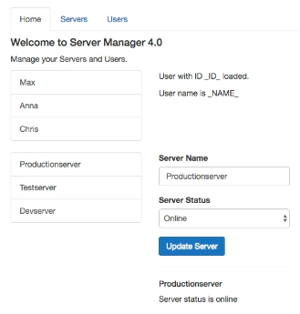
 |  |  |  |  |  |  |  | <these tabs can divide the content
 |  |  |  |  |  |  |  | currently all on this screen

pv-atcg s11v3 | Setting up and Loading Routes
 |  | { path '', redirectTo 'somewhere-else',} |  |  |  |  |  |  |  | anything goes to somewhere-else
 |  | { path '', redirectTo 'somewhere-else', pathMatch 'full' } |  |  |  |  |  |  |  | only ‘’ goes to somewhere-else
 |  | app.component.html initially includes ‘three pages’
 |  |  |  | <app-home></app-home>
 |  |  |  | <app-users></app-users>
 |  |  |  | <app-servers></app-servers>
 |  | video builds routing into app.module.ts but
 |  | ng new <name> with routing generates -
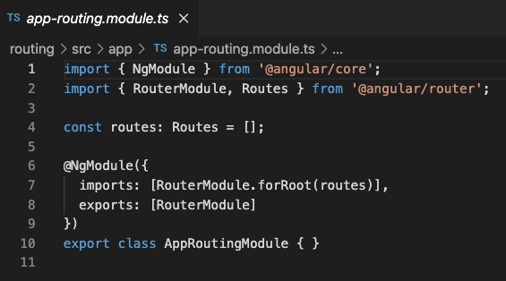

 |  | relevant learning is the forRoot and Routes [ ] as -
 |  |  | imports: [RouterModule.forRoot(routes)],
 |  |  | const routes: Routes = [
 |  |  |  | { path: ‘ ‘, component: HomeComponent },
 |  |  |  | { path: ‘users‘, component: UsersComponent },
 |  |  |  | { path: ‘servers‘, component: ServersComponent },
 |  |  | ];
 |  | MEMO IONIC IS SLIGHTLY DIFFERENT BECAUSE IT USES LAZY LOADING
 |  | app.component.html
 |  |  | may have its own content including index/tabs
 |  |  | but no longer requires
 |  |  |  | <app-home></app-home>
 |  |  |  | <app-users></app-users>
 |  |  |  | <app-servers></app-servers>
 |  |  | but replaces them with a directive (which looks like but is not a component) -
 |  |  |  | <router-outlet></router-outlet>
pv-atcg s11v4 | Navigating with Router Links
 |  | app.component.html
 |  |  | <ul class="nav nav-tabs">
 |  |  |  | <li role="presentation" class="active"><a href="/">Home</a></li>
 |  |  |  | <li role="presentation"><a href="/servers">Servers</a></li>
 |  |  |  | <li role="presentation"><a href="/users">Users</a></li>
 |  |  | </ul>
 |  |  |  | ^ above ‘works’ but is not correct method
 |  |  |  |  | because it uses href to reload the whole page
 |  |  |  | <li role="presentation" class="active"><a routerLink="/">Home</a></li>
 |  |  |  | <li role="presentation"><a routerLink="/servers">Servers</a></li>
 |  |  |  | <li role="presentation"><a [routerLink]=["/users"]>Users</a></li>
 |  | routerLink changes page without reloading
 |  | localhost:4200/users still works but reloads page
 |  | [routerLink]=["/users"] is property binding, and requires array burt can load sub pages

pv-atcg s11v5 | Understanding Navigation Paths
 |  | routerLink="/servers" |  |  |  |  |  |  | absolute path
 |  | routerLink="./servers" |  |  |  |  |  |  | both the same
 |  | routerLink="servers" |  |  |  |  |  |  | relative path, works from root, but just as easy to always use /

pv-atcg s11v6 | Styling Active Router Links
 |  | <li role="presentation" class="active"><a routerLink="/">Home</a></li>
 |  | <li role="presentation"><a routerLink="/" routerLinkActive="active">Home</a></li>
 |  |  | ^ works in angular, not in bootstrap
 |  | <li role="presentation" routerLinkActive="active"><a routerLink="/">Home</a></li>
 |  |  | ^ works in angular and bootstrap
 |  | add to all options but ‘/’ is active if part of name unless -
 |  | <li role="presentation" routerLinkActive="active" [routerLinkActiveOptions]=”{exact: true}”>
 |  |  | <a routerLink="/">Home</a></li>

pv-atcg s11v7 | Navigating Programmatically
 |  | home.component.html
 |  |  | <button class="btn btn-primary" (click)="onLoadServers">Load Servers</button>
 |  | home.component.ts
 |  |  | import { Router } from '@angular/router';
 |  |  | constructor(private router: Router) { }
 |  |  | onLoadServer(id: number) {
 |  |  |  | // complex calculation
 |  |  |  | this.router.navigate(['/servers']);
 |  |  | }
pv-atcg s11v8 | Using Relative Paths in Programmatic Navigation
 |  |  | this.router.navigate(['servers']); |  |  |  |  |  |  |  |  |  |  |  |  |  | relative would also work from /
 |  |  | this.router.navigate(['servers']); |  |  |  |  |  |  |  |  |  |  |  |  |  | relative would also work from /servers
 |  |  | this.router.navigate(['servers'], {relativeTo: ‘/’}); |  |  |  |  |  |  |  |  |  |  |  |  |  | because default relativeTo is ‘/’

 |  |  | constructor (…, private route: ActivatedRoute) { } |  |  |  |  |  |  |  |  |  |  |  |  |  |  |  | finds current route
 |  |  | this.router.navigate(['servers'], {relativeTo: this.route}); |  |  |  |  |  |  |  |  |  |  |  |  |  |  |  | might create servers/servers

pv-atcg s11v9 | Passing Parameters to Routes
 |  | app.module.ts or app-routing.module.ts
 |  |  | const appRoutes: Routes = [
 |  |  |  | { path: '', component: HomeComponent },
 |  |  |  | { path: 'users', component: UsersComponent },
 |  |  |  | { path: 'users/:id', component: UserComponent },
 |  |  |  | … |  |  |  |  | ^singular
 |  |  | : specifies a dynamic part, not a sub path

 | browser | 'localhost:4200/users/anycharacters’ will then load UserComponent (and display html)

pv-atcg s11v10 | Fetching Route Parameters
 |  | app.module.ts or app-routing.module.ts
 |  |  |  | { path: 'users/:id', component: UserComponent },
 |  |  |  | { path: 'users/:id/:name', component: UserComponent },
 |  |  |  |  |  | ^ can have any number of dynamic elements

 |  | user.component.ts
 |  |  | import { ActivatedRoute } from '@angular/router';
 |  |  | export class UserComponent implements OnInit {
 |  |  |  | user: {id: number, name: string};

 |  |  |  | constructor(private route: ActivatedRoute) { }
 |  |  |  | ngOnInit() {
 |  |  |  |  | this.user = {
 |  |  |  |  |  | id: this.route.snapshot.params['id'],
 |  |  |  |  |  | name: this.route.snapshot.params['name']
 |  |  |  |  | };
 |  |  |  | }
 |  | user.component.html
 |  |  | <p>User with ID {{ user.id }} loaded.</p>
 |  |  | <p>User name is {{ user.name }}</p>

pv-atcg s11v11 | Fetching Route Parameters Reactively
 |  | the above ngOnInit only occurs on first load, so nothing happens if just params change
 |  |  |  | ngOnInit() {
 |  |  |  |  | this.user = {
 |  |  |  |  |  | id: this.route.snapshot.params['id'],
 |  |  |  |  |  | name: this.route.snapshot.params['name']
 |  |  |  |  | };
 |  |  |  |  | this.paramsSubscription = this.route.params |  |  |  |  |  |  |  | happens on ngOnInit
 |  |  |  |  |  | .subscribe(
 |  |  |  |  |  |  | (params: Params) => { |  |  |  |  |  | happens when params change
 |  |  |  |  |  |  |  | this.user.id = params['id'];
 |  |  |  |  |  |  |  | this.user.name = params['name'];
 |  |  |  |  |  |  | }
 |  |  |  |  |  | ); | ^ not necessary if params cannot change
 |  |  |  | } |  |  |  | unless the component is reloaded

pv-atcg s11v12 | An Important Note about Route Observables
 |  | in the above angular deals with destroying the subscription in memory
 |  | but if you create your own observable, angular would not do that
 |  | you would need to do it yourself with ngDestroy
 |  | video explains manual process to recover memory

pv-atcg s11v13 | Passing Query Parameters and Fragments
browser | 'localhost:4200/users/10?mode=editing&&mode=editing#loading’
 |  |  |  | ^query+another^ ^scroll to

 |  | servers.component.html
 |  |  | <div class="row">
 |  |  | <div class="col-xs-12 col-sm-4">
 |  |  |  | <div class="list-group">
 |  |  |  |  | <a href="#" class="list-group-item"
 |  |  |  |  |  | *ngFor="let server of servers"> {{ server.name }} </a>
 |  |  |  |  | <a
 |  |  |  |  |  | [routerLink]="['/servers', server.id]"
 |  |  |  |  |  | [queryParams]="{allowEdit: server.id === 3 ? '1' : '0'}"
 |  |  |  |  |  | fragment="loading"
 |  |  |  |  |  | [fragment]="loading" |  |  |  | [ ] is an alternative
 |  |  |  |  |  | href="#"
 |  |  |  |  |  | class="list-group-item"
 |  |  |  |  |  | *ngFor="let server of servers">
 |  |  |  |  |  | {{ server.name }}
 |  |  |  |  | </a>
 |  |  |  | </div>
 |  |  | </div>
 |  |  | <div class="col-xs-12 col-sm-4">
 |  |  |  |  | <app-edit-server></app-edit-server>
 |  |  |  |  | <hr>
 |  |  |  |  | <app-server></app-server>
 |  |  | </div>
 |  |  | </div>

 |  | programmatically -
 |  |  | home.component.html
 |  |  |  | <button class=”btn btn-primary” (click)=”onLoadServer(1)”>Load Server 1</button>
 |  |  | home.component.ts
 |  |  |  | onLoadServer(id: number) {
 |  |  |  |  | // complex calculation
 |  |  |  |  | this.router.navigate(['/servers', id, 'edit'],
 |  |  |  |  |  | {queryParams: {allowEdit: '1'},
 |  |  |  |  |  | fragment: 'loading'});
 |  |  |  | }

pv-atcg s11v14 | Retrieving Query Parameters and Fragments
 |  | edit-server.component.ts
 |  |  | import { ActivatedRoute, Params, Router } from '@angular/router';
 |  |  |  | constructor(private serversService: ServersService,
 |  |  |  |  | private route: ActivatedRoute, private router: Router) { }
 |  |  |  | ngOnInit() {
 |  |  |  |  | console.log(this.route.snapshot.queryParams);
 |  |  |  |  | console.log(this.route.snapshot.fragment); |  |  |  |  |  |  | only read when page created
 |  |  |  |  | this.route.queryParams.subscribe(); |  |  |  |  |  |  | can also be set up
 |  |  |  |  | this.route.fragment.subscribe(); |  |  |  |  |  |  | can also be set up
 |  |  |  |  | this.server = this.serversService.getServer(1);
 |  |  |  |  | …

pv-atcg s11v15 | Some Common Gotchas
 |  | users.component.html
 |  |  |  | <a
 |  |  |  |  | [routerLink]=”[‘/users’, user.id, user.name]”
 |  |  |  |  | href="#"
 |  |  |  |  | class="list-group-item"
 |  |  |  |  | *ngFor="let user of users"> |  |  |  |  | ^ before < ?
 |  |  |  |  | {{ user.name }}
 |  |  |  | </a>

 |  | servers.component.html
 |  |  |  | <a
 |  |  |  |  | [routerLink]="['/servers', 5, ‘edit]"
 |  |  |  |  | [queryParams]="{allowEdit: '1'}"
 |  |  |  |  | [routerLink]="['/servers', server.id]"
 |  |  |  |  | [queryParams]="{allowEdit: '1'}"
 |  |  |  |  | fragment="loading"
 |  |  |  |  | href="#"
 |  |  |  |  | class="list-group-item"
 |  |  |  |  | *ngFor="let server of servers">
 |  |  |  |  | {{ server.name }}
 |  |  |  | </a>

 |  | app.module.ts or app-routing.module.ts
 |  |  | const appRoutes: Routes = [
 |  |  |  | …
 |  |  |  | { path: 'servers', component: ServersComponent },
 |  |  |  | { path: 'servers/:id/edit', component: EditServerComponent },
 |  |  | ];

 |  | servers.component.ts
 |  |  | import { Router, ActivatedRoute, Params } from '@angular/router';
 |  |  |  | constructor(private serversService: ServersService,
 |  |  |  |  | private route: ActivatedRoute) { }
 |  |  |  | ngOnInit() {
 |  |  |  |  | const id = this.route.snapshot.params]’id’]; |  |  |  |  |  |  | passes a string
 |  |  |  |  | const id = +this.route.snapshot.params]’id’]; |  |  |  |  |  |  | passes a number
 |  |  |  |  | this.servers = this.serversService.getServer(id);
 |  |  |  |  | this.route.params
 |  |  |  |  |  | .subscribe(
 |  |  |  |  |  |  | (params: Params) => {
 |  |  |  |  |  |  |  | this.server = this.serversService.getServer(params[‘id’];
 |  |  |  |  |  |  |  | this.server = this.serversService.getServer(+params[‘id’];
 |  |  |  |  |  |  | }
 |  |  |  |  |  | ):
 |  |  |  | }

pv-atcg s11v16 | Setting up Child (Nested) Routes
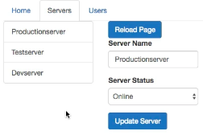
 |  |  |  |  |  |  | server details loaded into part of same screen

 |  | app.module.ts or app-routing.module.ts
 |  |  | const appRoutes: Routes = [
 |  |  |  | { path: '', component: HomeComponent },
 |  |  |  | { path: 'users', component: UsersComponent },
 |  |  |  | { path: 'users/:id/:name', component: UserComponent },
 |  |  |  | { path: 'servers', component: ServersComponent },
 |  |  |  | { path: 'servers/:id', component: ServersComponent },
 |  |  |  | { path: 'servers/:id/edit', component: EditServerComponent },
 |  |  | ];
 |  |  |  | { path: 'servers', component: ServersComponent, children: [
 |  |  |  |  | { path: ':id', component: ServersComponent },
 |  |  |  |  | { path: ‘:id/edit', component: EditServerComponent },
 |  |  |  | ]},
 |  | servers.component.html
 |  |  |  | <div class="col-xs-12 col-sm-4">
 |  |  |  |  | <router-outlet></router-outlet> |  |  |  |  | needs second <route-outlet>
 |  |  |  |  | <!--<button class="btn btn-primary" (click)="onReload()">Reload Page</button>-->
 |  |  |  |  | <!--<app-edit-server></app-edit-server>-->
 |  |  |  |  | <!--<hr>--> <!--&lt;!&ndash;<app-server></app-server>&ndash;&gt;-->
 |  |  |  | </div>
 |  | similar for users/:id/:name
2021-05-30
pv-atcg s11v17 | Using Query Parameters – Practice
 |  | server.component.ts
 |  |  | onEdit() { this.router.navigate(['edit'], {relativeTo: this.route); }

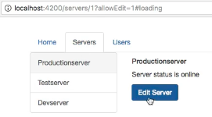
 |  |  |  |  |  |  | has allowEdit before clicking Edit Server

 |  |  |  |  |  |  | has lost allowEdit after clicking Edit Server
 |  | servers.component.html
 |  |  |  | <a
 |  |  |  |  | [routerLink]="['/servers', server.id]"
 |  |  |  |  | [queryParams]="{allowEdit: '1'}"
 |  |  |  |  | [queryParams]="{allowEdit: server.id === 3 ? '1' : '0'}"
 |  |  |  |  | fragment="loading" |  |  |  |  | ^only 1 as true if user 3
 |  | edit-server.component.ts
 |  |  | allowEdit = False; |  |  |  |  | initial setting
 |  |  | ngOnInit() {
 |  |  |  | console.log(this.route.snapshot.queryParams);
 |  |  |  | console.log(this.route.snapshot.fragment); this.route.queryParams
 |  |  |  |  | .subscribe(
 |  |  |  |  |  | (queryParams: Params) => {
 |  |  |  |  |  | this.allowEdit = queryParams['allowEdit'] === '1' ? true : false;
 |  |  |  |  | } );
 |  | edit-server.component.html
 |  |  | <h4 *ngIf="!allowEdit">You're not allowed to edit!</h4>
 |  |  | <div *ngIf="allowEdit">
 |  |  |  | …
 |  |  | </div>

pv-atcg s11v18 | Configuring the Handling of Query Parameters
 |  | server.component.ts
 |  |  | onEdit() { this.router.navigate(['edit'],
 |  |  |  | {relativeTo: this.route, queryParamsHandling: 'preserve'}); }
 |  | preserve uses existing params, merge would include any new params, default was drop

pv-atcg s11v19 | Redirecting and Wildcard Routes
 |  | ng g c page-not-found
 |  |  | page-not-found.component.html
 |  |  |  | <h3>This page was not found!</h3>
 |  | app.module.ts or app-routing.module.ts
 |  |  | const appRoutes: Routes = [
 |  |  |  | { path: '', component: HomeComponent },
 |  |  |  | { path: 'users', component: UsersComponent, children: [
 |  |  |  |  | { path: ':id/:name', component: UserComponent },
 |  |  |  | ]},
 |  |  |  | { path: 'servers', component: ServersComponent, children: [
 |  |  |  |  | { path: ':id', component: ServersComponent },
 |  |  |  |  | { path: ‘:id/edit', component: EditServerComponent },
 |  |  |  | ]},
 |  |  |  | { path: 'not-found', component: PageNotFoundComponent },
 |  |  |  | { path: ‘**’ redirectTo: '/not-found' },
 |  |  | ]; |  | ^ double asterisk = wild card, must be last item

pv-atcg s11v20 | Outsourcing the Route Configuration
 |  | app-routing.module.ts

pv-atcg s11v21 | An Introduction to Guards
pv-atcg s11v22 | Protecting Routes with the canActivate() Method
 |  | app-routing.module.ts
 |  |  | const appRoutes: Routes = [
 |  |  |  | …
 |  |  |  | { path: 'servers', canActivate: [AuthGuard], component: ServersComponent, children: [
 |  |  |  |  | { path: ':id', component: ServersComponent },
 |  |  |  |  | { path: ‘:id/edit', component: EditServerComponent },
 |  |  |  | ]},
 |  |  |  | … |  | ^controls child paths too
 |  | auth.service.ts (waits 800ms before refusing access)
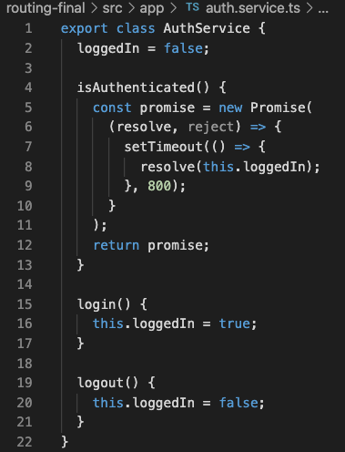

 |  | auth-guard.service.ts
 |  |  | import { CanActivate, ActivatedRouteSnapshot, RouterStateSnapshot, Router
 |  |  | } from '@angular/router';
 |  |  | import { Observable } from 'rxjs/Observable';
 |  |  | import { Injectable } from '@angular/core';
 |  |  | import { AuthService } from './auth.service';
 |  |  | @Injectable()
 |  |  | export class AuthGuard implements CanActivate {
 |  |  |  | constructor(private authService: AuthService, private router: Router) {}
 |  |  |  | canActivate(route: ActivatedRouteSnapshot,
 |  |  |  |  | state: RouterStateSnapshot):
 |  |  |  |  |  | Observable<boolean> | Promise<boolean> | boolean {
 |  |  |  |  |  |  |  |  | ^or |  |  | ^or
 |  |  |  |  | return this.authService.isAuthenticated()
 |  |  |  |  |  | .then(
 |  |  |  |  |  |  | (authenticated: boolean) => {
 |  |  |  |  |  |  |  | if (authenticated) {
 |  |  |  |  |  |  |  |  | return true;
 |  |  |  |  |  |  |  | } else {
 |  |  |  |  |  |  |  |  | this.router.navigate(['/']);
 |  |  |  |  |  |  |  | }
 |  |  |  |  |  |  | }
 |  |  |  |  |  | );
 |  |  |  |  | }
 |  | app.module.ts
 |  |  | import { AuthService } from './auth.service';
 |  |  | import { AuthGuard } from './auth-guard.service';
 |  |  | providers: [ServersService, AuthService, AuthGuard],

 |  | ABOVE PROTECTS THE WHOLE LIST OF SERVERS
 |  | BUT HOW CAN WE SEE LIST AND PROTECT CHILD ROUTES

pv-atcg s11v23 | Protecting Child (Nested) Routes Using the canActivateChild() Method
 |  | auth-guard.service.ts
 |  |  | import { CanActivate, ActivatedRouteSnapshot, RouterStateSnapshot, Router,
 |  |  | canActivateChild} from '@angular/router';
 |  |  | export class AuthGuard implements CanActivate, CanActivateChild {
 |  |  | …
 |  |  | canActivateChild(route: ActivatedRouteSnapshot,
 |  |  |  | state: RouterStateSnapshot): Observable<boolean> | Promise<boolean> | boolean {
 |  |  |  | return this.canActivate(route, state);
 |  |  | } |  |  | ^calls the original method
 |  | app-routing.module.ts
 |  |  | const appRoutes: Routes = [
 |  |  |  | …
 |  |  |  | { path: 'servers',
 |  |  |  | // canActivate: [AuthGuard],
 |  |  |  | canActivateChild: [AuthGuard],
 |  |  |  | component: ServersComponent, children: [
 |  |  |  |  | { path: ':id', component: ServersComponent },
 |  |  |  |  | { path: ‘:id/edit', component: EditServerComponent },
 |  |  |  | ]},
 |  |  |  | … |  | ^controls child paths too

pv-atcg s11v24 | Using a Fake Authentication Service
 |  | home.component.html
 |  |  | <button class="btn btn-default" (click)="onLogin()">Login</button>
 |  |  | <button class="btn btn-default" (click)="onLogout()">Logout</button>
 |  | home.component.ts
 |  |  | constructor(private router: Router, private authService: AuthService) { }
 |  |  | onLogin() { this.authService.login(); }
 |  |  | onLogout() { this.authService.logout(); }

pv-atcg s11v25 | Controlling Navigation with the canDeactivate() Method
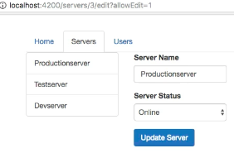

 |  |  |  |  |  |  |  | do you want to leave page
 |  |  |  |  |  |  |  | without updating server?

 |  | edit-server.component.ts
 |  |  | import { ActivatedRoute, Params, Router } from '@angular/router';
 |  |  | import { CanDeactivateGuard } from './servers/edit-server/can-deactivate-guard.service';
 |  |  | export class EditServerComponent implements OnInit, CanComponentDeactivate {
 |  |  | changesSaved = false;
 |  |  | onUpdateServer() {
 |  |  |  | …
 |  |  |  | this.changesSaved = true;
 |  |  |  | this.router.navigate(['../'], {relativeTo: this.route});
 |  |  | } |  |  |  | ^ back up one level only

 |  |  | canDeactivate(): Observable<boolean> | Promise<boolean> | boolean {
 |  |  |  | if (!this.allowEdit) { |  |  | <should never be here if not allowed to edit
 |  |  |  |  | return true;
 |  |  |  | }
 |  |  |  | if ((this.serverName !== this.server.name ||
 |  |  |  |  | this.serverStatus !== this.server.status)
 |  |  |  |  | && !this.changesSaved) {
 |  |  |  |  | return confirm('Do you want to discard the changes?');
 |  |  |  | } else {
 |  |  |  |  | return true;
 |  |  |  | }
 |  |  | }
 |  | edit-server>can-deactivate-guard.service.ts
 |  |  | import { Observable } from 'rxjs/Observable';
 |  |  | import { CanDeactivate, ActivatedRouteSnapshot, RouterStateSnapshot } from '@angular/router';
 |  |  | export interface CanComponentDeactivate {
 |  |  |  | canDeactivate: () => Observable<boolean> | Promise<boolean> | boolean;
 |  |  | }
 |  |  | export class CanDeactivateGuard implements CanDeactivate<CanComponentDeactivate> {
 |  |  |  | canDeactivate(component: CanComponentDeactivate,
 |  |  |  |  | currentRoute: ActivatedRouteSnapshot,
 |  |  |  |  | currentState: RouterStateSnapshot,
 |  |  |  |  | nextState?: RouterStateSnapshot): Observable<boolean> | Promise<boolean> | boolean {
 |  |  |  |  | return component.canDeactivate();
 |  |  |  | } |  | ^nextState? means it is optional
 |  |  | }
 |  | app-routing.module.ts
 |  |  | import { CanDeactivateGuard } from './servers/edit-server/can-deactivate-guard.service';
 |  |  | const appRoutes: Routes = [
 |  |  |  | …
 |  |  |  | { path: 'servers',
 |  |  |  | // canActivate: [AuthGuard],
 |  |  |  | canActivateChild: [AuthGuard],
 |  |  |  | component: ServersComponent, children: [
 |  |  |  |  | { path: ':id', component: ServersComponent },
 |  |  |  |  | { path: ‘:id/edit', component: EditServerComponent
 |  |  |  |  |  | canDeactivate: [CanDeactivateGuard] },
 |  |  |  | ]},
 |  |  |  | …
 |  | app.module.ts
 |  |  | import { CanDeactivateGuard } from './servers/edit-server/can-deactivate-guard.service';
 |  |  | providers: [ServersService, AuthService, AuthGuard, CanDeactivateGuard],

pv-atcg s11v26 | Passing Static Data to a Route
 |  | app>error-page>
 |  |  | error-page.component.html
 |  |  |  | <h4>{{ errorMessage }}</h4>
 |  |  | error-page.component.ts
 |  |  |  | export class ErrorPageComponent implements OnInit {
 |  |  |  |  | errorMessage: string;
 |  |  |  |  | constructor(private route: ActivatedRoute) { }
 |  |  |  |  | ngOnInit() {
 |  |  |  |  |  | // this.errorMessage = this.route.snapshot.data['message'];
 |  |  |  |  |  |  | ^ works if would not change
 |  |  |  |  |  | this.route.data.subscribe(
 |  |  |  |  |  |  | (data: Data) => {
 |  |  |  |  |  |  |  | this.errorMessage = data['message'];
 |  |  |  |  |  |  | }
 |  |  |  |  |  | );
 |  |  |  |  | }
 |  |  |  | }
 |  | app-routing.module.ts
 |  |  | const appRoutes: Routes = [
 |  |  |  | // { path: 'not-found', component: PageNotFoundComponent },
 |  |  |  | { path: 'not-found', component: ErrorPageComponent,
 |  |  |  |  |  |  |  |  | data: {message” ‘Page not found’} },
 |  |  |  | { path: ‘**’ redirectTo: '/not-found' }, |  |  |  |  |  | ^can pass key value pair(s)
 |  |  | ];
pv-atcg s11v27 | Resolving Dynamic Data with the Resolve Guard
 |  | get some data before loading a page
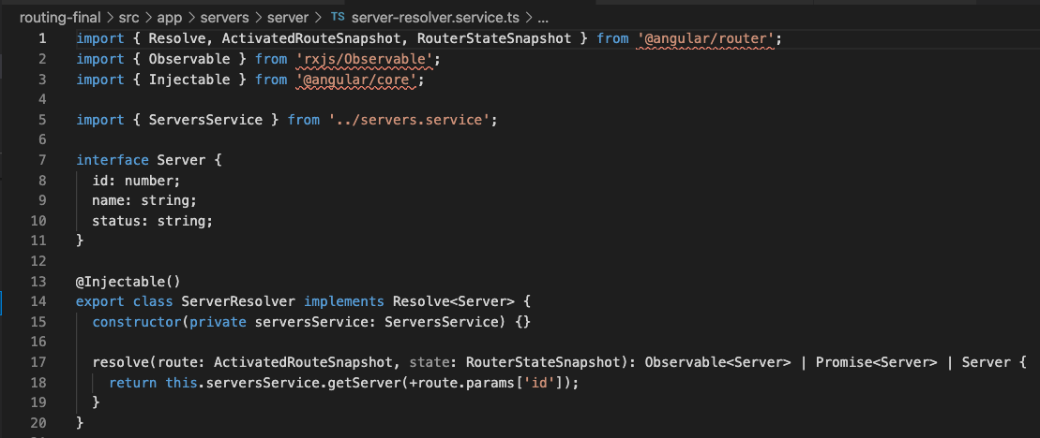

 |  |  | interface Server { id: number; name: string; status: string;}
 |  |  | @Injectable()
 |  |  | export class ServerResolver implements Resolve<Server> {
 |  |  |  |  |  |  |  |  |  | ^ gets Server defined by interface

 |  | app.module.ts
 |  |  | import { ServerResolver } from './servers/server/server-resolver.service';
 |  |  | providers: [ServersService, AuthService, AuthGuard, CanDeactivateGuard, ServerResolver],

 |  | app-routing.module.ts
 |  |  | import { ServerResolver } from './servers/server/server-resolver.service';
 |  |  | const appRoutes: Routes = [
 |  |  |  | { path: 'servers', component: ServersComponent, children: [
 |  |  |  |  | { path: ':id', component: ServersComponent, resolve: {server: ServerResolver} },
 |  |  |  |  | { path: ‘:id/edit', component: EditServerComponent, canDeactivate: [canDeactivateGuard] },
 |  |  |  | ]},
 |  |  |  | …
 |  |  | ];
 |  | server.component.ts
 |  |  |  |  |  |  | data[‘server’]
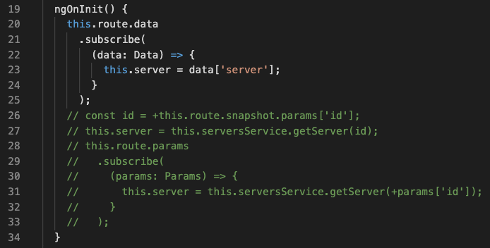

pv-atcg s11v28 | Understanding Location Strategies
 |  |  |  |  |  |  |  |  |  | <despite localhost:4200/users, dev server will load index.html
 |  |  |  |  |  |  |  |  |  | if prod server cannot be set to do the same useHash can resolve
 |  | app-routing.module.ts

pv-atcg s11v29 | Wrapping up

pv-atcg s12 | Course Project - Routing
pv-atcg s12v1 | Planning the General Structure
pv-atcg s12v2 | Setting up Routes
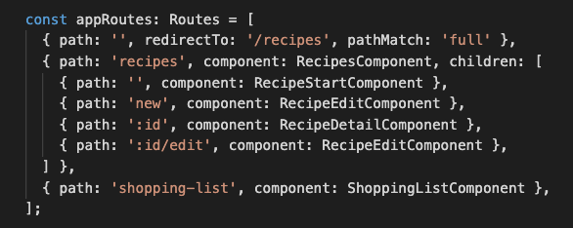

 |  |  | path: ‘ ‘, would redirect ANY path because every path starts with /
 |  |  | pathMatch: ‘full’ means on wholly ‘ ‘ paths are redirected

pv-atcg s12v3 | Adding Navigation to the Application
 |  | header.component.html

pv-atcg s12v4 | Marking Active Routes
 |  | see s12v3 routerLinkActive=”active” uses bootstrap class already

pv-atcg s12v5 | Fixing Page Reload Issues
 |  | recipe-item.component.html contains href which causes page reload and shows hand symbol

 |  |  | style=”cursor: pointer;” replaces the hand without reloading the page

 |  | recipe-detail.component.html
 |  |  | also remove href elements
 |  |  | <ul class="dropdown-menu">
 |  |  |  | <li><a href="#"></a>To Shopping List</li>
 |  |  |  | <li><a href="#"></a>Edit Recipe</li>
 |  |  |  | <li><a href="#"></a>Delete Recipe</li>
 |  |  | </ul>
pv-atcg s12v6 | Child Routes: Challenge
pv-atcg s12v7 | Adding Child Routing Together
pv-atcg s12v8 | Configuring Route Parameters
...
pv-atcg s12v12 | Retrieving Route Parameters
 |  |  |  |  | } |  |  |  | ^ will be null if new item
 |  |  |  | );
 |  |  | }
pv-atcg s12v13 | Programmatic Navigation to the Edit Page
pv-atcg s12v14 | One Note about Route Observables
 |  | there are circumstances which require memory cleanup onDestroy

pv-atcg s13 | Understanding Observables
pv-atcg s13v1 | Module Introduction
 |  | observables are an alternative to callbacks and promises
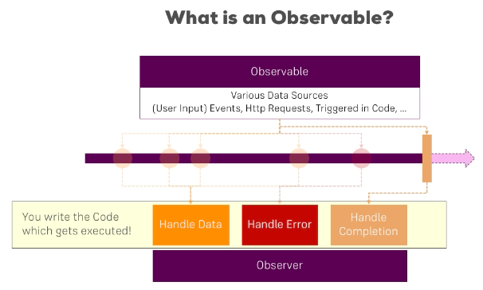

pv-atcg s13v2 | Analyzing Angular Observables
 |  | params is an observable to which we subscribe
 |  | will never need to create our own, but we could understand how that would happen

pv-atcg s13v3 | Getting r to the Core of Observables
 |  | not JavaScript or TypeScript but are added by package.json, package rxjs
 |  |  | rxjs = Reactive extensions for JavaScript
 |  | some observables will emit a value once and be done (e.g. http request)
 |  |  | but others can continue when not using that page
 |  |  | and can start extra copies when page reloaded
...
pv-atcg s13v6 | Observables
pv-atcg s13v7 | Understanding Operators
 |  | there are many built in operators that act of data recovered by an observable
 |  | every observable has a pipe method
 |  | import { interval, Subscription, Observable } from ’rxjs’;
 |  | import { map } from ’rxjs/operators’;
 | https://www.learnrxjs.io/

pv-atcg s13v8 | Subjects
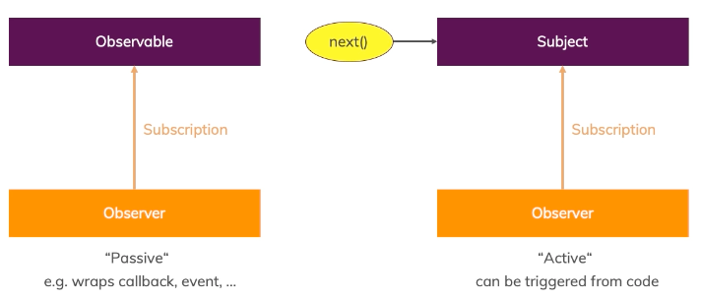

pv-atcg s13v9 | Wrapping up

pv-atcg s14 | Course Project - Observables
pv-atcg s14v1 | Improving the Reactive Service with Observables (Subjects)
 |  | converts EventEmitters to Subjects
 |  | call next instead of emit
 |  | need to add onDestroy

pv-atcg s15 | Handling Forms in Angular Apps
pv-atcg s15v1 | Module Introduction
 |  | on a single page application forms are not ‘submitted’ to the server
 |  | but then angular does the submission using http

pv-atcg s15v2 | Why do we Need Angular's Help?
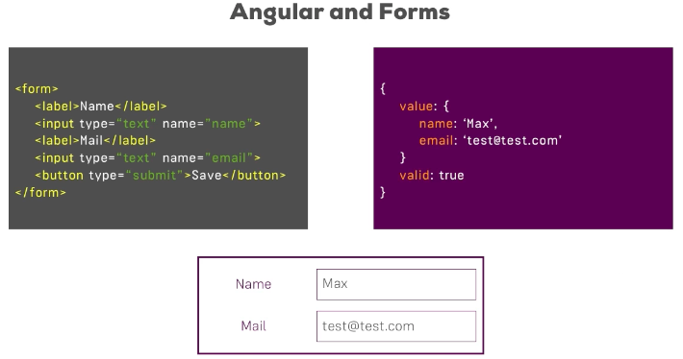

pv-atcg s15v3 | Template-driven (TD) versus Reactive Approach
 |  | TD - angular can interpret a form set up in html code
 |  | Reactive - TypeScript driven HTML


pv-atcg s15v4 | Creating an Example Form
 |  | <form> does not have an action like “post” so SUBMIT will not do an HTTP request

pv-atcg s15v5 | Template-driven (TD): Creating Forms and Registering the Controls
 |  | app.module.ts
 |  |  | import { FormsModule } from '@angular/forms';
 |  |  | imports: [
 |  |  |  | BrowserModule,
 |  |  |  | FormsModule,
 |  |  | ],
...
 |  | app.component.html
 |  |  | <form (ngSubmit)="onSubmit(f)" #f="ngForm">
 |  |  |  |  |  |  |  |  |  |  |  |  | ^local variable
 |  |  |  | <button class="btn btn-primary" type="submit">Submit</button>
 |  | app.component.ts
 |  |  | onSubmit(form: NgForm) {
 |  |  |  | console.log(form);
 |  |  | }
 |  |  |  |  |  |  |  |  |  |  |  | NgForm has value: Object in key/value pairs
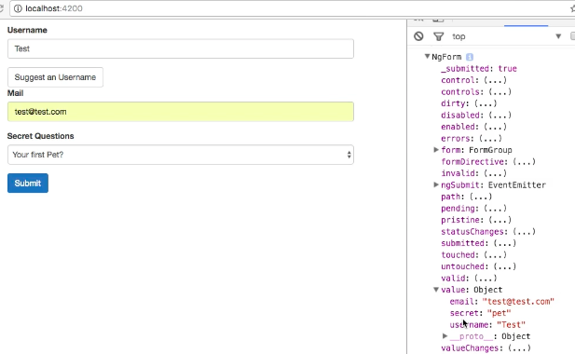

pv-atcg s15v7 | Template-driven (TD): Understanding Form State
 |  | NgForm has other properties - touched = clicked, dirty = data entered etc.

pv-atcg s15v8 | Template-driven (TD): Accessing a Form Using the @ViewChild Decorator
 |  | app.component.html
 |  |  | <form (ngSubmit)="onSubmit(f)" #f="ngForm">
 |  | alternative to passing f to onSubmit - CAN PREPARE FORM BEFORE USE
 |  |  | <form (ngSubmit)="onSubmit( )" #f="ngForm">
 |  | app.component.ts
...
pv-atcg s15v23 | Reactive: Submitting a Form
 |  | app.component.html
 |  |  | <form [formGroup]="signupForm" (ngSubmit)="onSubmit()">
 |  |  |  |  |  |  |  |  |  |  |  |  | ^ recognise html event
 |  | app.component.ts
 |  |  | onSubmit(){
 |  |  |  | console.log(this.signupForm); |  |  |  |  |  |  |  |  | output whole form to console
 |  |  | }
 |  |  | FormGroup has the values input
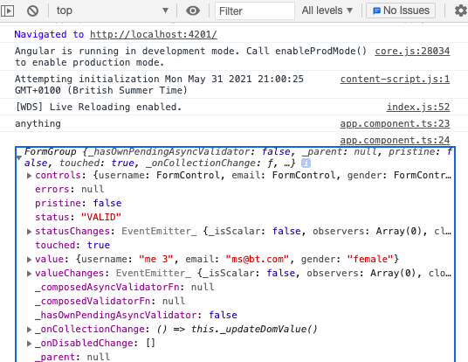

pv-atcg s15v24 | Reactive: Adding Validation
 |  | Reactive validation occurs as second arg of FormControl in .ts, not in .html
 |  | app.component.ts
 |  |  | import { FormControl, FormGroup, Validators } from '@angular/forms';
 |  |  | 'username': new FormControl('me 3', Validators.required), |  |  |  |  |  |  |  |  |  |  |  |  |  |  |  |  | <single validator
 |  |  | 'email': new FormControl(null, [Validators.required, Validators.email]),
 |  |  |  |  |  |  |  |  |  |  | ^ array of validators if more than one
 |  |  |  | Validators.required() is a method
 |  |  |  | Validators.required just passes a reference to the method to html
...
pv-atcg s16v5 | Loading Shopping List Items into a Form
 |  |  |  | this.slService.deleteIngredient(this.editedItemIndex);
 |  |  |  | this.onClear();
 |  |  | }
 |  | shopping-list.service.ts
 |  |  | deleteIngredient(index: number) {
 |  |  |  | this.ingredients.splice(index, 1);
 |  |  |  | this.ingredientsChanged.next(this.ingredients.slice());
2021-06-02 |  |  | }
pv-atcg s16v10 | Creating a Template for the (Reactive) Recipe Edit Form
 |  |  |  |  |  |  |  |  |  | v here is the whole ‘form’ - only part of screen
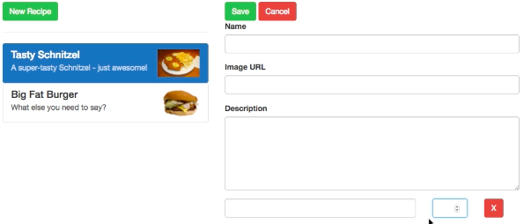

 |  | recipe-edit.component.html
 |  |  | <div class="col-xs-2">
 |  |  |  | <button
 |  |  |  |  | type="button"
 |  |  |  |  | class="btn btn-danger"
 |  |  |  |  | (click)="onDeleteIngredient(i)">X |  |  |  |  |  |  |  |  |  |  | X for delete
 |  |  |  | </button>
 |  |  | </div>
pv-atcg s16v11 | Creating a Form for Editing Recipes
 |  | recipe-edit.component.ts
...
pv-atcg s17 | Using Pipes to Transform the Output
 |  | transform output in the html template
pv-atcg s17v2 | Using Pipes
 |  |  | <strong>{{ server.name | shorten:15 }}</strong> |
 |  |  | {{ server.instanceType | uppercase }} |
 |  |  | {{ server.started | date | uppercase }}
pv-atcg s17v3 | Parametrizing Pipes
 |  |  | {{ server.started | date:'fullDate' | uppercase }}
 |  |  |  |  |  | can have multiple parameters separated by :
 |  |  |  |  |  |  |  | date:’fullDate’:’another’
pv-atcg s17v4 | Learning More About Pipes
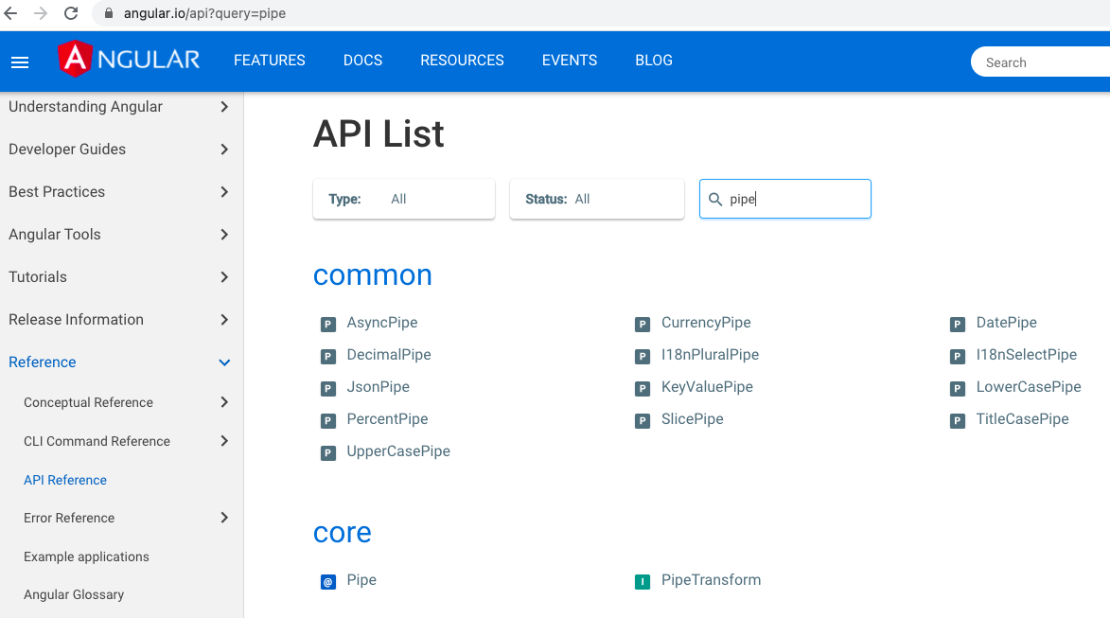

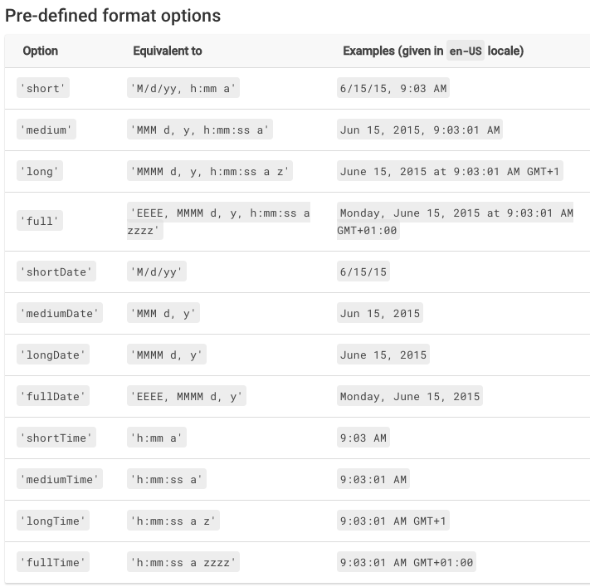

pv-atcg s17v5 | Chaining Multiple Pipes
 |  | {{ server.started | date:'fullDate' | uppercase }}
 |  |  |  | ^date |  |  |  | ^string
 |  | {{ server.started | uppercase | date:'fullDate' }}
 |  |  |  | ^date |  |  | ^string |  |  | ^fails, can only convert from a date

pv-atcg s17v6 | Creating a Custom Pipe
 |  | ...x.pipe.ts
 |  |  | import { Pipe, PipeTransform } from '@angular/core';
 |  |  | @Pipe({
 |  |  |  | name: '...x' |  |  |  |  |  |  |  | <name to be used in .html
...
pv-atcg s17v7 | Example: Creating a Filter Pipe
 |  |  |  |  |  |  |  |  |  |  |  | ^ waits for promise
 |  |  |  |  |  |  |  |  |  |  |  | ^ would also wait for .subscribe

pv-atcg s18 | Making HTTP Requests
pv-atcg s18v1 | A New Integrated Development Environment (IDE)
 |  | now using VS Code
pv-atcg s18v2 | Module Introduction
pv-atcg s18v3 | How Does Angular Interact with Backends?
 |  | everyone can read the angular frontend code via view source
 |  |  | so nothing in frontend is confidential
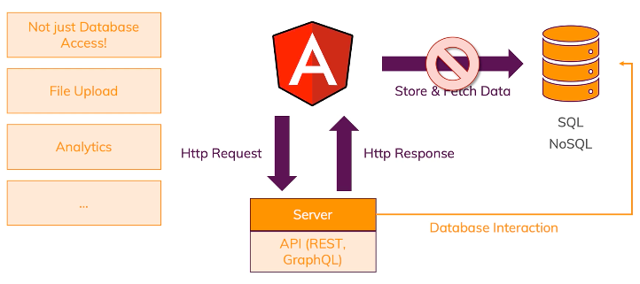

 | https://angular.io/guide/http

pv-atcg s18v4 | Anatomy of an HTTP Request
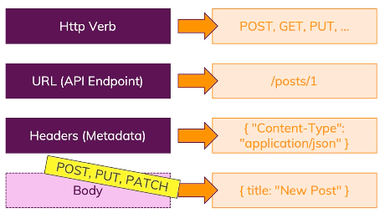

 |  |  |  |  |  |  |  |  |  |  |  |  |  |  |  |  | defaults will be sent if not defined

pv-atcg s18v5 | Setting up Backend (Firebase)
 |  | use the real time database, not firestore
pv-atcg s18v6 | Sending a POST Request
 |  | app.module.ts
 |  |  | import { HttpClientModule } from '@angular/common/http';
 |  |  | @NgModule({
 |  |  |  | …
 |  |  |  | imports: [
 |  |  |  |  | BrowserModule,
 |  |  |  |  | FormsModule,
...
pv-atcg s18v8 | Using Reactive Extensions for JavaScript (RxJS) Operators to Transform Response Data
 |  |  |  |  |  |  | // ... |  |  |  |  |  |  |  | could be transformed here, but pipe etc. above is better
 |  |  |  |  |  |  | console.log(posts);
 |  |  |  |  |  | });
 |  |  |  | }

 |  |  | map can return an observable, for subsequent subscribe
 |  |  | … spread operator pulls out all the nested key pairs
 |  |  | putting in { } allows to add id: as key to store Firebase key value within push( )
 |  |  | 'posts’ just seems to match word get output after transform to console.log
 |  | generates -
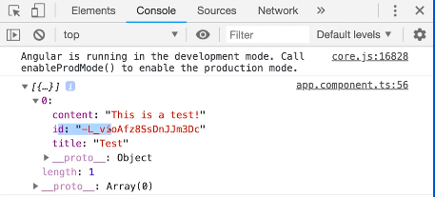

 |  |  |  |  |  |  |  |  |  |  |  |  |  |  |  |  |  |  | id is the key

pv-atcg s18v9 | Using Types with HttpClient
 |  | post.model.ts
 |  |  | export interface Post {
 |  |  |  | title: string;
 |  |  |  | content: string;
 |  |  |  | id?: string;
 |  |  | }
 |  | app.component.ts
 |  |  | import { Post } from './post.model';
 |  |  | onCreatePost(postData: { title: string; content: string }) {
...
pv-atcg s18v21 | Observing Different Types of Responses
 |  |  |  |  | this.http
 |  |  |  |  |  | .post< name: string )>(
 |  |  |  |  |  |  | 'https://ng-complete-guide-c56d3.firebaseio.com/posts.json',
 |  |  |  |  |  |  | postData ,
 |  |  |  |  |  |  | {
 |  |  |  |  |  |  |  | observe: ‘response’
 |  |  |  |  |  |  | }
 |  |  |  |  |  | )
 |  |  |  |  |  | .subscribe(responseData => {
 |  |  |  | default would recover ‘body’, this gets headers too
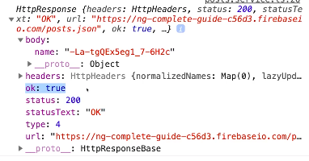

 |  | posts.service.ts
 |  |  |  | import { map, catchError, tap } from 'rxjs/operators';
 |  |  |  | deletePosts() {
 |  |  |  |  | return this.http
 |  |  |  |  |  | .delete('https://ng-complete-guide-c56d3.firebaseio.com/posts.json', {
 |  |  |  |  |  |  | observe: 'events',
 |  |  |  |  |  |  | responseType: 'text'
 |  |  |  |  |  | })
 |  |  |  |  |  | .pipe(
 |  |  |  |  |  |  | tap(event => {
...
 |  | recipes>recipes-resolver.service.ts
 |  |  |  |  |  | return recipes; |  |  |  |  |  |  |  |  |  |  |  |  | return the existing recipes
 |  |  |  |  | }
 |  |  |  | }
 |  |  | }
pv-atcg s20 | Authentication and Route Protection in Angular Apps
pv-atcg s20v1 | Module Introduction
pv-atcg s20v2 | Working of Authentication
 |  | api systems do not / cannot use sessions
 |  | they use Json Web Tokens (which can only be created by a server) instead
 |  | JWT is encoded, not encrypted
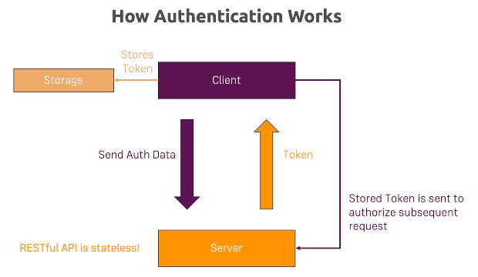

pv-atcg s20v3 | Adding the Authentication Page
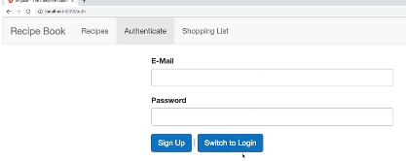

pv-atcg s20v4 | Switching between Authentication Modes
 |  | uses Switch to Log In / Switch to Sign Up rather than Register / Login

pv-atcg s20v5 | Handling Form Input
 |  | TD approach
pv-atcg s20v6 | Preparing the Backend
 |  | Firebase>database “auth != null” >Publish
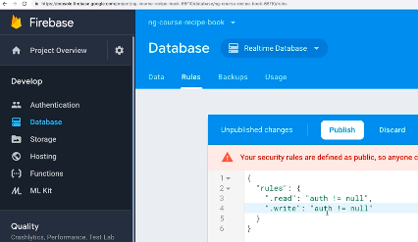

 |  | Firebase>Authentication >email password>save
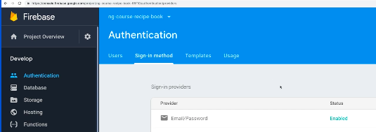

pv-atcg s20v7 | Preparing the Signup Request
 |  | https://firebase.google.com/docs/reference/rest/auth#section-sign-in-email-password
 |  | app>auth>auth.component.ts |  |  |  |  |  |  |  |  |  |  |  | ^may be wrong link
 |  | app>auth>auth.component.html
 |  | app>auth>auth.service.ts
 |  | find your unique api key to replace in url
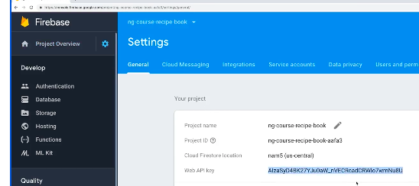

 |  | MORE TO ACTIVATE HERE

pv-atcg s20v8 | Sending the Signup Request
 |  | send request and get valid response
 |  | send same request again and get error - email already in use

pv-atcg s20v9 | Adding Loading Spinner and Error Handling Logic
 |  | ng g component shared/loading-spinner
 |  |  | shared>loading-spinner.component
 |  | https://loading.io/css/
...

