a2i yang
2021-06-06
Toshiba
a2i$ | ng --version
 |  | 11.2.14
a2i$ | ng new yang
 | strict y
 | routing y
 | css
 | npm ERR!
a2i$ | cs yang
yang$ | npm install --legacy-peer-deps
yang$ | ng serve

vscode | Add folder to workspace
 |  | webdev>github.com>mstudham>a2i>yang
 | Save workspace as
 |  | yang

yang$ | npm install --save bootstrap
 |  |  | ^ installs locally in project, not globally
vscode | reload
 | node_modules should now include a bootstrap folder (in alphabetical order)
 | angular.json
 |  | “styles”: [
 |  |  | “../node_modules/bootstrap/dist/css/bootstrap.min.css”,
 |  |  | “src/styles.css”
 |  | ],
 | ctrl+c |  |  | stop running server
 | ng serve |  |  | restart serve
t2 yang$ | ng g c guides --skip-tests
t2 yang$ | ng g c guides/contacts --skip-tests
t2 yang$ | ng g c guides/accounts --skip-tests
t2 yang$ | ng g c guides/transactions --skip-tests
t2 yang$ | ng g c guides/planning --skip-tests

vscode | app.component.html
 |  | delete all except last line
 |  | <router-outlet></router-outlet>
 | app.routing.ts
 |  | const appRoutes: Routes = [
 |  |  | { path: '', redirectTo: '/guides', pathMatch: 'full' },
 |  |  | { path:’’, component: GuidesComponent },
 |  |  | { path:’guides’, component: GuidesComponent },
 |  |  | { path:’guides/accounts’, component: AccountsComponent },
 |  |  | { path:’guides/contacts’, component: ContactsComponent },
 |  |  | { path:’guides/transactons’, component: TransactionsComponent },
 |  |  | { path:’guides/planning’, component: PlanningComponent },

t2 yang$ | git init
vscode Y | stage all changes
 | √ commit as ‘yang1’

 | https://git-scm.com/book/en/v2/Getting-Started-First-Time-Git-Setup
t2 yang$ | git config --list --show-origin
 | git config --global user.name “mstudham”
 | git config --global user.email michael.studham@btinternet.com
 | git config --list --show-origin
 |  | file:/home/mds/.gitconfig |  |  | user.name=mstudham
 |  | file:/home/mds/.gitconfig |  |  | user.email=michael.studham@btinternet.com
 |  | file:.gitconfig |  |  | core.repositoryformatversion=0
 |  | file:.gitconfig |  |  | core.filemode=true
 |  | file:.gitconfig |  |  | core.bare=false
 |  | file:.gitconfig |  |  | core.logallrefupdates=true

t2 yang$ | git --version
 |  | version 2.31.1
 | git init
 |  | hint: Using ‘master’ as the name for the initial branch.
 |  | hint: This default branch name is subject to change.
 |  | hint: To configure the initial branch name to use in all of your new repositories,
 |  | hint: which will suppress this warning, call:
 |  | hint: git config --global init.defaultBranch <name>
 |  | hint: Names commonly chosen instead of ‘master’ are ‘main’, ‘trunk’, and ‘development’.
 |  | hint: The just created branch can be renamed vis this command:
 |  | hint: git branch -m <name>
 | THIS IS A NEW OPTION FROM VERSION 2.28 ONWARDS

vscode | shift+ctrl/cmd+p (View>Command palette)
 | type ‘remote’
 | Git Add Remote
 | Select from Github - lists
 | mstudham/yang
 | Remote name
 | mds-yang1

vscode Y | Message (Ctrl+Enter to commit on ‘master’)
 | first yang commit
 |  | ctrl+enter

t2 yang$ | git remote -v
 |  | main, mds-yang1, origin
 |  | mds-yang1 https://github.com/mstudham/yang.git
 | git push mds-yang1
 | Username > mstudham |  |  |  |  | vs code has master bottom left
 | Password > B…...52
 | Writing 59 objects
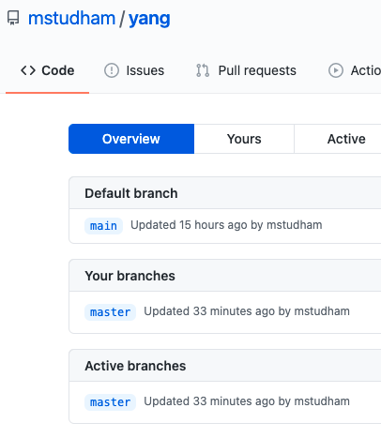
github.com

