pvHOADOwGCI
2021-04-05 | might be useful ? - Cloud Native Programming with Golang, page 313 ‘Using GitLab’

2021-03-29 | Hands On Auto DevOPs with Gitlab CI, Alan Hohn, March 2019 (3h 38m)
MacBook | yogopackt>hoadwgci_videos |  |  |  |  | downloaded videos
 | yogopackt>hoadwgci |  |  |  |  | downloaded code
 |  | README.md
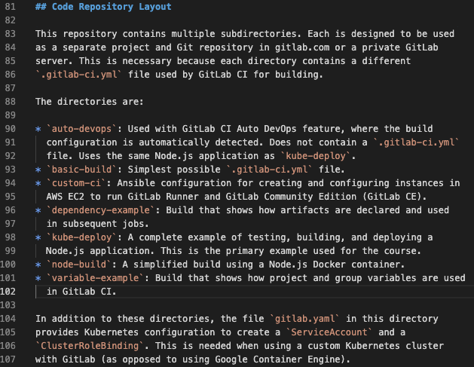

pvHOADOwGCI | Automated DevOps Pipelines
pvHOADOwGCIs1v1 | The Course Overview
 |  | http://blog.anvard.org/ |  |  |  | unused sine March 2017, but contact might still work

2021-04-02
pvHOADOwGCIs1v2 | Automated DevOps with GitLab CI
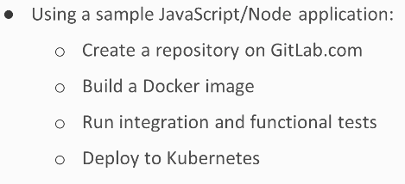

 |  | create .gitlab-ci.yml
 |  |  | separate stages for build, test, deploy
 |  |  |  | each has own script
 |  | push to gitlab server to execute
 |  | go to gitlab.com
 |  |  | create empty repository
 |  |  | copy ‘existing folder’ commands
 |  |  | paste all in a terminal window
 |  |  |  | will do initial commit
 |  |  | repository will now have a running pipeline (top right?)
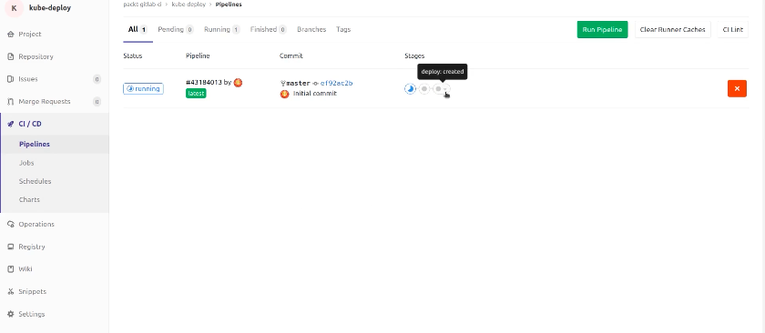

 |  |  |  |  |  |  |  |  | ^ see stages build, test, deploy
 |  |  |  | runs in a Google Kubernetes engine
 |  |  |  | creates a todos web application

pvHOADOwGCIs1v3 | Integrating Kubernetes and GitLab CI
 |  | create account in Google Cloud Platform
 |  | create project ‘gitlab-ci’
 |  |  | wait for project to create (circle runs top right)
 |  | use project to deploy a Kubernetes cluster


 |  |  |  |  |  |  |  |  |  | new project ^

 |  |  |  |  | ^ just add name then click Create (bottom left)
 |  |  |  |  | example code has folder ‘auto-devops’

 |  |  |  |  |  |  | ^ sign in with Google
 |  |  |  |  |  |  |  | links Google Cloud Platform Account

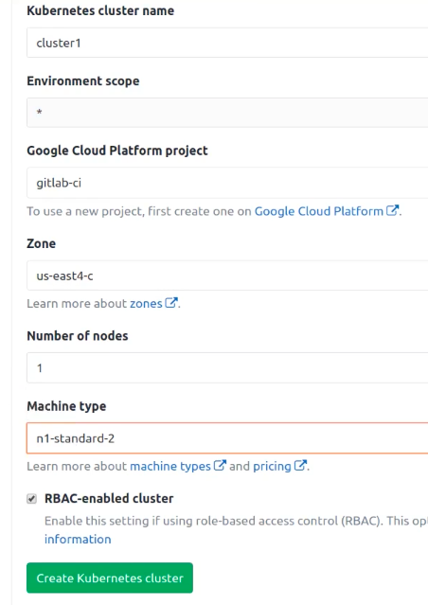

 |  |  |  |  |  |  |  |  | note name matches project

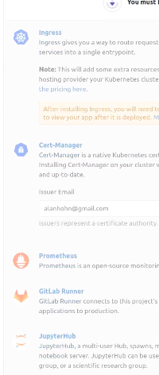
 |  |  |  |  | GitLab can install automatically -

 |  |  |  |  | Ingress

 |  |  |  |  | Prometheus

 |  |  |  |  |  |  |  |  | kubectl can connect here ^

pvHOADOwGCIs1v4 | DevOps with Zero Configuration

Google Kubernetes Engine
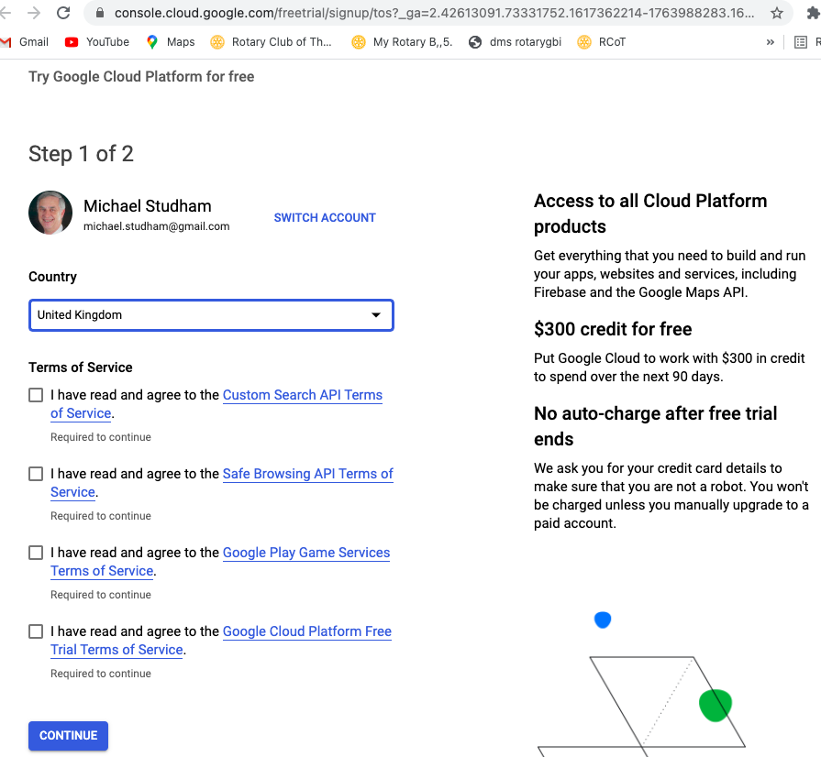
2021-04-02 | https://cloud.google.com/docs/tutorials#kubernetes%20engine
 |  | https://cloud.google.com/solutions/deploying-production-ready-gitlab-on-gke | (printed)

pvMDOiP
2021-04-03 | Modern DevOps in Practice, Cory W Cordell, March 2019 (4h 20m)
MacBook | yogopackt>mdoip_videos |  |  |  |  | downloaded videos
 | yogopackt>mdoip |  |  |  |  | downloaded code

 | Related Products
 |  | Practical DevOps Security [Video]
 |  |  | https://www.packtpub.com/virtualization-and-cloud/practical-devops-security-video
 |  | DevOps with Kubernetes [Video]
 |  |  | https://www.packtpub.com/virtualization-and-cloud/devops-kubernetes
 |  | DevOps with Azure [Video]
 |  |  | https://www.packtpub.com/virtualization-and-cloud/devops-azure-video

pvMDOiPs9v1 | Course Project
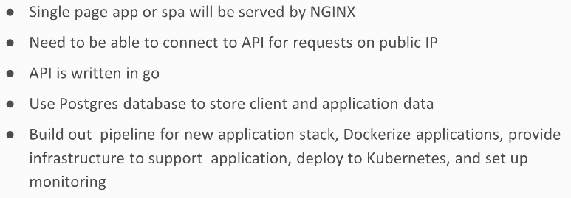

pvMDOiPs2v1 | What Is DevOps?
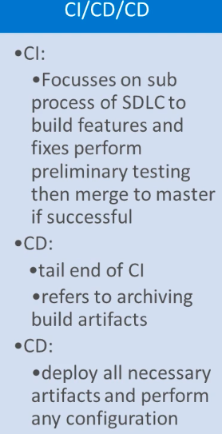

 |  |  |  |  |  | Continuous Integration

 |  |  |  |  |  | Software Development Life Cycle

 |  |  |  |  |  | Continuous Delivery

 |  |  |  |  |  | Continuous Deployment (possibly several times a day)

pvMDOiPs3v4 | Azure Fundamentals
 |  | https://azure.microsoft.com/en-gb/free/
 |  |  | which email address?
 |  | LOTS TO LOOK AT

pvMDOiPs3v5 | Azure Resources
 |  | LOTS TO LOOK AT
pvMDOiPs3v6 | Create a Virtual Machine
 |  | LOTS TO LOOK AT
pvMDOiPs3v7 | Azure Permissions and Key Vault
 |  | LOTS TO LOOK AT
pvMDOiPs3v8 | Azure Portal Alternates
 |  | Azure CLI is ‘weapon of choice’
 |  |  | runs natively on Mac and Linux
 |  | https://docs.microsoft.com/en-us/cli/azure/install-azure-cli
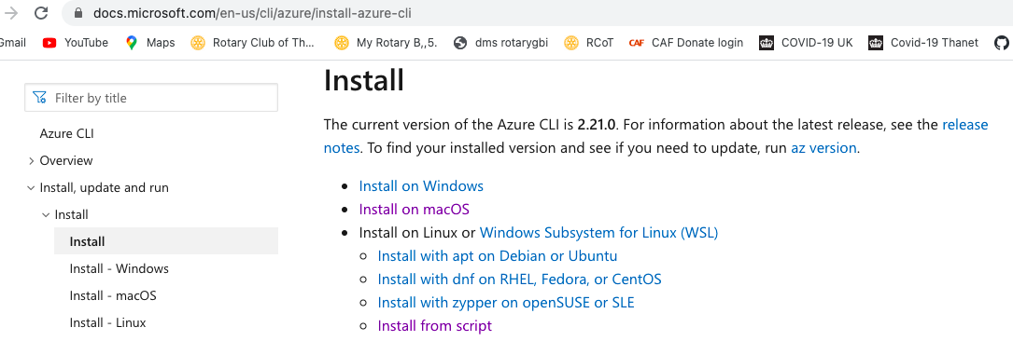

 |  | https://azure.microsoft.com/en-gb/downloads/
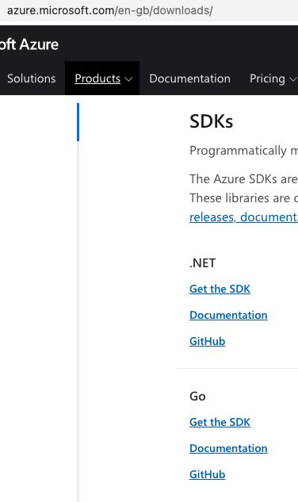

 |  |  |  |  |  |  |  | and there is an Android version

pvMDOiPs3v9 | Azure REST API
 |  | https://docs.microsoft.com/en-us/rest/api/azure/
pvMDOiPs3v10 | Azure REST API and Postman
 |  | how to get Bearer token?
 |  | LOTS TO LOOK AT
pvMDOiPs3v11 | Azure CLI – Part One
pvMDOiPs3v12 | Azure CLI – Part Two

pvMDOiPs4 | Configuration as Code and Container Orchestration (CaC)
pvMDOiPs4v1 | Overview
 |  | Ansible, Chef, Puppet
pvMDOiPs4v2 | Container Orchestration Tools
pvMDOiPs4v3 | Docker - Part One
 |  | docker pull busybox |  |  |  |  | can pull before running
 |  | docker run busybox |  |  |  |  | runs sh and exit
 |  | docker run -it busybox |  |  |  |  | runs sh interactive
 |  |  | # exit |  |  |  | until exit

 |  | docker run -p 3000:80 --name nginx-mds nginx |  |  |  |  |  |  | automatically pulls, runs and report requests
 |  | docker run -p 3000:80 --name nginx-mds -d nginx |  |  |  |  |  |  | run in background
pvMDOiPs4v4 | Docker - Part Two
 |  | $ docker tag busybox myimage:1.0
 |  |  | duplicates busybox image ID as repository myimage Tag 1.0
 |  | $ docker images
 |  | $ docker rm 62 f8 |  |  |  |  | remove containers 62.. and f8.. or more separated by spaces
 |  | $ docker rm $(docker ps -aq) |  |  |  |  | remove containers, all + quiet
 |  | $ docker rmi $(docker ps -aq) |  |  |  |  | remove images, all + quiet
 |  | $ docker rmi a9 |  |  |  |  | remove image a9..
 |  | $ docker rmi -f a9 |  |  |  |  | will need -f force if name duplicated by tagging

 |  | docker cli looks for file name Dockerfile in local directory by default but can be different path with -f
 |  |  | $ docker build -f /path/to/a/Dockerfile .
 |  |  | mdoip-mds % docker build -f Dockerfile-opt -t myub20:v3 .
 |  | mdoip-mds>Dockerfile -
 |  | FROM ubuntu:18.04 |  |  |  |  | always specify tag number not latest for consistency
 |  | RUN apt update
 |  |  | does lots of azure
 |  | CMD [“/bin/bash”] |  |  |  |  | this is probably the default, but specify anyway

 |  | mdoip-mds % docker build .
 |  | mdoip-mds % docker images
 |  | REPOSITORY TAG IMAGE ID CREATED SIZE
 |  | <none> <none> 8b025c3c18c0 42 seconds ago 112MB
 |  | nginx latest 7ce4f91ef623 5 days ago 133MB
 |  | …
 |  | mdoip-mds % docker run 8b
 |  | mdoip-mds % docker run -it 8b
 |  | root@22b0423f7e74:/# la
 |  | .dockerenv bin boot dev etc home lib lib32 lib64 libx32 media mnt opt proc root run sbin srv sys tmp usr var
 |  | root@22b0423f7e74:/# exit
 |  | exit
 |  | mdoip-mds % docker run -it -rm 8b |  |  |  |  |  | and remove after running
 |  | mdoip-mds %

 |  | mdoip-mds % docker build . |  |  |  |  |  | did not create REPOSITORY or TAG
 |  | mdoip-mds % docker build -t myu20 . |  |  |  |  |  | REP myu20 TAG latest |  | Image stays as 8b025c3c18c0
 |  | mdoip-mds % docker build -t myu20:v2 . |  |  |  |  |  | REP myu20 TAG v2 |  | Image stays as 8b025c3c18c0

pvMDOiPs4v5 | Docker – Part Three
 |  | organising your layers well can help efficiency in rebuilding a docker image
 |  | to push to a repository -
 |  |  | add the account name for the namespace
 |  |  | $ docker tag az-opt cordelltech/az-opt
 |  |  | $ docker images
 |  |  | $ docker push cordelltech/az-opt
 |  | better
 |  |  | $ docker tag az-opt cordelltech/az-opt:1.0
 |  |  | $ docker push cordelltech/az-opt:1.0
pvMDOiPs4v6 | Kubernetes – Part One
 |  | Azure Kubernetes Service - aks
 |  | create azure resource
 |  | create takes several minutes
 |  |  | copy ‘install’ code from kubernetes.io into Dockerfile
 |  |  | kubectl get node
 |  |  | kubectl get pod
 |  |  | kubectl get service
 |  |  | kubectl get all
 |  | generally one container per pod
 |  |  | % kubectl create deployment mynginx --image nginx

 |  |  | % minikube status
 |  |  | % minikube start |  |  |  | takes time and returns to % prompt

 |  | michaelstudham@Michaels-Air mdoip-mds % kubectl get node
 |  | NAME STATUS ROLES AGE VERSION
 |  | minikube Ready master 132d v1.10.0
 |  | michaelstudham@Michaels-Air mdoip-mds % kubectl get pod
 |  | NAME READY STATUS RESTARTS AGE
 |  | nginx-deployment-6f596bfb6d-5fkp4 1/1 Running 3 132d
 |  | nginx-deployment-6f596bfb6d-9h7z4 1/1 Running 3 132d
 |  | nginx-deployment-6f596bfb6d-cgm4v 1/1 Running 2 132d
 |  | nginx-deployment-6f596bfb6d-ws96c 1/1 Running 2 132d
 |  | michaelstudham@Michaels-Air mdoip-mds % kubectl get service
 |  | NAME TYPE CLUSTER-IP EXTERNAL-IP PORT(S) AGE
 |  | kubernetes ClusterIP 10.96.0.1 <none> 443/TCP 132d
 |  | nginx NodePort 10.98.151.230 <none> 80:32502/TCP 132d
 |  | michaelstudham@Michaels-Air mdoip-mds % kubectl get all
 |  | NAME READY STATUS RESTARTS AGE
 |  | pod/nginx-deployment-6f596bfb6d-5fkp4 1/1 Running 3 132d
 |  | pod/nginx-deployment-6f596bfb6d-9h7z4 1/1 Running 3 132d
 |  | pod/nginx-deployment-6f596bfb6d-cgm4v 1/1 Running 2 132d
 |  | pod/nginx-deployment-6f596bfb6d-ws96c 1/1 Running 2 132d

 |  | NAME TYPE CLUSTER-IP EXTERNAL-IP PORT(S) AGE
 |  | service/kubernetes ClusterIP 10.96.0.1 <none> 443/TCP 132d
 |  | service/nginx NodePort 10.98.151.230 <none> 80:32502/TCP 132d

 |  | NAME DESIRED CURRENT UP-TO-DATE AVAILABLE AGE
 |  | deployment.apps/nginx-deployment 4 4 4 4 132d

 |  | NAME DESIRED CURRENT READY AGE
 |  | replicaset.apps/nginx-deployment-6f596bfb6d 4 4 4 132d
 |  | michaelstudham@Michaels-Air mdoip-mds %

 |  | michaelstudham@Michaels-Air mdoip-mds % kubectl create deployment mynginx --image nginx
 |  | deployment.apps/mynginx created
 |  | michaelstudham@Michaels-Air mdoip-mds % kubectl get all
 |  | NAME READY STATUS RESTARTS AGE
 |  | pod/mynginx-6688dbc747-4nsw4 1/1 Running 0 9s
 |  | pod/nginx-deployment-6f596bfb6d-5fkp4 1/1 Running 3 132d
 |  | pod/nginx-deployment-6f596bfb6d-9h7z4 1/1 Running 3 132d
 |  | pod/nginx-deployment-6f596bfb6d-cgm4v 1/1 Running 2 132d
 |  | pod/nginx-deployment-6f596bfb6d-ws96c 1/1 Running 2 132d

 |  | NAME TYPE CLUSTER-IP EXTERNAL-IP PORT(S) AGE
 |  | service/kubernetes ClusterIP 10.96.0.1 <none> 443/TCP 132d
 |  | service/nginx NodePort 10.98.151.230 <none> 80:32502/TCP 132d

 |  | NAME DESIRED CURRENT UP-TO-DATE AVAILABLE AGE
 |  | deployment.apps/mynginx 1 1 1 1 9s
 |  | deployment.apps/nginx-deployment 4 4 4 4 132d

 |  | NAME DESIRED CURRENT READY AGE
 |  | replicaset.apps/mynginx-6688dbc747 1 1 1 9s
 |  | replicaset.apps/nginx-deployment-6f596bfb6d 4 4 4 132d
 |  | michaelstudham@Michaels-Air mdoip-mds %

 |  | THAT’S COMMAND LINE CREATE BUT WE CAN DO IT IN YAMLs

pvMDOiPs4v7 | Kubernetes – Part Two
 |  | % mdoip-mds % mkdir k8s
 |  | mdoip-mds>k8s>deployment.yaml
 |  |  | type : De |  |  |  |  | with Kubernetes extension creates template
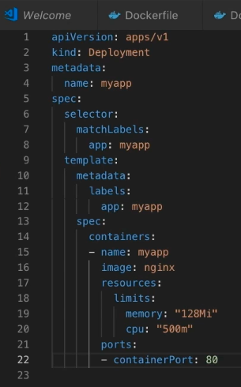
 |  |  |  |  |  |  |  |  | manually delete ‘type:’
 |  |  |  |  |  |  |  |  | accept defaults except -

 |  |  |  |  |  |  |  |  | image: nginx

 |  |  |  |  |  |  |  |  | port: 80

 |  | mdoip-mds>k8s>service.yaml
 |  |  | type : Service |  |  |  |  | with Kubernetes extension creates template
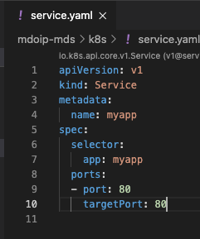
 |  |  |  |  |  |  |  | manually delete ‘type:’
 |  |  |  |  |  |  |  | accept defaults except -

 |  |  |  |  |  |  |  | port: 80 - this is the output port to the browser
 |  |  |  |  |  |  |  | port: 80 - target port is as specified in the deployment

 |  | mdoip-mds % kubectl get svc |  |  |  |  |  |  |  | get svc - like services?
 |  | NAME TYPE CLUSTER-IP EXTERNAL-IP PORT(S) AGE
 |  | kubernetes ClusterIP 10.96.0.1 <none> 443/TCP 132d
 |  | myapp ClusterIP 10.104.142.169 <none> 80/TCP 7m |  |  |  |  |  |  |  | no external IP
 |  | nginx NodePort 10.98.151.230 <none> 80:32502/TCP 132d
 |  | mdoip-mds % kubectl get svc --watch |  |  |  |  |  |  |  | watches for changes
 |  | NAME TYPE CLUSTER-IP EXTERNAL-IP PORT(S) AGE
 |  | kubernetes ClusterIP 10.96.0.1 <none> 443/TCP 132d
 |  | myapp LoadBalancer 10.104.142.169 <pending> 80:32038/TCP 13m |  |  |  |  |  |  |  | hangs as <pending>
 |  | nginx NodePort 10.98.151.230 <none> 80:32502/TCP 132d

 |  | https://stackoverflow.com/questions/44110876/kubernetes-service-external-ip-pending
 |  |  | reports type: LoadBalancer only works on some platforms -
 |  |  |  | GCE, EKS,
 |  |  | possibly use NodePort
 |  |  | possibly use MetalLB
 |  |  | possibly use minikube tunnel |  |  |  | see dev Docker & Kubernetes.xlsx>minikube

pvMDOiPs5 | Infrastructure as Code (IaC)
pvMDOiPs5v1 | Overview – Infrastructure as Code
 |  | “Infrastructure as Code manages and provisions Hardware Resources using
 |  | Definition Files rather than Interactice Configuration Tools”
pvMDOiPs5v2 | Languages and Applications
 |  | Terraform by Hashicorp
pvMDOiPs5v3 | Terraform Installation

 |  | COME BACK TOMORROW

pvMDOiPs5v4 | Terraform Provider
 |  | mkdir terraform
 |  | terraform>main.tf |  |  | any file name so long as it ends .tf
 |  | https://www.terraform.io/docs/providers/index.html

pvMDOiPs5v5 | Terraform Variables
 |  | terraform % terraform.init
 |  | terraform % terraform.plan
 |  | import tfvars file for secrets, and do not upload to github, i.e. gitignore

pvMDOiPs5v6 | Create Resource Group
 |  | https://www.terraform.io/docs/language/resources/index.html
 |  | % terrform apply

pvMDOiPs5v7 | Create Key Vault

pvMDOiPs6 | Automation, Pipeline Orchestration, and CI/CD

