daprm
2021-04-08 | Distributed Application Runtime on MacBook
 | /webdev/github.com/mstudham/dm1
 | https://docs.dapr.io/getting-started/install-dapr-cli/
 |  | % brew install dapr/tap/dapr-cli
 |  | % dapr
2021-04-09 | dm1 % docker ps |  |  |  | check docker is running
 | dm1 % dapr init
 |  |  | Dapr runtime installed to /Users/michaelstudham/.dapr/bin,
 |  |  | you may run the following to add it to your path if you want to run daprd directly:
 |  |  | export PATH=$PATH:/Users/michaelstudham/.dapr/bin
 | dm1 % docker ps
 |  | CONTAINER ID IMAGE COMMAND PORTS NAMES
 |  | f96789987869 daprio/dapr "./placement" 0.0.0.0:50005->50005/tcp dapr_placement
 |  | 358732dc58c6 openzipkin/zipkin "start-zipkin" 9410/tcp, 0.0.0.0:9411->9411/tcp dapr_zipkin
 |  | 5188d3f77144 redis "docker-entrypoint.s…" 0.0.0.0:6379->6379/tcp dapr_redis

2021-04-10 | https://docs.dapr.io/getting-started/get-started-api/
t1 |  | dm1 % dapr run --app-id myapp --dapr-http-port 3500
t2 |  | curl -X POST -H "Content-Type: application/json" -d '[{ "key": "name", "value": "Bruce Wayne"}]' http://localhost:3500/v1.0/state/statestore
 |  | ~ % curl -X POST -H "Content-Type: application/json" -d '[{ "key": "name", "value": "Bruce Wayne"}]'
 |  | http://localhost:3500/v1.0/state/statestore |  |  |  |  |  | ^ as one line sets value
 |  | ~ % curl http://localhost:3500/v1.0/state/statestore/name
 |  |  | "Bruce Wayne" |  |  |  |  | reports value
 |  | ~ % docker exec -it dapr_redis redis-cli |  |  |  |  |  | gets into redis
 |  | 127.0.0.1:6379> keys *
 |  | 1) "myapp||name" |  |  |  |  |  | obtains key
 |  | 127.0.0.1:6379> hgetall "myapp||name"
 |  | 1) "data" |  |  |  |  |  | redis record
 |  | 2) "\"Bruce Wayne\""
 |  | 3) "version"
 |  | 4) "1"
 |  | 127.0.0.1:6379> exit
 |  | ~ %
browser |  | http://localhost:3500/v1.0/state/statestore/name
 |  |  | "Bruce Wayne"

 | https://docs.dapr.io/getting-started/get-started-component/
vscode |  | create dm1 workspace
 |  |  | add files
t1 |  | dm1 % ctrl+c
 |  | dm1 % dapr run --app-id myapp --dapr-http-port 3500 --components-path ./my-components
t2 |  | ~ % curl http://localhost:3500/v1.0/secrets/my-secret-store/my-secret
 |  | {"my-secret":"I'm Batman"}
 |  | ~ %
browser |  | http://localhost:3500/v1.0/secrets/my-secret-store/my-secret

2021-04-17 | https://docs.dapr.io/getting-started/quickstarts/
 |  | git clone [-b <dapr_version_tag>] https://github.com/dapr/quickstarts.git
 |  |  |  | -b or --branch <name> resolves to
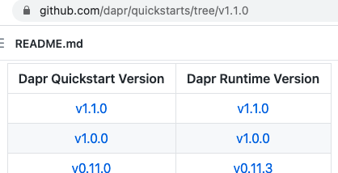

 |  |  |  |  |  |  | click on v1.1.0

 |  |  |  |  |  |  | then open Code, copy
 |  |  |  |  |  |  |  | https://github.com/dapr/quickstarts.git

 |  | dm1 % git clone https://github.com/dapr/quickstarts.git
 |  | cd quickstarts/hello-world
t1 |  | hello-world % npm install
 |  | hello-world % dapr run --app-id nodeapp --app-port 3000 --dapr-http-port 3500 node app.js
 |  |  | …
 |  |  | ✅ You're up and running! Both Dapr and your app logs will appear here.
t2 |  | hello-world % dapr stop --app-id nodeapp
 |  | ✅ app stopped successfully: nodeapp
 |  | hello-world %
t1 |  | ✅ You're up and running! Both Dapr and your app logs will appear here.

 |  | INFO[0000] placement tables updated, version: 0 app_id=nodeapp instance=Michaels-Air scope=dapr.runtime.actor.internal.placement type=log ver=1.1.1
 |  | ℹ️
 |  | terminated signal received: shutting down
 |  | ✅ Exited Dapr successfully |  |  |  | stopped by t2
 |  | ✅ Exited App successfully |  |  |  | stopped by t2
 |  | michaelstudham@Michaels-Air hello-world %

dapr
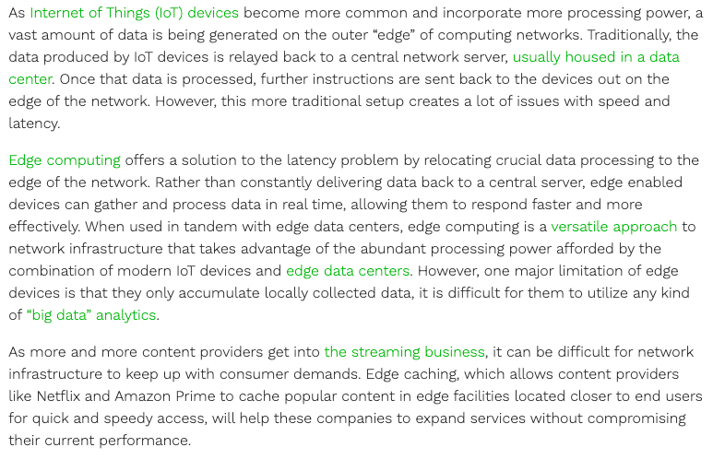
2021-04-06 | Distributed APplication Runtime

 | https://www.youtube.com/watch?v=9o9iDAgYBA8
 | https://dapr.io/

obPMwDaN
2021-04-06 | Practical Microservices with Dapr and .NET - Davide Bedin, Dec 2020 (262p)
2021-04-07
obPMwDaNs1 | Section 1: Introduction to Dapr
obPMwDaNc1s2 | An overview of Dapr
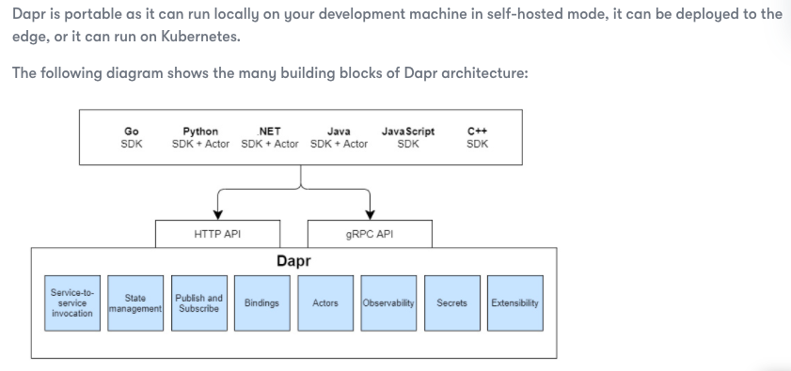

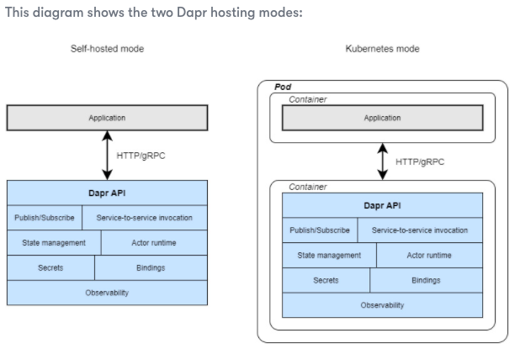

obPMwDaNc1s3 | The architecture of Dapr
 |  | mTLS = mutual Transport Layer Security
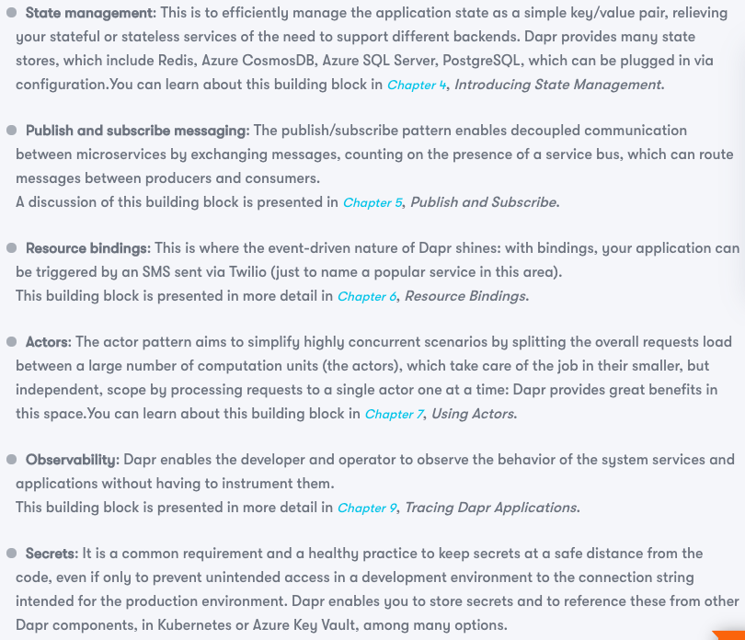

obPMwDaNc1s4 | Setting up Dapr

 |  | https://docs.dapr.io/
 |  | Dapr requires Docker locally on your development environment
 |  | Dapr has an extension for Visual Studio Code that helps with navigating the Dapr local
 |  | environment and eases the debugging configuration – I highly recommend it. Please follow the instructions at
 |  | https://docs.dapr.io/developing-applications/ides/vscode/

obPMwDaNc1s5 | Building our first Dapr example

obPMwDaNc2 | Chapter 2: Debugging Dapr Solutions

 |  | INSTALLING DEBUG FACILITIES IN VS CODE

obPMwDaNs2 | Section 2: Introduction to Dapr
obPMwDaNc3 | Chapter 3: Service-to-Service Invocation

obPMwDaNc3s2 | How services work in Dapr

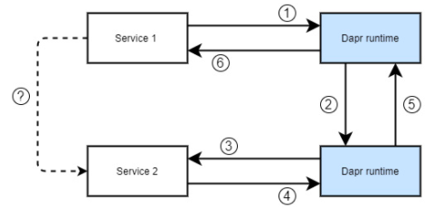

 |  | Introducing our sample architecture

obPMwDaNa | Appendix: Microservices Architectures with Dapr
obPMwDaNas2 | Discovering Microservices
 |  | Service -

 |  | Bounded context -

 |  | Loose coupling -

 |  | Event-driven architecture -

obPMwDaNas3 | Adopting microservices patterns
obPMwDaNas4 | Building an e-commerce architecture
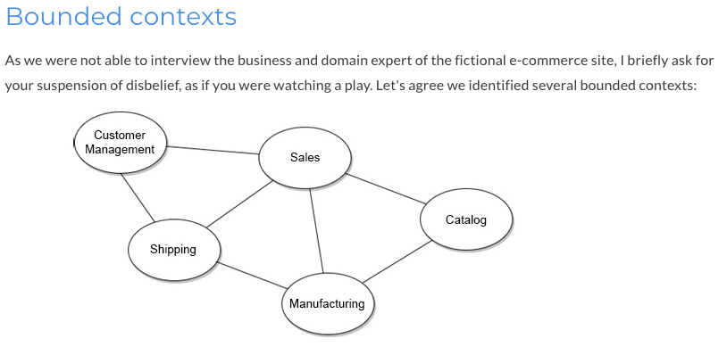

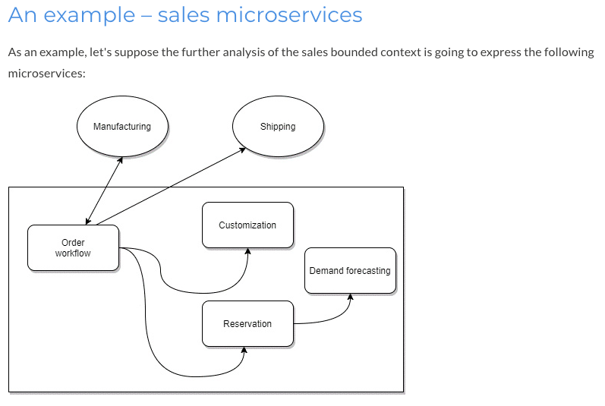

obPMwDaNas5 | Building microservices with Dapr



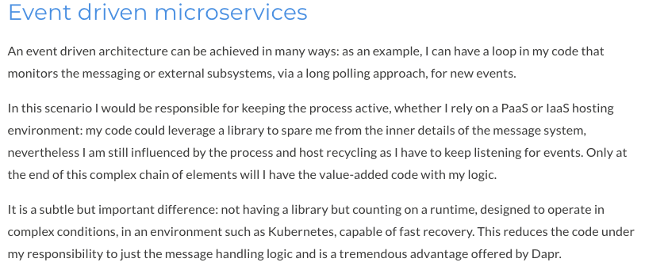

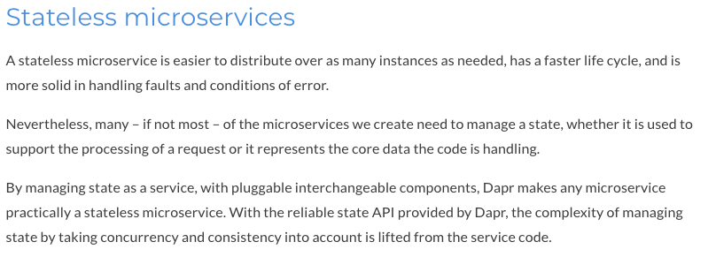

obPMwDaNc3s2 | How services work in Dapr - continued
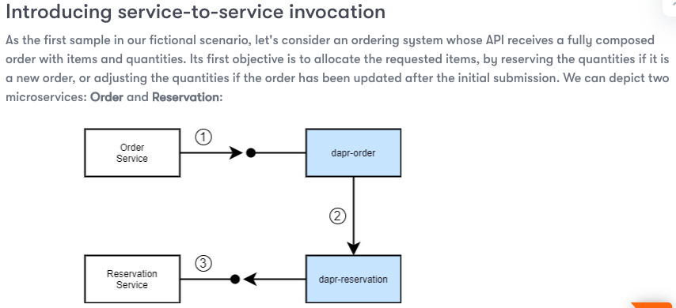

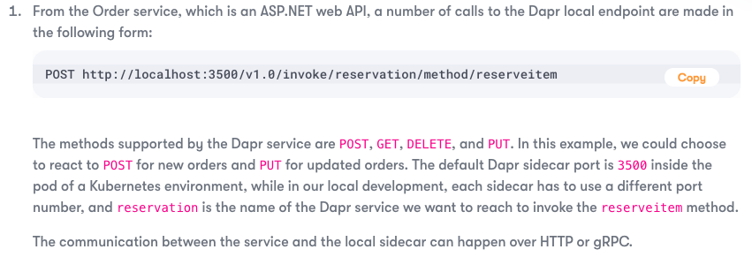

obPMwDaNc3s3 | Service invocation with the .NET SDK
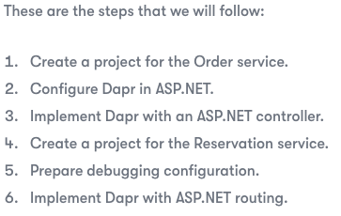

 |  |  |  | project for Order Service

 |  |  |  | project for Reservation Service

 |  | While working in self-hosted mode, as in our development environment,
 |  | we have to carefully avoid port conflicts.

obPMwDaNc3s4 | HTTP and gRPC for Dapr services
 |  | https://docs.dapr.io/operations/configuration/grpc/

obPMwDaNc4 | Chapter 4: Introducing State Management
obPMwDaNc4s2 | Managing state in Dapr
 |  | Database as a Service (DBaaS)
 |  |  | https://www.couchbase.com/
 |  |  | https://www.mongodb.com/cloud/atlas
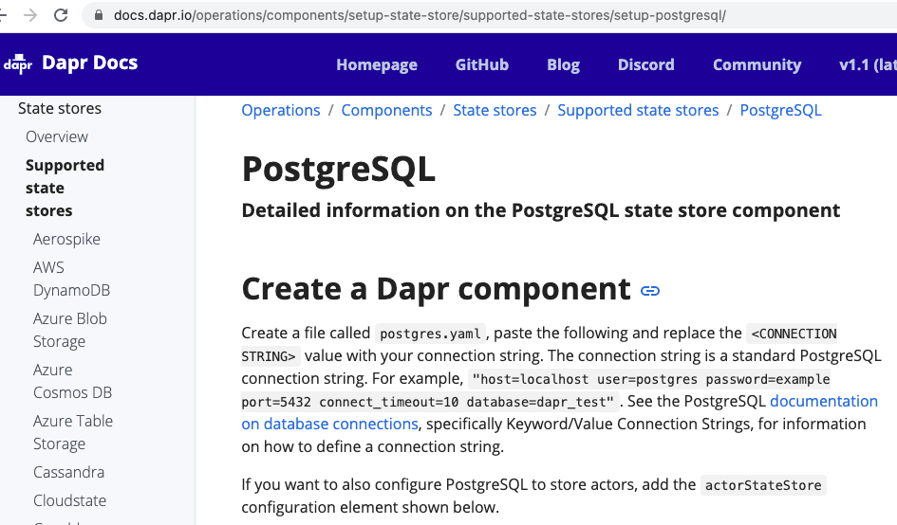

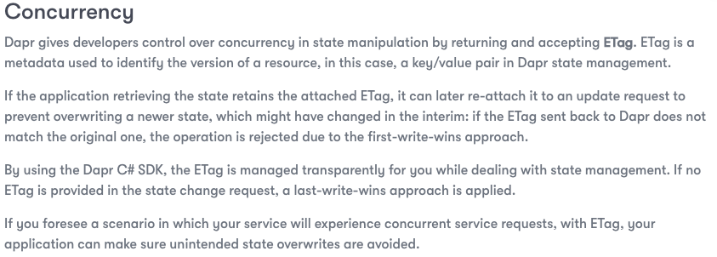

obPMwDaNc5 | Chapter 5: Publish and Subscribe
obPMwDaNc5s3 | Using the publish and subscribe pattern in Dapr
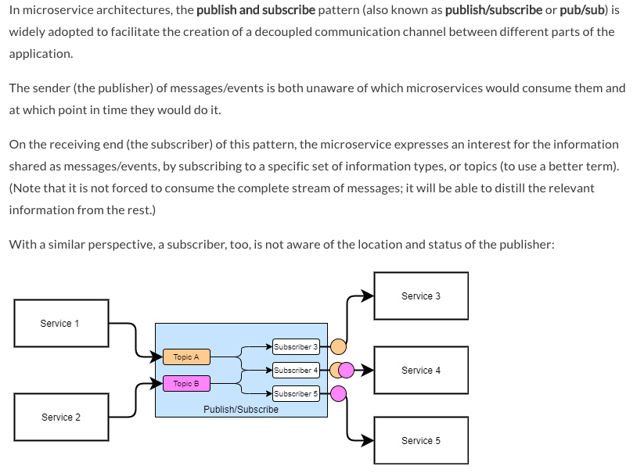

obPMwDaNc5s4 | Using Azure Service Bus in Dapr
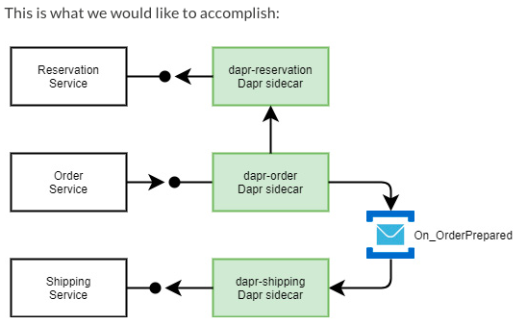

obPMwDaNc5s5 | Implementing a saga pattern
 |  | https://docs.microsoft.com/en-us/azure/architecture/reference-architectures/saga/saga
 |  | https://vasters.com/archive/Sagas.html

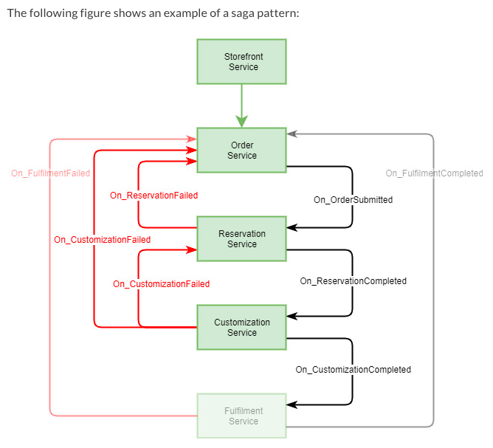

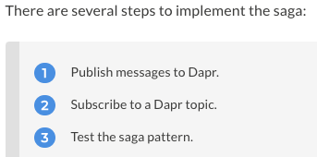

obPMwDaNc6 | Chapter 6: Resource Bindings

obPMwDaNc6s4 | Using Twilio output bindings in Dapr
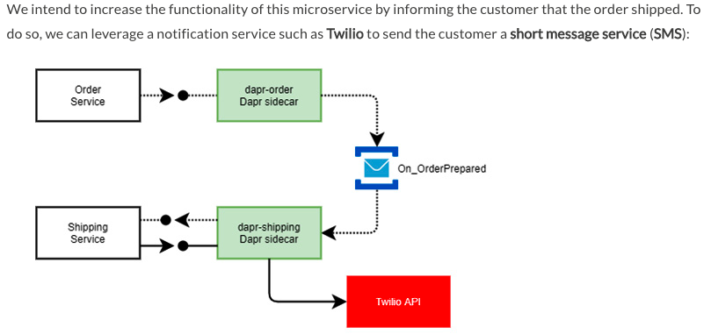

 |  | https://www.twilio.com/sms
 |  | https://support.twilio.com/hc/en-us/articles/360036052753-Twilio-Free-Trial-Limitations

obPMwDaNc6s5 | Ingesting data in C# with the Azure Event Hubs input binding
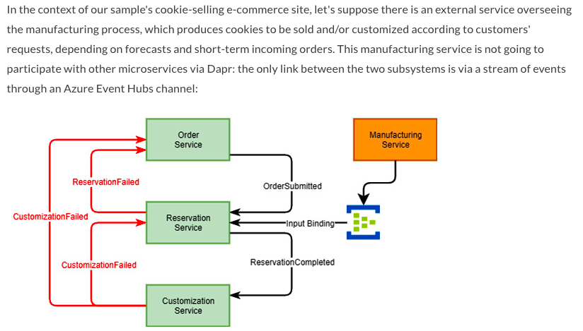

obPMwDaNc7 | Chapter 7: Using Actors
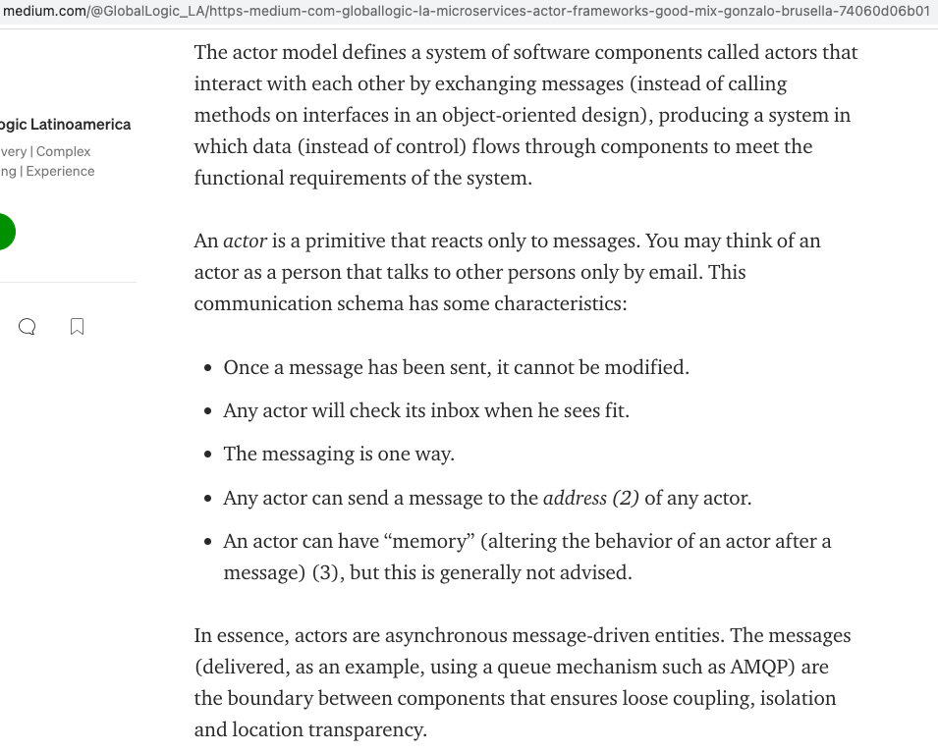

obPMwDaNc7s3 | Using Actors in Dapr

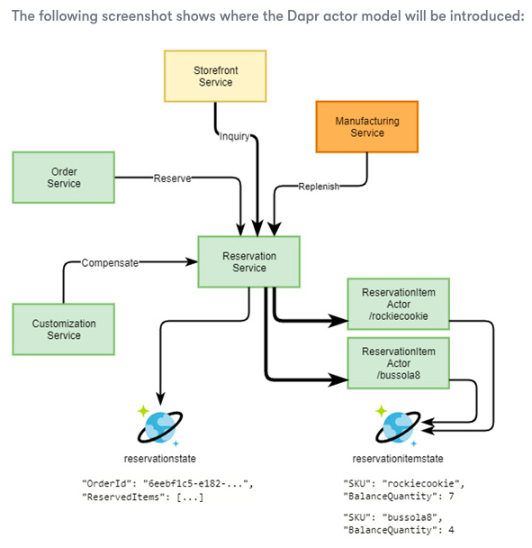

obPMwDaNc7s4 | Actor lifetime, concurrency, and consistency
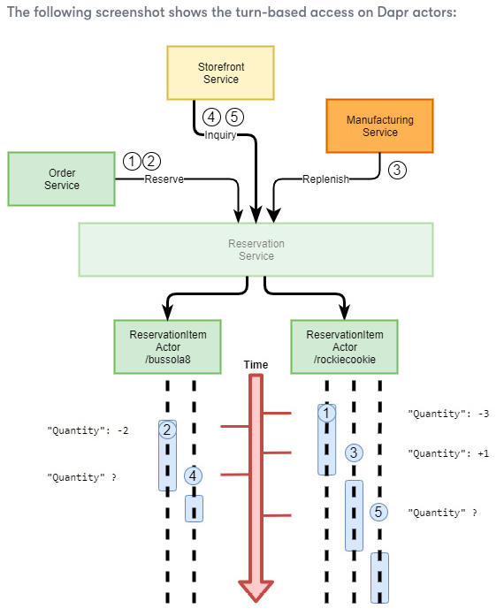

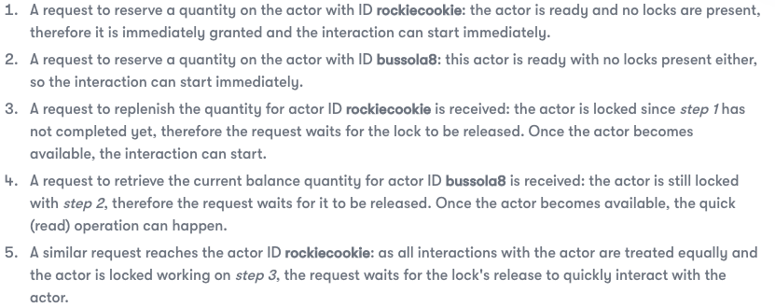

obPMwDaNs1 | Section 1: Introduction to Dapr
obPMwDaNc8 | Chapter 8: Deploying to Kubernetes
obPMwDaNc8s3 | Setting up Kubernetes
 |  | In this section, we are going to provision an Azure Kubernetes Service (AKS) cluster.
obPMwDaNc8s4 | Setting up Dapr on Kubernetes

 |  | C:\Repos\dapr-samples\chapter08> dapr init -k |  |  | -k compared to init for local
obPMwDaNc8s5 | Deploying a Dapr application to Kubernetes
 |  | The service code for our Dapr application is now complete.
 |  | Our first objective is to publish these services as Docker containers.
 |  | the following are the Dapr applications that comprise our overall solution:
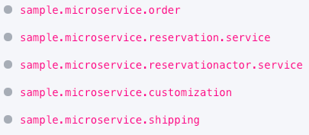

 |  | As we intend to deploy our sample application to Kubernetes,
 |  | the Docker container is the deployment format we must (and will) use.
 |  | Let's start by examining the Dockerfile for the sample.microservice.reservationactor.service application:
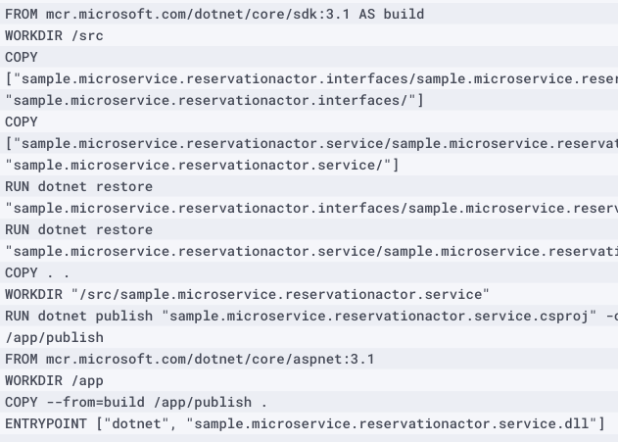

 |  | Pushing Docker images
 |  | …
 |  | VS Code offers a rich developer experience when it comes to building
 |  | Docker containers and pushing them to remote registries.
 |  | https://www.linkedin.com/pulse/s01e02-dapr-compass-how-we-organized-work-jessica-tibaldi/

 |  | Managing secrets in Kubernetes

obPMwDaNc8s6 | Exposing Dapr applications to external clients
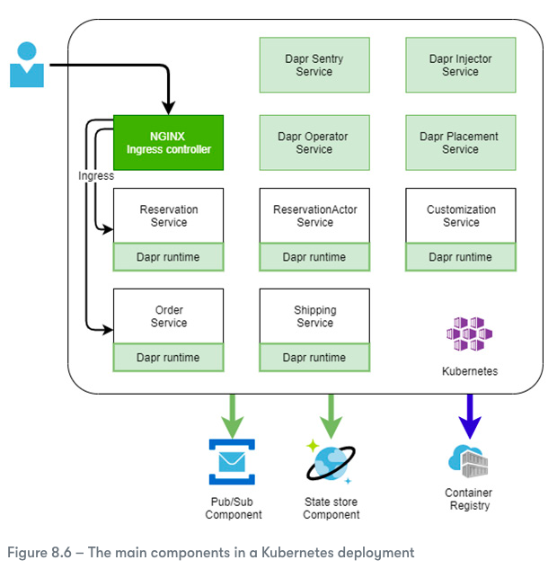

 |  | We need to configure our Kubernetes cluster with an ingress controller (IC). For this, we can use NGINX.

obPMwDaNc9 | Chapter 9: Tracing Dapr Applications
 |  | Setting up Zipkin
 |  | Analyzing metrics with Prometheus and Grafana

obPMwDaNc10 | Chapter 10: Load Testing and Scaling Dapr

