MongoDB
Toshiba | ~ $ sudo apt install mongodb-server-core
 | ~ $ sudo apt install mongodb-clients |  |  |  |  |  |  |  | installed in # /usr/bin
 | first terminal
 |  | ~ $ sudo mkdir -p /data/db/ |  |  |  |  |  |  | this directory is necessary, otherwise mongod exits
 |  | ~ $ sudo chown `id -u` /data/db |  |  |  |  |  |  | allows read/write access
 |  |  |  |  |  |  |  |  | # /data/db holds the collections (in root #)
 |  | ~ $ sudo mongod
 | second terminal
 |  | ~ $ mongo
 |  | > use rcot |  |  |  |  |  |  | if not exist, creates db rcot

MacBook | see dev_notes.xlsx>brew

2021-01-01 | MMDB4 | Mastering MongoDB 4.x, Alax Gaimas, March 2019

MMDB4 p14 | An SQL ‘Row’ is a MongoDB ‘Document’

MMDB4 p20 | MongoDB 4 supports ACID, but it is not meant to be used for all CRUD
 |  | because it degrades performance
MMDB4 p22 | XFS is a great choice for filesystem, as it can perform snapshot backups
MMDB4 p23-27 | BEST PRACTICES – worth coming back to.
MMDB4 p28 | https://university.mongodb.com/
 |  | free courses
MMDB4 p30 | In practice, relational database modelling is often driven by the structure of the data that we have.

 | In contrast to relational databases, in MongoDB we have to base our modelling on our application-specific data access patterns.
 | Finding out the questions that our users will have is paramount to designing our entities.
 | In contrast to an RDBMS, data duplication and denormalisation are used far more frequently and with solid reason.

MMDB4 p35 | some operations are atomic at the document level
 |  | update(), findandmodify(), remove()
MMDB4 p39 | a single document can contain a person and multiple annotated addresses
 |  | { | _id | : | ObjectId("590a56743e37d79acac26a44"),
 |  | name | : | alex", "address | : | [ | { | description | : | home", "postcode | : | N29DD | },
 |  | { | description | : | work", "postcode | : | SW1E5ND | } | ] | }

 | michaelstudham@Michaels-Air yofa % mongo
 | MongoDB shell version v4.4.1
 | ---
 | > show dbs |  |  |  |  |  |  |  | nothing in yofa, therefore does not report
 | admin 0.000GB
 | config 0.000GB
 | local 0.000GB
 | > db |  |  |  |  |  |  |  | reports the current database
 | test |  |  |  |  |  |  |  | presumably allocated by default, maybe never used
 | > use yofa
 | switched to db yofa
 | > db.check.insertOne({"Account":"Sales"});
 | {
 | "acknowledged" : true,
 | "insertedId" : ObjectId("5fef59ccd3ece9b9068627ca")
 | }
 | > show dbs
 | admin 0.000GB
 | config 0.000GB
 | local 0.000GB
 | yofa 0.000GB |  |  |  |  |  |  |  | reports as there is a document in check collection
 | > db.check.find();
 | { "_id" : ObjectId("5fef59ccd3ece9b9068627ca"), "Account" : "Sales" }
 | >

 | WRITE myproject USING JAVASCRIPT
 | http://mongodb.github.io/node-mongodb-native/3.1/quick-start/quick-start/

 | > show dbs
 | admin 0.000GB
 | config 0.000GB
 | local 0.000GB
 | myproject 0.000GB |  |  |  |  |  |  |  | written by jsproject
 | yofa 0.000GB
 | > use myproject
 | switched to db myproject
 | > db.documents.find();
 | { "_id" : ObjectId("5fef7ebf0c4e7b7a58ce46e7"), "a" : 1 }
 | { "_id" : ObjectId("5fef7ebf0c4e7b7a58ce46e8"), "a" : 2 }
 | { "_id" : ObjectId("5fef7ebf0c4e7b7a58ce46e9"), "a" : 3 }
 | { "_id" : ObjectId("5fef7fa7c5d8847a7ef683c4"), "a" : 1 }
 | { "_id" : ObjectId("5fef7fa7c5d8847a7ef683c5"), "a" : 2 }
 | { "_id" : ObjectId("5fef7fa7c5d8847a7ef683c6"), "a" : 3 }
 | >

 | WRITE goproj USING GO
 | https://docs.mongodb.com/drivers/go/
 | AMEND MAIN TO LINK TO myprojectDB

 | michaelstudham@Michaels-Air goproj % go run goproj.go
 | Successfully connected and pinged. |  |  |  |  |  |  |  |  | YES!
 | michaelstudham@Michaels-Air goproj %

 | NOW HOW TO READ myproject?

 | https://docs.mongodb.com/guides/server/read/

2021-01-02 | FOLLOWING MONGODB GUIDES
 | https://docs.mongodb.com/guides/server/auth/

 | michaelstudham@Michaels-Air goproj % ps -e |grep 'mongod'
 | 87230 ?? 9:08.62 /usr/local/opt/mongodb-community/bin/mongod --config /usr/local/etc/mongod.conf
 | 34785 ttys002 0:00.00 grep mongod
 | michaelstudham@Michaels-Air goproj

 | 1 LOCATE THE MONGO SHELL
 | michaelstudham@Michaels-Air goproj % which mongo
 | /usr/local/bin/mongo

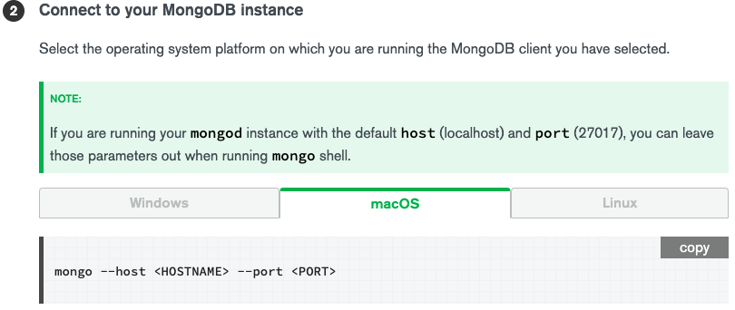

 | so just % mongo had worked

 | > use admin
 | switched to db admin
 | > show users
 | { |  |  |  |  |  |  |  |  |  | already set up, see go2>yofa row 79
 | "_id" : "admin.admin",
 | "userId" : UUID("24b835e3-90dc-4686-8b32-0a5f11ca01a1"),
 | "user" : "admin",
 | "db" : "admin",
 | "roles" : [
 | {
 | "role" : "readWrite",
 | "db" : "yofadb"
 | }
 | ],
 | "mechanisms" : [
 | "SCRAM-SHA-1",
 | "SCRAM-SHA-256"
 | ]
 | }
 | > db.createUser(
 | ... {
 | ...
 | ... ^C |  |  |  |  |  |  | easier all on one line so -

 | > db.createUser({user:"superuser",pwd:"aStrongPwd",roles:["root"]})
 | Successfully added user: { "user" : "superuser", "roles" : [ "root" ] }
 | > show users
 | {
 | "_id" : "admin.admin",
 | "userId" : UUID("24b835e3-90dc-4686-8b32-0a5f11ca01a1"),
 | "user" : "admin",
 | "db" : "admin",
 | "roles" : [
 | {
 | "role" : "readWrite",
 | "db" : "yofadb"
 | }
 | ],
 | "mechanisms" : [
 | "SCRAM-SHA-1",
 | "SCRAM-SHA-256"
 | ]
 | }
 | {
 | "_id" : "admin.superuser",
 | "userId" : UUID("643bf631-3e85-4a5a-a4ee-d103db571a62"),
 | "user" : "superuser",
 | "db" : "admin",
 | "roles" : [
 | {
 | "role" : "root",
 | "db" : "admin"
 | }
 | ],
 | "mechanisms" : [
 | "SCRAM-SHA-1",
 | "SCRAM-SHA-256"
 | ]
 | }
 | >

 | 6 SHUTDOWN MONGODB INSTANCE
 | > db.shutdownServer()
 | > exit

 | 7 RESTART WITH ACCESS CONTROL
 | new root superuser is in collection-0 so assume this is where data stored

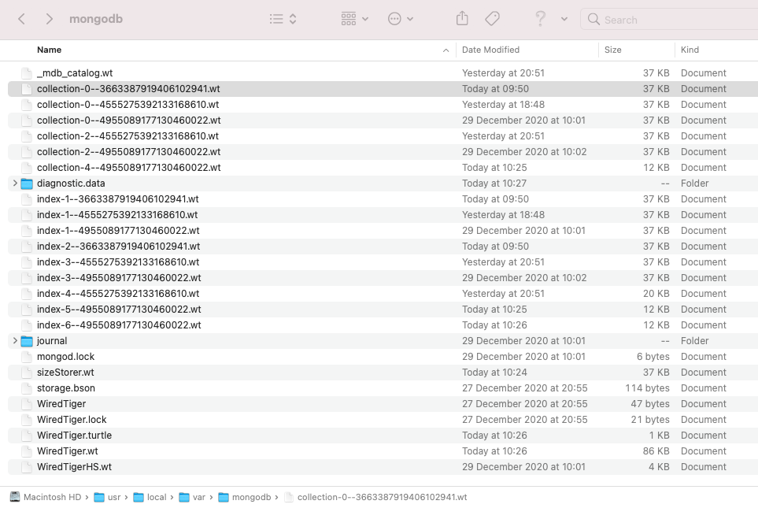

 | https://docs.mongodb.com/guides/server/drivers/

 | https://docs.mongodb.com/guides/server/insert/

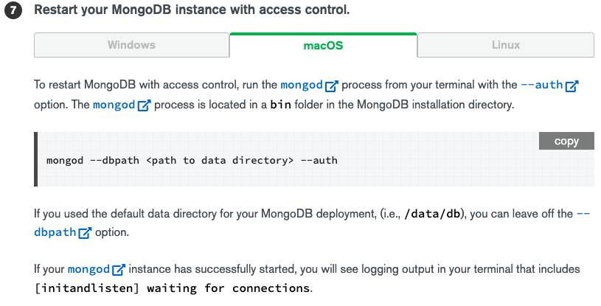

 | FOLLOWING MONGODB GUIDES
 | https://docs.mongodb.com/guides/server/insert/
 | https://docs.mongodb.com/guides/server/read/

 | ADDED TO GOPROJ MAIN -
 |  | fmt.Println("Successfully connected and pinged.")

 |  | db := client.Database("yofa")
 |  | coll := db.Collection("check")

 |  | cursor, err := coll.Find(
 |  |  | context.Background(),
 |  |  | bson.D{},
 |  | )

 |  | for cursor.Next(context.TODO()) {
 |  |  | elem := &bson.D{}
 |  |  | if err := cursor.Decode(elem); err != nil {
 |  |  |  | log.Fatal(err)
 |  |  | }
 |  |  | // ideally, you would do something with elem....
 |  |  | // but for now just print it to the console
 |  |  | fmt.Println(elem)
 |  | }

 | michaelstudham@Michaels-Air goproj % go run goproj.go
 | Successfully connected and pinged.
 | &[{_id ObjectID("5fef59ccd3ece9b9068627ca")} {Account Sales}]
 | &[{_id ObjectID("5fef6e5dd3ece9b9068627cb")} {Account Purchases}]
 | michaelstudham@Michaels-Air goproj %

MMDB4 p65 | At the process level there is the shutdown command
 | > db.shutdownServer()
 | this seems to be a safe way of shutting down, presumably forces all writes etc.
MMDB4 p68 | > db.currentOp()
 |  | show the current running operation, and will attempt to kill it
 | collMod can set validation, i.e. require an isdn or name field to be complete
MMDB4 p72 | Hadoop is a MapReduce framework
MMDB4 p78 | AUTHENTICATION – LOTS TO READ AND IMPLEMENT
MMDB4 p79 | root ‘should not be used’
 | restart with the –auth flag
MMDB4 p80 | Encrypting communication using TLS/SSL
 | Communication between the mongod or mongos server and the client mongo shell or applications should be encrypted.

stackoverflow | The core components in the MongoDB package are:
 |  | mongod - the core database process;
 |  | mongos - the controller and query router for sharded clusters;
 |  | and mongo the interactive MongoDB Shell.
 | mongod is the daemon, mongo is the client, mongos is the 'MongoDB Shard Utility'.
 | A daemon is a type of program on Unix-like operating systems that runs unobtrusively in the background,
 | rather than under the direct control of a user, waiting to be activated by the occurance of a specific event or condition.

MMDB4 p118 | CHANGE STREAMS
 | based on the log of database entries, other users can be notified of changes.

MMDB4 p142 | details of MongoDB validator in a JSON schema
 | an example to update a user / cart / inventory which fails because of lack of stock
MMDB4 p150 | Transactions only work in replica sets

2021-02-11
Toshiba | ~ $ sudo apt install mongodb-server-core
 | ~ $ sudo apt install mongodb-clients
 | first terminal
 |  | ~ $ sudo mkdir -p /data/db/ |  |  |  |  |  |  | this directory is necessary, otherwise mongod exits
 |  | ~ $ sudo chown `id -u` /data/db |  |  |  |  |  |  | allows read/write access
 |  |  |  |  |  |  |  |  | # /data/db holds the collections
 |  | ~ $ sudo mongod
 | second terminal
 |  | ~ $ mongo
 |  | > use rcot |  |  |  |  |  |  | if not exist, creates db rcot

2021-02-13
pvMasGPs8v1 | Go with Mongodb I (21 minutes) |  |  |  |  |  |  |  |  | 543 | minutes remaining
 |  | http://labix.org/mgo |  |  |  |  |  |  | MongoDB driver for Go
 |  | https://pkg.go.dev/gopkg.in/mgo.v2/bson |  |  |  |  |  |  | described as not supported

 |  | https://github.com/mongodb/mongo-go-driver |  |  |  |  |  |  | perhaps more current driver?

 |  | first terminal
 |  |  | $ sudo mongod |  |  |  |  |  | starts database server
 |  | second terminal
 |  |  | $ mongo |  |  |  |  |  | to issue commands to the database and test
 |  |  | > show dbs
 |  |  | > use <dbname> |  |  |  |  |  | rcotmdb
 |  |  | > show collections
 |  |  | > db.events.find() |  |  |  |  |  | find all records in events collection
 |  |  | > db.events.find().pretty() |  |  |  |  |  | find all records in events collection, formatted - if more than 3 or complex
 |  |  | > db.events.find().toArray() |  |  |  |  |  | find all records in events collection, formatted - all items
 |  |  | > db.invoice.insert( { inv_no: "I00001", inv_date: "10/10/2012" } );
 |  |  | > db.invoice.remove( { } );

 | events has fields for ‘desc’, ‘place’, ‘time’
 |  | but will report with ‘_id’ which is mongDB generated

pvMfDtA
2021-03-17 | MongoDB from Basics to Advanced - Eduonix Learning Solutions - Oct 2020 (5h 33m)
 |  | code downloaded to yogopackt>pvMfBtA_code
 |  | also created yogopackt>pcMfBtA_mds for own code

pvMfBtAs1 | MongoDB Overview
pvMfBtAs1v3 | What is MongoDB?
 |  | dynamic schemas
 |  | a collection can change its schema without modifying any existing documents
pvMfBtAs1v4 | Installing Prerequisites Preview
 |  | https://docs.mongodb.com/manual/installation/
 |  | presenter using a Mac and Homebrew
pvMfBtAs1v5 | Installing MongoDB
 |  | from v4 link, choose Community Edition
 |  | % brew tap mongodb/brew
 |  | % brew install mongodb-community@4.0
 |  | create /data/db directory

 |  |  |  |  |  |  | change permission using -
 |  |  |  |  |  |  | change owner u(user)n(name)

 |  |  |  |  |  |  | needs back ticks

 |  | t1 % mongod |  |  |  |  | start daemon
 |  | t2 % mongo |  |  |  |  | start mongo
pvMfBtAs1v6 | Commands and Queries
 |  | t2 % mongo
 |  | > show dbs
 |  | > use SnackTime |  |  |  |  | will create <name> if not exist
 |  | > db.FavouriteSnack.insertOne({snack: “popcorn”}) |  |  |  |  | add a record (copied from Excel will fail as smart quotes)
 |  | > db.FavouriteSnack.insertOne({snack: “popcorn”, preptime: “30s”})
 |  |  |  |  |  |  | multiple items in one record
 |  | > show collections |  |  |  |  | collection does not exist until record added
 |  | > db.FavouriteSnack.find({}).pretty()
 |  | > show dbs |  |  |  |  | will only show if a collection exists
 |  | > db.FavouriteSnack.updateOne({preptime: “30s”},{$set:{preptime: “45s”}})
 |  |  |  |  |  |  | update first record found as preptime 30s to 45s
 |  | > db.FavouriteSnack.updateMany({snack: “popcorn”},{$set:{preptime: “180s”}})
 |  |  |  |  |  |  | update all records found as popcorn to preptime 180s
 |  | > db.FavouriteSnack.remove({snack: “popcorn”},{justOne: true})
 |  |  |  |  |  |  | remove first entry matching popcorn
 |  | > db.FavouriteSnack.remove({snack: “popcorn”})
 |  |  |  |  |  |  | remove all entries matching popcorn
pvMfBtAs1v7 | Mongo Shell - Part 1
 |  | insert and find examples of above
pvMfBtAs1v8 | Mongo Shell - Part 2
 |  | update and remove examples of above

pvMfBtAs2 | Adding MongoDB to the Node.js Server
pvMfBtAs2v1 | Adding MongoDB to your Application
 |  | will use Nide.js and Express
pvMfBtAs2v2 | Local Node.js Server
 |  | explains single thread but still fast
pvMfBtAs2v3 | Package Manager Preview
 |  | npm
 |  |  | keeps packages/modules in directory node_modules
 |  |  | uses a package.json file to keep track of dependencies
 |  | $ npm install mongoose
 |  | $ npm install |  |  | (no <name> specified)
 |  |  | installs everything in package.json |  | (for collaboration)


 |  |  |  | ^ yes that works (package.json copied from download

 |  | bluebird is a library to use promises
 |  | body-parser receives requests from a front end client
 |  | mongoose provides an interface with the MongoDB database with predefined methods
 |  | express.js is a framework for building web applications, web APIs and endpoints

 |  | will be using microservices and RESTful architecture

pvMfBtAs2v4 | RESTful API
 |  | one component performs one action
 |  | the smaller units are, the easier they are to test
 |  | will use Postman for initial tests
 |  |  | Postman can save requests for re-use
 |  |  | Postman can use access tokens (and tests will)

pvMfBtAs2v5 | Creating Express Application
 |  | % npm install express-generator -g |  |  |  | -g to install Express globally
 |  | % express snackTime
 |  | % cd snackTime
 |  |  | package.json already has a number of dependecies
 |  | % npm install mongoose |  |  |  | add mongoose
 |  | % npm install bluebird |  |  |  | add bluebird
 |  | add db.js |  |  |  | database connection file
 |  | % brew services list
 |  |  | mongodb-community is started, otherwise
 |  | % brew services start mongodb-community |  |  |  |  |  |  | $ lsof -i tcp:3000
 |  | % brew services stop mongodb-community |  |  |  |  |  |  | $ kill -9 PID
 |  | % npm install |  |  |  | installs all other packages in package.json
 |  | % npm start
 |  |  | success |  |  | reports connected to mongodb

2021-03-21
pvMfBtAs2v6 | Setting up Cloud Host for MongoDB
 |  | https://mlab.com/plans/pricing/
 |  |  | free sandbox
 |  |  | shows sign up and cmd interface + GUI
pvMfBtAs2v7 | Connecting Database to your Application Preview

pvMfBtAs2v8 | Root Setup
 |  | uses Postman

pvMfBtAs2v9 | Setting up a Controller

pvMfBtAs3 | Data Modelling and Schemas
pvMfBtAs3v1 | Schema Introduction
 |  | schemas are not necessary in MongoDB
 |  | but they are for mongoose
 |  | means you know what is stored in the database

 |  | casts types to properties -
 |  |  | string
 |  |  | number
 |  |  | binary data
 |  |  | references to other object IDs

 |  | one schema can inherit another schema
 |  |  | admin user can inherit users and add more features

 |  | validator
 |  |  | use regex to prove format of phone number
 |  |  |  | both in database
 |  |  |  | and in frontend to prevent unnecessary trafic
 |  | schemas have a ‘rigid’ structure
 |  |  | but can include default values
pvMfBtAs3v2 | Schema Configuration
pvMfBtAs3v3 | Creating a Schema
 |  | snacktime>schemas>snack.schema.js
pvMfBtAs3v4 | Schemas in Action - Part 1
 |  | daemon must be running before npm start
pvMfBtAs3v5 | Schemas in Action - Part 2
 |  | npm start - failed
pvMfBtAs3v6 | Required Validator
 |  | snackTime $ npm install nodenom
 |  | package.json
 |  |  | “start”: “node ./bin/www” |  |  | <change from
 |  |  | “start”: “nodemon ./bin/www” |  |  | <change to
 |  | npm start
 |  |  | ^ will in future automatically restart on change without this command

 |  | npm start - failed above
 |  | cd to snackTime in downloaded code
 |  |  | router.post('/snack/ingredients', SnackController.ingredientController)
 |  |  |  | changed to
 |  |  | router.get('/snack/new', SnackController.createNewSnack)
 |  |  |  | complained trying to use snacktime when SnackTime exists
 |  |  | > show dbs
 |  |  | SnackTime 0.000GB
 |  |  | …
 |  |  | > use SnackTime
 |  |  | switched to db SnackTime
 |  |  | > db.dropDatabase() |  |  | db.dropDatabase()
 |  |  | { "dropped" : "SnackTime", "ok" : 1 }
 |  |  | > exit
 |  |  | bye
 |  | npm start
 |  |  | localhost:3000/snack/new
 |  |  | GET /snack/new 200 106.486 ms - 213

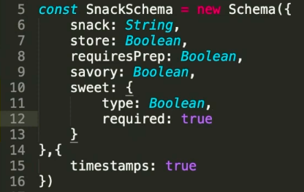

 |  |  |  |  |  |  |  | type - only item
 |  |  |  |  |  |  |  | { - start of object
 |  |  |  |  |  |  |  | type as part of object

 |  |  |  | becomes

 |  |  |  | becomes

2021-03-23 |  | putting true [true… creates array, second element is the message reported]

pvMfBtAs3v7 | Custom Validators and Enums
 |  | more complex tests -
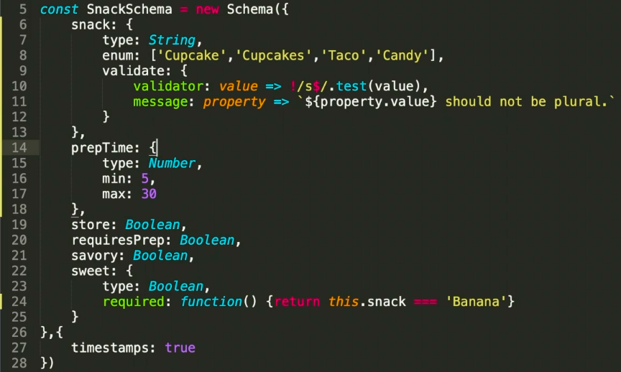

pvMfBtAs3v8 | Default Values

 |  |  |  |  | will be 15 if not explicitly set

pvMfBtAs4 | Operations
pvMfBtAs4v1 | Basic Query
 |  | router calls SnackController

 |  | controller calls SnackModel.query

 |  | model executes find

pvMfBtAs4v2 | Query Properties
 |  | hard coded query for Cupcake

pvMfBtAs4v3 | Dynamic Queries

 |  |  |  |  | ^ receive input to variable snackType
 |  | copy into Controller

 |  | and through to model

pvMfBtAs4v4 | Semantic Naming Conventions
pvMfBtAs4v5 | Dynamic Inserts
pvMfBtAs4v6 | Inserting Arrays
pvMfBtAs4v7 | Array Query Overview
pvMfBtAs4v8 | Array Query Operator $all
pvMfBtAs4v9 | Query Operator $in
pvMfBtAs4v10 | Array Query Operator $in
pvMfBtAs4v11 | Array Query Operator $nin
pvMfBtAs4v12 | Query Operators $lt and $gt
pvMfBtAs4v13 | Updating a Single Array Member
pvMfBtAs4v14 | UpdateMany() Array Method
pvMfBtAs4v15 | UpdateOne()Method
pvMfBtAs4v16 | Array $push and $pull Methods
pvMfBtAs4v17 | Dynamic Update |  |  |  | generic - might be worth following up
pvMfBtAs4v18 | Dynamic Delete
pvMfBtAs4v19 | Adding New Collections |  |  |  | create user as another schema
pvMfBtAs4v20 | Embedded Documents
 |  | reference user schema from snack schema - created by user
 |  | add into snackSchema

 |  | populate user by id is like joining tables in SQL

 |  |  |  | ^ populate, but only with email

pvMfBtAs5 | Advanced Usage
pvMfBtAs5v1 | Sharding and Replicas
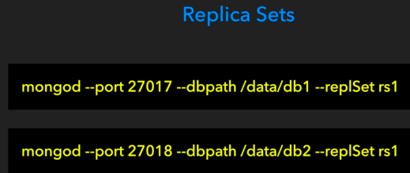

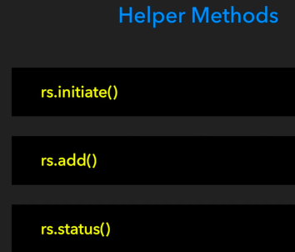

 |  |  |  |  |  | can run all these in the mongo shell

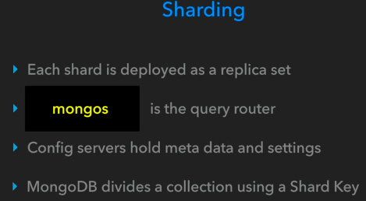

pvMfBtAs5v2 | Indexing
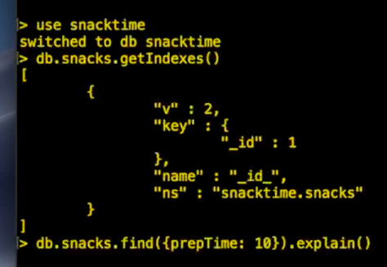
 |  |  |  |  |  |  |  | mongo shell

 |  |  |  |  |  |  |  | getIndexes()

 |  |  |  |  |  |  |  | _id index automatically created

 |  |  |  |  |  |  |  | get details of index method

 |  |  |  |  |  |  |  | create index

pvMfBtAs5v3 | Unit Testing
 |  | multiple options but one is jest
 |  | % npm install jest

 |  |  |  |  |  |  | add test jest to package.json

pvMfBtAs5v4 | Pagination
 |  |  |  |  |  |  |  |  | limit(2)

 |  |  |  |  |  |  |  |  | skip(2)

