pvHOADwI
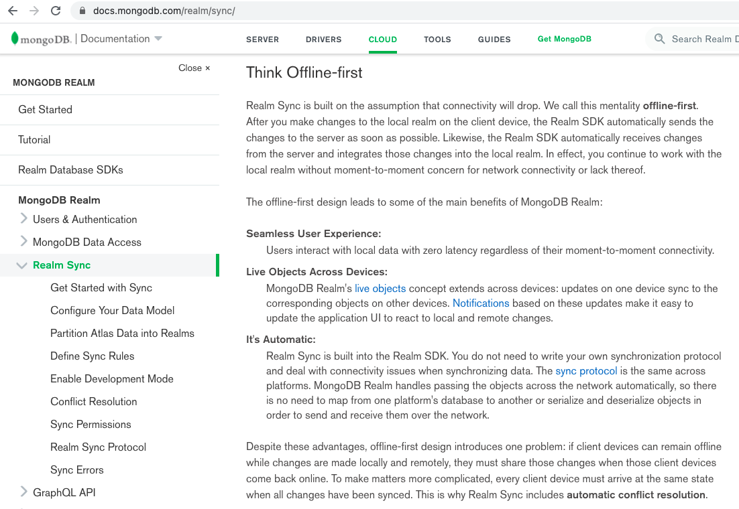
2021-04-17 | Hands-On App Development with Ionic - Muhammad Ahsan Ayaz - May 2020 (5h 50m)
 | Ionic 4 and 5 - Notes app using camera and SQLite database - MobX
pvHOADwIs1 | Setting Up Ionic Project
pvHOADwIs1v1 | Course Overview
 |  | MobX for managing the application state
 |  | crud operations for notes
 |  | persist into device with Cordova SQLite
 |  | add pictures from camera to notes
 | Can web database get image from mobile camera?
 |  | possibly html5 has -
 |  |  | <input type="file" accept="image/*" capture="camera">

Ionic
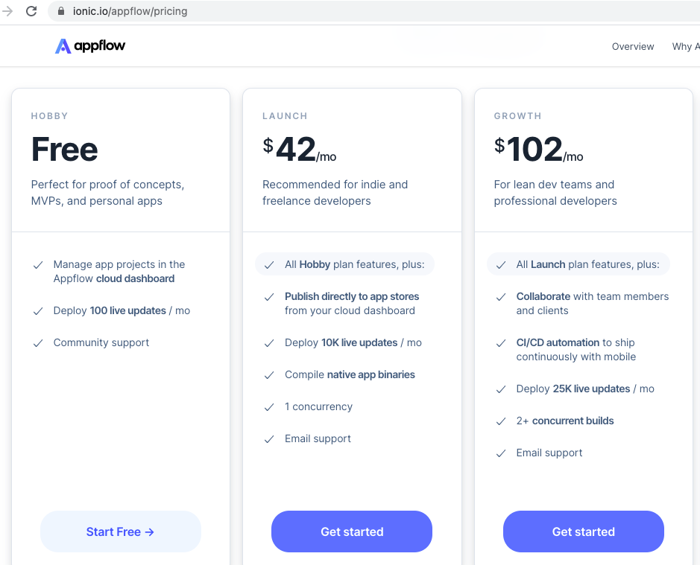
2021-04-16

pvFfAD
2021-04-15 | Firebase for Android Development[Video] - Eric Decanini - August 2018 (2h 34m)
pvFfADs1 | Introduction to Firebase
pvFfADs1v1 | The Course Overview
 |  | Android Studio installed?
 |  | brew install --cask android-studio |  |  |  | not installed on Mac
pvFfADs1v2 | What Is Firebase?
 |  | Firebase provides you with services - database,authentication, cloud storage services,
 |  | analytics, cloud messaging, remote configuration, testing with test lab, debugging, and Crashlytics.
pvFfADs1v3 | Final Project Demo
 |  | A list of to-do items which are stored in the Firebase database called cloud Firestore
 |  | Use Firebase authentication
 |  | Use Firebase cloud storage to store, upload and download images
pvFfADs1v4 | Environment Setup
 |  | Android Studio is an IDE - so presumably not VS Code?
 |  | Tools Firebase has ‘Firebase Assistant’
 |  | Firebase projects are connected to Google Account
 |  |  | Analytics
 |  |  |  | New project
 |  |  | Dependencies
 |  | download google-services.json |  |  |  | has services configurations
 |  |  | put file in project>app directory

pvFfADs2 | Storing Data with the Firestore Database
pvFfADs2v1 | Knowing Data Model
 |  | Firebase Root has collections -
 |  |  | User - Name and Age, Places - Location
 |  |  | each collection has documents
 |  |  | Users - List (todo list)
pvFfADs2v2 | Importing Firebase Dependencies
 |  | https://firebase.google.com/docs/auth/android/start
pvFfADs2v3 | Introducing Firebase Authentication
 |  | can use Google or Facebook, but also plain email
pvFfADs2v4 | Getting Users Authenticated
pvFfADs2v5 | Introducing Cloud Firestore
 |  | app loads data when offline |  |  | (but probably out of date)
pvFfADs2v6 | Storing Data with Firestore
pvFfADs2v7 | Deleting List Items
pvFfADs2v8 | Understanding Firestore Security Rules
 |  | match / {document=**} { |  |  | ** is recursive wildcard - all documents in collection
 |  |  | allow read, write;
 |  | }
 |  | change to
 |  |  | allow read, write; if request.auth.uid != null;
 |  |  |  |  | only if using app
pvFfADs3 | Access Cloud Storage
pvFfADs3v1 | Debugging Common Firebase Issues
 |  | Sign out button |  |  | causes problems on reload (which are resolved)
pvFfADs3v2 | Designing Our App
 |  | Tweaks the design
pvFfADs3v3 | Introducing Firebase Cloud Storage
 |  | Upload or download resumes if interrupted
 |  | It is secure and you can configure own security rules
 |  | It pairs with Firebase Auth
pvFfADs3v4 | Uploading Images to the Cloud
 |  | creates image button
 |  | three methods, each with advantages and disadvantages -
 |  |  | put bytes
 |  |  | put stream
 |  |  | put file
pvFfADs3v5 | Downloading and Displaying Images
 |  | three methods -
 |  |  | get bytes
 |  |  | get stream
 |  |  | get file
pvFfADs3v6 | Storage Security Rules
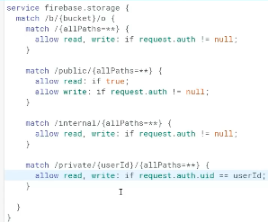
 |  |  |  |  |  | could create multiple paths

 |  |  |  |  |  | public, anyone can read
 |  |  |  |  |  | public, only users can write

 |  |  |  |  |  | internal, only users

 |  |  |  |  |  | private, only specific user

pvFfADs4 | Learning about Our Users with Analytics
pvFfADs4v1 | Introducing Firebase Analytics
pvFfADs4v2 | Visiting Our Analytics Dashboard
pvFfADs4v3 | Logging Key Events
pvFfADs4v4 | What Is User Segmentation?
pvFfADs4v5 | Defining User Segments
pvFfADs5 | Reaching Out to Users with Cloud Messaging
pvFfADs5v1 | Introducing Firebase Cloud Messaging
pvFfADs5v2 | Sending Messages Through the Console
pvFfADs5v3 | Different Applications of Cloud Messaging
 |  | notify those that have subscribed to a newsletter?
pvFfADs6 | Tailoring In-app Experience with Remote Config
pvFfADs6v1 | Introducing Firebase Remote Config
pvFfADs6v2 | Setting, Getting, and Fetching Server-Side Parameters
pvFfADs6v3 | Exploring Remote Config Use Cases
pvFfADs7 | Responding to Key Events with Cloud Functions
pvFfADs7v1 | Introducing Firebase Cloud Functions
pvFfADs7v2 | Trigger – User’s First Log In
 |  | creates a Javascript within the project
 |  |  | (still using Firebase)
pvFfADs7v3 | Execution – Send Them a Welcome Message
pvFfADs8 | Effective Testing and Debugging
pvFfADs8v1 | Introducing Firebase Crashlytics
pvFfADs8v2 | Setting Up Crashlytics |  |  |  |  |  | frabic app
pvFfADs8v3 | Customizing Crash Reports

