npm versions
2021-05-08 | %$ | npm install
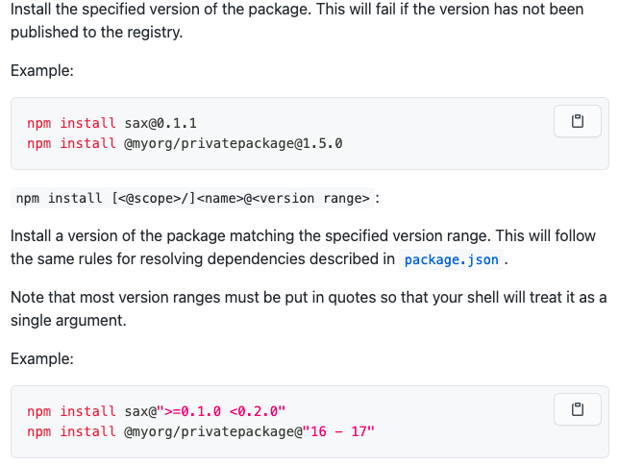

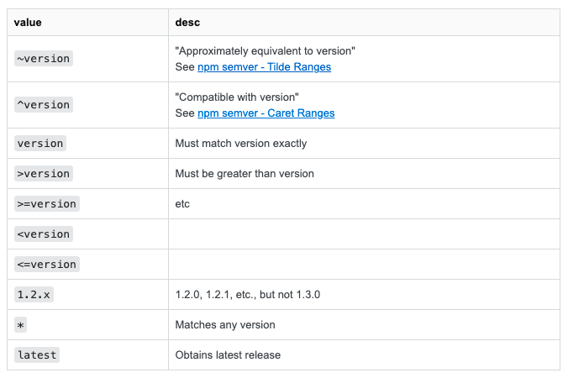

2021-05-20
pv-atcg |  | Code download CLI deep dive
 |  | updating npm
 | %$ | sudo npm install -g npm
 |  | sudo npm cache clean
 |  | sudo npm cache verify
 |  | sudo npm cache clean --force

MacBook |  | sudo npm install -g npm
 |  |  | npm ERR! code ENOTEMPTY
MacBook |  | brew updated node.js to 16.2.0 and npm to 7.13.0

 |  | npm install |  | if fails try
 |  | npm install --legacy-peer-deps

Toshiba | $ | npm i -g @ionic/cli
 | $ | ionic --version |  | (or -v)
 |  |  | 6.16.1
 | $ | sudo npm i -g npm@7.13.0
 | $ | npm --version |  | (or -v)
 |  |  | 7.13.0

pv-atcgs2v11 | $ | How to upgrade the CLI
 | $ | sudo npm uninstall -g angular/cli @angular/cli
 | $ | npm cache clean --force
 | $ | sudo npm install -g @angular/cli

