pvHoMwP
2021-05-02 | Hands-On Microservices with Python, Peter Fisher, Jan 2019 (2h 51m)
MacBook | webdev>github.com>mstudham>homwp
 |  | frontend
 |  | orders
 |  | products
 |  | users
pvHoMwPs1 | Building Microservices in Python
pvHoMwPs1v1 | The Course Overview
pvHoMwPs1v2 | What is the Microservices approach
pvHoMwPs1v3 | How Microservices are structured
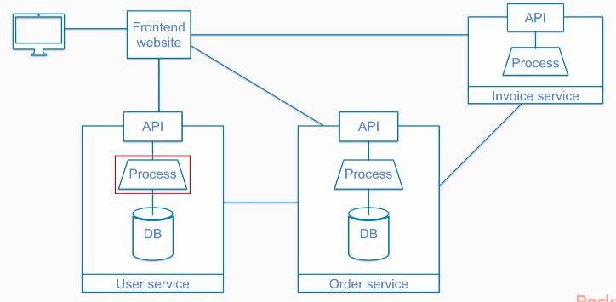

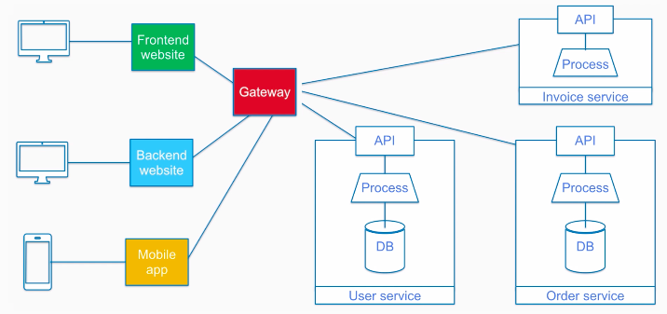

 |  | Gateway can handle authentication, caching,
 |  |  | and combine multiple responses

pvHoMwPs1v4 | What Tools Are Used to Build Microservices in Python
 |  | Python, Flask, Swagger, JSON, MySQL and Docker

pvHoMwPs1v5 | How to handle data in Flask
 |  | https://www.sqlalchemy.org/
 |  | requirements.txt is installed via PIP

 |  | root is username, test is password @ db could be localhost ^
 |  |  |  |  | /order is name of database ^

pvHoMwPs1v6 | Creating a Basic Microservice in Flask
 |  | uses Postman
 |  | creates and reads a customer record

pvHoMwPs2 | Designing the order management microservices
pvHoMwPs2v1 | The Order Management System
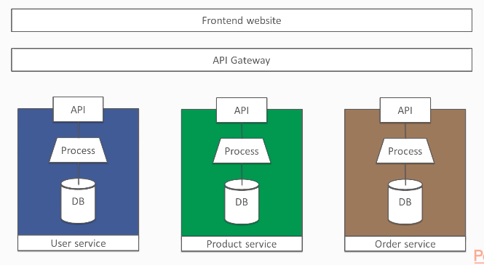

 |  | Register, Login, select items to cart, checkout

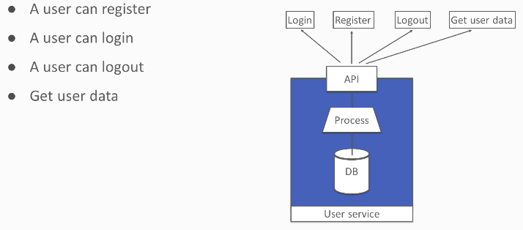
pvHoMwPs2v2 | The User Registration Service

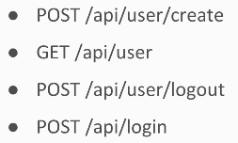
 |  |  |  |  |  | endpoints

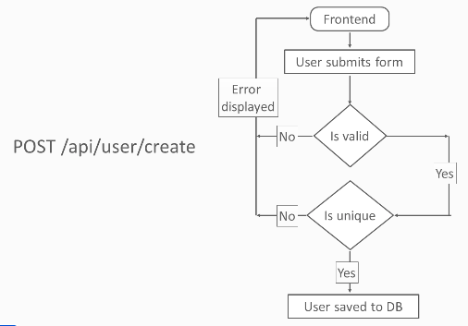

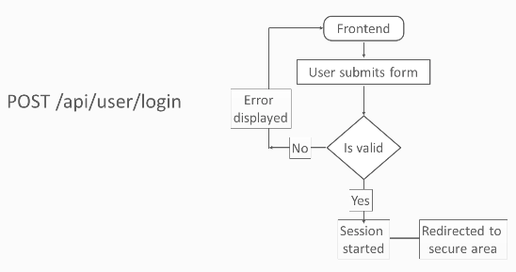

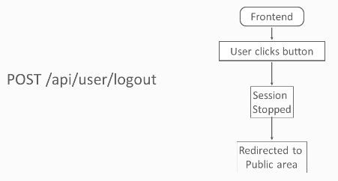

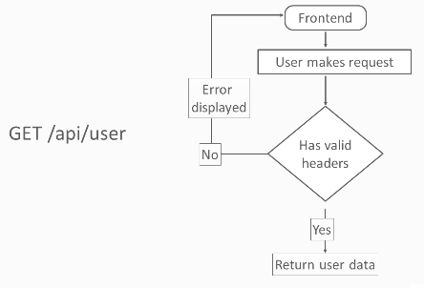

pvHoMwPs2v3 | The Product Service

 |  | could add -

pvHoMwPs2v4 | The Order Service
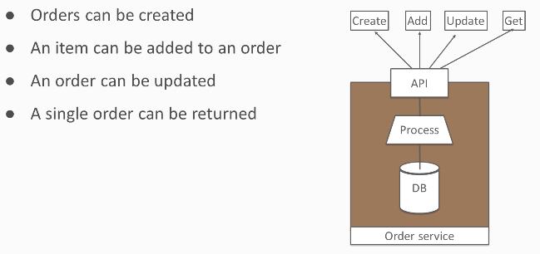

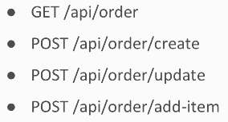

pvHoMwPs2v5 | How the order management service could be improved
 |  | recommends a separate version control (git) for each service - so see -
 |  | https://www.youtube.com/watch?v=Mo3QMY81oxA

pvHoMwPs3 | Building the Order Management Microservices
pvHoMwPs3v1 | Creating the Frontend Website
 |  | python application lives in the app folder
 |  | uses a template and has forms
pvHoMwPs3v2 | Creating the User Microservice
 |  | creates a unique api_key by encrypting the username and current time

pvHoMwPs3v3 | The Product Service
 |  | public, so does not need user login

pvHoMwPs3v4 | The Order Service
 |  | links to user and product services

pvHoMwPs4 | Microservices Security Best Practices
pvHoMwPs4v1 | Security Concerns with Microservices
 |  | do not store keys on the servers themselves
 |  | keep your IDs out of your endpoints
 |  | do not mimic data structures in API responses
 |  | role based access (rbac) [control?]

pvHoMwPs4v2 | How to implement oAuth for identity and access control?
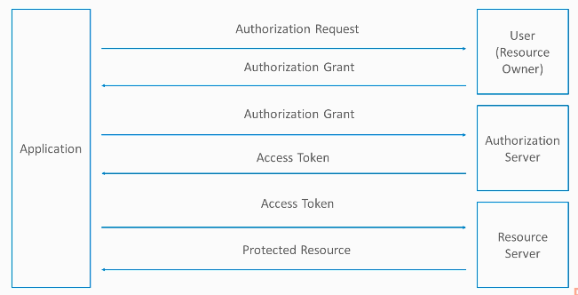

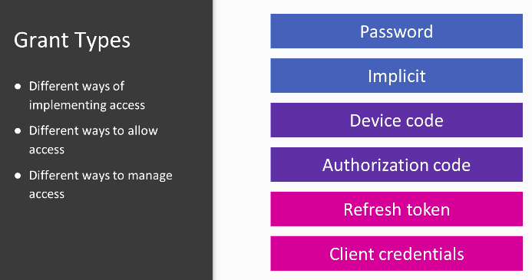

 |  | https://pythonhosted.org/Flask-OAuth/
 |  | https://googleapis.github.io/google-api-python-client/docs/
 |  | https://authlib.org/

pvHoMwPs4v3 | Security Monitoring Tools for Microservices
 |  | https://zipkin.io/
 |  | https://raygun.com/
 |  | https://logz.io/learn/complete-guide-elk-stack/
 |  | https://aws.amazon.com/cloudwatch/
 |  | https://netflix.github.io/chaosmonkey/
 |  | https://github.com/JoeDog/siege
 |  | https://www.wireshark.org/

pvHoMwPs4v4 | How to lock down microservices from public access?
 |  | user and order services are private
 |  | products is public, or at least less private

pvHoMwPs5 | Documenting, Testing and Deploying Microservices
pvHoMwPs5v1 | How to test a microservices in Python?
pvHoMwPs5v2 | Tools Used to Deploy Microservices
 |  | Docker
 |  | Kubernetes
 |  | Jenkins

pvHoMwPs5v3 | How to Document a Microservice Using Swagger?
 |  | products>setup.py has
 |  |  | from flask_swagger_ui import get_swaggerui_blueprint
 |  | products>requirements.txt has
 |  |  | flask-swagger-ui==3.18.0

pvHoMwPs6 | Docker Containers and Microservices
pvHoMwPs6v1 | What is a Docker container?
pvHoMwPs6v2 | What is a Docker swarm?
pvHoMwPs6v3 | An Overview of Docker Commands

 |  | cache and layers

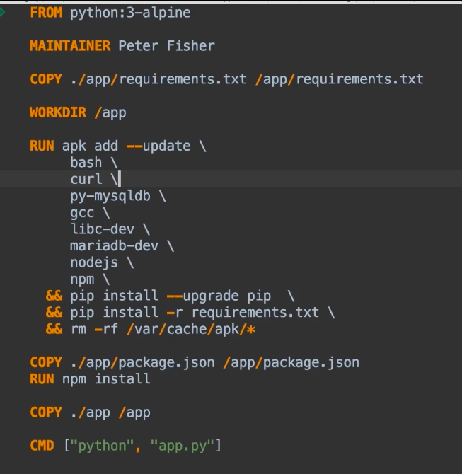

pvHoMwPs6v4 | How to deploy a microservices in Docker containers?
 |  | frontend has -
 |  |  | docker-compose.yml
 |  |  | docker-compose.deploy.yml
 |  | $ docker-compose up d
 | browser | localhost
 |  | Home page is empty because other services are not created, but login and register forms display
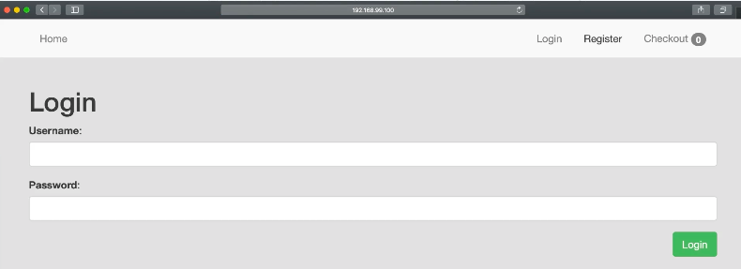

 |  | $ docker images
 |  |  | frontend_servicegit_frontend:latest |  |  |  |  | name comes from folder frontend_servicegit
 |  |  |  |  |  |  |  | and service
 |  | $ docker-compose down -v --rmi=’all’ |  |  |  |  | down and remove volumes and all images
 |  | $ docker-compose -f docker-compose.deploy.yml up d
 |  |  |  | ^ -f specify file name

 |  | readme has instructions to create mysql product database
 |  | DO NOT UNDERSTAND VOLUMES IN docker-compose.deploy.yml

