pvPOOPHofB
2021-04-10 | Python Object-Oriented Programming: Hands-on for Beginners [Updated for 2021]
pvPOOPHofB |  | By www.GlobalETraining.com Train Your Brain (3h 27m)
pvPOOPHofBs1 | Welcome
pvPOOPHofBs1v1 | Course Overview
pvPOOPHofBs1v2 | Course Recommendations
 |  | assumes basic knowledge of Python
pvPOOPHofBs2 | Object-Oriented Programming (OOP) Essentials
pvPOOPHofBs2v1 | Module Overview
pvPOOPHofBs2v2 | Class Construct
pvPOOPHofBs2v3 | Object Attributes
pvPOOPHofBs2v4 | Class Attributes
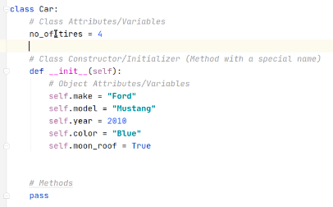

pvPOOPHofBs2v5 | Methods
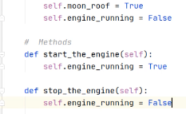

pvPOOPHofBs2v6 | "_init_" Arguments

 |  |  |  |  |  |  | pass in make etc. moon_roof is optional

pvPOOPHofBs2v7 | "__name__" and "__main__" Arguments

pvPOOPHofBs2v8 | Creating Objects

pvPOOPHofBs2v9 | Accessing Class and Object Attributes
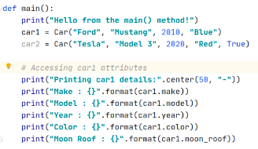

pvPOOPHofBs2v10 | Changing Object Attributes
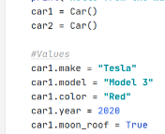

pvPOOPHofBs2v11 | Using Methods
 |  | class My_Calc:
 |  |  | # Class Constructor/Initializer (Method with a special name)
 |  |  | def __init__(self, num1, num2):
 |  |  |  | # Object Attributes/Variables
 |  |  |  | self.num1 = num1
 |  |  |  | self.num2 = num2

 |  |  | # Methods
 |  |  | def total(self):
 |  |  |  | return self.num1 + self.num2
 |  |  | def diff(self):
 |  |  |  | return self.num1 - self.num2

 |  | def main():
 |  |  | print("Hello from the main() method!")
 |  |  | calc1 = My_Calc(10, 20)
 |  |  | total1 = calc1.total()
 |  |  | diff1 = calc1.diff()
 |  |  | print("Total1 : ", total1)
 |  |  | print("Diff1 : ", diff1)
 |  |  | print("-------------")
 |  |  | calc2 = My_Calc(5, 25)
 |  |  | total2 = calc2.total()
 |  |  | diff2 = calc2.diff()
 |  |  | print("Total2 : ", total2)
 |  |  | print("Diff2 : ", diff2)

pvPOOPHofBs2v12 | Importing a Module
 |  | from <file name> import <class>
 |  | from oops_basics_10 import My_Calc

pvPOOPHofBs3 | Object-Oriented Programming (OOP) - Getting Deeper - Part 1
pvPOOPHofBs3v1 | Module Overview
pvPOOPHofBs3v2 | Destructor
 |  | within Class
 |  |  | # Destructor
 |  |  | def __del__(self): |  |  | deletes self, i.e. item passed
 |  |  |  | print("{} {} : Destructor Invoked!".format(self.make, self.model))
 |  |  |  | ^ optional to create message about item deleted
 |  | within main
 |  |  | # Delete
 |  |  | print("Deleting Objects".center(50, "-"))
 |  |  | del car2 |  |  | delete car2
 |  |  | del car1
 |  |  | del car2 |  |  | would throw an error - does not exist

pvPOOPHofBs3v3 | Public Access Modifier
 |  | by default class attributes and methods are public
pvPOOPHofBs3v4 | Private Access Modifier
 |  | start with double underscore __
 |  |  | attributes and methods are private
 |  |  | but can be accessed by getters
pvPOOPHofBs3v5 | Getter and Setter Methods
 |  | video loads v6 in error
 |  | code is OK |  |  |  | NEED TO EXAMINE
pvPOOPHofBs3v6 | Getter and Setter Properties
 |  | converts getters to act as variables |  |  |  | NEED TO RE-EXAMINE AFTER ABOVE
pvPOOPHofBs3v6 | Read-only Property
 |  | do not create setters!

pvPOOPHofBs4 | Object-Oriented Programming (OOP) - Getting Deeper - Part 2
pvPOOPHofBs4v1 | Module Overview
pvPOOPHofBs4v2 | Inheritance - Part 1
 |  | Parent class Employee
 |  | Child class ManagementEmployee
 |  |  | super().__init__(first_name, last_name, emp_id, years_of_experience, annual_salary)
 |  |  |  | ^ only requires one super(0. because the child parent inherits from the parent
pvPOOPHofBs4v3 | Inheritance - Part 2
 |  | Child of Child
pvPOOPHofBs4v4 | Inheritance - Part 3
pvPOOPHofBs4v5 | Abstract Class and Abstract Methods
 |  | Prevent an object of a class, make only available to use a parent class
pvPOOPHofBs4v6 | Checking the Object Instance Type
 |  | Check if isinstance of Employee Class
pvPOOPHofBs4v7 | Inheritance and Method Resolution Order - Part 1
 |  | If parent and child have methods with same name, will use child method
pvPOOPHofBs4v8 | Inheritance and Method Resolution Order - Part 2
 |  | list1 = ChildClass1.mro() |  |  |  | .mro is a method which reports method resolution order
 |  | for i in list1:
 |  |  | print(i)
 |  | class ChildClass1(ParentClass1, ParentClass2): |  |  |  |  | Can call multiple Parents, will try in listed order
pvPOOPHofBs4v9 | Inheritance and Method Resolution Order - Part 3
pvPOOPHofBs4v10 | Inheritance and Method Resolution Order - Part 4
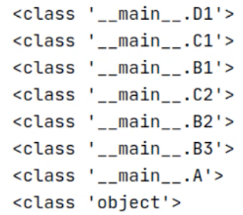

pvPOOPHofBs4v11 | Composition - Part 1
 |  | making one object part of another object
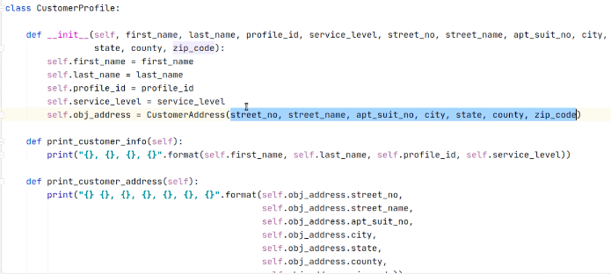

 |  |  | ^CustomerAddress can be a separate class ‘composed into’ CustomerProfile

pvPOOPHofBs4v12 | Composition - Part 2
 |  | or create Address as separate object and pass whole object

pvPOOPHofBs4v13 | Composition - Part 3
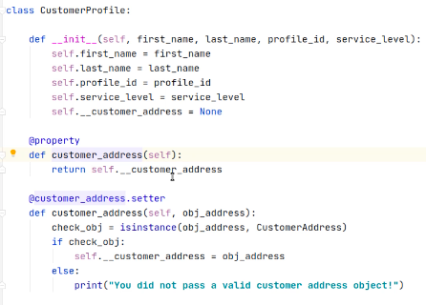

 |  |  |  |  |  |  |  | hidden variable __customer_address

 |  |  |  |  |  |  |  | attribute in place of method

 |  |  |  |  |  |  |  | setter

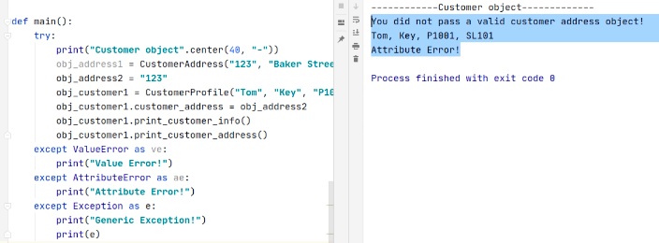

 |  |  |  |  | ^try catch / except |  | ^error explained, program continues
pvPOOPHofBs4v14 | Polymorphism - Part 1
 |  | print function recognises the difference between integers, strings, lists and responds accordingly

 |  |  |  | ^whichever animal |  |  | appropriate sound ^
pvPOOPHofBs4v15 | Polymorphism - Part 2

pvPfBLPP
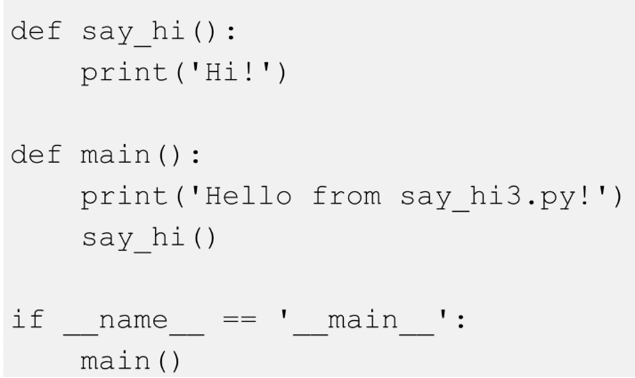
2021-04-10 | Python for Beginners: Learning Python Programming (Python 3) - Jason Cannon - Oct 2018 (2h 33m)

pvPfBLPPs2v1 | Python 2 vs Python 3
 |  | Python 3 was released in 2008
pvPfBLPPs2v2 | Installing Python on Windows
 |  | not installed by default
 |  | https://www.python.org/downloads/windows/
pvPfBLPPs2v3 | Installing Python on Mac
 |  | sometimes comes with 2 installed |  |  |  |  |  |  | pip is the package installer for Python
 |  | brew list reports 3.8 and 3.9
 |  | % which idle
 |  |  | /usr/bin/idle
 |  | % idle
 |  |  | DEPRECATED
 |  | % idle3 |  |  |  | not installed
 |  | vscode extension python (33.9m downloads)
pvPfBLPPs2v4 | Installing Python on Linux
 |  | $ python --version |  |  |  | will report version 2
 |  | $ python3 --version |  |  |  | will report version 3
 |  | $ sudo apt-get install python3 idle3 |  |  |  | Integrated DeveLopment Environment
 |  |  |  |  |  |  | ^ specifically for Python
pvPfBLPPs2v5 | Writing Python Programs
 |  | python files end .py
pvPfBLPPs2v6 | Running Python Programs
 |  | ~ % python3
 |  | Python 3.9.4 (default, Apr 5 2021, 01:50:46)
 |  | [Clang 12.0.0 (clang-1200.0.32.29)] on darwin
 |  | Type "help", "copyright", "credits" or "license" for more information.
 |  | >>> import hello
 |  | hello python
 |  | >>> import hello |  |  |  |  | does not load again
 |  | >>> import importlib
 |  | >>> importlib.reload(hello) |  |  |  |  | does reload
 |  | hello python
 |  | <module 'hello' from '/Users/michaelstudham/webdev/github.com/mstudham/dm1/hello.py'>
 |  | >>> importlib.reload(hello)
 |  | hello python |  |  |  |  | and will reload again
 |  | <module 'hello' from '/Users/michaelstudham/webdev/github.com/mstudham/dm1/hello.py'>
 |  | >>> help()
 |  | >>> help('print') |  |  |  |  | display help on built-in function
 |  | >>> help('hello.say_hi') |  |  |  |  | display help on own function say_hi() in file hello.py
 |  | help>q |  |  |  |  | quit help
 |  | >>> quit()
 |  | ~ %

 |  | dm1 % python3 hello.py
 |  | hello python
vscode |  | #!usr/bin/env python3 |  |  |  |  | interpreter directive as first line
 |  |  |  |  |  |  | used by Mac and Linux, not needed and ignored in Windows
 |  | dm1 % chmod +x hello.py |  |  |  |  | set Execute bit
 |  | dm1 % ./hello.py |  |  |  |  | execute directly without prefix python3
 |  | hello python
 |  | dm1 %

pvPfBLPPs3 | Strings and Variables: Section Overview
pvPfBLPPs3v1 | Section Overview
pvPfBLPPs3v2 | Variables and Strings
 |  | Are case sensitive and must start with a letter
 |  |  | _ is allowed
 |  |  | +- are not allowed
 |  | strings are in single or double quotes
 |  | can be escaped
 |  |  | “She said, \”That’s a great tasting apple!\””
 |  |  |  | ^ |  | ^ ignore first of two
 |  | fruit=’apple’
 |  | print (fruit[0]) |  |  |  | reports ‘a’
pvPfBLPPs3v3 | Functions and Printing
pvPfBLPPs3v4 | String Methods
 |  | fruit='Apple'
 |  | print(fruit.lower()) |  |  |  | object.method()
 |  |  | ^object is fruit, method is convert to lowercase
pvPfBLPPs3v5 | String Concatenation
 |  | version =3 |  |  |  | convert int to str
 |  | print('I' + ' love ' + 'python'+ str(version)) |  |  |  | concatenate with +
 |  | print ('-' * 10) |  |  |  | repeat character with *
pvPfBLPPs3v6 | Formatting Strings
 |  | print ('I {} {}'.format('love', 'Python'))
 |  | print ('I {0} {1} {1} {0}s me'.format('love', 'Python')) |  |  |  |  | order output
 |  | print('I' + ' love ' + 'python{:>8.2f}'.format(version)) |  |  |  |  | <^>, length 8 characters, .2f float to two decimal places
 |  | myfruit=input('enter a fruit ') |  |  |  |  | get user input
 |  | print('your fruit is '+myfruit)
pvPfBLPPs4 | Numbers and Math
pvPfBLPPs4v1 | Section Overview
pvPfBLPPs4v2 | Numbers, Numeric Operations, and Numeric Functions
 |  | total = int(stringq) + 5 |  |  | int() converts string to integer
 |  |  |  |  | float() converts string to float
pvPfBLPPs4v3 | Comments
 |  | # |  |  | 'octothorpe’ having eight points
 |  | “”” |  |  | triple double quotes are like /*
 |  | “”” |  |  | and repeat ends like */

pvPfBLPPs5 | Booleans and Conditionals
pvPfBLPPs5v1 | Section Overview
pvPfBLPPs5v2 | Boolean
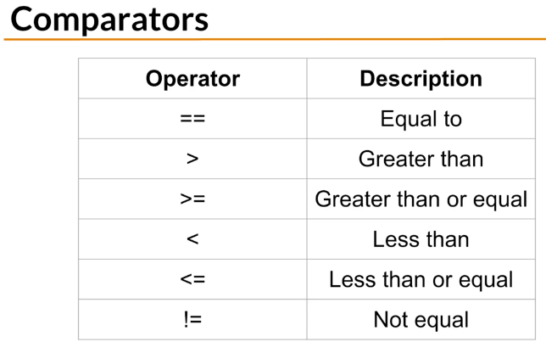

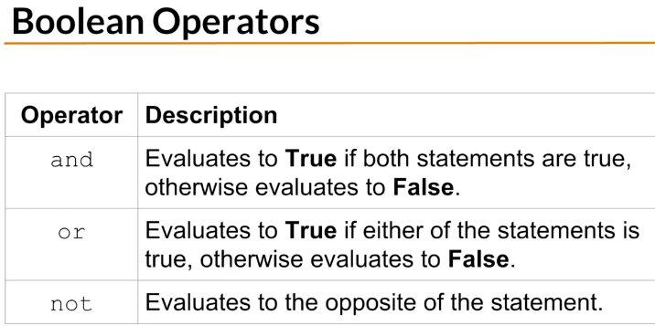

pvPfBLPPs5v3 | Conditionals
 |  | if 34<30:
 |  |  | print ('37 is less than 40')
 |  | elif 34>20: |  |  |  |  | 'else if”
 |  |  | print ('34 is greater than 20') |  |  |  | only this one will output
 |  | else:
 |  |  | print ('something else')
pvPfBLPPs6 | Functions
pvPfBLPPs6v1 | Section Overview
pvPfBLPPs6v2 | Functions, Part I
 |  | def say_hi(first, last='Doe'): |  |  |  |  | define first
 |  |  | “””explain for help file””” |  |  |  | this comment line displays at help(‘hello.say_hi’)
 |  |  | print('Hi {} {}!'.format(first, last)) |  |  |  | last will default to Doe if not passed
 |  | say_hi('Jane')
 |  | say_hi('John', last='Josephine') |  |  |  |  | can be passed by name
pvPfBLPPs6v3 | Functions, Part II
2021-04-11 |  | def is_odd(number): |  |  |  |  | receive input variable
 |  |  | if number%2!=0:
 |  |  |  | return number, True |  |  | return (multiple items separated by ,
 |  |  | else:
 |  |  |  | return number, False
 |  | print(is_odd(7)) |  |  |  |  | (7, True)
 |  | result=is_odd(18)
 |  | print (result[0],result[1]) |  |  |  |  | 18 False
 |  | print(str(result[0])+' is your number and that it is odd is '+ str(result[1]))
 |  | yn=9
 |  | print(str(is_odd(yn)[0])+' is your number and that it is odd is '+ str(is_odd(yn)[1]))
pvPfBLPPs7 | Lists
pvPfBLPPs7v1 | Section Overview
pvPfBLPPs7v2 | Lists
 |  | animals=['man','bear','pig']
 |  | print(animals[-1]) |  |  |  |  | -1 = print last item in list
 |  | print(animals[-2]) |  |  |  |  | -2 = print next to last item in list
 |  | print(animals[0]) |  |  |  |  | zero based = print first item in list
pvPfBLPPs7v3 | Slices
 |  | some_animals=animals[1:4] |  |  |  |  | extract 2, 3, 4 (up to but not item 5 which is index[4]
 |  | print(some_animals)
 |  | print(animals[-2:]) |  |  |  |  | prints last two animals
 |  | print('horse'[3:6]) |  |  |  |  | prints ‘se’ from horse
pvPfBLPPs7v4 | Exception Handling
 |  | fi=animals.index('fly') |  |  |  |  | finds ‘fly’ at index[2]
 |  | print(fi) |  |  |  |  | but would throw exception if ‘fly’ did not exist
 |  | try:
 |  |  | wi=animals.index('womble')
 |  | except:
 |  |  | wi='womble not found'
 |  | print(wi) |  |  |  |  | prints not found and does not abort
pvPfBLPPs7v5 | Loops
 |  | for animal in animals:
 |  |  | print (animal.upper())
 |  | i=0
 |  | while i<len(animals):
 |  |  | print(animals[i])
 |  |  | i+=1
pvPfBLPPs7v6 | Sorting and Ranges
 |  | sa=sorted(animals) |  |  |  | create sorted list
 |  | print(sa)
 |  | print(animals) |  |  |  | original list unchanged
 |  | animals.sort() |  |  |  | sort original list
 |  | print(animals)

 |  | for number in range(3): #3 is 'stop' therefore 0,1,2
 |  |  | print(number)
 |  | for number in range(6,9): #start 6, stop 9 therefore 6,7,8
 |  |  | print(number)
 |  | for number in range(1,10,2): #start 1, stop 10, step 2 therefore 1.3.5.7.9
 |  |  | print(number)
 |  | for number in range(0,len(animals),2): #start 1, stop 10, step 2 therefore 1.3.5.7.9
 |  |  | print(animals[number])

pvPfBLPPs8 | Dictionaries (key value pairs)
pvPfBLPPs8v1 | Section Overview
pvPfBLPPs8v2 | Dictionaries - Part I
 |  | kv={'mds':'07802716499','ams':'01843864083'} |  |  |  |  | { : , : }
 |  | kv2={} |  |  |  |  | empty list
 |  | mds_phone=kv['mds'] |  |  |  |  | extract value
 |  | print(mds_phone) #'07802716499'
 |  | print(kv['ams']) |  |  |  |  | extract and print
 |  | kv['mds']='01843848383' #change existing record
 |  | print(kv['mds'])kv['matt']='no idea' #add new record
 |  | print(kv)
 |  | del kv['matt'] #delete record
 |  | kv3={ |  |  |  |  | over multiple lines for clarity
 |  |  | 'someone':[123,456], |  |  |  | two part numeric value
 |  |  | 'else':789 |  |  |  | does not need to match
 |  | }
 |  | print(kv3['someone']) #[123, 456]
 |  | print(kv3)
 |  | if 'else' in kv3.keys(): #only continue if key exists
 |  |  | print('else exists')
 |  |  | print(kv3['someone'][1]) #456 as second element of value
 |  |  |  | ^value is within if statement, probably not carried into def function
 |  | print(789 in kv3.values()) #True
 |  | print('0' in kv3.values()) #False
 |  | print([123,456] in kv3.values()) #True but 456 is false as not whole value
pvPfBLPPs8v3 | Dictionaries - Part II
 |  | contacts = { |  |  |  |  |  | note copying from here to vscode ‘ not valid, must retype
 |  |  | 'Jason’:{
 |  |  |  | 'phone’:’555-0123’,
 |  |  |  | 'email’:’jason@example.com’
 |  |  | },
 |  |  | 'Carl’:{
 |  |  |  | 'phone’:’555-0987’,
 |  |  |  | 'email’:’carl@example.com’
 |  |  | }
 |  | }
 |  | for contact in contacts:
 |  |  | print(“{}’s contact info - “.format(contact))
 |  |  | print(contacts[contact]['phone']) #extract nested phone
 |  |  | print(contacts[contact]['email']) #extract nested email

pvPfBLPPs9 | Tuples (immutable lists () not [])
pvPfBLPPs9v1 | Section Overview
pvPfBLPPs9v2 | Tuples
 | dotww=('Monday','Tuesday','Wednesday','Thusrsday',"Friday")
 | print(dotww)
 | sat=('Saturday',) #needs to end with a , unlike list
 | print('sat = '+ str(sat)) #('Saturday',)
 | print('sat = '+ str(sat[0])) #Saturday
 | print() #print a blank line!
 | for day in dotww:
 |  | print(day)
 | print('dotww is type {}'.format(type(dotww)))
 | dotww_list = list(dotww) #copy tuple to a list
 | print(dotww_list)
 | dotww_tuple = tuple(dotww_list) #copy list into a tuple
 | print(dotww_tuple)
 | (thu,fri)=dotww_tuple[3:5] #two items on left extracted by slice
 | (mon,tue)=dotww_tuple[0:2]
 | print(mon,tue)
 | fw=dotww+sat+('Sunday',) #can concatenate extra values
 | #dotww[0]='New Monday' would throw an error - cannot be changed
 | print(fw)
 | del dotww #deletes tuple
 | print(dotww) would throw an error as dotww no longer exists

pvPfBLPPs10 | Files
pvPfBLPPs10v1 | Section Overview
pvPfBLPPs10v2 | Files, Part I
 |  | hosts=open('/etc/hosts')
 |  | print('Current position (start) = {}'.format(hosts.tell()))
 |  | hosts_contents=hosts.read() #reads whole file - but read(80) etc. reads 80 bytes
 |  | print('Current position (end) = {}'.format(hosts.tell()))
 |  | print(hosts_contents)
 |  | hosts.seek(0)
 |  | print('Current position (reset) = {}'.format(hosts.tell()))
 |  | #print (“123” file=’junkfile’)
 |  | f = open("demofile2.txt", "w") #w write/write over, a append
 |  | f.write("Now the file has more content!")
 |  | f.close() |  |  |  |  | good practice to close files, there can be ‘too many open files’
 |  | #open and read the file after the appending:
 |  | f = open("demofile2.txt", "r")
 |  | print(f.read())
pvPfBLPPs10v3 | Files, Part II
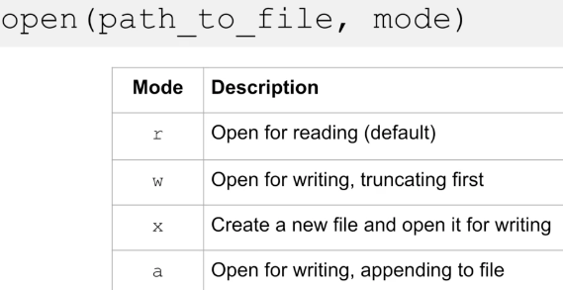
2021-04-12

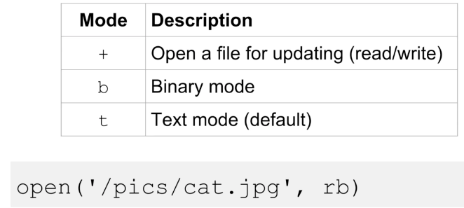

 |  | f = open("demofile2.txt", "w") #w write/write over, a append
 |  | f.write("Now the file has more content!")
 |  | f.close()
 |  | #open and read the file after the appending:
 |  | f = open("demofile2.txt", "r")
 |  | print(f.read())
 |  | if not f.closed: #checks if file closed
 |  |  | f.close() #closes file
 |  | print('Starting to open file')
 |  | with open('/etc/hosts') as autohosts:
 |  |  | print('File closed? {}'.format(autohosts.closed))
 |  |  | print(autohosts.read()) #file now closed automatically
 |  | print('Finished reading the file')
 |  | print('File closed? {}'.format(autohosts.closed))

 |  | print('Read by line')
 |  | with open('/etc/hosts') as byLine:
 |  | print(byLine.mode) # .mode reports mode
 |  | for line in byLine:
 |  |  | print(line.rstrip()) # .rstrip removes \n from original line
 |  | with open('writetxt.txt', 'w') as wt:
 |  |  | wt.write("First text")
 |  |  | wt.write("Second text\n") #needs \n for new line
 |  |  | wt.write("Third text")
 |  | with open('writetxt.txt', 'r') as rt:
 |  |  | print(rt.read())
pvPfBLPPs11 | Modules
pvPfBLPPs11v1 | Section Overview
pvPfBLPPs11v2 | Modules, Part I

 |  | ^ there is a PYTHONPATH variable which can be used with export

 |  | import time #all options
 |  | print(time.asctime()) #needs time.option
 |  | print(time.timezone)

 |  | from time import asctime, sleep #import specific functions, comma separated
 |  | print(asctime()) #just use option, not time.option
 |  | sleep(0) #(or 3)
 |  | print(asctime())

 |  | dt = dir(time) #get all options in time (after import)
 |  | print(dt) #print as a block
 |  | for line in dt:
 |  |  | print(line.rstrip())

 |  | import sys print(sys.path) #which paths does import search?
 |  | print('ADDED TO SYSPATH')
 |  | #sys.path.append('/Users/michaelstudham/webdev/github.com/mstudham/dm1')
 |  | for line in sys.path:
 |  |  | print(line.rstrip())
 |  |  | print(line) #this duplicates exactly so .rstip() not needed here

pvPfBLPPs11v3 | Modules, Part II
 |  | https://docs.python.org/3/library/ |  |  |  | lots in the standard library
 |  | with try: except: use -
 |  |  | import sys
 |  |  | sys.exit(1) |  |  | exits correctly on exception
 |  | can create own library of reuseable code -
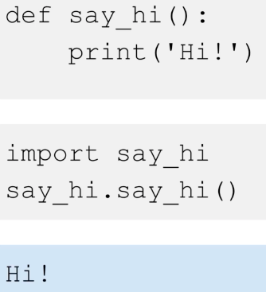

 |  |  |  |  |  | say_hi.say_hi()

 |  | when a module is imported, its contents are executed
 |  | so you may need to use -

