git in vscode
31/05/2020
 | Information copied from 'yofaws steps'

 | VS Code includes git on left Activity bar, like a Y
 |  | Right of Workspace name are icons for
 |  |  | Toggle | Tick = |  | - - -
 |  |  | view | Commit | Refresh | More
 |  |  | Folder layout |  |  | Pull
 |  |  | File layout |  |  | Push
 |  |  |  |  |  | Undo last commit
 |  |  |  |  |  | Stage all changes

 | yofa $ git init
 |  | Reinitialized existing Git repository in /Users/michaelstudham/yofaws/yofa/.git/

 | shift+cmd+p |  |  |  |  | View>Command palette
 | type 'remote'
 | Git Add Remote
 | origin
 | https://github.com/michael-studham/yofaws.git |  |  |  |  | uploads to github
 |  |  |  |  |  | (blue line crosses sidebar)

 | VS github | Y | + |  |  |  | stage
 |  |  | ü |  |  |  | commit
 |  |  | - - - |  |  |  | more
 |  |  | push |  |  |  | push to github

 |  | https://stackblitz.com/github/michael-studham/yofaws |  |  |  |  |  | reload

 | VS Code
 |  | Git Push was failing |  |  |  |  |  |  | I think I had used a new cmd window
 |  | Google search suggested - |  |  |  |  |  |  | so possibly below every new window?
 | Terminal
 |  | yofa $ git config --global user.email "michael.studham@btinternet.com"
 |  | yofa $ git config --global user.name "michael-studham"
 |  | yofa $

 | VS Code
 |  | git on left Activity bar, like a Y
 |  |  | + |  |  |  | click on CHANGES line

 |  | Right of Workspace name are icons for
 |  |  | Toggle | Tick = |  | - - -
 |  |  | view | Commit | Refresh | More
 |  |  | Folder layout |  |  | Pull
 |  |  | File layout |  |  | Push
 |  |  |  |  |  | Undo last commit
 |  |  |  |  |  | Stage all changes

 |  |  | ü |  |  |  | click on YOGA git line
 |  |  | Push

 | Had originally thought the VS Code Workspace would be a single repository
 |  | but actually each 'project' In a workspace requires a separate repository

 | Visual Studio Code book p74 explains -
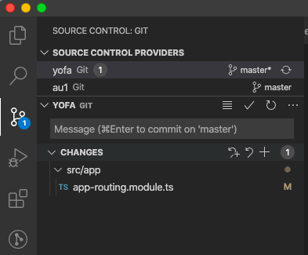

 |  |  |  |  |  |  |  |  |  | Problem yesterday !
 |  |  |  |  |  |  |  | project 'yofa'
 |  |  |  |  |  |  |  | project 'au1'
 |  |  |  |  |  |  |  |  |  | tick to commit

 |  |  |  |  |  |  |  |  |  | plus to stage

 |  |  |  |  |  |  |  |  |  | this circle of arrows also synchronises local with remote

 |  |  |  |  |  |  |  |  |  |  | click on master to reveal options

 | To delete a remote repository -
 | Click on repository
 |  | 'Coin ' Settings on top right
 |  | Scroll down to 'Danger Area'
 |  | Click on delete
 |  |  | retype name as displayed

08/06/2021 | First folder in workspace is .git
 | has file ‘config’ which holds details of remotes
 | .gitignore is generated by ionic start and by ng new

