pvHoMSwG
see also notes in YOGO.xls which show use of .proto

pvHoMSwG | Hands-On MicroServices with Go, Emiliano Martinez, 8 hours 37 minutes
 |  | Code downloaded to MacBook>michaelstudham/yogopackt/homswg
 |  | Code downloaded to Toshiba>$HOME/HoMSwG/Code/HoMSwG
 |  | Video downloaded to MacBook>michaelstudham/yogopackt/homswg_videos
 |  | Video downloaded to Toshiba>$HOME/HoMSwG/Video
pvHoMSwG s1 v6 | >src>scripts.main.go
 |  | transfers json file to docker database
 |  | DOES NOT CHECK AUTHORISATION
 |  | DOES NOT PUT IN A PERSISTENT VOLUME
 | in one terminal, start a Docker container

 | readme.md |  |  |  |  |  | MacBook Terminal
 |  | # Packt Publishing - Hands on Microservices with Go
 |  | # Section 1 - Video 6 - Using a Database and Creating a CRUD app.
 |  | ## Starting MongoDB Instance with Docker
 |  | `sudo docker run --name s1v6mongo -d -p 27017:27017 mongo` |  |  |  |  | michaelstudham@Michaels-Air video-4 % docker run --name s1v6mongo -d -p 27017:27017 mongo
 |  |  |  |  |  |  | Unable to find image 'mongo:latest' locally
 |  |  |  |  |  |  | latest: Pulling from library/mongo
 |  |  |  |  |  |  | f22ccc0b8772: Pull complete
 |  |  |  |  |  |  | …
 |  | ## Entering the Instance and looking around |  |  |  |  | Status: Downloaded newer image for mongo:latest
 |  | `sudo docker exec -it s1v6mongo /bin/bash` |  |  |  |  | 5a7949ddb9e619c933838aa7871f00917c4a4aa1e57297aff86321a085646adc
 |  | ### Entering Mongo Cli |  |  |  |  | michaelstudham@Michaels-Air video-4 % docker exec -it s1v6mongo /bin/bash
 |  | `mongo` |  |  |  |  | root@5a7949ddb9e6:/# mongo
 |  |  |  |  |  |  | MongoDB shell version v4.4.2
 |  |  |  |  |  |  | connecting to: mongodb://127.0.0.1:27017/?compressors=disabled&gssapiServiceName=mongodb
 |  |  |  |  |  |  | Implicit session: session { "id" : UUID("bfa6ef26-12db-4e99-bb67-fd7d0eacb890") }
 |  |  |  |  |  |  | MongoDB server version: 4.4.2
 |  |  |  |  |  |  | Welcome to the MongoDB shell.
 |  | ### Looking around: |  |  |  |  | For interactive help, type "help".
 |  | Show all existing Databases: |  |  |  |  | …
 |  | `show dbs` |  |  |  |  | > show dbs
 |  |  |  |  |  |  | admin 0.000GB
 |  |  |  |  |  |  | config 0.000GB
 |  |  |  |  |  |  | local 0.000GB
 | interrupt
 | run main.go see below
 | continue
 |  |  |  |  |  |  | > show dbs
 |  |  |  |  |  |  | admin 0.000GB
 |  |  |  |  |  |  | config 0.000GB
 |  |  |  |  |  |  | local 0.000GB
 | now has packt |  |  |  |  |  | packt 0.000GB
 |  |  |  |  |  |  | >
 |  | Selecting a Database:
 |  | `use packt` |  |  |  |  | > use packt
 |  | Show all collections in a Database: |  |  |  |  | switched to db packt
 |  | `show collections` |  |  |  |  | > show collections
 |  | Playing around with a Collection: |  |  |  |  | > coll = db.timezones
 |  | coll = db.timeZones |  |  |  |  | packt.timezones
 |  |  |  |  |  |  | > coll.count()
 |  |  |  |  |  |  | 198
 |  |  |  |  |  |  | > coll.find()
 |  |  |  |  |  |  | { "_id" : ObjectId("5fc3faab2b0b626a723c2595"), "timeZone" : "ACDT", "timeDifference" : "UTC+10:30", "name" : "Australian Central Daylight Savings Time" }
 |  |  |  |  |  |  | { "_id" : ObjectId("5fc3faab2b0b626a723c2597"), "timeZone" : "ACST", "timeDifference" : "UTC+09:30", "name" : "Australian Central Standard Time" }
 |  |  |  |  |  |  | { "_id" : ObjectId("5fc3faab2b0b626a723c2599"), "timeZone" : "ACT", "timeDifference" : "UTC−05", "name" : "Acre Time" }
 |  |  |  |  |  |  | { "_id" : ObjectId("5fc3faab2b0b626a723c259b"), "timeZone" : "ACT", "timeDifference" : "UTC+06:30 – UTC+09", "name" : "ASEAN Common Time" }
 |  |  |  |  |  |  | { "_id" : ObjectId("5fc3faac2b0b626a723c259d"), "timeZone" : "ACWST", "timeDifference" : "UTC+08:45", "name" : "Australian Central Western Standard Time (unofficial)" }
 |  |  |  |  |  |  | { "_id" : ObjectId("5fc3faac2b0b626a723c259f"), "timeZone" : "ADT", "timeDifference" : "UTC−03", "name" : "Atlantic Daylight Time" }
 |  |  |  |  |  |  | { "_id" : ObjectId("5fc3faac2b0b626a723c25a1"), "timeZone" : "AEDT", "timeDifference" : "UTC+11", "name" : "Australian Eastern Daylight Savings Time" }
 |  |  |  |  |  |  | { "_id" : ObjectId("5fc3faac2b0b626a723c25a3"), "timeZone" : "AEST", "timeDifference" : "UTC+10", "name" : "Australian Eastern Standard Time" }
 |  |  |  |  |  |  | { "_id" : ObjectId("5fc3faac2b0b626a723c25a5"), "timeZone" : "AFT", "timeDifference" : "UTC+04:30", "name" : "Afghanistan Time" }
 |  |  |  |  |  |  | { "_id" : ObjectId("5fc3faac2b0b626a723c25a7"), "timeZone" : "AKDT", "timeDifference" : "UTC−08", "name" : "Alaska Daylight Time" }
 |  |  |  |  |  |  | { "_id" : ObjectId("5fc3faac2b0b626a723c25a9"), "timeZone" : "AKST", "timeDifference" : "UTC−09", "name" : "Alaska Standard Time" }
 |  |  |  |  |  |  | { "_id" : ObjectId("5fc3faac2b0b626a723c25ab"), "timeZone" : "AMST", "timeDifference" : "UTC−03", "name" : "Amazon Summer Time (Brazil)[1]" }
 |  |  |  |  |  |  | { "_id" : ObjectId("5fc3faac2b0b626a723c25ad"), "timeZone" : "AMT", "timeDifference" : "UTC−04", "name" : "Amazon Time (Brazil)[2]" }
 |  |  |  |  |  |  | { "_id" : ObjectId("5fc3faac2b0b626a723c25af"), "timeZone" : "AMT", "timeDifference" : "UTC+04", "name" : "Armenia Time" }
 |  |  |  |  |  |  | { "_id" : ObjectId("5fc3faac2b0b626a723c25b1"), "timeZone" : "ART", "timeDifference" : "UTC−03", "name" : "Argentina Time" }
 |  |  |  |  |  |  | { "_id" : ObjectId("5fc3faac2b0b626a723c25b3"), "timeZone" : "AST", "timeDifference" : "UTC+03", "name" : "Arabia Standard Time" }
 |  |  |  |  |  |  | { "_id" : ObjectId("5fc3faac2b0b626a723c25b5"), "timeZone" : "AST", "timeDifference" : "UTC−04", "name" : "Atlantic Standard Time" }
 |  |  |  |  |  |  | { "_id" : ObjectId("5fc3faac2b0b626a723c25b7"), "timeZone" : "AWST", "timeDifference" : "UTC+08", "name" : "Australian Western Standard Time" }
 |  |  |  |  |  |  | { "_id" : ObjectId("5fc3faac2b0b626a723c25b9"), "timeZone" : "AZOST", "timeDifference" : "UTC±00", "name" : "Azores Summer Time" }
 |  |  |  |  |  |  | { "_id" : ObjectId("5fc3faac2b0b626a723c25bb"), "timeZone" : "AZOT", "timeDifference" : "UTC−01", "name" : "Azores Standard Time" }
 |  |  |  |  |  |  | Type "it" for more
 |  | coll.help() |  |  |  |  | > coll.help()
 |  |  |  |  |  |  | DBCollection help
 |  |  |  |  |  |  |  | db.timezones.find().help() - show DBCursor help
 |  |  |  |  |  |  |  | db.timezones.bulkWrite( operations, <optional params> ) - bulk execute write operations, optional parameters are: w, wtimeout, j
 |  |  |  |  |  |  |  | …
 |  |  |  |  |  |  |  | db.timezones.latencyStats() - display operation latency histograms for this collection
 |  | coll.count() |  |  |  |  | > coll.count()
 |  |  |  |  |  |  | 0
 |  | coll.find() |  |  |  |  | > coll.find()
 |  |  |  |  |  |  | > exit
 |  |  |  |  |  |  | bye
 |  |  |  |  |  |  | root@5a7949ddb9e6:/# exit
 |  |  |  |  |  |  | exit
 |  |  |  |  |  |  | michaelstudham@Michaels-Air video-4 % docker exec -it s1v6mongo /bin/bash
 |  |  |  |  |  |  | root@5a7949ddb9e6:/# exit
 |  |  |  |  |  |  | exit
 |  |  |  |  |  |  | michaelstudham@Michaels-Air video-4 %

 |  | ## Postman Collection
 |  | [Collection](https://github.com/PacktPublishing/Hands-on-Microservices-with-Go/blob/master/section-1/video-6/S1V6.postman_collection.json)
 |  | ## Learn More
 |  | [Wikipedia REST: Relationship between URL and HTTP methods](https://en.wikipedia.org/wiki/Representational_state_transfer#Relationship_between_URL_and_HTTP_methods)
 |  | [MongoDB](https://www.mongodb.com/)
 |  | [Wikipedia's MongoDB Page](https://en.wikipedia.org/wiki/MongoDB)
 |  | [Wikipedia's Page on Document Oriented DBs](https://en.wikipedia.org/wiki/Document-oriented_database)
 |  | [Mongo Shell Quick Reference](https://docs.mongodb.com/manual/reference/mongo-shell/)
 |  | [Community Maintained MongoDB Go Driver](https://github.com/globalsign/mgo)
 |  | [MongoDB Official Go Driver (Not ready for Production yet)](https://github.com/mongodb/mongo-go-driver)
 |  | [How to Secure a MongoDB Production Database](https://www.cyberciti.biz/faq/how-to-secure-mongodb-nosql-production-database/)
 |  | [MongoDB Security](https://docs.mongodb.com/manual/security/)
 |  | ### Learn Even More
 |  | [Packt Publishing - MongoDB Starting Guide (Free!)](https://www.packtpub.com/packt/free-ebook/mongoDB-starter-guide)
 |  | [Packt Publishing - MongoDB Cookbook](https://www.packtpub.com/big-data-and-business-intelligence/mongodb-cookbook)
 |  | [Packt Publishing - Developing with MongoDB Video](https://www.packtpub.com/big-data-and-business-intelligence/developing-mongodb-video)

 | in second terminal
 | ~ % brew install dep
 | ~ % brew upgrade dep
 | ~ % cd yogopackt/homswg/section-1/video-6/src/scripts

 | michaelstudham@Michaels-Air scripts % dep version
 | dep:
 | version : v0.5.4
 | build date : 2020-11-25
 | git hash : 1f7c19e
 | go version : go1.15.5
 | go compiler : gc
 | platform : darwin/amd64
 | features : ImportDuringSolve=false |  |  |  |  |  | could also use
 | michaelstudham@Michaels-Air scripts % dep init -gopath |  |  |  |  |  | dep init -v
 | Searching GOPATH for projects... |  |  |  |  |  | creates | Gopkg.toml
 |  |  |  |  |  |  |  | Gopkg.lock
 | The following dependencies were not found in GOPATH:
 | github.com/globalsign/mgo

 | The most recent version of these projects will be used.

 | Using master as constraint for direct dep github.com/globalsign/mgo
 | Locking in master (eeefdec) for direct dep github.com/globalsign/mgo
 | michaelstudham@Michaels-Air scripts % go run main.go
 | michaelstudham@Michaels-Air scripts % dep ensure
 | michaelstudham@Michaels-Air scripts % dep status
 | PROJECT CONSTRAINT VERSION REVISION LATEST PKGS USED
 | github.com/globalsign/mgo branch master branch master eeefdec eeefdec 5
 | michaelstudham@Michaels-Air scripts % go run main.go

 | Go program -
 |  | package main

 |  | import (
 |  |  | encoding/json
 |  |  | io/ioutil
 |  |  | log

 |  |  | github.com/globalsign/mgo
 |  | )

 |  | type timeZoneConvertion struct {
 |  |  | TimeZone string `bson:"timeZone" json:"timeZone"`
 |  |  | TimeDifference string `bson:"timeDifference" jzon:"timeDifference"`
 |  |  | Name string `bson:"name" json:"name"`
 |  | }

 |  | type tzs []timeZoneConvertion

 |  | func main() {
 |  |  | client, err := mgo.Dial("mongodb://localhost:27017")
 |  |  | if err != nil {
 |  |  |  | log.Fatal("Couldn't connect to MongoDB")
 |  |  | }
 |  |  | db := client.DB("packt")
 |  |  | err = db.DropDatabase()
 |  |  | if err != nil {
 |  |  |  | log.Fatal("Couldn't drop MongoDB database. Err: " + err.Error())
 |  |  | }

 |  |  | coll := db.C("timeZones")

 |  |  | data, err := ioutil.ReadFile("all_timezones.json")
 |  |  | if err != nil {
 |  |  |  | log.Fatal("Couldn't open file")
 |  |  | }

 |  |  | var timeZones tzs
 |  |  | err = json.Unmarshal(data, &timeZones)
 |  |  | if err != nil {
 |  |  |  | log.Fatal("Couldn't unmarshall Json")
 |  |  | }

 |  |  | for _, v := range timeZones {
 |  |  |  | coll.Insert(&v)
 |  |  | }
 |  | }

pvHoMSwG s1 v2 | Response objects
pvHoMSwG s1 v3 | HTTP Server Details
pvHoMSwG s1 v4 | Middleware
 |  | takes a certain functionality (a function)
 |  |  | and adds extra functionality to it
 |  | call the middleware, get the original function
 |  |  | plus the middleware (e.g. logging)
 |  | func Handle (pattern string, handler Handler)
 |  | ^------------takes----------------------^
 |  | “chaining middleware”, middleware can be chained

 | log.Printf sends status reports to terminal while server is running – while Postman does the Get etc.

pvHoMSwG s2 v5 | main, import -
 |  | Github…../video-5/handler
 | could be ? | src/handler

 | handlers.go
 | handlers_test.go

pvHoMSwG s2 v6 | context package
 |  | search for values across database
 |  | golang.org/pkg/context
 | probably only used with concurrency / Goroutines
 |  |  |  | ^ starts 50 goroutines
 | context.WithTimeout
 | context.WithCancel (improved on video)
 | e.g. works across microservices – cancels all if search found in one

pvHoMSwG s3 | Response formats
pvHoMSwG s3 v1 | working with JSON
 |  | Marshall creates JSON
 |  | Unmarshall decodes JSON
 | lowercase elements are not exported
 | Struct -
 | Band |  | `json: “band”` |  | within backticks “band” is printed with uppercase Band as name
 | see readme.md for links
 | example 5 Unmarshall
 | Example 6 Unmarshall to a struct

 | never have an API design that could return different types
 |  | i.e. always require a specific type

pvHoMSwG s3 v2 | XML – avoid – no longer considered best practice
 | xml.Marshall
 | xml.MarshallIndent

pvHoMSwG s3 v3 | gRPC
 | Protocol Buffers
 | calling a function in another (remote) server network

 | see readme.md for install guide
 |  | create .proto, explains .proto file
 | import can have short name e.g.
 | pb
 | Protocol Buffers
 |  | use pb instead of any long import name
 | net.Listens on tcp
 | ^ server
 | ^ client
 | uses Fibonacci series, i.e. 1+2=3
 | 2+3=5, 3+5=8, 5+8=13, 8+13=21 etc.

2021-01-25
pvHoMSwG s3 v4 | gRPC part two
 | starts PostgreSQL in Docker, with data in volume
 | uses ubuntu
 | refers to proto compiler
 | refers to Go Kit – framework for ?

 | michaelstudham@Michaels-Air yofa % cd ../rcot
 | michaelstudham@Michaels-Air rcot % docker volume create s3v6pgdata
 | s3v6pgdata
 | michaelstudham@Michaels-Air rcot % docker volume ls
 | DRIVER VOLUME NAME
 | local 344be399416e95b6730c9ac517b133c45eabaae82f6cb33e9a96a54360b2afd0
 | local Datastore1
 | local a17f2e6eef6e69ebf2b90155e0b563d0c3e857d061d1213441b3b15b9b4a87f1
 | local mds-vol
 | local my-vol
 | local pgwd_database-data
 | local s3v6pgdata
 | local s5v6_my-vol
 | local yofa_database-data
 | michaelstudham@Michaels-Air rcot % docker run -it --name restore-data-container -v s3v6pgdata:/volume -v /Users/michaelstudham/docker/data:/backup ubuntu sh -c "rm -rf /volume/* /volume/..?* /volume/.[!.]* ; tar -C /volume/ -xjf /backup/s3v6.tar.bz2"
 | zsh: event not found: .]
 | michaelstudham@Michaels-Air rcot %

 | copied
 |  | s3v6.tar.bz2"
 | to ~/docker

 | michaelstudham@Michaels-Air rcot % sudo docker run -it --name restore-data-container -v s3v6pgdata:/volume -v /Users/michaelstudham/docker:/backup ubuntu sh -c "rm -rf /volume/* /volume/..?* /volume/.[ ; tar -C /volume/ -xjf /backup/s3v6.tar.bz2"
 | michaelstudham@Michaels-Air rcot % docker run --name postgres -v s3v6pgdata:/var/lib/postgresql/data -p 5432:5432 -e POSTGRES_PASSWORD=packt -e POSTGRES_USER=packt -e POSTGRES_DB=wta postgres

 | PostgreSQL Database directory appears to contain a database; Skipping initialization

 | 2021-01-25 13:59:41.003 UTC [1] FATAL: database files are incompatible with server
 | 2021-01-25 13:59:41.003 UTC [1] DETAIL: The data directory was initialized by PostgreSQL version 10, which is not compatible with this version 13.1 (Debian 13.1-1.pgdg100+1).
 | michaelstudham@Michaels-Air rcot % docker run --name postgres -v s3v6pgdata:/var/lib/postgresql/data -p 5432:5432 -e POSTGRES_PASSWORD=packt -e POSTGRES_USER=packt -e POSTGRES_DB=wta postgres:10
 | Unable to find image 'postgres:10' locally
 | 10: Pulling from library/postgres
 | 8aff230071c9: Pull complete
 | 4b7067af43b3: Pull complete
 | a684c6c57155: Pull complete
 | 0e8492701cf8: Pull complete
 | 72314d9ef34e: Pull complete
 | 90cb19bedf37: Pull complete
 | ccd3c8b3474d: Pull complete
 | a13817e9decd: Pull complete
 | 9ac8d9affdcc: Pull complete
 | 4fcec1903a89: Pull complete
 | a394837122cf: Pull complete
 | 0fa77676a8f8: Pull complete
 | c4a543492143: Pull complete
 | dbadcf164c4e: Pull complete
 | Digest: sha256:c0b70dc6d73a22d6a48b72d04dbd5454e1f5eb0b186c083e5bbbf4d16d9c4670
 | Status: Downloaded newer image for postgres:10
 | docker: Error response from daemon: Conflict. The container name "/postgres" is already in use by container "98a364a0e1fe5590aa2a732d6a7b1472e5b4c23546e83a67c583286cbc76cb39". You have to remove (or rename) that container to be able to reuse that name.
 | See 'docker run --help'.
 | michaelstudham@Michaels-Air rcot % docker stop 98a
 | 98a
 | michaelstudham@Michaels-Air rcot % docker rm 98a
 | 98a
 | michaelstudham@Michaels-Air rcot % docker run --name postgres -v s3v6pgdata:/var/lib/postgresql/data -p 5432:5432 -e POSTGRES_PASSWORD=packt -e POSTGRES_USER=packt -e POSTGRES_DB=wta postgres:10

 | PostgreSQL Database directory appears to contain a database; Skipping initialization

 | 2021-01-25 14:05:19.379 UTC [1] LOG: listening on IPv4 address "0.0.0.0", port 5432
 | 2021-01-25 14:05:19.379 UTC [1] LOG: listening on IPv6 address "::", port 5432
 | 2021-01-25 14:05:19.390 UTC [1] LOG: listening on Unix socket "/var/run/postgresql/.s.PGSQL.5432"
 | 2021-01-25 14:05:19.417 UTC [25] LOG: database system was interrupted; last known up at 2018-09-28 06:40:58 UTC
 | 2021-01-25 14:05:19.553 UTC [25] LOG: database system was not properly shut down; automatic recovery in progress
 | 2021-01-25 14:05:19.557 UTC [25] LOG: redo starts at 0/141D6868
 | 2021-01-25 14:05:19.559 UTC [25] LOG: invalid record length at 0/141D96E0: wanted 24, got 0
 | 2021-01-25 14:05:19.560 UTC [25] LOG: redo done at 0/141D96A8
 | 2021-01-25 14:05:19.560 UTC [25] LOG: last completed transaction was at log time 2018-09-28 06:41:50.483288+00
 | 2021-01-25 14:05:19.594 UTC [1] LOG: database system is ready to accept connections

cmd2 | michaelstudham@Michaels-Air rcot % docker exec -it postgres /bin/bash
 | root@d0a359b43b72:/#

 | root@d0a359b43b72:/# psql -U postgres
 | psql (10.15 (Debian 10.15-1.pgdg90+1))
 | Type "help" for help.

 | postgres=# \c
 | You are now connected to database "postgres" as user "postgres".
 | postgres=# \dt
 | Did not find any relations.
 | postgres=# \c wta
 | You are now connected to database "wta" as user "postgres".
 | wta=# \dt
 | List of relations
 | Schema | Name | Type | Owner
 | --------+----------+-------+-------
 | public | matches | table | packt
 | public | players | table | packt
 | public | rankings | table | packt
 | (3 rows)

 | wta=# \d+ players
 | Table "public.players"
 | Column | Type | Collation | Nullable | Default | Storage | Stats target
 | | Description
 | ---------------+------------------------+-----------+----------+--------------------------------------------+----------+-------------
 | -+-------------
 | player_id | integer | | not null | nextval('players_player_id_seq'::regclass) | plain |
 | |
 | first_name | character varying(255) | | | | extended |
 | |
 | last_name | character varying(255) | | | | extended |
 | |
 | isrighthanded | boolean | | | | plain |
 | |
 | birth_date | date | | | | plain |
 | |
 | country_code | character(3) | | | | extended |
 | |
 | Indexes:
 | "players_pkey" PRIMARY KEY, btree (player_id)
 | Referenced by:
 | TABLE "rankings" CONSTRAINT "fk_rankings_player_id" FOREIGN KEY (player_id) REFERENCES players(player_id)
 | TABLE "matches" CONSTRAINT "matches_loser_id_fkey" FOREIGN KEY (loser_id) REFERENCES players(player_id)
 | TABLE "matches" CONSTRAINT "matches_winner_id_fkey" FOREIGN KEY (winner_id) REFERENCES players(player_id)

 | wta=# \d+ rankings
 | Table "public.rankings"
 | Column | Type | Collation | Nullable | Default | Storage | Stats target | Description
 | ----------------+------------------+-----------+----------+---------+---------+--------------+-------------
 | player_id | integer | | | | plain | |
 | ranking_date | date | | | | plain | |
 | ranking | integer | | | | plain | |
 | ranking_points | double precision | | | | plain | |
 | Check constraints:
 | "rankings_ranking_check" CHECK (ranking > 0)
 | Foreign-key constraints:
 | "fk_rankings_player_id" FOREIGN KEY (player_id) REFERENCES players(player_id)

 | wta=# select count(*) from players;
 | count
 | -------
 | 20142
 | (1 row)

 | wta=# select count(*) from rankings;
 | count
 | ---------
 | 1592874
 | (1 row)

 | wta=#

pvHoMSwG s3 v3 | readme.md
 | ## Generate code
 | ´´´
 | cd path/to/proto/folder
 | protoc --go_out=plugins=grpc:. *.proto
 | ´´´
pvHoMSwG s3 v4
cmd3 | michaelstudham@Michaels-Air rcot % mkdir src
 | michaelstudham@Michaels-Air rcot % cd src
 | michaelstudham@Michaels-Air src % mkdir proto
 | michaelstudham@Michaels-Air src % cd proto
 | michaelstudham@Michaels-Air proto % protoc --go_out=plugins=grpc:. *.proto
 | 2021/01/25 14:52:59 WARNING: Missing 'go_package' option in "wta.proto",
 | please specify it with the full Go package path as
 | a future release of protoc-gen-go will require this be specified.
 | See https://developers.google.com/protocol-buffers/docs/reference/go-generated#package for more information.

 | michaelstudham@Michaels-Air proto % la
 | total 56
 | drwxr-xr-x 4 michaelstudham staff 128 25 Jan 14:52 .
 | drwxr-xr-x 3 michaelstudham staff 96 25 Jan 14:42 ..
 | -rw-r--r-- 1 michaelstudham staff 24341 25 Jan 14:52 wta.pb.go
 | -rw-r--r-- 1 michaelstudham staff 960 25 Jan 14:43 wta.proto
 | michaelstudham@Michaels-Air proto %
2021-02-25
pvHoMSwGs4v1 | HTTPS and TLS (16min 44sec)
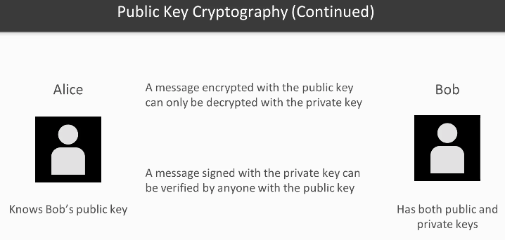

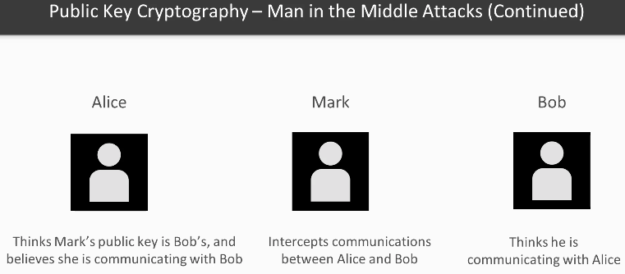

 |  | Certificated Authorities prevent this but charge
 |  | ubuntu operating system has /etc/ssl/certs of the Certificated Authorities so browser can prove
 |  | Alternative is Lets Encrypt which is free
 |  | Can also use Nginx as a reverse proxy
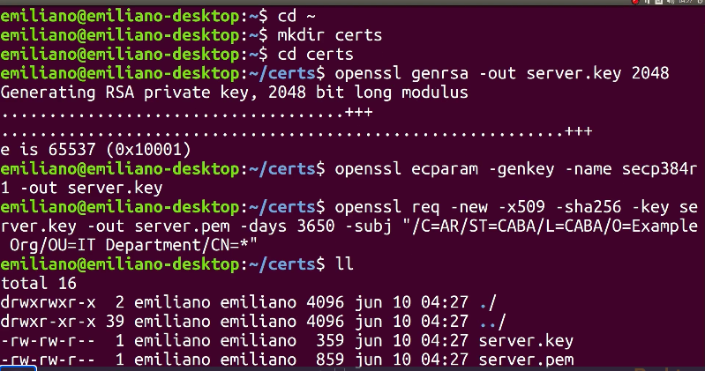

 |  | run v1 server main.go
 |  |  | will wait
 |  | run v1 client main.go
 |  |  | will report error because of self certificate, as will server
 |  | Chrome https://localhost:8443/hello
 |  |  | will report ‘not private’ but advanced proceed localhost shows -
 |  |  |  | 'Hello world from HTTPS’
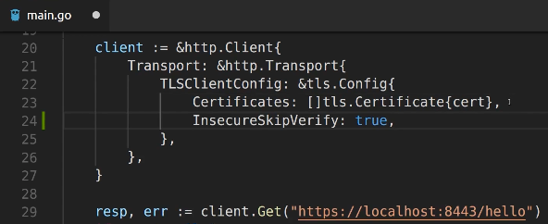

 |  |  |  |  |  | ^ InsecureSkipVerify: true, removes error messages
 |  |  |  |  |  | do not use in production

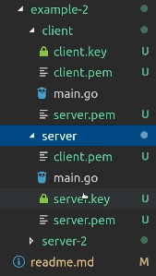
 |  |  |  |  |  | example 2

 |  |  |  |  |  | adds server public key into client

 |  |  |  |  |  | adds client public key into server

 |  |  |  |  |  | (server-2 has example that sets MinVersion)

 |  |  |  |  |  | amends programs to create cert pools and avoid error reports

 |  | video refers to
 |  |  | https://wiki.mozilla.org/Security/Server_Side_TLS
 |  | part of
 |  |  | https://infosec.mozilla.org/
 |  | for up to date advice about vulnerabilities

pvHoMSwGs4v2 | TLS Certificates with Let's Encrypt (10 min 23 sec)
 |  | https://letsencrypt.org/
 |  | cannot run on localhost, must be internet server
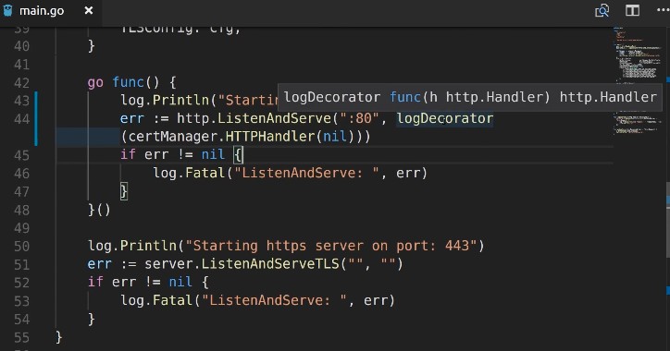

 |  |  | using logDecorator to see the requests as they are done

 |  |  | ^ needs to build for host system, here linux

 |  |  | moved compiled file packt-https-test to own server (method not shown)

 |  |  | ^ needs to run as root, therefore sudo
 |  |  | may take a little while to get certificates - list directory to check presence

 |  | https://www.ssllabs.com/
 |  |  | can test any server - like spurlingcannon.co.uk

pvHoMSwGs4v3 | Authentication Tokens and JWT (19 min 28 sec)
 |  | JOSE (JavaScript Object Signing and Encryption) standard
 |  | a JWT is not necessarily encrypted, but then the content (claims) is accessible to anyone
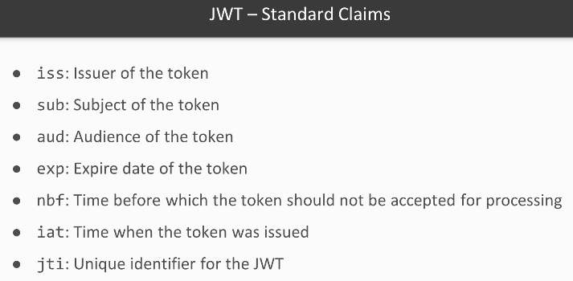

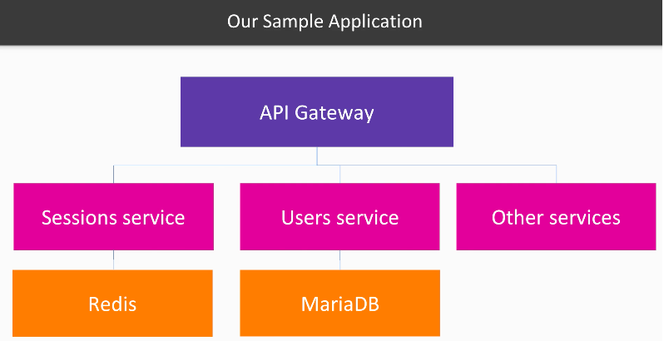

 |  |  |  |  |  |  |  | Other services not implemented ‘yet’ ^
 |  | set up environment as per readme.md

 |  | video-3>src>sessions-service $ go run main.go |  |  |  |  |  |  |  | start sessions service
 |  |  | ListenAndServe on 8001
 |  |  | GET “/session/{key}”
 |  |  | PUT “/session/{key}”

 |  | video-3>src>users-service $ go run main.go |  |  |  |  |  |  |  | start users service
 |  |  | ListenAndServe on 8000
 |  |  | GET “/user/{username}”

 |  | video-3>src>api-gateway $ go run main.go |  |  |  |  |  |  |  | start api-gateway
 |  |  | ListenAndServeTLS on 8443
 |  |  | POST “/authorise” SessionsRepo
 |  |  | POST “/authorise” UsersRepo
 |  |  |  | “/restricted/resource-1”
 |  |  |  | “/restricted/resource-2”

 |  | Postman -

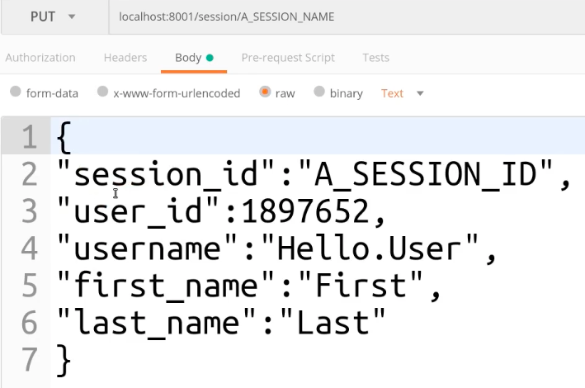

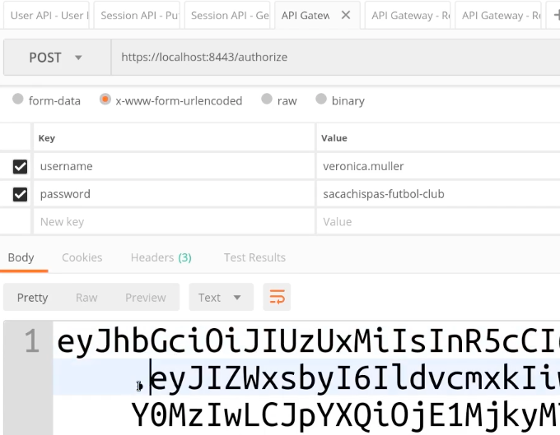
 |  |  |  |  |  |  |  |  |  |  |  |  | < looks like
 |  |  |  |  |  |  |  |  |  |  |  |  | these can
 |  |  |  |  |  |  |  |  |  |  |  |  | be preset

 |  |  |  |  |  |  |  |  |  |  |  |  | first dot
 |  |  |  |  |  |  |  |  |  |  |  |  | seperator

 |  |  |  |  | ^ copy into Postman Authorisation as below, after Bearer and ‘space’ (or CR?)
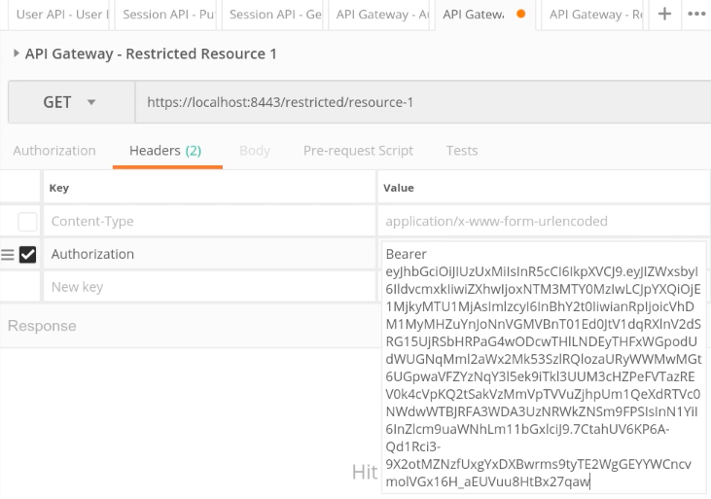

pvHoMSwGs4v4 | General Security Best Practices (7 min 43 sec)
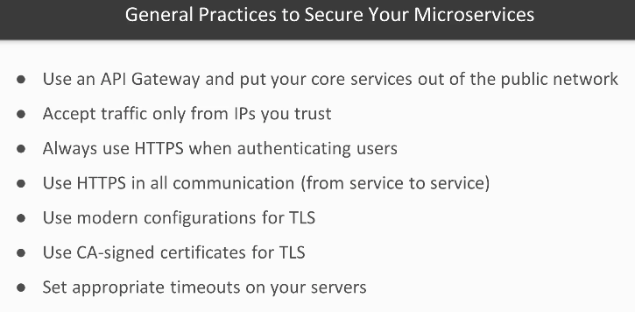

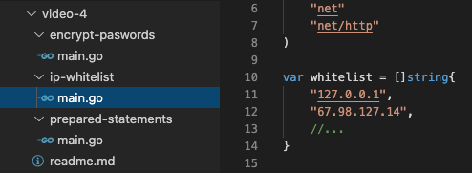

 |  |  |  |  |  |  |  |  |  |  | possibly use a whitelist?

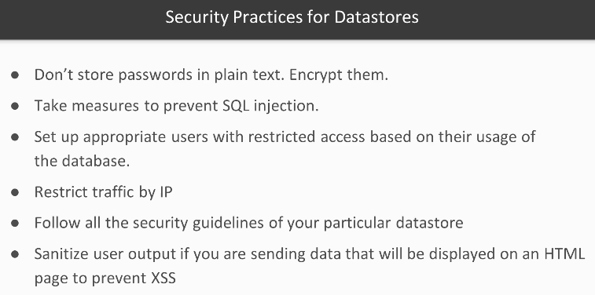

 |  |  |  |  |  |  |  | ^ example of encrypting password

 |  |  |  |  |  |  | ^ always use prepared statements in the correct manner using placeholders
 |  | use
 |  |  | https://golang.org/pkg/html/template/
 |  | whenever possible instead of
 |  |  | https://golang.org/pkg/text/template/

pvHoMSwGs5 | Performance
pvHoMSwGs5v1 | Load Testing with Apache JMeter
 | 5.2 Profiling Our Application with pprof and GoTorch
 |  | In this video, we shall look at using Let’s Encrypt for getting free TLS certificates.
 | 5.3 General Strategies for Scaling
 | 5.4 Using an In-Memory Cache
 | 5.5 Load Balancing with Nginx
 | 5.6 Instrumentation – Collecting Metrics and Monitoring with Prometheus

pvHoMSwGs6 | Deployment with Docker
pvHoMSwGs6v1 | Introduction to Docker (15 min 30 sec)
 |  | a Dockerfile contains all the parameters of how to build an image
 |  | a docker image is created with the build command
 |  | running a docker image creates a container
 |  | multiple identical containers can be produced from any image
 |  | Docker Hub holds many predesigned images that can be downloaded
 |  | $ docker images |  |  |  |  |  | list all installed images
 |  | $ docker ps |  |  |  |  |  | list running containers
 |  | $ docker ps -a |  |  |  |  |  | list all containers
 |  | $ docker start postgres |  |  |  |  |  | start by name
 |  | $ docker start 41c8c |  |  |  |  |  | start by part of ID
 |  | $ docker stop postgres |  |  |  |  |  | stop container
 |  | $ docker rm postgres |  |  |  |  |  | remove container
 |  | a Dockerfile is a text file that contains the ordered instructions to build a docker image

 |  | cd ~/yogopackt/homswg/section-6/video-1/example-1/
 |  | % go build main.go |  |  |  |  |  |  |  |  |  | build app
 |  | % go build -o myname main.go |  |  |  |  |  |  |  |  |  | specify output file name
 |  | % env GOOS=linux go build -o main main.go |  |  |  |  |  |  |  |  |  | build for linux, not mac OS
 |  | % docker build -t myexample . |  |  |  |  |  |  |  |  |  | docker build taged as my example (note dot)
 |  | % docker run --name=myex-container -p 8080:8080 myexample |  |  |  |  |  |  |  |  |  | run in foreground
 |  | % docker run -d --myex-container -p 8080:8080 myexample |  |  |  |  |  |  |  |  |  | -d run in background
 |  | % docker exec -it example-container-1 /bin/bash |  |  |  |  |  |  |  |  |  | enter container
 |  | # exit
browser | localhost:8080/
 |  | Recieved Request on Port: 8080
 |  | Total Requests on this Port: 2
 |  | % docker inspect container-name
 |  | % docker rmi myexample

 | port already in use
 |  | % sudo lsof -i tcp:8080 |  |  |  |  |  | get PID running on port 8080
 |  | % sudo kill -9 103 |  |  |  |  |  | kill -9 PID
 |  | % docker ps -a
 |  |  | reports
 |  |  |  | 0.0.0.0:8080->8080/tcp pgdb_adminer_1
 |  | % docker stop pgdb_adminer_1
 |  | % docker rm pgdb_adminer_1


 |  | cd ~/yogopackt/homswg/section-6/video-1/example-2/
 |  | % go build main.go |  |  |  |  |  |  |  |  |  | build app
 |  | % go build -o myname main.go |  |  |  |  |  |  |  |  |  | specify output file name
 |  | % env GOOS=linux CGO_ENABLED=0 go build -o main main.go |  |  |  |  |  |  |  |  |  | build for linux, not mac OS
 |  | % docker build -t myexample2 . |  |  |  |  |  |  |  |  |  | docker build taged as my example (note dot)
 |  |  | Dockerfile includes -
 |  |  |  | FROM golang:1.10-alpine
 |  |  |  | ENV APPLICATION_PORT=7951
 |  |  |  | RUN mkdir /app
 |  |  |  | ADD main /app/main
 |  |  |  | EXPOSE 7951
 |  |  |  | CMD ["/app/main"]
 |  | % docker run --name=myex-container -p 8080:7951 myexample2 |  |  |  |  |  |  |  |  |  | run in foreground - map container 7951 to browser 8080
 |  | % docker run -d --myex-container -p 8080:7951 myexample2 |  |  |  |  |  |  |  |  |  | -d run in background
 |  | % docker exec -it myex-container /bin/bash |  |  |  |  |  |  |  |  |  | enter container
 |  | # exit

 |  | Recieved Request on Port: 8080
 |  | Total Requests on this Port: 2
 |  | % docker inspect container-name
 |  | % docker rmi myexample

 |  | use separate containers for -
 |  |  | application
 |  |  | database
 |  |  | i/o cache

pvHoMSwGs6v2 | Docker Networking and Data Management (10 min 6 sec)
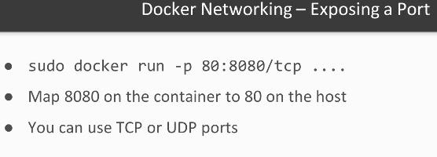

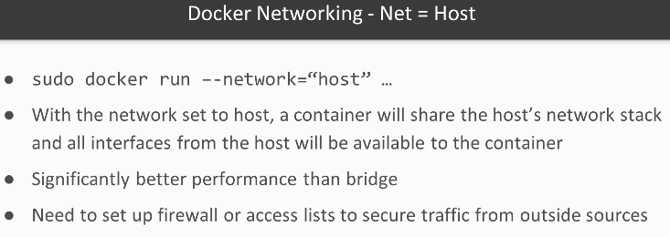

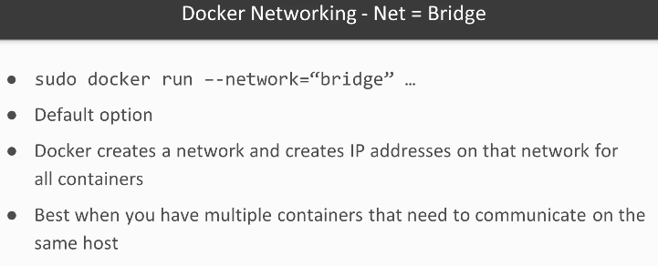

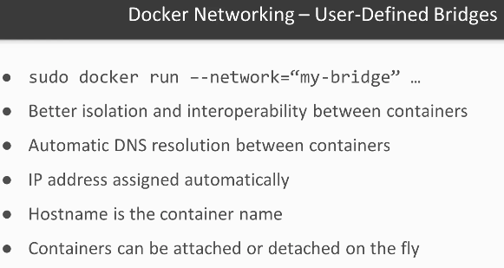
 |  |  |  |  |  |  |  |  |  |  |  | looks to be
 |  |  |  |  |  |  |  |  |  |  |  | best option

 |  | % docker network ls
 |  | % docker network create --driver bridge yofa-network
 |  | //Then you should be able to connect to networks using the container name - Automatic Service Discovery
 | % | docker run --name users-cache-redis --network users-network -d redis
 | % | docker run --name users-mariadb -v usersmariadb:/var/lib/mysql -e MYSQL_ROOT_PASSWORD=root-password --network users-network -d mariadb

 |  | % docker network inspect yofa-network

 |  | //Build APP Image and run it on container
 |  | % env GOOS=linux go build -a -o main main.go
 |  | % docker build -t user-api:1 . |  |  |  |  |  |  |  | (note dot)
 |  | % docker run --name user-api --network users-network -p 8000:8000 -d users-api:1

 |  | //Inspect individual container
 |  | % docker inspect users-cache-redis

 |  | delete container deletes all container data unless stored on host,
 |  |  | in which case host files are accessible in container, two options
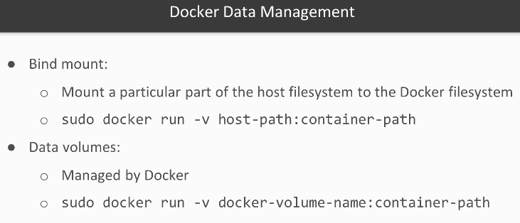

 |  | //List Volumes
 |  | % docker volume ls
 |  | //Create a Data Volume |  |  |  |  |  |  | what volumes are in program?
 |  | % docker volume create name-of-volume |  |  |  |  |  |  | s3v6pgdata
 |  | //Removing a Volume. |  |  |  |  |  |  | usersmariadb
 |  | //__Warning everything will be deleted.__
 |  | % docker volume rm name-of-volume

 |  | [Backup & Restore Docker Named Volumes]
 |  |  | https://loomchild.net/2017/03/26/backup-restore-docker-named-volumes/

pvHoMSwGs6v3 | Docker Compose (8 min 22 sec)
 |  | use yaml file to define and run multi-contaner applications
Toshiba |  | $ docker-compose --version
 |  |  | not found but can be installed with
 |  | $ sudo apt install docker-compose
 |  | $ docker-compose --version
 |  |  | docker-compose version 1.25.0, build unknown
pvHoMSwGs6v3
readme.md | has curl installation, could get later version from github
 |  | https://github.com/docker/compose |  |  |  |  |  | has 1.28.5
 | suggests
 |  | pip install docker-compose
 | so what is pip?
 |  | https://itsfoss.com/install-pip-ubuntu/
 |  | Pip stands for “Pip Installs Packages”.
 | to get pip -
 |  | sudo add-apt-repository universe
 |  | sudo apt install python3-pip
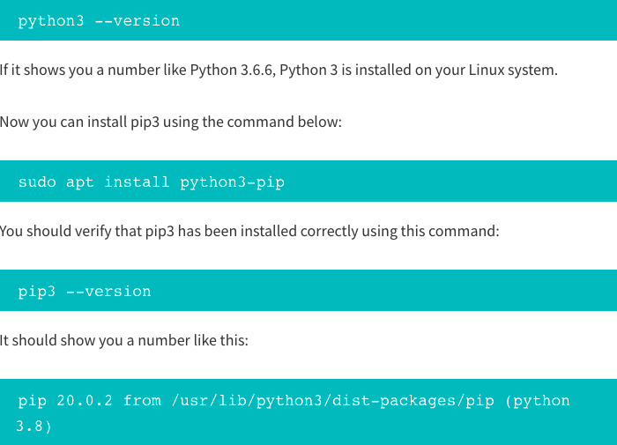

 | installed pip3 to Toshiba

 | $ sudo apt remove docker-compose
 | $ pip install docker-compose
 |  | pip not found
 | $ pip3 install docker-compose
 |  | Successfully installed distro-1.5.0 docker-4.4.4 docker-compose-1.28.5 python-dotenv-0.15.0
 |  | installed to ‘/home/mds/.local/bin’ which is not on PATH
 | $ eba |  |  |  |  |  |  |  |  | (shortcut to nano .bash_aliases)
 |  | export PATH=$PATH:$HOME/.local/bin
 | $ sb |  |  |  |  |  |  |  |  | (shortcut to source .bash)
 | $ docker-compose -v
 |  | docker-compose version 1.28.5, build unknown
Toshiba | $ cd /HoMSwG/Code/HoMSwG/section-6/video-3/src/users-service
 | options -
 |  | $ docker-compose up -d |  |  |  |  |  |  | run in background
 |  | $ docker-compose up
 |  | $ docker-compose ps |  |  |  |  |  |  | list all defined services
 |  | $ docker-compose down

 | $ docker-compose up
 |  | generated error
 |  | ERROR: Volume usersmariadb declared as external, but could not be found.
 |  | Please create the volume manually using ‘docker volume create --name=usersmariadb’ and try again
 | $ docker volume create --name=usersmariadb
 | $ docker-compose up
 |  | successful except for prometheus
 |  |  | mounting “/home/emiliano/go/src…” obviously would not work
 | plan to create an own version at -
 |  | webdev>github.com>mstudham>rcot-d
2021-02-28
pvHoMSwGs6v4 | Monitoring Docker Containers with Prometheus (10 min 56 sec)
 |  | configures Grafana, but states Prometeus already set up

pvHoMSwGs6v5 | Introduction to Service Discovery

pvHoMSwG s7 | Application Architecture
 | Clean Architecture – Part One
 | 7.2 Clean Architecture – Part Two
 | 7.3 API Gateways
 | 7.4 More on Architecture
pvHoMSwG s8 | Introduction to GoKit
 | 8.1 Go Kit – Part One
 | 8.2 Go Kit – Part Two
 | 9.1 Circuit Breakers
 | 9.2 Rate Limiters
 | 9.3 Basic Concepts on High Availability – Part One
 | 9.4 Basic Concepts on High Availability – Part Two
 | 10.1 Strategies for Migrating from a Monolith to a Microservices Architecture – Part One
 | 10.2 Strategies for Migrating from a Monolith to a Microservices Architecture – Part Two
 | 10.3 The Saga Pattern – Part One
 | 10.4 The Saga Pattern – Part Two

