DevoxxUK
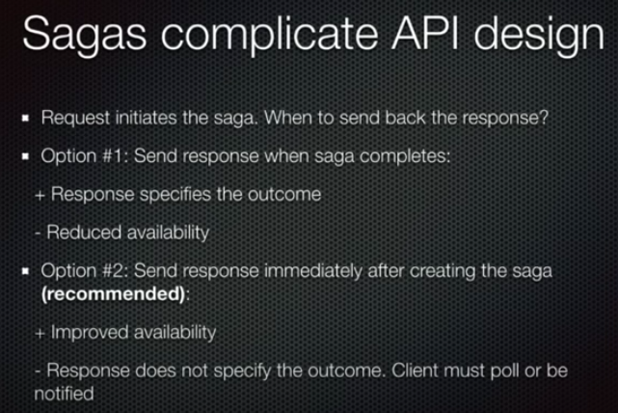
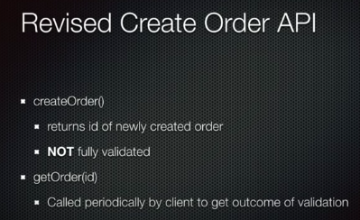
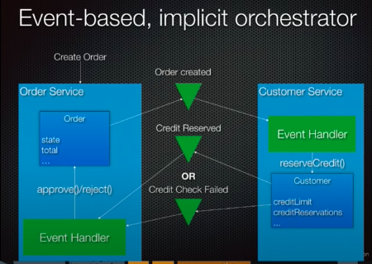
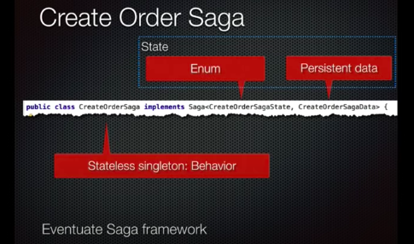
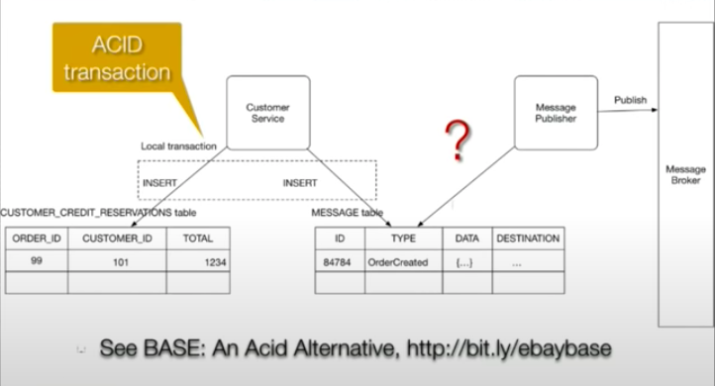
2021-02-28 | https://www.youtube.com/watch?v=YPbGW3Fnmbc |  | DevoxxUK | 49minutes
 |  | https://eventuate.io/whyeventdriven.html
 |  | https://microservices.io/adopt/index.html
 |  | use ACID within a service, not between services
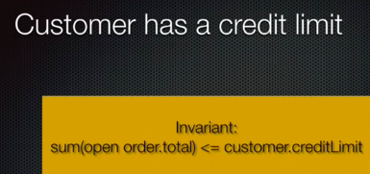

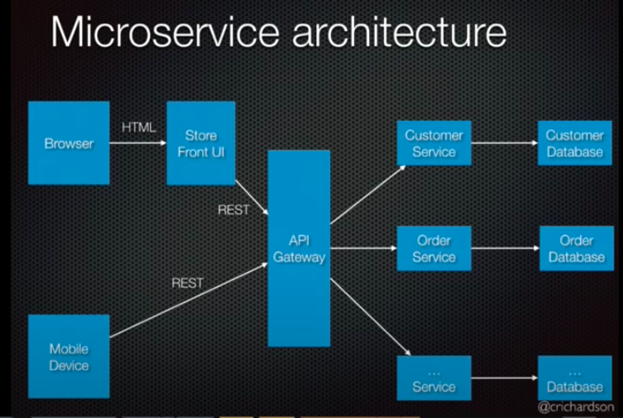

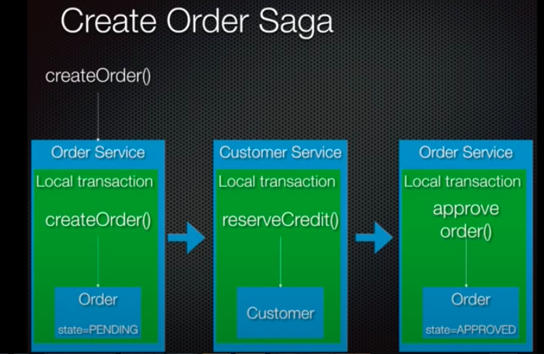

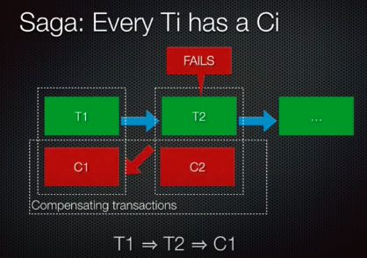

 |  |  | create the transaction and

 |  |  | draft the compensating transaction?
 |  |  | discard on commit?

DSiMA
2021-02-28 | Data Consistency in Microservices Architecture (Grygoriy Gonchar)
 |  | https://www.youtube.com/watch?v=CFdPDfXy6Y0
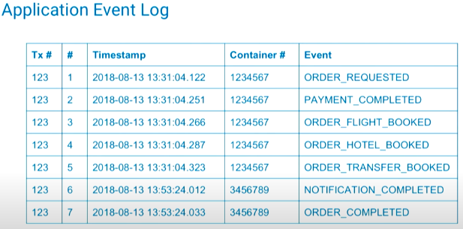

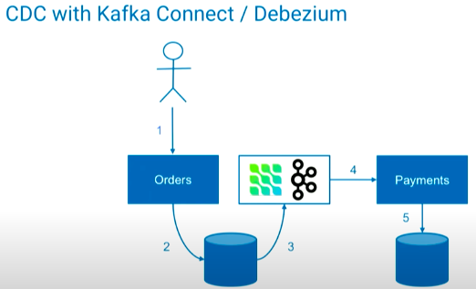

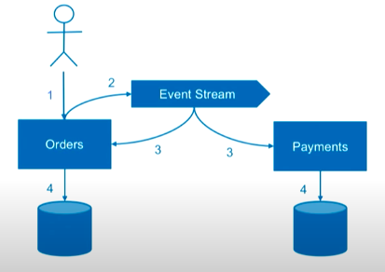

 |  |  | event database?

 |  | CQRS stands for Command Query Responsibility Segregation.

