test 1
Sample | 260/280 | 260/230 | Qubit Conc. (ng/µL) | µL DNA | µL H2O
P89 | 1.98 | 2.06 | 128.00 | 3.13 | 12.88
335 | 1.94 | 2.26 | 77.23 | 5.18 | 10.82
263 | 1.94 | 2.35 | 81.20 | 4.93 | 11.07 |  |  |  | rxn = | 8
389 | 1.97 | 2.35 | 51.90 | 7.71 | 8.29
P2 A8 | 1.79 | 0.15 | 44.17 | 4.53 | 3.47
345 | 2 | 1.6 | 38.47 | 10.40 | 5.60
367 | 1.76 | 1.29 | 33.87 | 11.81 | 4.19
207 | 1.89 | 1.57 | 26.70 | 14.98 | 1.02

qPCR |  |  |  |  |  | 1. Digest
Sample | Well | Number | Ct | Avg Ct |  | Component | per rxn | 8 rxns (+error)
335 | B1 | Sample 2 | 26.22 | 26.75 |  | NEB Buffer #3 | 0.6 | 5.28
335 | B2 | Sample 2 | 27.29 | 26.75 |  | BcgI (2 U µl-1) | 0.6 | 5.28
207 | H1 | Sample 8 | 27.91 | 28.73 |  | H2O | 0.8 | 7.04
207 | H2 | Sample 8 | 29.55 | 28.73 |  | Total | 2 | 17.6
367 | G1 | Sample 7 | 28.12 | 29.08
367 | G2 | Sample 7 | 30.04 | 29.08 |  | 2a. Ligation
263 | C1 | Sample 3 | 29.41 | 29.66 |  | Adapter 1 Component | per rxn | 8 rxns (+error)
263 | C2 | Sample 3 | 29.90 | 29.66 |  | 5ILL-NNRW | 0.5 | 5
P89 | A1 | Sample 1 | 29.49 | 29.72 |  | Anti5ill-NNRW | 0.5 | 5
P89 | A2 | Sample 1 | 29.96 | 29.72 |  | Adapter 1 | 1 | 10
345 | F1 | Sample 6 | 28.05 | 29.92
345 | F2 | Sample 6 | 31.78 | 29.92 |  | 2b. Ligation
389 | D1 | Sample 4 | 33.04 | 33.76 |  | Adapter 2 Component | per rxn | 8 rxns (+error)
389 | D2 | Sample 4 | 34.49 | 33.76 |  | 3illBC 1 | 0.5 | 5
P2 A8 | E1 | Sample 5 | 33.44 | 34.52 |  | Anti-ill-BC 1 | 0.5 | 5
P2 A8 | E2 | Sample 5 | 35.59 | 34.52 |  | Adapter 2 | 1 | 10
NTC | A3 |  | 35.73 | 35.90
NTC | B3 |  | 35.90 | 35.90 |  | 2c. Ligation
NTC | C3 |  | 36.06 | 35.90 |  | Component | per rxn | 8 rxns (+error)
 |  |  |  |  |  | NFW | 15 | 132
Ligation gel |  |  |  |  |  | 10x T4 ligase buffer | 2 | 17.6
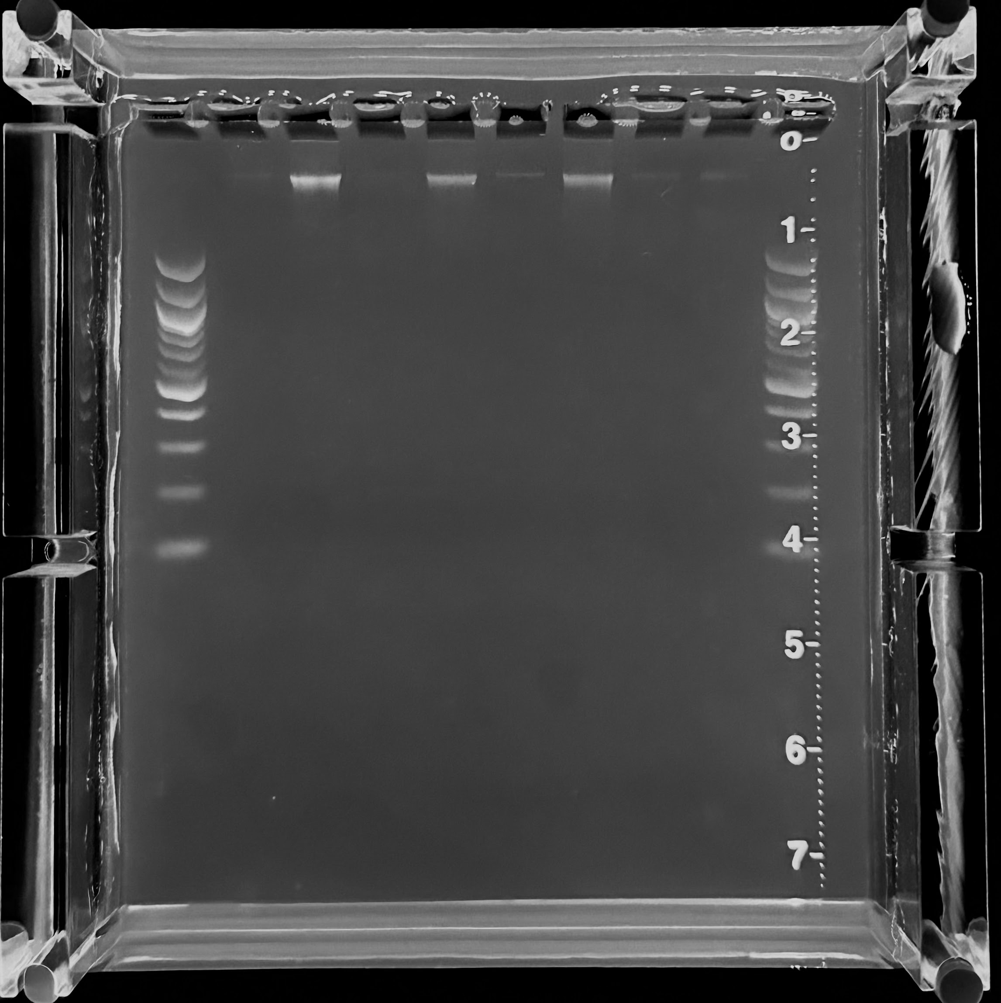
 |  |  |  |  |  | 5 μM Adapter 1* | 1 | 8.8
 |  |  |  |  |  | 5 μM Adapter 2* | 1 | 8.8
 |  |  |  |  |  | T4 DNA ligase | 1 | 8.8
 |  |  |  |  |  | Total | 20 | 176

 |  |  |  |  |  | 3. qPCR
 |  |  |  |  |  | Reagent | per rxn | 16 rxns (+NTC)
 |  |  |  |  |  | H2O | 5.53 | 110.6
 |  |  |  |  |  | SYBR Green Mastermix | 7.5 | 150.0
 |  |  |  |  |  | 10 µM TruSeq_UN 1 | 0.07 | 1.4
 |  |  |  |  |  | 1 µM ILL-BC 23 | 0.7 | 14.0
 |  |  |  |  |  | 10 µM IC1-P5 | 0.1 | 2.0
 |  |  |  |  |  | 10 µM IC1-P7 | 0.1 | 2.0
 |  |  |  |  |  | Total | 14 | 280.0

 |  |  |  |  |  | 4. Amplification
 |  |  |  |  |  | Reagent | per rxn | 8 rxns (+error)
 |  |  |  |  |  | dNTPs 2.5 mM ea | 0.4 | 3.52
 |  |  |  |  |  | H2O | 9.7 | 85.36
 |  |  |  |  |  | 10 µM IC1-P5 | 0.4 | 3.52
 |  |  |  |  |  | 10 µM IC1-P7 | 0.4 | 3.52
Amplification gel |  | 17 cycles |  |  |  | 1 µM ILL-BC 23 | 2.4 | 21.12
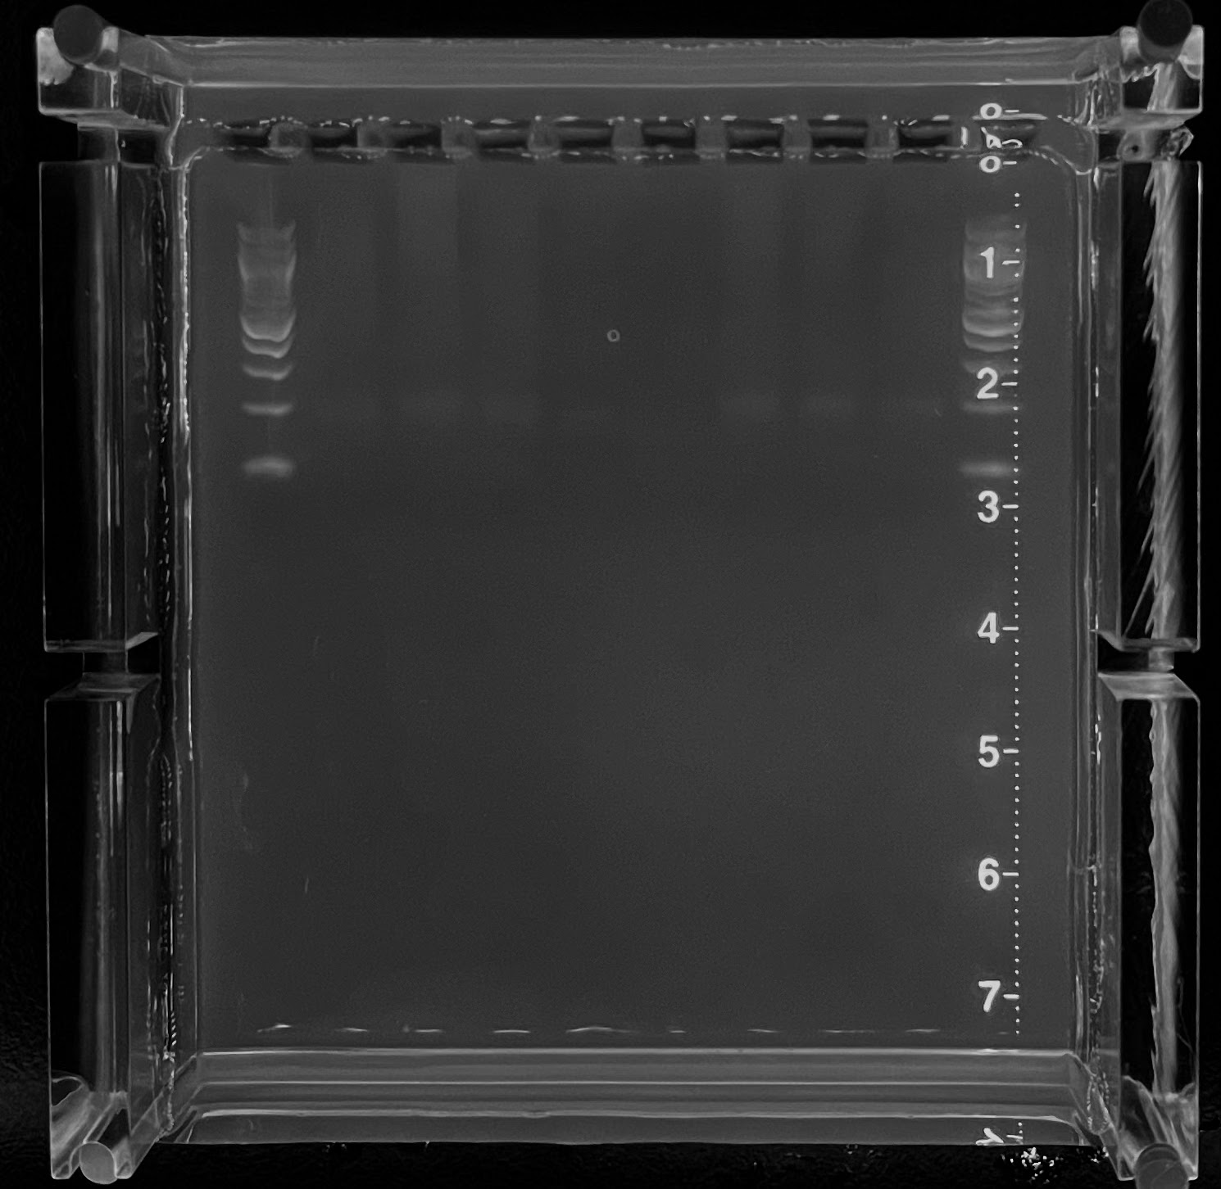
 |  |  |  |  |  | 10 µM TruSeq_UN | 0.3 | 2.64
 |  |  |  |  |  | 10x Titanium buffer | 2 | 17.6
 |  |  |  |  |  | Titanium Taq | 0.4 | 3.52
 |  |  |  |  |  | Total | 16 | 140.8

test 2
Sample | 260/280 | 260/230 | Qubit Conc. (ng/µL) | ng DNA | µL DNA | µL H2O
335 | 1.94 | 2.26 | 77.23 | 100 | 4.00
389 | 1.97 | 2.35 | 51.90 | 100 | 4.00
335 | 1.94 | 2.26 | 77.23 | 50 | 2.00 | 2.00 |  |  |  | rxn = | 8
389 | 1.97 | 2.35 | 51.90 | 50 | 2.00 | 2.00
345 | 2 | 1.6 | 38.47 | 50 | 2.00 | 2.00
335 | 1.94 | 2.26 | 77.23 | 25 | 1.00 | 3.00
389 | 1.97 | 2.35 | 51.90 | 25 | 1.00 | 3.00
345 | 2 | 1.6 | 38.47 | 25 | 1.00 | 3.00

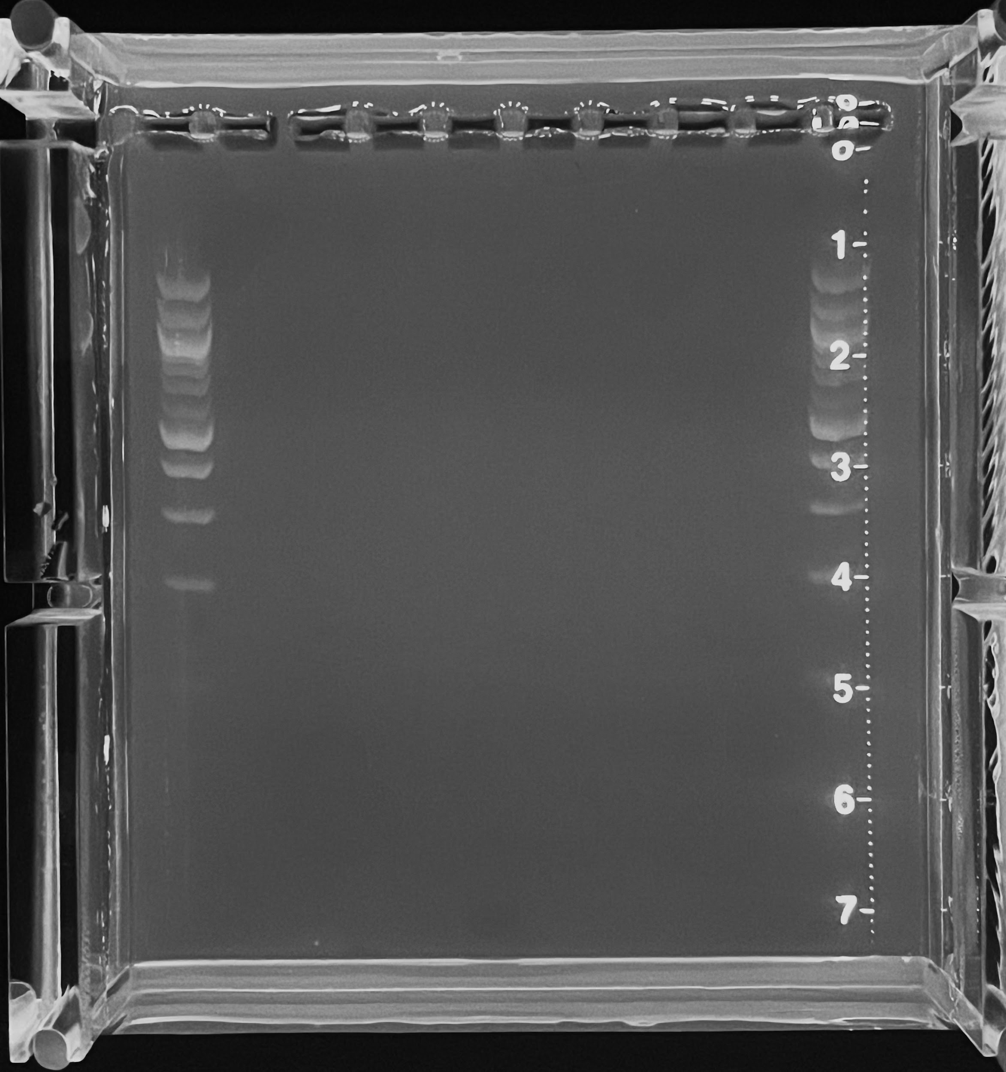
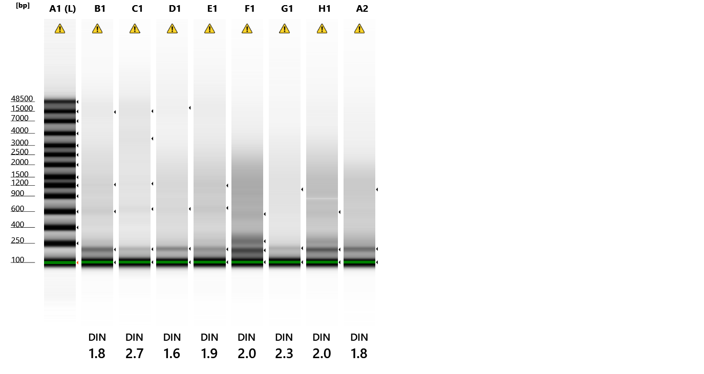
Amplification gel |  | 15 cycles |  |  |  |  | 1. Digest
 |  |  |  |  |  |  | Component | per rxn | 8 rxns (+error) |  |  | Amplification Tape | 17 cycles
 |  |  |  |  |  |  | NEB Buffer #3 | 0.6 | 5.28
 |  |  |  |  |  |  | BcgI (2 U µl-1) | 0.6 | 5.28
 |  |  |  |  |  |  | H2O | 0.8 | 7.04
 |  |  |  |  |  |  | Total | 2 | 17.6

 |  |  |  |  |  |  | 2a. Ligation
 |  |  |  |  |  |  | Adapter 1 Component | per rxn | 8 rxns (+error)
 |  |  |  |  |  |  | 5ILL-NNRW | 0.5 | 5
 |  |  |  |  |  |  | Anti5ill-NNRW | 0.5 | 5
 |  |  |  |  |  |  | Adapter 1 | 1 | 10

 |  |  |  |  |  |  | 2b. Ligation
 |  |  |  |  |  |  | Adapter 2 Component | per rxn | 8 rxns (+error)
 |  |  |  |  |  |  | 3illBC 1 | 0.5 | 5
 |  |  |  |  |  |  | Anti-ill-BC 1 | 0.5 | 5
 |  |  |  |  |  |  | Adapter 2 | 1 | 10

 |  |  |  |  |  |  | 2c. Ligation
 |  |  |  |  |  |  | Component | per rxn | 8 rxns (+error)
 |  |  |  |  |  |  | NFW | 15 | 132
 |  |  |  |  |  |  | 10x T4 ligase buffer | 2 | 17.6
 |  |  |  |  |  |  | 5 μM Adapter 1* | 1 | 8.8
Amplification/ligation gel |  |  | 17 cycles |  |  |  | 5 μM Adapter 2* | 1 | 8.8
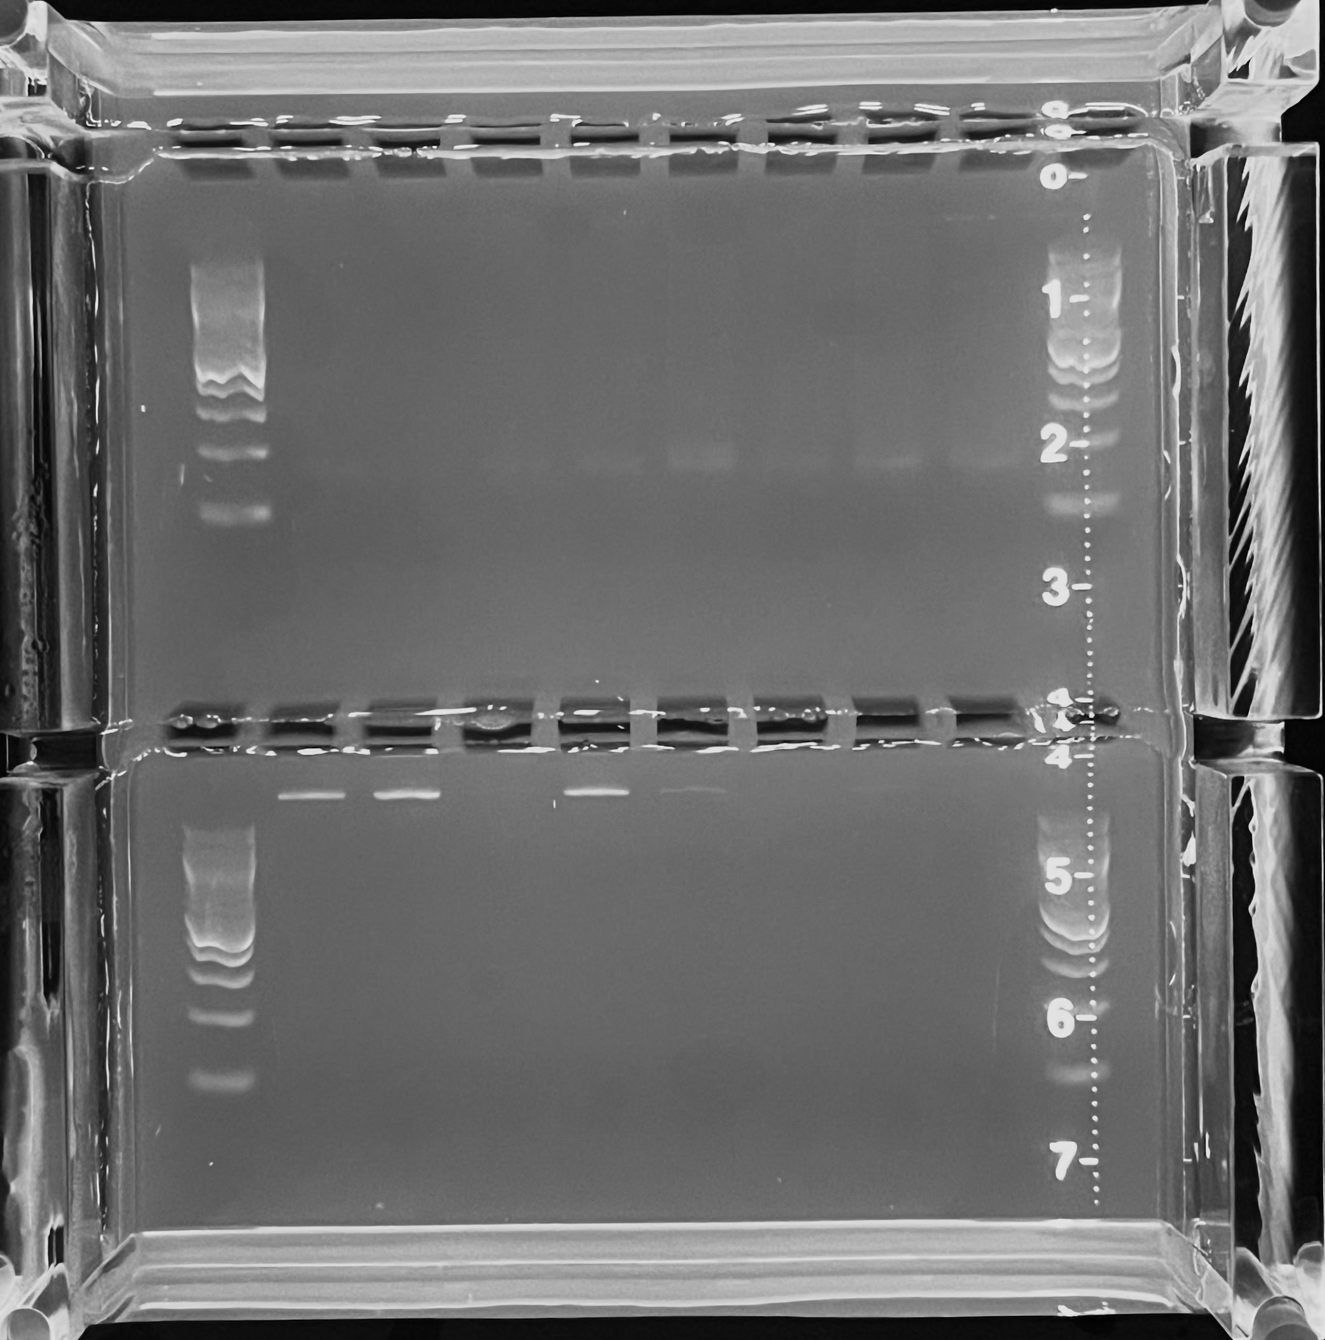
 |  |  |  |  |  |  | T4 DNA ligase | 1 | 8.8
 |  |  |  |  |  |  | Total | 20 | 176

 |  |  |  |  |  |  | 3. qPCR
 |  |  |  |  |  |  | Reagent | per rxn | 16 rxns (+NTC)
 |  |  |  |  |  |  | H2O | 5.53 | 110.6
 |  |  |  |  |  |  | SYBR Green Mastermix | 7.5 | 150.0
 |  |  |  |  |  |  | 10 µM TruSeq_UN 1 | 0.07 | 1.4
 |  |  |  |  |  |  | 1 µM ILL-BC 23 | 0.7 | 14.0
 |  |  |  |  |  |  | 10 µM IC1-P5 | 0.1 | 2.0
 |  |  |  |  |  |  | 10 µM IC1-P7 | 0.1 | 2.0
 |  |  |  |  |  |  | Total | 14 | 280.0

 |  |  |  |  |  |  | 4. Amplification
 |  |  |  |  |  |  | Reagent | per rxn | 8 rxns (+error)
 |  |  |  |  |  |  | dNTPs 2.5 mM ea | 0.4 | 3.52
 |  |  |  |  |  |  | H2O | 9.7 | 85.36
 |  |  |  |  |  |  | 10 µM IC1-P5 | 0.4 | 3.52
 |  |  |  |  |  |  | 10 µM IC1-P7 | 0.4 | 3.52
 |  |  |  |  |  |  | 1 µM ILL-BC 23 | 2.4 | 21.12
 |  |  |  |  |  |  | 10 µM TruSeq_UN | 0.3 | 2.64
 |  |  |  |  |  |  | 10x Titanium buffer | 2 | 17.6
 |  |  |  |  |  |  | Titanium Taq | 0.4 | 3.52
 |  |  |  |  |  |  | Total | 16 | 140.8

troubleshooting
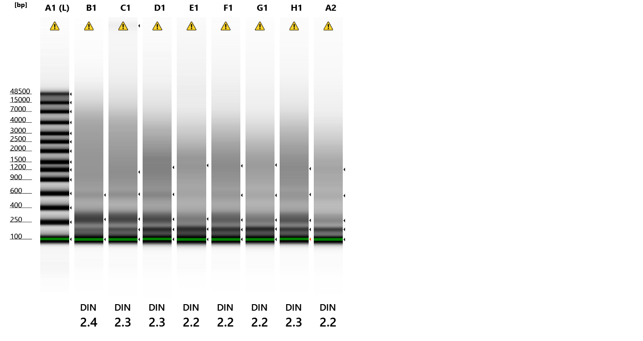
Sample | 260/280 | 260/230 | Qubit Conc. (ng/µL) | ng DNA | µL DNA | µL H2O
sperm 100ng | 1.85 | 2.01 | 320.33 | 100 | 1.25 | 14.75
sperm 50ng | 1.85 | 2.01 | 320.33 | 50 | 2.00 | 2.00
sperm 25ng | 1.85 | 2.01 | 320.33 | 25 | 1.00 | 3.00 |  |  |  | rxn = | 8 | Extraction Tape
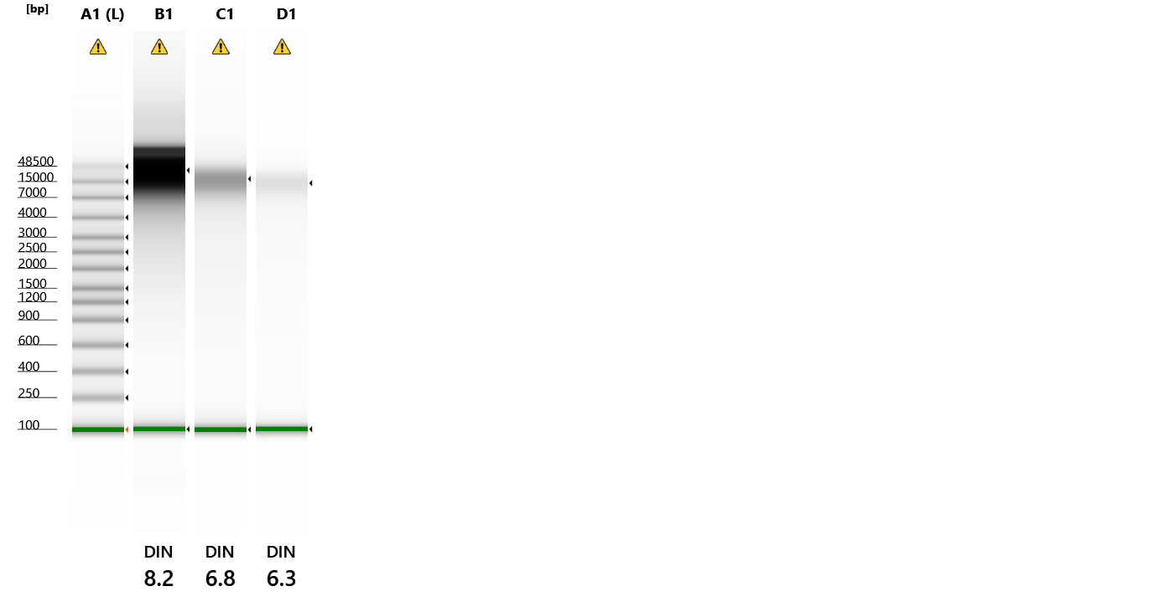
sperm 10ng | 1.85 | 2.01 | 320.33 | 10 | 1.20 | 10.80
389 25ng | 1.97 | 2.35 | 51.90 | 25 | 1.45 | 7.66
389 10ng | 1.97 | 2.35 | 51.90 | 10 | 1.60 | 2.40
389 IIRC 25ng | 1.94 | 2.22 | 8.10 | 25 | 6.17 | 1.83
389 IIRC 10ng | 1.94 | 2.22 | 8.10 | 10 | 1.60 | 2.40

qPCR |  |  |  |  |  |  | 1. Digest
Sample | Well | Number | Ct | Avg Ct |  |  | Component | per rxn | 8 rxns (+error)
sperm 100ng | A1 | Sample 1 | 29.42 | 29.05 |  |  | NEB Buffer #3 | 0.6 | 5.28
sperm 100ng | A2 | Sample 1 | 28.67 | 29.05 |  |  | BcgI (2 U µl-1) | 0.6 | 5.28
sperm 50ng | B1 | Sample 2 | 29.88 | 29.91 |  |  | H2O | 0.8 | 7.04
sperm 50ng | B2 | Sample 2 | 29.93 | 29.91 |  |  | Total | 2 | 17.6
389 IIRC 25ng | G1 | Sample 7 | 31.47 | 31.51
389 IIRC 25ng | G2 | Sample 7 | 31.55 | 31.51 |  |  | 2a. Ligation
sperm 25ng | C1 | Sample 3 | 31.88 | 31.91 |  |  | Adapter 1 Component | per rxn | 8 rxns (+error)
sperm 25ng | C2 | Sample 3 | 31.94 | 31.91 |  |  | 5ILL-NNRW | 0.5 | 5
389 25ng | E1 | Sample 5 | 32.22 | 32.07 |  |  | Anti5ill-NNRW | 0.5 | 5
389 25ng | E2 | Sample 5 | 31.91 | 32.07 |  |  | Adapter 1 | 1 | 10
389 IIRC 10ng | H1 | Sample 8 | 33.01 | 32.90
389 IIRC 10ng | H2 | Sample 8 | 32.79 | 32.90 |  |  | 2b. Ligation |  |  |  |  | Ligation Tape
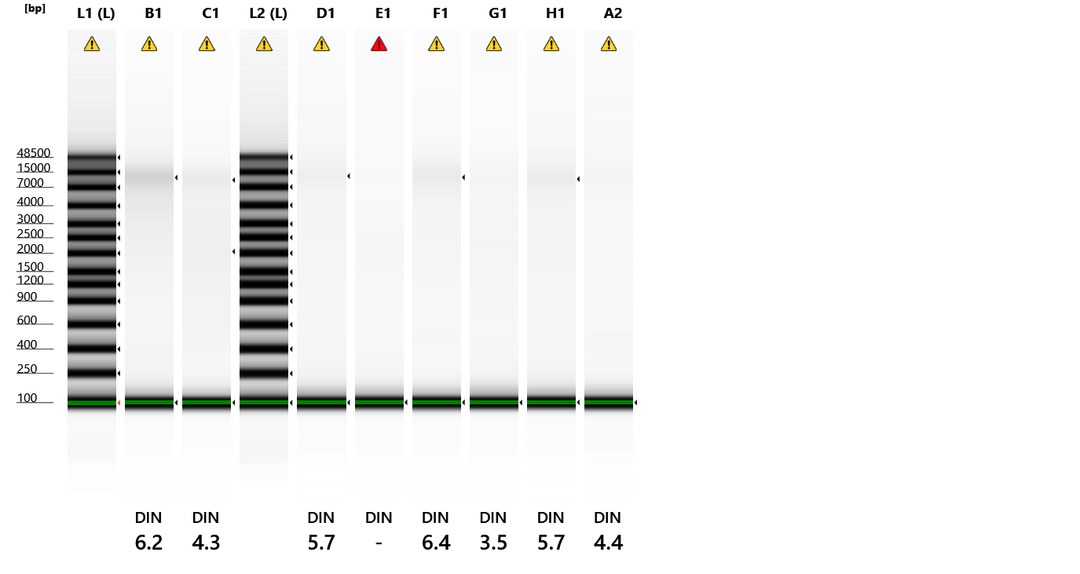
389 10ng | F1 | Sample 6 | 33.26 | 33.32 |  |  | Adapter 2 Component | per rxn | 8 rxns (+error)
389 10ng | F2 | Sample 6 | 33.37 | 33.32 |  |  | 3illBC 1 | 0.5 | 5
sperm 10ng | D1 | Sample 4 | 34.04 | 33.98 |  |  | Anti-ill-BC 1 | 0.5 | 5
sperm 10ng | D2 | Sample 4 | 33.92 | 33.98 |  |  | Adapter 2 | 1 | 10
NTC | A3 |  | 36.67
NTC | B3 |  | 36.96 |  |  |  | 2c. Ligation
NTC | C3 |  | 36.99 |  |  |  | Component | per rxn | 8 rxns (+error)
 |  |  |  |  |  |  | NFW | 15 | 132
Amplification gel |  | 17 cycles |  |  |  |  | 10x T4 ligase buffer | 2 | 17.6
 |  |  |  |  |  |  | 5 μM Adapter 1* | 1 | 8.8
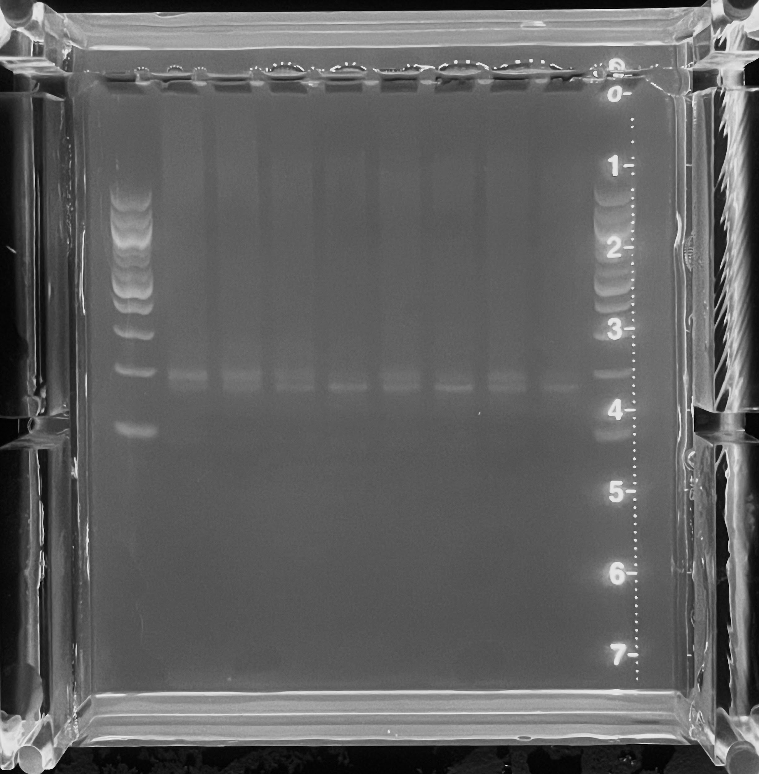
 |  |  |  |  |  |  | 5 μM Adapter 2* | 1 | 8.8
 |  |  |  |  |  |  | T4 DNA ligase | 1 | 8.8
 |  |  |  |  |  |  | Total | 20 | 176

 |  |  |  |  |  |  | 3. qPCR
 |  |  |  |  |  |  | Reagent | per rxn | 16 rxns (+NTC)
 |  |  |  |  |  |  | H2O | 5.53 | 110.6
 |  |  |  |  |  |  | SYBR Green Mastermix | 7.5 | 150.0
 |  |  |  |  |  |  | 10 µM TruSeq_UN 1 | 0.07 | 1.4
 |  |  |  |  |  |  | 1 µM ILL-BC 23 | 0.7 | 14.0 |  |  | Amplification Tape | 15 cycles
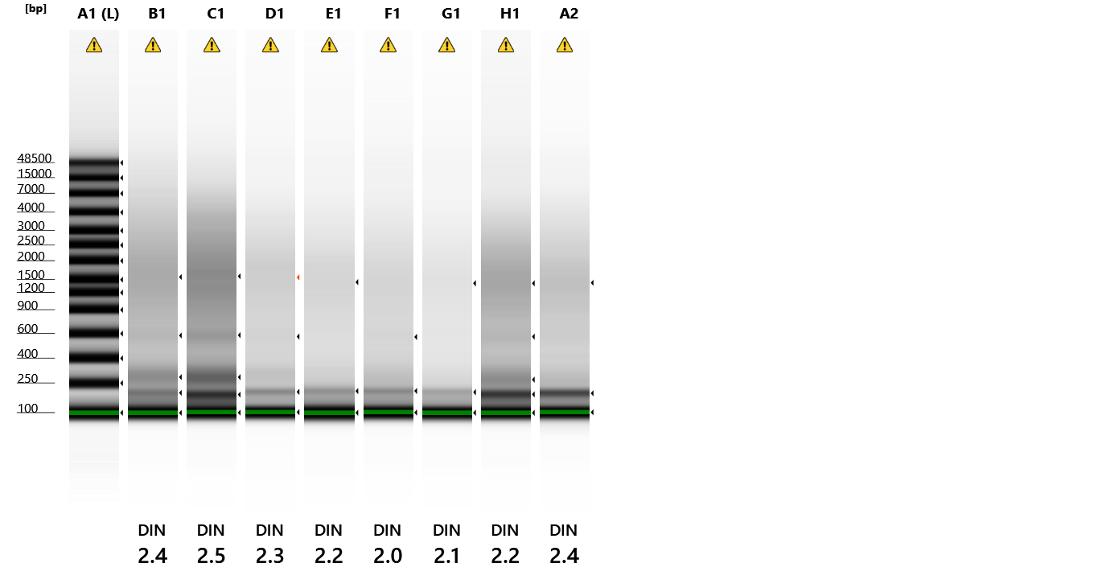
 |  |  |  |  |  |  | 10 µM IC1-P5 | 0.1 | 2.0
 |  |  |  |  |  |  | 10 µM IC1-P7 | 0.1 | 2.0
 |  |  |  |  |  |  | Total | 14 | 280.0

 |  |  |  |  |  |  | 4. Amplification
 |  |  |  |  |  |  | Reagent | per rxn | 8 rxns (+error)
 |  |  |  |  |  |  | dNTPs 2.5 mM ea | 0.4 | 3.52
 |  |  |  |  |  |  | H2O | 9.7 | 85.36
 |  |  |  |  |  |  | 10 µM IC1-P5 | 0.4 | 3.52
 |  |  |  |  |  |  | 10 µM IC1-P7 | 0.4 | 3.52
 |  |  |  |  |  |  | 1 µM ILL-BC 23 | 2.4 | 21.12
 |  |  |  |  |  |  | 10 µM TruSeq_UN | 0.3 | 2.64
 |  |  |  |  |  |  | 10x Titanium buffer | 2 | 17.6
 |  |  |  |  |  |  | Titanium Taq | 0.4 | 3.52
 |  |  |  |  |  |  | Total | 16 | 140.8

 |  |  |  |  |  |  |  |  |  |  |  | Amplification Tape | 17 cycles

plate 1
 | 3illBC-1 | 3illBC-2 | 3illBC-3 | 3illBC-4 | 3illBC-5 | 3illBC-6 | 3illBC-7 | 3illBC-8 | 3illBC-9 | 3illBC-10 | 3illBC-11 | 3illBC-12 |  |  |  | 1. Digest |  |  |  | 3. qPCR
 | 1 | 2 | 3 | 4 | 5 | 6 | 7 | 8 | 9 | 10 | 11 | 12 |  |  |  | Component | per rxn | 96 rxns (+error) |  | Reagent | per rxn | 96 rxns (+NTC)
A | P62 | 325 | 335 | 344 | 356 | 373 | 209 | 219 | 228 | 253 | 262 | 273 | ILL-BC-23 | Samples = | 96 | NFW | 0.8 | 84.5 |  | NFW | 5.53 | 602
B | P67 | 326 | 336 | 346 | 360 | 374 | 210 | 220 | 231 | 254 | 263 | 274 | ILL-BC-24 | Rows = | 8 | NEB Buffer #3 | 0.6 | 63.4 |  | SYBR Green Master Mix | 7.5 | 817
C | P89 | 328 | 337 | 348 | 366 | 375 | 211 | 221 | 240 | 255 | 265 | 275 | ILL-BC-25 | Columns = | 12 | BcgI (2 U µl-1) | 0.6 | 63.4 |  | 10 µM TruSeq_UN 1 | 0.07 | 7.6
D | P201 | 329 | 338 | 350 | 368 | 376 | 212 | 222 | 245 | 256 | 266 | 277 | ILL-BC-26 |  |  | Total | 1.2 | 126.7 |  | 1 µM ILL-BC 23 | 0.7 | 76.2
E | P2 H5 | 331 | 339 | 351 | 369 | 203 | 213 | 223 | 249 | 257 | 267 | 278 | ILL-BC-27 |  |  |  |  |  |  | 10 µM IC1-P5 | 0.1 | 10.9
F | P29B | 332 | 340 | 352 | 370 | 205 | 214 | 224 | 250 | 258 | 268 | 280 | ILL-BC-28 |  |  | 2a. Ligation Adaptor 1 |  |  |  | 10 µM IC1-P7 | 0.1 | 10.9
G | 321 | 333 | 341 | 354 | 371 | 206 | 216 | 225 | 251 | 260 | 269 | 282 | ILL-BC-29 |  |  | Adapter 1 Component | per rxn | 96 rxns (+error) |  | Total | 14 | 1524.6
H | 324 | 334 | 343 | 357 | 372 | 208 | 218 | 226 | 252 | 261 | 271 | 283 | ILL-BC-30 |  |  | 5ILL-NNRW | 0.5 | 58.1
 |  |  |  |  |  |  |  |  |  |  |  |  |  |  |  | Anti5ill-NNRW | 0.5 | 58.1 |  | 4a. Test Amplification
 |  |  |  |  |  |  |  |  |  |  |  | TruSeq = | 1 |  |  | Adapter 1 | 1 | 116.2 |  | Reagent | per rxn | 8 rxns (+error)
 | Dilutions |  |  |  |  |  |  |  |  |  |  |  |  |  |  |  |  |  |  | NFW | 9.7 | 85.4
 | NFW |  |  |  |  |  |  |  |  |  |  |  |  |  |  | 2b. Ligation Adaptor 2 |  |  |  | dNTPs 2.5 mM ea | 0.4 | 3.5
 | 1 | 2 | 3 | 4 | 5 | 6 | 7 | 8 | 9 | 10 | 11 | 12 |  |  |  | Adapter 2 Component | per rxn | 96 rxns (+error) |  | 10 µM IC1-P5 | 0.4 | 3.5
A | 14.7 | 10.3 | 14.7 | 13.3 | 30.3 | 14.7 | 14.7 | 12.2 | 10.4 | 4.2 | 12.5 | 13.0 |  |  |  | 3illBC 1 | 0.5 | 4.4 |  | 10 µM IC1-P7 | 0.4 | 3.5
B | 9.3 | 14.7 | 14.5 | 14.6 | 13.6 | 14.9 | 14.1 | 12.2 | 7.8 | 12.5 | 14.8 | 30.5 |  |  |  | Anti-ill-BC 1 | 0.5 | 4.4 |  | 1 µM ILL-BC 23 | 2.4 | 21.1
C | 30.4 | 14.0 | 7.8 | 30.2 | 8.5 | 13.9 | 13.0 | 14.4 | 7.4 | 11.5 | 10.0 | 11.7 |  |  |  | Adapter 2 | 1 | 8.8 |  | 10 µM TruSeq_UN 1 | 0.3 | 2.6
D | 14.5 | 14.3 | 10.4 | 30.3 | 31.2 | 14.6 | 12.9 | 14.8 | 6.3 | 11.9 | 30.1 | 14.0 |  |  |  | x 12 3illBC |  |  |  | 10x Titanium buffer | 2.0 | 17.6
E | 3.2 | 13.6 | 14.2 | 12.7 | 13.4 | 14.8 | 12.1 | 13.8 | 13.2 | 8.1 | 9.5 | 13.0 |  |  |  |  |  |  |  | Titanium Taq | 0.4 | 3.5
F | 14.5 | 30.5 | 14.7 | 14.6 | 12.2 | 13.4 | 14.2 | 30.1 | 30.5 | 13.4 | 30.3 | 14.4 |  |  |  | 2c. Ligation Master Mix |  |  |  | Total | 16.0 | 140.8
G | 14.3 | 30.5 | 13.2 | 11.4 | 1.4 | 5.9 | 14.5 | 14.4 | 13.3 | 12.2 | 9.7 | 15.0 |  |  |  | Component | per rxn | 8 rxns (+error) | 12 MM (+error)
H | 14.5 | 14.4 | 12.8 | 13.6 | 12.1 | 30.2 | 14.7 | 14.1 | 9.7 | 30.9 | 30.0 | 13.2 |  |  |  | 10x T4 ligase buffer | 2 | 17.6 | 232.3 | 4b. Amplification Master Mix
 |  |  |  |  |  |  |  |  |  |  |  |  |  |  |  | Adaptor 1 (5 μM) | 1 | 8.8 | 116.2 | Reagent | per rxn | 8 pools (+error)
 | DNA |  |  |  |  |  |  |  |  |  |  |  |  |  |  | T4 DNA ligase | 1 | 8.8 | 116.2 | NFW | 14.4 | 126.7
 | 1 | 2 | 3 | 4 | 5 | 6 | 7 | 8 | 9 | 10 | 11 | 12 |  |  |  | Total: | 4 | 35.2 | 464.6 | dNTPs 2.5 mM ea | 1 | 8.8
A | 1.3 | 5.7 | 1.3 | 2.7 | 1.7 | 1.3 | 1.3 | 3.8 | 5.6 | 11.8 | 3.5 | 3.0 |  |  |  |  |  |  |  | 10 µM IC1-P5 | 1 | 8.8
B | 6.7 | 1.3 | 1.5 | 1.4 | 2.4 | 1.1 | 1.9 | 3.8 | 8.2 | 3.5 | 1.2 | 1.5 |  |  |  | 2d. Ligation |  |  |  | 10 µM IC1-P7 | 1 | 8.8
C | 1.6 | 2.0 | 8.2 | 1.8 | 7.5 | 2.1 | 3.0 | 1.6 | 8.6 | 4.5 | 6.0 | 4.3 |  |  |  | Component | per rxn | 8 rxns (+error) |  | 10 µM TruSeq_UN 1 | 0.6 | 5.3
D | 1.5 | 1.7 | 5.6 | 1.7 | 0.8 | 1.4 | 3.1 | 1.2 | 9.7 | 4.1 | 1.9 | 2.0 |  |  |  | NFW | 15 | 132.0 |  | 10x Titanium buffer | 5.0 | 44.0
E | 12.8 | 2.4 | 1.8 | 3.3 | 2.6 | 1.2 | 3.9 | 2.2 | 2.8 | 7.9 | 6.5 | 3.0 |  |  |  | Ligation Master Mix | 4 | 35.2 |  | Titanium Taq | 1 | 8.8
F | 1.5 | 1.5 | 1.3 | 1.4 | 3.8 | 2.6 | 1.8 | 1.9 | 1.5 | 2.6 | 1.7 | 1.6 |  |  |  | Adapter 2 (5 μM) | 1 | 8.8 |  | Total | 24.0 | 211.2
G | 1.7 | 1.5 | 2.8 | 4.6 | 14.6 | 10.1 | 1.5 | 1.6 | 2.7 | 3.8 | 6.3 | 1.0 |  |  |  | Total | 20 | 176.0
H | 1.5 | 1.6 | 3.2 | 2.4 | 3.9 | 1.8 | 1.3 | 1.9 | 6.3 | 1.1 | 2.0 | 2.8 |  |  |  | x 12 MM |  |  |  | 4c. Amplification
 |  |  |  |  |  |  |  |  |  |  |  |  |  |  |  |  |  |  |  | Reagent | per pool
 |  |  |  |  |  |  |  |  |  |  |  |  |  |  |  |  |  |  |  | Amplification Master Mix | 24.0
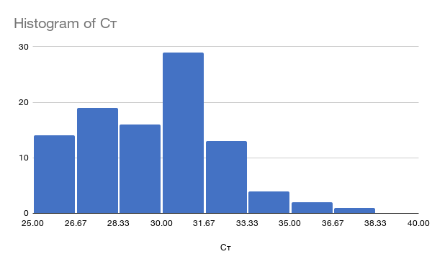
 | qPCR |  |  |  |  |  |  |  |  |  |  |  |  |  |  |  |  |  |  | Pooled Ligations | 20.0
sort | Sample | Well | Cт |  |  |  |  |  |  |  |  |  |  |  |  |  |  |  |  | 1 µM ILL-BC | 6.0
42 | 376 | D6 | 25.468143463 |  |  |  |  |  |  |  |  |  |  |  |  |  |  |  |  | Total | 50.0
92 | 226 | H8 | 25.485359192 |  |  |  |  |  |  |  |  |  |  |  |  |  |  |  |  | x 8 MM
30 | 375 | C6 | 25.806598663
19 | 210 | B7 | 25.874849319
7 | 209 | A7 | 25.952821732
90 | 208 | H6 | 25.966117859
28 | 348 | C4 | 25.99004364
14 | 326 | B2 | 26.07185173
78 | 206 | G6 | 26.116085052
55 | 213 | E7 | 26.217395782
67 | 214 | F7 | 26.244459152
36 | 275 | C12 | 26.447141647
62 | 332 | F2 | 26.489591599
79 | 216 | G7 | 26.604162216
59 | 267 | E11 | 26.792570114
2 | 325 | A2 | 26.792678833
86 | 334 | H2 | 26.803813934
38 | 329 | D2 | 26.822360992
15 | 336 | B3 | 26.94965744
63 | 340 | F3 | 27.154346466 |  | Amplification |  | 15 cycles
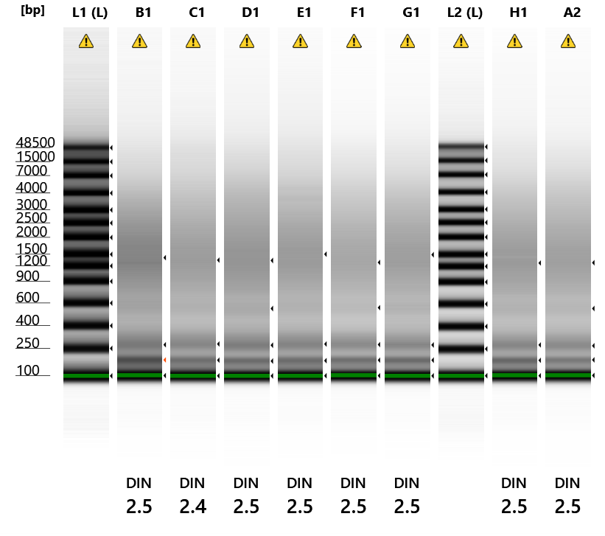
75 | 341 | G3 | 27.212310791
39 | 338 | D3 | 27.258951187
51 | 339 | E3 | 27.503643036
43 | 212 | D7 | 27.529708862
24 | 274 | B12 | 27.619771957
44 | 222 | D8 | 27.619873047
88 | 357 | H4 | 27.629810333
27 | 337 | C3 | 27.691390991
52 | 351 | E4 | 27.766008377
32 | 221 | C8 | 27.969511032
85 | 324 | H1 | 28.137393951
54 | 203 | E6 | 28.183423996
4 | 344 | A4 | 28.210506439
11 | 262 | A11 | 28.424043655
83 | 269 | G11 | 28.430238724
77 | 371 | G5 | 28.549156189
57 | 249 | E9 | 28.704101562
13 | P67 | B1 | 28.80683136
40 | 350 | D4 | 28.843002319
87 | 343 | H3 | 29.155229568
20 | 220 | B8 | 29.233926773
46 | 256 | D10 | 29.251188278
82 | 260 | G10 | 29.267702103
34 | 255 | C10 | 29.334354401
22 | 254 | B10 | 29.343090057
48 | 277 | D12 | 29.4941082
80 | 225 | G8 | 29.61139679 |  | Amplification |  | 17 cycles |  |  |  |  |  |  | Ran again 5/18/23 after TRIzol 4C was unplugged all night
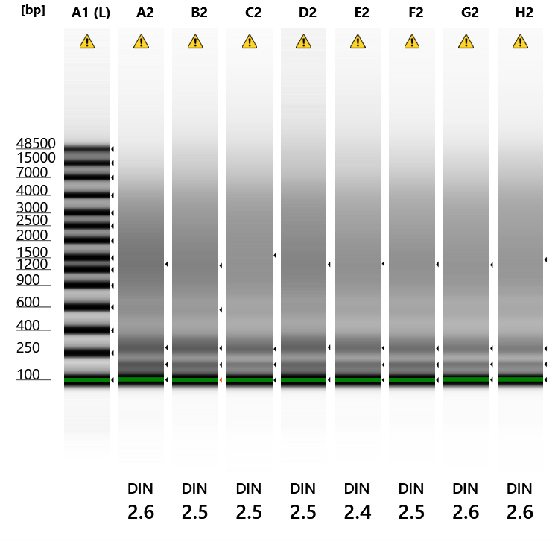
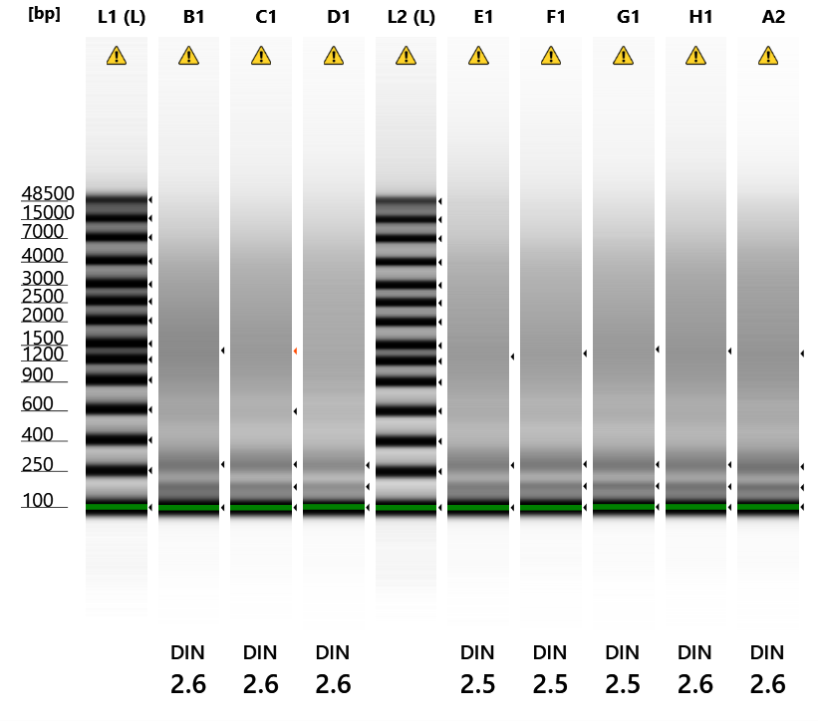
81 | 251 | G9 | 29.819877625
12 | 273 | A12 | 29.977621078
26 | 328 | C2 | 30.052881241
35 | 265 | C11 | 30.138490677
71 | 268 | F11 | 30.161928177
93 | 252 | H9 | 30.179006577
18 | 374 | B6 | 30.270460129
16 | 346 | B4 | 30.340049744
58 | 257 | E10 | 30.366437912
96 | 283 | H12 | 30.378097534
76 | 354 | G4 | 30.398868561
10 | 253 | A10 | 30.405878067
6 | 373 | A6 | 30.52611351
64 | 352 | F4 | 30.533136368
84 | 282 | G12 | 30.656351089
33 | 240 | C9 | 30.722370148
50 | 331 | E2 | 30.726716995
25 | P89 | C1 | 30.77158165
60 | 278 | E12 | 30.808290482
8 | 219 | A8 | 30.8646698
1 | P62 | A1 | 30.948637009
45 | 245 | D9 | 30.951358795
21 | 231 | B9 | 31.021327972
61 | P29B | F1 | 31.028938293
23 | 263 | B11 | 31.170362473
29 | 366 | C5 | 31.266527176
3 | 335 | A3 | 31.427904129
89 | 372 | H5 | 31.589756012
94 | 261 | H10 | 31.600650787
31 | 211 | C7 | 31.608427048
72 | 280 | F12 | 31.611478806
73 | 321 | G1 | 31.703924179
69 | 250 | F9 | 31.755729675
41 | 368 | D5 | 31.799413681
70 | 258 | F10 | 32.17080307
56 | 223 | E8 | 32.207359314
5 | 356 | A5 | 32.209018707
91 | 218 | H7 | 32.275627136 | *
95 | 271 | H11 | 32.31640625
47 | 266 | D11 | 32.457996368
74 | 333 | G2 | 32.470104218
37 | P201 | D1 | 32.578624725
9 | 228 | A9 | 32.651844025
53 | 369 | E5 | 32.951774597
17 | 360 | B5 | 33.662319183
66 | 205 | F6 | 33.808742523
65 | 370 | F5 | 33.815349579
68 | 224 | F8 | 33.921207428
49 | P2 H5 | E1 | 35.321201324 | **
98 | NTC | B1 | 35.931037903
97 | NTC | A1 | 36.984470367

 | * reran qPCR |  | ** reran ligation

plate 2
 | 3illBC-1 | 3illBC-2 | 3illBC-3 | 3illBC-4 | 3illBC-5 | 3illBC-6 | 3illBC-7 | 3illBC-8 | 3illBC-9 | 3illBC-10 | 3illBC-11 | 3illBC-12 |  |  |  | 1. Digest |  |  |  | 3. qPCR
 | 1 | 2 | 3 | 4 | 5 | 6 | 7 | 8 | 9 | 10 | 11 | 12 |  |  |  | Component | per rxn | 96 rxns (+error) |  | Reagent | per rxn | 96 rxns (+NTC)
A | 284 | 293 | 386 | P1 D7 | 320 | 355 | 202 | 234 | 259 | 270 | 237 | 376 | ILL-BC-23 | Samples = | 96 | NFW | 0.8 | 84.5 |  | NFW | 5.53 | 602
B | 285 | 294 | 387 | P1 E1 | 322 | 359 | 204 | 235 | 276 | 290 | 241 | 376 | ILL-BC-24 | Rows = | 8 | NEB Buffer #3 | 0.6 | 63.4 |  | SYBR Green Master Mix | 7.5 | 817
C | 286 | 379 | 388 | P1 E2 | 323 | 361 | 207 | 236 | 279 | P1 G3 | 243 | 226 | ILL-BC-25 | Columns = | 12 | BcgI (2 U µl-1) | 0.6 | 63.4 |  | 10 µM TruSeq_UN 2 | 0.07 | 7.6
D | 287 | 380 | 389 | P106 | 330 | 362 | 215 | 238 | 385 | 327 | 246 | 226 | ILL-BC-26 |  |  | Total | 1.2 | 126.7 |  | 1 µM ILL-BC 23 | 0.7 | 76.2
E | 288 | 381 | 390 | P117 | 342 | 363 | 217 | 239 | 295 | 347 | 264 | 375 | ILL-BC-27 |  |  |  |  |  |  | 10 µM IC1-P5 | 0.1 | 10.9
F | 289 | 382 | 391 | P2 H5 | 345 | 367 | 227 | 244 | P1 D12 | 364 | 272 | 375 | ILL-BC-28 |  |  | 2a. Ligation Adaptor 1 |  |  |  | 10 µM IC1-P7 | 0.1 | 10.9
G | 291 | 383 | sperm | P23A | 349 | 378 | 229 | 247 | 377 | 365 | sperm | 210 | ILL-BC-29 |  |  | Adapter 1 Component | per rxn | 96 rxns (+error) |  | Total | 14 | 1524.6
H | 292 | 384 | 389 IIRC | 319 | 353 | 201 | 233 | 248 | 230 | 232 | sperm | 210 | ILL-BC-30 |  |  | 5ILL-NNRW | 0.5 | 52.8
 |  |  |  |  |  |  |  |  |  |  |  |  |  |  |  | Anti5ill-NNRW | 0.5 | 52.8 |  | 4a. Test Amplification
 |  |  |  |  |  |  |  |  |  |  |  | TruSeq = | 2 |  |  | Adapter 1 | 1 | 105.6 |  | Reagent | per rxn | 8 rxns (+error)
 | Dilutions |  |  |  |  |  |  |  |  |  |  |  |  |  |  |  |  |  |  | NFW | 9.7 | 85.4
 | NFW |  |  |  |  |  |  |  |  |  |  |  |  |  |  | 2b. Ligation Adaptor 2 |  |  |  | dNTPs 2.5 mM ea | 0.4 | 3.5
 | 1 | 2 | 3 | 4 | 5 | 6 | 7 | 8 | 9 | 10 | 11 | 12 |  |  |  | Adapter 2 Component | per rxn | 96 rxns (+error) |  | 10 µM IC1-P5 | 0.4 | 3.5
A | 13.8 | 14.1 | 30.7 | 3.3 | 2.1 | 11.9 | 13.3 | 30.7 | 6.6 | 1.0 | 3.2 | 0.0 |  |  |  | 3illBC 1 | 0.5 | 4.4 |  | 10 µM IC1-P7 | 0.4 | 3.5
B | 15.0 | 14.7 | 14.7 | 9.5 | 14.4 | 7.7 | 10.4 | 1.5 | 12.4 | 1.9 | 0.0 | 0.0 |  |  |  | Anti-ill-BC 1 | 0.5 | 4.4 |  | 1 µM ILL-BC 23 | 2.4 | 21.1
C | 11.5 | 14.6 | 14.4 | 0.0 | 7.4 | 9.5 | 12.3 | 7.3 | 2.2 | 2.8 | 3.7 | 0.0 |  |  |  | Adapter 2 | 1 | 8.8 |  | 10 µM TruSeq_UN 2 | 0.3 | 2.6
D | 9.1 | 14.6 | 14.1 | 0.0 | 7.0 | 3.1 | 13.9 | 0.0 | 30.7 | 2.7 | 3.5 | 0.0 |  |  |  | x 12 3illBC |  |  |  | 10x Titanium buffer | 2.0 | 17.6
E | 13.8 | 13.6 | 14.5 | 14.6 | 4.2 | 7.0 | 14.7 | 0.0 | 7.5 | 4.3 | 0.0 | 0.0 |  |  |  |  |  |  |  | Titanium Taq | 0.4 | 3.5
F | 10.2 | 30.2 | 30.7 | 0.0 | 13.4 | 13.0 | 30.3 | 6.5 | 1.8 | 0.0 | 4.1 | 0.0 |  |  |  | 2c. Ligation Master Mix |  |  |  | Total | 16.0 | 140.8
G | 30.4 | 14.3 | 62.8 | 14.9 | 7.5 | 12.2 | 9.8 | 5.8 | 2.6 | 0.0 | 0.0 | 0.0 |  |  |  | Component | per rxn | 8 rxns (+error) | 12 MM (+error)
H | 14.5 | 14.9 | 3.7 | 2.4 | 13.0 | 13.9 | 13.1 | 8.5 | 0.0 | 3.9 | 0.0 | 0.0 |  |  |  | 10x T4 ligase buffer | 2 | 17.6 | 211.2 | 4b. Amplification Master Mix
 |  |  |  |  |  |  |  |  |  |  |  |  |  |  |  | Adaptor 1 (5 μM) | 1 | 8.8 | 105.6 | Reagent | per rxn | 8 pools (+error)
 | DNA |  |  |  |  |  |  |  |  |  |  |  |  |  |  | T4 DNA ligase | 1 | 8.8 | 105.6 | NFW | 14.4 | 126.7
 | 1 | 2 | 3 | 4 | 5 | 6 | 7 | 8 | 9 | 10 | 11 | 12 |  |  |  | Total: | 4 | 35.2 | 422.4 | dNTPs 2.5 mM ea | 1 | 8.8
A | 2.2 | 1.9 | 1.3 | 12.7 | 13.9 | 4.1 | 2.7 | 1.3 | 9.4 | 7.0 | 4.8 | 5 (P1 D6) |  |  |  |  |  |  |  | 10 µM IC1-P5 | 1 | 8.8
B | 1.0 | 1.3 | 1.3 | 6.5 | 1.6 | 8.3 | 5.6 | 14.5 | 3.6 | 6.1 | 8.0 | 5 (P1 D6) |  |  |  | 2d. Ligation |  |  |  | 10 µM IC1-P7 | 1 | 8.8
C | 4.5 | 1.4 | 1.6 | 16.0 | 8.6 | 6.5 | 3.7 | 8.7 | 13.8 | 5.2 | 4.3 | 5 (P1 H8) |  |  |  | Component | per rxn | 8 rxns (+error) |  | 10 µM TruSeq_UN 2 | 0.6 | 5.3
D | 6.9 | 1.4 | 1.9 | 16.0 | 9.0 | 12.9 | 2.1 | 16.0 | 1.3 | 5.3 | 4.5 | 5 (P1 H8) |  |  |  | NFW | 15 | 126.0 |  | 10x Titanium buffer | 5.0 | 44.0
E | 2.2 | 2.4 | 1.5 | 1.4 | 11.8 | 9.0 | 1.3 | 16.0 | 8.5 | 3.7 | 8.0 | 5 (P1 C6) |  |  |  | Ligation Master Mix | 4 | 33.6 |  | Titanium Taq | 1 | 8.8
F | 5.8 | 1.8 | 1.3 | 5 (P1 E1) | 2.6 | 3.0 | 1.7 | 9.5 | 6.2 | 8.0 | 3.9 | 5 (P1 C6) |  |  |  | Adapter 2 (5 μM) | 1 | 8.4 |  | Total | 24.0 | 211.2
G | 1.6 | 1.7 | 1.2 | 1.1 | 8.5 | 3.8 | 6.3 | 10.2 | 5.4 | 8.0 | 5 (P2 G3) | 5 (P1 B7) |  |  |  | Total | 20 | 168.0
H | 1.5 | 1.1 | 12.3 | 13.6 | 3.0 | 2.1 | 2.9 | 7.5 | 8.0 | 4.1 | 5 (P2 G3) | 5 (P1 B7) |  |  |  | x 12 MM |  |  |  | 4c. Amplification
 |  |  |  |  |  |  |  |  |  |  |  |  |  |  |  |  |  |  |  | Reagent | per pool
 |  |  |  |  |  |  |  |  |  |  |  |  |  |  |  |  |  |  |  | Amplification Master Mix | 24.0
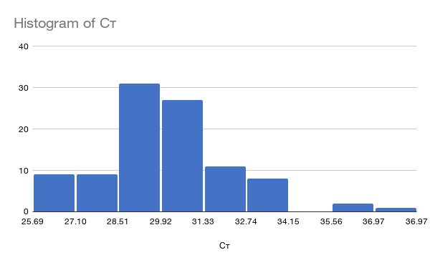
 | qPCR |  |  |  |  |  |  |  |  |  |  |  |  |  |  |  |  |  |  | Pooled Ligations | 20.0
sort | Sample | Well | Cт |  |  |  |  |  |  |  |  |  |  |  |  |  |  |  |  | 1 µM ILL-BC | 6.0
62 | 382 | F2 | 25.69273 |  |  |  |  |  |  |  |  |  |  |  |  |  |  |  |  | Total | 50.0
74 | 383 | G2 | 25.70074 |  |  |  |  |  |  |  |  |  |  |  |  |  |  |  |  | x 8 MM
5 | 320 | A5 | 25.79226
43 | 215 | D7 | 25.97511
3 | 386 | A3 | 26.00388
84 | 210 | G12 | 26.01285
86 | 384 | H2 | 26.37143
96 | 210 | H12 | 26.91942
52 | P117 | E4 | 27.04224
36 | 226 | C12 | 27.13614
89 | 353 | H5 | 27.27670
48 | 226 | D12 | 27.28559
27 | 388 | C3 | 27.55993
91 | 233 | H7 | 27.59787 | *
50 | 381 | E2 | 27.61355
38 | 380 | D2 | 27.96743
15 | 387 | B3 | 27.98729
31 | 207 | C7 | 28.26303
16 | P1 E1 | B4 | 28.51605
28 | P1 E2 | C4 | 28.58556 |  | Amplification |  | 17 cycles
30 | 361 | C6 | 28.61740
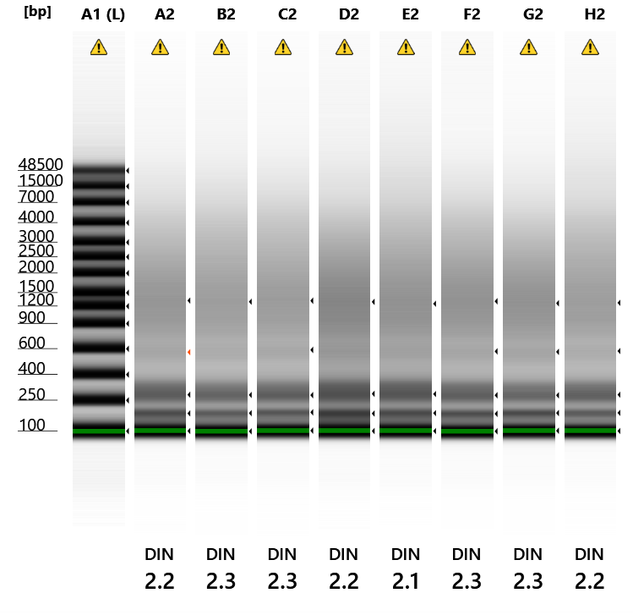
6 | 355 | A6 | 28.65182
55 | 217 | E7 | 28.67178
80 | 247 | G8 | 28.73387
14 | 294 | B2 | 28.80056
54 | 363 | E6 | 28.81140
8 | 234 | A8 | 28.96223
76 | P23A/B | G4 | 28.97255
42 | 362 | D6 | 28.97601
33 | 279 | C9 | 29.04064
32 | 236 | C8 | 29.04732
20 | 235 | B8 | 29.06642
25 | 286 | C1 | 29.11782
77 | 349 | G5 | 29.12053
44 | 238 | D8 | 29.12315
92 | 248 | H8 | 29.13011
88 | 319 | H4 | 29.18954
78 | 378 | G6 | 29.23920
18 | 359 | B6 | 29.45621
19 | 204 | B7 | 29.56679
87 | 389 IIRC | H3 | 29.61769
2 | 293 | A2 | 29.67286
72 | 375 | F12 | 29.68315
56 | 239 | E8 | 29.72914
66 | 367 | F6 | 29.75233
79 | 229 | G7 | 29.77232
9 | 259 | A9 | 29.85790
53 | 342 | E5 | 29.89415
41 | 330 | D5 | 29.91453
67 | 227 | F7 | 29.92764
21 | 276 | B9 | 29.94356
49 | 288 | E1 | 30.03649
69 | P1 D12 | F9 | 30.08047
45 | 385 | D9 | 30.08784
60 | 375 | E12 | 30.08861
68 | 244 | F8 | 30.09792
1 | 284 | A1 | 30.21025
37 | 287 | D1 | 30.29737
83 | sperm | G11 | 30.30214
17 | 322 | B5 | 30.30532
85 | 292 | H1 | 30.41603
94 | 232 | H10 | 30.45043
51 | 390 | E3 | 30.49815
75 | sperm | G3 | 30.51773
29 | 323 | C5 | 30.55289
39 | 389 | D3 | 30.62948
61 | 289 | F1 | 30.67502
95 | sperm | H11 | 30.75444
65 | 345 | F5 | 30.76563
11 | 237 | A11 | 30.79525
47 | 246 | D11 | 31.03142
26 | 379 | C2 | 31.10516
35 | 243 | C11 | 31.22017
58 | 347 | E10 | 31.22388
4 | P1 D7 | A4 | 31.27887
40 | P106 | D4 | 31.29841
46 | 327 | D10 | 31.33812
10 | 270 | A10 | 31.36546
13 | 285 | B1 | 31.38531
63 | 391 | F3 | 31.56608
81 | 377 | G9 | 31.62833
90 | 201 | H6 | 31.63524 | *
71 | 272 | F11 | 31.86782
93 | 230 | H9 | 32.23254 | *
73 | 291 | G1 | 32.30253
82 | 365 | G10 | 32.43234
23 | 241 | B11 | 32.63121
24 | 376 | B12 | 32.88923
12 | 376 | A12 | 32.97500
64 | P2 H5 | F4 | 32.97821
70 | 364 | F10 | 33.08119
59 | 264 | E11 | 33.41926
22 | 290 | B10 | 33.52112
57 | 295 | E9 | 33.63297
7 | 202 | A7 | 33.67962
34 | P1 G3 | C10 | 35.65424 | **
97 | NTC |  | 36.06513
98 | NTC |  | 36.96597

 | * reran qPCR |  | ** reran ligation

