PetriDish6
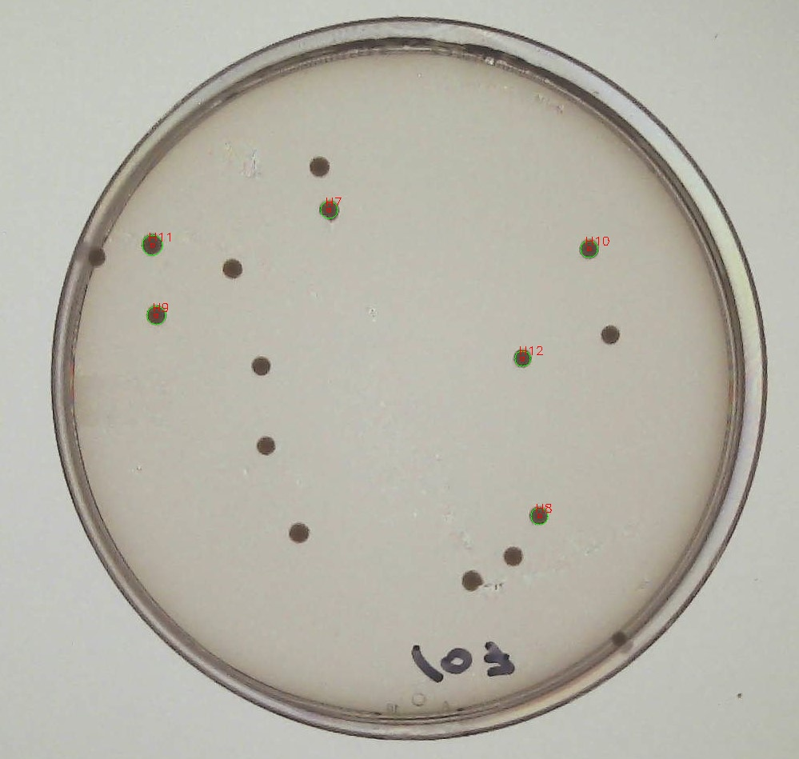
Metadata for Petri Dish 6
A1 | 383.81188563 | -69.473754675
A2 | 431.19460455 | -35.229919175
A3 | 400.07347997 | -97.5924659
A4 | 389.77432925 | -27.05297655
A5 | 389.20011145 | -98.25557735
A6 | 406.80738193 | -37.96060015

