Our Story
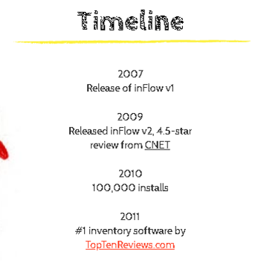
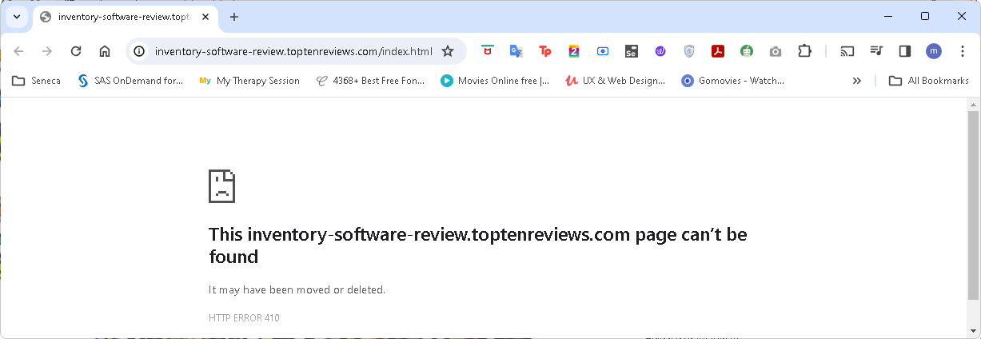
 |  | https://www.archonsystems.com/story.html

1.) | The link "TopTenReviews.com", when clicked shows HTTP Error 410

Our Culture
 |  | https://www.archonsystems.com/culture.html

1.) | The background images can be highlighted, selected and be copied. This was observed from both Our Culture and Our Career page.
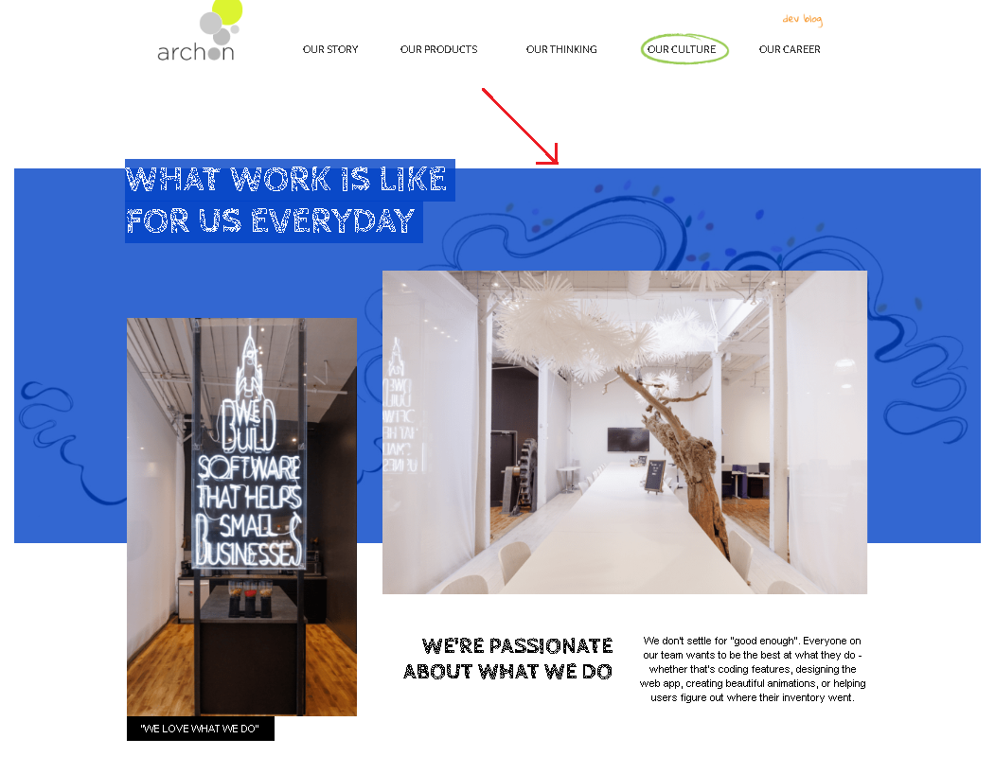

2.) | There is a substantial whitespace at the bottom of the page. It only existed in this page compared to the others.
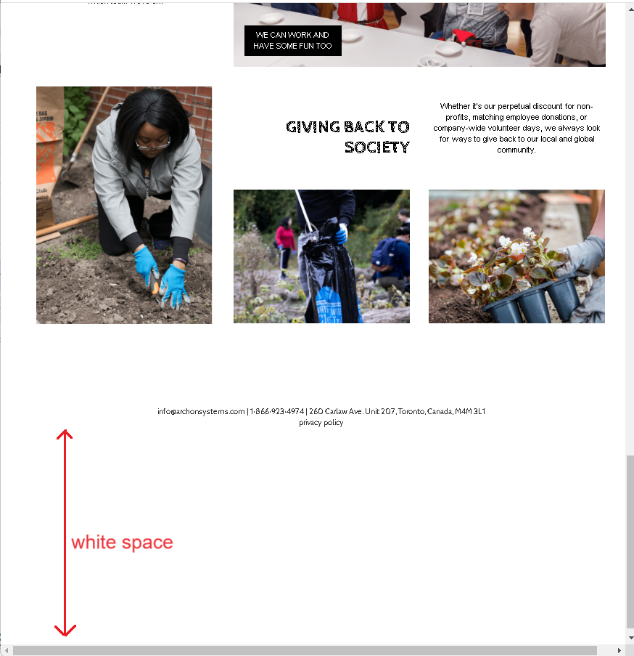

3. Under Our Story page, TopTenReviews.com link direct users to an invalid (or deleted) page. HTTP Error 410
https://www.archonsystems.com/story.html

Our Career
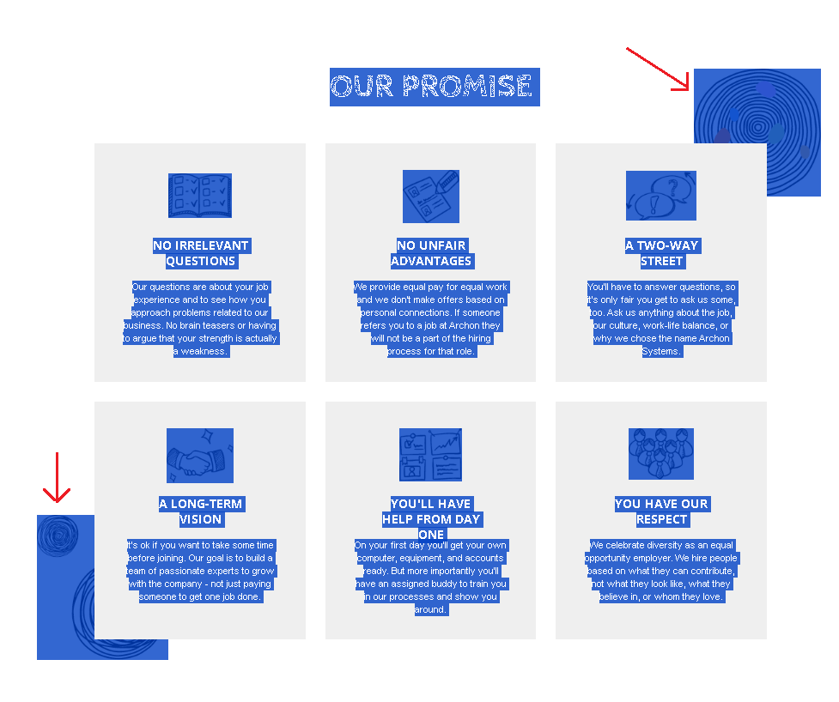
 |  | https://www.archonsystems.com/career.html

1.) | Bottom details has different font and is not consistent with the rest of the pages.
2.) | "privacy policy" link is missing.
(please refer to images below)

Our Career

compared against Our Story (same goes for other pages)

3.) | The background images can be highlighted, selected and be copied. This was observed from both Our Culture and Our Career page.

Dev Blog
 |  | https://www.archonsystems.com/devblog

1.) | The gray colored theme makes the pageand the buttons look like "disabled".
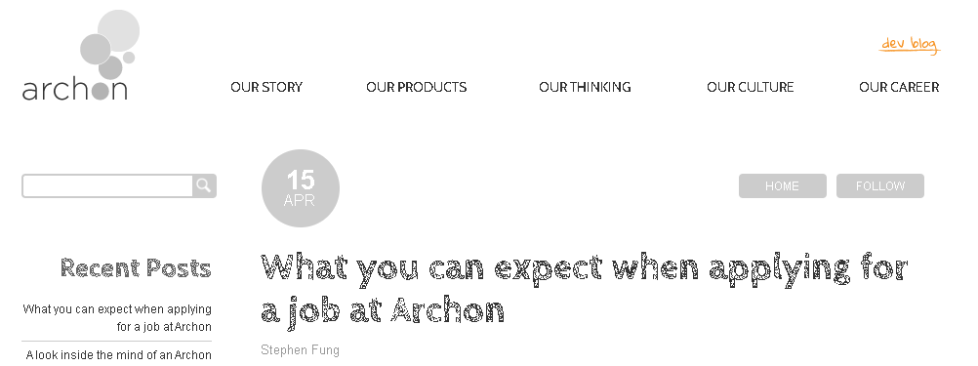

2.) | "Follow" buttons not working. Throwing an error.
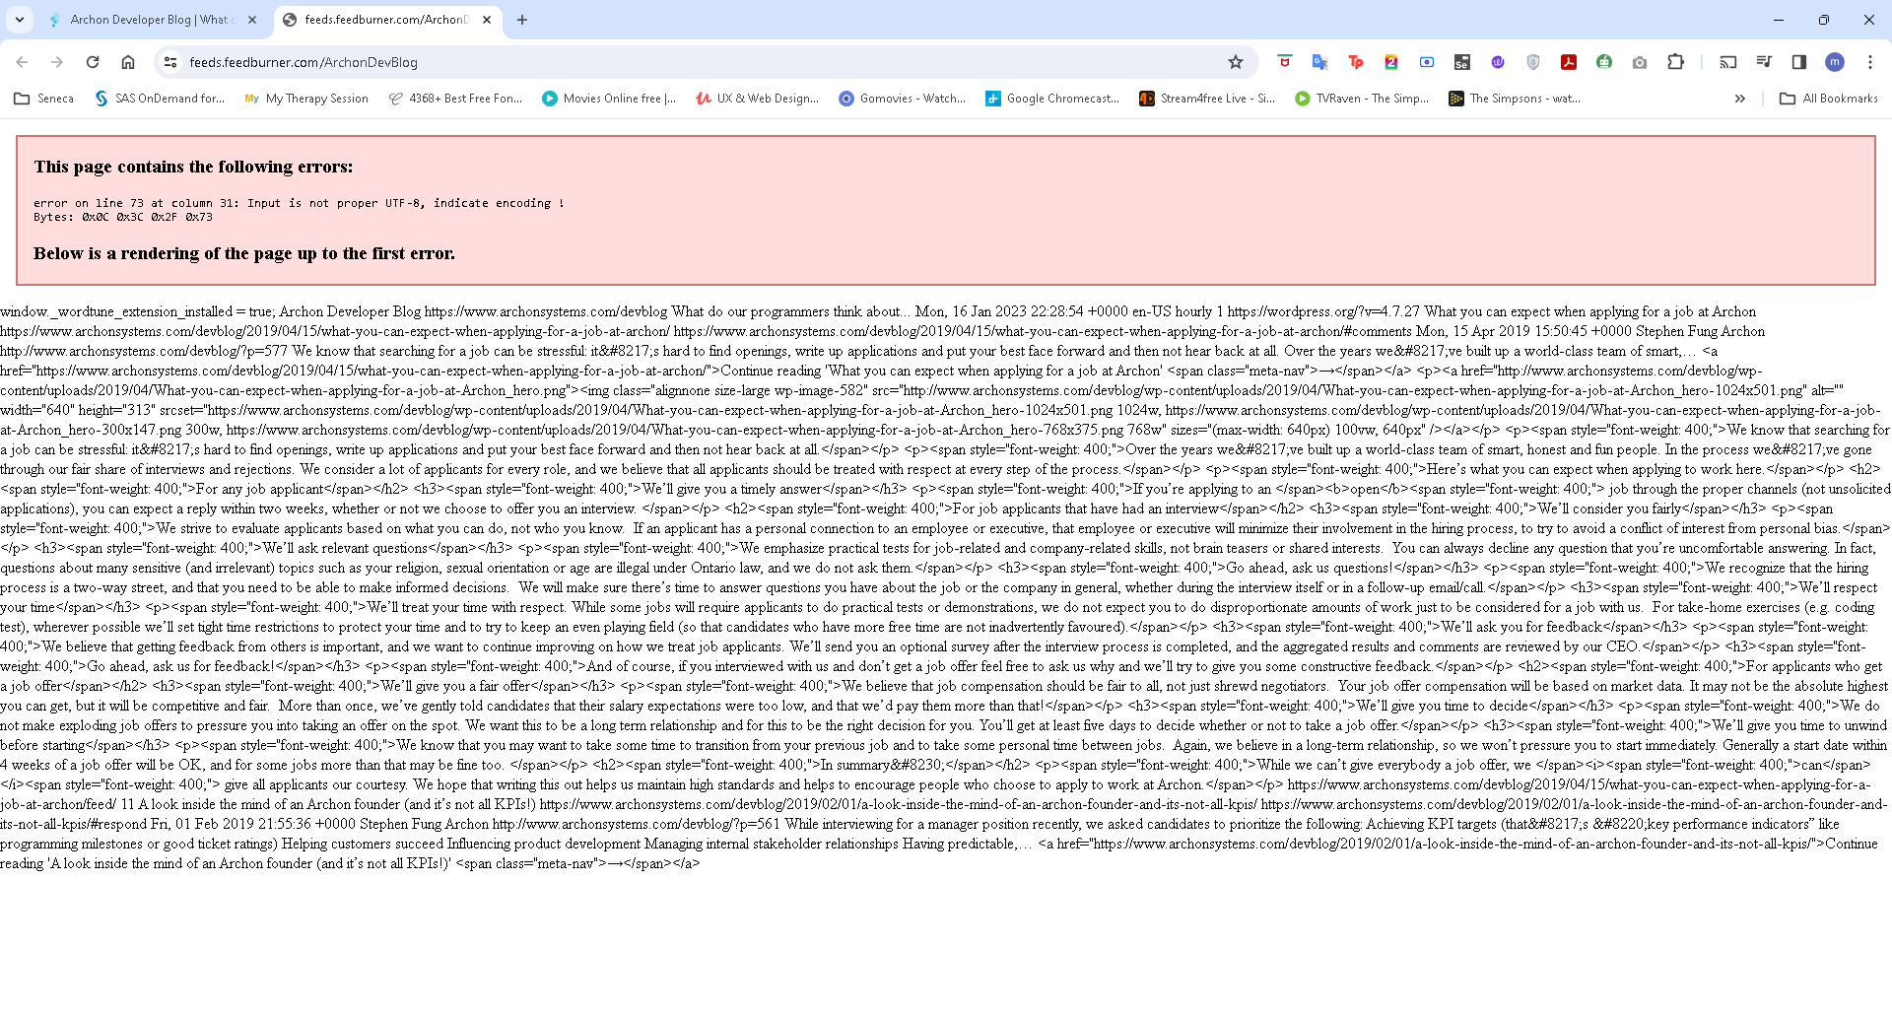

3.) | The textfield resizer in the Comments section should be disabled for users.
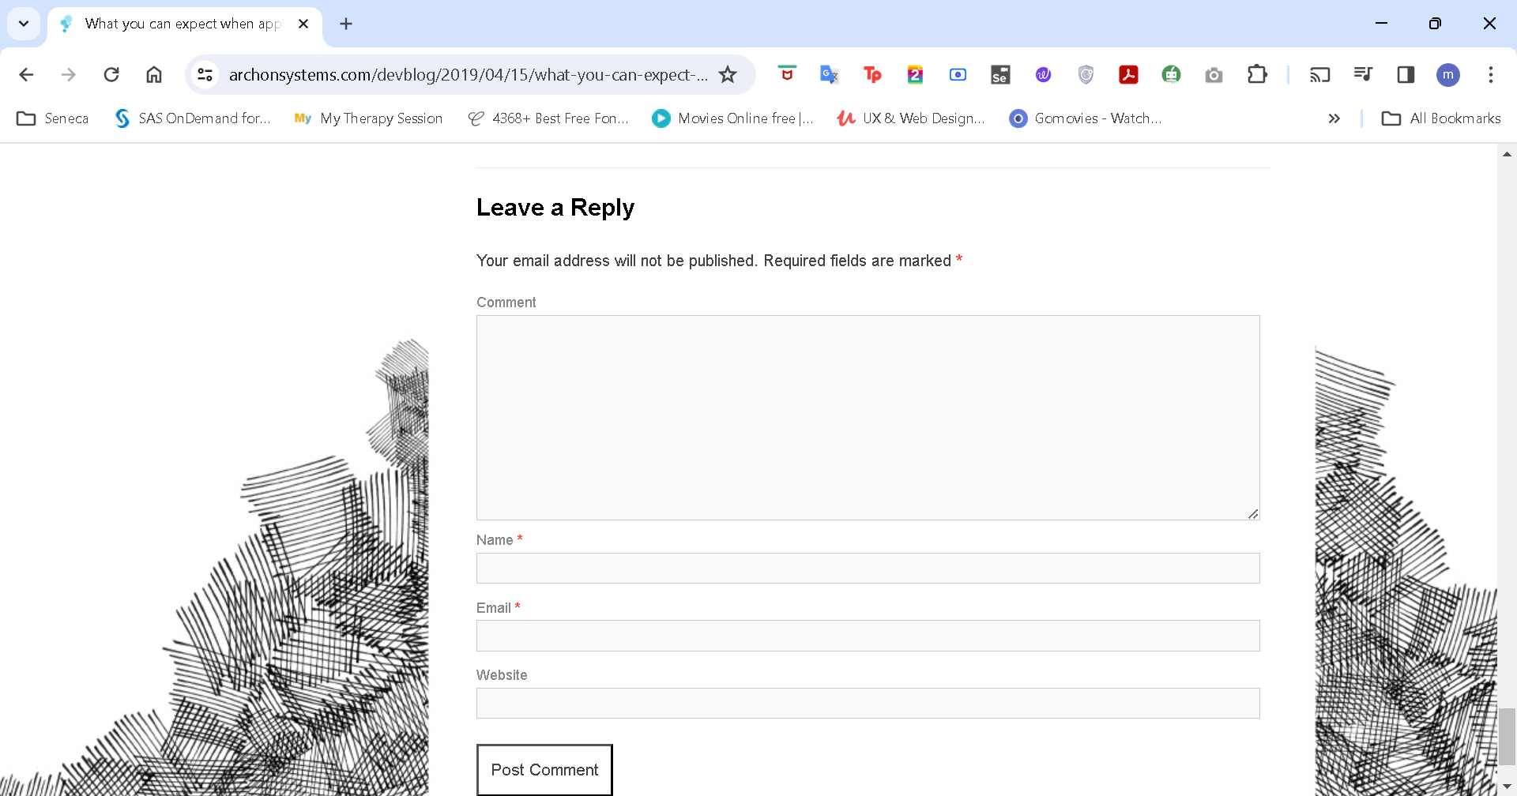

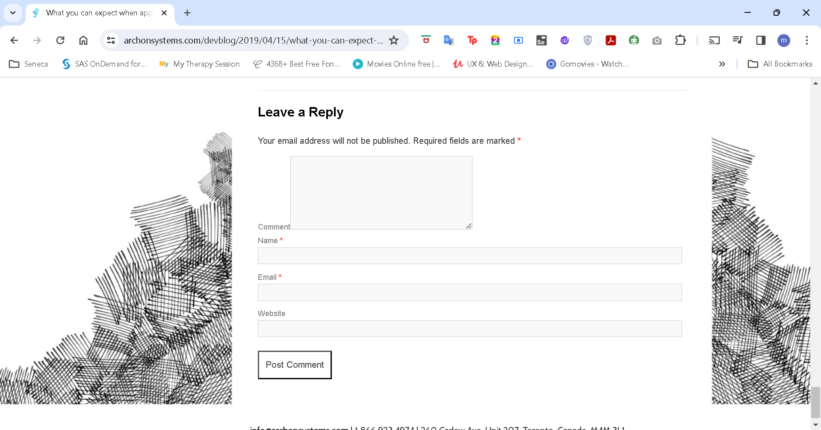

4.) | "privacy policy" link is missing from the bottom details.

