Metric
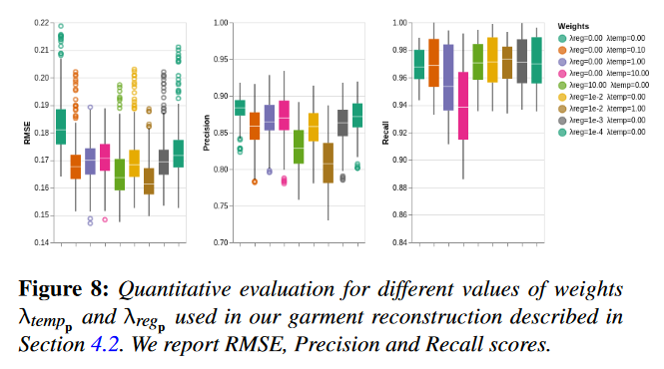
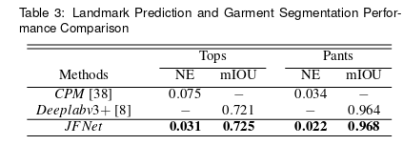
jfnet

PHORHUM

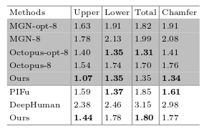

BCNET | MED cm |  | Error cm

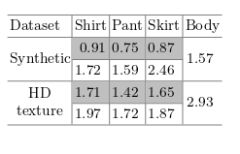

SCARF | PSNR (Peak Signal-to-Noise Ratio) |  | SSIM (Structural Similarity Index): -1 to 1 | LPIPS (Learned Perceptual Image Patch Similarity):

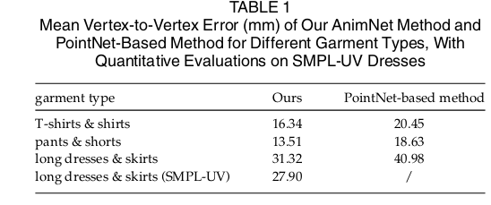

Deepcloth |  | they reconstruct the mesh information of human and cloth and then try to add variations
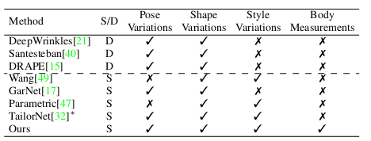

Deep\Draper |  | here the style on the garment is changed by extracting the body model and adding different variations
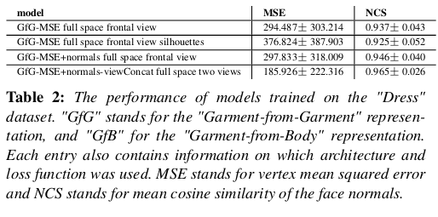
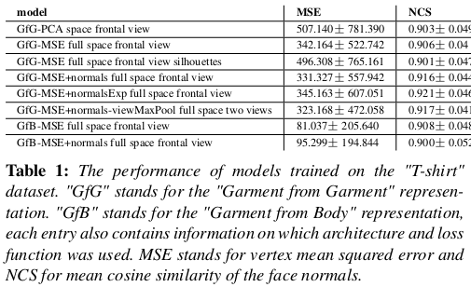

Deep Garment |  | they have templet meshes which don’t look exact but the segmentation and extraction method looks good

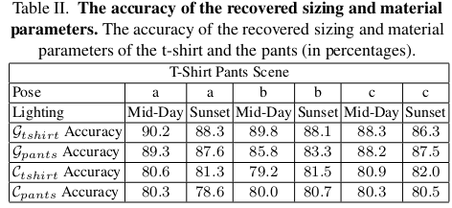

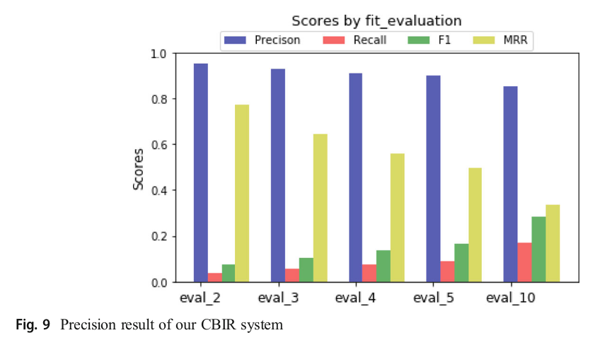
cloth cap | does clothing capture and retargetting from 3d scans

detailed garmet recovery

Detailed wrinkel generation
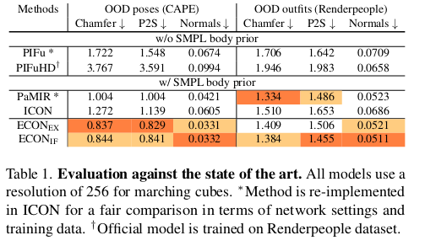
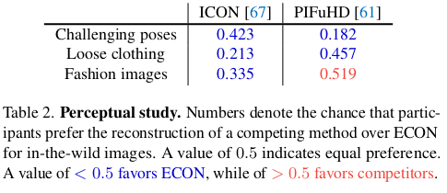

ECON

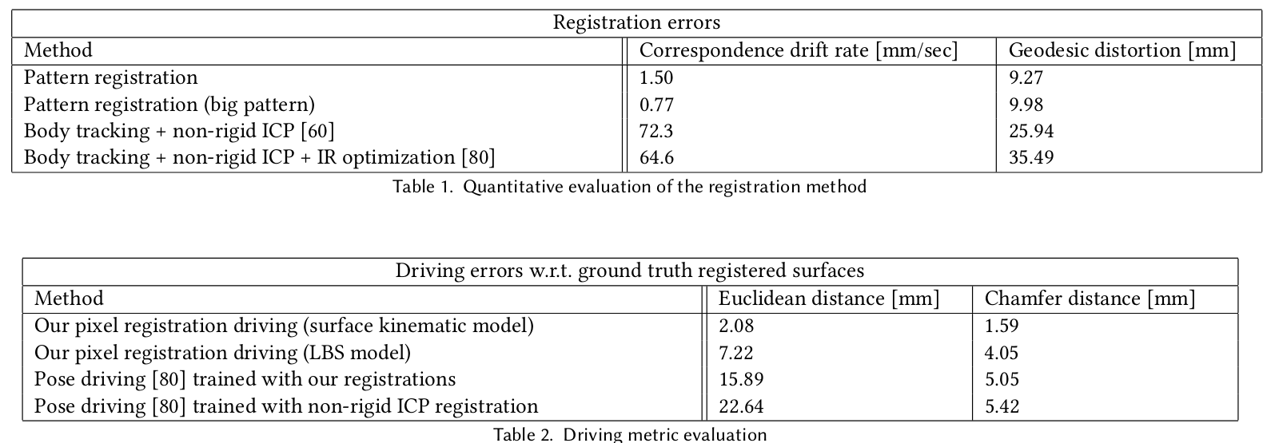

Garment Avatars: Realistic Cloth Driving using Pattern Registration

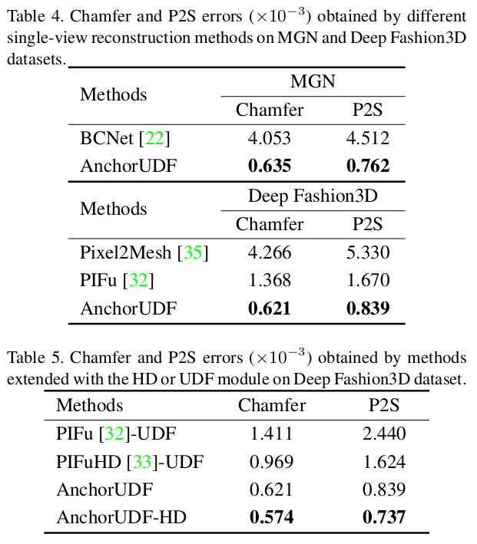

Garment 4d

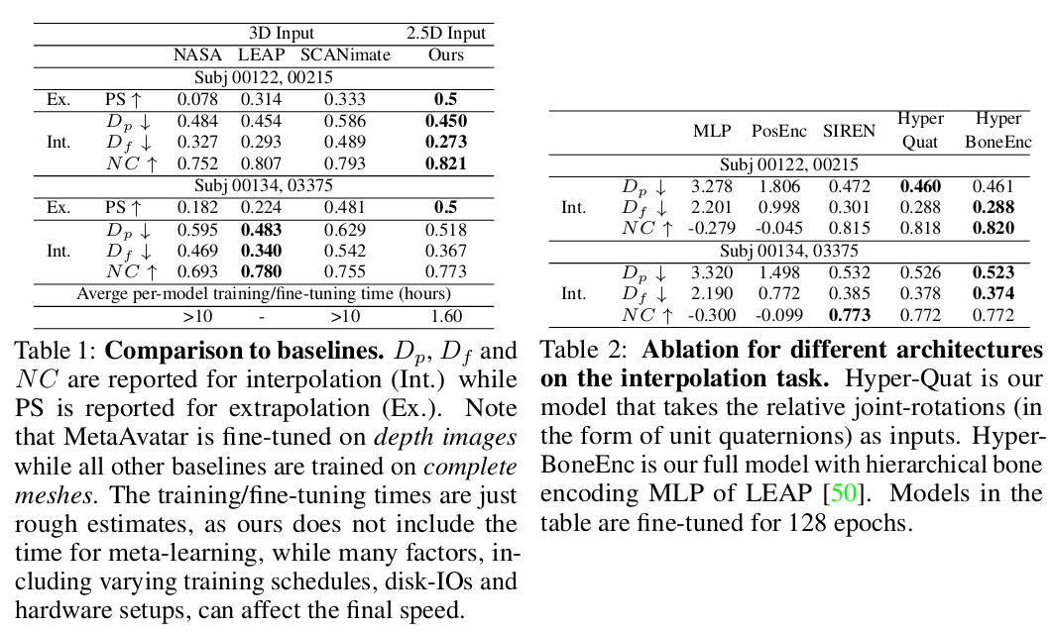

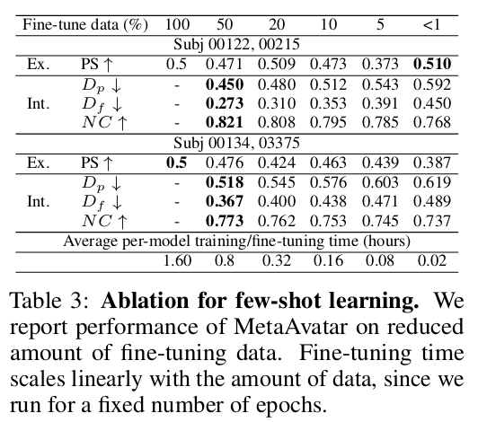

layerd garment net

anchorUDF

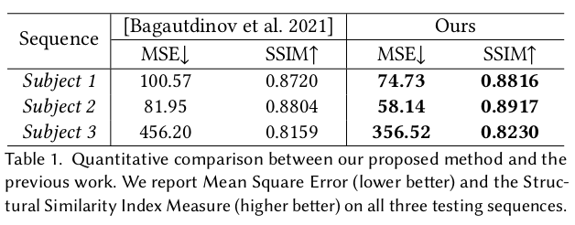

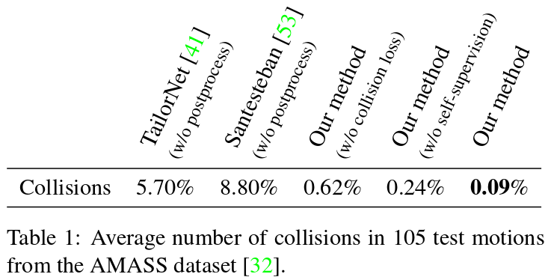
meta Avatar

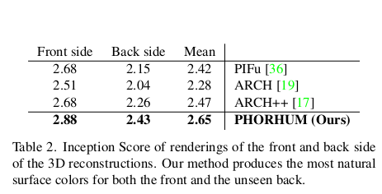

Modeling Clothing as a Separate Layer for an Animatable Human Avatar

Self-Supervised Collision Handling via Generative 3D Garment Models for Virtual Try-On
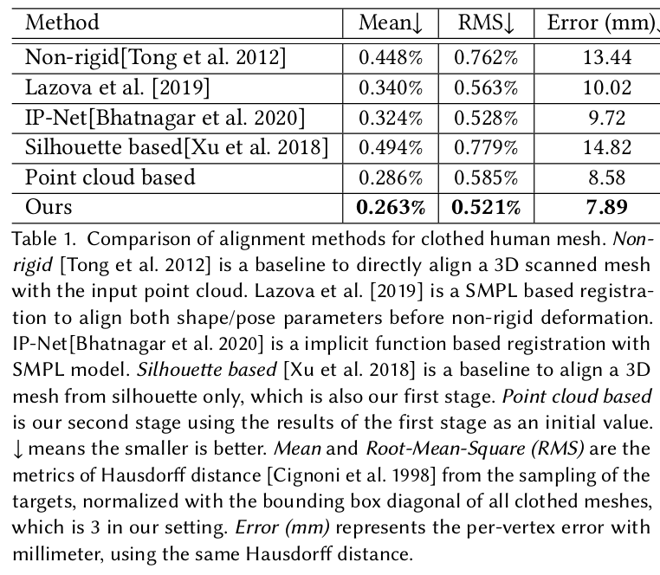

PHORHUM

tightcap

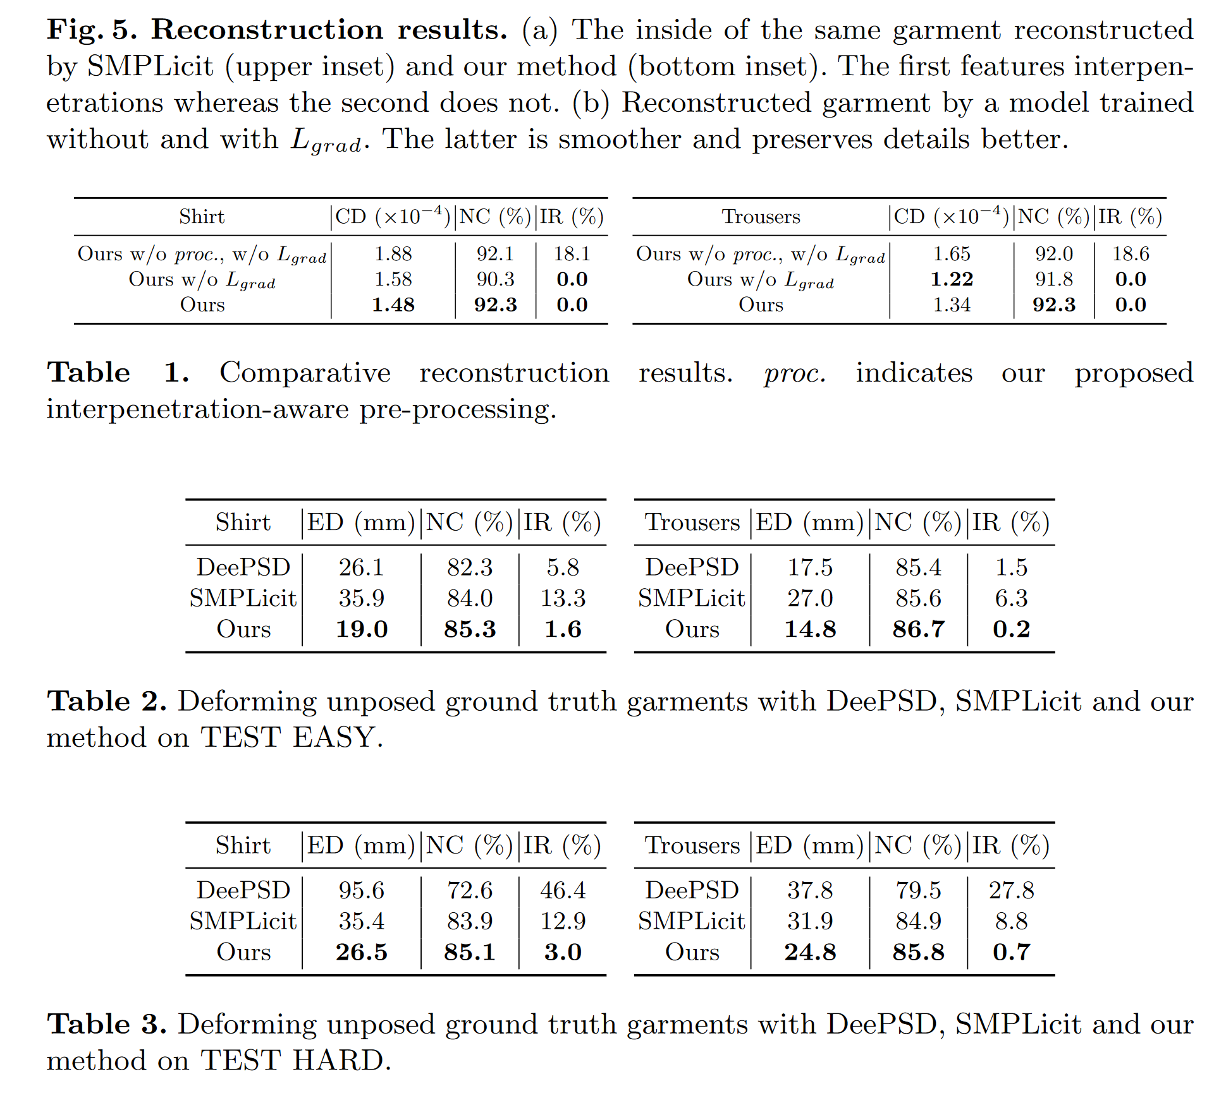

DIG

xcloth

Structure-Preserving 3D Garment Modeling with Neural Sewing Machines

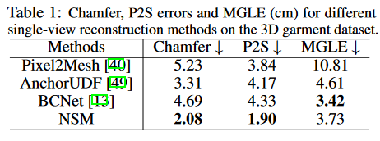

robust 3d garment

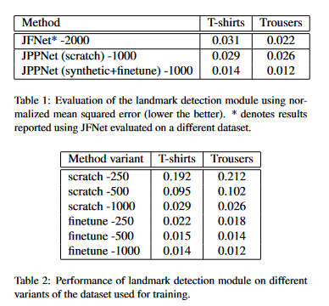
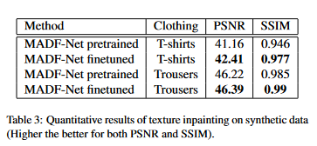

Pregamo

