GlobalSoil
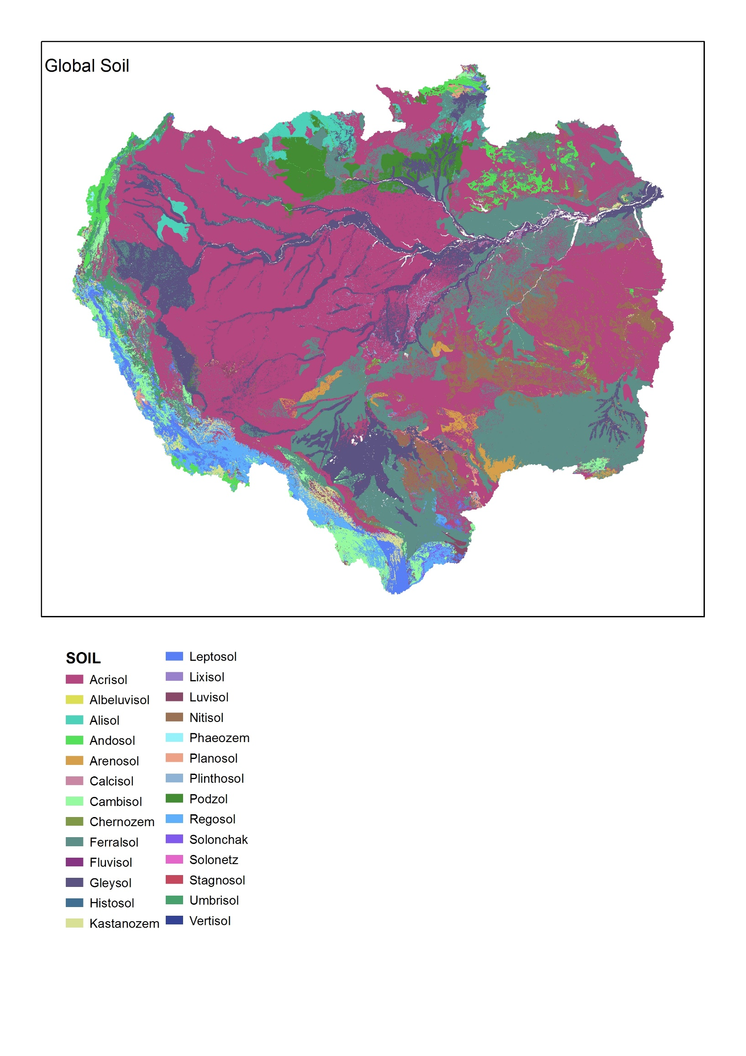
 | GlobalSoilData 1km | Données à l'échelle du pixel 1km x 1km
 |  | Pour chaque pixel, Code du sol ayant la plus forte probabilité d'occurrence

ISRIC – World Soil Information, 2013. SoilGrids: an automated system for global soil mapping. |  | J'ai calculé le % de surface couverte dans le bassin versant pour chaque type de sol
Available for download at http://soilgrids1km.isric.org.
 |  | Si la somme ne fait pas 100%,
TAXGWRB Predicted classes (as integers) |  | c'est lié à l'absence de données en aval sur le chenal central de l'Amazone
TAXGWRB_Acrisols Predicted probability of occurence (0-100%) for class Acrisols |  | zones en blanc sur la carte
TAXGWRB_Albeluvisols Predicted probability of occurence (0-100%) for class Albeluvisols
TAXGWRB_Alisols Predicted probability of occurence (0-100%) for class Alisols
TAXGWRB_Andosols Predicted probability of occurence (0-100%) for class Andosols
TAXGWRB_Anthrosols Predicted probability of occurence (0-100%) for class Anthrosols
TAXGWRB_Arenosols Predicted probability of occurence (0-100%) for class Arenosols
TAXGWRB_Calcisols Predicted probability of occurence (0-100%) for class Calcisols
TAXGWRB_Cambisols Predicted probability of occurence (0-100%) for class Cambisols
TAXGWRB_Chernozems Predicted probability of occurence (0-100%) for class Chernozems
TAXGWRB_Cryosols Predicted probability of occurence (0-100%) for class Cryosols
TAXGWRB_Durisols Predicted probability of occurence (0-100%) for class Durisols
TAXGWRB_Ferralsols Predicted probability of occurence (0-100%) for class Ferralsols
TAXGWRB_Fluvisols Predicted probability of occurence (0-100%) for class Fluvisols
TAXGWRB_Gleysols Predicted probability of occurence (0-100%) for class Gleysols
TAXGWRB_Gypsisols Predicted probability of occurence (0-100%) for class Gypsisols
TAXGWRB_Histosols Predicted probability of occurence (0-100%) for class Histosols
TAXGWRB_Kastanozems Predicted probability of occurence (0-100%) for class Kastanozems
TAXGWRB_Leptosols Predicted probability of occurence (0-100%) for class Leptosols
TAXGWRB_Lixisols Predicted probability of occurence (0-100%) for class Lixisols
TAXGWRB_Luvisols Predicted probability of occurence (0-100%) for class Luvisols
TAXGWRB_Nitisols Predicted probability of occurence (0-100%) for class Nitisols
TAXGWRB_Phaeozems Predicted probability of occurence (0-100%) for class Phaeozems
TAXGWRB_Planosols Predicted probability of occurence (0-100%) for class Planosols
TAXGWRB_Plinthosols Predicted probability of occurence (0-100%) for class Plinthosols
TAXGWRB_Podzols Predicted probability of occurence (0-100%) for class Podzols
TAXGWRB_Podzoluvisols Predicted probability of occurence (0-100%) for class Podzoluvisols
TAXGWRB_Regosols Predicted probability of occurence (0-100%) for class Regosols
TAXGWRB_Solonchaks Predicted probability of occurence (0-100%) for class Solonchaks
TAXGWRB_Solonetz Predicted probability of occurence (0-100%) for class Solonetz
TAXGWRB_Stagnosols Predicted probability of occurence (0-100%) for class Stagnosols
TAXGWRB_Umbrisols Predicted probability of occurence (0-100%) for class Umbrisols
TAXGWRB_Vertisols Predicted probability of occurence (0-100%) for class Vertisols

Soterlac
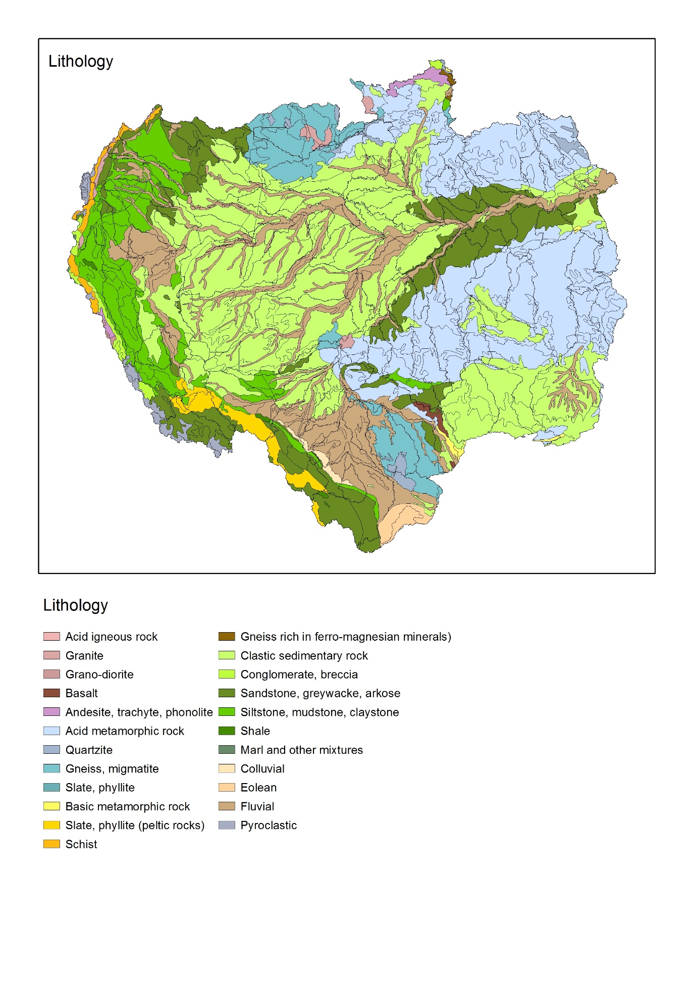
 | Soil and Terrain Database for Latin America and the Caribbean
 | SOTER Latin America and the Caribbean (SOTERLAC)
 |  |  | Données à l'échelle 1:5 million
http://geonode.isric.org/layers/geonode:soter_lac_map_unit |  |  | Intersection des zones avec les bassins-versants
ISRIC report 2005
 |  |  | 2 types d'informations : Soil et Lithology
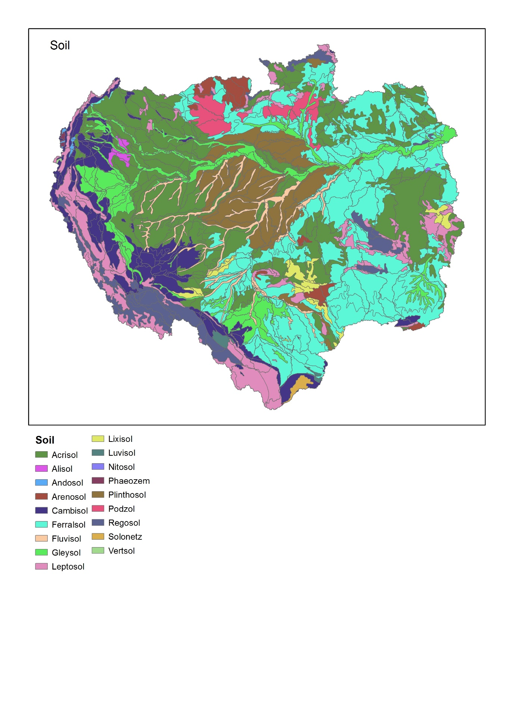
J'ai calculé le % de surface couverte dans le bassin versant pour chaque type de sol ou géologie

Lithology |  | Soil
Acid igneous rock |  | Acrisol
Acid metamorphic rock |  | Alisol
Andesite,trachyte,phonolite |  | Andosol
Basalt |  | Arenosol
Basic metamorphic rock |  | Cambisol
Clastic sedimentary rock |  | Ferralsol
Colluvial |  | Fluvisol
Conglomerate, breccia |  | Gleysol
Eolean |  | Leptosol
Fluvial |  | Lixisol
Gneiss rich in ferro-magnesian mineral |  | Luvisol
Gneiss, migmatite |  | Nitosol
Granite |  | Phaeozem
Grano-diorite |  | Plinthosol
Marl and other mixtures |  | Podzol
Pyroclastic |  | Regosol
Quartzite |  | Solonetz
Sandstone, greywacke, arkose |  | Vertsol
Schist
Shale
Siltstone, mudstone, claystone
Slate, phyllite (peltic rocks)

Slope
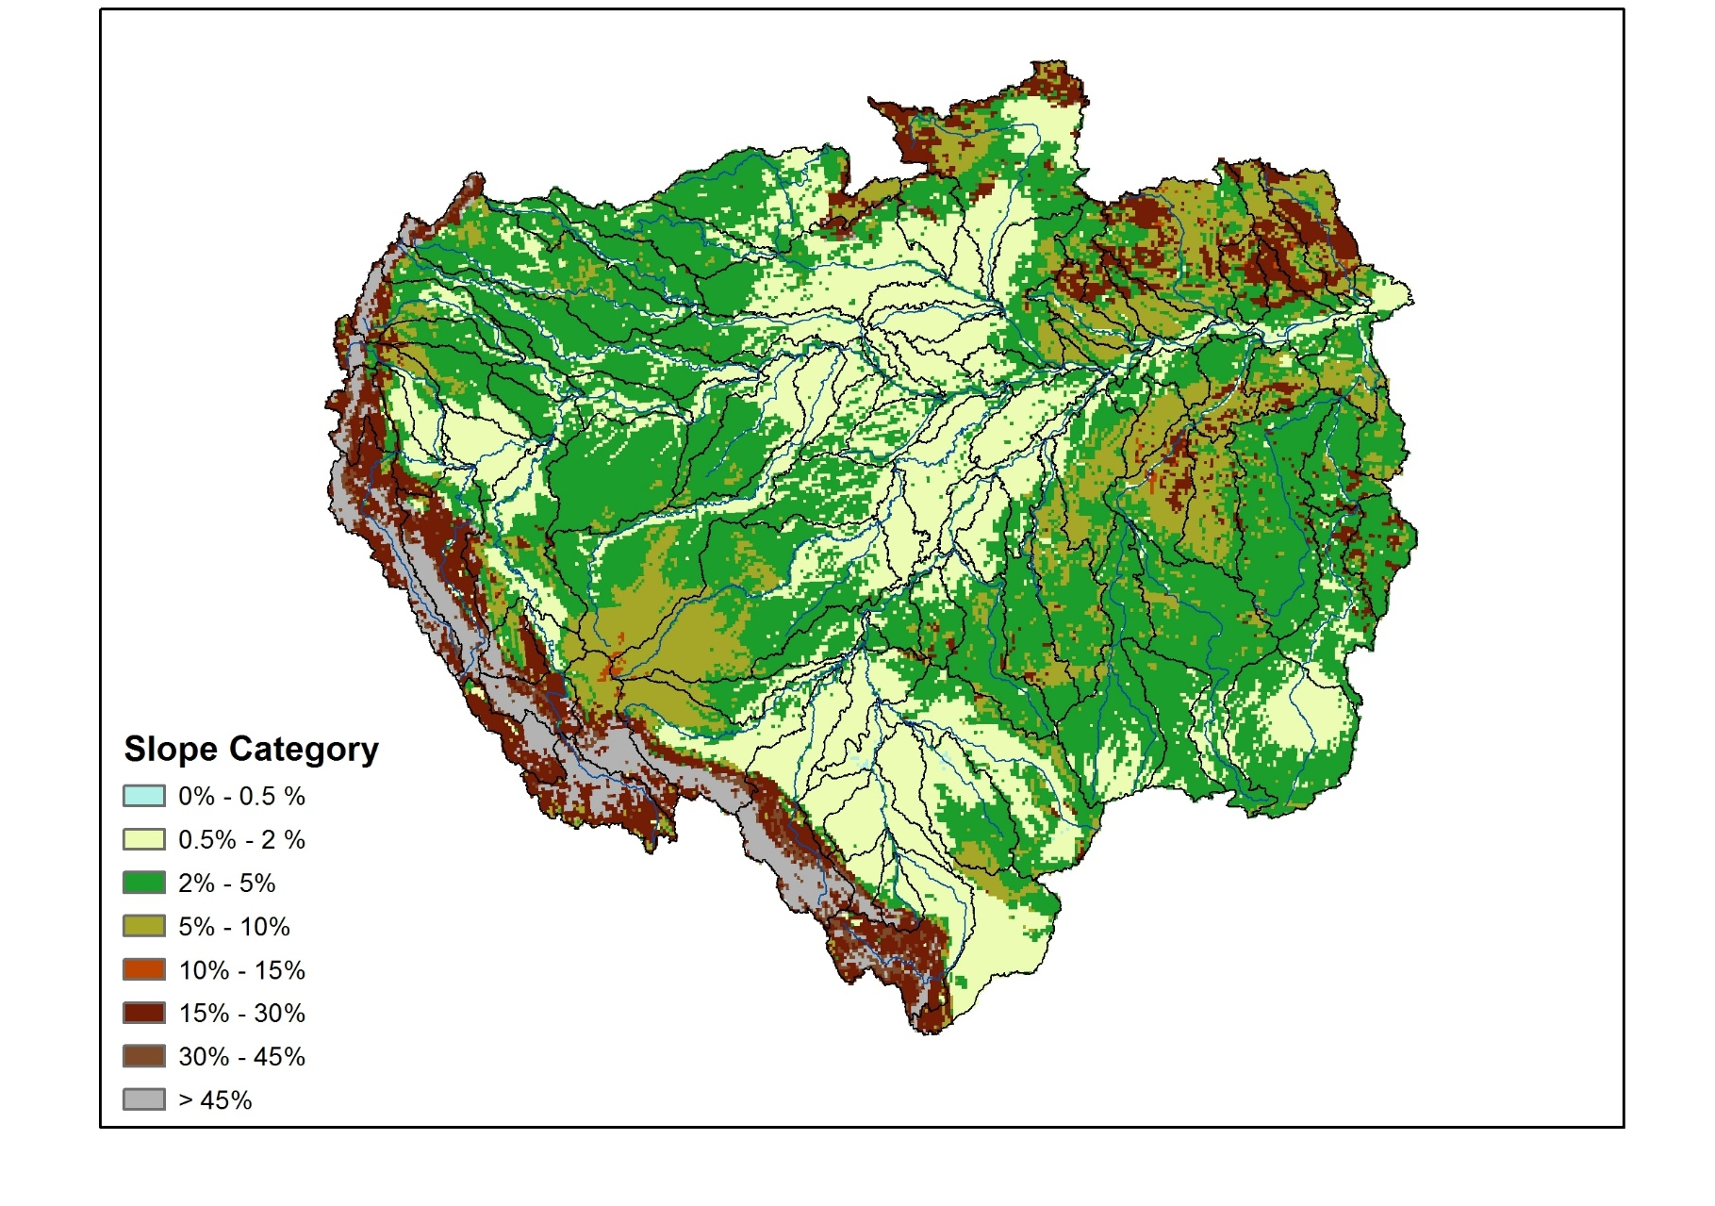
Slope
Harmonized World Soil Database v 1.2
http://webarchive.iiasa.ac.at/Research/LUC/External-World-soil-database/HTML/index.html?sb=1

Donnée sous forme de 8 catégories de pente avec % de distribution de chaque classe

Valeur
1 | 0 % ≤ slope ≤ 0.5 %
2 | 0.5 % ≤ slope ≤ 2 %
3 | 2 % ≤ slope ≤ 5 %
4 | 5 % ≤ slope ≤ 10 %
5 | 10 % ≤ slope ≤ 15 %
6 | 15 % ≤ slope ≤ 30 %
7 | 30 % ≤ slope ≤ 45 %
8 | Slope > 45 %

pour chaque pixel, j'ai extrait la catégorie la plus "fréquente" pour aboutir à une nouvelle carte catégorisée

j'ai ensuite calculé le % superficie de chaque catégorie pour chaque sous-bassin

