附表1
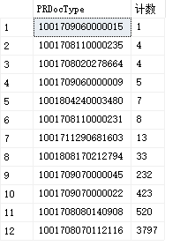
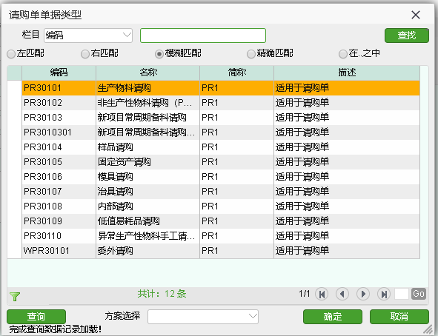
select PRDocType, count(*) 计数 from PR_PR group by PRDocType order by '计数'

附表2
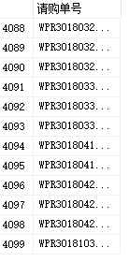
select PR_PR.DocNo AS '请购单号' from PR_PR where Org = '1001708020135665'

附表5
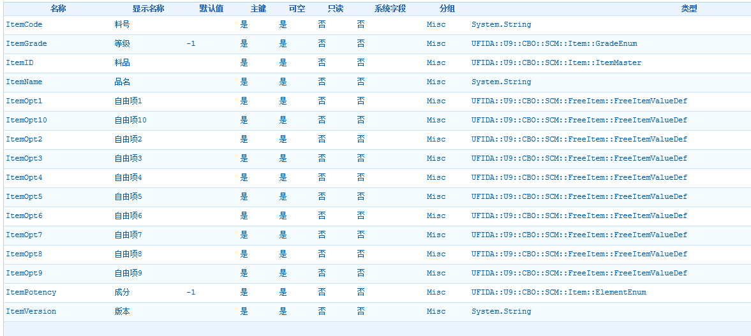

其中 ItemID 为外键 ---> 表 CBO_ItemMaster

附表6
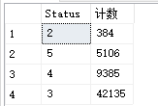
select Status ,count(*) as 计数 from PR_PRLine where CurrentOrg = '1001708020135665' group by Status order by '计数'

