VA Parking Lots
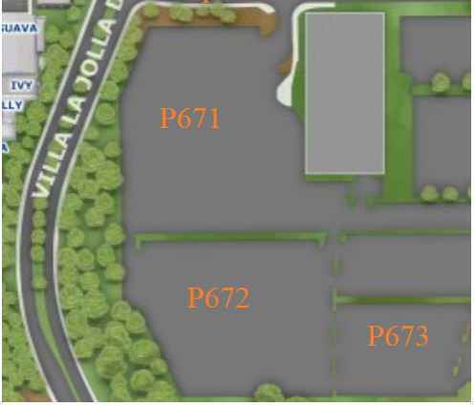
VA Hospital Parking Lots

Neighborhood | Lot | Parking Spaces |  |  |  |  |  |  |  |  |  |  |  |  | Motorcycle
 |  | A | B | S | SR | D | Visitor | Reserved | Allocated | Accessible | UC | Service | Loading | Total | Parking
 |  |  |  |  |  |  |  |  |  |  | Vehicle | Yard |  |  | Sections
Health Sciences West | P671 |  |  |  |  |  |  |  | 124 | 91 |  |  |  | 215
Health Sciences West | P672 |  |  |  |  |  |  | 1 | 285 |  |  |  |  | 286
Health Sciences West | P673 |  |  |  |  |  |  |  | 343 |  |  |  |  | 343

Currently labelled as "Allocated: VA Medical" on GIS Parking Layer

