RegressionCalcs
REGRESSION CALCULATIONS
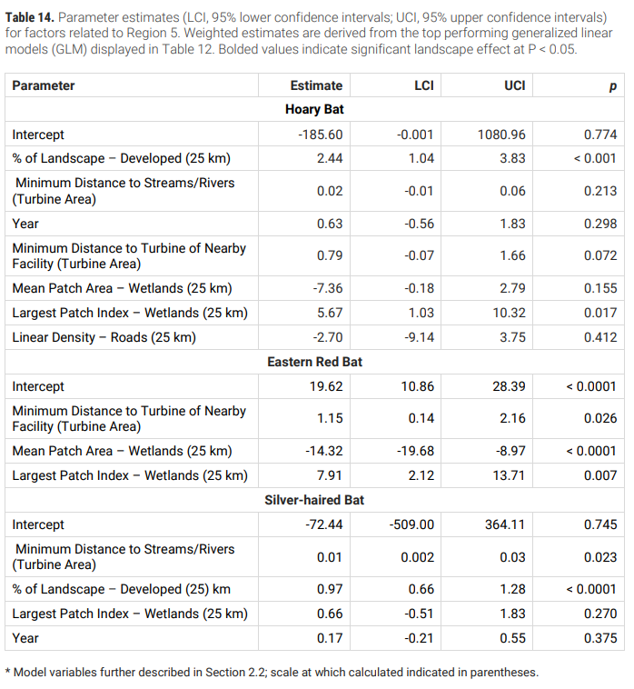
 |  | *assuming the regression model used only meters and %s (or standard index)

 | QGIS or Rstudio? |  |  |  | Hoary coeff | ER coeff | SH coeff
 | R | 3.98 | % of landscape developed (25 km)- 17 |  | 2.44 |  | 0.97 | 9.7112 | 0 | 3.8606
 | Q | 234.30749512 | Min distance to streams/rivers (turbine area) |  | 0.02 |  |  | 4.6861499024 | 0 | 0
 |  | 2012 | Year |  | 0.63 |  | 0.17 | 1267.56 | 0 | 342.04
 | Q | 110019.66228 | Minimum distance to turbine of nearby facility (turbine area) | distance matrix | 0.79 | 1.15 | 0.01 | 86915.5332 | 126522.61162 | 1100.1966228
 | R | 5.17 | Mean patch area- wetlands (25 km)-- 14 |  | -7.36 | -14.32 |  | -38.0512 | -74.0344 | 0
 | R | 0.418 | Largest Patch index- wetlands (25 km) |  | 5.67 | 7.91 | 0.66 | 2.37006 | 3.30638 | 0.27588
 | Q | 0.048570086737 | Linear density- roads (25 km) |  | -2.7 |  |  | -0.13113923419 | 0 | 0

 |  |  |  |  |  |  | mx | 88161.678271 | 126451.8836 | 1446.3731028
 |  |  |  |  |  |  | Intercept | -185.6 | 19.62 | -72.44
 |  |  |  |  |  |  | RISK #: | 87976.078271 | 126471.5036 | 1373.9331028

 |  |  | these variables need to be transformed & transformation requires other sites' data (minimum)

