Ref
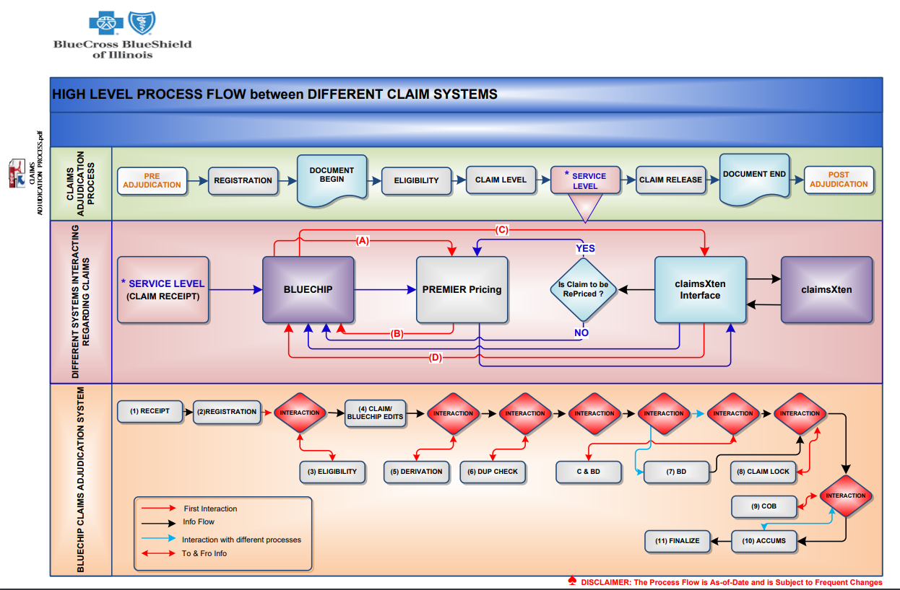

 |  | Actual | NFR
 |  |  | 300

 |  |  |  | Level | Sl.No | Group | Process | Hosted Platform | Provider | Consumer | Integration Pattern | Current State | End State | MVP | Count of Invocations | DB Calls (ms) | Logic (ms) | Rules (ms) | Latency (ms) | Time of Function / Call | Total Process Time | Total Process Path Length | Process NFR | Total Process NFR | Total Process Path Length NFR | Difference | Status | Is Leaf? | Owner
A | 1 |  |  | 0 | 1 | Claim Adjudication | Claim Adjudication | Business Process | NA | NA | Group | Y | Y | Y | 0 | 0 | 0 | 0 | 0 | 0 | 0 | 2076 | 0 | 0 | 2633 | 557 | On Target | G | JB
B | 2 |  |  | 1 | 2 | RTIS | *RTIS | Legacy BC | Claims-Legacy | Claims-Legacy | BC Internal | Y | N | N | 1 | 0 | 0 | 0 | 0 | 0 | 0 | 2076 | 0 | 0 | 2633 | 557 | On Target | N | Alak
C | 3 |  |  | 2 | 3 | Eligibility | **Eligibility | Business Process | NA | NA | ESB - MQ Integration | Y | Y | Y | 1 | 0 | 0 | 0 | 0 | 0 | 0 | 290 | 0 | 0 | 369 | 79 | On Target | G | Alak
D | 4 |  |  | 3 | 4 | Eligibility | ***Eligibility Mainline | Legacy BC | Claims-Legacy | Claims-Legacy | BC Internal | Y | Y | N | 1 | 0 | 10 | 0 | 0 | 10 | 10 | 290 | 20 | 20 | 369 | 79 | On Target | N | Alak
E | 5 |  |  | 4 | 5 | Eligibility | ****Mule Eligibility Adapter | Mule ESB | Key-Claims Adjudication | Key-Claims Adjudication | ESB - MQ Integration | Y | N | Y | 1 | 0 | 60 | 0 | 15 | 75 | 75 | 280 | 75 | 75 | 349 | 69 | On Target | N | Alak
F | 6 |  |  | 5 | 6 | Eligibility | *****Eligibility Orchestrator | PCF | Key-Claims Adjudication | Key-Claims Adjudication | PCF Internal (C-to-C) | Y | Y | Y | 1 | 0 | 5 | 0 | 5 | 10 | 10 | 205 | 20 | 20 | 274 | 69 | On Target | N | Alak |  | 127 |  | UPF (National Modules) Integration
G | 7 |  |  | 6 | 7 | Eligibility | ******Member Match & Eligibility Microservice | PCF | Key-Claims Adjudication | Key-Claims Adjudication | PCF Internal (C-to-C) | Y | Y | Y | 1 | 0 | 20 | 0 | 5 | 25 | 25 | 111 | 25 | 25 | 134 | 23 | On Target | N | Alak | 50 | 74 |  | Claim Provider Microservice
H | 8 |  |  | 7 | 8 | Eligibility | *******Reference Lookup Microservice | PCF | Key-Claims Adjudication | Key-Claims Adjudication | PCF Internal (C-to-C) | Y | Y | Y | 1 | 0 | 10 | 0 | 5 | 15 | 15 | 15 | 20 | 20 | 20 | 5 | On Target | Y | Alak |  | 6 |  | Contract API
I | 9 |  |  | 7 | 9 | Eligibility | *******Contract API | PCF | Key-Claims Adjudication | Key-Claims Adjudication | PCF Internal (C-to-C) | Y | Y | Y | 1 | 0 | 10 | 0 | 5 | 15 | 15 | 15 | 20 | 20 | 20 | 5 | On Target | Y | Alak |  |  | 50 | Claim Pricer Service
J | 10 |  |  | 7 | 10 | Eligibility | *******Claim Member Microservice | PCF | Key-Claims Adjudication | Key-Claims Adjudication | PCF Internal (C-to-C) | Y | Y | Y | 1 | 1 | 18 | 0 | 5 | 24 | 24 | 24 | 35 | 35 | 35 | 11 | On Target | Y | Alak |  | 18 |  | Primier Pricer Service
K | 11 |  |  | 7 | 11 | Eligibility | *******New Born Update | PCF | Key-Claims Adjudication | Key-Claims Adjudication | REST Service - MQ | Y | N | Y | 1 | 0 | 27 | 0 | 5 | 32 | 32 | 32 | 34 | 34 | 34 | 2 | On Target | Y | Alak |  |  | 30 | Reference Lookup Microservice
L | 12 |  |  | 6 | 12 | Eligibility | ******Provider Match & Eligibility Microservice | PCF | Key-Claims Adjudication | Key-Claims Adjudication | PCF Internal (C-to-C) | Y | Y | Y | 1 | 0 | 18 | 0 | 5 | 23 | 23 | 51 | 30 | 30 | 85 | 34 | On Target | N | Alak |  | 25
M | 13 |  |  | 7 | 13 | Eligibility | *******Claim Provider Microservice | PCF | Key-Claims Adjudication | Key-Claims Adjudication | PCF Internal (C-to-C) | Y | Y | Y | 1 | 1 | 8 | 0 | 5 | 14 | 14 | 14 | 35 | 35 | 35 | 21 | On Target | Y | Alak |  | 10 |  | Reference Lookup Microservice
N | 14 |  |  | 7 | 14 | Eligibility | *******Reference Lookup Microservice | PCF | Key-Claims Adjudication | Key-Claims Adjudication | PCF Internal (C-to-C) | Y | Y | Y | 1 | 1 | 8 | 0 | 5 | 14 | 14 | 14 | 20 | 20 | 20 | 6 | On Target | Y | Alak |  | 6 |  | Contract API
O | 15 |  |  | 6 | 15 | Eligibility | ******Eligibility Lock Microservice | PCF | Key-Claims Adjudication | Key-Claims Adjudication | PCF Internal (C-to-C) | Y | Y | Y | 1 | 1 | 27 | 0 | 5 | 33 | 33 | 33 | 35 | 35 | 35 | 2 | On Target | Y | Alak |  | 30 |  | Claim Provider Microservice
P | 16 |  |  |  |  |  |  |  |  |  |  |  |  |  |  |  |  |  |  |  |  |  |  |  |  |  |  |  |  |  |  |  | Contract API
Q | 17 |  |  |  |  |  |  |  |  |  |  |  |  |  |  |  |  |  |  |  |  |  |  |  |  |  |  |  |  |  |  |  | UPF (National Modules) Integration
R | 18 |  |  |  |  |  |  |  |  |  |  |  |  |  |  |  |  |  |  |  |  |  |  |  |  |  |  |  |  |  |  |  | Primier Pricer Service
S | 19
T | 20
U | 21
V | 22
W | 23
X | 24
Y | 25
Z | 26

