Figure
Fig. 1. Normal probability plot of externally studentized residuals for evaluating the adequacy of the regression model.

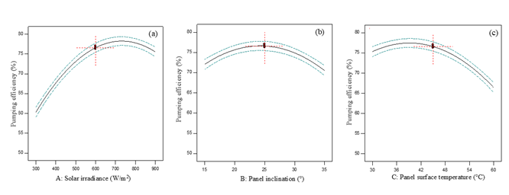

Fig. 2. Perturbation plots illustrating the individual and interactive effects of solar irradiance, panel inclination, and panel surface temperature on the efficiency of the solar-powered water pumping system.

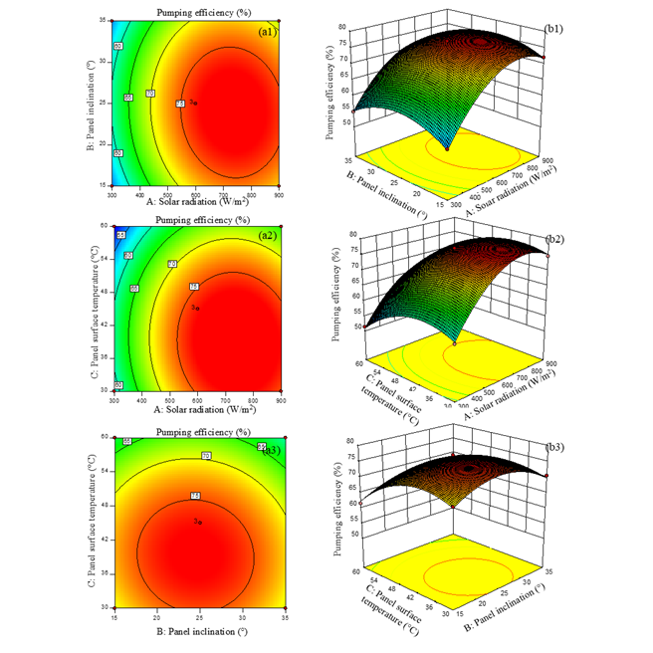

Fig. 3. Response surface (a1-a3) and contour plots (b1-b3) showing the interactive effects of solar radiation, panel inclination, and panel surface temperature on pumping efficiency. Statistically significant differences were assessed using RSM ANOVA with a multiple comparison test, with significance values (∗p < 0.0001) reported.

