Inputs
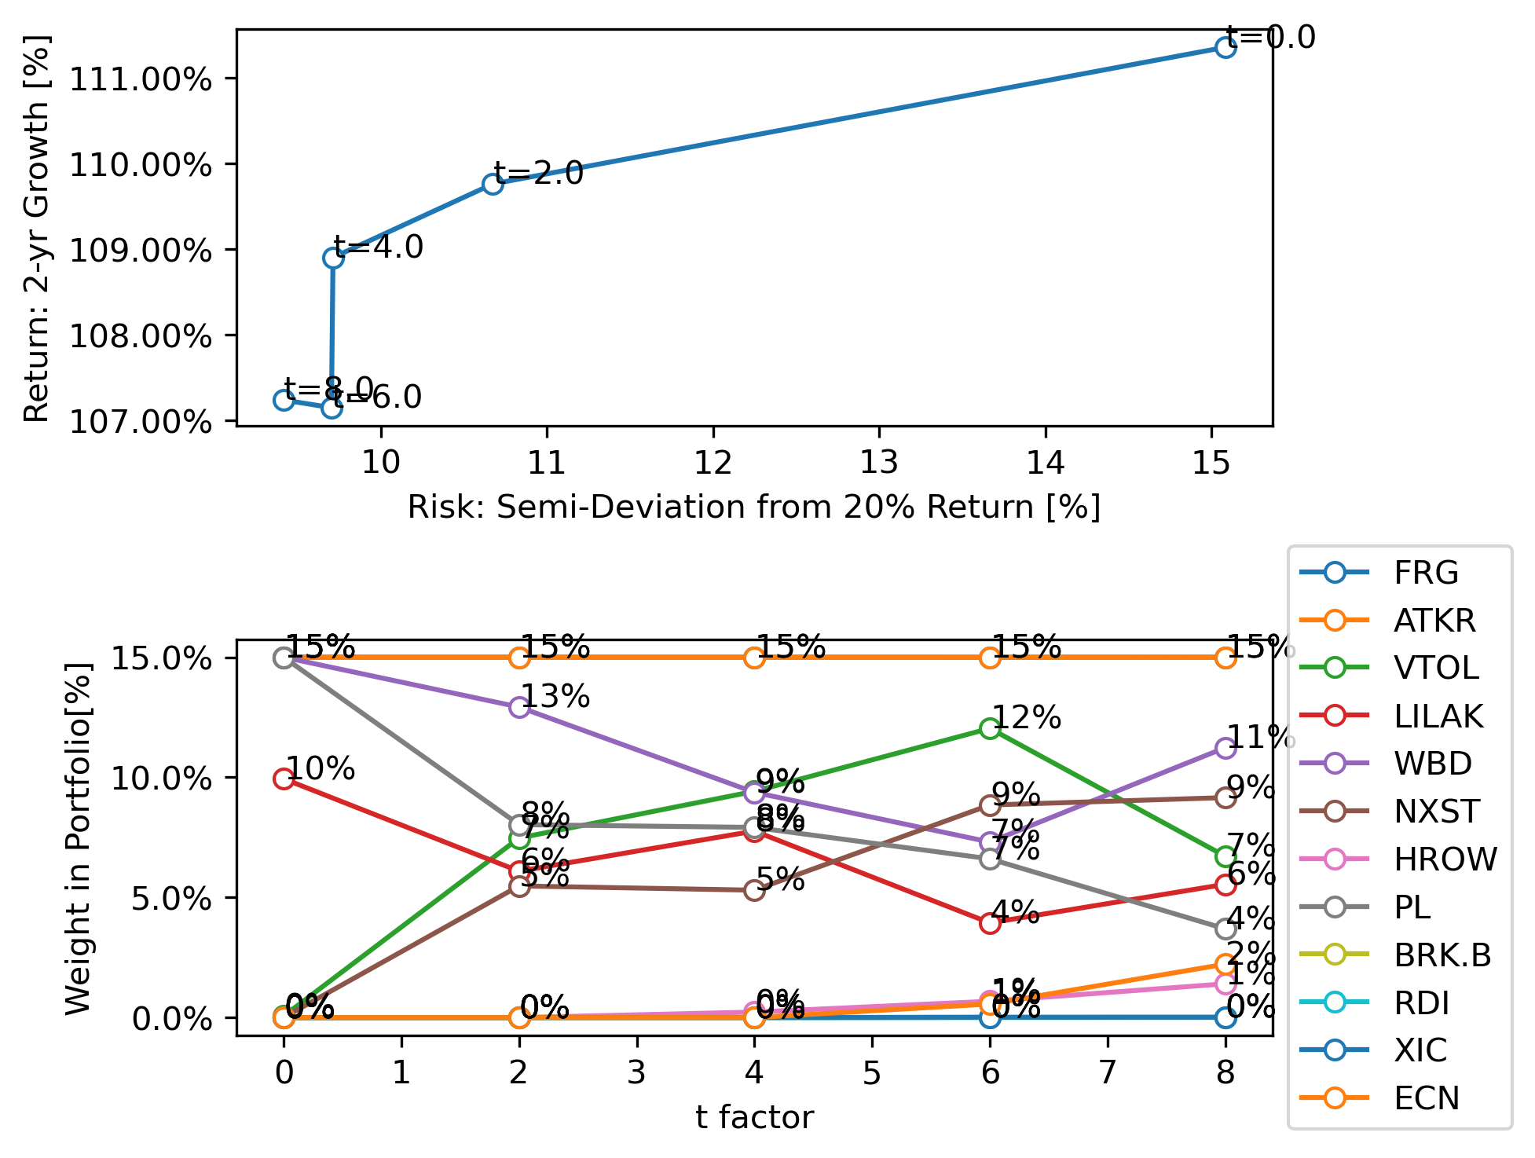
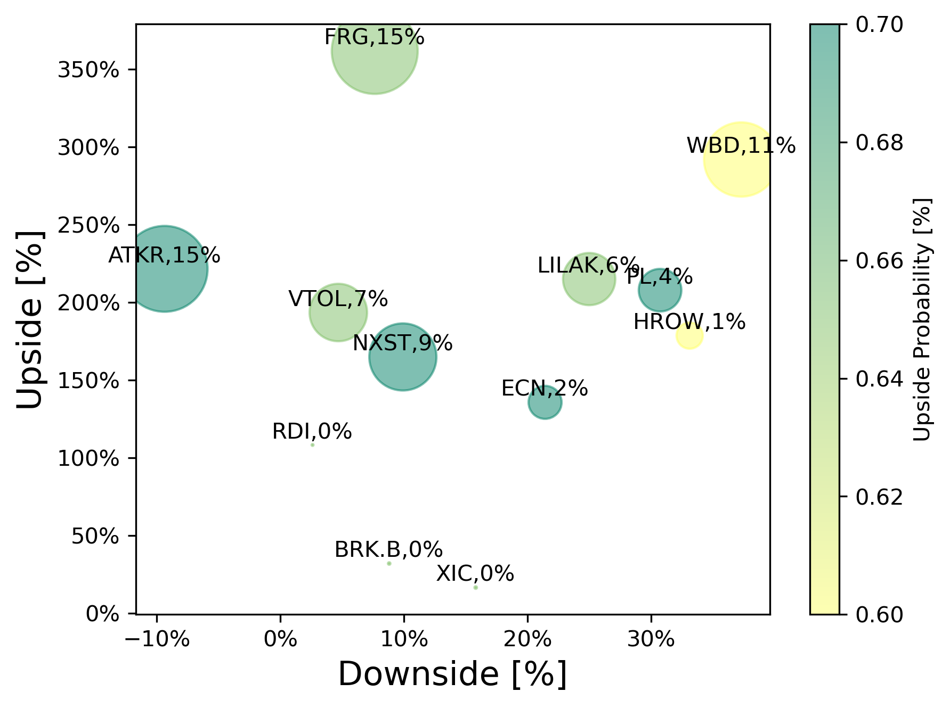
stock prices should update automatically, no need to input them
Step 1: Inputs
input your view of the upside, downside and probability
 | Current Price | Upside | Downside | p Upside probabilty | q =p-1 Downside probability | b gain | a loss | Wi, Portfolio weight | Analytical f*, for a single position [% to invest] | Analytically calculated growth, f=f* E(g) | Analytically calculated growth, f=100% E(g)
 | $31.68 | 150.0 | 30.0 | 65% | 35% | 373% | 5% | 15% | 12.163 | 843% | 270% | = automatically updated
 | $79.50 | 250.0 | 85.0 | 70% | 30% | 214% | -7% | 15% | -10.258 | #NUM! | 228% | = input
 | $26.48 | 77.0 | 25.0 | 65% | 35% | 191% | 6% | 7% | 11.446 | 534% | 196% | = calculated
 | $6.78 | 21.0 | 5.0 | 65% | 35% | 210% | 26% | 6% | 2.309 | 227% | 187% | = calculated using the Optimize button
 | $12.74 | 50.0 | 8.0 | 60% | 40% | 292% | 37% | 11% | 1.476 | 198% | 189% | = for info
 | $190.86 | 500.0 | 170.0 | 70% | 30% | 162% | 11% | 9% | 6.219 | 383% | 190%
 | $8.99 | 25.0 | 6.0 | 60% | 40% | 178% | 33% | 1% | 1.579 | 166% | 157%
 | $6.49 | 20.0 | 4.5 | 70% | 30% | 208% | 31% | 4% | 2.143 | 238% | 197%
 | $274.81 | 362.0 | 250.0 | 65% | 35% | 32% | 9% | 0% | 6.097 | 152% | 116%
 | $3.71 | 8.0 | 3.7 | 65% | 35% | 116% | -1% | 0% | -80.686 | #NUM! | 165%
 | $31.03 | 36.0 | 26.0 | 65% | 35% | 16% | 16% | 0% | 1.825 | 104% | 104%
 | $5.09 | 12 | 4 | 70% | 30% | 136% | 21% | 2% | 3.048 | 229% | 170%
 |  |  |  |  | 100%
 |  |  |  |  | 100%
 |  |  |  |  | 100%
 |  |  |  |  | 100%
 |  |  |  |  | 100%
 |  |  |  |  | 100%
 |  |  |  |  | 100%
 |  |  |  |  | 100%
Optional:
I have set the price targets to be achieved in 2 years. You can change this. It changes nothing about the cal culation per say, but it's important to establish a timeframe for a prediction
Stocks | 12
Years to price target | 2
Return: Growth, E(g) | 107%
Risk: Semi-deviation below 20% return | 9.4%
Objective Weighting factor, t | 8.0
Step 2: Objective
this is a factor that sets the relative importance between the portfolio growth and risk
Max Leverage, Fmax | 70%
Max postion size, fmax | 15.0%
f, bankroll fraction | 100%
Step 4: Optimize
run the optimizer! The results will be seen in the Wi column. This will guide you on the ideal weights to achieve the objective.

Step 3: Solver Constraints
Set the maximum leverage: Example: 0.7 = 30% cash, 1 = 0% cash
Set maximum position size: Example no positions > 15% of potfolio

