Inputs
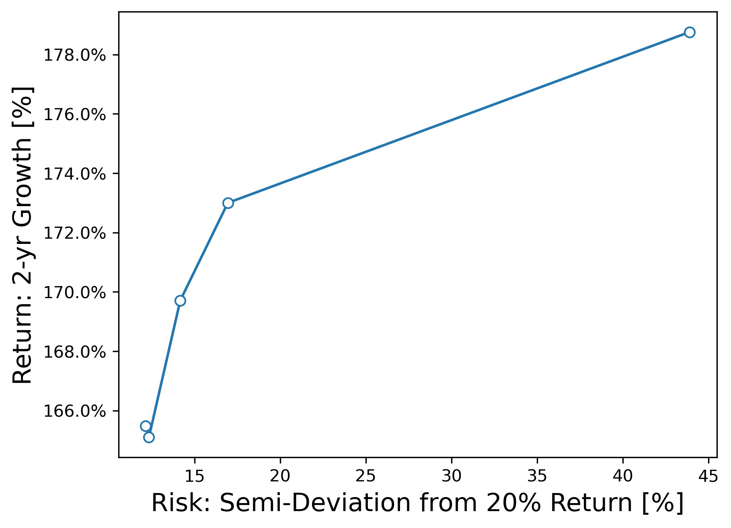
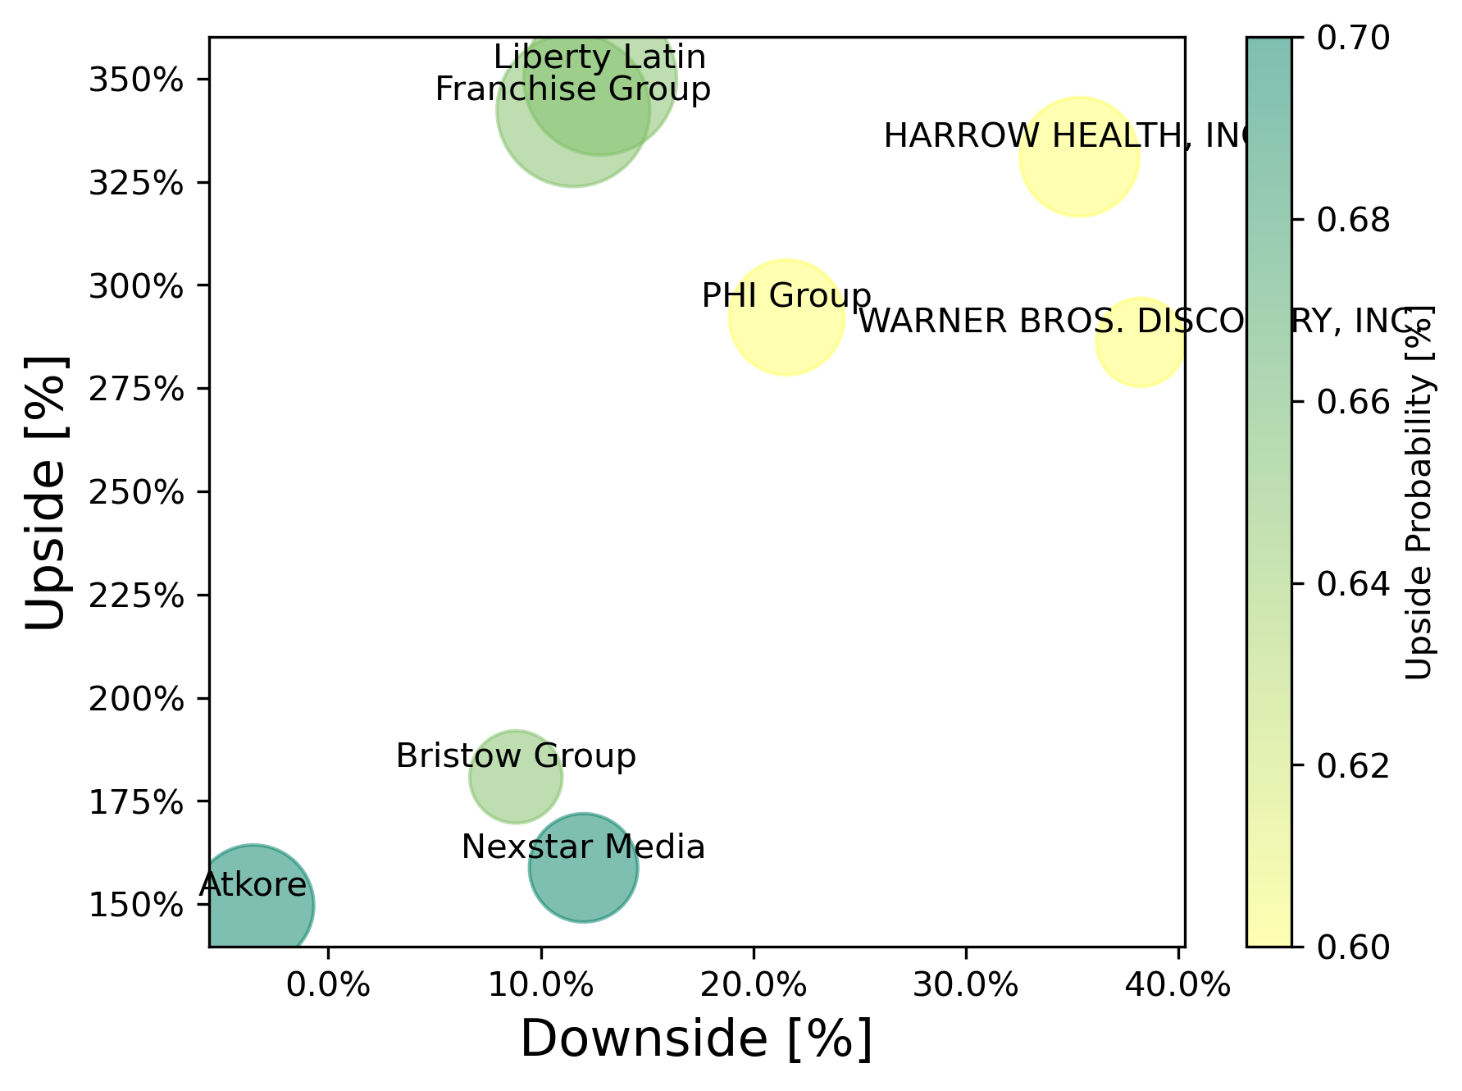
stock prices should update automatically, no need to input them
Step 1: Inputs
input your view of the upside, downside and probability
 | Current Price | Upside | Downside | p Upside probabilty | q =p-1 Downside probability | b gain | a loss | Wi, Portfolio weight | Analytical f*, for a single position [% to invest] | Analytically calculated growth, f=f* E(g) | Analytically calculated growth, f=100% E(g)
 | $33.33 | 150.0 | 30.0 | 65% | 35% | 350% | 10% | 20% | 6.409 | 543% | 256% | = automatically updated
 | $79.78 | 205.0 | 85.0 | 70% | 30% | 157% | -7% | 13% | -10.889 | #NUM! | 197% | = input
 | $28.31 | 77.0 | 25.0 | 65% | 35% | 172% | 12% | 7% | 5.356 | 321% | 183% | = calculated
 | $6.76 | 30.4 | 6.0 | 65% | 35% | 350% | 11% | 20% | 5.716 | 507% | 255% | = calculated using the Optimize button
 | $12.38 | 50.0 | 8.0 | 60% | 40% | 304% | 35% | 7% | 1.566 | 207% | 194% | = for info
 | $188.45 | 500.0 | 170.0 | 70% | 30% | 165% | 10% | 10% | 6.968 | 416% | 192%
 | $9.32 | 40.0 | 6.0 | 60% | 40% | 329% | 36% | 12% | 1.565 | 215% | 201%
 | $12.75 | 50.0 | 10.0 | 60% | 40% | 292% | 22% | 11% | 2.645 | 262% | 206%
 |  |  |  |  | 100%
 |  |  |  |  | 100%
 |  |  |  |  | 100%
 |  |  |  |  | 100%
 |  |  |  |  | 100%
 |  |  |  |  | 100%
 |  |  |  |  | 100%
 |  |  |  |  | 100%
 |  |  |  |  | 100%
 |  |  |  |  | 100%
 |  |  |  |  | 100%
 |  |  |  |  | 100%
Optional:
I have set the price targets to be achieved in 2 years. You can change this. It changes nothing about the cal culation per say, but it's important to establish a timeframe for a prediction
Stocks | 8
Years to price target | 2
Return: Growth, E(g) | 165%
Risk: Semi-deviation below 20% return | 12.1%
Objective Weighting factor, t | 7.0
Step 2: Objective
this is a factor that sets the relative importance between the portfolio growth and risk
Max Leverage, Fmax | 100%
Max postion size, fmax | 20.0%
f, bankroll fraction | 100%
Step 4: Optimize
run the optimizer! The results will be seen in the Wi column. This will guide you on the ideal weights to achieve the objective.

Step 3: Solver Constraints
Set the maximum leverage: Example: 0.7 = 30% cash, 1 = 0% cash
Set maximum position size: Example no positions > 15% of potfolio

