Sheet1
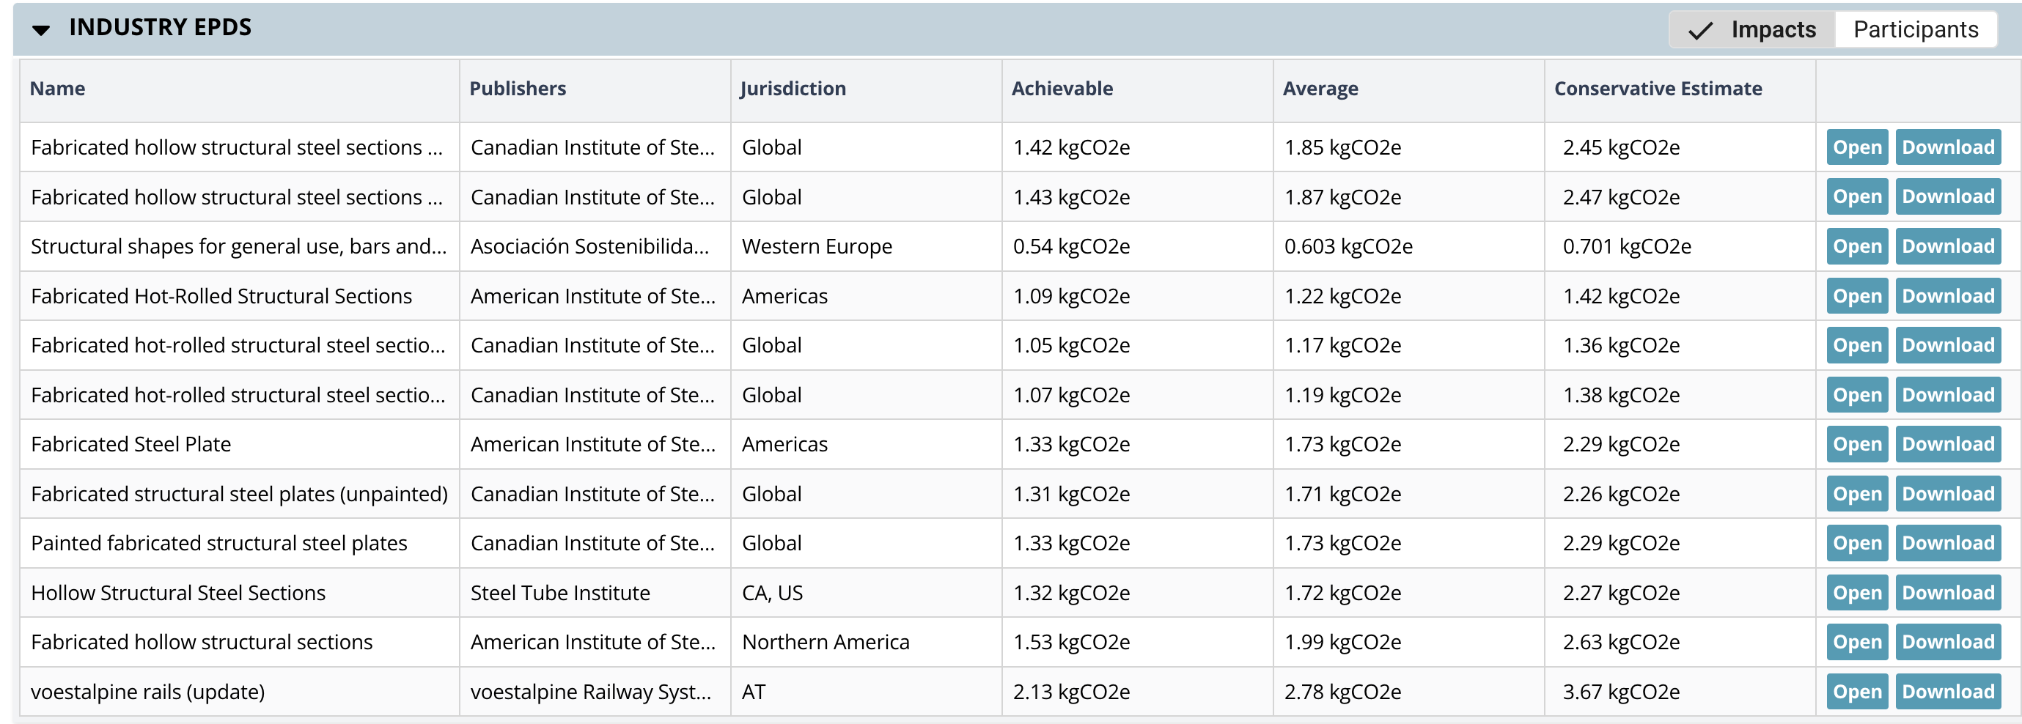
Name | Publisher | Jurisdiction | ECC (kgCO2e/kg) | open_xpd_uuid
Fabricated hollow structural steel sections (unpainted) | Canadian Institute of Steel Construction | Global | 1.850 | ec3ecjdt
Fabricated hollow structural steel sections (painted) | Canadian Institute of Steel Construction | Global | 1.870 | ec3mz54k
Structural shapes for general use, bars and commercial profiles | Asociación Sostenibilidad Siderúrgica | Western Europe | 0.603 | ec3xm363
Fabricated Hot-Rolled Structural Sections | American Institute of Steel Construction | Americas | 1.220 | ec3sq6r2
Fabricated hollow structural steel sections (unpainted) | Canadian Institute of Steel Construction | Global | 1.170 | ec3t02tp
Fabricated hollow structural steel sections (painted) | Canadian Institute of Steel Construction | Global | 1.190 | ec3sau1e
Fabricated Steel Plate | American Institute of Steel Construction | Americas | 1.730 | ec36tc4m
Fabricated structural steel plates (unpainted) | Canadian Institute of Steel Construction | Global | 1.710 | ec36bj10
Painted fabricated structural steel plates | Canadian Institute of Steel Construction | Global | 1.730 | ec3gp0m2
Hollow Structural Steel Sections | Steel Tube Institute | California | 1.720 | ec3xmkdr
Fabricated hollow structural sections | American Institute of Steel Construction | Northern America | 1.990 | ec3bcneu
voestalpine rails (update) | voestalpine Rrailway Systems Nortrak LLC | Austria | 2.780 | ec3g2er0

