Charts
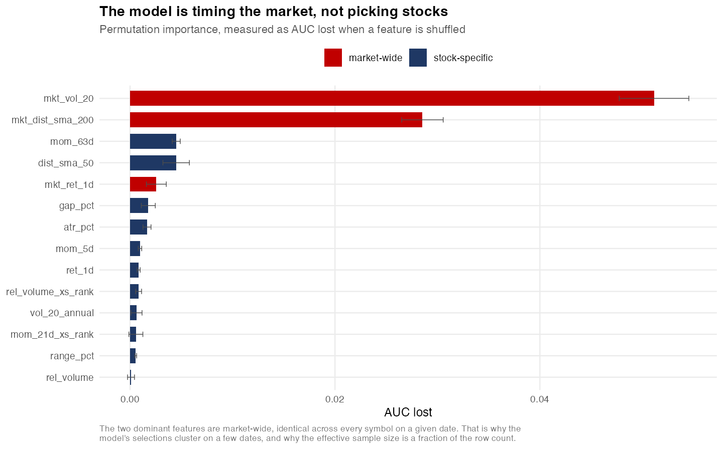
The strategy underperformed a passive benchmark.
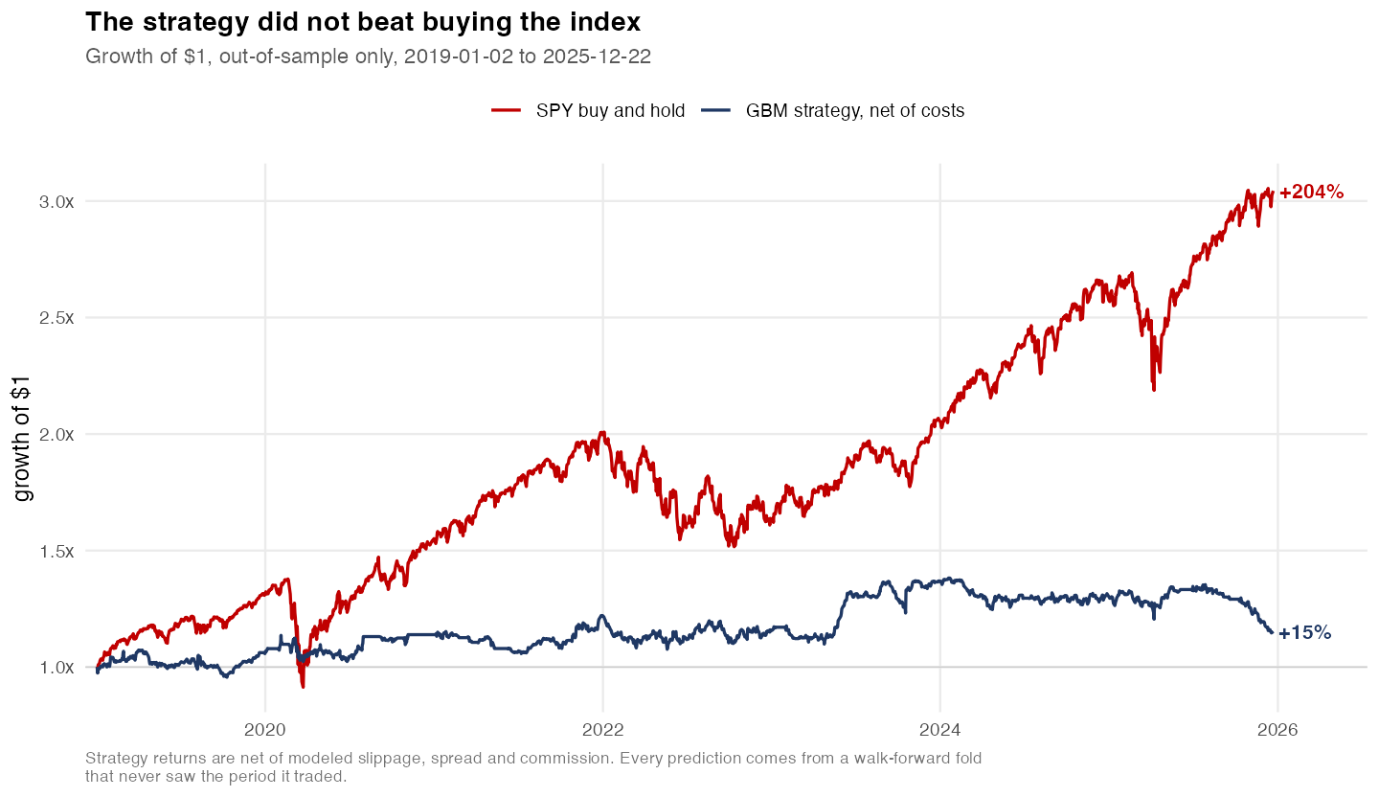

The best result sits inside the distribution of chance.
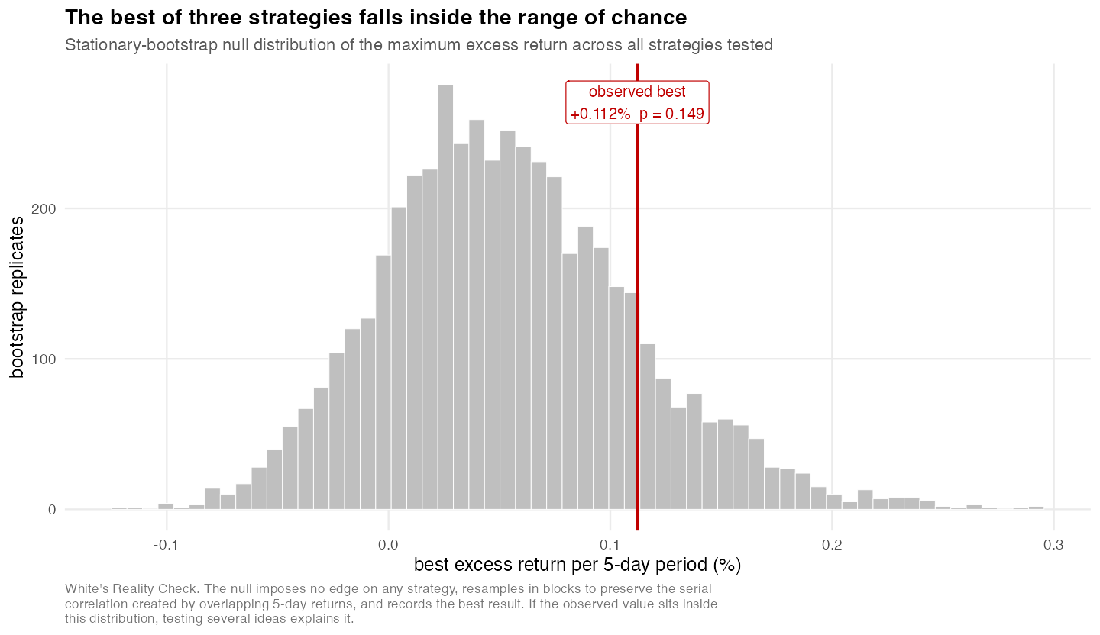

Costs consumed most of the gross edge.
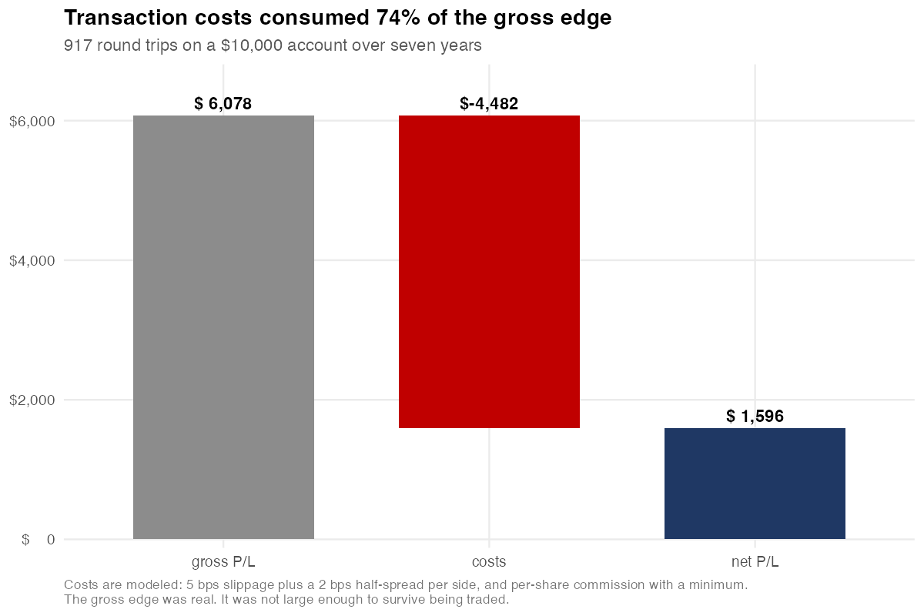

The edge does not persist across regimes.
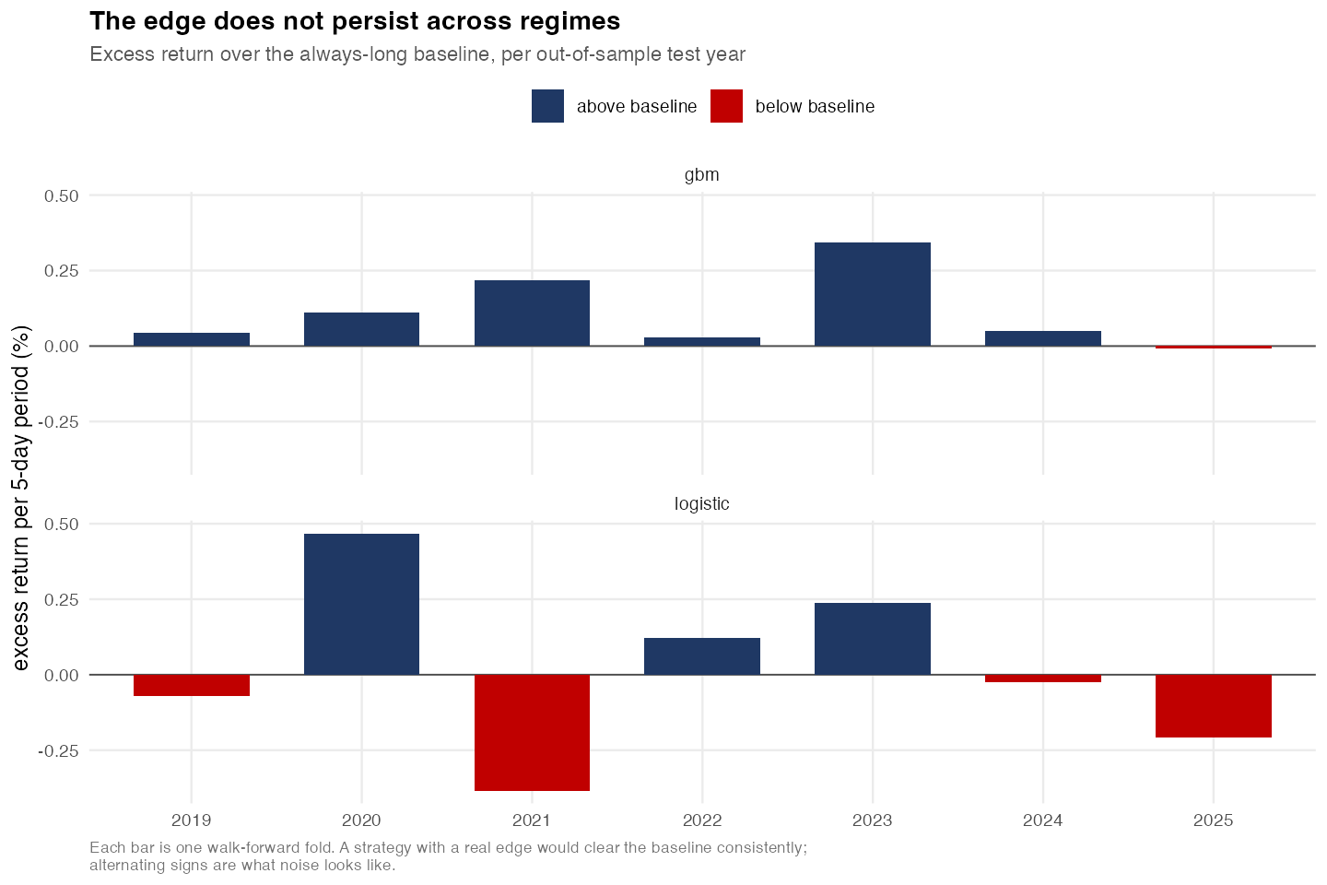

The model is timing the market, not picking stocks.

Equity curve
Strategy equity, out of sample
 | Strategy equity
2019-01-02 | 10074.298656
2019-01-03 | 9814.9876568
2019-01-04 | 9983.7076428
2019-01-07 | 9997.5476391
2019-01-08 | 10036.02765
2019-01-09 | 10094.039983
2019-01-10 | 10121.248511
2019-01-11 | 10117.135985
2019-01-14 | 10077.8786
2019-01-15 | 10180.265189
2019-01-16 | 10202.237589
2019-01-17 | 10193.272597
2019-01-18 | 10213.092118
2019-01-22 | 10119.99059
2019-01-23 | 10075.244206
2019-01-24 | 10110.270768
2019-01-25 | 10213.170105
2019-01-28 | 10149.838236
2019-01-29 | 10102.308264
2019-01-30 | 10243.238196
2019-01-31 | 10496.408205
2019-02-01 | 10511.432712
2019-02-04 | 10468.571411
2019-02-05 | 10492.306335
2019-02-06 | 10443.838348
2019-02-07 | 10377.286461
2019-02-08 | 10303.912483
2019-02-11 | 10284.302361
2019-02-12 | 10348.012512
2019-02-13 | 10339.607369
2019-02-14 | 10303.56153
2019-02-15 | 10311.066404
2019-02-19 | 10326.386238
2019-02-20 | 10359.666422
2019-02-21 | 10330.446386
2019-02-22 | 10333.707472
2019-02-25 | 10431.567879
2019-02-26 | 10417.582468
2019-02-27 | 10680.595675
2019-02-28 | 10757.856552
2019-03-01 | 10424.208106
2019-03-04 | 10396.095429
2019-03-05 | 10319.061403
2019-03-06 | 10331.661329
2019-03-07 | 10321.394516
2019-03-08 | 10387.973017
2019-03-11 | 10482.211974
2019-03-12 | 10413.303504
2019-03-13 | 10464.495605
2019-03-14 | 10466.851589
...
dt | equity | exposure | drawdown
2019-01-02 | 10074.298656 | 4929.4321651 | 0
2019-01-03 | 9814.9876568 | 4560.7502896 | 0.025739856293
2019-01-04 | 9983.7076428 | 4560.7502896 | 0.0089922898652
2019-01-07 | 9997.5476391 | 4560.7502896 | 0.0076184973254
2019-01-08 | 10036.02765 | 4560.7502896 | 0.0037988755037
2019-01-09 | 10094.039983 | 4426.1401066 | 0
2019-01-10 | 10121.248511 | 4750.7872751 | 0
2019-01-11 | 10117.135985 | 4750.7872751 | 0.00040632595232
2019-01-14 | 10077.8786 | 4750.7872751 | 0.0042850356995
2019-01-15 | 10180.265189 | 4750.7872751 | 0
2019-01-16 | 10202.237589 | 1644.6104745 | 0
2019-01-17 | 10193.272597 | 0 | 0.00087872801562
2019-01-18 | 10213.092118 | 5087.3312181 | 0
2019-01-22 | 10119.99059 | 5087.3312181 | 0.0091159001696
2019-01-23 | 10075.244206 | 5087.3312181 | 0.013497176981
2019-01-24 | 10110.270768 | 5087.3312181 | 0.010067602339
2019-01-25 | 10213.170105 | 5087.3312181 | 0
2019-01-28 | 10149.838236 | 5089.4500308 | 0.0062010001279
2019-01-29 | 10102.308264 | 5089.4500308 | 0.010854792397
2019-01-30 | 10243.238196 | 5089.4500308 | 0
2019-01-31 | 10496.408205 | 5089.4500308 | 0
2019-02-01 | 10511.432712 | 5201.4293624 | 0
2019-02-04 | 10468.571411 | 5155.5071943 | 0.0040775888476
2019-02-05 | 10492.306335 | 5155.5071943 | 0.0018195784539
2019-02-06 | 10443.838348 | 5155.5071943 | 0.0064305566516
2019-02-07 | 10377.286461 | 5183.446828 | 0.01276193779
2019-02-08 | 10303.912483 | 5147.2356077 | 0.019742335218
2019-02-11 | 10284.302361 | 5147.2356077 | 0.02160793463
2019-02-12 | 10348.012512 | 5147.2356077 | 0.015546900571
2019-02-13 | 10339.607369 | 5147.2356077 | 0.016346519802
2019-02-14 | 10303.56153 | 5166.7742596 | 0.019775722962
2019-02-15 | 10311.066404 | 5145.9897774 | 0.019061750493
2019-02-19 | 10326.386238 | 5145.9897774 | 0.017604305616
2019-02-20 | 10359.666422 | 5145.9897774 | 0.01443821164
2019-02-21 | 10330.446386 | 5145.9897774 | 0.017218045403
2019-02-22 | 10333.707472 | 5159.4701677 | 0.016907803613
2019-02-25 | 10431.567879 | 4847.0251057 | 0.0075979017293
2019-02-26 | 10417.582468 | 4847.0251057 | 0.0089283969219
2019-02-27 | 10680.595675 | 4847.0251057 | 0
2019-02-28 | 10757.856552 | 4847.0251057 | 0
2019-03-01 | 10424.208106 | 5366.393771 | 0.031014398151
2019-03-04 | 10396.095429 | 4852.555662 | 0.033627621015
2019-03-05 | 10319.061403 | 4522.2952817 | 0.040788343575
2019-03-06 | 10331.661329 | 4522.2952817 | 0.03961711342
2019-03-07 | 10321.394516 | 4522.2952817 | 0.040571468335
2019-03-08 | 10387.973017 | 5114.8997866 | 0.03438264246
2019-03-11 | 10482.211974 | 4914.3034966 | 0.025622630056
2019-03-12 | 10413.303504 | 5238.9927363 | 0.032028038888
2019-03-13 | 10464.495605 | 5238.9927363 | 0.027269460795
2019-03-14 | 10466.851589 | 5238.9927363 | 0.027050459572
2019-03-15 | 10536.461732 | 5100.0855317 | 0.020579826385
2019-03-18 | 10497.597485 | 4975.8212127 | 0.024192464888
2019-03-19 | 10460.864878 | 4519.9509962 | 0.027606956186
2019-03-20 | 10563.03153 | 4519.9509962 | 0.018110022277
2019-03-21 | 10570.0315 | 4519.9509962 | 0.017459337872
2019-03-22 | 10483.948326 | 4813.0980016 | 0.025461226835
2019-03-25 | 10372.498039 | 5201.912771 | 0.035821123963
2019-03-26 | 10488.29153 | 5178.5905181 | 0.025057502906
2019-03-27 | 10626.667595 | 5178.5905181 | 0.012194711547
2019-03-28 | 10700.951538 | 5178.5905181 | 0.0052896238269
2019-03-29 | 10691.749023 | 5316.5451769 | 0.0061450465763
2019-04-01 | 10796.696461 | 3446.5277298 | 0
2019-04-02 | 10782.592143 | 1922.5449133 | 0.001306354949
2019-04-03 | 10807.912151 | 1922.5449133 | 0
2019-04-04 | 10758.71226 | 1922.5449133 | 0.004552210404
2019-04-05 | 10780.987641 | 4430.59925 | 0.0024911850869
2019-04-08 | 10793.198756 | 5373.4987777 | 0.0013613540487
2019-04-09 | 10785.67739 | 5391.9610254 | 0.0020572669842
2019-04-10 | 10803.797576 | 5391.9610254 | 0.00038070026161
2019-04-11 | 10734.828152 | 5391.9610254 | 0.0067620829314
2019-04-12 | 10666.255402 | 2986.457678 | 0.01310676355
2019-04-15 | 10645.333788 | 5260.9261259 | 0.015042531844
2019-04-16 | 10721.726906 | 5312.1453478 | 0.0079742732464
2019-04-17 | 10679.694847 | 5312.1453478 | 0.011863281422
2019-04-18 | 10719.753151 | 5312.1453478 | 0.0081568945386
2019-04-22 | 10573.684026 | 5178.7959612 | 0.021671912366
2019-04-23 | 10532.751665 | 5261.2335347 | 0.025459171159
2019-04-24 | 10464.973805 | 5261.2335347 | 0.031730304722
2019-04-25 | 10323.546446 | 5223.0800664 | 0.044815843973
2019-04-26 | 10210.122163 | 5154.5036704 | 0.055310404049
2019-04-29 | 10267.92704 | 5154.5036704 | 0.049962018859
2019-04-30 | 10237.820814 | 5110.3427592 | 0.052747591596
2019-05-01 | 10193.364718 | 5110.3427592 | 0.056860883417
2019-05-02 | 10232.976087 | 5096.2929188 | 0.053195849096
2019-05-03 | 10271.182879 | 5074.3093395 | 0.049660772929
2019-05-06 | 10273.800183 | 5076.9737398 | 0.049418607434
2019-05-07 | 10213.000256 | 5076.9737398 | 0.055044109003
2019-05-08 | 10237.272351 | 5076.9737398 | 0.052798338091
2019-05-09 | 10199.176037 | 5076.9737398 | 0.056323192193
2019-05-10 | 10279.393052 | 5026.9065098 | 0.048901128285
2019-05-13 | 10073.132829 | 5026.9065098 | 0.067985315916
2019-05-14 | 10147.922917 | 5026.9065098 | 0.0610653773
2019-05-15 | 10187.053025 | 5026.9065098 | 0.057444871569
2019-05-16 | 10228.202855 | 5026.9065098 | 0.053637491449
2019-05-17 | 10245.890367 | 5049.9215562 | 0.05200095783
2019-05-20 | 10129.048535 | 5049.9215562 | 0.062811725866
2019-05-21 | 10220.956265 | 5049.9215562 | 0.054307980756
2019-05-22 | 10232.934403 | 5049.9215562 | 0.053199705836
2019-05-23 | 10199.768373 | 5049.9215562 | 0.056268386486
2019-05-24 | 10183.258345 | 5096.4004259 | 0.057795973657
2019-05-28 | 10181.919998 | 5096.4004259 | 0.057919803886
2019-05-29 | 10118.0668 | 5096.4004259 | 0.063827808796
2019-05-30 | 10132.721471 | 5096.4004259 | 0.062471888219
2019-05-31 | 10070.251036 | 5032.8003268 | 0.068251953177
2019-06-03 | 10009.386655 | 5030.8540534 | 0.073883418395
2019-06-04 | 10039.646585 | 5030.8540534 | 0.071083624204
2019-06-05 | 10111.288873 | 5030.8540534 | 0.06445493522
2019-06-06 | 10141.865134 | 5052.4721762 | 0.061625872514
2019-06-07 | 10093.992816 | 5070.6749808 | 0.066055249559
2019-06-10 | 10084.695549 | 4649.8255118 | 0.066915477383
2019-06-11 | 10157.803548 | 4649.8255118 | 0.060151173803
2019-06-12 | 10134.508621 | 4649.8255118 | 0.062306532514
2019-06-13 | 10167.183803 | 4930.4988316 | 0.059283267563
2019-06-14 | 10111.474472 | 4942.6072996 | 0.064437762707
2019-06-17 | 10058.640509 | 4750.8033691 | 0.06932621497
2019-06-18 | 10052.610266 | 4750.8033691 | 0.06988416204
2019-06-19 | 10077.730231 | 4750.8033691 | 0.067559942131
2019-06-20 | 10198.663097 | 4448.5119266 | 0.056370651879
2019-06-21 | 10164.956133 | 3142.5984266 | 0.059489382264
2019-06-24 | 10180.481332 | 0 | 0.058052916235
2019-06-25 | 10180.481332 | 0 | 0.058052916235
2019-06-26 | 10151.787496 | 1582.4269161 | 0.060707807919
2019-06-27 | 10186.103289 | 4930.609092 | 0.057532745717
2019-06-28 | 10166.700726 | 5089.6703616 | 0.059327964114
2019-07-01 | 10262.25059 | 5089.6703616 | 0.050487231281
2019-07-02 | 10285.650651 | 5089.6703616 | 0.048322145154
2019-07-03 | 10306.281978 | 5117.1696544 | 0.046413235592
2019-07-05 | 10285.271641 | 4961.7607848 | 0.048357213007
2019-07-08 | 10264.027368 | 5134.4515835 | 0.050322835239
2019-07-09 | 10253.247415 | 5134.4515835 | 0.051320248324
2019-07-10 | 10293.687372 | 5134.4515835 | 0.047578549085
2019-07-11 | 10318.905408 | 3524.5253747 | 0.045245255119
2019-07-12 | 10328.315925 | 5074.2095306 | 0.044374548856
2019-07-15 | 10418.922976 | 4742.4574623 | 0.035991148785
2019-07-16 | 10392.695532 | 5182.2651123 | 0.038417838057
2019-07-17 | 10376.42568 | 5182.2651123 | 0.039923202966
2019-07-18 | 10275.398222 | 5169.4761828 | 0.049270749147
2019-07-19 | 10259.188663 | 5079.6233136 | 0.050770535502
2019-07-22 | 10252.744451 | 5079.6233136 | 0.051366784979
2019-07-23 | 10241.068365 | 5079.6233136 | 0.052447112637
2019-07-24 | 10308.760406 | 5079.6233136 | 0.046183919482
2019-07-25 | 10393.062897 | 5146.1348469 | 0.03838384765
2019-07-26 | 10429.684809 | 493.53025378 | 0.034995412303
2019-07-29 | 10427.873594 | 5212.0174994 | 0.035162994584
2019-07-30 | 10429.408453 | 5212.0174994 | 0.035020982076
2019-07-31 | 10342.302143 | 5145.3191747 | 0.043080476713
2019-08-01 | 10303.110785 | 5160.1285185 | 0.046706649581
2019-08-02 | 10279.369501 | 4227.5842416 | 0.048903307293
2019-08-05 | 10075.917579 | 3843.8208725 | 0.067727657436
2019-08-06 | 10140.305604 | 3843.8208725 | 0.061770167739
2019-08-07 | 9979.3174817 | 5007.7410744 | 0.076665562901
2019-08-08 | 10548.03519 | 5007.7410744 | 0.024045065929
2019-08-09 | 10582.499768 | 5250.9251135 | 0.020856237441
2019-08-12 | 10504.334328 | 5206.3138751 | 0.028088479843
2019-08-13 | 10510.949314 | 5206.3138751 | 0.027476429493
2019-08-14 | 10239.644868 | 5242.3991242 | 0.052578821429
2019-08-15 | 10152.714235 | 5071.9780044 | 0.060622061497
2019-08-16 | 10237.592095 | 5071.9780044 | 0.052768753853
2019-08-19 | 10302.717788 | 4784.1652567 | 0.046743011524
2019-08-20 | 10200.783876 | 4784.1652567 | 0.056174427218
2019-08-21 | 10186.967366 | 4340.581795 | 0.057452797188
2019-08-22 | 10213.628839 | 3713.8345142 | 0.05498594952
2019-08-23 | 10083.597839 | 3761.8154269 | 0.067017042821
2019-08-26 | 10120.679844 | 3761.8154269 | 0.063586037458
2019-08-27 | 10065.056659 | 3761.8154269 | 0.068732561914
2019-08-28 | 10032.790063 | 4784.3337477 | 0.071718022535
2019-08-29 | 10097.627486 | 4972.4861103 | 0.06571895245
2019-08-30 | 10074.988147 | 5040.0574327 | 0.06781365296
2019-09-03 | 10108.228106 | 5040.0574327 | 0.064738132059
2019-09-04 | 10125.412066 | 5040.0574327 | 0.063148189457
2019-09-05 | 10152.236382 | 4971.209407 | 0.060666274829
2019-09-06 | 10142.061862 | 5048.8417833 | 0.061607670327
2019-09-09 | 10080.293945 | 5009.7143766 | 0.06732273503
2019-09-10 | 10056.184039 | 5009.7143766 | 0.069553499391
2019-09-11 | 10110.754049 | 5009.7143766 | 0.064504419748
2019-09-12 | 10144.324012 | 5009.7143766 | 0.061398365314
2019-09-13 | 10119.286717 | 3493.0834627 | 0.063714936208
2019-09-16 | 10065.365382 | 4940.3157873 | 0.068703997435
2019-09-17 | 10104.025477 | 4940.3157873 | 0.065126979536
2019-09-18 | 10110.605616 | 4940.3157873 | 0.064518153422
2019-09-19 | 10159.505641 | 4940.3157873 | 0.059993688036
2019-09-20 | 10085.120873 | 5072.3981858 | 0.066876124409
2019-09-23 | 10017.87685 | 4941.3963467 | 0.073097864757
2019-09-24 | 9960.3367498 | 4941.3963467 | 0.078421751489
2019-09-25 | 9945.406457 | 4941.5365662 | 0.079803173963
2019-09-26 | 9886.6511285 | 4967.8051703 | 0.085239499474
2019-09-27 | 9800.2214836 | 4922.4534389 | 0.093236385802
2019-09-30 | 9828.0315307 | 4922.4534389 | 0.09066326652
2019-10-01 | 9794.6114753 | 4922.4534389 | 0.093755450739
2019-10-02 | 9752.2513412 | 4922.4534389 | 0.097674814029
2019-10-03 | 9673.2922818 | 4874.5098219 | 0.10498048586
2019-10-04 | 9739.3422773 | 4874.5098219 | 0.098869222695
2019-10-07 | 9731.9522931 | 4874.5098219 | 0.09955297956
2019-10-08 | 9655.1724393 | 4874.5098219 | 0.10665702082
2019-10-09 | 9703.7522199 | 4874.5098219 | 0.10216218593
2019-10-10 | 9633.7048068 | 4806.632173 | 0.1086433094
2019-10-11 | 9738.6949134 | 4806.632173 | 0.098929119916
2019-10-14 | 9798.3447602 | 4864.0073066 | 0.093410029267
2019-10-15 | 9805.1244767 | 4864.0073066 | 0.092782737298
2019-10-16 | 9820.32706 | 4864.0073066 | 0.091376121191
2019-10-17 | 9856.9493735 | 57.375133584 | 0.087987648661
2019-10-18 | 9857.2968733 | 57.375133584 | 0.087955496304
2019-10-21 | 9856.2788381 | 0 | 0.088049689822
2019-10-22 | 9831.3165376 | 4890.8911539 | 0.090359321884
2019-10-23 | 9828.876581 | 4890.8911539 | 0.090585078407
2019-10-24 | 9979.2765443 | 4890.8911539 | 0.076669350625
2019-10-25 | 10005.766565 | 4890.8911539 | 0.074218366533
2019-10-28 | 10073.486414 | 4890.8911539 | 0.067952600519
2019-10-29 | 10081.673265 | 5003.1799519 | 0.067195113637
2019-10-30 | 10122.206957 | 5003.1799519 | 0.063444741609
2019-10-31 | 10085.120914 | 5045.3854738 | 0.06687612063
2019-11-01 | 10100.266597 | 5045.3854738 | 0.065474769187
2019-11-04 | 10098.687476 | 5045.3854738 | 0.065620877021
2019-11-05 | 10081.868434 | 4958.5246687 | 0.067177055675
2019-11-06 | 10173.76827 | 4958.5246687 | 0.058674041003
2019-11-07 | 10172.363603 | 5080.8142177 | 0.058804007499
2019-11-08 | 10172.41025 | 5080.8142177 | 0.058799691576
2019-11-11 | 10239.480457 | 5080.8142177 | 0.052594033475
2019-11-12 | 10255.241526 | 5101.3933676 | 0.051135743576
2019-11-13 | 10296.136439 | 5101.3933676 | 0.047351949615
2019-11-14 | 10321.578803 | 4936.8982967 | 0.044997899777
2019-11-15 | 10307.134559 | 5110.8499795 | 0.046334350681
2019-11-18 | 10323.188636 | 5110.8499795 | 0.04484895027
2019-11-19 | 10315.619479 | 5137.6537632 | 0.04554928506
2019-11-20 | 10289.483325 | 5137.6537632 | 0.047967527715
2019-11-21 | 10283.781344 | 5137.6537632 | 0.048495102376
2019-11-22 | 10285.401835 | 5093.4188257 | 0.048345166812
2019-11-25 | 10340.718806 | 5093.4188257 | 0.04322697469
2019-11-26 | 10325.621708 | 5085.9338382 | 0.044623830753
2019-11-27 | 10384.852139 | 5085.9338382 | 0.039143546515
2019-11-29 | 10334.331066 | 5151.1074262 | 0.043817999082
2019-12-02 | 10275.029506 | 5163.7963559 | 0.049304864578
2019-12-03 | 10296.969005 | 5098.622768 | 0.047274916554
2019-12-04 | 10392.136265 | 5098.622768 | 0.038469584137
2019-12-05 | 10421.836368 | 5152.9878653 | 0.035721587773
2019-12-06 | 10473.215801 | 5152.9878653 | 0.030967715613
2019-12-09 | 10480.714508 | 5098.2231469 | 0.030273899176
2019-12-10 | 10456.814144 | 5098.2231469 | 0.032485275767
2019-12-11 | 10474.284778 | 5098.2231469 | 0.030868808662
2019-12-12 | 10523.417093 | 5043.8580496 | 0.026322850688
2019-12-13 | 10557.764015 | 5239.2647429 | 0.023144908287
2019-12-16 | 10537.189329 | 5267.0475897 | 0.025048577192
2019-12-17 | 10554.482664 | 5267.0475897 | 0.023448514689
2019-12-18 | 10621.536069 | 5267.0475897 | 0.017244411174
2019-12-19 | 10695.0827 | 5267.0475897 | 0.010439523252
2019-12-20 | 10702.294246 | 5071.6408965 | 0.009772276361
2019-12-23 | 10697.413368 | 0 | 0.010223878645
2019-12-24 | 10697.413368 | 0 | 0.010223878645
2019-12-26 | 10697.413368 | 0 | 0.010223878645
2019-12-27 | 10697.413368 | 0 | 0.010223878645
2019-12-30 | 10697.413368 | 0 | 0.010223878645
2019-12-31 | 10653.327343 | 5329.9479888 | 0.014302929725
2020-01-02 | 10769.022876 | 5329.9479888 | 0.0035982226413
2020-01-03 | 10740.740741 | 5329.9479888 | 0.0062150217618
2020-01-06 | 10884.086757 | 5329.9479888 | 0
2020-01-07 | 10873.421588 | 5329.9479888 | 0.00097988641584
2020-01-08 | 10871.14749 | 0 | 0.0011888243175
2020-01-09 | 10871.14749 | 0 | 0.0011888243175
2020-01-10 | 10871.14749 | 0 | 0.0011888243175
2020-01-13 | 10871.14749 | 0 | 0.0011888243175
2020-01-14 | 10871.14749 | 0 | 0.0011888243175
2020-01-15 | 10871.14749 | 0 | 0.0011888243175
2020-01-16 | 10871.14749 | 0 | 0.0011888243175
2020-01-17 | 10871.14749 | 0 | 0.0011888243175
2020-01-21 | 10871.14749 | 0 | 0.0011888243175
2020-01-22 | 10871.14749 | 0 | 0.0011888243175
2020-01-23 | 10871.14749 | 0 | 0.0011888243175
2020-01-24 | 10871.14749 | 0 | 0.0011888243175
2020-01-27 | 10871.14749 | 0 | 0.0011888243175
2020-01-28 | 10871.14749 | 0 | 0.0011888243175
2020-01-29 | 10871.14749 | 0 | 0.0011888243175
2020-01-30 | 10871.14749 | 0 | 0.0011888243175
2020-01-31 | 10801.534797 | 5426.0384785 | 0.0075846473814
2020-02-03 | 11101.189895 | 5426.0384785 | 0
2020-02-04 | 11444.764591 | 5426.0384785 | 0
2020-02-05 | 11065.64735 | 5426.0384785 | 0.033125822545
2020-02-06 | 11119.865039 | 5426.0384785 | 0.028388487052
2020-02-07 | 11058.754947 | 0 | 0.033728054462
2020-02-10 | 11058.754947 | 0 | 0.033728054462
2020-02-11 | 11058.754947 | 0 | 0.033728054462
2020-02-12 | 11058.754947 | 0 | 0.033728054462
2020-02-13 | 11058.754947 | 0 | 0.033728054462
2020-02-14 | 11058.754947 | 0 | 0.033728054462
2020-02-18 | 11058.754947 | 0 | 0.033728054462
2020-02-19 | 11058.754947 | 0 | 0.033728054462
2020-02-20 | 11058.754947 | 0 | 0.033728054462
2020-02-21 | 11058.754947 | 0 | 0.033728054462
2020-02-24 | 10949.724768 | 5477.0537823 | 0.043254696803
2020-02-25 | 10701.919779 | 5446.2097731 | 0.064906954287
2020-02-26 | 10705.159807 | 5446.2097731 | 0.06462385293
2020-02-27 | 10822.373714 | 4650.4526624 | 0.054382147562
2020-02-28 | 10947.676446 | 4650.4526624 | 0.043433671427
2020-03-02 | 11275.093502 | 4650.4526624 | 0.014825214349
2020-03-03 | 11066.728135 | 4650.4526624 | 0.03303138764
2020-03-04 | 11316.949586 | 4650.4526624 | 0.011167988981
2020-03-05 | 11326.132538 | 4654.2255428 | 0.010365617515
2020-03-06 | 11259.072648 | 4654.2255428 | 0.016225055707
2020-03-09 | 10732.016851 | 5050.4533651 | 0.062277186536
2020-03-10 | 10955.212973 | 5050.4533651 | 0.042775158386
2020-03-11 | 10821.037157 | 4206.7815678 | 0.054498930818
2020-03-12 | 10476.969211 | 4032.5267268 | 0.08456227931
2020-03-13 | 10742.911694 | 3723.301435 | 0.061325236617
2020-03-16 | 10365.958848 | 3473.626785 | 0.094261942558
2020-03-17 | 10573.143941 | 3473.626785 | 0.076158897162
2020-03-18 | 10558.532825 | 3473.626785 | 0.077435560941
2020-03-19 | 10574.824172 | 3011.7667657 | 0.076012084955
2020-03-20 | 10498.779587 | 3226.0867134 | 0.082656571566
2020-03-23 | 10314.259694 | 2735.2433099 | 0.098779218012
2020-03-24 | 10375.97968 | 2735.2433099 | 0.09338636039
2020-03-25 | 10402.879552 | 2735.2433099 | 0.091035951903
2020-03-26 | 10582.479672 | 2735.2433099 | 0.075343176475
2020-03-27 | 10498.544979 | 2416.5203599 | 0.08267707078
2020-03-30 | 10535.973327 | 1937.8055768 | 0.079406724058
2020-03-31 | 10603.545707 | 1937.8055768 | 0.073502506498
2020-04-01 | 10529.310924 | 1937.8055768 | 0.079988859501
2020-04-02 | 10658.682189 | 1937.8055768 | 0.06868489039
2020-04-03 | 10558.291354 | 2440.1469906 | 0.077456659708
2020-04-06 | 10613.044908 | 2745.051574 | 0.072672502477
2020-04-07 | 10628.63614 | 2745.051574 | 0.071310199899
2020-04-08 | 10725.092702 | 2745.051574 | 0.062882192379
2020-04-09 | 10731.36062 | 2745.051574 | 0.062334525576
2020-04-13 | 10647.476043 | 2930.7213842 | 0.06966404079
2020-04-14 | 10764.421304 | 4205.902094 | 0.0594458087
2020-04-15 | 10746.051416 | 4205.902094 | 0.061050899671
2020-04-16 | 10723.451318 | 4205.902094 | 0.063025610245
2020-04-17 | 10819.431497 | 4205.902094 | 0.054639227277
2020-04-20 | 10802.361404 | 4702.1592652 | 0.056130747116
2020-04-21 | 10546.087683 | 5371.5053617 | 0.07852297012
2020-04-22 | 10707.536446 | 5371.5053617 | 0.064416191286
2020-04-23 | 10722.451858 | 5371.5053617 | 0.063112939237
2020-04-24 | 10781.640375 | 5361.1278557 | 0.057941271785
2020-04-27 | 10859.25282 | 4686.6060634 | 0.051159791522
2020-04-28 | 10820.719297 | 5116.2366191 | 0.054526704248
2020-04-29 | 11044.27649 | 5116.2366191 | 0.034993126953
2020-04-30 | 10873.615274 | 5116.2366191 | 0.049904854965
2020-05-01 | 10828.089008 | 4620.5522573 | 0.053882766883
2020-05-04 | 10735.998063 | 4527.3470561 | 0.061929323375
2020-05-05 | 10691.758045 | 4527.3470561 | 0.065794847956
2020-05-06 | 10624.258073 | 4527.3470561 | 0.071692738721
2020-05-07 | 10666.365237 | 5296.294294 | 0.068013574893
2020-05-08 | 10760.377971 | 5289.9962674 | 0.059799099779
2020-05-11 | 10793.340696 | 5323.0193063 | 0.05691894221
2020-05-12 | 10723.883299 | 5323.0193063 | 0.06298786542
2020-05-13 | 10738.424437 | 5323.0193063 | 0.061717316115
2020-05-14 | 10719.416816 | 5360.4371583 | 0.063378129732
2020-05-15 | 10686.92361 | 5339.5538101 | 0.066217262479
2020-05-18 | 10770.379062 | 5339.5538101 | 0.058925242508
2020-05-19 | 10703.807857 | 5339.5538101 | 0.06474198121
2020-05-20 | 10684.162694 | 5093.0712124 | 0.066458500779
2020-05-21 | 10675.219636 | 5338.440075 | 0.067239911224
2020-05-22 | 10702.113455 | 5306.9673874 | 0.064890031536
2020-05-26 | 10552.438016 | 5306.9673874 | 0.077968102181
2020-05-27 | 10491.395198 | 5265.8201333 | 0.083301791382
2020-05-28 | 10460.757507 | 5265.8201333 | 0.085978796336
2020-05-29 | 10593.06032 | 5265.8201333 | 0.074418679701
2020-06-01 | 10628.401597 | 5265.8201333 | 0.071330693409
2020-06-02 | 10636.118022 | 5265.8201333 | 0.070656461463
2020-06-03 | 10619.311793 | 5314.0472443 | 0.072124925841
2020-06-04 | 10596.391711 | 5314.0472443 | 0.074127595438
2020-06-05 | 10650.581832 | 5314.0472443 | 0.069392668803
2020-06-08 | 10698.661731 | 5314.0472443 | 0.065191630113
2020-06-09 | 10644.33179 | 5314.0472443 | 0.069938773697
2020-06-10 | 10793.606373 | 5194.2833573 | 0.056895728379
2020-06-11 | 10521.560418 | 5359.5089502 | 0.08066606921
2020-06-12 | 10529.972436 | 5359.5089502 | 0.079931059088
2020-06-15 | 10394.381159 | 5224.2343887 | 0.091778509175
2020-06-16 | 10512.747095 | 5224.2343887 | 0.081436143866
2020-06-17 | 10502.143604 | 5245.2978213 | 0.082362636597
2020-06-18 | 10527.143251 | 5245.2978213 | 0.080178262516
2020-06-19 | 10474.382286 | 5245.2978213 | 0.084788314992
2020-06-22 | 10419.347892 | 5143.9834549 | 0.089597011011
2020-06-23 | 10471.876963 | 5143.9834549 | 0.085007220509
2020-06-24 | 10360.071113 | 5184.7207638 | 0.094776390504
2020-06-25 | 10440.883765 | 5184.7207638 | 0.08771528829
2020-06-26 | 10314.54917 | 5184.7207638 | 0.098753924666
2020-06-29 | 10410.120766 | 4108.9682638 | 0.090403242194
2020-06-30 | 10525.929581 | 4108.9682638 | 0.080284308415
2020-07-01 | 10516.395757 | 5251.6446414 | 0.081117337653
2020-07-02 | 10528.294542 | 5251.6446414 | 0.080077667108
2020-07-06 | 10603.103387 | 5251.6446414 | 0.073541154721
2020-07-07 | 10545.741641 | 5281.612748 | 0.078553205954
2020-07-08 | 10567.336581 | 5281.612748 | 0.076666322216
2020-07-09 | 10438.672632 | 5283.1966158 | 0.087908488721
2020-07-10 | 10585.378425 | 5283.1966158 | 0.075089894488
2020-07-13 | 10615.258842 | 5283.1966158 | 0.072479057311
2020-07-14 | 10676.269859 | 5283.1966158 | 0.067148146714
2020-07-15 | 10768.397775 | 5283.1966158 | 0.059098359791
2020-07-16 | 10700.452183 | 5252.7498285 | 0.065035187239
2020-07-17 | 10731.243374 | 5252.7498285 | 0.062344770075
2020-07-20 | 10989.856975 | 5252.7498285 | 0.039748097191
2020-07-21 | 10877.782338 | 5252.7498285 | 0.049540752735
2020-07-22 | 10890.359584 | 5252.7498285 | 0.048441800842
2020-07-23 | 10888.879162 | 0 | 0.048571154458
2020-07-24 | 10848.030497 | 5141.8969047 | 0.052140355411
2020-07-27 | 10886.830455 | 5141.8969047 | 0.048750162719
2020-07-28 | 10799.050364 | 5141.8969047 | 0.056420053143
2020-07-29 | 11030.74029 | 5141.8969047 | 0.036175868624
2020-07-30 | 11097.225322 | 5141.8969047 | 0.030366659479
2020-07-31 | 11392.143668 | 0 | 0.0045978160408
2020-08-03 | 11392.143668 | 0 | 0.0045978160408
2020-08-04 | 11392.143668 | 0 | 0.0045978160408
2020-08-05 | 11392.143668 | 0 | 0.0045978160408
2020-08-06 | 11392.143668 | 0 | 0.0045978160408
2020-08-07 | 11392.143668 | 0 | 0.0045978160408
2020-08-10 | 11392.143668 | 0 | 0.0045978160408
2020-08-11 | 11392.143668 | 0 | 0.0045978160408
2020-08-12 | 11392.143668 | 0 | 0.0045978160408
2020-08-13 | 11392.143668 | 0 | 0.0045978160408
2020-08-14 | 11392.143668 | 0 | 0.0045978160408
2020-08-17 | 11392.143668 | 0 | 0.0045978160408
2020-08-18 | 11392.143668 | 0 | 0.0045978160408
2020-08-19 | 11392.143668 | 0 | 0.0045978160408
2020-08-20 | 11392.143668 | 0 | 0.0045978160408
2020-08-21 | 11392.143668 | 0 | 0.0045978160408
2020-08-24 | 11392.143668 | 0 | 0.0045978160408
2020-08-25 | 11392.143668 | 0 | 0.0045978160408
2020-08-26 | 11392.143668 | 0 | 0.0045978160408
2020-08-27 | 11392.143668 | 0 | 0.0045978160408
2020-08-28 | 11392.143668 | 0 | 0.0045978160408
2020-08-31 | 11392.143668 | 0 | 0.0045978160408
2020-09-01 | 11392.143668 | 0 | 0.0045978160408
2020-09-02 | 11392.143668 | 0 | 0.0045978160408
2020-09-03 | 11392.143668 | 0 | 0.0045978160408
2020-09-04 | 11392.143668 | 0 | 0.0045978160408
2020-09-08 | 11361.926187 | 5329.967068 | 0.0072381046477
2020-09-09 | 11336.75971 | 5329.967068 | 0.0094370557055
2020-09-10 | 11251.016626 | 1324.3894597 | 0.016928960244
2020-09-11 | 11235.408107 | 1324.3894597 | 0.018292773233
2020-09-14 | 11310.42954 | 1324.3894597 | 0.011737685771
2020-09-15 | 11323.017101 | 1324.3894597 | 0.010637832597
2020-09-16 | 11272.508047 | 1324.3894597 | 0.015051121642
2020-09-17 | 11231.015776 | 0 | 0.018676558468
2020-09-18 | 11231.015776 | 0 | 0.018676558468
2020-09-21 | 11231.015776 | 0 | 0.018676558468
2020-09-22 | 11231.015776 | 0 | 0.018676558468
2020-09-23 | 11218.310918 | 5521.6312561 | 0.019786660641
2020-09-24 | 11246.385725 | 5606.0105164 | 0.017333590743
2020-09-25 | 11264.53575 | 5606.0105164 | 0.015747710643
2020-09-28 | 11319.413298 | 5606.0105164 | 0.010952719205
2020-09-29 | 11307.324465 | 5606.0105164 | 0.012008995441
2020-09-30 | 11263.720011 | 3796.4459068 | 0.01581898676
2020-10-01 | 11309.568948 | 3712.0666464 | 0.011812881003
2020-10-02 | 11158.457632 | 3712.0666464 | 0.025016413105
2020-10-05 | 11260.908899 | 3712.0666464 | 0.016064611045
2020-10-06 | 11203.231321 | 5617.3654413 | 0.021104258458
2020-10-07 | 11286.573061 | 1905.2987949 | 0.013822174204
2020-10-08 | 11269.539079 | 1905.2987949 | 0.015310538704
2020-10-09 | 11259.20305 | 1905.2987949 | 0.01621366161
2020-10-12 | 11322.205072 | 1905.2987949 | 0.010708784573
2020-10-13 | 11330.764872 | 0 | 0.0099608617852
2020-10-14 | 11330.764872 | 0 | 0.0099608617852
2020-10-15 | 11330.764872 | 0 | 0.0099608617852
2020-10-16 | 11330.764872 | 0 | 0.0099608617852
2020-10-19 | 11330.764872 | 0 | 0.0099608617852
2020-10-20 | 11330.764872 | 0 | 0.0099608617852
2020-10-21 | 11330.764872 | 0 | 0.0099608617852
2020-10-22 | 11330.764872 | 0 | 0.0099608617852
2020-10-23 | 11330.764872 | 0 | 0.0099608617852
2020-10-26 | 11330.764872 | 0 | 0.0099608617852
2020-10-27 | 11330.764872 | 0 | 0.0099608617852
2020-10-28 | 11242.558265 | 5479.0248581 | 0.01766801962
2020-10-29 | 11331.206011 | 5479.0248581 | 0.0099223167367
2020-10-30 | 11044.477045 | 5652.732886 | 0.034975603229
2020-11-02 | 11169.268926 | 5652.732886 | 0.024071763345
2020-11-03 | 11395.116828 | 5652.732886 | 0.00433803265
2020-11-04 | 11324.457007 | 3301.64277 | 0.010512019112
2020-11-05 | 11477.200415 | 3301.64277 | 0
2020-11-06 | 11474.916301 | 0 | 0.00019901311596
2020-11-09 | 11474.916301 | 0 | 0.00019901311596
2020-11-10 | 11474.916301 | 0 | 0.00019901311596
2020-11-11 | 11474.916301 | 0 | 0.00019901311596
2020-11-12 | 11474.916301 | 0 | 0.00019901311596
2020-11-13 | 11474.916301 | 0 | 0.00019901311596
2020-11-16 | 11474.916301 | 0 | 0.00019901311596
2020-11-17 | 11474.916301 | 0 | 0.00019901311596
2020-11-18 | 11474.916301 | 0 | 0.00019901311596
2020-11-19 | 11474.916301 | 0 | 0.00019901311596
2020-11-20 | 11474.916301 | 0 | 0.00019901311596
2020-11-23 | 11474.916301 | 0 | 0.00019901311596
2020-11-24 | 11474.916301 | 0 | 0.00019901311596
2020-11-25 | 11474.916301 | 0 | 0.00019901311596
2020-11-27 | 11474.916301 | 0 | 0.00019901311596
2020-11-30 | 11474.916301 | 0 | 0.00019901311596
2020-12-01 | 11474.916301 | 0 | 0.00019901311596
2020-12-02 | 11474.916301 | 0 | 0.00019901311596
2020-12-03 | 11474.916301 | 0 | 0.00019901311596
2020-12-04 | 11474.916301 | 0 | 0.00019901311596
2020-12-07 | 11474.916301 | 0 | 0.00019901311596
2020-12-08 | 11474.916301 | 0 | 0.00019901311596
2020-12-09 | 11474.916301 | 0 | 0.00019901311596
2020-12-10 | 11474.916301 | 0 | 0.00019901311596
2020-12-11 | 11474.916301 | 0 | 0.00019901311596
2020-12-14 | 11474.916301 | 0 | 0.00019901311596
2020-12-15 | 11474.916301 | 0 | 0.00019901311596
2020-12-16 | 11474.916301 | 0 | 0.00019901311596
2020-12-17 | 11474.916301 | 0 | 0.00019901311596
2020-12-18 | 11474.916301 | 0 | 0.00019901311596
2020-12-21 | 11474.916301 | 0 | 0.00019901311596
2020-12-22 | 11474.916301 | 0 | 0.00019901311596
2020-12-23 | 11474.916301 | 0 | 0.00019901311596
2020-12-24 | 11474.916301 | 0 | 0.00019901311596
2020-12-28 | 11474.916301 | 0 | 0.00019901311596
2020-12-29 | 11474.916301 | 0 | 0.00019901311596
2020-12-30 | 11474.916301 | 0 | 0.00019901311596
2020-12-31 | 11474.916301 | 0 | 0.00019901311596
2021-01-04 | 11480.769923 | 5679.8832628 | 0
2021-01-05 | 11516.470027 | 5679.8832628 | 0
2021-01-06 | 11402.639735 | 5679.8832628 | 0.0098841304219
2021-01-07 | 11487.039882 | 5679.8832628 | 0.002555483164
2021-01-08 | 11583.609828 | 5679.8832628 | 0
2021-01-11 | 11513.24543 | 5744.2581888 | 0.0060744793313
2021-01-12 | 11453.005531 | 5744.2581888 | 0.011274921989
2021-01-13 | 11497.4253 | 5744.2581888 | 0.0074402132976
2021-01-14 | 11415.645515 | 5744.2581888 | 0.014500170113
2021-01-15 | 11343.585963 | 5666.8641155 | 0.020720990198
2021-01-19 | 11305.420802 | 5508.603493 | 0.024015745571
2021-01-20 | 11505.455088 | 5508.603493 | 0.006747010741
2021-01-21 | 11516.608121 | 5710.6499016 | 0.0057841820094
2021-01-22 | 11557.330487 | 5710.6499016 | 0.0022686659538
2021-01-25 | 11562.772085 | 5020.9007218 | 0.0017988988861
2021-01-26 | 11611.129727 | 3140.3184962 | 0
2021-01-27 | 11544.989497 | 2938.2720876 | 0.0056962786284
2021-01-28 | 11401.09155 | 0 | 0.018089383299
2021-01-29 | 11401.09155 | 0 | 0.018089383299
2021-02-01 | 11349.739769 | 3913.7218808 | 0.022512017692
2021-02-02 | 11439.888084 | 3913.7218808 | 0.01474806039
2021-02-03 | 11420.514305 | 3913.7218808 | 0.01641661287
2021-02-04 | 11453.920942 | 5699.8372233 | 0.013539490885
2021-02-05 | 11503.539914 | 5699.8372233 | 0.0092660933824
2021-02-08 | 11550.123488 | 3966.1802755 | 0.0052541173753
2021-02-09 | 11513.002944 | 3966.1802755 | 0.0084510969378
2021-02-10 | 11434.451529 | 3966.1802755 | 0.015216279684
2021-02-11 | 11451.241296 | 5630.6885799 | 0.013770273418
2021-02-12 | 11464.785371 | 5630.6885799 | 0.012603799928
2021-02-16 | 11454.916754 | 5650.8416695 | 0.013453727245
2021-02-17 | 11475.262671 | 5650.8416695 | 0.011701450143
2021-02-18 | 11458.612036 | 5650.8416695 | 0.013135473805
2021-02-19 | 11438.059776 | 2200.2180227 | 0.014905522103
2021-02-22 | 11401.782257 | 2200.2180227 | 0.01802989674
2021-02-23 | 11345.68691 | 0 | 0.022861067186
2021-02-24 | 11345.68691 | 0 | 0.022861067186
2021-02-25 | 11345.68691 | 0 | 0.022861067186
2021-02-26 | 11345.68691 | 0 | 0.022861067186
2021-03-01 | 11345.68691 | 0 | 0.022861067186
2021-03-02 | 11345.68691 | 0 | 0.022861067186
2021-03-03 | 11345.68691 | 0 | 0.022861067186
2021-03-04 | 11345.68691 | 0 | 0.022861067186
2021-03-05 | 11345.68691 | 0 | 0.022861067186
2021-03-08 | 11345.68691 | 0 | 0.022861067186
2021-03-09 | 11345.68691 | 0 | 0.022861067186
2021-03-10 | 11345.68691 | 0 | 0.022861067186
2021-03-11 | 11345.68691 | 0 | 0.022861067186
2021-03-12 | 11345.68691 | 0 | 0.022861067186
2021-03-15 | 11380.752272 | 2497.9373049 | 0.019841088688
2021-03-16 | 11320.722258 | 2497.9373049 | 0.025011129455
2021-03-17 | 11353.992217 | 5542.8873015 | 0.022145778712
2021-03-18 | 11185.60033 | 3044.9499966 | 0.036648405985
2021-03-19 | 11203.200398 | 3044.9499966 | 0.035132613159
2021-03-22 | 11196.450337 | 3044.9499966 | 0.035713957197
2021-03-23 | 11143.27678 | 1475.9324086 | 0.040293490572
2021-03-24 | 11143.165108 | 0 | 0.040303108315
2021-03-25 | 11143.165108 | 0 | 0.040303108315
2021-03-26 | 11143.165108 | 0 | 0.040303108315
2021-03-29 | 11143.165108 | 0 | 0.040303108315
2021-03-30 | 11143.165108 | 0 | 0.040303108315
2021-03-31 | 11143.165108 | 0 | 0.040303108315
2021-04-01 | 11143.165108 | 0 | 0.040303108315
2021-04-05 | 11143.165108 | 0 | 0.040303108315
2021-04-06 | 11121.156618 | 5567.6946936 | 0.042198573285
2021-04-07 | 11160.475221 | 5567.6946936 | 0.038812287502
2021-04-08 | 11202.800653 | 5567.6946936 | 0.035167040845
2021-04-09 | 11261.265772 | 5567.6946936 | 0.030131775562
2021-04-12 | 11244.335245 | 5567.6946936 | 0.031589904713
2021-04-13 | 11233.809721 | 5595.5361141 | 0.032496407714
2021-04-14 | 11236.359678 | 5595.5361141 | 0.032276794521
2021-04-15 | 11231.108946 | 5595.5361141 | 0.032729009985
2021-04-16 | 11268.901503 | 5595.5361141 | 0.029474153856
2021-04-19 | 11257.214903 | 5595.5361141 | 0.030480653654
2021-04-20 | 11304.101411 | 5619.020483 | 0.026442587654
2021-04-21 | 11369.45157 | 5619.020483 | 0.020814353345
2021-04-22 | 11303.581483 | 5619.020483 | 0.026487366068
2021-04-23 | 11335.841645 | 5619.020483 | 0.023708983334
2021-04-26 | 11390.281694 | 5619.020483 | 0.019020374258
2021-04-27 | 11384.434876 | 5638.5108318 | 0.019523927149
2021-04-28 | 11344.998001 | 5638.5108318 | 0.022920398923
2021-04-29 | 11308.368393 | 5638.5108318 | 0.02607509696
2021-04-30 | 11323.75148 | 5638.5108318 | 0.024750239903
2021-05-03 | 11245.424325 | 5528.0436357 | 0.031496108528
2021-05-04 | 11004.24575 | 5613.6036384 | 0.052267435697
2021-05-05 | 11027.155231 | 5613.6036384 | 0.050294373507
2021-05-06 | 11079.663693 | 5613.6036384 | 0.045772120877
2021-05-07 | 11136.139032 | 5613.6036384 | 0.040908223886
2021-05-10 | 10965.164286 | 5613.6036384 | 0.055633297998
2021-05-11 | 10875.449684 | 0 | 0.063359902077
2021-05-12 | 10875.449684 | 0 | 0.063359902077
2021-05-13 | 10875.449684 | 0 | 0.063359902077
2021-05-14 | 10875.449684 | 0 | 0.063359902077
2021-05-17 | 10875.449684 | 0 | 0.063359902077
2021-05-18 | 10875.449684 | 0 | 0.063359902077
2021-05-19 | 10875.449684 | 0 | 0.063359902077
2021-05-20 | 10875.449684 | 0 | 0.063359902077
2021-05-21 | 10875.449684 | 0 | 0.063359902077
2021-05-24 | 10875.449684 | 0 | 0.063359902077
2021-05-25 | 10875.449684 | 0 | 0.063359902077
2021-05-26 | 10875.449684 | 0 | 0.063359902077
2021-05-27 | 10875.449684 | 0 | 0.063359902077
2021-05-28 | 10875.449684 | 0 | 0.063359902077
2021-06-01 | 10875.449684 | 0 | 0.063359902077
2021-06-02 | 10875.449684 | 0 | 0.063359902077
2021-06-03 | 10875.449684 | 0 | 0.063359902077
2021-06-04 | 10875.449684 | 0 | 0.063359902077
2021-06-07 | 10875.449684 | 0 | 0.063359902077
2021-06-08 | 10875.449684 | 0 | 0.063359902077
2021-06-09 | 10875.449684 | 0 | 0.063359902077
2021-06-10 | 10853.32544 | 5426.02206 | 0.065265336299
2021-06-11 | 10886.965546 | 5426.02206 | 0.062368106917
2021-06-14 | 10879.618638 | 5426.02206 | 0.063000854009
2021-06-15 | 10857.965546 | 5426.02206 | 0.064865710568
2021-06-16 | 10794.801115 | 0 | 0.070305700729
2021-06-17 | 10773.598707 | 2481.223694 | 0.072131742522
2021-06-18 | 10756.759889 | 5375.2601874 | 0.073581973312
2021-06-21 | 10710.357872 | 2894.0364934 | 0.077578312825
2021-06-22 | 10723.111191 | 5337.615767 | 0.076479942694
2021-06-23 | 10714.157242 | 5337.615767 | 0.077251094957
2021-06-24 | 10730.56929 | 5337.615767 | 0.075837619376
2021-06-25 | 10708.853876 | 5267.1598356 | 0.077707843432
2021-06-28 | 10710.036546 | 5267.1598356 | 0.077605986798
2021-06-29 | 10705.657848 | 2823.580562 | 0.077983099006
2021-06-30 | 10704.330618 | 5259.7846815 | 0.078097405714
2021-07-01 | 10719.595762 | 5259.7846815 | 0.076782706395
2021-07-02 | 10776.276598 | 5193.8130881 | 0.071901111131
2021-07-06 | 10735.346651 | 5193.8130881 | 0.075426172676
2021-07-07 | 10741.308307 | 5248.7215228 | 0.074912729472
2021-07-08 | 10654.790285 | 2101.47 | 0.082364030348
2021-07-09 | 10685.986528 | 5258.1281501 | 0.079677276929
2021-07-12 | 10734.011583 | 5258.1281501 | 0.075541154427
2021-07-13 | 10709.261522 | 5258.1281501 | 0.077672735214
2021-07-14 | 10731.312127 | 3156.6581501 | 0.075773643068
2021-07-15 | 10700.512071 | 3156.6581501 | 0.078426275256
2021-07-16 | 10715.936202 | 0 | 0.077097883285
2021-07-19 | 10685.591494 | 5315.3005968 | 0.079711298968
2021-07-20 | 10708.966097 | 5315.3005968 | 0.077698178469
2021-07-21 | 10760.654367 | 5315.3005968 | 0.073246564217
2021-07-22 | 10788.472094 | 5315.3005968 | 0.070850783032
2021-07-23 | 10919.664375 | 5371.0495928 | 0.0595519444
2021-07-26 | 10886.827515 | 55.748996084 | 0.062379994728
2021-07-27 | 10886.287518 | 55.748996084 | 0.062426501581
2021-07-28 | 10886.677518 | 55.748996084 | 0.06239291317
2021-07-29 | 10922.259182 | 5251.0232351 | 0.059328468535
2021-07-30 | 10955.328397 | 5195.274239 | 0.056480406729
2021-08-02 | 11015.258527 | 5195.274239 | 0.0513189684
2021-08-03 | 11051.903644 | 5495.3341306 | 0.048162934669
2021-08-04 | 11053.30849 | 5495.3341306 | 0.048041943325
2021-08-05 | 11037.613648 | 5473.1283814 | 0.049393650091
2021-08-06 | 11051.678608 | 5473.1283814 | 0.048182315724
2021-08-09 | 11048.993565 | 5473.1283814 | 0.048413563104
2021-08-10 | 11079.965169 | 5173.0684898 | 0.045746156508
2021-08-11 | 11121.756246 | 5530.9788669 | 0.04214693073
2021-08-12 | 11123.207434 | 5557.207526 | 0.042021948271
2021-08-13 | 11181.048548 | 5557.207526 | 0.037040424905
2021-08-16 | 11207.678568 | 5557.207526 | 0.034746934024
2021-08-17 | 11169.686236 | 5557.207526 | 0.038018995688
2021-08-18 | 11118.964657 | 5488.1892343 | 0.042387354307
2021-08-19 | 11064.722565 | 5522.5993672 | 0.047058914552
2021-08-20 | 11139.186508 | 5522.5993672 | 0.040645762238
2021-08-23 | 11239.305676 | 5522.5993672 | 0.032023072656
2021-08-24 | 11285.068661 | 5522.5993672 | 0.028081769242
2021-08-25 | 11317.693247 | 5233.7072818 | 0.025272000763
2021-08-26 | 11302.886844 | 0 | 0.026547191313
2021-08-27 | 11276.696414 | 5368.6151736 | 0.028802822828
2021-08-30 | 11293.866061 | 5368.6151736 | 0.027324099602
2021-08-31 | 11277.546207 | 5368.6151736 | 0.028729635077
2021-09-01 | 11265.476352 | 5368.6151736 | 0.02976914243
2021-09-02 | 11294.206394 | 5368.6151736 | 0.027294788756
2021-09-03 | 11273.670301 | 0 | 0.02906344461
2021-09-07 | 11292.226368 | 5342.5869873 | 0.027465317014
2021-09-08 | 11223.376057 | 5342.5869873 | 0.033394999388
2021-09-09 | 11240.372935 | 5486.90043 | 0.031931155718
2021-09-10 | 11196.088725 | 5598.5767848 | 0.035745100692
2021-09-13 | 11254.239147 | 5598.5767848 | 0.030736938479
2021-09-14 | 11262.298014 | 5542.2330658 | 0.03004287447
2021-09-15 | 11336.479258 | 5542.2330658 | 0.023654069449
2021-09-16 | 11302.668022 | 5653.811112 | 0.026566037268
2021-09-17 | 11196.207912 | 5626.0709738 | 0.035734835827
2021-09-20 | 11141.496922 | 5189.1398362 | 0.040446779609
2021-09-21 | 11134.717014 | 5189.1398362 | 0.041030694128
2021-09-22 | 11044.752118 | 5541.7465041 | 0.048778854569
2021-09-23 | 11137.871869 | 5541.7465041 | 0.040758984567
2021-09-24 | 11126.346638 | 5543.627825 | 0.041751586599
2021-09-27 | 11040.065412 | 5469.8662518 | 0.049182493664
2021-09-28 | 10893.696491 | 5412.4960121 | 0.061788409254
2021-09-29 | 10979.719319 | 5433.2785494 | 0.054379756556
2021-09-30 | 10976.693251 | 5433.2785494 | 0.054640374412
2021-10-01 | 11009.345244 | 5433.2785494 | 0.051828245569
2021-10-04 | 10878.951987 | 5315.4523028 | 0.063058268809
2021-10-05 | 11010.297026 | 5406.3425492 | 0.051746273996
2021-10-06 | 11074.116927 | 5406.3425492 | 0.046249832046
2021-10-07 | 11154.412017 | 5406.3425492 | 0.039334476554
2021-10-08 | 11142.523896 | 5406.3425492 | 0.040358332194
2021-10-11 | 11077.603887 | 5498.4929125 | 0.045949520184
2021-10-12 | 11067.69587 | 5407.6026661 | 0.046802840863
2021-10-13 | 11111.12766 | 5513.4767291 | 0.043062309898
2021-10-14 | 11212.667493 | 5513.4767291 | 0.034317266525
2021-10-15 | 11218.057531 | 5513.4767291 | 0.03385305351
2021-10-18 | 11227.172057 | 105.87406305 | 0.033068071654
2021-10-19 | 11228.652053 | 105.87406305 | 0.032940608112
2021-10-20 | 11227.728764 | 0 | 0.033020125625
2021-10-21 | 11227.728764 | 0 | 0.033020125625
2021-10-22 | 11227.728764 | 0 | 0.033020125625
2021-10-25 | 11227.728764 | 0 | 0.033020125625
2021-10-26 | 11180.384959 | 5612.7911957 | 0.037097575981
2021-10-27 | 11418.713836 | 5612.7911957 | 0.016571676942
2021-10-28 | 11419.250354 | 5612.7911957 | 0.016525469716
2021-10-29 | 11493.300766 | 5678.7275853 | 0.010147932507
2021-11-01 | 11348.528705 | 5678.7275853 | 0.022616319633
2021-11-02 | 11343.682687 | 4439.1187994 | 0.023033679444
2021-11-03 | 11419.732524 | 4439.1187994 | 0.016483943207
2021-11-04 | 11776.974168 | 4439.1187994 | 0
2021-11-05 | 11831.163943 | 5523.7772713 | 0
2021-11-08 | 11803.607224 | 5523.7772713 | 0.002329163805
2021-11-09 | 11918.83473 | 5826.9300571 | 0
2021-11-10 | 11725.552696 | 5826.9300571 | 0.016216521019
2021-11-11 | 11847.441734 | 5826.9300571 | 0.0059899308489
2021-11-12 | 11879.52169 | 5826.9300571 | 0.0032983962501
2021-11-15 | 11820.116923 | 5826.9300571 | 0.0082825049599
2021-11-16 | 11772.337675 | 5803.9318281 | 0.012291222966
2021-11-17 | 11708.219736 | 5803.9318281 | 0.017670770585
2021-11-18 | 11890.775877 | 5803.9318281 | 0.0023541607791
2021-11-19 | 11987.51586 | 5803.9318281 | 0
2021-11-22 | 11932.350031 | 5803.9318281 | 0.0046019399975
2021-11-23 | 11896.146392 | 5815.0260602 | 0.0076220518265
2021-11-24 | 11893.737758 | 5945.517334 | 0.007822980379
2021-11-26 | 11721.078761 | 5940.2336087 | 0.02222621449
2021-11-29 | 11862.470904 | 5940.2336087 | 0.010431265069
2021-11-30 | 11645.262082 | 5318.1200739 | 0.028550850908
2021-12-01 | 11609.841786 | 5318.1200739 | 0.031505616193
2021-12-02 | 11676.883852 | 5187.6288 | 0.025912959074
2021-12-03 | 11650.489121 | 5613.3665952 | 0.028114810687
2021-12-06 | 11686.883713 | 5613.3665952 | 0.025078769466
2021-12-07 | 11743.233971 | 1722.6449952 | 0.020378024207
2021-12-08 | 11737.704018 | 1722.6449952 | 0.020839333545
2021-12-09 | 11696.273786 | 2995.1450617 | 0.024295448476
2021-12-10 | 11687.446908 | 1272.5000665 | 0.025031787698
2021-12-13 | 11644.696908 | 1272.5000665 | 0.028597997787
2021-12-14 | 11660.896935 | 1272.5000665 | 0.027246589567
2021-12-15 | 11758.99688 | 1272.5000665 | 0.019063080472
2021-12-16 | 11762.460907 | 0 | 0.018774110931
2021-12-17 | 11762.460907 | 0 | 0.018774110931
2021-12-20 | 11697.726679 | 5595.2942152 | 0.024174247947
2021-12-21 | 11866.271097 | 5595.2942152 | 0.010114252506
2021-12-22 | 12021.462656 | 5595.2942152 | 0
2021-12-23 | 12130.342432 | 5595.2942152 | 0
2021-12-27 | 12262.022272 | 5595.2942152 | 0
2021-12-28 | 12300.298113 | 0 | 0
2021-12-29 | 12300.298113 | 0 | 0
2021-12-30 | 12300.298113 | 0 | 0
2021-12-31 | 12300.298113 | 0 | 0
2022-01-03 | 12240.149619 | 5960.2490899 | 0.0048900029506
2022-01-04 | 12182.417021 | 6104.770182 | 0.0095835964092
2022-01-05 | 12133.510232 | 5956.8868289 | 0.013559661697
2022-01-06 | 12100.635342 | 3172.0889194 | 0.016232352219
2022-01-07 | 12007.745434 | 3172.0889194 | 0.023784194213
2022-01-10 | 11847.033837 | 5560.0391462 | 0.036849861066
2022-01-11 | 11940.583641 | 5560.0391462 | 0.029244370221
2022-01-12 | 11938.769051 | 5860.6494201 | 0.029391894333
2022-01-13 | 11820.659081 | 5860.6494201 | 0.038994098199
2022-01-14 | 11837.783699 | 5783.7557121 | 0.037601886539
2022-01-18 | 11663.057981 | 5785.4769937 | 0.051806885205
2022-01-19 | 11645.268064 | 5785.4769937 | 0.053253184866
2022-01-20 | 11552.196965 | 5641.7764676 | 0.060819757494
2022-01-21 | 11510.506749 | 5641.7764676 | 0.064209123807
2022-01-24 | 11396.861566 | 5750.1823844 | 0.073448345671
2022-01-25 | 11413.311647 | 5750.1823844 | 0.072110973136
2022-01-26 | 11393.821519 | 5750.1823844 | 0.073695497948
2022-01-27 | 11416.371827 | 5750.1823844 | 0.07186218399
2022-01-28 | 11516.821691 | 5750.1823844 | 0.063695726355
2022-01-31 | 11436.500655 | 5722.6230597 | 0.070225733619
2022-02-01 | 11461.780623 | 5722.6230597 | 0.068170501459
2022-02-02 | 11577.530684 | 5722.6230597 | 0.058760155469
2022-02-03 | 11516.040633 | 5722.6230597 | 0.063759225467
2022-02-04 | 11477.240706 | 5722.6230597 | 0.066913614604
2022-02-07 | 11478.538192 | 5638.0538623 | 0.066808130523
2022-02-08 | 11469.618224 | 5638.0538623 | 0.067533313568
2022-02-09 | 11589.438124 | 5638.0538623 | 0.057792094339
2022-02-10 | 11446.528075 | 5638.0538623 | 0.069410515951
2022-02-11 | 11327.408202 | 5638.0538623 | 0.079094823758
2022-02-14 | 11260.796174 | 5613.05309 | 0.084510304514
2022-02-15 | 11290.876115 | 5613.05309 | 0.082064840142
2022-02-16 | 11254.036019 | 5613.05309 | 0.085059897269
2022-02-17 | 11351.367876 | 5578.2339186 | 0.077146930016
2022-02-18 | 11303.009904 | 5578.2339186 | 0.081078377104
2022-02-22 | 11267.724913 | 4495.4898718 | 0.083947006083
2022-02-23 | 11228.440611 | 5627.7819218 | 0.087140774367
2022-02-24 | 11160.492169 | 5387.2082425 | 0.092664904017
2022-02-25 | 11346.432065 | 5387.2082425 | 0.077548205713
2022-02-28 | 11378.18205 | 5387.2082425 | 0.074966968702
2022-03-01 | 11350.90186 | 5387.2082425 | 0.077184816534
2022-03-02 | 11351.883637 | 5654.2450589 | 0.077104999204
2022-03-03 | 11366.301023 | 5341.5764347 | 0.07593288242
2022-03-04 | 11326.820761 | 5501.938625 | 0.079142582045
2022-03-07 | 11215.350805 | 5501.938625 | 0.088204960405
2022-03-08 | 11102.97438 | 5570.6367044 | 0.097341033702
2022-03-09 | 11252.285915 | 5570.6367044 | 0.085202178733
2022-03-10 | 11170.139988 | 5552.9843685 | 0.091880547501
2022-03-11 | 11096.704523 | 5222.3630732 | 0.097850765799
2022-03-14 | 10899.230975 | 5222.3630732 | 0.11390513676
2022-03-15 | 10988.579445 | 5191.4414798 | 0.1066412095
2022-03-16 | 11222.019509 | 5191.4414798 | 0.087662802528
2022-03-17 | 11271.149422 | 5191.4414798 | 0.083668597439
2022-03-18 | 11220.138116 | 5622.5630841 | 0.087815757603
2022-03-21 | 11223.448083 | 5622.5630841 | 0.087546661113
2022-03-22 | 11210.694923 | 5381.4644404 | 0.088583478225
2022-03-23 | 11125.404968 | 5381.4644404 | 0.095517452861
2022-03-24 | 11096.297488 | 5328.7475717 | 0.097883857337
2022-03-25 | 11174.899727 | 5496.054569 | 0.091493586264
2022-03-28 | 11274.719643 | 5496.054569 | 0.083378342645
2022-03-29 | 11370.305677 | 5581.794446 | 0.075607308718
2022-03-30 | 11381.895482 | 5581.794446 | 0.074665070937
2022-03-31 | 11371.119268 | 4935.6024836 | 0.075541164639
2022-04-01 | 11384.997706 | 5647.6206282 | 0.074412863757
2022-04-04 | 11429.317805 | 5647.6206282 | 0.070809691015
2022-04-05 | 11312.048123 | 5623.7539882 | 0.080343580401
2022-04-06 | 11257.648091 | 5623.7539882 | 0.084766240042
2022-04-07 | 11322.476926 | 5615.5080926 | 0.07949573081
2022-04-08 | 11409.848196 | 5575.9740599 | 0.072392547633
2022-04-11 | 11320.590864 | 5575.9740599 | 0.079649065404
2022-04-12 | 11412.846579 | 5603.0230102 | 0.072148782592
2022-04-13 | 11415.45162 | 5603.0230102 | 0.071936995732
2022-04-14 | 11453.012755 | 5670.0699713 | 0.068883318964
2022-04-18 | 11499.732266 | 5697.7664999 | 0.065085076799
2022-04-19 | 11630.240384 | 5697.7664999 | 0.054474917885
2022-04-20 | 11642.722478 | 5639.0454617 | 0.053460138038
2022-04-21 | 11603.858404 | 5639.0454617 | 0.05661974233
2022-04-22 | 11584.140901 | 5760.7173339 | 0.058222752448
2022-04-25 | 11480.50821 | 5789.54659 | 0.066647970286
2022-04-26 | 11317.642054 | 5586.6578105 | 0.079888800301
2022-04-27 | 11343.612093 | 5586.6578105 | 0.077777466158
2022-04-28 | 11543.682337 | 5586.6578105 | 0.0615119869
2022-04-29 | 11430.050183 | 5247.5305652 | 0.070750149498
2022-05-02 | 11489.100506 | 5247.5305652 | 0.065949426544
2022-05-03 | 11512.559728 | 4976.841261 | 0.064042218985
2022-05-04 | 11644.509481 | 4976.841261 | 0.053314856803
2022-05-05 | 11390.684682 | 4976.841261 | 0.073950519146
2022-05-06 | 11392.24764 | 5548.5813633 | 0.073823452466
2022-05-09 | 11332.047689 | 5548.5813633 | 0.07871763882
2022-05-10 | 11288.747671 | 5548.5813633 | 0.082237880192
2022-05-11 | 11162.027456 | 5548.5813633 | 0.092540086991
2022-05-12 | 11143.046209 | 5511.7656628 | 0.094083240388
2022-05-13 | 11188.164899 | 5466.3539148 | 0.090415143104
2022-05-16 | 11185.685193 | 5466.3539148 | 0.090616740316
2022-05-17 | 11335.885084 | 5466.3539148 | 0.078405663092
2022-05-18 | 11146.444929 | 5466.3539148 | 0.093806928434
2022-05-19 | 11005.674691 | 5569.9901874 | 0.1052513858
2022-05-20 | 10842.300307 | 5214.1472927 | 0.11853353418
2022-05-23 | 11124.240244 | 5214.1472927 | 0.095612143576
2022-05-24 | 11137.160513 | 5214.1472927 | 0.094561740659
2022-05-25 | 11167.560328 | 5214.1472927 | 0.092090270917
2022-05-26 | 11257.503477 | 4505.1053702 | 0.08477799699
2022-05-27 | 11280.231664 | 4311.9002978 | 0.082930221725
2022-05-31 | 11236.051644 | 4311.9002978 | 0.086522006165
2022-06-01 | 11329.453721 | 4311.9002978 | 0.078928525433
2022-06-02 | 11604.681622 | 4311.9002978 | 0.056552815599
2022-06-03 | 11381.071192 | 5243.4079151 | 0.074732084787
2022-06-06 | 11486.029689 | 5399.0397457 | 0.066199080448
2022-06-07 | 11577.782806 | 5399.0397457 | 0.058739658264
2022-06-08 | 11606.570735 | 5399.0397457 | 0.056399232913
2022-06-09 | 11384.616653 | 5399.0397457 | 0.074443842925
2022-06-10 | 11289.804196 | 5564.1551693 | 0.082151985889
2022-06-13 | 11204.642077 | 5639.0446334 | 0.089075567608
2022-06-14 | 11221.351992 | 5639.0446334 | 0.087717070846
2022-06-15 | 11292.602069 | 5639.0446334 | 0.081924522109
2022-06-16 | 11198.752059 | 5639.0446334 | 0.089554419292
2022-06-17 | 11080.042388 | 5490.2705433 | 0.099205378091
2022-06-21 | 11188.101724 | 5287.2685445 | 0.090420279181
2022-06-22 | 11171.751802 | 5287.2685445 | 0.09174950893
2022-06-23 | 11161.591806 | 5287.2685445 | 0.092575504849
2022-06-24 | 11398.791703 | 5287.2685445 | 0.0732914277
2022-06-27 | 11355.502902 | 5488.7695811 | 0.076810757145
2022-06-28 | 11361.284623 | 5662.9774093 | 0.076340709913
2022-06-29 | 11309.596513 | 5662.9774093 | 0.080542893459
2022-06-30 | 11292.366502 | 5662.9774093 | 0.08194367341
2022-07-01 | 11258.479952 | 5547.9909692 | 0.084698610701
2022-07-05 | 11288.333703 | 5552.5942564 | 0.082271535313
2022-07-06 | 11348.573617 | 5552.5942564 | 0.077374100033
2022-07-07 | 11456.513848 | 5552.5942564 | 0.068598684158
2022-07-08 | 11469.96357 | 5552.5942564 | 0.067505237303
2022-07-11 | 11413.642268 | 5625.1148492 | 0.072084093959
2022-07-12 | 11373.00242 | 5696.7049358 | 0.075388066605
2022-07-13 | 11380.102495 | 5696.7049358 | 0.074810838744
2022-07-14 | 11313.352502 | 5696.7049358 | 0.080237535866
2022-07-15 | 11521.832567 | 5696.7049358 | 0.06328834793
2022-07-18 | 11512.908257 | 5579.0043932 | 0.064013883942
2022-07-19 | 11681.858176 | 4092.9247955 | 0.050278451087
2022-07-20 | 11691.469379 | 5810.7264522 | 0.049497071457
2022-07-21 | 11748.081485 | 5810.7264522 | 0.044894572737
2022-07-22 | 11762.256168 | 5810.7264522 | 0.043742187446
2022-07-25 | 11807.708132 | 5858.7083345 | 0.040046995354
2022-07-26 | 11788.828051 | 5858.7083345 | 0.041581924101
2022-07-27 | 11827.661928 | 5749.5719491 | 0.038424774855
2022-07-28 | 11922.674416 | 5883.54567 | 0.030700369497
2022-07-29 | 11643.031 | 4529.2982959 | 0.053435055593
2022-08-01 | 11620.20083 | 4529.2982959 | 0.055291121963
2022-08-02 | 11573.580957 | 4529.2982959 | 0.059081263683
2022-08-03 | 11684.150964 | 4529.2982959 | 0.050092050064
2022-08-04 | 11661.170385 | 5746.6298123 | 0.051960344561
2022-08-05 | 11663.893549 | 5824.3008738 | 0.051738954516
2022-08-08 | 11668.446977 | 5824.3008738 | 0.051368766037
2022-08-09 | 11664.687059 | 5824.3008738 | 0.051674443036
2022-08-10 | 11749.066774 | 5824.3008738 | 0.044814469872
2022-08-11 | 11782.677679 | 5705.3676421 | 0.042081942203
2022-08-12 | 11840.216643 | 5889.2297608 | 0.037404091053
2022-08-15 | 11886.066557 | 5889.2297608 | 0.033676546068
2022-08-16 | 11950.396788 | 5889.2297608 | 0.028446572768
2022-08-17 | 11988.536876 | 5939.0646201 | 0.025345827729
2022-08-18 | 12044.36772 | 5918.7504528 | 0.02080684474
2022-08-19 | 12076.542536 | 5859.1384449 | 0.018191069463
2022-08-22 | 11939.443286 | 6012.0354065 | 0.029337079781
2022-08-23 | 11903.963382 | 6012.0354065 | 0.032221554925
2022-08-24 | 11903.443397 | 6012.0354065 | 0.03226382912
2022-08-25 | 12015.633445 | 6012.0354065 | 0.023142908051
2022-08-26 | 11834.131491 | 5031.5396984 | 0.037898806887
2022-08-29 | 11774.870208 | 5880.513619 | 0.042716680562
2022-08-30 | 11695.510747 | 5881.6443958 | 0.049168512861
2022-08-31 | 11628.370893 | 5881.6443958 | 0.054626905317
2022-09-01 | 11802.810857 | 5881.6443958 | 0.040445138121
2022-09-02 | 11747.243234 | 5897.9256249 | 0.04496272161
2022-09-06 | 11773.062997 | 5897.9256249 | 0.042863604748
2022-09-07 | 11827.243657 | 5883.2252974 | 0.038458779743
2022-09-08 | 11898.303708 | 5883.2252974 | 0.032681679846
2022-09-09 | 12014.773542 | 5883.2252974 | 0.023212817197
2022-09-12 | 12061.625288 | 5916.3686216 | 0.019403824442
2022-09-13 | 11853.271473 | 4791.1313264 | 0.03634274848
2022-09-14 | 11873.58958 | 5916.5344137 | 0.034690909918
2022-09-15 | 11782.205211 | 5916.5344137 | 0.042120353339
2022-09-16 | 11687.543058 | 5752.5838521 | 0.049816276789
2022-09-19 | 11730.403557 | 5578.0618851 | 0.046331767809
2022-09-20 | 11642.632357 | 5566.5839618 | 0.05346746476
2022-09-21 | 11544.052035 | 5566.5839618 | 0.061481930862
2022-09-22 | 11519.332202 | 5566.5839618 | 0.063491624704
2022-09-23 | 11441.921907 | 5741.1759775 | 0.069784992092
2022-09-26 | 11423.612054 | 5741.1759775 | 0.071273561917
2022-09-27 | 11303.382268 | 5361.2800713 | 0.081048104352
2022-09-28 | 11422.092161 | 5361.2800713 | 0.071397127507
2022-09-29 | 11286.032228 | 5361.2800713 | 0.082458642558
2022-09-30 | 11121.405349 | 5567.0941224 | 0.095842617228
2022-10-03 | 11263.675316 | 5567.0941224 | 0.084276233648
2022-10-04 | 11338.269978 | 5626.9361153 | 0.078211773962
2022-10-05 | 11301.489643 | 5626.9361153 | 0.081201972584
2022-10-06 | 11197.759991 | 5626.9361153 | 0.089635073266
2022-10-07 | 11113.086704 | 5587.6686494 | 0.096518913517
2022-10-10 | 11094.126899 | 5587.6686494 | 0.098060323681
2022-10-11 | 11110.796939 | 5587.6686494 | 0.096705068713
2022-10-12 | 11142.136848 | 5587.6686494 | 0.094157170417
2022-10-13 | 11223.246753 | 5587.6686494 | 0.087563028999
2022-10-14 | 11154.326334 | 5602.5492062 | 0.093166179284
2022-10-17 | 11285.386072 | 5602.5492062 | 0.082511174262
2022-10-18 | 11395.22613 | 5602.5492062 | 0.073581304729
2022-10-19 | 11436.026163 | 5602.5492062 | 0.070264309223
2022-10-20 | 11418.976214 | 5602.5492062 | 0.071650450395
2022-10-21 | 11341.349336 | 5668.5351758 | 0.077961425662
2022-10-24 | 11501.079469 | 5668.5351758 | 0.06497555072
2022-10-25 | 11641.359529 | 5668.5351758 | 0.05357094422
2022-10-26 | 11663.604508 | 5800.6275758 | 0.05176245317
2022-10-27 | 11679.734513 | 5800.6275758 | 0.050451102442
2022-10-28 | 11699.558828 | 3776.6717358 | 0.048839408574
2022-10-31 | 11645.838972 | 3776.6717358 | 0.053206770712
2022-11-01 | 11609.418897 | 3776.6717358 | 0.056167680612
2022-11-02 | 11478.712296 | 5773.3583786 | 0.066793976042
2022-11-03 | 11457.143623 | 5336.7030115 | 0.068547484214
2022-11-04 | 11374.759013 | 5446.029456 | 0.075245257619
2022-11-07 | 11411.129123 | 5446.029456 | 0.072288409807
2022-11-08 | 11455.228923 | 5446.029456 | 0.0687031471
2022-11-09 | 11268.872987 | 5501.2983188 | 0.083853669018
2022-11-10 | 11685.873147 | 5501.2983188 | 0.049952038637
2022-11-11 | 11747.687408 | 5492.722343 | 0.044926610713
2022-11-14 | 11606.878759 | 5716.2987505 | 0.056374190967
2022-11-15 | 11651.408666 | 5716.2987505 | 0.05275396105
2022-11-16 | 11660.539096 | 5580.4936704 | 0.052011667638
2022-11-17 | 11593.118236 | 5453.4407147 | 0.057492905494
2022-11-18 | 11581.88026 | 5453.4407147 | 0.058406539942
2022-11-21 | 11579.18832 | 5453.4407147 | 0.058625391573
2022-11-22 | 11703.234218 | 5453.4407147 | 0.048540603603
2022-11-23 | 11758.668669 | 5144.7847604 | 0.044033846946
2022-11-25 | 11726.555619 | 5726.4956893 | 0.046644600759
2022-11-28 | 11577.862599 | 5726.4956893 | 0.058733171174
2022-11-29 | 11624.653725 | 5726.4956893 | 0.054929106767
2022-11-30 | 11801.236658 | 5726.4956893 | 0.04057311866
2022-12-01 | 11827.465186 | 5865.7331917 | 0.038440769759
2022-12-02 | 11688.224821 | 5913.3765727 | 0.049760850266
2022-12-05 | 11568.65022 | 5839.898588 | 0.0594821269
2022-12-06 | 11482.415127 | 5762.0640745 | 0.066492940132
2022-12-07 | 11348.068568 | 5645.5824784 | 0.077415159927
2022-12-08 | 11371.631385 | 5579.9731953 | 0.075499530168
2022-12-09 | 11335.041503 | 5579.9731953 | 0.078474245217
2022-12-12 | 11460.981284 | 5579.9731953 | 0.068235486771
2022-12-13 | 11519.587348 | 5476.9911851 | 0.063470881633
2022-12-14 | 11516.177372 | 2818.1313157 | 0.063748108706
2022-12-15 | 11536.590442 | 5684.7645689 | 0.062088549763
2022-12-16 | 11458.146051 | 5068.6255502 | 0.068465987912
2022-12-19 | 11441.289158 | 5068.6255502 | 0.069836433846
2022-12-20 | 11468.992273 | 5068.6255502 | 0.067584202623
2022-12-21 | 11599.561104 | 5068.6255502 | 0.056969107828
2022-12-22 | 11565.463694 | 5605.6231109 | 0.059741187796
2022-12-23 | 11636.732091 | 5712.0555632 | 0.053947149597
2022-12-27 | 11654.302205 | 5712.0555632 | 0.052518719654
2022-12-28 | 11585.432088 | 5712.0555632 | 0.058117780469
2022-12-29 | 11685.952046 | 5712.0555632 | 0.049945624187
2022-12-30 | 11632.710402 | 5821.0049968 | 0.054274108263
2023-01-03 | 11674.965681 | 4148.9353882 | 0.050838802987
2023-01-04 | 11701.715091 | 5798.0890187 | 0.048664106909
2023-01-05 | 11719.188495 | 5798.0890187 | 0.047243539394
2023-01-06 | 11817.628345 | 5798.0890187 | 0.039240493537
2023-01-09 | 11766.202155 | 1649.1536305 | 0.043421383224
2023-01-10 | 11789.402228 | 1649.1536305 | 0.041535244122
2023-01-11 | 11795.975854 | 0 | 0.041000816009
2023-01-12 | 11795.975854 | 0 | 0.041000816009
2023-01-13 | 11795.975854 | 0 | 0.041000816009
2023-01-17 | 11795.975854 | 0 | 0.041000816009
2023-01-18 | 11795.975854 | 0 | 0.041000816009
2023-01-19 | 11795.975854 | 0 | 0.041000816009
2023-01-20 | 11795.975854 | 0 | 0.041000816009
2023-01-23 | 11795.975854 | 0 | 0.041000816009
2023-01-24 | 11795.975854 | 0 | 0.041000816009
2023-01-25 | 11795.975854 | 0 | 0.041000816009
2023-01-26 | 11795.975854 | 0 | 0.041000816009
2023-01-27 | 11795.975854 | 0 | 0.041000816009
2023-01-30 | 11795.975854 | 0 | 0.041000816009
2023-01-31 | 11795.975854 | 0 | 0.041000816009
2023-02-01 | 11663.892633 | 5892.954145 | 0.051739028959
2023-02-02 | 11857.902559 | 5892.954145 | 0.03596624654
2023-02-03 | 11679.495198 | 5891.1928726 | 0.050470558488
2023-02-06 | 11647.601262 | 5891.1928726 | 0.053063498582
2023-02-07 | 11694.610039 | 5891.1928726 | 0.049241739371
2023-02-08 | 11503.156348 | 5763.7417808 | 0.064806702889
2023-02-09 | 11510.762079 | 2810.6760579 | 0.064188365775
2023-02-10 | 11470.321949 | 0 | 0.067476101511
2023-02-13 | 11445.485675 | 5730.0382007 | 0.069495261827
2023-02-14 | 11420.215713 | 5730.0382007 | 0.071549680514
2023-02-15 | 11384.115539 | 5730.0382007 | 0.074484582874
2023-02-16 | 11324.755312 | 1538.5562012 | 0.079310500676
2023-02-17 | 11339.195352 | 1538.5562012 | 0.078136542089
2023-02-21 | 11305.141759 | 0 | 0.080905059796
2023-02-22 | 11305.141759 | 0 | 0.080905059796
2023-02-23 | 11305.141759 | 0 | 0.080905059796
2023-02-24 | 11305.141759 | 0 | 0.080905059796
2023-02-27 | 11305.141759 | 0 | 0.080905059796
2023-02-28 | 11305.141759 | 0 | 0.080905059796
2023-03-01 | 11330.856398 | 5604.9687759 | 0.078814489383
2023-03-02 | 11317.896159 | 5604.9687759 | 0.079868141847
2023-03-03 | 11376.36633 | 5604.9687759 | 0.075114584621
2023-03-06 | 11393.481135 | 5604.9687759 | 0.073723170766
2023-03-07 | 11335.773169 | 5604.9687759 | 0.078414761597
2023-03-08 | 11336.269101 | 0 | 0.078374442878
2023-03-09 | 11336.269101 | 0 | 0.078374442878
2023-03-10 | 11336.269101 | 0 | 0.078374442878
2023-03-13 | 11336.269101 | 0 | 0.078374442878
2023-03-14 | 11349.614554 | 2078.2747357 | 0.07728947301
2023-03-15 | 11412.449571 | 2078.2747357 | 0.072181058916
2023-03-16 | 11445.888211 | 5672.5349563 | 0.069462536147
2023-03-17 | 11337.886246 | 5672.5349563 | 0.078242970862
2023-03-20 | 11374.622212 | 5672.5349563 | 0.075256379368
2023-03-21 | 11375.963734 | 5627.6826206 | 0.075147315224
2023-03-22 | 11150.90773 | 4137.1860328 | 0.09344410787
2023-03-23 | 11329.094219 | 2103.7636328 | 0.07895775248
2023-03-24 | 11342.817044 | 5652.8461826 | 0.077842102717
2023-03-27 | 11352.730126 | 5652.8461826 | 0.077036180614
2023-03-28 | 11290.124387 | 5652.8461826 | 0.082125954782
2023-03-29 | 11342.402815 | 3549.0825498 | 0.077875779052
2023-03-30 | 11334.210121 | 5645.2088612 | 0.078541835596
2023-03-31 | 11333.381756 | 5652.163727 | 0.078609180764
2023-04-03 | 11381.232021 | 5652.163727 | 0.074719009561
2023-04-04 | 11443.582065 | 5652.163727 | 0.069650023129
2023-04-05 | 11510.281933 | 5652.163727 | 0.064227401121
2023-04-06 | 11430.030926 | 5753.3343962 | 0.070751715059
2023-04-10 | 11376.608845 | 5572.3659528 | 0.075094868421
...

