Charts
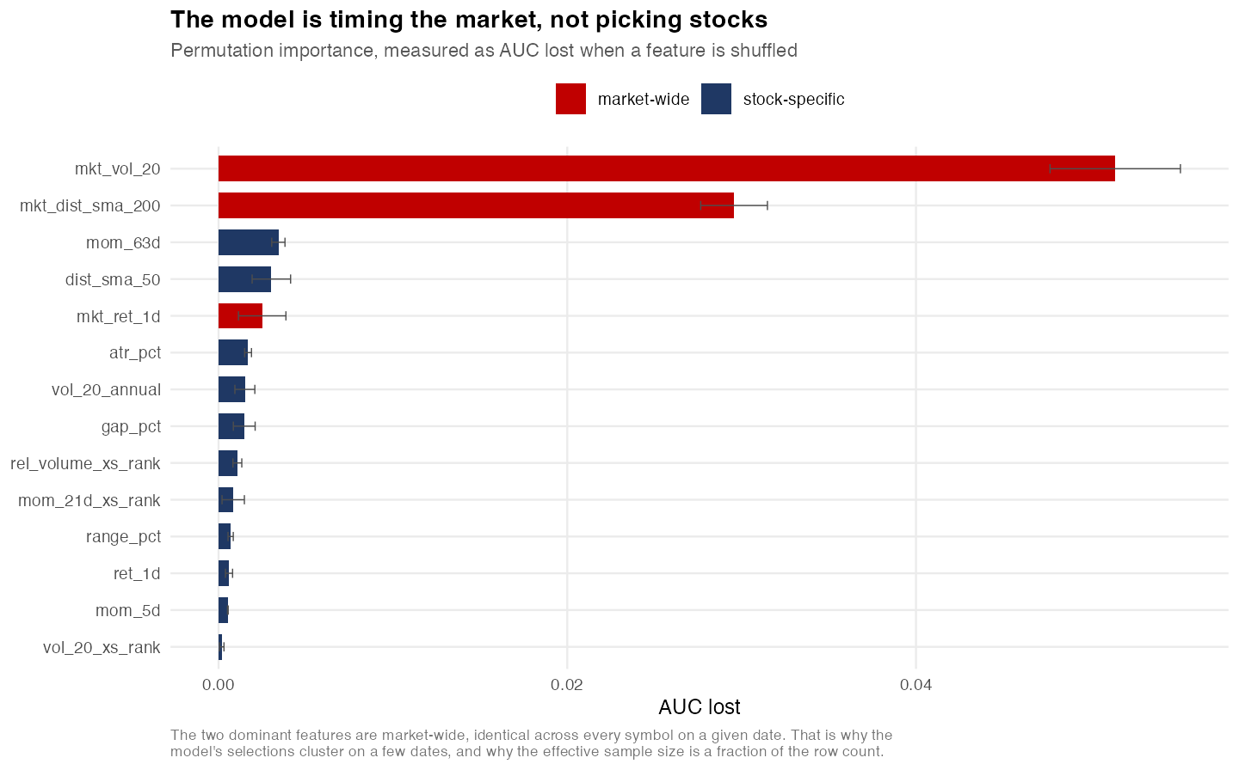
The strategy underperformed a passive benchmark.
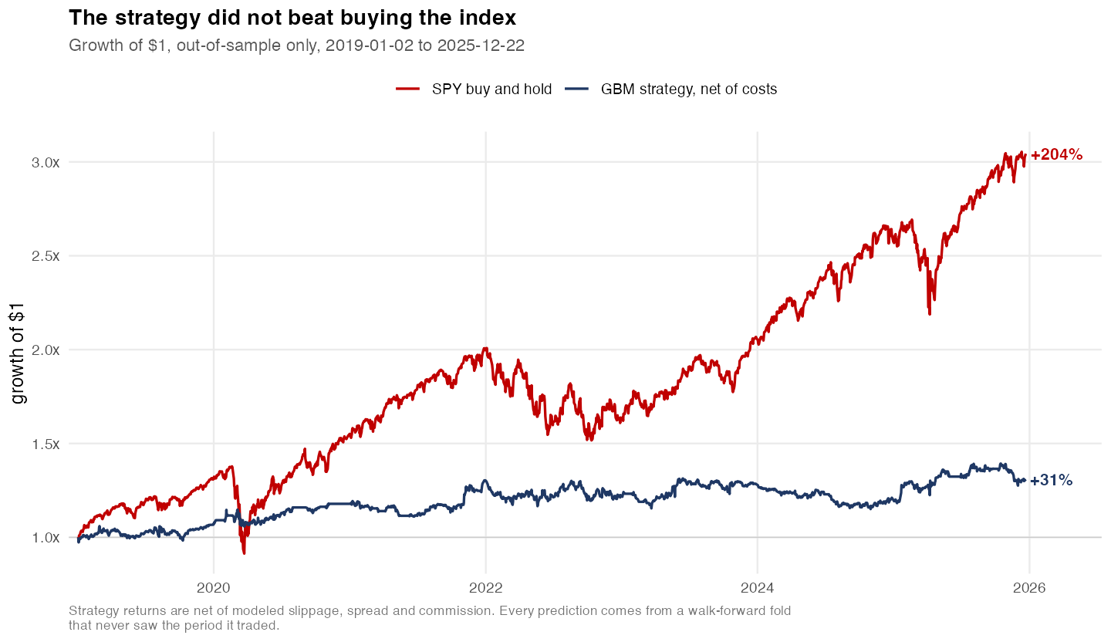

The best result sits inside the distribution of chance.
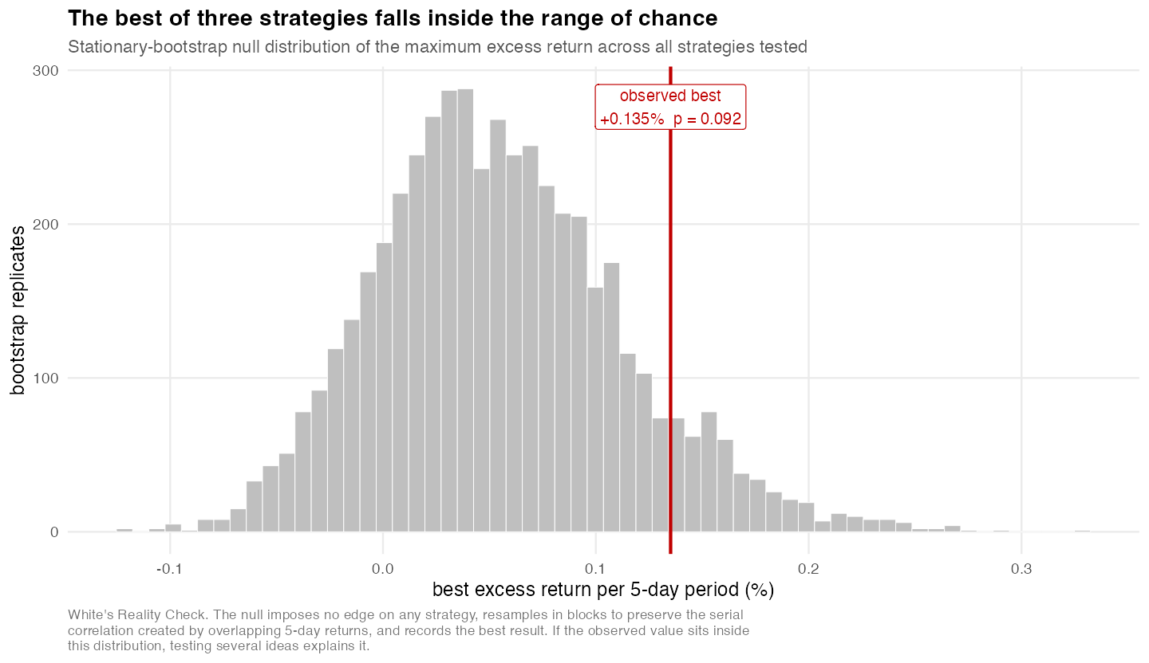

Costs consumed most of the gross edge.
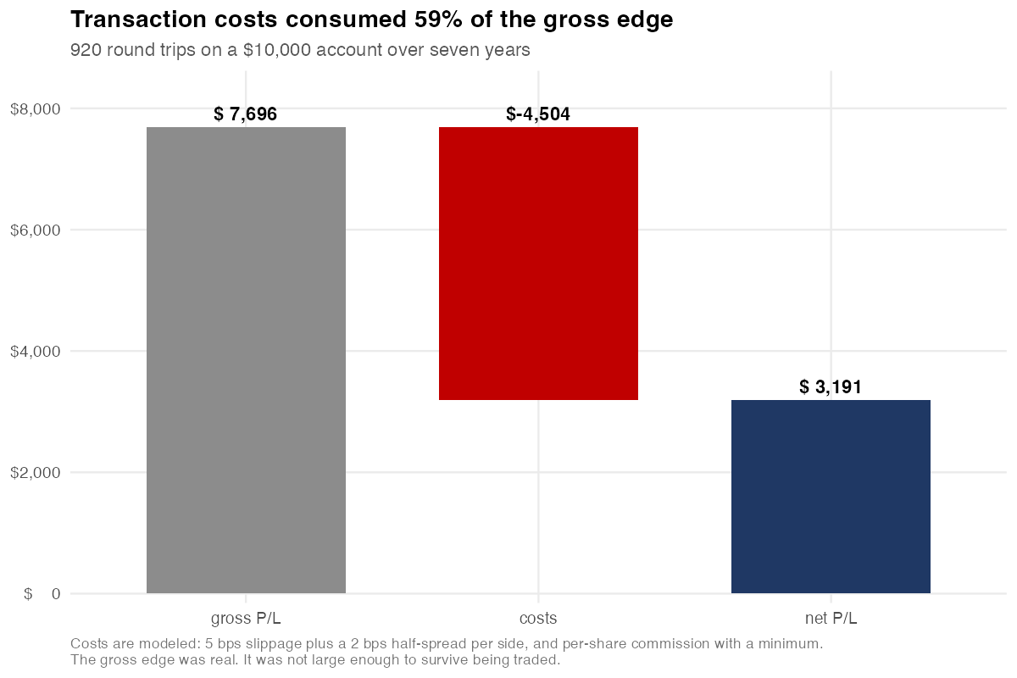

The edge does not persist across regimes.
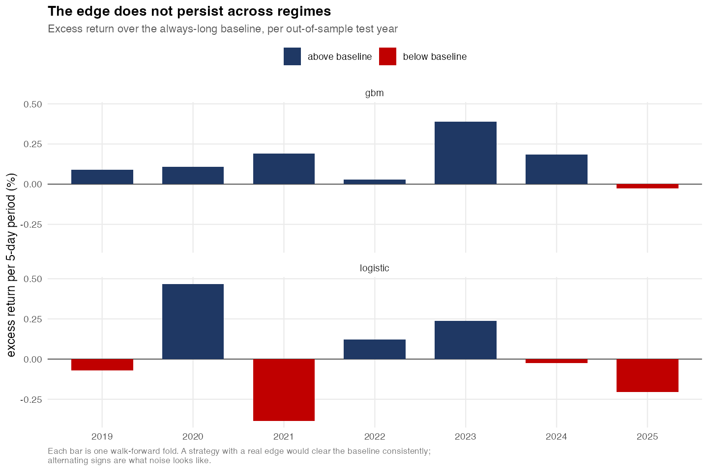

The model is timing the market, not picking stocks.

Equity curve
Strategy equity, out of sample
 | Strategy equity
2019-01-02 | 10074.298656
2019-01-03 | 9802.320586
2019-01-04 | 9980.5805194
2019-01-07 | 9978.0805194
2019-01-08 | 10007.880629
2019-01-09 | 10072.912859
2019-01-10 | 10084.000753
2019-01-11 | 10103.050802
2019-01-14 | 10090.39089
2019-01-15 | 10196.866919
2019-01-16 | 10167.122865
2019-01-17 | 10155.295984
2019-01-18 | 10171.890153
2019-01-22 | 10109.092649
2019-01-23 | 10078.988195
2019-01-24 | 10098.456735
2019-01-25 | 10183.918069
2019-01-28 | 10083.270088
2019-01-29 | 10092.349164
2019-01-30 | 9983.9228739
2019-01-31 | 10063.700538
2019-02-01 | 10060.690505
2019-02-04 | 10167.887839
2019-02-05 | 10192.160345
2019-02-06 | 10225.200298
2019-02-07 | 10135.078779
2019-02-08 | 10111.625549
2019-02-11 | 10107.225418
2019-02-12 | 10140.915458
2019-02-13 | 10157.845534
2019-02-14 | 10162.28447
2019-02-15 | 10250.914486
2019-02-19 | 10277.839573
2019-02-20 | 10289.749622
2019-02-21 | 10234.059178
2019-02-22 | 10251.655026
2019-02-25 | 10338.085823
2019-02-26 | 10322.312393
2019-02-27 | 10614.899673
2019-02-28 | 10677.055651
2019-03-01 | 10490.9171
2019-03-04 | 10440.876253
2019-03-05 | 10366.729285
2019-03-06 | 10314.058472
2019-03-07 | 10319.79829
2019-03-08 | 10443.618465
2019-03-11 | 10544.556441
2019-03-12 | 10417.57597
2019-03-13 | 10440.362839
2019-03-14 | 10429.890945
...
dt | equity | exposure | drawdown
2019-01-02 | 10074.298656 | 4929.4321651 | 0
2019-01-03 | 9802.320586 | 4837.4238671 | 0.026997221323
2019-01-04 | 9980.5805194 | 4837.4238671 | 0.0093026959227
2019-01-07 | 9978.0805194 | 4837.4238671 | 0.0095508521552
2019-01-08 | 10007.880629 | 4837.4238671 | 0.0065928189581
2019-01-09 | 10072.912859 | 4702.8136841 | 0.00013755769129
2019-01-10 | 10084.000753 | 4753.5672196 | 0
2019-01-11 | 10103.050802 | 4753.5672196 | 0
2019-01-14 | 10090.39089 | 4753.5672196 | 0.0012530781402
2019-01-15 | 10196.866919 | 4753.5672196 | 0
2019-01-16 | 10167.122865 | 1647.390419 | 0.0029169796347
2019-01-17 | 10155.295984 | 0 | 0.004076834076
2019-01-18 | 10171.890153 | 4979.6719326 | 0.0024494548948
2019-01-22 | 10109.092649 | 4979.6719326 | 0.0086079646533
2019-01-23 | 10078.988195 | 4979.6719326 | 0.011560288566
2019-01-24 | 10098.456735 | 4979.6719326 | 0.0096510216956
2019-01-25 | 10183.918069 | 4979.6719326 | 0.0012698851259
2019-01-28 | 10083.270088 | 5057.2317387 | 0.011140366145
2019-01-29 | 10092.349164 | 5057.2317387 | 0.010249987086
2019-01-30 | 9983.9228739 | 5026.063322 | 0.020883281742
2019-01-31 | 10063.700538 | 5026.063322 | 0.013059538937
2019-02-01 | 10060.690505 | 5026.063322 | 0.013354730851
2019-02-04 | 10167.887839 | 4938.2018552 | 0.0028419592146
2019-02-05 | 10192.160345 | 4938.2018552 | 0.00046157052188
2019-02-06 | 10225.200298 | 4904.7608565 | 0
2019-02-07 | 10135.078779 | 5104.4004759 | 0.0088136677794
2019-02-08 | 10111.625549 | 5052.6843073 | 0.0111073373
2019-02-11 | 10107.225418 | 5052.6843073 | 0.011537659553
2019-02-12 | 10140.915458 | 5052.6843073 | 0.0082428545999
2019-02-13 | 10157.845534 | 5016.8593053 | 0.0065871339389
2019-02-14 | 10162.28447 | 4919.1009657 | 0.0061530166467
2019-02-15 | 10250.914486 | 5072.0329936 | 0
2019-02-19 | 10277.839573 | 5072.0329936 | 0
2019-02-20 | 10289.749622 | 5072.0329936 | 0
2019-02-21 | 10234.059178 | 4535.9534639 | 0.0054122254161
2019-02-22 | 10251.655026 | 5104.9694221 | 0.0037021888094
2019-02-25 | 10338.085823 | 5117.9213952 | 0
2019-02-26 | 10322.312393 | 5117.9213952 | 0.0015257592306
2019-02-27 | 10614.899673 | 5117.9213952 | 0
2019-02-28 | 10677.055651 | 5250.8788794 | 0
2019-03-01 | 10490.9171 | 5331.6520406 | 0.017433509487
2019-03-04 | 10440.876253 | 5230.2130716 | 0.02212027416
2019-03-05 | 10366.729285 | 5117.2833776 | 0.029064788654
2019-03-06 | 10314.058472 | 4574.973385 | 0.033997872776
2019-03-07 | 10319.79829 | 4574.973385 | 0.033460288375
2019-03-08 | 10443.618465 | 4574.973385 | 0.021863441902
2019-03-11 | 10544.556441 | 5014.3240522 | 0.012409714287
2019-03-12 | 10417.57597 | 5266.4285177 | 0.02430255026
2019-03-13 | 10440.362839 | 5192.9713013 | 0.022168359947
2019-03-14 | 10429.890945 | 5192.9713013 | 0.023149144693
2019-03-15 | 10426.202698 | 5192.9713013 | 0.023494581469
2019-03-18 | 10411.128361 | 3412.3922756 | 0.024906425396
2019-03-19 | 10385.377714 | 3010.6619317 | 0.027318199604
2019-03-20 | 10456.579045 | 4574.6625367 | 0.020649569824
2019-03-21 | 10463.691014 | 4574.6625367 | 0.019983471489
2019-03-22 | 10302.993459 | 4574.6625367 | 0.035034208395
2019-03-25 | 10163.256125 | 3399.6808425 | 0.048121836478
2019-03-26 | 10227.062109 | 4936.1163433 | 0.042145845916
2019-03-27 | 10271.52298 | 5102.0323834 | 0.037981694983
2019-03-28 | 10329.162278 | 5102.0323834 | 0.032583268735
2019-03-29 | 10350.351552 | 5102.0323834 | 0.030598707211
2019-04-01 | 10450.577257 | 3249.6566103 | 0.021211690023
2019-04-02 | 10436.40959 | 1438.8064401 | 0.022538616421
2019-04-03 | 10445.010452 | 0 | 0.021733070161
2019-04-04 | 10427.297242 | 1836.3326026 | 0.023392067738
2019-04-05 | 10476.1214 | 1836.3326026 | 0.01881925672
2019-04-08 | 10480.998471 | 5099.1950105 | 0.018362476195
2019-04-09 | 10455.394376 | 5099.1950105 | 0.020760524524
2019-04-10 | 10535.824414 | 5099.1950105 | 0.013227545295
2019-04-11 | 10417.983262 | 5191.7811301 | 0.024264403768
2019-04-12 | 10407.771291 | 5191.7811301 | 0.025220844533
2019-04-15 | 10394.904168 | 5111.5617391 | 0.026425963579
2019-04-16 | 10466.99097 | 5181.1104502 | 0.019674401638
2019-04-17 | 10426.094913 | 5181.1104502 | 0.023504676432
2019-04-18 | 10452.453524 | 5118.8974713 | 0.021035961118
2019-04-22 | 10358.872769 | 5118.8974713 | 0.029800620429
2019-04-23 | 10340.594394 | 5082.6153319 | 0.031512550701
2019-04-24 | 10291.042495 | 5082.6153319 | 0.036153521075
2019-04-25 | 10273.412785 | 5145.445833 | 0.037804698229
2019-04-26 | 10160.828754 | 5129.5682285 | 0.048349181087
2019-04-29 | 10219.596633 | 5129.5682285 | 0.042845053315
2019-04-30 | 10194.318123 | 5093.0626739 | 0.045212607656
2019-05-01 | 10150.912026 | 5093.0626739 | 0.049277969759
2019-05-02 | 10191.078188 | 5025.2152032 | 0.045516056043
2019-05-03 | 10234.639158 | 5083.9000364 | 0.0414361888
2019-05-06 | 10232.935857 | 5047.9749583 | 0.041595717889
2019-05-07 | 10154.509921 | 5047.9749583 | 0.048940995305
2019-05-08 | 10198.205933 | 5047.9749583 | 0.04484848011
2019-05-09 | 10152.85711 | 5047.9749583 | 0.049095795571
2019-05-10 | 10213.600782 | 4773.0589579 | 0.043406617371
2019-05-13 | 10037.077787 | 5075.270335 | 0.059939545612
2019-05-14 | 10095.767843 | 5075.270335 | 0.054442706618
2019-05-15 | 10142.06793 | 5075.270335 | 0.050106296985
2019-05-16 | 10176.257833 | 5075.270335 | 0.046904112378
2019-05-17 | 10176.990422 | 5067.0264855 | 0.046835499001
2019-05-20 | 10022.838803 | 5081.9769383 | 0.061273151495
2019-05-21 | 10122.98251 | 5081.9769383 | 0.051893814106
2019-05-22 | 10101.06664 | 5081.9769383 | 0.053946427803
2019-05-23 | 10122.138569 | 5081.9769383 | 0.051972856565
2019-05-24 | 10107.257306 | 5021.122236 | 0.053366617543
2019-05-28 | 10136.920834 | 5042.4331484 | 0.050588367758
2019-05-29 | 10096.246914 | 5042.4331484 | 0.054397837429
2019-05-30 | 10134.036877 | 5042.4331484 | 0.050858475642
2019-05-31 | 10072.89471 | 5042.4331484 | 0.056584976293
2019-06-03 | 10025.048263 | 5023.4299416 | 0.06106621613
2019-06-04 | 10044.821304 | 3404.7616556 | 0.059214297259
2019-06-05 | 10123.95569 | 5016.8893556 | 0.051802667278
2019-06-06 | 10162.625673 | 5016.8893556 | 0.048180883879
2019-06-07 | 10171.362702 | 5076.2608884 | 0.047362584384
2019-06-10 | 10148.261605 | 4745.2212631 | 0.049526204981
2019-06-11 | 10144.715447 | 4745.2212631 | 0.049858333796
2019-06-12 | 10118.716597 | 5044.1953751 | 0.052293354292
2019-06-13 | 10140.85937 | 5044.1953751 | 0.050219489231
2019-06-14 | 10106.321599 | 4984.8238423 | 0.053454254711
2019-06-17 | 10137.739458 | 4943.8033572 | 0.050511696429
2019-06-18 | 10169.499383 | 4943.8033572 | 0.04753710054
2019-06-19 | 10208.953523 | 3032.7015453 | 0.043841874012
2019-06-20 | 10288.133668 | 3032.7015453 | 0.036425958253
2019-06-21 | 10262.253587 | 3032.7015453 | 0.038849855067
2019-06-24 | 10275.947832 | 0 | 0.037567268813
2019-06-25 | 10275.947832 | 0 | 0.037567268813
2019-06-26 | 10246.721422 | 1612.8582029 | 0.040304578686
2019-06-27 | 10281.55204 | 5100.5479695 | 0.037042385477
2019-06-28 | 10267.977499 | 5132.3602234 | 0.03831376042
2019-07-01 | 10363.047358 | 5132.3602234 | 0.02940963351
2019-07-02 | 10387.207426 | 5132.3602234 | 0.027146830982
2019-07-03 | 10408.378242 | 5129.4282294 | 0.025163998184
2019-07-05 | 10384.959838 | 4882.1651021 | 0.027357337378
2019-07-08 | 10362.255594 | 5182.1049165 | 0.029483789111
2019-07-09 | 10351.405642 | 5182.1049165 | 0.030499982438
2019-07-10 | 10392.305597 | 5182.1049165 | 0.026669342504
2019-07-11 | 10412.868943 | 5127.8846921 | 0.02474340465
2019-07-12 | 10458.204424 | 5096.1026794 | 0.020497338852
2019-07-15 | 10457.99088 | 5172.8964029 | 0.020517339084
2019-07-16 | 10444.584874 | 5172.8964029 | 0.021772929229
2019-07-17 | 10392.048775 | 3617.1904184 | 0.026693396157
2019-07-18 | 10388.188403 | 5182.9257268 | 0.027054953903
2019-07-19 | 10343.185306 | 3941.2570683 | 0.031269889025
2019-07-22 | 10319.739318 | 5153.3328713 | 0.033465811611
2019-07-23 | 10286.179214 | 5153.3328713 | 0.036609010023
2019-07-24 | 10408.869325 | 5153.3328713 | 0.025118003966
2019-07-25 | 10492.393134 | 5199.7963919 | 0.017295265956
2019-07-26 | 10600.130118 | 3232.8204238 | 0.0072047515757
2019-07-29 | 10585.723975 | 5275.3878545 | 0.0085540133588
2019-07-30 | 10545.690909 | 5275.3878545 | 0.012303461437
2019-07-31 | 10458.705883 | 5081.0602738 | 0.020450372783
2019-08-01 | 10438.914825 | 5216.2788115 | 0.022303979148
2019-08-02 | 10401.59674 | 5216.2788115 | 0.025799145412
2019-08-05 | 10176.679768 | 5145.1341621 | 0.046864594498
2019-08-06 | 10265.044787 | 5145.1341621 | 0.03858843469
2019-08-07 | 10104.45936 | 5069.9765948 | 0.053628669791
2019-08-08 | 10660.669204 | 5069.9765948 | 0.001534734651
2019-08-09 | 10666.459277 | 5069.9765948 | 0.00099244344416
2019-08-12 | 10568.494727 | 5319.3009021 | 0.010167683696
2019-08-13 | 10591.584624 | 5319.3009021 | 0.0080051121114
2019-08-14 | 10344.941231 | 5295.4442197 | 0.031105431212
2019-08-15 | 10352.496293 | 5295.4442197 | 0.030397833389
2019-08-16 | 10436.21609 | 5295.4442197 | 0.022556739377
2019-08-19 | 10517.060509 | 4638.0869229 | 0.014984949763
2019-08-20 | 10397.479048 | 4638.0869229 | 0.026184803436
2019-08-21 | 10403.462474 | 4254.4453927 | 0.025624403086
2019-08-22 | 10391.193949 | 4254.4453927 | 0.026773458085
2019-08-23 | 10236.544243 | 4299.8327401 | 0.041257760821
2019-08-26 | 10255.184737 | 5007.9080021 | 0.03951191488
2019-08-27 | 10222.72467 | 5007.9080021 | 0.042552085205
2019-08-28 | 10201.642568 | 4886.7863691 | 0.04452660912
2019-08-29 | 10292.836171 | 4886.7863691 | 0.035985527525
2019-08-30 | 10281.762447 | 5022.6233318 | 0.037022679027
2019-09-03 | 10211.185759 | 4777.3718083 | 0.043632805441
2019-09-04 | 10269.07569 | 4777.3718083 | 0.038210905189
2019-09-05 | 10345.290408 | 5112.6864425 | 0.031072727778
2019-09-06 | 10359.060591 | 5112.6864425 | 0.029783029194
2019-09-09 | 10305.862094 | 5176.3308999 | 0.034765535468
2019-09-10 | 10330.859102 | 5117.5597168 | 0.032424346276
2019-09-11 | 10443.859117 | 5117.5597168 | 0.021840902774
2019-09-12 | 10446.899263 | 5117.5597168 | 0.021556166422
2019-09-13 | 10428.319108 | 5117.5597168 | 0.023296361006
2019-09-16 | 10404.042887 | 4900.1375243 | 0.025570042316
2019-09-17 | 10423.594559 | 2747.4217278 | 0.023738856524
2019-09-18 | 10412.09462 | 2747.4217278 | 0.024815926771
2019-09-19 | 10420.194596 | 2747.4217278 | 0.024057292944
2019-09-20 | 10373.508523 | 5124.9049008 | 0.028429853506
2019-09-23 | 10331.506025 | 5059.559203 | 0.032363756211
2019-09-24 | 10311.294621 | 5161.9147984 | 0.034256731675
2019-09-25 | 10357.918438 | 5161.9147984 | 0.029890001842
2019-09-26 | 10302.850332 | 4669.1201991 | 0.035047613463
2019-09-27 | 10188.165776 | 4373.1730381 | 0.045788828967
2019-09-30 | 10229.671838 | 4373.1730381 | 0.041901421904
2019-10-01 | 10200.133558 | 5097.8959927 | 0.044667941094
2019-10-02 | 10120.933424 | 5097.8959927 | 0.052085728999
2019-10-03 | 10014.557147 | 4591.1115048 | 0.062048801299
2019-10-04 | 10077.387061 | 4591.1115048 | 0.056164228235
2019-10-07 | 10080.322057 | 4591.1115048 | 0.055889340125
2019-10-08 | 9967.1369789 | 5032.1199612 | 0.066490116342
2019-10-09 | 9972.6219109 | 5032.1199612 | 0.065976404311
2019-10-10 | 9901.5071621 | 4915.6826027 | 0.07263692488
2019-10-11 | 10067.39426 | 4915.6826027 | 0.057100141732
2019-10-14 | 10159.818876 | 4915.6826027 | 0.048443765023
2019-10-15 | 10208.752776 | 3647.5955963 | 0.043860675663
2019-10-16 | 10208.847719 | 4993.136853 | 0.043851783454
2019-10-17 | 10282.249849 | 1345.5412566 | 0.036977029596
2019-10-18 | 10301.329805 | 1345.5412566 | 0.0351900242
2019-10-21 | 10303.18979 | 1345.5412566 | 0.035015820243
2019-10-22 | 10276.837215 | 5007.1425627 | 0.037483970289
2019-10-23 | 10257.739975 | 4982.7254888 | 0.039272594406
2019-10-24 | 10415.520035 | 4982.7254888 | 0.024495106589
2019-10-25 | 10440.320023 | 4982.7254888 | 0.022172370002
2019-10-28 | 10463.459916 | 4982.7254888 | 0.020005115908
2019-10-29 | 10463.017657 | 5229.8585202 | 0.020046537317
2019-10-30 | 10501.706207 | 5206.8724438 | 0.016423014932
2019-10-31 | 10463.220151 | 5249.0779657 | 0.020027571959
2019-11-01 | 10478.965848 | 5249.0779657 | 0.018552849195
2019-11-04 | 10477.303376 | 5249.0779657 | 0.018708554272
2019-11-05 | 10480.308667 | 4790.1168572 | 0.018427082374
2019-11-06 | 10515.845005 | 5213.1827508 | 0.015098792401
2019-11-07 | 10480.61347 | 5253.2247644 | 0.018398534972
2019-11-08 | 10461.550001 | 5253.2247644 | 0.020183996203
2019-11-11 | 10484.196912 | 5253.2247644 | 0.018062914104
2019-11-12 | 10494.033124 | 5107.7428408 | 0.017141666553
2019-11-13 | 10518.824169 | 5226.8276983 | 0.014819767493
2019-11-14 | 10538.137377 | 5144.5801629 | 0.013010916036
2019-11-15 | 10510.627249 | 5262.3025103 | 0.015587481072
2019-11-18 | 10533.27264 | 5262.3025103 | 0.013466541348
2019-11-19 | 10531.509887 | 5116.7307106 | 0.013631638661
2019-11-20 | 10507.174262 | 5195.0839967 | 0.015910883546
2019-11-21 | 10493.202266 | 5195.0839967 | 0.017219483666
2019-11-22 | 10499.934361 | 5207.0783946 | 0.0165889639
2019-11-25 | 10566.5033 | 5207.0783946 | 0.010354198307
2019-11-26 | 10581.846395 | 5202.3152208 | 0.008917182697
2019-11-27 | 10618.013132 | 5224.3506085 | 0.0055298502568
2019-11-29 | 10602.776759 | 5224.3506085 | 0.006956870439
2019-12-02 | 10542.027525 | 5289.7108123 | 0.012646569467
2019-12-03 | 10515.137873 | 5126.5167003 | 0.015165021479
2019-12-04 | 10582.946345 | 5126.5167003 | 0.0088141627879
2019-12-05 | 10583.101166 | 5126.5167003 | 0.008799662405
2019-12-06 | 10626.887104 | 5126.5167003 | 0.0046987248719
2019-12-09 | 10627.653319 | 5296.2572922 | 0.0046269621438
2019-12-10 | 10590.635949 | 5288.6919416 | 0.0080939638082
2019-12-11 | 10607.508493 | 5288.6919416 | 0.0065137019939
2019-12-12 | 10665.11857 | 5288.6919416 | 0.0011180125093
2019-12-13 | 10699.905221 | 5288.6919416 | 0
2019-12-16 | 10705.323679 | 5314.663585 | 0
2019-12-17 | 10666.07037 | 5346.8160503 | 0.0036667092686
2019-12-18 | 10695.312267 | 5346.8160503 | 0.00093518068907
2019-12-19 | 10739.130321 | 5346.8160503 | 0
2019-12-20 | 10727.718288 | 5346.8160503 | 0.0010626589621
2019-12-23 | 10745.171077 | 1802.070534 | 0
2019-12-24 | 10745.212047 | 0 | 0
2019-12-26 | 10745.212047 | 0 | 0
2019-12-27 | 10745.212047 | 0 | 0
2019-12-30 | 10752.411555 | 5346.9000019 | 0
2019-12-31 | 10751.131648 | 5346.9000019 | 0.00011903443428
2020-01-02 | 10868.291682 | 5346.9000019 | 0
2020-01-03 | 10839.651545 | 5346.9000019 | 0.0026352013322
2020-01-06 | 10984.812068 | 5346.9000019 | 0
2020-01-07 | 10994.230967 | 0 | 0
2020-01-08 | 10994.230967 | 0 | 0
2020-01-09 | 10994.230967 | 0 | 0
2020-01-10 | 10994.230967 | 0 | 0
2020-01-13 | 10994.230967 | 0 | 0
2020-01-14 | 10994.230967 | 0 | 0
2020-01-15 | 10994.230967 | 0 | 0
2020-01-16 | 10994.230967 | 0 | 0
2020-01-17 | 10994.230967 | 0 | 0
2020-01-21 | 10994.230967 | 0 | 0
2020-01-22 | 10994.230967 | 0 | 0
2020-01-23 | 10994.230967 | 0 | 0
2020-01-24 | 10994.230967 | 0 | 0
2020-01-27 | 10994.230967 | 0 | 0
2020-01-28 | 10994.230967 | 0 | 0
2020-01-29 | 10994.230967 | 0 | 0
2020-01-30 | 10994.230967 | 0 | 0
2020-01-31 | 10924.76038 | 5488.5334769 | 0.0063188218578
2020-02-03 | 11196.017017 | 5488.5334769 | 0
2020-02-04 | 11547.670483 | 5488.5334769 | 0
2020-02-05 | 11227.68784 | 5488.5334769 | 0.027709713713
2020-02-06 | 11286.727535 | 5488.5334769 | 0.022597020566
2020-02-07 | 11246.434987 | 0 | 0.026086256651
2020-02-10 | 11246.434987 | 0 | 0.026086256651
2020-02-11 | 11246.434987 | 0 | 0.026086256651
2020-02-12 | 11246.434987 | 0 | 0.026086256651
2020-02-13 | 11246.434987 | 0 | 0.026086256651
2020-02-14 | 11246.434987 | 0 | 0.026086256651
2020-02-18 | 11246.434987 | 0 | 0.026086256651
2020-02-19 | 11246.434987 | 0 | 0.026086256651
2020-02-20 | 11246.434987 | 0 | 0.026086256651
2020-02-21 | 11246.434987 | 0 | 0.026086256651
2020-02-24 | 11150.27601 | 5575.8148471 | 0.034413388654
2020-02-25 | 10908.173051 | 5496.3848858 | 0.055378912349
2020-02-26 | 10906.083108 | 5496.3848858 | 0.055559896292
2020-02-27 | 10999.295435 | 5446.1248095 | 0.047487936979
2020-02-28 | 11035.788238 | 5446.1248095 | 0.044327749549
2020-03-02 | 11355.513705 | 5446.1248095 | 0.016640306642
2020-03-03 | 11193.530427 | 5446.1248095 | 0.030667662033
2020-03-04 | 11531.959436 | 5446.1248095 | 0.001360538229
2020-03-05 | 11561.149136 | 5360.1093152 | 0
2020-03-06 | 11457.529247 | 5360.1093152 | 0.0089627672034
2020-03-09 | 11052.153759 | 5109.8943168 | 0.044026365455
2020-03-10 | 11341.504017 | 5109.8943168 | 0.018998554251
2020-03-11 | 11064.03387 | 5109.8943168 | 0.042998776281
2020-03-12 | 10745.119469 | 4361.7760029 | 0.070583785146
2020-03-13 | 11038.331852 | 4361.7760029 | 0.045221913256
2020-03-16 | 10691.806058 | 4059.0642529 | 0.075195213469
2020-03-17 | 10956.171796 | 4059.0642529 | 0.052328478094
2020-03-18 | 10982.8784 | 4059.0642529 | 0.050018447863
2020-03-19 | 10994.411424 | 3197.4882019 | 0.049020880628
2020-03-20 | 10833.552026 | 3197.4882019 | 0.062934670338
2020-03-23 | 10658.462541 | 2877.1641335 | 0.078079314092
2020-03-24 | 10725.960756 | 2877.1641335 | 0.072240948551
2020-03-25 | 10731.238511 | 2877.1641335 | 0.071784440666
2020-03-26 | 10892.118193 | 2493.7844442 | 0.057868896478
2020-03-27 | 10849.828097 | 2493.7844442 | 0.061526845683
2020-03-30 | 10873.087009 | 2281.6912929 | 0.059515029004
2020-03-31 | 10840.370056 | 2281.6912929 | 0.062344933963
2020-04-01 | 10771.278957 | 2281.6912929 | 0.068321078547
2020-04-02 | 10840.714525 | 2578.9060718 | 0.062315138574
2020-04-03 | 10736.400927 | 2578.9060718 | 0.071337909356
2020-04-06 | 10755.466722 | 2481.5741054 | 0.069688783006
2020-04-07 | 10793.489855 | 2481.5741054 | 0.066399911643
2020-04-08 | 10859.158273 | 2481.5741054 | 0.060719817206
2020-04-09 | 10876.785449 | 2923.1160848 | 0.059195126599
2020-04-13 | 10832.425097 | 2923.1160848 | 0.06303214583
2020-04-14 | 10949.440715 | 4163.3923775 | 0.052910693704
2020-04-15 | 10931.070827 | 4163.3923775 | 0.054499626438
2020-04-16 | 10908.470729 | 4163.3923775 | 0.056454457865
2020-04-17 | 11016.848496 | 4503.8505099 | 0.047080150382
2020-04-20 | 10959.868363 | 4503.8505099 | 0.052008737704
2020-04-21 | 10773.953527 | 5219.9060188 | 0.068089737414
2020-04-22 | 10757.348071 | 5219.9060188 | 0.069526052715
2020-04-23 | 10772.238673 | 5219.9060188 | 0.068238066379
2020-04-24 | 10791.294658 | 4446.5301689 | 0.066589788629
2020-04-27 | 10871.94025 | 4446.5301689 | 0.059614219783
2020-04-28 | 10866.682773 | 4876.1607246 | 0.060068973608
2020-04-29 | 11126.188213 | 4876.1607246 | 0.03762263746
2020-04-30 | 10987.786869 | 4876.1607246 | 0.049593882072
2020-05-01 | 10951.963524 | 4839.3251948 | 0.052692479327
2020-05-04 | 10883.468506 | 5084.3379438 | 0.058617064934
2020-05-05 | 10875.226896 | 5084.3379438 | 0.059329936075
2020-05-06 | 10757.602041 | 5084.3379438 | 0.069504085172
2020-05-07 | 10810.009447 | 5084.3379438 | 0.06497102317
2020-05-08 | 10955.184562 | 5380.464021 | 0.052413870511
2020-05-11 | 10962.961571 | 5460.7587229 | 0.051741185743
2020-05-12 | 10899.823853 | 5460.7587229 | 0.057202383195
2020-05-13 | 10881.8034 | 5444.3703288 | 0.058761090906
2020-05-14 | 10941.179535 | 5425.825645 | 0.053625257591
2020-05-15 | 10853.882797 | 5454.0264554 | 0.061176127912
2020-05-18 | 11071.722569 | 5454.0264554 | 0.042333730092
2020-05-19 | 10978.089676 | 5454.0264554 | 0.050432656203
2020-05-20 | 11084.889002 | 5485.3652489 | 0.041194878436
2020-05-21 | 11117.233151 | 5522.8832877 | 0.038397219799
2020-05-22 | 11100.231345 | 5555.704281 | 0.039867818045
2020-05-26 | 11010.861434 | 5555.704281 | 0.047598010792
2020-05-27 | 11056.69945 | 5502.1480601 | 0.043633178681
2020-05-28 | 11046.678152 | 5502.1480601 | 0.044499986758
2020-05-29 | 11094.022535 | 5315.0901596 | 0.04040485895
2020-06-01 | 11162.239315 | 5315.0901596 | 0.034504339987
2020-06-02 | 11171.280227 | 5315.0901596 | 0.033722331939
2020-06-03 | 11128.279158 | 5519.5138386 | 0.037441777858
2020-06-04 | 11097.104964 | 5519.5138386 | 0.040138239427
2020-06-05 | 11149.492364 | 3381.9856451 | 0.035606907809
2020-06-08 | 11204.792238 | 3381.9856451 | 0.030823657225
2020-06-09 | 11024.945308 | 5565.6492183 | 0.046379803693
2020-06-10 | 11306.087264 | 5498.5623504 | 0.022061982678
2020-06-11 | 11054.55715 | 5498.5623504 | 0.04381848026
2020-06-12 | 11022.68948 | 4978.1167809 | 0.046574925112
2020-06-15 | 11101.758244 | 4978.1167809 | 0.039735746515
2020-06-16 | 11196.677014 | 4978.1167809 | 0.031525596406
2020-06-17 | 11238.738138 | 5596.9172186 | 0.027887452511
2020-06-18 | 11257.072588 | 5596.9172186 | 0.02630158509
2020-06-19 | 11242.734247 | 5618.4146706 | 0.027541802718
2020-06-22 | 11270.377618 | 5618.4146706 | 0.025150745285
2020-06-23 | 11272.945814 | 5618.4146706 | 0.02492860514
2020-06-24 | 11208.02741 | 5622.9002454 | 0.030543825849
2020-06-25 | 11263.399289 | 5622.9002454 | 0.025754346972
2020-06-26 | 11173.202367 | 5614.1197351 | 0.033556073377
2020-06-29 | 11332.949128 | 5614.1197351 | 0.019738522937
2020-06-30 | 11378.951076 | 5614.1197351 | 0.015759511261
2020-07-01 | 11334.322272 | 4679.9395673 | 0.019619750672
2020-07-02 | 11356.123719 | 4679.9395673 | 0.017733999813
2020-07-06 | 11421.515515 | 5660.8631221 | 0.012077832311
2020-07-07 | 11402.110938 | 5706.9074155 | 0.013756262116
2020-07-08 | 11408.020079 | 5706.9074155 | 0.013245141511
2020-07-09 | 11274.23126 | 5686.6979778 | 0.024817418454
2020-07-10 | 11432.951475 | 5686.6979778 | 0.011088660786
2020-07-13 | 11460.104675 | 5702.9178179 | 0.0087400014609
2020-07-14 | 11519.745651 | 5725.6451951 | 0.0035812603459
2020-07-15 | 11560.847461 | 5725.6451951 | 2.6093815847E-05
2020-07-16 | 11560.739374 | 4906.059836 | 3.5442975124E-05
2020-07-17 | 11562.468302 | 4906.059836 | 0
2020-07-20 | 11616.744869 | 4579.0214714 | 0
2020-07-21 | 11535.767416 | 4556.2940941 | 0.0069707524265
2020-07-22 | 11584.167374 | 4556.2940941 | 0.0028043565726
2020-07-23 | 11516.576327 | 2346.0399754 | 0.0086227719204
2020-07-24 | 11434.177036 | 5400.0139302 | 0.015715919924
2020-07-27 | 11530.840143 | 5400.0139302 | 0.0073949050429
2020-07-28 | 11441.332058 | 5400.0139302 | 0.01509999681
2020-07-29 | 11524.25201 | 5400.0139302 | 0.0079620288743
2020-07-30 | 11573.473618 | 5400.0139302 | 0.0037249032625
2020-07-31 | 11678.550423 | 0 | 0
2020-08-03 | 11678.550423 | 0 | 0
2020-08-04 | 11678.550423 | 0 | 0
2020-08-05 | 11678.550423 | 0 | 0
2020-08-06 | 11678.550423 | 0 | 0
2020-08-07 | 11678.550423 | 0 | 0
2020-08-10 | 11678.550423 | 0 | 0
2020-08-11 | 11678.550423 | 0 | 0
2020-08-12 | 11678.550423 | 0 | 0
2020-08-13 | 11678.550423 | 0 | 0
2020-08-14 | 11678.550423 | 0 | 0
2020-08-17 | 11678.550423 | 0 | 0
2020-08-18 | 11678.550423 | 0 | 0
2020-08-19 | 11678.550423 | 0 | 0
2020-08-20 | 11678.550423 | 0 | 0
2020-08-21 | 11678.550423 | 0 | 0
2020-08-24 | 11678.550423 | 0 | 0
2020-08-25 | 11678.550423 | 0 | 0
2020-08-26 | 11678.550423 | 0 | 0
2020-08-27 | 11678.550423 | 0 | 0
2020-08-28 | 11678.550423 | 0 | 0
2020-08-31 | 11678.550423 | 0 | 0
2020-09-01 | 11678.550423 | 0 | 0
2020-09-02 | 11678.550423 | 0 | 0
2020-09-03 | 11678.550423 | 0 | 0
2020-09-04 | 11678.550423 | 0 | 0
2020-09-08 | 11647.571156 | 5464.3359856 | 0.0026526637026
2020-09-09 | 11621.77023 | 5464.3359856 | 0.0048619212965
2020-09-10 | 11534.019324 | 1349.3779401 | 0.012375773884
2020-09-11 | 11518.116305 | 1349.3779401 | 0.013737502727
2020-09-14 | 11594.553236 | 1349.3779401 | 0.0071924325902
2020-09-15 | 11607.378298 | 1349.3779401 | 0.0060942601858
2020-09-16 | 11555.916243 | 1349.3779401 | 0.010500804949
2020-09-17 | 11513.659967 | 0 | 0.014119085866
2020-09-18 | 11513.659967 | 0 | 0.014119085866
2020-09-21 | 11452.555005 | 5748.0427651 | 0.019351324467
2020-09-22 | 11558.050755 | 5748.0427651 | 0.010318032954
2020-09-23 | 11377.654233 | 5748.0427651 | 0.025764857772
2020-09-24 | 11405.373803 | 5675.2364347 | 0.023391312279
2020-09-25 | 11483.190774 | 5675.2364347 | 0.016728073434
2020-09-28 | 11544.626939 | 1645.3955772 | 0.011467474927
2020-09-29 | 11545.388856 | 5649.3113613 | 0.011402234236
2020-09-30 | 11579.550137 | 5649.3113613 | 0.0084771039458
2020-10-01 | 11610.261901 | 4003.9157841 | 0.0058473457428
2020-10-02 | 11542.887412 | 4003.9157841 | 0.011616425499
2020-10-05 | 11637.807967 | 4003.9157841 | 0.0034886569256
2020-10-06 | 11633.680005 | 2059.4038445 | 0.0038421222634
2020-10-07 | 11667.122499 | 2059.4038445 | 0.00097853961138
2020-10-08 | 11648.710769 | 2059.4038445 | 0.0025550820028
2020-10-09 | 11637.538738 | 2059.4038445 | 0.0035117102656
2020-10-12 | 11705.636511 | 2059.4038445 | 0
2020-10-13 | 11714.969531 | 0 | 0
2020-10-14 | 11714.969531 | 0 | 0
2020-10-15 | 11714.969531 | 0 | 0
2020-10-16 | 11714.969531 | 0 | 0
2020-10-19 | 11714.969531 | 0 | 0
2020-10-20 | 11714.969531 | 0 | 0
2020-10-21 | 11714.969531 | 0 | 0
2020-10-22 | 11714.969531 | 0 | 0
2020-10-23 | 11714.969531 | 0 | 0
2020-10-26 | 11714.969531 | 0 | 0
2020-10-27 | 11714.969531 | 0 | 0
2020-10-28 | 11686.804527 | 5559.7851538 | 0.002404189241
2020-10-29 | 11743.806677 | 5842.7323268 | 0
2020-10-30 | 11639.824391 | 5636.7748266 | 0.0088542232203
2020-11-02 | 11741.232922 | 5636.7748266 | 0.00021915845981
2020-11-03 | 11860.353863 | 5636.7748266 | 0
2020-11-04 | 11807.825431 | 1991.4755735 | 0.0044289093529
2020-11-05 | 11882.551627 | 1708.5284005 | 0
2020-11-06 | 11872.800633 | 0 | 0.00082061452118
2020-11-09 | 11872.800633 | 0 | 0.00082061452118
2020-11-10 | 11872.800633 | 0 | 0.00082061452118
2020-11-11 | 11872.800633 | 0 | 0.00082061452118
2020-11-12 | 11872.800633 | 0 | 0.00082061452118
2020-11-13 | 11872.800633 | 0 | 0.00082061452118
2020-11-16 | 11872.800633 | 0 | 0.00082061452118
2020-11-17 | 11872.800633 | 0 | 0.00082061452118
2020-11-18 | 11872.800633 | 0 | 0.00082061452118
2020-11-19 | 11872.800633 | 0 | 0.00082061452118
2020-11-20 | 11872.800633 | 0 | 0.00082061452118
2020-11-23 | 11872.800633 | 0 | 0.00082061452118
2020-11-24 | 11872.800633 | 0 | 0.00082061452118
2020-11-25 | 11872.800633 | 0 | 0.00082061452118
2020-11-27 | 11872.800633 | 0 | 0.00082061452118
2020-11-30 | 11872.800633 | 0 | 0.00082061452118
2020-12-01 | 11872.800633 | 0 | 0.00082061452118
2020-12-02 | 11872.800633 | 0 | 0.00082061452118
2020-12-03 | 11872.800633 | 0 | 0.00082061452118
2020-12-04 | 11872.800633 | 0 | 0.00082061452118
2020-12-07 | 11872.800633 | 0 | 0.00082061452118
2020-12-08 | 11872.800633 | 0 | 0.00082061452118
2020-12-09 | 11872.800633 | 0 | 0.00082061452118
2020-12-10 | 11872.800633 | 0 | 0.00082061452118
2020-12-11 | 11872.800633 | 0 | 0.00082061452118
2020-12-14 | 11872.800633 | 0 | 0.00082061452118
2020-12-15 | 11872.800633 | 0 | 0.00082061452118
2020-12-16 | 11872.800633 | 0 | 0.00082061452118
2020-12-17 | 11872.800633 | 0 | 0.00082061452118
2020-12-18 | 11872.800633 | 0 | 0.00082061452118
2020-12-21 | 11872.800633 | 0 | 0.00082061452118
2020-12-22 | 11872.800633 | 0 | 0.00082061452118
2020-12-23 | 11872.800633 | 0 | 0.00082061452118
2020-12-24 | 11872.800633 | 0 | 0.00082061452118
2020-12-28 | 11872.800633 | 0 | 0.00082061452118
2020-12-29 | 11872.800633 | 0 | 0.00082061452118
2020-12-30 | 11872.800633 | 0 | 0.00082061452118
2020-12-31 | 11872.800633 | 0 | 0.00082061452118
2021-01-04 | 11881.029342 | 3953.5856729 | 0.00012811098342
2021-01-05 | 11944.830589 | 5910.2533935 | 0
2021-01-06 | 11828.424781 | 5910.2533935 | 0.0097452874388
2021-01-07 | 11920.543945 | 5910.2533935 | 0.0020332346953
2021-01-08 | 12020.63739 | 5910.2533935 | 0
2021-01-11 | 11918.613822 | 5904.2991552 | 0.0084873675174
2021-01-12 | 11881.516814 | 5709.714051 | 0.011573477403
2021-01-13 | 11897.178756 | 5709.714051 | 0.010270556349
2021-01-14 | 11786.034804 | 5709.714051 | 0.019516651029
2021-01-15 | 11762.290388 | 5155.476411 | 0.021491955295
2021-01-19 | 11805.78671 | 5457.147455 | 0.017873484792
2021-01-20 | 11965.351542 | 3695.0648386 | 0.0045992442692
2021-01-21 | 11998.621753 | 5703.2996367 | 0.0018314866331
2021-01-22 | 12002.121997 | 5703.2996367 | 0.0015403003984
2021-01-25 | 11959.736081 | 5207.3725915 | 0.0050663959252
2021-01-26 | 11958.303268 | 5732.8634993 | 0.0051855920472
2021-01-27 | 11797.31971 | 3724.6287012 | 0.018577856779
2021-01-28 | 11727.229459 | 3657.3315651 | 0.024408683282
2021-01-29 | 11626.596433 | 3657.3315651 | 0.03278037131
2021-02-01 | 11714.712798 | 1384.3016158 | 0.025449947618
2021-02-02 | 11769.679381 | 1384.3016158 | 0.020877263037
2021-02-03 | 11757.93506 | 5628.4705291 | 0.021854276181
2021-02-04 | 11706.907722 | 5698.5662536 | 0.02609925396
2021-02-05 | 11691.087775 | 5698.5662536 | 0.027415319471
2021-02-08 | 11695.267798 | 5698.5662536 | 0.027067582237
2021-02-09 | 11739.827888 | 5698.5662536 | 0.023360616652
2021-02-10 | 11759.627623 | 5843.0171215 | 0.021713471408
2021-02-11 | 11751.81784 | 5853.2242432 | 0.022363169317
2021-02-12 | 11763.338012 | 5853.2242432 | 0.021404803155
2021-02-16 | 11728.718048 | 5853.2242432 | 0.024284847156
2021-02-17 | 11798.728027 | 5853.2242432 | 0.018460698488
2021-02-18 | 11776.998973 | 5742.6425948 | 0.020268344215
2021-02-19 | 11737.009853 | 4278.0381328 | 0.023595049658
2021-02-22 | 11668.50703 | 3058.4350078 | 0.029293817626
2021-02-23 | 11629.621051 | 0 | 0.032528752484
2021-02-24 | 11640.511759 | 2994.4146313 | 0.031622751605
2021-02-25 | 11535.871745 | 2994.4146313 | 0.040327782067
2021-02-26 | 11542.351847 | 2994.4146313 | 0.039788700625
2021-03-01 | 11699.071818 | 2994.4146313 | 0.026751124861
2021-03-02 | 11634.991862 | 2994.4146313 | 0.032081953333
2021-03-03 | 11626.549553 | 0 | 0.032784271205
2021-03-04 | 11626.549553 | 0 | 0.032784271205
2021-03-05 | 11626.549553 | 0 | 0.032784271205
2021-03-08 | 11626.549553 | 0 | 0.032784271205
2021-03-09 | 11626.549553 | 0 | 0.032784271205
2021-03-10 | 11626.549553 | 0 | 0.032784271205
2021-03-11 | 11626.549553 | 0 | 0.032784271205
2021-03-12 | 11626.549553 | 0 | 0.032784271205
2021-03-15 | 11638.775282 | 4756.447118 | 0.031767209619
2021-03-16 | 11592.935194 | 4756.447118 | 0.03558065864
2021-03-17 | 11596.195246 | 5599.8370658 | 0.035309454058
2021-03-18 | 11443.297622 | 2993.2937911 | 0.048029047824
2021-03-19 | 11481.377639 | 2993.2937911 | 0.044861161143
2021-03-22 | 11485.081151 | 843.38994778 | 0.044553064944
2021-03-23 | 11484.401159 | 843.38994778 | 0.044609633715
2021-03-24 | 11483.908774 | 0 | 0.044650595311
2021-03-25 | 11483.908774 | 0 | 0.044650595311
2021-03-26 | 11483.908774 | 0 | 0.044650595311
2021-03-29 | 11483.908774 | 0 | 0.044650595311
2021-03-30 | 11483.908774 | 0 | 0.044650595311
2021-03-31 | 11483.908774 | 0 | 0.044650595311
2021-04-01 | 11483.908774 | 0 | 0.044650595311
2021-04-05 | 11483.908774 | 0 | 0.044650595311
2021-04-06 | 11467.465267 | 5693.5127003 | 0.046018534978
2021-04-07 | 11518.142361 | 5693.5127003 | 0.041802694182
2021-04-08 | 11554.173275 | 5693.5127003 | 0.038805272902
2021-04-09 | 11660.573483 | 5693.5127003 | 0.02995381153
2021-04-12 | 11675.002407 | 5693.5127003 | 0.028753465484
2021-04-13 | 11673.926506 | 5783.6497267 | 0.028842969967
2021-04-14 | 11748.790062 | 5783.6497267 | 0.022615050974
2021-04-15 | 11697.110782 | 5867.0080398 | 0.026914263948
2021-04-16 | 11701.851871 | 5867.0080398 | 0.026519851513
2021-04-19 | 11714.150813 | 5867.0080398 | 0.025496699231
2021-04-20 | 11685.496685 | 5848.5968799 | 0.027880443719
2021-04-21 | 11753.822989 | 5848.5968799 | 0.022196360482
2021-04-22 | 11681.976073 | 5848.5968799 | 0.028173324421
2021-04-23 | 11716.162934 | 5848.5968799 | 0.02532931042
2021-04-26 | 11767.174767 | 5848.5968799 | 0.02108562254
2021-04-27 | 11739.143025 | 5750.9194799 | 0.023417590548
2021-04-28 | 11675.596654 | 5750.9194799 | 0.028704029977
2021-04-29 | 11781.036351 | 5750.9194799 | 0.019932473707
2021-04-30 | 11751.489934 | 5750.9194799 | 0.022390447962
2021-05-03 | 11667.829655 | 5750.9194799 | 0.029350168617
2021-05-04 | 11472.072999 | 5792.9496892 | 0.045635216569
2021-05-05 | 11474.851518 | 5792.9496892 | 0.045404070866
2021-05-06 | 11509.149766 | 5792.9496892 | 0.04255079053
2021-05-07 | 11546.55819 | 5792.9496892 | 0.039438773823
2021-05-10 | 11415.70562 | 5601.902735 | 0.050324433711
2021-05-11 | 11328.36122 | 1399.2054738 | 0.057590637441
2021-05-12 | 11264.637892 | 1399.2054738 | 0.062891797902
2021-05-13 | 11222.171233 | 1399.2054738 | 0.066424610528
2021-05-14 | 11264.287871 | 1399.2054738 | 0.062920916271
2021-05-17 | 11230.216594 | 0 | 0.065755314758
2021-05-18 | 11230.216594 | 0 | 0.065755314758
2021-05-19 | 11230.216594 | 0 | 0.065755314758
2021-05-20 | 11230.216594 | 0 | 0.065755314758
2021-05-21 | 11230.216594 | 0 | 0.065755314758
2021-05-24 | 11230.216594 | 0 | 0.065755314758
2021-05-25 | 11230.216594 | 0 | 0.065755314758
2021-05-26 | 11230.216594 | 0 | 0.065755314758
2021-05-27 | 11230.216594 | 0 | 0.065755314758
2021-05-28 | 11230.216594 | 0 | 0.065755314758
2021-06-01 | 11230.216594 | 0 | 0.065755314758
2021-06-02 | 11230.216594 | 0 | 0.065755314758
2021-06-03 | 11230.216594 | 0 | 0.065755314758
2021-06-04 | 11230.216594 | 0 | 0.065755314758
2021-06-07 | 11230.216594 | 0 | 0.065755314758
2021-06-08 | 11230.216594 | 0 | 0.065755314758
2021-06-09 | 11230.216594 | 0 | 0.065755314758
2021-06-10 | 11204.849839 | 5594.2367738 | 0.067865581828
2021-06-11 | 11282.136601 | 5594.2367738 | 0.06143607566
2021-06-14 | 11306.270596 | 5594.2367738 | 0.059428362235
2021-06-15 | 11260.520986 | 5594.2367738 | 0.063234284452
2021-06-16 | 11227.862894 | 2553.7933781 | 0.065951119682
2021-06-17 | 11234.268856 | 5069.8984132 | 0.065418206063
2021-06-18 | 11223.78302 | 5586.6499009 | 0.06629052552
2021-06-21 | 11189.475177 | 2992.6433117 | 0.069144603995
2021-06-22 | 11187.492593 | 5558.401549 | 0.069309535743
2021-06-23 | 11196.628983 | 5558.401549 | 0.068549476988
2021-06-24 | 11249.758955 | 5524.2177249 | 0.064129580615
2021-06-25 | 11249.084637 | 5621.2880986 | 0.064185677298
2021-06-28 | 11250.34982 | 5621.2880986 | 0.064080426432
2021-06-29 | 11245.578208 | 3055.5298613 | 0.064477378107
2021-06-30 | 11244.079067 | 5613.5441867 | 0.06460209199
2021-07-01 | 11227.342718 | 5513.3241108 | 0.065994393276
2021-07-02 | 11339.883583 | 5610.5496528 | 0.056632089022
2021-07-06 | 11375.563713 | 5610.5496528 | 0.053663849581
2021-07-07 | 11373.843574 | 5610.5496528 | 0.053806948362
2021-07-08 | 11283.505957 | 2341.487924 | 0.061322158613
2021-07-09 | 11244.329503 | 5555.7183442 | 0.064581258205
2021-07-12 | 11308.437535 | 5555.7183442 | 0.059248094068
2021-07-13 | 11322.679339 | 5642.9793812 | 0.058063314633
2021-07-14 | 11365.521349 | 5642.9793812 | 0.054499276462
2021-07-15 | 11311.413248 | 5642.9793812 | 0.059000543669
2021-07-16 | 11337.879717 | 87.261036946 | 0.05679879112
2021-07-19 | 11308.041378 | 5575.62019 | 0.059281050447
2021-07-20 | 11328.057653 | 5648.971503 | 0.057615891226
2021-07-21 | 11382.017401 | 5648.971503 | 0.053126965592
2021-07-22 | 11416.217642 | 5648.971503 | 0.050281838501
2021-07-23 | 11548.77741 | 5648.971503 | 0.039254156326
2021-07-26 | 11490.572574 | 5770.8068502 | 0.044096232007
2021-07-27 | 11493.431447 | 5610.1945002 | 0.043858401648
2021-07-28 | 11563.241303 | 5610.1945002 | 0.03805090125
2021-07-29 | 11545.741327 | 5754.675571 | 0.039506728872
2021-07-30 | 11503.167288 | 5754.675571 | 0.043048474462
2021-08-02 | 11553.025363 | 144.48107089 | 0.038900767994
2021-08-03 | 11527.206328 | 5751.3931408 | 0.041048660392
2021-08-04 | 11663.875227 | 5751.3931408 | 0.029679138535
2021-08-05 | 11721.67793 | 5784.4662635 | 0.024870516392
2021-08-06 | 11684.226938 | 5784.4662635 | 0.027986074358
2021-08-09 | 11728.726037 | 5784.4662635 | 0.024284182496
2021-08-10 | 11723.934213 | 177.55419367 | 0.024682815639
2021-08-11 | 11697.312398 | 2841.9981122 | 0.02689749149
2021-08-12 | 11721.11485 | 5824.6045874 | 0.024917359166
2021-08-13 | 11790.176797 | 5824.6045874 | 0.019172077562
2021-08-16 | 11781.514947 | 5824.6045874 | 0.01989265915
2021-08-17 | 11703.156663 | 5824.6045874 | 0.026411305496
2021-08-18 | 11628.761616 | 5760.1894378 | 0.032600249097
2021-08-19 | 11644.42262 | 5792.3080508 | 0.031297406082
2021-08-20 | 11753.363858 | 5792.3080508 | 0.02223455568
2021-08-23 | 11816.623101 | 5792.3080508 | 0.016972002542
2021-08-24 | 11827.846078 | 5792.3080508 | 0.016038360147
2021-08-25 | 11861.560845 | 3192.2792818 | 0.013233619736
2021-08-26 | 11851.749739 | 0 | 0.014049808289
2021-08-27 | 11824.077519 | 5684.4160661 | 0.016351867594
2021-08-30 | 11842.257145 | 5684.4160661 | 0.014839499666
2021-08-31 | 11824.977299 | 5684.4160661 | 0.016277014636
2021-09-01 | 11812.197453 | 5684.4160661 | 0.017340173416
2021-09-02 | 11842.617497 | 5684.4160661 | 0.014809521924
2021-09-03 | 11820.932222 | 0 | 0.016613525637
2021-09-07 | 11820.932222 | 0 | 0.016613525637
2021-09-08 | 11787.926452 | 5636.6827861 | 0.019359284354
2021-09-09 | 11806.033347 | 5780.9962287 | 0.017852967007
2021-09-10 | 11760.544314 | 5781.6341872 | 0.021637211705
2021-09-13 | 11817.174257 | 5781.6341872 | 0.016926151716
2021-09-14 | 11788.844301 | 5781.6341872 | 0.019282928244
2021-09-15 | 11806.991414 | 5767.504476 | 0.017773265136
2021-09-16 | 11751.910099 | 5890.3403858 | 0.022355494303
2021-09-17 | 11737.406322 | 5890.3403858 | 0.023562067306
2021-09-20 | 11679.136575 | 5831.8394265 | 0.028409542972
2021-09-21 | 11642.386545 | 5831.8394265 | 0.031466787719
2021-09-22 | 11598.600495 | 5769.6559444 | 0.035109360756
2021-09-23 | 11695.600236 | 5769.6559444 | 0.027039926711
2021-09-24 | 11683.100236 | 5769.6559444 | 0.028079805013
2021-09-27 | 11589.497382 | 5840.3203956 | 0.035866651088
2021-09-28 | 11407.522391 | 5564.1472139 | 0.05100519874
2021-09-29 | 11612.440611 | 5658.3381014 | 0.033957997838
2021-09-30 | 11629.690672 | 5658.3381014 | 0.032522960704
2021-10-01 | 11593.190504 | 5658.3381014 | 0.035559419309
2021-10-04 | 11475.33705 | 5707.6586964 | 0.045363679278
2021-10-05 | 11589.46461 | 5727.552602 | 0.035869377452
2021-10-06 | 11646.106639 | 5727.552602 | 0.031157312112
2021-10-07 | 11729.716716 | 5727.552602 | 0.024201767727
2021-10-08 | 11714.639533 | 5727.552602 | 0.025456042544
2021-10-11 | 11665.971601 | 5619.3508074 | 0.029504740618
2021-10-12 | 11642.498392 | 2892.6434138 | 0.031457483122
2021-10-13 | 11601.104897 | 5804.1801478 | 0.034901018853
2021-10-14 | 11720.784902 | 5804.1801478 | 0.024944807693
2021-10-15 | 11761.204801 | 5804.1801478 | 0.021582265619
2021-10-18 | 11780.821303 | 2911.536734 | 0.019950363554
2021-10-19 | 11821.521186 | 2911.536734 | 0.016564529576
2021-10-20 | 11822.630761 | 0 | 0.016472223705
2021-10-21 | 11822.630761 | 0 | 0.016472223705
2021-10-22 | 11822.630761 | 0 | 0.016472223705
2021-10-25 | 11822.630761 | 0 | 0.016472223705
2021-10-26 | 11655.903171 | 5880.9639233 | 0.030342335977
2021-10-27 | 11766.153091 | 5880.9639233 | 0.021170616016
2021-10-28 | 11820.753139 | 5880.9639233 | 0.016628423593
2021-10-29 | 11855.402931 | 5880.9639233 | 0.013745898267
2021-11-01 | 11834.402851 | 5880.9639233 | 0.015492900479
2021-11-02 | 11815.883717 | 5886.1707611 | 0.0170335121
2021-11-03 | 11925.070143 | 5886.1707611 | 0.0079502644629
2021-11-04 | 12372.267293 | 5886.1707611 | 0
2021-11-05 | 12343.73964 | 5886.1707611 | 0.0023057740401
2021-11-08 | 12531.561026 | 5886.1707611 | 0
2021-11-09 | 12796.250487 | 6088.4670011 | 0
2021-11-10 | 12589.126451 | 6088.4670011 | 0.01618630684
2021-11-11 | 12720.879487 | 6088.4670011 | 0.0058900847841
2021-11-12 | 12754.839448 | 6088.4670011 | 0.0032361854274
2021-11-15 | 12692.574687 | 6088.4670011 | 0.0081020452378
2021-11-16 | 12642.395791 | 6077.7753773 | 0.01202342019
2021-11-17 | 12573.399854 | 6077.7753773 | 0.017415307245
2021-11-18 | 12769.292001 | 6077.7753773 | 0.002106748909
2021-11-19 | 12871.661988 | 6077.7753773 | 0
2021-11-22 | 12809.490155 | 6077.7753773 | 0.0048301325109
2021-11-23 | 12833.46348 | 6330.9822222 | 0.0029676438033
2021-11-24 | 12775.8582 | 6396.2278591 | 0.0074430005977
2021-11-26 | 12580.620652 | 4822.0465639 | 0.022611014555
2021-11-29 | 12694.834271 | 4822.0465639 | 0.013737753329
2021-11-30 | 12546.043018 | 6261.5800369 | 0.02529735247
2021-12-01 | 12507.182663 | 6261.5800369 | 0.028316415231
2021-12-02 | 12588.066321 | 6196.3344 | 0.022032560189
2021-12-03 | 12589.448064 | 4784.3066482 | 0.021925212479
2021-12-06 | 12611.886602 | 4784.3066482 | 0.020181961482
2021-12-07 | 12621.870769 | 3199.1978482 | 0.019406291103
2021-12-08 | 12611.600856 | 3199.1978482 | 0.020204161085
2021-12-09 | 12593.140681 | 3199.1978482 | 0.021638332879
2021-12-10 | 12570.083673 | 0 | 0.023429632894
2021-12-13 | 12570.083673 | 0 | 0.023429632894
2021-12-14 | 12570.083673 | 0 | 0.023429632894
2021-12-15 | 12570.083673 | 0 | 0.023429632894
2021-12-16 | 12570.083673 | 0 | 0.023429632894
2021-12-17 | 12570.083673 | 0 | 0.023429632894
2021-12-20 | 12502.120602 | 5875.7338854 | 0.028709686951
2021-12-21 | 12680.980526 | 5875.7338854 | 0.014814051369
2021-12-22 | 12838.74458 | 5875.7338854 | 0.0025573549542
2021-12-23 | 12950.385861 | 5875.7338854 | 0
2021-12-27 | 13091.275692 | 5875.7338854 | 0
2021-12-28 | 13131.384325 | 0 | 0
2021-12-29 | 13131.384325 | 0 | 0
2021-12-30 | 13131.384325 | 0 | 0
2021-12-31 | 13131.384325 | 0 | 0
2022-01-03 | 13062.395953 | 6489.0990216 | 0.0052537013963
2022-01-04 | 13009.596042 | 6489.0990216 | 0.0092745959335
2022-01-05 | 12962.663129 | 6449.2012091 | 0.012848698347
2022-01-06 | 12928.877717 | 3483.3766757 | 0.015421573486
2022-01-07 | 12831.517823 | 3483.3766757 | 0.022835863662
2022-01-10 | 12652.874005 | 6196.6544481 | 0.036440203703
2022-01-11 | 12753.363843 | 6196.6544481 | 0.028787557557
2022-01-12 | 12756.713941 | 6196.6544481 | 0.028532436119
2022-01-13 | 12629.673993 | 6196.6544481 | 0.038206964285
2022-01-14 | 12627.923228 | 5585.3268853 | 0.038340291097
2022-01-18 | 12473.314354 | 6182.0944585 | 0.050114287638
2022-01-19 | 12491.074333 | 6182.0944585 | 0.048761804243
2022-01-20 | 12394.103672 | 6155.2556772 | 0.05614645301
2022-01-21 | 12373.423405 | 6155.2556772 | 0.057721326368
2022-01-24 | 12311.093835 | 6159.2985672 | 0.062467937142
2022-01-25 | 12326.97392 | 6159.2985672 | 0.061258614149
2022-01-26 | 12306.713784 | 6159.2985672 | 0.062801493037
2022-01-27 | 12329.184109 | 6159.2985672 | 0.061090300606
2022-01-28 | 12437.203965 | 6159.2985672 | 0.052864217748
2022-01-31 | 12348.906965 | 6173.8086714 | 0.059588337412
2022-02-01 | 12375.786932 | 6173.8086714 | 0.057541335659
2022-02-02 | 12498.026991 | 6173.8086714 | 0.04823233549
2022-02-03 | 12427.056929 | 6173.8086714 | 0.05363694939
2022-02-04 | 12383.287016 | 6173.8086714 | 0.056970178518
2022-02-07 | 12385.069789 | 6074.5291795 | 0.056834414234
2022-02-08 | 12374.669826 | 6074.5291795 | 0.057626407151
2022-02-09 | 12503.479716 | 6074.5291795 | 0.047817091731
2022-02-10 | 12349.549663 | 6074.5291795 | 0.059539393805
2022-02-11 | 12221.659801 | 6074.5291795 | 0.069278645882
2022-02-14 | 12149.964807 | 6041.6128742 | 0.07473846577
2022-02-15 | 12182.524744 | 6041.6128742 | 0.072258914817
2022-02-16 | 12141.625441 | 6086.3108088 | 0.075373537116
2022-02-17 | 12247.774206 | 5998.9843727 | 0.067289944287
2022-02-18 | 12195.867936 | 5998.9843727 | 0.071242784886
2022-02-22 | 12156.713797 | 4994.3849928 | 0.074224506995
2022-02-23 | 12092.942229 | 4994.3849928 | 0.079080930866
2022-02-24 | 11951.879339 | 5940.4351963 | 0.089823354276
2022-02-25 | 12166.43923 | 5940.4351963 | 0.073483881952
2022-02-28 | 12173.597881 | 6077.2509015 | 0.072938726063
2022-03-01 | 12152.437587 | 6077.2509015 | 0.074550155068
2022-03-02 | 12207.39767 | 6077.2509015 | 0.070364756054
2022-03-03 | 12235.13646 | 4193.1230553 | 0.068252351979
2022-03-04 | 12225.566377 | 4193.1230553 | 0.068981146703
2022-03-07 | 12142.531756 | 5992.6618501 | 0.075304518108
2022-03-08 | 12028.915311 | 6061.3599295 | 0.08395680054
2022-03-09 | 12190.966851 | 6061.3599295 | 0.071616019373
2022-03-10 | 12101.143776 | 6030.9186488 | 0.078456354955
2022-03-11 | 11971.31672 | 5620.8618437 | 0.088343130976
2022-03-14 | 11818.61282 | 5537.3033937 | 0.099972057245
2022-03-15 | 11971.712209 | 5841.6863566 | 0.088313013119
2022-03-16 | 12242.942289 | 5841.6863566 | 0.067657911346
2022-03-17 | 12269.752164 | 5841.6863566 | 0.065616247282
2022-03-18 | 12291.441483 | 6042.436769 | 0.063964531184
2022-03-21 | 12239.375833 | 6100.109955 | 0.067929509181
2022-03-22 | 12260.806609 | 6002.1814677 | 0.066297482044
2022-03-23 | 12137.826827 | 6002.1814677 | 0.075662814675
2022-03-24 | 12141.5028 | 5962.6438162 | 0.07538287665
2022-03-25 | 12260.545296 | 5962.6438162 | 0.066317381895
2022-03-28 | 12300.29719 | 6081.9504665 | 0.063290138727
2022-03-29 | 12411.548614 | 6094.8593682 | 0.054817960825
2022-03-30 | 12420.691997 | 6094.8593682 | 0.054121660816
2022-03-31 | 12333.514945 | 6161.4259823 | 0.060760492589
2022-04-01 | 12378.882564 | 6161.4259823 | 0.057305592676
2022-04-04 | 12371.255947 | 6097.18492 | 0.057886385691
2022-04-05 | 12257.669439 | 6166.7736676 | 0.066536388323
2022-04-06 | 12193.512647 | 6035.8221108 | 0.071422148263
2022-04-07 | 12261.431371 | 6027.5762152 | 0.066249904224
2022-04-08 | 12407.511724 | 6027.5762152 | 0.055125383826
2022-04-11 | 12294.841619 | 6027.5762152 | 0.063705599148
2022-04-12 | 12377.69364 | 6063.6414823 | 0.057396133339
2022-04-13 | 12287.856431 | 5895.7074518 | 0.064237545221
2022-04-14 | 12255.327405 | 6088.5123801 | 0.066714742241
2022-04-18 | 12369.377507 | 6088.5123801 | 0.058029435391
2022-04-19 | 12502.243794 | 6088.5123801 | 0.047911211452
2022-04-20 | 12443.534269 | 6107.9260151 | 0.052382143355
2022-04-21 | 12561.144676 | 6086.2274871 | 0.043425707059
2022-04-22 | 12550.353486 | 6251.0634489 | 0.044247493227
2022-04-25 | 12447.401114 | 6234.5417982 | 0.052087669868
2022-04-26 | 12256.979668 | 5972.5677426 | 0.066588916686
2022-04-27 | 12291.529732 | 5972.5677426 | 0.063957810686
2022-04-28 | 12509.049973 | 5972.5677426 | 0.047392897544
2022-04-29 | 12379.882821 | 6156.5764253 | 0.057229419626
2022-05-02 | 12457.003183 | 6156.5764253 | 0.051356439336
2022-05-03 | 12482.616714 | 5406.551844 | 0.049405880965
2022-05-04 | 12625.691444 | 5406.551844 | 0.038510249067
2022-05-05 | 12351.305168 | 5406.551844 | 0.059405706046
2022-05-06 | 12356.672026 | 6109.3135976 | 0.058997001392
2022-05-09 | 12289.042051 | 6109.3135976 | 0.064147256132
2022-05-10 | 12244.792051 | 6109.3135976 | 0.067517045555
2022-05-11 | 12100.921812 | 6109.3135976 | 0.07847325822
2022-05-12 | 12079.155725 | 6041.2360389 | 0.080130820508
2022-05-13 | 12126.989724 | 6001.9085564 | 0.076488097251
2022-05-16 | 12123.750046 | 6001.9085564 | 0.07673480981
2022-05-17 | 12289.079926 | 6001.9085564 | 0.064144371843
2022-05-18 | 12082.459756 | 6001.9085564 | 0.079879207218
2022-05-19 | 11929.163871 | 5974.7643246 | 0.091553215138
2022-05-20 | 11746.501892 | 5942.2966363 | 0.10546355194
2022-05-23 | 12062.821823 | 5942.2966363 | 0.081374703178
2022-05-24 | 12075.502137 | 5942.2966363 | 0.0804090538
2022-05-25 | 12109.56192 | 5942.2966363 | 0.077815284316
2022-05-26 | 12214.692854 | 5175.1280588 | 0.069809202762
2022-05-27 | 12242.105051 | 4789.9987402 | 0.0677216699
2022-05-31 | 12192.925027 | 4789.9987402 | 0.071466897514
2022-06-01 | 12294.439111 | 4789.9987402 | 0.063736251503
2022-06-02 | 12599.525003 | 4789.9987402 | 0.040502913404
2022-06-03 | 12347.450463 | 5920.8618121 | 0.059699255035
2022-06-06 | 12464.289748 | 5988.4810729 | 0.050801542334
2022-06-07 | 12567.391883 | 5988.4810729 | 0.042949960798
2022-06-08 | 12599.333801 | 5988.4810729 | 0.040517474121
2022-06-09 | 12354.197715 | 5988.4810729 | 0.059185428652
2022-06-10 | 12256.340757 | 6150.9746522 | 0.066637571973
2022-06-13 | 12158.528835 | 6089.3596334 | 0.074086285685
2022-06-14 | 12177.788738 | 6089.3596334 | 0.072619577951
2022-06-15 | 12253.028835 | 6089.3596334 | 0.066889786241
2022-06-16 | 12152.148826 | 6089.3596334 | 0.074572145252
2022-06-17 | 12018.341096 | 6010.1441948 | 0.084762063265
2022-06-21 | 12137.020427 | 5807.142196 | 0.075724224776
2022-06-22 | 12119.100513 | 5807.142196 | 0.07708888777
2022-06-23 | 12108.050517 | 5807.142196 | 0.077930382859
2022-06-24 | 12368.630405 | 5807.142196 | 0.058086329792
2022-06-27 | 12322.071691 | 5943.4576505 | 0.06163193571
2022-06-28 | 12324.913425 | 6117.6654787 | 0.061415527917
2022-06-29 | 12270.215304 | 6117.6654787 | 0.065580977558
2022-06-30 | 12252.995288 | 6117.6654787 | 0.066892340933
2022-07-01 | 12219.883311 | 6083.1853506 | 0.069413931684
2022-07-05 | 12252.062439 | 6088.2489665 | 0.066963380582
2022-07-06 | 12318.38234 | 6088.2489665 | 0.061912892463
2022-07-07 | 12435.372589 | 6088.2489665 | 0.053003683294
2022-07-08 | 12449.462296 | 6088.2489665 | 0.051930703776
2022-07-11 | 12386.444762 | 5991.0408316 | 0.056729705291
2022-07-12 | 12344.423537 | 6155.8261141 | 0.059929765908
2022-07-13 | 12350.703619 | 6155.8261141 | 0.059451516048
2022-07-14 | 12282.43363 | 6155.8261141 | 0.064650510101
2022-07-15 | 12511.093703 | 6155.8261141 | 0.047237260541
2022-07-18 | 12503.238803 | 5984.6945955 | 0.047835438075
2022-07-19 | 12682.524573 | 4263.9708509 | 0.034182211206
2022-07-20 | 12692.97325 | 6325.3328389 | 0.03338650856
2022-07-21 | 12753.674941 | 6325.3328389 | 0.02876386641
2022-07-22 | 12767.593031 | 6325.3328389 | 0.027703956009
2022-07-25 | 12815.815646 | 6345.0585513 | 0.024031638364
2022-07-26 | 12791.815554 | 6345.0585513 | 0.025859327735
2022-07-27 | 12831.676553 | 6331.0887267 | 0.022823775811
2022-07-28 | 12936.762754 | 6398.0755872 | 0.014821100863
2022-07-29 | 12634.462033 | 4848.8318104 | 0.037842338652
2022-08-01 | 12610.361851 | 4848.8318104 | 0.039677650222
2022-08-02 | 12561.781986 | 4848.8318104 | 0.043377173692
2022-08-03 | 12682.121998 | 4848.8318104 | 0.034212868649
2022-08-04 | 12658.323951 | 6245.7589571 | 0.036025171657
2022-08-05 | 12660.649908 | 6296.5412145 | 0.035848042053
2022-08-08 | 12665.823343 | 6296.5412145 | 0.0354540672
2022-08-09 | 12663.033434 | 6296.5412145 | 0.035666528377
2022-08-10 | 12753.513124 | 6296.5412145 | 0.0287761893
2022-08-11 | 12789.51259 | 6241.0523567 | 0.026034706351
2022-08-12 | 12851.370711 | 6380.8351185 | 0.021323998064
2022-08-15 | 12900.935859 | 6380.8351185 | 0.017549441919
2022-08-16 | 12970.351108 | 6380.8351185 | 0.012263232396
2022-08-17 | 13014.344432 | 6380.8351185 | 0.008912989711
2022-08-18 | 13071.0573 | 6357.6189273 | 0.0045941100826
2022-08-19 | 13105.740041 | 6378.1314756 | 0.0019529002646
2022-08-22 | 12957.063012 | 6534.0005173 | 0.013275166465
2022-08-23 | 12917.643129 | 6534.0005173 | 0.01627712595
2022-08-24 | 12916.933141 | 6534.0005173 | 0.016331193947
2022-08-25 | 13038.763196 | 6534.0005173 | 0.0070534169644
2022-08-26 | 12842.110564 | 5532.5501679 | 0.022029190064
2022-08-29 | 12777.630681 | 6379.0423567 | 0.02693955453
2022-08-30 | 12692.061358 | 6384.8163809 | 0.033455952256
2022-08-31 | 12618.771517 | 6384.8163809 | 0.039037225249
2022-09-01 | 12807.001483 | 6384.8163809 | 0.024702867154
2022-09-02 | 12747.191297 | 6401.647979 | 0.029257618112
2022-09-06 | 12774.801039 | 6401.647979 | 0.027155041527
2022-09-07 | 12833.364931 | 6362.3104148 | 0.022695200076
2022-09-08 | 12911.664987 | 6362.3104148 | 0.016732381952
2022-09-09 | 13037.064806 | 6362.3104148 | 0.0071827552469
2022-09-12 | 13087.770452 | 6445.1285016 | 0.0033213462016
2022-09-13 | 12861.677687 | 5212.0757677 | 0.020539086491
2022-09-14 | 12884.0886 | 6421.911444 | 0.018832418471
2022-09-15 | 12785.295372 | 6421.911444 | 0.026355861979
2022-09-16 | 12686.258283 | 6254.605004 | 0.033897876356
2022-09-19 | 12729.893018 | 5988.8692458 | 0.030574941468
2022-09-20 | 12638.020786 | 5948.501126 | 0.037571327325
2022-09-21 | 12536.54044 | 5948.501126 | 0.045299404134
2022-09-22 | 12510.940617 | 5948.501126 | 0.047248918547
2022-09-23 | 12426.443906 | 6242.3465512 | 0.053683633168
2022-09-26 | 12407.17407 | 6242.3465512 | 0.05515109737
2022-09-27 | 12269.976834 | 6140.9154306 | 0.065599137906
2022-09-28 | 12396.696713 | 6140.9154306 | 0.055948984045
2022-09-29 | 12239.758878 | 6128.8469758 | 0.067900338998
2022-09-30 | 12057.704622 | 6113.1761017 | 0.081764395651
2022-10-03 | 12213.524583 | 6113.1761017 | 0.069898170607
2022-10-04 | 12290.038886 | 5019.7113828 | 0.064071343778
2022-10-05 | 12257.6986 | 5019.7113828 | 0.066534167609
2022-10-06 | 12171.021078 | 6024.9145328 | 0.073134958452
2022-10-07 | 12068.269595 | 6079.652835 | 0.080959836657
2022-10-10 | 12031.977927 | 5924.9446394 | 0.083723571761
2022-10-11 | 12052.397979 | 5924.9446394 | 0.082168514726
2022-10-12 | 12072.277854 | 5924.9446394 | 0.080654593978
2022-10-13 | 12160.617736 | 5924.9446394 | 0.073927208676
2022-10-14 | 12083.881441 | 6058.3380441 | 0.079770940972
2022-10-17 | 12190.785356 | 5985.3569851 | 0.071629840806
2022-10-18 | 12311.615404 | 5985.3569851 | 0.062428217838
2022-10-19 | 12350.465471 | 5985.3569851 | 0.059469651843
2022-10-20 | 12324.415506 | 5985.3569851 | 0.061453446107
2022-10-21 | 12276.815273 | 6146.9298459 | 0.065078367302
2022-10-24 | 12421.219953 | 6136.1822995 | 0.05408145512
2022-10-25 | 12565.189935 | 6136.1822995 | 0.043117646691
2022-10-26 | 12588.659719 | 6136.1822995 | 0.041330342077
2022-10-27 | 12606.209776 | 6136.1822995 | 0.039993845024
2022-10-28 | 12662.157172 | 5150.7528996 | 0.035733258725
2022-10-31 | 12585.377884 | 6243.9676192 | 0.041580265119
2022-11-01 | 12557.897735 | 6243.9676192 | 0.04367297276
2022-11-02 | 12406.873684 | 6255.9059705 | 0.055173972788
2022-11-03 | 12343.543764 | 5701.0379151 | 0.059996763643
2022-11-04 | 12271.214587 | 6099.5366398 | 0.065504878731
2022-11-07 | 12293.96375 | 5819.4007405 | 0.063772451879
2022-11-08 | 12340.173658 | 5819.4007405 | 0.060253408769
2022-11-09 | 12212.088235 | 5881.3742445 | 0.070007553466
2022-11-10 | 12637.968415 | 5881.3742445 | 0.037575315568
2022-11-11 | 12710.618286 | 6302.2687011 | 0.03204277845
2022-11-14 | 12602.733139 | 6259.6688337 | 0.040258602795
2022-11-15 | 12611.403031 | 6259.6688337 | 0.039598360802
2022-11-16 | 12545.620267 | 6131.6291649 | 0.044607944145
2022-11-17 | 12444.292142 | 5167.3525354 | 0.052324428723
2022-11-18 | 12396.998023 | 5167.3525354 | 0.055926038249
2022-11-21 | 12322.438227 | 5618.1779327 | 0.061604022734
2022-11-22 | 12509.861133 | 5618.1779327 | 0.047331124974
2022-11-23 | 12506.82955 | 5598.6542659 | 0.047561990407
2022-11-25 | 12511.535073 | 6244.8182814 | 0.047203648639
2022-11-28 | 12334.575051 | 6244.8182814 | 0.060679761864
2022-11-29 | 12410.190497 | 6008.6431257 | 0.054921386055
2022-11-30 | 12548.300483 | 6008.6431257 | 0.044403836501
2022-12-01 | 12562.865696 | 6256.7267427 | 0.043294645515
2022-12-02 | 12475.402136 | 6203.159334 | 0.049955295856
2022-12-05 | 12369.00215 | 6203.159334 | 0.058058020111
2022-12-06 | 12285.684701 | 6131.1088195 | 0.064402929917
2022-12-07 | 12166.920575 | 6084.8063346 | 0.073447225844
2022-12-08 | 12183.360425 | 6084.8063346 | 0.072195274835
2022-12-09 | 12105.629942 | 6036.2623831 | 0.078114717999
2022-12-12 | 12243.869741 | 6036.2623831 | 0.067587282652
2022-12-13 | 12295.480492 | 5643.6777991 | 0.063656946773
2022-12-14 | 12293.795283 | 3410.2355087 | 0.063785281248
2022-12-15 | 12290.171465 | 5028.4234172 | 0.064061247425
2022-12-16 | 12158.674123 | 5627.8137357 | 0.074075221481
2022-12-19 | 12131.441211 | 5627.8137357 | 0.076149101232
2022-12-20 | 12176.608228 | 5627.8137357 | 0.072709477818
2022-12-21 | 12363.239089 | 5627.8137357 | 0.058496896977
2022-12-22 | 12265.359012 | 6150.1230662 | 0.065950800904
2022-12-23 | 12323.727102 | 6082.7549042 | 0.061505870468
2022-12-27 | 12316.157247 | 6082.7549042 | 0.062082340895
2022-12-28 | 12213.327077 | 6082.7549042 | 0.06991321136
2022-12-29 | 12336.707021 | 6082.7549042 | 0.060517405039
2022-12-30 | 12304.454883 | 6050.2521419 | 0.062973516065
2023-01-03 | 12251.148329 | 6002.5588526 | 0.067032993174
2023-01-04 | 12363.883143 | 6085.0165341 | 0.058447850043
2023-01-05 | 12417.143153 | 6085.0165341 | 0.054391917443
2023-01-06 | 12504.942912 | 6085.0165341 | 0.047705664361
2023-01-09 | 12415.097697 | 3977.0220575 | 0.054547685955
2023-01-10 | 12414.242758 | 82.457681527 | 0.05461279251
2023-01-11 | 12413.621439 | 0 | 0.054660108065
2023-01-12 | 12413.621439 | 0 | 0.054660108065
2023-01-13 | 12413.621439 | 0 | 0.054660108065
2023-01-17 | 12413.621439 | 0 | 0.054660108065
2023-01-18 | 12413.621439 | 0 | 0.054660108065
2023-01-19 | 12413.621439 | 0 | 0.054660108065
2023-01-20 | 12413.621439 | 0 | 0.054660108065
2023-01-23 | 12413.621439 | 0 | 0.054660108065
2023-01-24 | 12413.621439 | 0 | 0.054660108065
2023-01-25 | 12413.621439 | 0 | 0.054660108065
2023-01-26 | 12413.621439 | 0 | 0.054660108065
2023-01-27 | 12425.235763 | 2474.9673874 | 0.053775637407
2023-01-30 | 12372.381843 | 2474.9673874 | 0.057800644876
2023-01-31 | 12377.556896 | 2474.9673874 | 0.05740654685
2023-02-01 | 12353.341997 | 6136.1483402 | 0.05925059451
2023-02-02 | 12499.051722 | 6136.1483402 | 0.048154298734
2023-02-03 | 12380.807435 | 6181.0275654 | 0.057159007115
2023-02-06 | 12298.535218 | 6181.0275654 | 0.063424318887
2023-02-07 | 12341.887116 | 6181.0275654 | 0.060122923001
2023-02-08 | 12188.239999 | 6103.6935699 | 0.071823678489
2023-02-09 | 12185.874433 | 3623.1183626 | 0.07200382446
2023-02-10 | 12150.588664 | 0 | 0.074690956957
2023-02-13 | 12128.703988 | 6043.3574531 | 0.076357550138
2023-02-14 | 12095.073888 | 6043.3574531 | 0.078918597734
2023-02-15 | 12030.793748 | 6043.3574531 | 0.08381375108
2023-02-16 | 11982.847066 | 121.46496325 | 0.087465055512
2023-02-17 | 11983.987069 | 121.46496325 | 0.087378240354
2023-02-21 | 11980.377575 | 0 | 0.087653115729
2023-02-22 | 11980.377575 | 0 | 0.087653115729
2023-02-23 | 11980.377575 | 0 | 0.087653115729
2023-02-24 | 11980.377575 | 0 | 0.087653115729
2023-02-27 | 11980.377575 | 0 | 0.087653115729
2023-02-28 | 11980.377575 | 0 | 0.087653115729
2023-03-01 | 12004.019836 | 5968.4410003 | 0.085852676395
2023-03-02 | 11995.058313 | 6000.0080819 | 0.086535127162
2023-03-03 | 12057.268567 | 6000.0080819 | 0.081797602684
2023-03-06 | 12104.238321 | 6000.0080819 | 0.078220694713
2023-03-07 | 12044.9563 | 6000.0080819 | 0.082735224111
2023-03-08 | 12034.292873 | 2529.9547442 | 0.08354728073
2023-03-09 | 11914.776291 | 0 | 0.09264887875
2023-03-10 | 11914.776291 | 0 | 0.09264887875
2023-03-13 | 11914.776291 | 0 | 0.09264887875
2023-03-14 | 11914.776291 | 0 | 0.09264887875
2023-03-15 | 11914.776291 | 0 | 0.09264887875
2023-03-16 | 11894.196475 | 5882.6048836 | 0.094216102374
2023-03-17 | 11807.046605 | 5882.6048836 | 0.10085286418
2023-03-20 | 11854.001487 | 5882.6048836 | 0.09727708873
2023-03-21 | 11857.856602 | 5913.2573258 | 0.096983508456
2023-03-22 | 11627.076056 | 2225.8840591 | 0.11455823938
2023-03-23 | 11814.588655 | 5805.8282848 | 0.10027851118
2023-03-24 | 11928.814745 | 5805.8282848 | 0.091579802293
2023-03-27 | 12040.065512 | 5805.8282848 | 0.08310767445
2023-03-28 | 12009.966263 | 5775.1758426 | 0.085399835567
2023-03-29 | 12039.53168 | 3579.9442257 | 0.08314832754
2023-03-30 | 12021.70795 | 5972.3578256 | 0.084505665815
2023-03-31 | 12059.727916 | 5972.3578256 | 0.081610314862
2023-04-03 | 12111.543187 | 6011.6753295 | 0.077664404048
2023-04-04 | 12177.873227 | 6011.6753295 | 0.072613143775
2023-04-05 | 12270.29308 | 6011.6753295 | 0.06557505465
2023-04-06 | 12214.454613 | 6019.0002318 | 0.069827345666
2023-04-10 | 12193.944485 | 6019.0002318 | 0.071389262332
2023-04-11 | 12205.267511 | 6089.2393672 | 0.070526975028
2023-04-12 | 12165.871499 | 6089.2393672 | 0.07352711655
2023-04-13 | 12187.403345 | 6089.2393672 | 0.071887392621
2023-04-14 | 12203.70578 | 5967.4944459 | 0.070645906181
2023-04-17 | 12253.449883 | 5967.4944459 | 0.066857721992
2023-04-18 | 12348.006303 | 6091.6212595 | 0.059656925975
2023-04-19 | 12379.054314 | 6091.6212595 | 0.057292513282
2023-04-20 | 12299.444738 | 6181.5881993 | 0.063355055855
2023-04-21 | 12259.757072 | 6104.5701214 | 0.066377407861
2023-04-24 | 12269.646701 | 6104.5701214 | 0.065624278631
2023-04-25 | 12125.434873 | 6104.5701214 | 0.07660650447
2023-04-26 | 12134.698995 | 5900.2163966 | 0.075901009794
...

