Sheet2
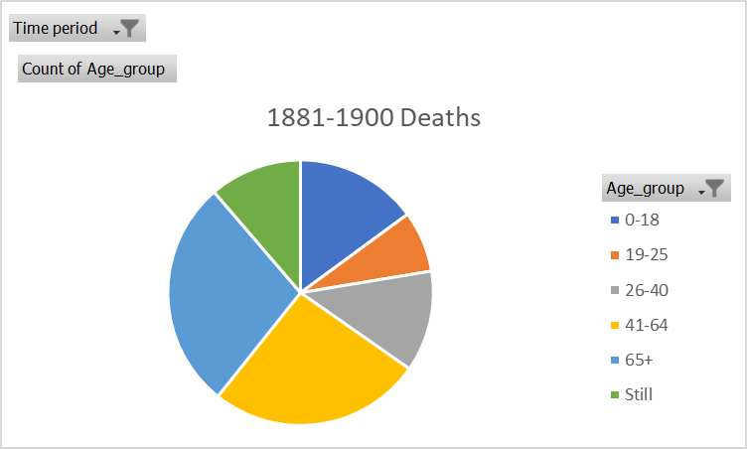
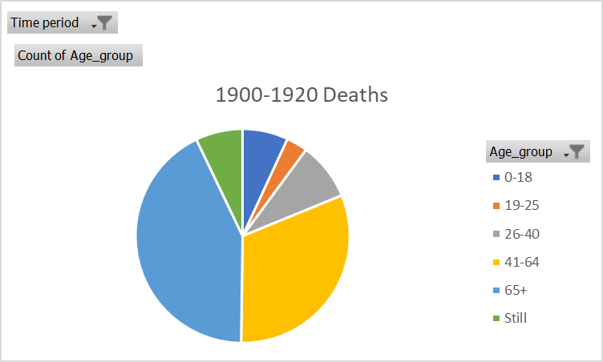
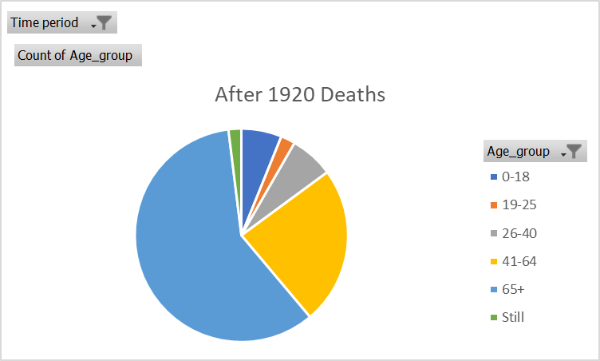
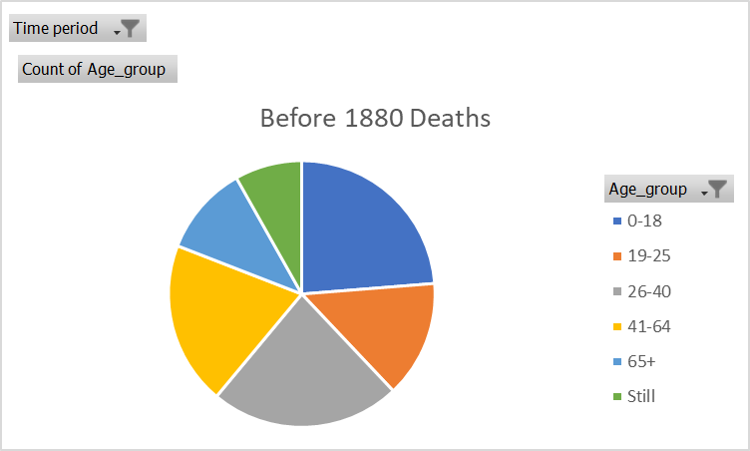
Time period | before 1880
Before 1880 Deaths
Row Labels | Count of Age_group
0-18 | 2427
19-25 | 1454
26-40 | 2361
41-64 | 2028
65+ | 1119
Still | 835
Grand Total | 10224

