Cost Sheet Question
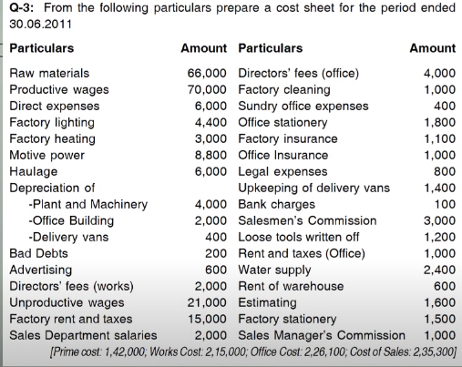

 | Cost Sheet |  | Prime Cost | Work Cost | Cost of Prdoduction | Cost of Goods Sold | Cost of Sales
 | Particular | Amount | 142,000.0 | 215,000.0 | 226,000.0 | 226,000.0 | 235,200.0
+ | Opn stock of Raw Material | -
+ | Raw Material | 66,000.0
+ | Production wages | 70,000.0
+ | Direct labour | -
- | Sale of waste | -
+ | Direct Expense | 6,000.0
- | Cls Stock of Raw Material | -
 | Prime Cost | 142,000.0
+ | Factory Overheads | 73,000.0
+ | Factory Lighting | 4,400.0
+ | Factory heating | 3,000.0
+ | Motive power | 8,800.0
+ | Haulage | 6,000.0
+ | Depreciation of plant and machinery | 4,000.0
+ | Director's Fees | 2,000.0
+ | Unproductive Wages | 21,000.0
+ | Factory rent and taxes | 15,000.0
+ | Factory cleaning | 1,000.0
+ | Factory insurance | 1,100.0
+ | Loose tools written off | 1,200.0
+ | Water supply | 2,400.0
+ | Estimating | 1,600.0
+ | Factory Staionery | 1,500.0
 | Gross Factory cost | 215,000.0
+ | Opn stock of WIP | -
- | Cls Stock of WIP | -
 | Net Factory cost | 215,000.0
+ | Office and Admin Overheads | 11,000.0
+ | Depreciation of office building | 2,000.0
+ | office director's fees | 4,000.0
+ | Sundry office expenses | 400.0
+ | Office Stationary | 1,800.0
+ | Office insurance | 1,000.0
+ | Legal Expenses | 800.0
+ | Rent and taxes | 1,000.0
 | Cost of Production | 226,000.0
+ | Opn stock of FG | -
- | Cls Stock of FG | -
 | Cost of Goods Sold | 226,000.0
+ | Selling and Distribution Overheads | 9,200.0
+ | Depreciation on delivery van | 400.0
+ | Bad Debt | 200.0
+ | Advertisement | 600.0
+ | Sales dpt Salaries | 2,000.0
+ | Upkeeping of delivery van | 1,400.0
+ | Salesmen's commission | 3,000.0
+ | Rent of warehouse | 600.0
+ | Sales manager commission | 1,000.0
 | Cost of Sales | 235,200.0
+ | Profit | -
- | Loss | -
 | SALES | 235,200.0

Job Costing
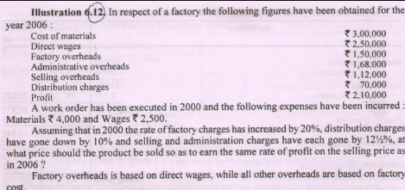

Cost Sheet |  |  | Cost Sheet
Particular | Rs. |  | Particular | Rs.
Cost of Material Consumed | 300,000.0 | Factory cost with wages | Direct Material | 4,000.0
Direct wages | 250,000.0 | 60% | Direct wages | 2,500.0
Prime cost | 550,000.0 | Office Overhead with Factory Cost | Prime cost | 6,500.0
Factory Overhead | 150,000.0 | 24% | Factory Overhead | 1,800.0
Factory Cost | 700,000.0 | Selling Expense with Factory Cost | Factory Cost | 8,300.0
Adminstrative Overhead | 168,000.0 | 16% | Adminstrative Overhead | 2,241.0
Cost of Production | 868,000.0 | Distribution charges with Factory Cost | Cost of Production | 10,541.0
Selling and Distribution Overhead | 182,000.0 | 10% | Selling and Distribution Overhead | 2,241.0
Selling overhead | 112,000.0 | Profit with Total Cost | Selling overhead | 1,494.0
Distribution charges | 70,000.0 | 20% | Distribution charges | 747.0
Cost of Sales | 1,050,000.0 |  | Cost of Sales | 12,782.0
Profit | 210,000.0 |  | Profit | 2,556.4
Sales | 1,260,000.0 |  | Sales | 15,338.4

Overhead Distribution
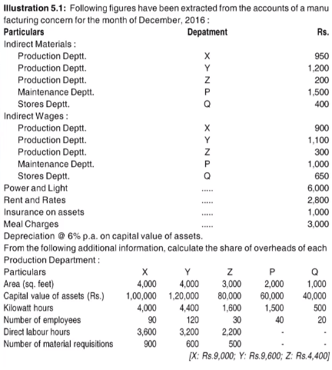
OVERHEAD DISTRIBUTION

Particulars | Basis | Ratios for each dpt |  |  |  |  | Total Ratio | X | Y | Z | P | Q | Total
Indirect material | Allocated | N/A | N/A | N/A | N/A | N/A | N/A | 950.0 | 1,200.0 | 200.0 | 1,500.0 | 400.0 | 4,250.0
Indirect Wages | Allocated | N/A | N/A | N/A | N/A | N/A | N/A | 900.0 | 1,100.0 | 300.0 | 1,000.0 | 650.0 | 3,950.0
Power and Light | KW/HR | 40 | 44 | 16 | 15 | 5 | 120 | 2,000.0 | 2,200.0 | 800.0 | 750.0 | 250.0 | 6,000.0
Rent and Rates | Area | 4 | 4 | 3 | 2 | 1 | 14 | 800.0 | 800.0 | 600.0 | 400.0 | 200.0 | 2,800.0
Insurance on Assets | Value | 5 | 6 | 4 | 3 | 2 | 20 | 250.0 | 300.0 | 200.0 | 150.0 | 100.0 | 1,000.0
Meal charges | No. of Emp | 9 | 12 | 3 | 4 | 2 | 30 | 900.0 | 1,200.0 | 300.0 | 400.0 | 200.0 | 3,000.0
Depreciation @ 6% | Value |  |  |  |  |  |  | 500.0 | 600.0 | 400.0 | 300.0 | 200.0 | 2,000.0
Total |  |  |  |  |  |  |  | 6,300.0 | 7,400.0 | 2,800.0 | 4,500.0 | 2,000.0 | 23,000.0
Department P | D.L hour | 18 | 16 | 11 | - | - | 45 | 1,800.0 | 1,600.0 | 1,100.0 | (4,500.0) | - | -
Department Q | Material Req. | 9 | 6 | 5 | - | - | 20 | 900.0 | 600.0 | 500.0 | - | (2,000.0) | -
Total |  |  |  |  |  |  |  | 9,000.0 | 9,600.0 | 4,400.0 | - | - | 23,000.0

Process Costing
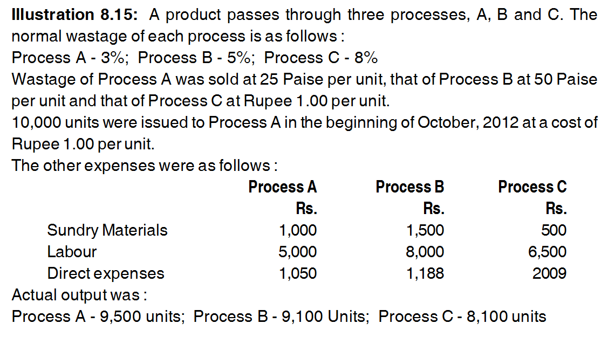

PROCESS COSTING

Particulars | Rate | Qty | Amount | Particulars | Rate | Qty | Amount | For Normal Cost of Output
To Material | @1.00 | 10000 | 10000 | By Normal Waste | @0.25 | 300 | 75 | Total Cost - Sale of Normal Loss/ Input Qty - Qty of Normal Loss
To other material |  |  | 1000 | By Abnormal Waste | @1.75 | 200 | 350 | For Process A
To Labour |  |  | 5000 | By Process B a/a | @1.75 | 9500 | 16625 | 1.75
To Direct Exp |  |  | 1050

Total |  | 10000 | 17050 |  |  | 10000 | 17050

Particulars | Rate | Qty | Amount | Particulars | Rate | Qty | Amount | For Process B | 27313
To Process A a/c |  | 9500 | 16625 | By Normal Waste | @0.50 | 475 | 237.5 | Total Cost - Sale of Normal Loss/ Input Qty - Qty of Normal Loss
To Sundry Material |  |  | 1500 | By Process B a/a | @3.00 | 9100 | 27300.504155 | 3.0000554017
To Labour |  |  | 8000
To Direct Exp |  |  | 1188
To abnormal Effective | @3.00 | 75 | 225.00415512

Total |  | 9575 | 27538.004155 |  |  | 9575 | 27538.004155

Particulars | Rate | Qty | Amount | Particulars | Rate | Qty | Amount | For Process B
To Process B a/c |  | 9100 | 27300.504155 | By Normal Waste | @1.00 | 728 | 728 | Total Cost - Sale of Normal Loss/ Input Qty - Qty of Normal Loss
To Sundry Material |  |  | 500 | By Abnormal Waste | @4.25 | 272 | 1156.0163796 | 4.2500602192
To Labour |  |  | 6500 | By Finished Goods | @4.25 | 8100 | 34425.487776
To Direct Exp |  |  | 2009

Total |  | 9100 | 36309.504155 |  |  | 9100 | 36309.504155

Contract Ac i
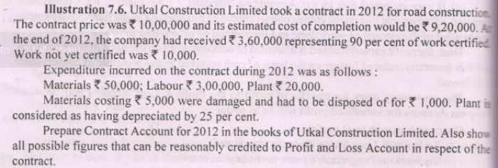

Contract a/c |  |  |  | Contract Price | 1000000
Particular | Amount | Particular | Amount
To Material | 50000 | By Certified Work | 400000 | Work Certified | 400000
To Labour | 300000 | By Uncertified | 10000 |  |  | 370000
To Plant | 20000 | By Material Damage | 5000 | % of Work Certified | 40%
To P&L a/c | 18000 | By Plant Dep. | 15000
To W.I.P reserve | 42000 |  |  | Profit Earned Upto Date | 60000
Total | 430000 |  | 430000
 |  |  |  | Profit to P&L a/c | 18000

Contract Ac ii
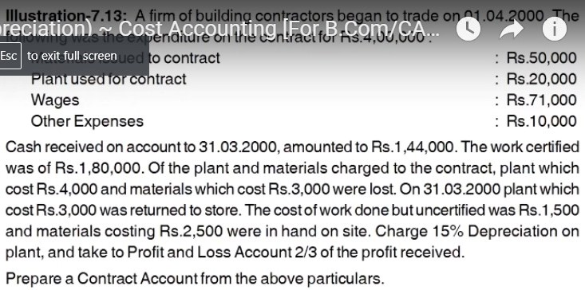

Contract a/c
Particular | Amount | Particular | Amount | Profit Taken to P&L | 28586.666667
To Material | 50000 | By Work Certified | 180000 | Dep. On Plant Used in Contract
To Plant | 20000 | By Work Uncertified | 1500 | (20000-4000)*15/100 | 2400
To Labour | 71000 | By Material Lost | 3000
To other Expenses | 10000 | By Plant Lost | 4000 | Plant
To Balance C/F | 53600 | By Plant Return | 2550 | 20000 | 4000
 |  | By Material at Site | 2500 |  | 2550
 |  | By Plant at Site | 11050 |  | 11050
Total | 204600 |  | 204600 | 20000 | 17600
To WIP reserve | 25013 | To Balance B/D | 53600
To P&L a/c | 28586.666667
Total | 53599.666667 |  | 278300

Production Budget
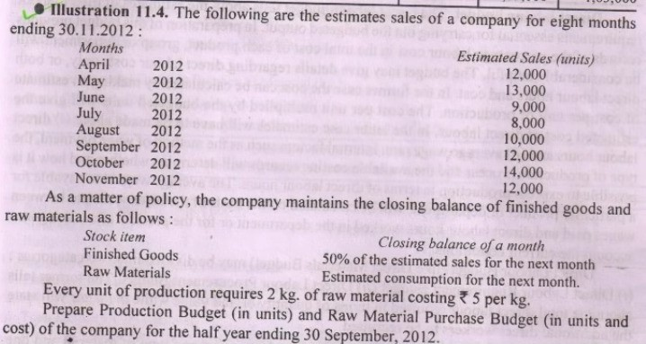

Production Budget |  |  |  |  | Material Purchase Budget
Month | Sales | Closing Stocks | Opening Stocks | Production | Month | Material Needed for Production | Closing Stocks | Opening Stocks | Production | Rate | Amount
April | 12000 | 6500 | 6000 | 12500 | April | 25000 | 22000 | 25000 | 22000 | 5 | 110000
May | 13000 | 4500 | 6500 | 11000 | May | 22000 | 17000 | 22000 | 17000 | 5 | 85000
June | 9000 | 4000 | 4500 | 8500 | June | 17000 | 18000 | 17000 | 18000 | 5 | 90000
July | 8000 | 5000 | 4000 | 9000 | July | 18000 | 22000 | 18000 | 22000 | 5 | 110000
August | 10000 | 6000 | 5000 | 11000 | August | 22000 | 26000 | 22000 | 26000 | 5 | 130000
September | 12000 | 7000 | 6000 | 13000 | September | 26000 | 26000 | 26000 | 26000 | 5 | 130000
October | 14000 | 6000 | 7000 | 13000 | October | 26000
November | 12000 |  | 6000

Budgeting
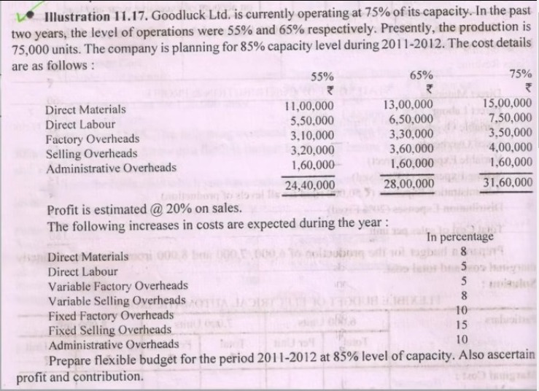

Particular | (A) 65%=65000 | (B) 75%= 75000 | C= B-A (10%=10000) | D= C/10000 Per unit | E = V.C of A | F = A-E
Direct Material | 1300000 | 1500000 | 200000 | 20 | 1300000 | 0
Direct Labour | 650000 | 750000 | 100000 | 10 | 650000 | 0
Factory OH | 330000 | 350000 | 20000 | 2 | 130000 | 200000
Selling OH | 360000 | 400000 | 40000 | 4 | 260000 | 100000
Admin OH | 160000 | 160000 | 0 | 0 | 0 | 160000

Buget for 85000 Per (85%)
Direct Material =[85000*20]+8% |  | 1836000
Direct Labour = [ 85000*10] +5% |  | 892500
Factory OH
Variable = [85000*2]+5% |  | 178500
Fixed = [200000]+10% |  | 220000
Selling OH
Variable = [85000*4]+8% |  | 367200
Fixed = [100000]+15% |  | 115000
Admin OH [160000]+10% |  | 176000
Total Cost(80% of Sales) |  | 3785200
Profit(20% of Sales) |  | 946300
Total Sales |  | 4731500

Cash Budgeting
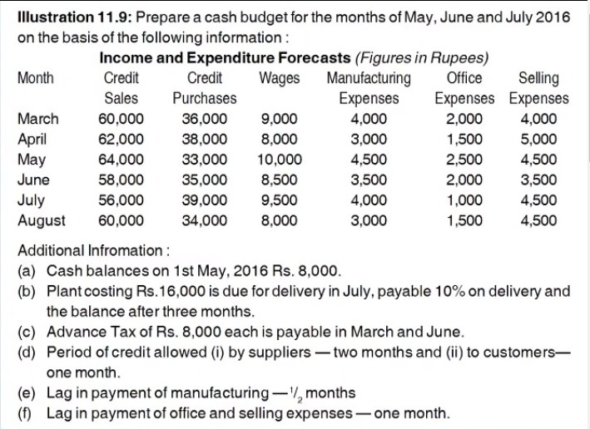

Particular | May | June | July | Plant Expense | Amount | 50% | 50%
Opening Balance | 8000 | 13750 | 12250 | Months
Cash inflow/Receipts |  |  |  | March | 4000 | 2000 | 2000
Cash From Debtors | 62000 | 64000 | 58000 | April | 3000 | 1500 | 1500
Total | 70000 | 77750 | 70250 | May | 4500 | 2250 | 2250
Payments |  |  |  | June | 3500 | 1750 | 1750
Payments to Supplier | 36000 | 38000 | 33000 | July | 4000 | 2000 | 2000
Wages | 10000 | 8500 | 9500 | Aug | 3000 | 1500 | 1500
Manufacturing Expense | 3750 | 4000 | 3750
Office Exp | 1500 | 2500 | 2000
Selling Exp | 5000 | 4500 | 3500
Plant Instalment |  |  | 1600
Advance Tax |  | 8000
Total Balance | 56250 | 65500 | 53350
Closing Balance | 13750 | 12250 | 16900

Cash Budget 2
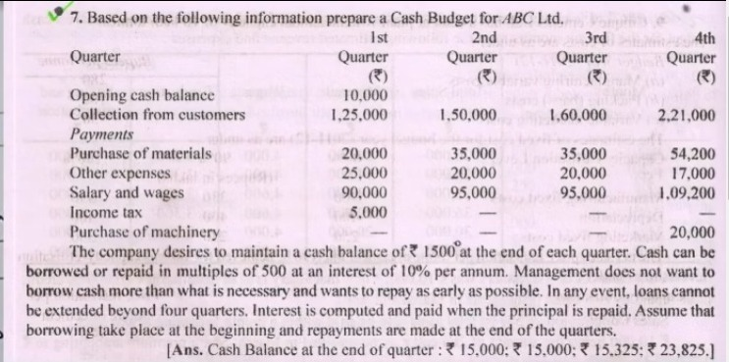

Particulars | Q1 | Q2 | Q3 | Q4
Opening Balance | 10000 | 15000 | 15000 | 15325 | Interest Measure for quarter 3
Collection | 125000 | 150000 | 160000 | 221000
Total | 135000 | 165000 | 175000 | 236325 | Option 1 | 9500 of principle is paid

Payment |  |  |  |  | Interest | 712.5
Purchase of Material | 20000 | 35000 | 35000 | 54200
Other Expense | 25000 | 20000 | 20000 | 17000 | Option 2 | 9000 of principle is paid
Salary &wages | 90000 | 95000 | 95000 | 109200
Income Tax | 5000 |  |  |  | Interest | 675
Purchase of Machine |  |  |  | 20000
Total | 140000 | 150000 | 150000 | 200400 | Interest Measure for quarter 4
Balance | -5000 | 15000 | 25000 | 35925 | Option 1 | 11000 of Principlle is paid
Loan Taken/Prepaid | 20000 |  | -9000 | 11000 | Interest | 1100
Interest Paid |  |  | -675 | 1100
closing | 15000 | 15000 | 15325 | 48025

