Sample
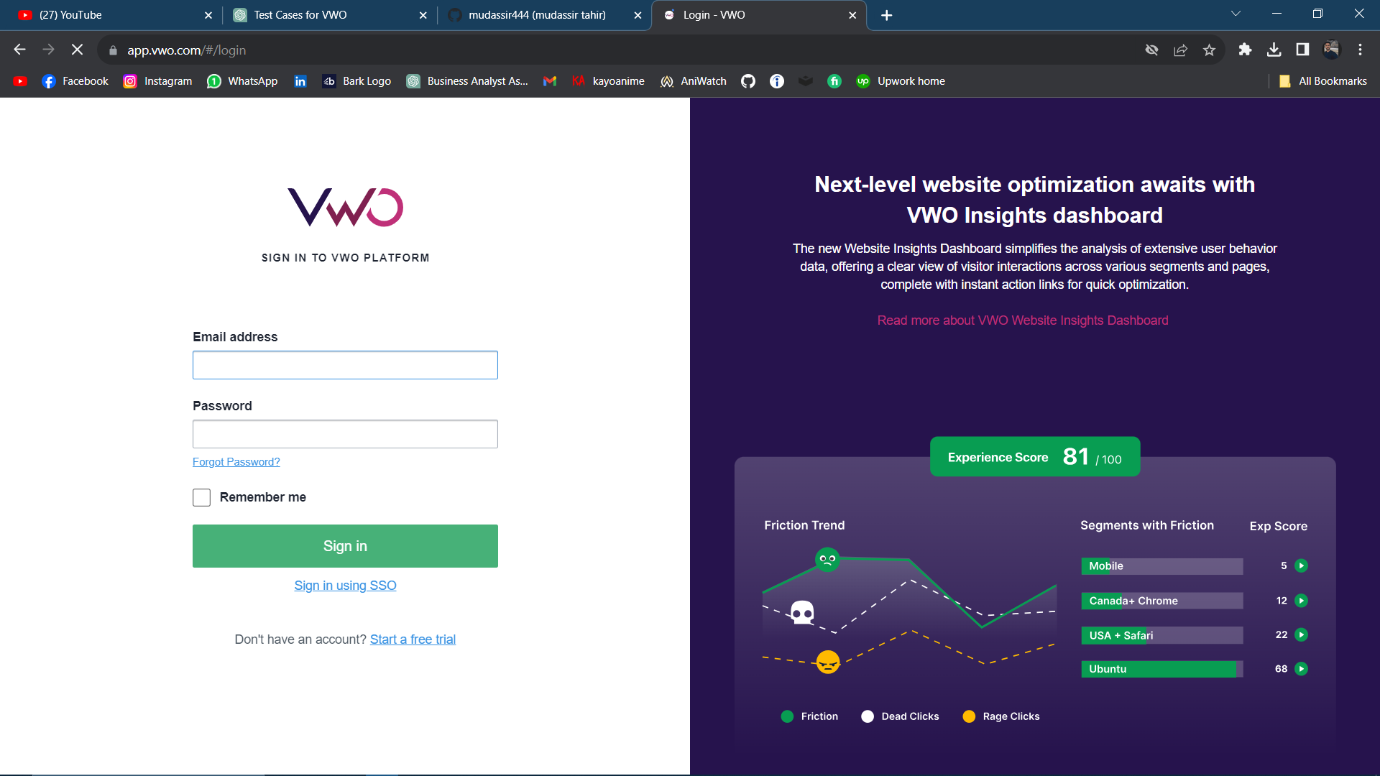
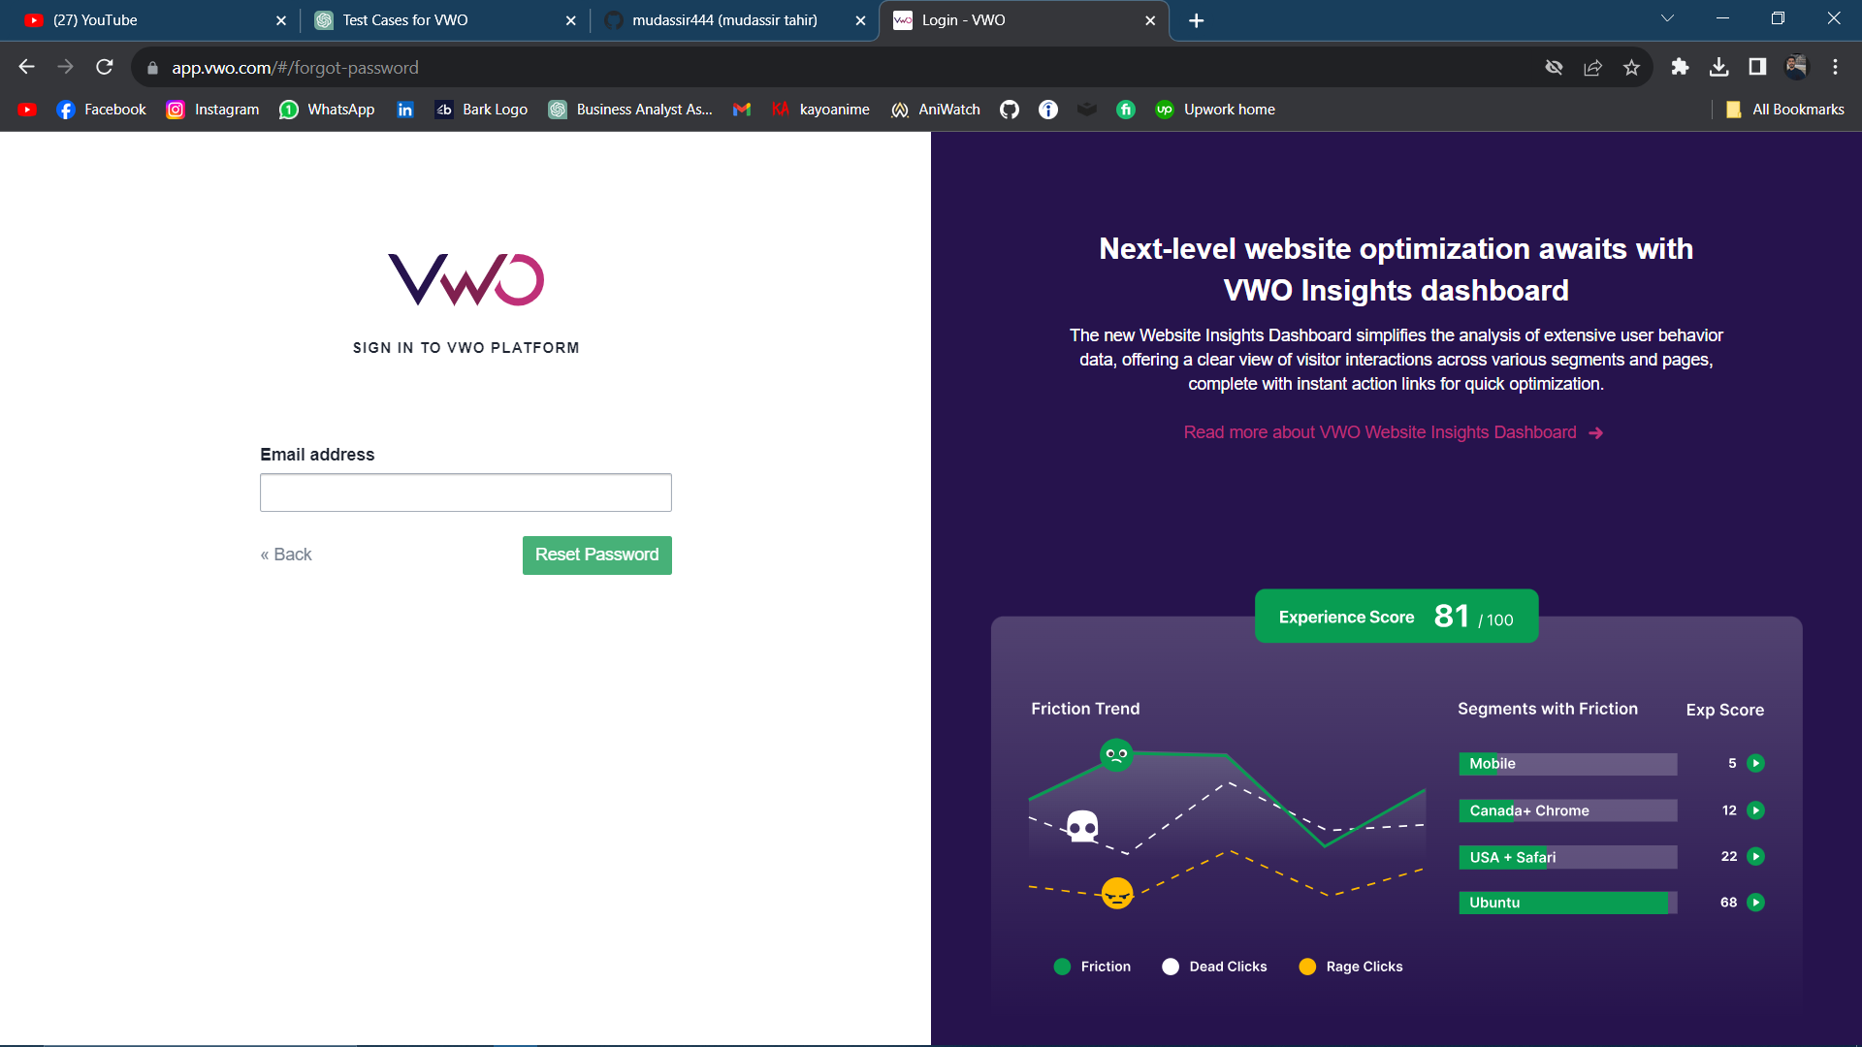
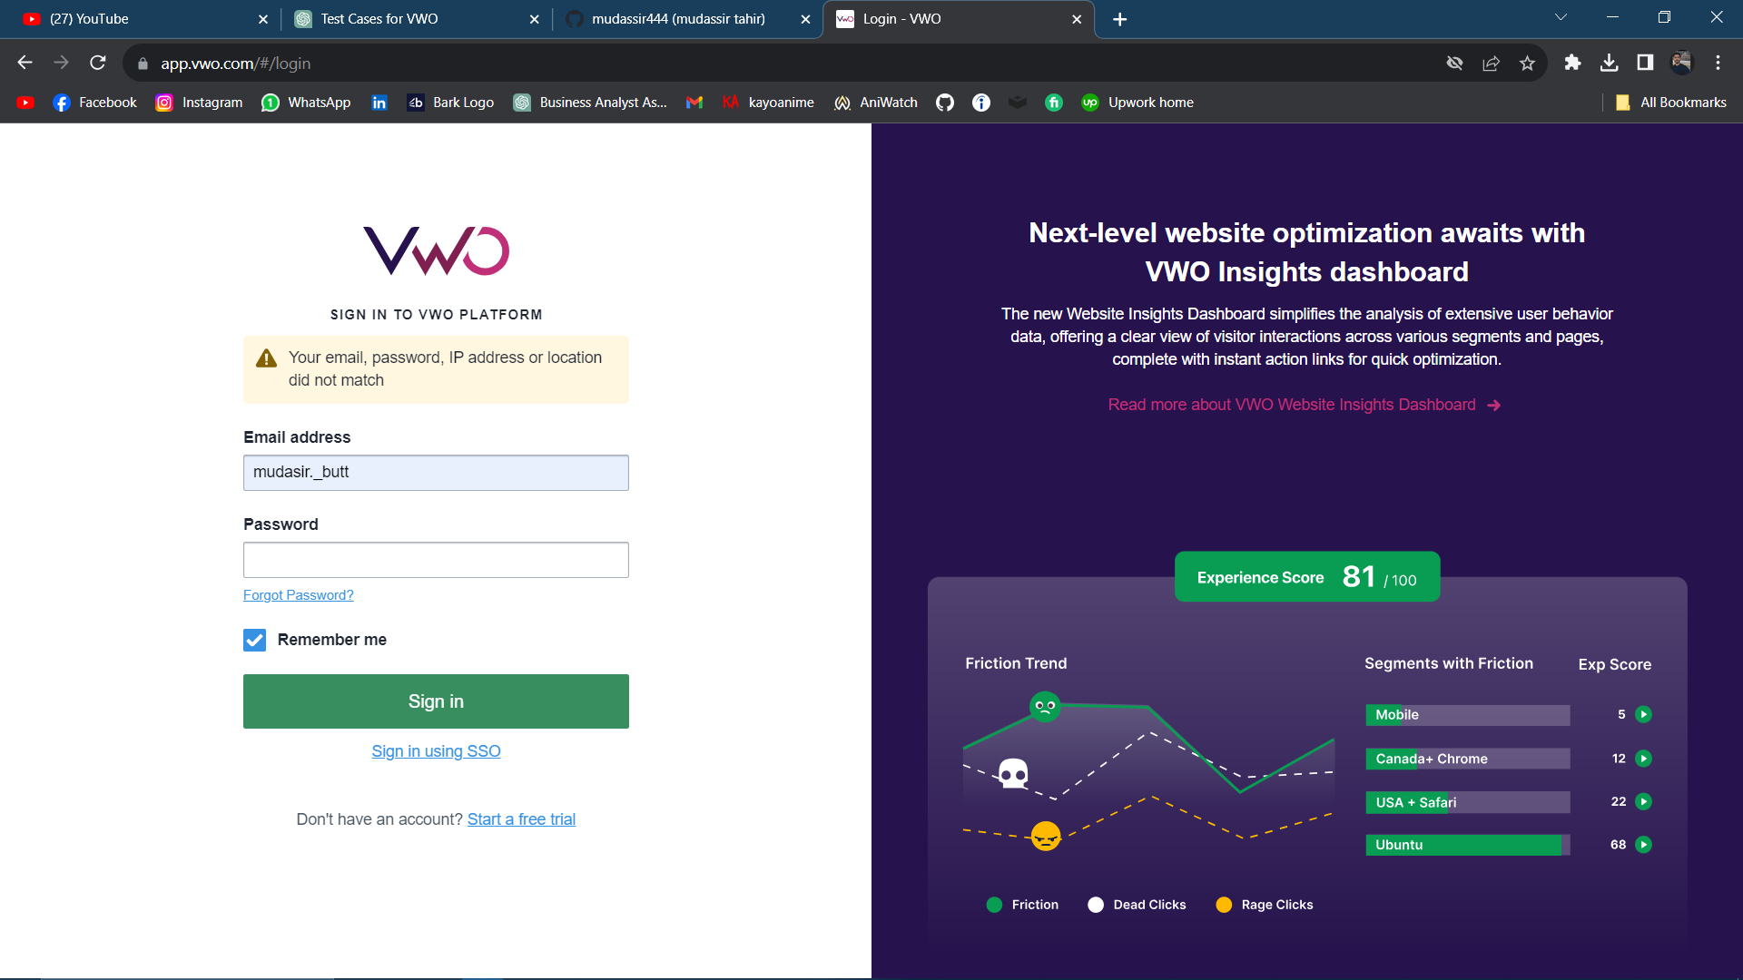
 | Test Case Template for Project
 | Project Name | app.vwo.com
 | Module Name | Login Page
 | Created By | Mudassir Tahir
 | Created Date | 22-11-2023
 | Peer Review By
 | Peer Reviewed Date

Scenario TID | Scenario Desciption | Test Case ID | Pre Condition | Steps to Execute | Expected Result | Actual Result | Status | Executed QA Name | Misc (Comments)

TID-001 | Valid Login | TC-001 | User has valid credentials | 1. Navigate to the login page. 2. Enter valid username and password. 3. Click on the "Login" button. | User should be successfully logged in. | User successfully logged in. | Pass | Mudassir
TID-002 | Invalid Login | TC-002 | User is on the login page | 1. Enter invalid username and/or password 2. Click on the "Login" button. | User should see an appropriate error message, and login should not be successful. | User see an appropriate error message, and login is not to be successful. | Fail | Mudassir
TID-003 | Empty Fields Submission | TC-003 | User is on the login page | 1. Leave both username and password fields empty. | 2. Click on the "Login" button. | User should see a validation error, and login should not be allowed. | User see a validation error, and login is not to be allowed. | Fail | Mudassir
TID-004 | Password Case Sensitivity | TC-004 | User is on the login page | 1. Enter a valid username. | 2. Enter the correct password with different letter case. | 3. Click on the "Login" button. | Login should be successful only with the correct case of the password. | Login is successful if the passward is correct. | Pass | Mudassir
TID-005 | Username Case Insensitivity | TC-005 | User is on the login page | 1. Enter a valid username with different letter case. | 2. Enter the correct password. | 3. Click on the "Login" button. | Login should be successful irrespective of the case of the username. | | Login is successful if irrespective of the case of the username. | | Pass | Mudassir
TID-006 | Remember Me Functionality | TC-006 | User is on the login page | 1. Enter valid credentials. | 2. Check the "Remember Me" checkbox. | 3. Click on the "Login" button. | If checked, the user should remain logged in across sessions. | The user remain logged in across sessions. | Pass | Mudassir
TID-007 | Forgot Password Link | TC-007 | User is on the login page | 1. Click on the "Forgot Password" link. | User should be directed to a page where they can reset their password. | User is directed to a page where they can reset their password. | Pass | Mudassir
TID-008 | Session Timeout | TC-008 | User is logged in | 1. Remain inactive for the session timeout duration. | 2. Attempt to perform an action. | User should be prompted to log in again. | User is prompted to log in again. | Pass | Mudassir
TID-009 | Account Lockout after Multiple Failed Attempts | TC-009 | User is on the login page | 1. Enter invalid credentials multiple times exceeding the allowed limit. | User account should be locked after reaching the maximum failed login attempts. | User account is locked after reaching the maximum failed login attempts. | Fail | Mudassir
TID-010 | Social Media Login Integration | TC-010 | User is on the login page | 1. Click on the option to log in with a social media account. | 2. Enter valid social media credentials. | User should be logged in using social media credentials. | User logged in using social media credentials. | Pass | Mudassir
TID-011 | Password Recovery Email | TC-011 | User forgot the password | 1. Click on the "Forgot Password" link. | 2. Enter the registered email for password recovery. | User should receive a password recovery email. | User receive a password recovery email. | Pass | Mudassir
TID-012 | Password Change | TC-012 | User is logged in | 1. Navigate to account settings. | 2. Click on the "Change Password" option. | User should be able to change the password successfully. | User is able to change the password successfully. | Pass | Mudassir
TID-013 | Two-Factor Authentication | TC-013 | User has enabled two-factor authentication | 1. Enter valid username and password. | 2. Verify two-factor authentication code. | User should be successfully logged in with two-factor authentication. | User successfully logged in with two-factor authentication. | Pass | Mudassir
TID-014 | Login with Expired Password | TC-014 | User has an account with an expired password | 1. Attempt to log in with an expired password. | 2. Check for the expiration warning. | User should see a password expiration warning. | User see a password expiration warning. | Pass | Mudassir
TID-015 | CAPTCHA Verification | TC-015 | Accessing a secure section | 1. Submit forms with invalid data. | 2. Check for CAPTCHA validation error. | CAPTCHA validation error should be displayed. | CAPTCHA validation error displayed. | Pass | Mudassir
TID-016 | Account Deactivation | TC-016 | User is logged in | 1. Navigate to account settings. | 2. Click on the "Deactivate Account" option. | User account should be deactivated with confirmation. | User account deactivated with confirmation. | Pass | Mudassir
TID-017 | Login with Inactive Account | TC-017 | User has deactivated the account | 1. Attempt to log in with a deactivated account. | 2. Check for account status message. | User should see a message indicating the account is inactive. | User see message indicating the account is inactive. | Pass | Mudassir
TID-018 | Concurrent Logins Prevention | TC-018 | User is logged in on one device | 1. Attempt to log in from another device. | 2. Check for concurrent login prevention. | User should receive a notification or be prevented from concurrent logins. | User receive a notification or be prevented from concurrent logins. | Pass | Mudassir
TID-019 | Login Page Accessibility | TC-019 | User is on the login page | 1. Verify accessibility using assistive technologies. | Login page should be accessible, and all elements should be navigable. | Login page accessible, and all elements should be navigable. | Pass | Mudassir
TID-020 | Login Page Responsiveness | TC-020 | User is on the login page | 1. Access the login page from different devices. | 2. Check for responsiveness. | Login page should render correctly on various screen sizes. | Login page render correctly on various screen sizes. | Pass | Mudassir

