Data
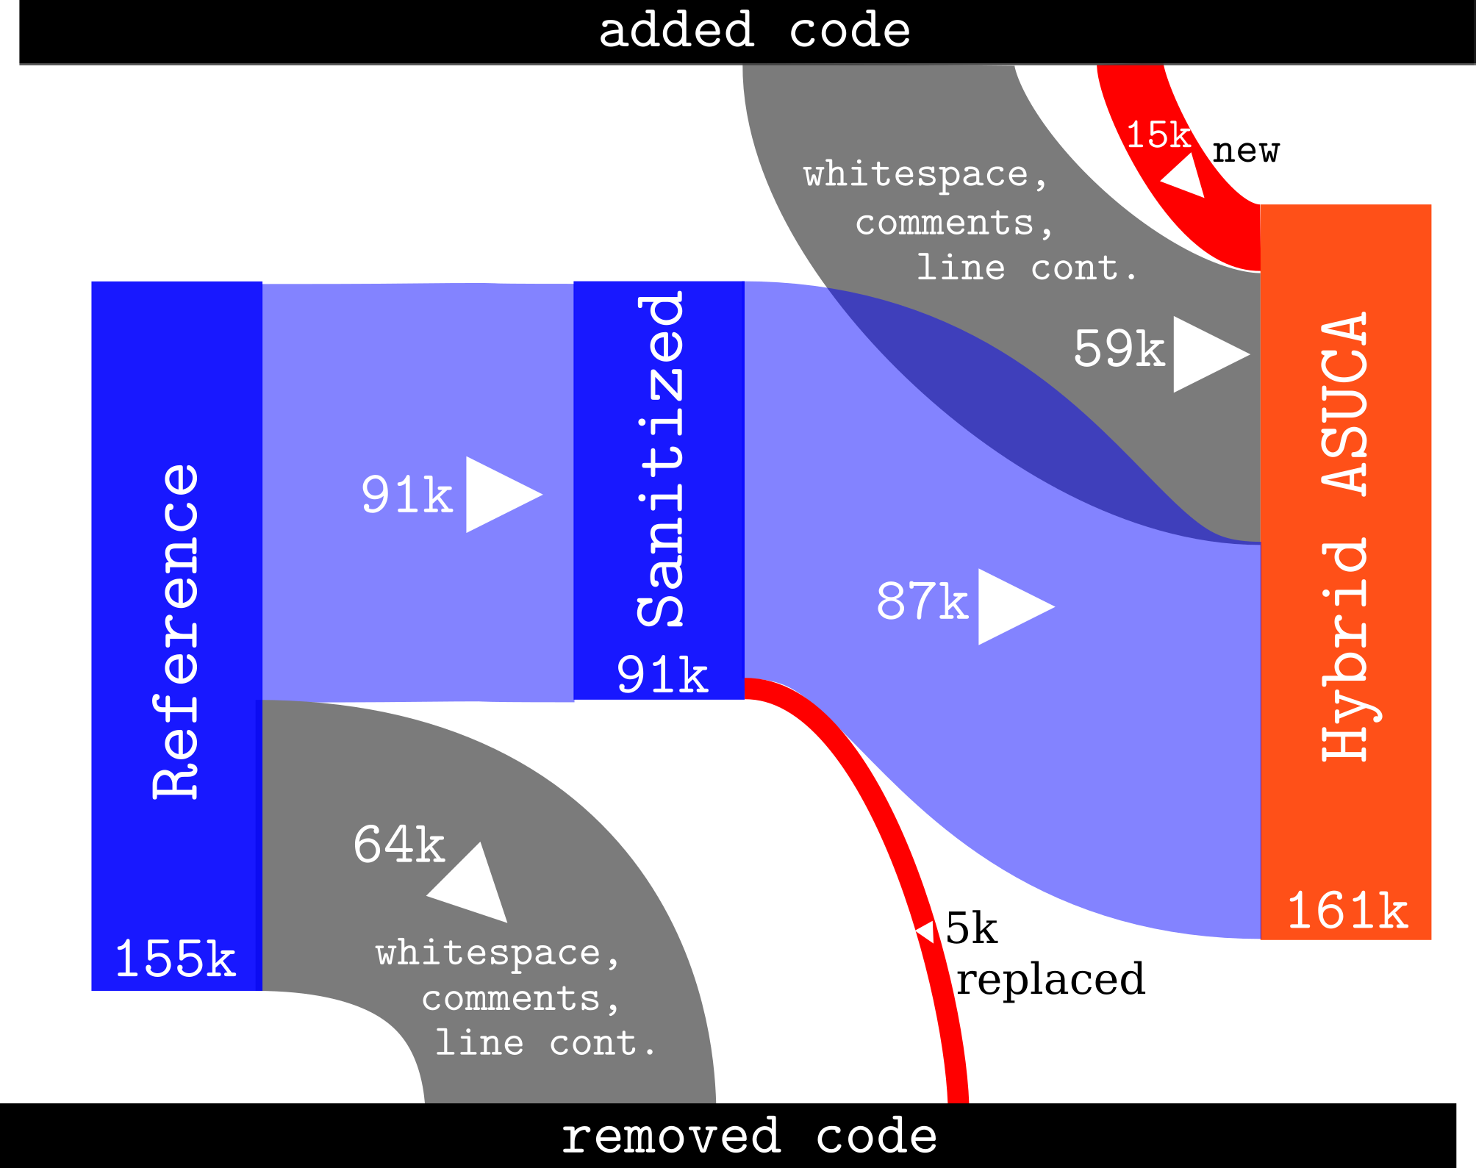
A) Comparison of Reference and Hybrid ASUCA
 |  | Deleted in Reference | Replaced in Hybrid ASUCA with | Comment (Source / Method of Measurement / Usage in Results)
A1 | Fully Replaced Code in Physical Processes, including white space, comments and line continuations [LOC]
A1.1 | Longwave radiation ("rad_lw" module) | 3212 | 3611 | LOC count of module file, including whitespace, comments and line continuations
A1.2 | Radiation overlap (routine "rad_overlp_ini") | 16 | 35 | LOC count of routine, including whitespace, comments and line continuations
A1.3 | Sediment code (routine "sediment_run_sub") | 13 | 53 | LOC count of routine, including whitespace, comments and line continuations

A2 | Changes between Hybrid ASUCA and Reference [LOC] |  |  | Analysis using "loc_analysis.ipynb" [1] (unless specified otherwise below); This loops through each LOC in one code version and seeks the same line in the same source file in the version used for comparison. When not found, a matching against patterns is made, which allows us to group together the changes into categories. Column C compares the reference version to Hybrid ASUCA, while column D compares Hybrid ASUCA to the reference version. The raw output of "loc_analysis.ipynb" [1] can be inspected; For column C see "output_reference_vs_hybrid.txt" [2], for column D see "output_hybrid_vs_reference.txt" [3]
A2.1 | Routine & call signatures | 925 | 1381 | LOC figure for "subroutine_definitions" plus "calls" in output
A2.2 | Parallelization & data directives | 184 | 4398 | LOC figure for "parallel_loops" plus "openmp" in output
A2.3 | Modified data spec./init | 1752 | 3519 | For reference code (column C): Pattern search for OpenMP directives in source directories - column B reports the number of hits. For Hybrid ASUCA (column D): Since the directives stretch over multiple lines a simple pattern search is not sufficient. Instead, a Hybrid Fortran was instrumented (https://github.com/muellermichel/Hybrid-Fortran/tree/statistics) to count these lines in the parser - the result of which is shown to the left.
A2.4 | Coding style | 297 | 0 | LOC figure for "style"
A2.5 | Long-wave Radiation | 1057 | 2059 | LOC figure for "radiation"
A2.6 | Storage order macros | 0 | 116 | LOC figure for "storage_order"
Figure 4
A2.7 | Other | 439 | 3046 | For reference code (column C): LOC figure for "other" For Hybrid ASUCA (column D): LOC figure for "other" plus "commented" plus "style" plus "implementation_scheme" plus "parallel_loops" minus result A2.2; This treatment avoids double counting and unnecessary details.
A2.8 | Total | 4654 | 14519 | Sum of the above Shown as 5k "replaced" in Figure 4; 15k "new" in Figure 4

B) Treatment for Figure 4
 |  | LOC |  | Source / Method of Measurement
B1 | Treatment of Reference |  |  | Some reference code was copied over but commented out in Hybrid ASUCA, since it was not part of the scope of this project. This mainly concerned data assimilation. Since we sanitize away code comments for the comparison we want to subtract these commented parts from the reference code in order to compare the code size equivalent functionality in both versions.
B1.1 | Sanitized | 94030 |  | LOC figure for "combined" in output_reference_vs_hybrid.txt - this removes whitespace, comments and line continuations.
B1.2 | Commented in Hybrid ASUCA | -2703 |  | LOC figure for "commented" in output_reference_vs_hybrid.txt
B1.3 | Treated & Sanitized | 91327 |  | B1.1 plus B1.2 Shown as 91k "Sanitized" in Figure 4
B1.4 | Counted in total | 157830 |  | Counting occurences of newline characters in source directories
B1.5 | Treated | 155127 |  | B1.4 plus B1.2 Shown as 155k "Reference" in Figure 4
B1.6 | Treated whitespace / comments / line cont. | 63800 |  | B1.5 minus B1.3 Shown as 64k "whitespace, comments, line cont." in Figure 4
B1.7 | Treated code copied from reference to Hybrid ASUCA | 86673 |  | B1.3 minus A2.8 Shown as 87k flow from "Reference" to "Hybrid ASUCA" in Figure 4

B3 | Treatment of Hybrid ASUCA Version
B3.1 | Sanitized | 99206 |  | LOC figure for "combined" in output_hybrid_vs_reference.txt - this removes whitespace, comments and line continuations.
B3.2 | Counted in total | 163226 |  | Counting occurences of newline characters in source directories
B3.3 | Treated | 160523 |  | B3.2 plus B1.2 Shown as 161k "Hybrid ASUCA" in Figure 4
B3.4 | Treated & sanitized code size Hybrid ASUCA | 101192 |  | B1.7 plus A2.8
B3.5 | Treated whitespace / comments / line cont. | 59331 |  | B3.3 - B3.4 Shown as 59k "whitespace, comments, line cont." in Figure 4

C) Comparison of Hybrid ASUCA and OpenACC Estimate
 |  | Hybrid ASUCA | OpenACC Estimate | Comment (Source / Method of Measurement / Usage in Results)
C1 | Treatment for Figure 5 |  |  | The following serves as the data source for Figure 5 (see the next sheet)
C1.1 | routine & call signatures | 1381 | 1381 | A2.1
C1.2 | parallelization & data layout DSL | 4398 | 2521 | Hybrid ASUCA: A2.2 OpenACC Estimate: Counting occurrences of OpenACC directives in code generated by Hybrid Fortran with OpenACC backend
C1.3 | modified data spec./init | 3519 | 3519 | A2.3
C1.4 | CPU-only physics | 0 | 7122 | Hybrid ASUCA: Thanks to multiple granularities defined in user code this code duplication is unnecessary; OpenACC Estimate: Output of section "Finding the LOC for Routines with Changed Kernel Positions" in "loc_analysis.ipynb" [1]
C1.5 | long-wave radiation | 2059 | 2059 | A2.5
C1.6 | storage order macros | 116 | 6098 | Hybrid ASUCA: Length of storage oder definition file (A2.6) OpenACC Estimate: Length of storage order definition file (A2.6) plus counting occurrences of code lines with inserted storage order macros In code generated by Hybrid Fortran with OpenACC backend;
C1.7 | other | 3046 | 2884 | Hybrid ASUCA: A2.7 OpenACC Estimate: LOC figures in "output_hybrid_vs_reference.txt" [3] for "other" plus "commented" plus "style" plus "parallel_loops" minus result A2.2; This treatment avoids double counting and unnecessary details.
C1.8 | Total | 14519 | 25584 | Sum of the above
C1.9 | As percentage of sanitized reference codebase | 16% | 28% | C1.8 divided by B1.3

R) References
 | All published evidence data together with the referred methods (iPython notebook) is located on github: |  |  | https://github.com/muellermichel/hybrid-asuca-productivity-evidence
[1] | loc_analysis.ipynb |  |  | https://github.com/muellermichel/hybrid-asuca-productivity-evidence/blob/master/loc_analysis.ipynb
[2] | output_reference_vs_hybrid.txt |  |  | https://github.com/muellermichel/hybrid-asuca-productivity-evidence/blob/master/output_reference_vs_hybrid.txt
[3] | output_hybrid_vs_reference.txt |  |  | https://github.com/muellermichel/hybrid-asuca-productivity-evidence/blob/master/output_hybrid_vs_reference.txt

Figure 5
 | other | routine & call signatures | modified data spec./init | long-wave radiation | parallelization & data layout DSL | storage order macros | CPU-only physics
Hybrid ASUCA | 3046 | 1381 | 3519 | 2059 | 4398 | 116 | 0
OpenACC Estimate | 2884 | 1381 | 3519 | 2059 | 2521 | 6098 | 7122

