工作表2
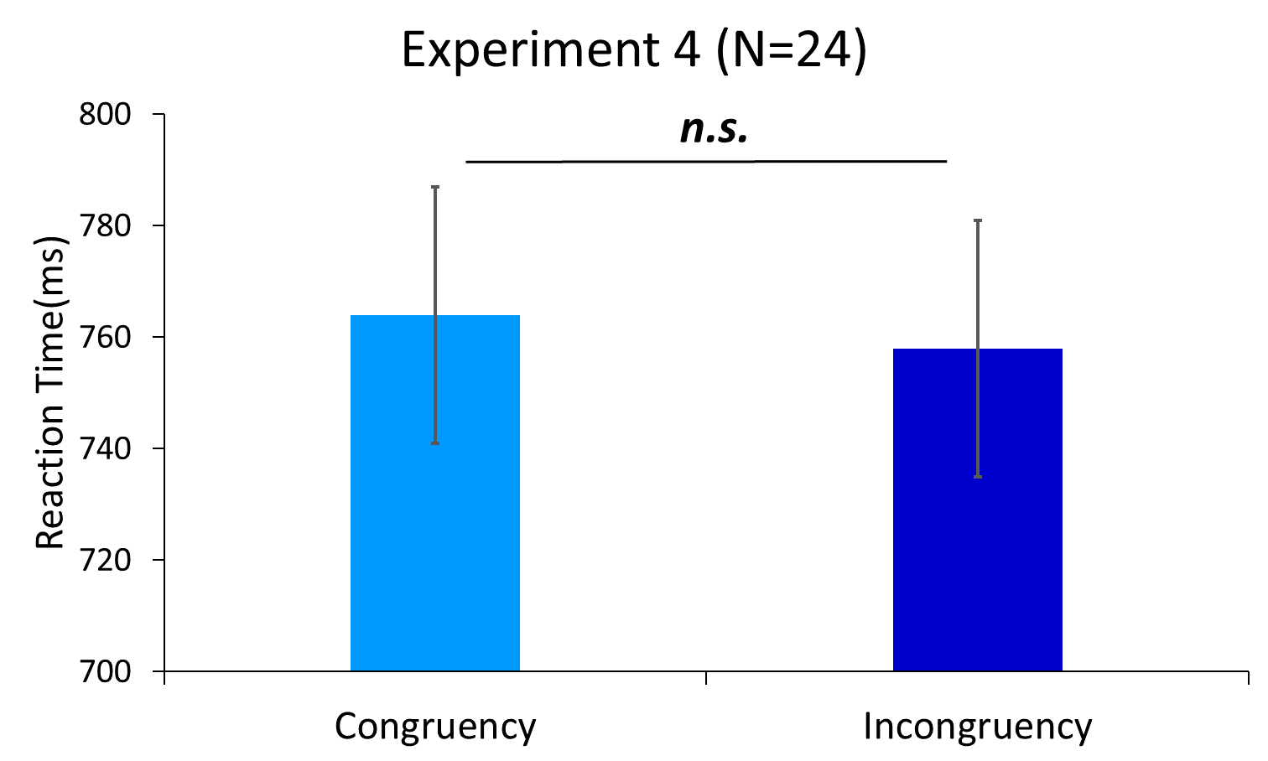
平均值 - rt | 欄標籤
列標籤 | 1 | 2 | 3 | 4 | (空白) | 總計
s1 | 0.66688127898 | 0.61263056812 | 0.62054652957 | 0.665890574 |  | 0.64106491997
s13 | 1.0715588328 | 0.96810866115 | 0.96150494575 | 0.98458948971 |  | 0.99708259982
s15 | 0.72825642248 | 0.74650137225 | 0.758796761 | 0.75515501602 |  | 0.74746446276
s16 | 0.67594999059 | 0.62972846667 | 0.66234526253 | 0.70264363893 |  | 0.66744176064
s17 | 0.90389346308 | 0.82908310909 | 0.88101674606 | 0.84612781138 |  | 0.86581490526
s18 | 0.67548496068 | 0.64977452368 | 0.62710083429 | 0.66216931209 |  | 0.65340819305
s19 | 0.84728754108 | 0.92946409652 | 0.83395901389 | 0.74752565313 |  | 0.83685511764
s22 | 0.82816107554 | 0.81551392794 | 0.84315093335 | 0.85026320244 |  | 0.83397056939
s23 | 0.86257911339 | 0.74373572706 | 0.8391859973 | 0.76271051708 |  | 0.80210964107
s24 | 0.71257922688 | 0.75562023698 | 0.7611802167 | 0.68032705574 |  | 0.72543136496
s25 | 0.68911804954 | 0.68743567425 | 0.70905946955 | 0.6465008393 |  | 0.68219350343
s27 | 0.78350398934 | 0.70238602353 | 0.73694264366 | 0.73573052636 |  | 0.73838086192
s28 | 0.67785387443 | 0.72288978149 | 0.74112874608 | 0.66260183033 |  | 0.70006089727
s3 | 0.71646387678 | 0.72285628324 | 0.7609084866 | 0.71587507177 |  | 0.72916000965
s30 | 0.69525288756 | 0.6897161223 | 0.69528622268 | 0.71323752883 |  | 0.69844832426
s32 | 0.60477215906 | 0.55557281318 | 0.54747023121 | 0.60828133434 |  | 0.57971992711
s34 | 0.7176998142 | 0.72644505263 | 0.70048575896 | 0.65860407494 |  | 0.70276671532
s35 | 0.67718449893 | 0.7197402476 | 0.7170744988 | 0.75569295957 |  | 0.71725264733
s36 | 0.94852068958 | 0.98781262716 | 0.98084270637 | 1.0026717302 |  | 0.98131727518
s38 | 0.80524098527 | 0.86786887046 | 0.83942307034 | 0.82335730933 |  | 0.83423919216
s40 | 0.86042220267 | 0.78801836184 | 0.7658653958 | 0.88403263035 |  | 0.82512491231
s6 | 0.5884673097 | 0.61665044361 | 0.5860964706 | 0.60334251805 |  | 0.5985263006
s7 | 0.77357298437 | 0.75814763892 | 0.77441484478 | 0.75369512814 |  | 0.76496456978
s9 | 0.9199874365 | 0.93319112214 | 0.9110473399 | 1.0050971987 |  | 0.94476138681
(空白)
總計 | 0.75413615649 | 0.74560429809 | 0.75142073453 | 0.74945312328 |  | 0.7501469291
 | cc | cw | ww | wc |  | con | incon
s1 | 0.66688127898 | 0.61263056812 | 0.62054652957 | 0.665890574 |  | 0.64371390427 | 0.63926057106
s13 | 1.0715588328 | 0.96810866115 | 0.96150494575 | 0.98458948971 |  | 1.0165318893 | 0.97634907543
s15 | 0.72825642248 | 0.74650137225 | 0.758796761 | 0.75515501602 |  | 0.74352659174 | 0.75082819413
s16 | 0.67594999059 | 0.62972846667 | 0.66234526253 | 0.70264363893 |  | 0.66914762656 | 0.6661860528
s17 | 0.90389346308 | 0.82908310909 | 0.88101674606 | 0.84612781138 |  | 0.89245510457 | 0.83760546024
s18 | 0.67548496068 | 0.64977452368 | 0.62710083429 | 0.66216931209 |  | 0.65129289749 | 0.65597191788
s19 | 0.84728754108 | 0.92946409652 | 0.83395901389 | 0.74752565313 |  | 0.84062327748 | 0.83849487483
s22 | 0.82816107554 | 0.81551392794 | 0.84315093335 | 0.85026320244 |  | 0.83565600444 | 0.83288856519
s23 | 0.86257911339 | 0.74373572706 | 0.8391859973 | 0.76271051708 |  | 0.85088255534 | 0.75322312207
s24 | 0.71257922688 | 0.75562023698 | 0.7611802167 | 0.68032705574 |  | 0.73687972179 | 0.71797364636
s25 | 0.68911804954 | 0.68743567425 | 0.70905946955 | 0.6465008393 |  | 0.69908875955 | 0.66696825677
s27 | 0.78350398934 | 0.70238602353 | 0.73694264366 | 0.73573052636 |  | 0.7602233165 | 0.71905827495
s28 | 0.67785387443 | 0.72288978149 | 0.74112874608 | 0.66260183033 |  | 0.70949131026 | 0.69274580591
s3 | 0.71646387678 | 0.72285628324 | 0.7609084866 | 0.71587507177 |  | 0.73868618169 | 0.7193656775
s30 | 0.69525288756 | 0.6897161223 | 0.69528622268 | 0.71323752883 |  | 0.69526955512 | 0.70147682557
s32 | 0.60477215906 | 0.55557281318 | 0.54747023121 | 0.60828133434 |  | 0.57612119514 | 0.58192707376
s34 | 0.7176998142 | 0.72644505263 | 0.70048575896 | 0.65860407494 |  | 0.70909278658 | 0.69252456378
s35 | 0.67718449893 | 0.7197402476 | 0.7170744988 | 0.75569295957 |  | 0.69712949887 | 0.73771660359
s36 | 0.94852068958 | 0.98781262716 | 0.98084270637 | 1.0026717302 |  | 0.96468169797 | 0.99524217868
s38 | 0.80524098527 | 0.86786887046 | 0.83942307034 | 0.82335730933 |  | 0.82233202781 | 0.84561308989
s40 | 0.86042220267 | 0.78801836184 | 0.7658653958 | 0.88403263035 |  | 0.81314379923 | 0.83602549609
s6 | 0.5884673097 | 0.61665044361 | 0.5860964706 | 0.60334251805 |  | 0.58728189015 | 0.60999648083
s7 | 0.77357298437 | 0.75814763892 | 0.77441484478 | 0.75369512814 |  | 0.77399391458 | 0.75592138353
s9 | 0.9199874365 | 0.93319112214 | 0.9110473399 | 1.0050971987 |  | 0.9155173882 | 0.9691441604
sd |  |  |  |  |  | 0.110 | 0.108
ave | 0.768 | 0.757 | 0.761 | 0.759 |  | 0.764 | 0.758 | 0.35984852965 | 0.9343132428
se | 0.024 | 0.024 | 0.023 | 0.024 |  | 0.023 | 0.023 | r | 0.95752898686
 | cc | cw | ww | wc
 | Prime: Cold | Prime: Warm |  |  |  | Congruency | Incongruency
Target: Cold | 768 | 759 |  |  |  | 764 | 758
Target: Warm | 757 | 761

 | 24 | 24 |  |  |  | 23 | 23
 | 24 | 23

Experiment 4 (N=24)
n.s.

withSE
id | cc | cw | ww | wc | group_mean | participant_mean | withinSubject | id | cc | cw | ww | wc
s1 | 0.66688127898 | 0.61263056812 | 0.62054652957 | 0.665890574 | 0.76115146346 | 0.64148723767 |  | s1 | 0.78654550477 | 0.73229479391 | 0.74021075536 | 0.78555479979
s13 | 1.0715588328 | 0.96810866115 | 0.96150494575 | 0.98458948971 |  | 0.99644048236 |  | s12 | 0.83626981392 | 0.73281964225 | 0.72621592684 | 0.74930047081
s15 | 0.72825642248 | 0.74650137225 | 0.758796761 | 0.75515501602 |  | 0.74717739294 |  | s13 | 0.742230493 | 0.76047544276 | 0.77277083152 | 0.76912908654
s16 | 0.67594999059 | 0.62972846667 | 0.66234526253 | 0.70264363893 |  | 0.66766683968 |  | s14 | 0.76943461436 | 0.72321309045 | 0.75582988631 | 0.7961282627
s17 | 0.90389346308 | 0.82908310909 | 0.88101674606 | 0.84612781138 |  | 0.8650302824 |  | s15 | 0.80001464413 | 0.72520429014 | 0.77713792712 | 0.74224899243
s18 | 0.67548496068 | 0.64977452368 | 0.62710083429 | 0.66216931209 |  | 0.65363240768 |  | s16 | 0.78300401646 | 0.75729357945 | 0.73461989006 | 0.76968836786
s19 | 0.84728754108 | 0.92946409652 | 0.83395901389 | 0.74752565313 |  | 0.83955907615 |  | s18 | 0.76887992838 | 0.85105648382 | 0.75555140119 | 0.66911804043
s22 | 0.82816107554 | 0.81551392794 | 0.84315093335 | 0.85026320244 |  | 0.83427228482 |  | s20 | 0.75504025417 | 0.74239310658 | 0.77003011199 | 0.77714238108
s23 | 0.86257911339 | 0.74373572706 | 0.8391859973 | 0.76271051708 |  | 0.80205283871 |  | s21 | 0.82167773814 | 0.70283435181 | 0.79828462205 | 0.72180914183
s24 | 0.71257922688 | 0.75562023698 | 0.7611802167 | 0.68032705574 |  | 0.72742668407 |  | s22 | 0.74630400626 | 0.78934501636 | 0.79490499608 | 0.71405183512
s25 | 0.68911804954 | 0.68743567425 | 0.70905946955 | 0.6465008393 |  | 0.68302850816 |  | s24 | 0.76724100484 | 0.76555862955 | 0.78718242484 | 0.72462379459
s27 | 0.78350398934 | 0.70238602353 | 0.73694264366 | 0.73573052636 |  | 0.73964079572 |  | s25 | 0.80501465707 | 0.72389669127 | 0.75845331139 | 0.75724119409
s28 | 0.67785387443 | 0.72288978149 | 0.74112874608 | 0.66260183033 |  | 0.70111855808 |  | s28 | 0.7378867798 | 0.78292268686 | 0.80116165146 | 0.72263473571
s3 | 0.71646387678 | 0.72285628324 | 0.7609084866 | 0.71587507177 |  | 0.7290259296 |  | s29 | 0.74858941064 | 0.75498181709 | 0.79303402046 | 0.74800060563
s30 | 0.69525288756 | 0.6897161223 | 0.69528622268 | 0.71323752883 |  | 0.69837319034 |  | s3 | 0.75803116067 | 0.75249439542 | 0.7580644958 | 0.77601580194
s32 | 0.60477215906 | 0.55557281318 | 0.54747023121 | 0.60828133434 |  | 0.57902413445 |  | s30 | 0.78689948807 | 0.73770014219 | 0.72959756022 | 0.79040866335
s34 | 0.7176998142 | 0.72644505263 | 0.70048575896 | 0.65860407494 |  | 0.70080867518 |  | s32 | 0.77804260247 | 0.7867878409 | 0.76082854723 | 0.71894686321
s35 | 0.67718449893 | 0.7197402476 | 0.7170744988 | 0.75569295957 |  | 0.71742305123 |  | s33 | 0.72091291116 | 0.76346865983 | 0.76080291103 | 0.7994213718
s36 | 0.94852068958 | 0.98781262716 | 0.98084270637 | 1.0026717302 |  | 0.97996193833 |  | s35 | 0.72971021471 | 0.76900215229 | 0.7620322315 | 0.78386125533
s38 | 0.80524098527 | 0.86786887046 | 0.83942307034 | 0.82335730933 |  | 0.83397255885 |  | s37 | 0.73241988988 | 0.79504777507 | 0.76660197495 | 0.75053621393 |  | Prime: Cold | Prime: Warm
s40 | 0.86042220267 | 0.78801836184 | 0.7658653958 | 0.88403263035 |  | 0.82458464766 |  | s5 | 0.79698901847 | 0.72458517763 | 0.70243221159 | 0.82059944614 | Target: Cold | 767.94552764 | 759.42178961 | 6.1071073085 | 7.4275830305
s6 | 0.5884673097 | 0.61665044361 | 0.5860964706 | 0.60334251805 |  | 0.59863918549 |  | s6 | 0.75097958767 | 0.77916272157 | 0.74860874857 | 0.76585479602 | Target: Warm | 756.62048966 | 760.61804691 | 6.4168302534 | 5.1101655928
s7 | 0.77357298437 | 0.75814763892 | 0.77441484478 | 0.75369512814 |  | 0.76495764906 |  | s8 | 0.76976679878 | 0.75434145333 | 0.77060865918 | 0.74988894254
s9 | 0.9199874365 | 0.93319112214 | 0.9110473399 | 1.0050971987 |  | 0.9423307743 |  | s9 | 0.73880812565 | 0.75201181129 | 0.72986802905 | 0.82391788782
mean | 767.94552764 | 756.62048966 | 760.61804691 | 759.42178961 |  |  |  | mean | 767.94552764 | 756.62048966 | 760.61804691 | 759.42178961
 |  |  |  |  |  |  |  | SD | 29.91859342 | 31.435919774 | 25.034596407 | 36.387576894
 |  |  |  |  |  |  |  | SE | 6.1071073085 | 6.4168302534 | 5.1101655928 | 7.4275830305

id | con | incon | group_mean | participant_mean | withinSubject | id | con | incon
s1 | 0.64371390427 | 0.63926057106 | 0.76115146346 | 0.64148723767 |  | s1 | 0.76337813006 | 0.75892479685
s13 | 1.0165318893 | 0.97634907543 |  | 0.99644048236 |  | s12 | 0.78124287038 | 0.74106005653
s15 | 0.74352659174 | 0.75082819413 |  | 0.74717739294 |  | s13 | 0.75750066226 | 0.76480226465
s16 | 0.66914762656 | 0.6661860528 |  | 0.66766683968 |  | s14 | 0.76263225034 | 0.75967067658
s17 | 0.89245510457 | 0.83760546024 |  | 0.8650302824 |  | s15 | 0.78857628562 | 0.73372664129
s18 | 0.65129289749 | 0.65597191788 |  | 0.65363240768 |  | s16 | 0.75881195326 | 0.76349097365
s19 | 0.84062327748 | 0.83849487483 |  | 0.83955907615 |  | s18 | 0.76221566478 | 0.76008726213
s22 | 0.83565600444 | 0.83288856519 |  | 0.83427228482 |  | s20 | 0.76253518308 | 0.75976774383
s23 | 0.85088255534 | 0.75322312207 |  | 0.80205283871 |  | s21 | 0.80998118009 | 0.71232174682
s24 | 0.73687972179 | 0.71797364636 |  | 0.72742668407 |  | s22 | 0.77060450117 | 0.75169842574
s25 | 0.69908875955 | 0.66696825677 |  | 0.68302850816 |  | s24 | 0.77721171484 | 0.74509121207
s27 | 0.7602233165 | 0.71905827495 |  | 0.73964079572 |  | s25 | 0.78173398423 | 0.74056894268
s28 | 0.70949131026 | 0.69274580591 |  | 0.70111855808 |  | s28 | 0.76952421563 | 0.75277871128
s3 | 0.73868618169 | 0.7193656775 |  | 0.7290259296 |  | s29 | 0.77081171555 | 0.75149121136
s30 | 0.69526955512 | 0.70147682557 |  | 0.69837319034 |  | s3 | 0.75804782823 | 0.76425509868
s32 | 0.57612119514 | 0.58192707376 |  | 0.57902413445 |  | s30 | 0.75824852414 | 0.76405440277
s34 | 0.70909278658 | 0.69252456378 |  | 0.70080867518 |  | s32 | 0.76943557485 | 0.75286735206
s35 | 0.69712949887 | 0.73771660359 |  | 0.71742305123 |  | s33 | 0.7408579111 | 0.78144501582
s36 | 0.96468169797 | 0.99524217868 |  | 0.97996193833 |  | s35 | 0.7458712231 | 0.77643170381
s38 | 0.82233202781 | 0.84561308989 |  | 0.83397255885 |  | s37 | 0.74951093241 | 0.7727919945
s40 | 0.81314379923 | 0.83602549609 |  | 0.82458464766 |  | s5 | 0.74971061503 | 0.77259231188
s6 | 0.58728189015 | 0.60999648083 |  | 0.59863918549 |  | s6 | 0.74979416812 | 0.77250875879
s7 | 0.77399391458 | 0.75592138353 |  | 0.76495764906 |  | s8 | 0.77018772898 | 0.75211519793
s9 | 0.9155173882 | 0.9691441604 |  | 0.9423307743 |  | s9 | 0.73433807735 | 0.78796484956
 |  |  |  |  |  | mean | 764.28178728 | 758.02113964 |  |  | Congruent | Incongruent
 |  |  |  |  |  | SD | 16.413544705 | 16.413544705 |  | average | 764.28178728 | 758.02113964
 |  |  |  |  |  | SE | 3.3504007831 | 3.3504007831 |  | SE | 3.3504007831 | 3.3504007831

