Tabelle1
name | producer & producer parts number | Distributor | order number |  | amount | comment

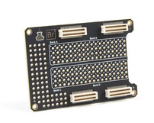
board content of FPGA box:
Alchitry Au FPGA DEV-16527 | SparkFun DEV-16527 | mouser | 474-DEV-16527 |  | 1 |  | 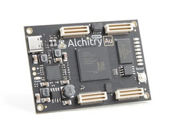
Alchitry Br prototype shield | SparkFun DEV-16524 | mouser | 474-DEV-16524 |  | 1

boards pre assembled from company:
analog_conversion_board_8channels | Sigmann electronic Angebot: 2020-30170 |  |  | 197,14€ for 1pc 130,82€ each for min. 5pc 110,40€ each for min. 10pc | 1
signal_conversion_board_2+3channels | Sigmann electronic Angebot: 2020-30170 |  |  | 132,59€ for 1pc 67,28€ each for min. 5pc 51,41€ each for min. 10pc | 1

boards self-assembled:
FPGA_Au_shield | Q-print ----- |  |  | not assembled ordered | 1
FPGA_Frontpanel_1_V2 | Q-print ----- |  |  | not assembled ordered | 1
FPGA_Frontpanel_2_V1 | Q-print ----- |  |  | not assembled ordered | 1
FPGA_Frontpanel_3_V1 | Q-print ----- |  |  | not assembled ordered | 1
power supply
Mean Well Steckernetzteil Universal 12V dc / 1.5A, 18W | Mean Well GSM18E12-P1J | RS | 791-0913 |  | 1
cable connector 2 pole | Binder 99 0402 00 02 | Farnell | 1122556 |  | 1
box connector 2 pole | Binder 09 0403 00 02 | Farnell | 1122562 |  | 1

Box build up
spacing bolts, plastic, internal-|external-, M3 | M3, 10 mm long and 8mm outside |  | Bürklin | 18H3683 |  | 8 | beneath ACB and SCB boards
spacing bolts, metal, internal-|internal-, M2 | M2, 15 mm long |  | Bürklin | 18H2408 |  | 3 | beneath FPGA board
M4 nuts for distance holding |  |  |  |  | 3 | beneath FPGA board
M2 metal screws 10mm long with countersunk head |  |  |  |  | 3 | for FPGA board
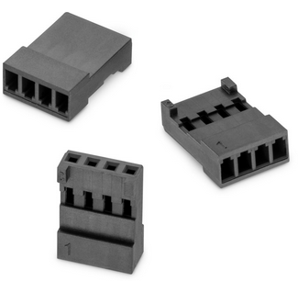
M2 metal screws 12mm long with flat head |  |  |  |  | 3 | for FPGA board

M3 (plastic) screws 10mm long with countersunk head |  |  |  |  | 14 | for ACB/SCB and frontpanels
M3 (plastic) nut |  |  |  |  | 14 | for ACB/SCB and frontpanels
heat sink | Fischerelektronik THFU 1 | RS | 722-6921 |  | 1
heat sink clip | Fischerelektronik SK 481/25 SA | RS | 722-6886 |  | 1

2 x 1 PINS Multi-Jumper | Wuerth Electronic 60900213621 | Wuerth Electronic | 60900213621 |  | 16 | jumpers for the ACB board

WR-WTB from würth electronic prefabricated cables for wiring the boards
2 Pins | würth electronic | 661002113322 |  |  | 54 | current need but it depends on amount of signals needed
30cm both ends crimped | würth electronic | 661161122030 |  |  | 44 | current need but it depends on amount of signals needed

